Kelompok UTS
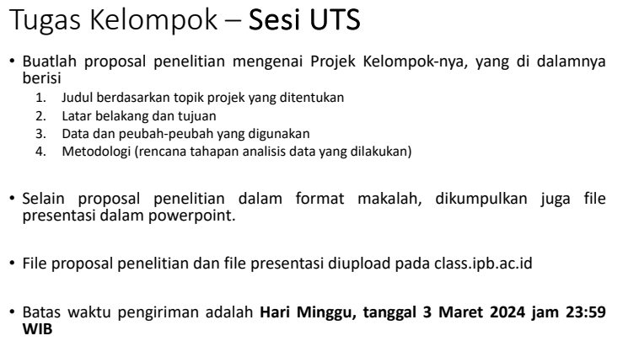
Team Name | Nickname | NIM | Nama | Topik | Data | Metode analisis
Team 1 | Zahra | G1401211076 | Aisyah Nuruzzahra Tirtasuwanda | Topik 4: Unsupervised learning dengan kasus reduksi dimensi
Team 1 | Vita | G1401211065 | Vita Rizkyana Anggraeni
Team 1 | Efa | G1401211005 | Cahyani Dyah Rofiana
Team 1 | Sisi | G1401211074 | Reyzha Siva Dewi
Team 1 | Nadila | G1401211028 | Nadila Putri Fauziyyah
Team 2 | Dinda | G1401211035 | Dinda Khamila Nurfatimah | Topik 4: Unsupervised learning dengan kasus reduksi dimensi
Team 2 | Azra | G1401211046 | AZIZAH AMALIA AZRA
Team 2 | Yasmin | G1401211107 | Yasmin Azimah Wafa
Team 2 | Nabil | G1401211008 | Nabil Naufal
Team 2 | Jono | G1401211064 | JONATHAN MARJONO
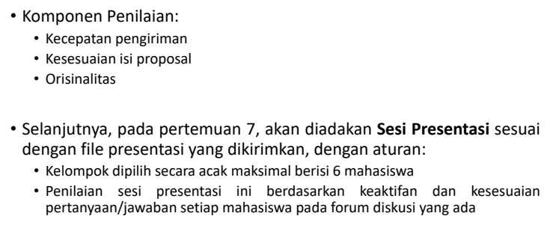
Team 2 | Syifa | G1401211012 | SYIFA KHAIRUNNISA
Team 3 | Davina | G1401211024 | DAVINA RACHMADYANTI | Topik 3: Unsupervised learning dengan kasus penggerombolan
Team 3 | Karima | G1401211001 | Karimatu Ain
Team 3 | Okta | G1401211066 | OKTAVIA GALIH PRATIWI
Team 3 | Fedo | G1401211025 | FEDORA ILAHI
Team 3 | Ignes | G1401211072 | IGNACIA MANUELA BREGINA
Team 4 | Kay | G1401211070 | Kaylila Kireinahana | Topik 1: Supervised learning dengan peubah respon numerik
Team 4 | Zulfa | G1401211037 | Zulfa Hafizhoh
Team 4 | Upi | G1401211031 | Muhammad Luthfi Al Gifari
Team 4 | Uci | G1401211027 | Adisti Suci Rahmah
Team 4 | Amal | G1401211088 | Amalia Safira Widyawati
Team 4 | Reza | G1401211003 | LUTFI SYAHREZA LUBIS
Team 5 | Anis | G1401211084 | ANIS SULISTIYOWATI | Topik 2: Supervised learning dengan peubah respon kategorik
Team 5 | Ara | G1401211010 | MUTIARA ANDHINI
Team 5 | Farras | G1401211018 | Muhamad Farras Surya Dio Putra
Team 5 | Radit | G1401211021 | RADHITYA HARMA
Team 5 | Kheni | G1401211029 | KHENI HIKMAH LESTARI
Team 6 | Rafli | G1401211044 | Rafli Radithya | Topik 2: Supervised learning dengan peubah respon kategorik
Team 6 | Iwang | G1401211020 | UIWANG NUR THORIQ
Team 6 | Alfiah | G1401211063 | ALFIAH AYU HAPSARI
Team 6 | Podi | G1401211041 | Andi Fatihatul Fuadiyah Akbar
Team 6 | Dewi | G1401211017 | Dewi Kunthi Siswati Suryo
Team 6 | Glyadys | G1401211014 | GLADYS ADYA ZAFIRA
Team 7 | Angel | G1401211105 | Angel Martha Pradina Pangaribuan | Topik 3: Unsupervised learning dengan kasus penggerombolan
Team 7 | Aca | G1401211019 | Natasha Muti Hafiza
Team 7 | Arfiah | G1401211023 | ARFIAH KANIA SEKTIARUNI
Team 7 | Naswa | G1401211056 | NASWA NABILA ZAHRANI
Team 7 | Kamilah | G1401211073 | Kamilah Nurul Azizah
Team 7 | Angga | G1401211006 | ANGGA FATHAN ROFIQY
Team 8 | Hanifa | G1401211094 | Hanifa Rahmacindia Nasution | Topik 1: Supervised learning dengan peubah respon numerik
Team 8 | Sabil | G1401211026 | Salsabila Dwi Rahmi
Team 8 | Diba | G1401211004 | Asfiah Adiba
Team 8 | Farrel | G1401211057 | FARREL GILBRAN
Team 8 | Aida | G1401211016 | Aida Darajati

