IO
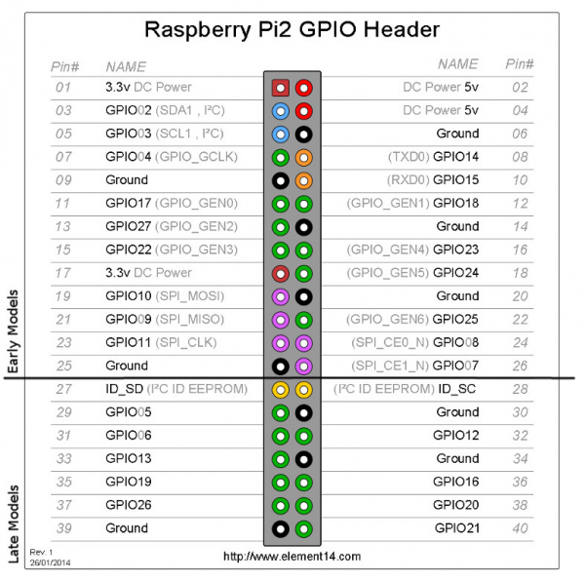
 | Brewhouse Inputs/Outputs
 |  |  | GPIO0 | I2C- RESERVED |  | Assigned in Sequentdrivers.py
Sequent Microsystems Industrial Automation Board | 0-10V INPUT 1 |  | GPIO1 | I2C- RESERVED
 | 0-10V INPUT 2 |  | GPIO2 | I2C |  | Not asssigned to any input/output
 | 0-10V INPUT 3 |  | GPIO3 | I2C
 | 0-10V INPUT 4 |  | GPIO4 | 1-wire network | DS18B20 | In progress assigning input/output
 | 4-20Ma INPUT 1 | PICOMAG FLOW METER | GPIO5 | Wort grant float
 | 4-20Ma INPUT 2 |  | GPIO6 | HLT float LOW
 | 4-20Ma INPUT 3 |  | GPIO7 | HLT float HIGH
 | 4-20Ma INPUT 4 |  | GPIO8 | CLT float LOW
 | 4-20Ma INPUT 5 |  | GPIO9 | CLT float HIGH
 | OPTO INPUT 5-12V 1 |  | GPIO10 | Kettle float
 | OPTO INPUT 5-12V 2 |  | GPIO11 | LED FV1
 | OPTO INPUT 5-12V 3 |  | GPIO12 | LED FV2
 | OPTO INPUT 5-12V 4 |  | GPIO13 | LED FV3
 | 0-10V OUTPUT 1 | HLT PUMP | GPIO14 | LED FV4
 | 0-10V OUTPUT 2 | MASH PUMP | GPIO15
 | 0-10V OUTPUT 3 | KETTLE PUMP | GPIO16
 | 0-10V OUTPUT 4 |  | GPIO17
 | 24V 4A OUTPUT 1 | HLT ELEMENT CONTACTOR | GPIO18
 | 24V 4A OUTPUT 2 | KETTLE ELEMENT CONTACTOR | GPIO19
 | 24V 4A OUTPUT 3 | HLT RO Fill solenoid | GPIO20
 | 24V 4A OUTPUT 4 | HLT city water fill solenoid | GPIO21 | LED ST1
 |  |  | GPIO22 | LED ST2
Sequent RTD Board | RTD 1 | HLT TEMP | GPIO23 | LED ST3
 | RTD 2 | MASH TEMP | GPIO24 | LED ST4
 | RTD 3 | KETTLE TEMP | GPIO25 | LED ST5
 | RTD 4 | HEX OUTPUT | GPIO26 | LED ST6
 | RTD 5 | HEX WATER INPUT
 | RTD 6
 | RTD 7
 | RTD 8

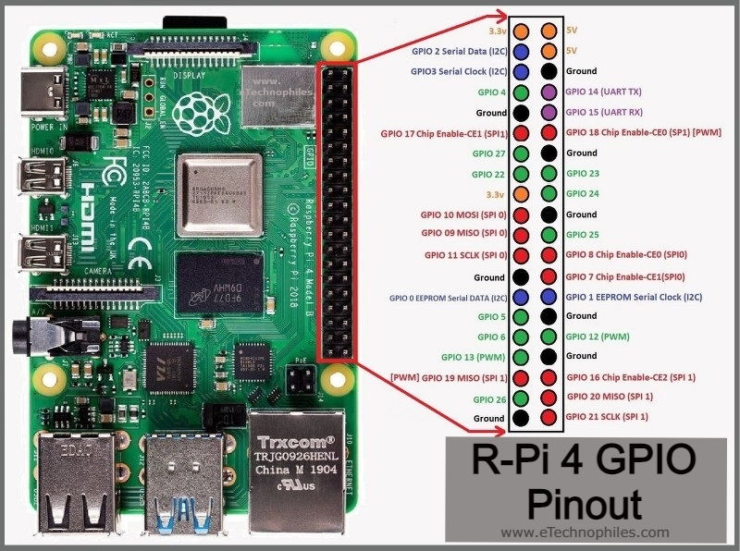
Sequent MOSFET Board | 8A/24VDC | CLT RO fill solenoid
 | 8A/24VDC | Oxygen solenoid
 | 8A/24VDC
 | 8A/24VDC
 | 2A/240VDC |  | RO filter power 120vac
 | 2A/240VDC |  | Aux pump power 120vac
 | 2A/240VDC
 | 2A/240VDC

SEPARATE PI FOR TANK CONTROLLER
Sequent 8-Relay Board | Relay 1 | FV1
 | Relay 2 | FV2
 | Relay 3 | FV3
 | Relay 4 | FV4
 | Relay 5 | FV5
 | Relay 6 | FV6
 | Relay 7
 | Relay 8

Sequent 8-Relay Board | Relay 1 | ST1
 | Relay 2 | ST2
 | Relay 3 | ST3
 | Relay 4 | ST4
 | Relay 5 | ST5
 | Relay 6 | ST6
 | Relay 7
 | Relay 8

