Sheet1
标题 | 网址 | 方法 | 案例
A strategy based on community detection for parallel topology analysis in power networks | https://ieeexplore.ieee.org/document/8393017 | 分裂算法：GN算法与拓扑划分相结合，得到电力网络的最佳划分 | 以IEEE39为例，并试用于一更为复杂的电力网络 | 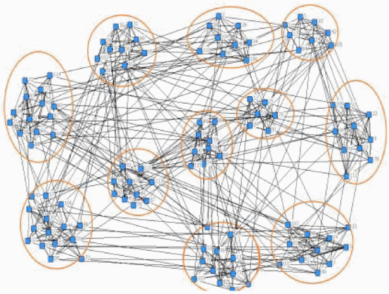
Research on Network Topology Analysis Method of Distribution Management Based on GIS | https://ieeexplore.ieee.org/document/9525851 | 建立配电Geodatabase数据库，使用 feature to polygon建立拓扑 | 以区域电网为实验对象，变电站电网规模为：47座变电站，125条母线，600多个开关 | 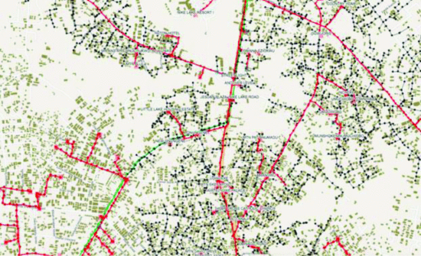
Topology modeling of distribution network based on open-source GIS | https://ieeexplore.ieee.org/document/5993948 | 使用PostgreSQL建立数据库，并在开源软件uDig上建立配电线路图
Distribution Network Topology Modelling and Automatic Mapping Based on CIM and GIS | https://ieeexplore.ieee.org/document/8740469 | 主要研究单线电气连接图的自动映射算法。基于公共信息模型（CIM）的配电网设备及其相互关系的表示（CIM基于ICE61970/IEC61968标准） | 广东省电网有限公司佛山供电局 | 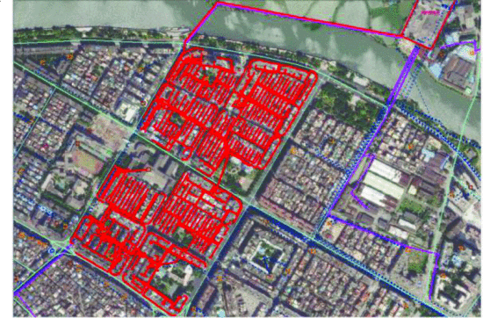 | 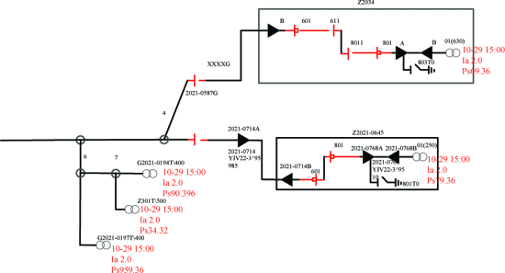
 |  |  |  | 地理布局映射 | 单线电气连接图
Design and Implementation of Distribution Network Planning System Based on GIS Automatic Drawing Technology | https://ieeexplore.ieee.org/document/9062153 | 使用A*算法设计单线图自动绘制系统，包含：CIM文件解析模块、自动排版模块、自动布线模块和图形生成模块 |  | 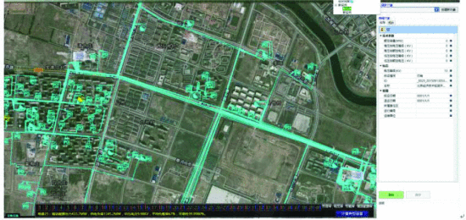

Distribution System Model in Simscape : European Test Feeder | https://ww2.mathworks.cn/matlabcentral/fileexchange/66991-distribution-system-model-in-simscape-european-test-feeder | 使用matlab、simulink创建仿真电网建模
Design and Simulation of Smart-Grids using OMNeT++/Matlab-Simulink Co-simulator | https://ieeexplore.ieee.org/document/9598799 | 使用协同仿真器 OMNeT++/Matlab模拟智能电网

Research and Application of Topology Analysis Method for Large-scale Distribution Grids | https://ieeexplore.ieee.org/document/9929006

