exp6
 | overall |  |  | EOG |  |  | EMG
 | rrmse t | rrmse s | cc | rrmse t | rrmse s | cc | rrmse t | rrmse s | cc
Adaptive filter | 1.08130079 | 2.2615051 | 0.54347439 | 1.13577899 | 1.75287314 | 0.57941769 | 2.45016913 | 4.23485857 | 0.33622937
HHT | 2.06310896 | 12.57942153 | 0.49149154 | 2.19465735 | 15.20007754 | 0.46201753 | 1.52362032 | 2.87877914 | 0.57716264
EEMD-ICA | 1.65613336 | 7.17142086 | 0.24211328 | 1.49537459 | 7.90857991 | 0.28488429 | 1.74967017 | 2.64664397 | 0.25879718
DeepSeparator | 0.862728138 | 1.333487443 | 0.743023893 | 0.807071249 | 1.617167869 | 0.732290073 | 0.918385027 | 1.049807016 | 0.753757713

数据 | （EOG20+EMG20)*10SNR |  |  | EOG40*10SNR |  |  | EMG40*10SNR

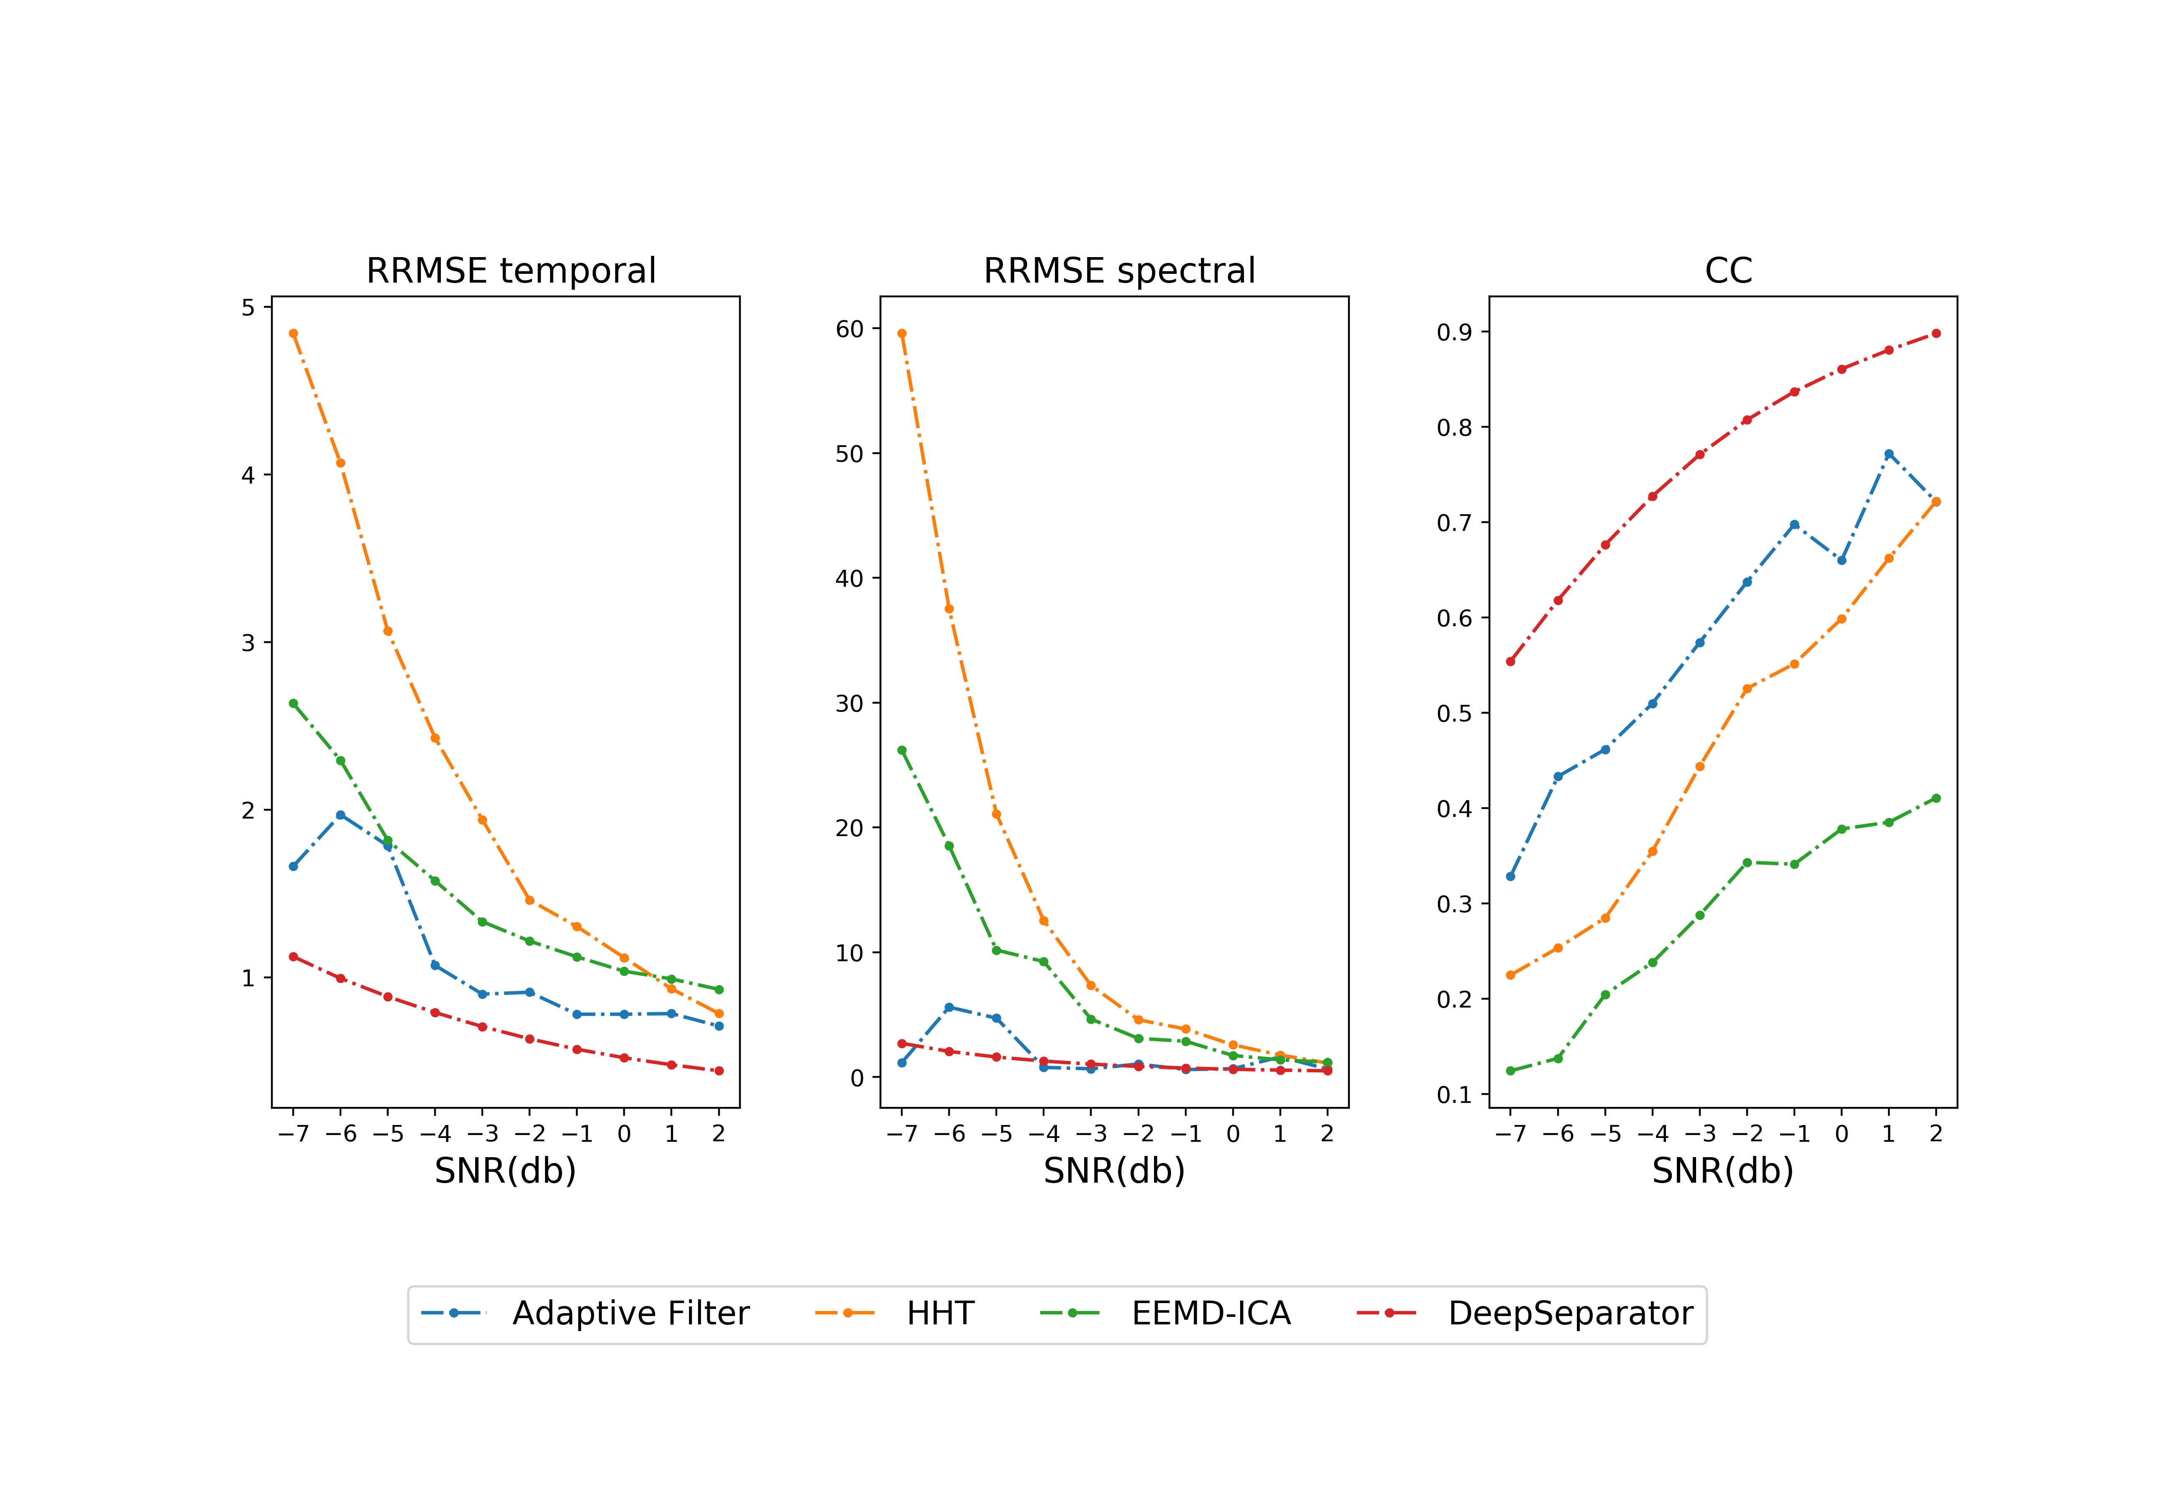
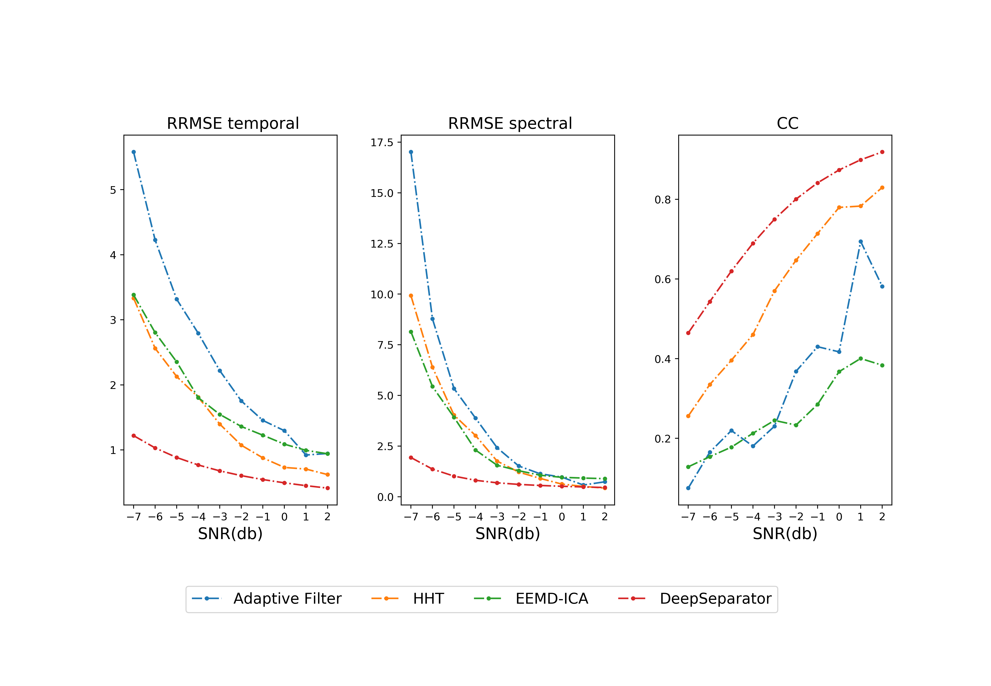

 |  |  |  |  |  |  | EMG
 | EOG

