(Instructions)
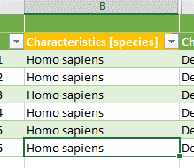
Index:
I. | How 2 use Swate (lines 5ff.)
II. | How 2 use the Proteomics Template (lines 333ff.)

I. | How 2 use Swate:
1. | Install Swate and reopen all Excel files (including this one).
2. | Click on 'Insert' –> Click on the arrow beneath 'My Add-ins' –> Click on 'Swate'.
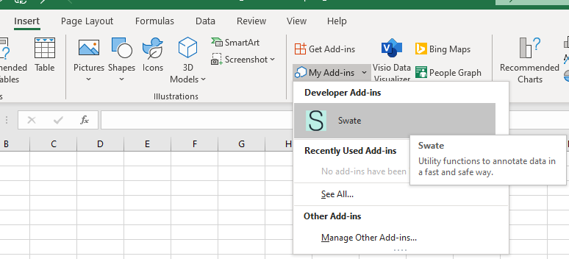

3. | Click on 'Got it' –> Click on 'Swate' to open the Swate task pane.
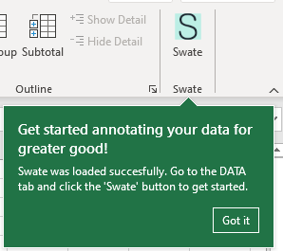

4. | Click on 'create annotation table' in the Swate panel in the selected cell. Be sure to not have any data in the cells nearby as they may be overwritten.
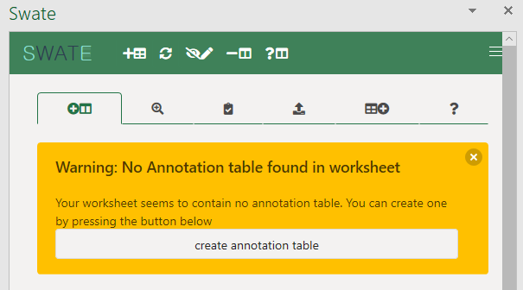

5. | If you want to create another annotation table in an empty sheet, switch to that sheet and click on the 'Add Annotation Table' button in the Swate panel.

6. | Expand the table to your needs: Move over to the right end of the table, click the blue corner and drag it down to the number of lines you want to fill. You can always expand or reduce the table as you wish.
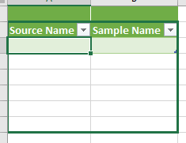
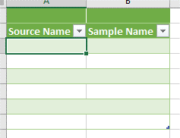

7. | Use 'Manage Building Block' to add columns with specific headers. Example: You want to add a column regarding the size of the leaves of your sample. Click on the annotation type ('Parameter' in default) to choose between the different types in a dropdown-menu.
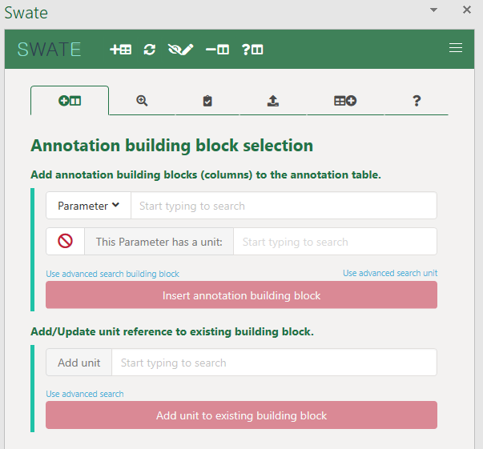

8. | Choose between 'Parameter' for data about the methods and workflows used in the experiment, e.g. the MS instrument model or the peptidase used for digestion, and 'Characteristics' for data about your sample, e.g. the genotype or the type of cells. In our example, the size of the leaves we want to add is a Characteristics, therefore we choose so.
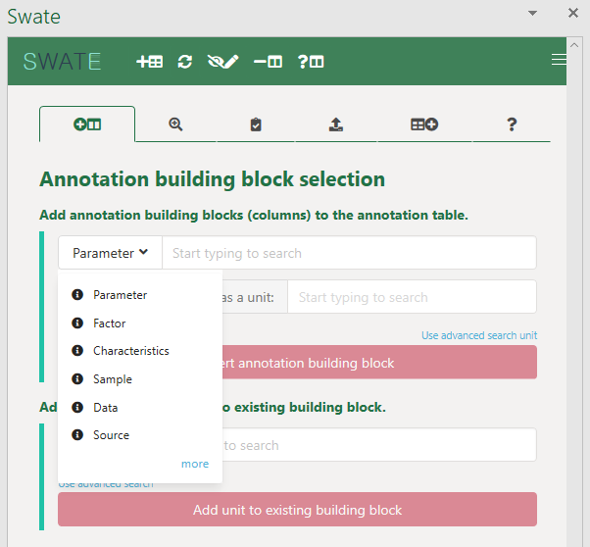

9. | Now type in a fitting term (you can use the tooltips of the terms presented by the search for descriptions). Use one of the search suggestions or use your own term if none of the suggestions fit. If the annotation requires units of measure, click on the box left to 'This Characteristics(/Parameter) has a unit:' and type in the unit. You can always use advanced search for building blocks and/or units if you cannot find find what you are looking for. Prefer fitting search suggestions before using your own terms. Click 'Insert this annotation building block'.
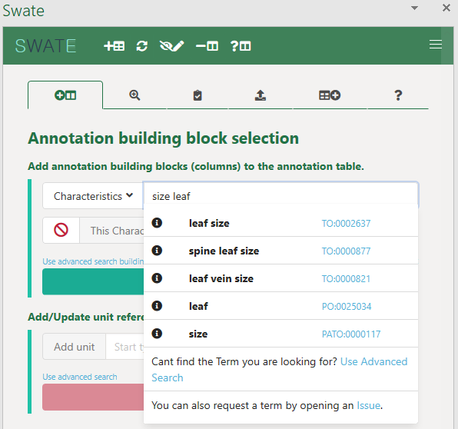
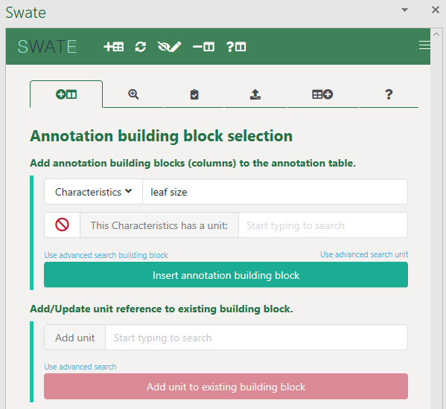
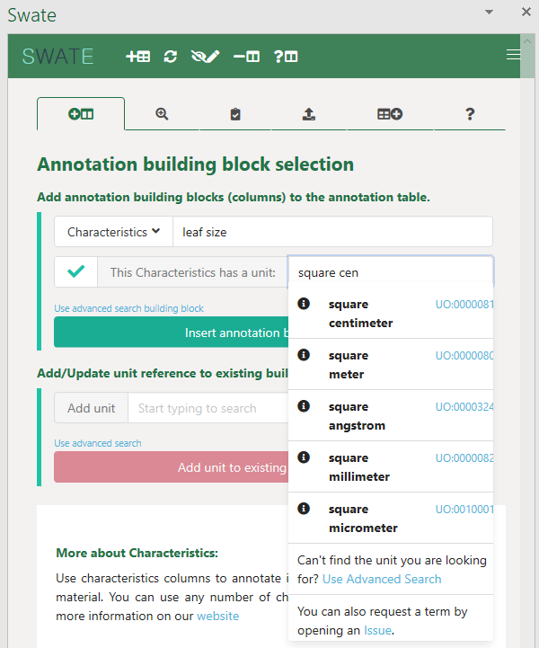
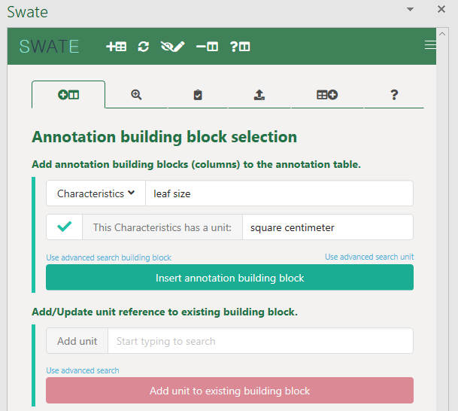
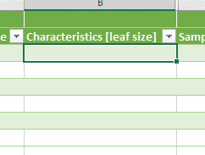

10. | Use the 'Add/Update unit reference' field for adding a unit to an existing column or to update a column to another unit (see pictures below).
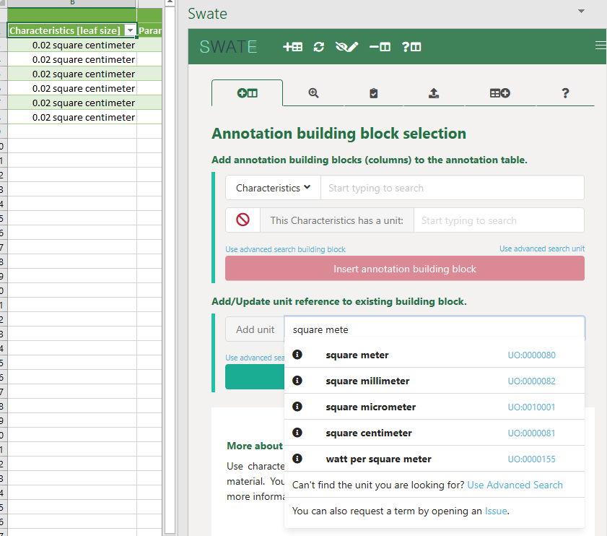
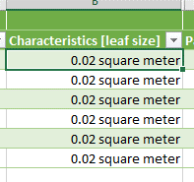

11. | If you want to delete a column, you can do so with the 'Remove Building Block' button.

12. | Use 'Manage Terms' to fill out cells of a column with respective terms. Here we select the mass spectrometry instrument for our samples: a TruTOF in this example. You type in parts of the term you search for and the search function gives you results that fit to your request. It is best to use term related search, especially if necessary. You can choose to insert the term into the selected cells or copy it to the clipboard.
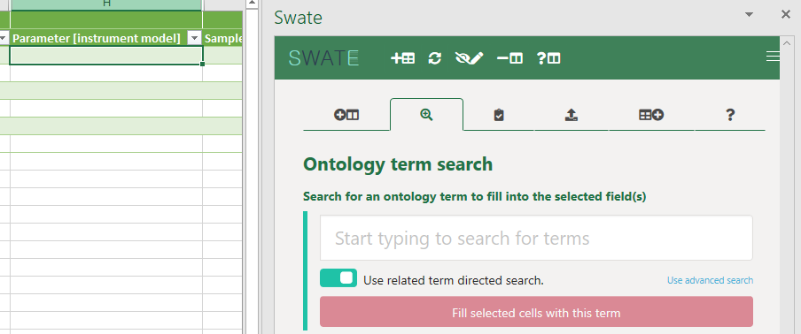
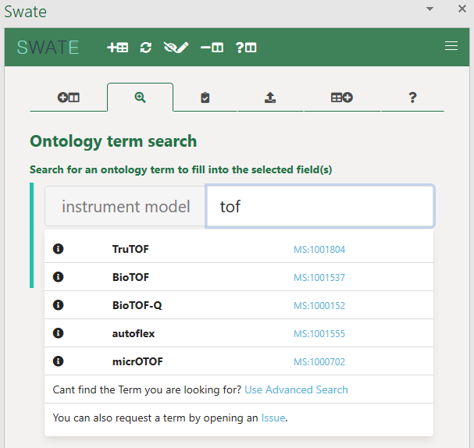
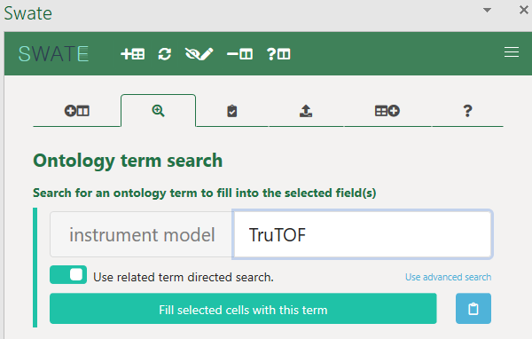
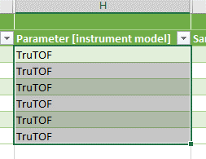

13. | You can also put in the accession number of the term you'd like to get.
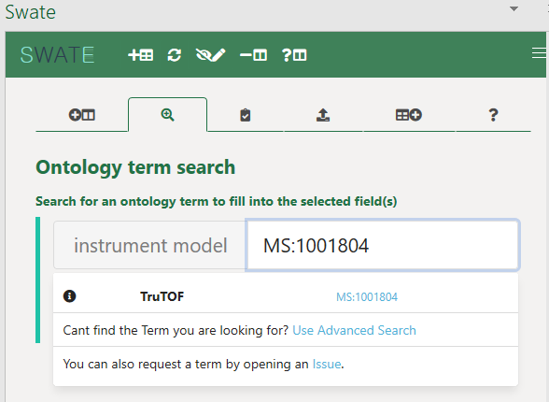

14. | If you doubleclick onto the empty search field, you can see a list of all available child terms for the parent term in this column's header.
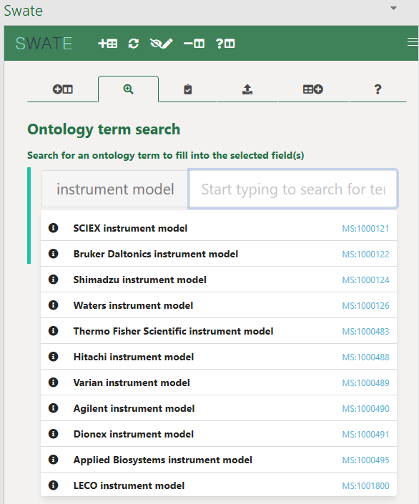

15. | If the term you need is not available in the related ontology or any of the others provided, you can also fill in custom terms. Just type in the full term and click 'Fill selected cells with this term'.
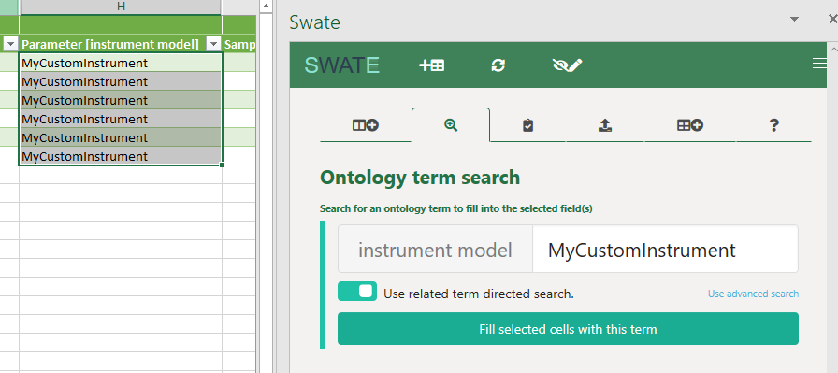

16. | If you missed cells and filled them out manually, click on the 'Update Reference Columns' button to update the term-specific information in the hidden reference columns.
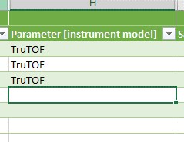
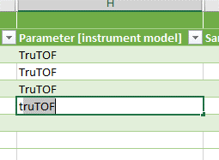

17. | If you unhid the reference columns and want to easily hide them again (as well as do other formatting stuff related to the annotation table), click on 'Autoformat Table'.

18. | If you are unsure about the specific information of the selected column, use the 'Get Building Bock Information' button.
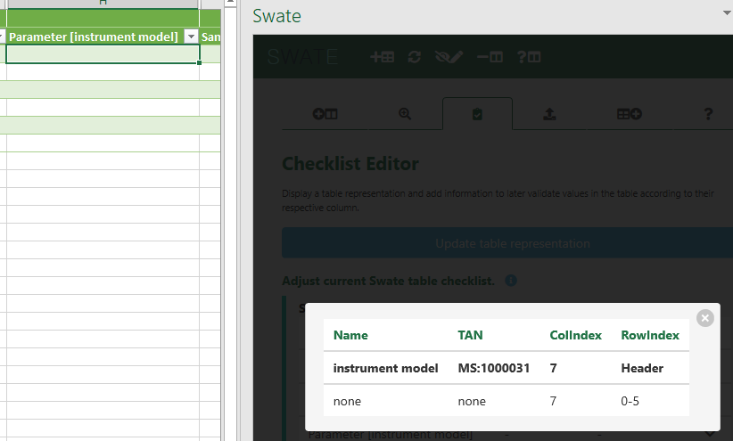

19. | You might to add file names to a column. Since typing in name by name could get quite tedious, you can add the file names with the file picker instead. Clikc on 'Pick file names', choose the files which names you want to insert, and then copy them to your clipboard witht the button on the left to paste them where you like to – or click on 'Insert File Names' to directly paste them into the selected cells. You can also sort the file names (anti-)alphabetically with the respective buttons on the right.
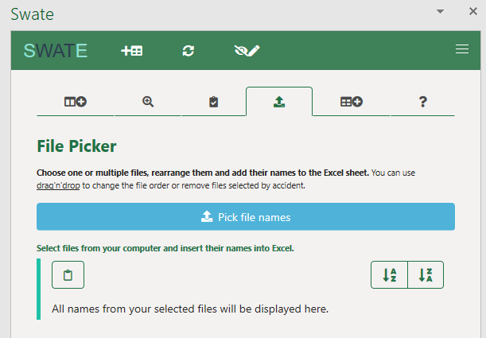
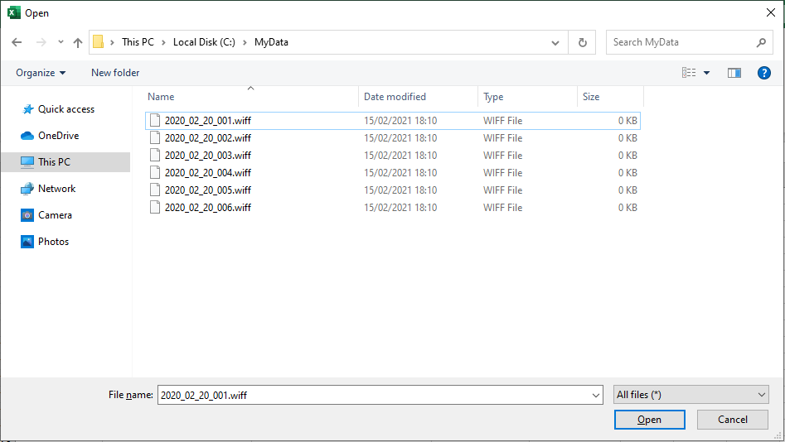
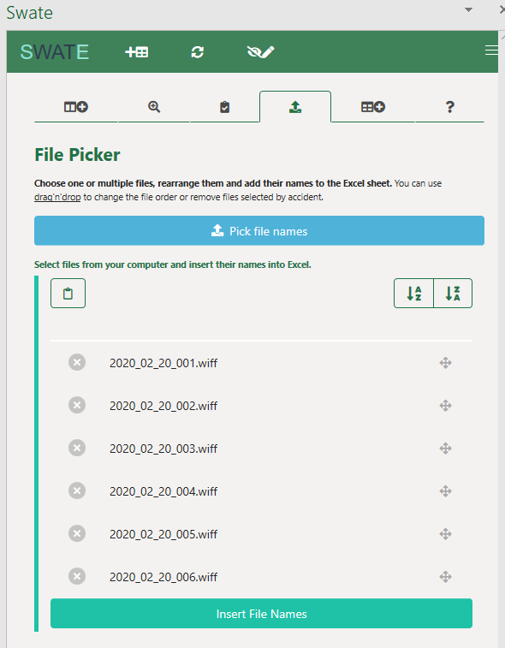
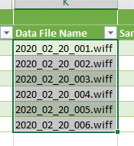

20. | You can add a Checklist to your excel workbook. Click on the 'Validation' button and click on 'Add checklist to workbook'. Swate adds a checklist file to the workbook that can be read and evaluated afterwards. If you want to add content types or the importance of your headers, click on the header, here examplarily: 'Characteristics [leaf size]', and select the content type by clicking on a respective type, and choose the importance via clicking on the respective number of stars. Click on 'Update table representation' to write the changes into the checklist file.
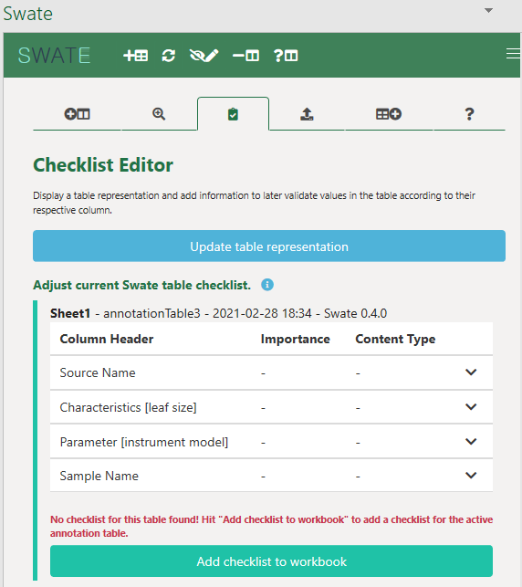
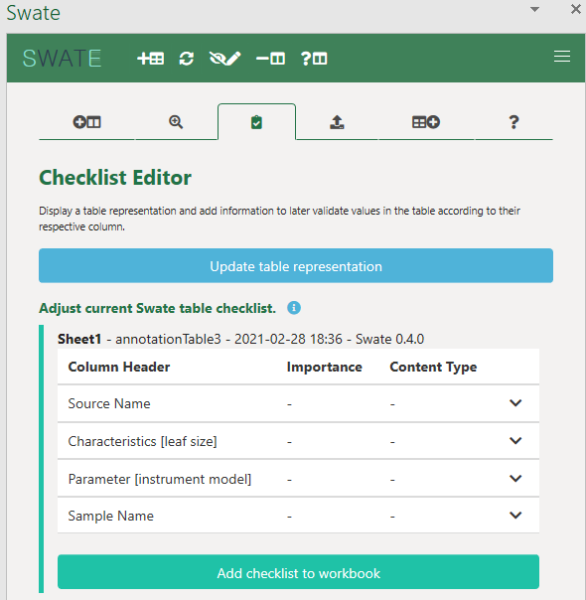
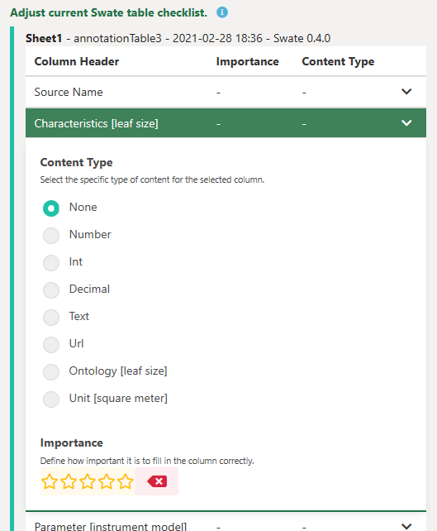
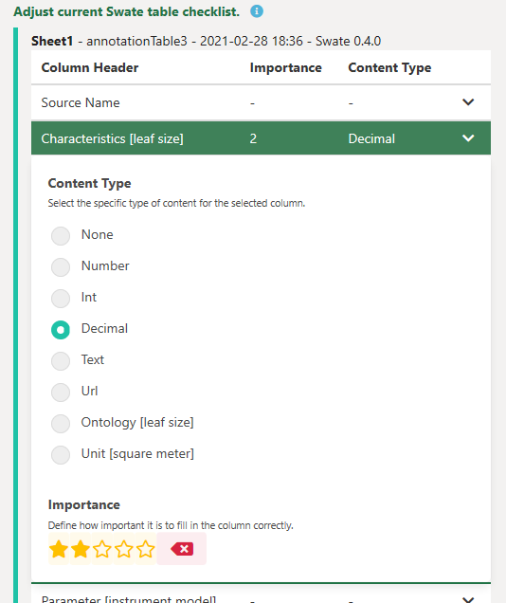
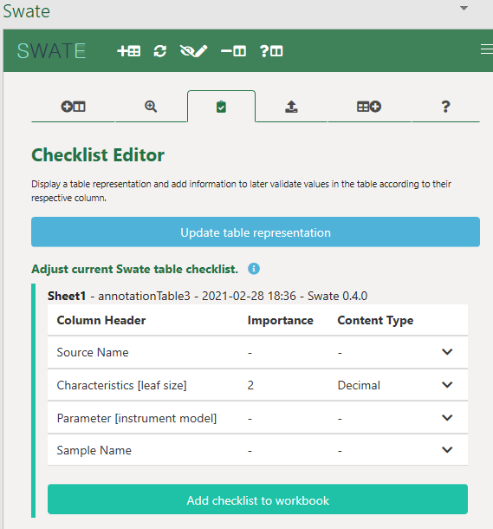

II. | How 2 use the Proteomics Template:
1. | The template consists of 3 core assays, realized as worksheets with an annotation table each: 'Sample preparation', 'Measurement', and 'Data procession'. 'Sample preparation' focuses on works in the lab the experimentator does, e.g. cultivation of cells, transfection with genes, and so on. 'Measurement' focuses on the measurement of the mass spectrometer, its settings and all other relevant data related to this. 'Data procession' tackles the steps after obtaining the mz values in terms of computational analysis.
2. | Each assay already consists of several columns with values to put in, reducing the part of creating building blocks to a minimum. Though, if particular columns are missing, you can add them as explained above (I.7.ff.).
3. | The assays are organized in the order in which the workflows take place. This means, that after the sample preparation the measurement follows, succeeded by the data procession.
4. | The columns 'Source Name' and 'Sample Name' are very important. Start with the first assay/worksheet ('Sample preparation') and type the specific and unique name of each sample in the cells of 'Source Name', as seen examplarily in the picture below. As names for the samples you may use the captions of the Eppendorfer tubes or something alike; you are free in naming it as you like. All following cells in a line correspond to exactly this one sample. The orange arrow in the picture indicates that the 37 °C Factor is specific for the sample 'HEKcells_uncultured_1'.


5. | The column 'Sample Name' describes the name of the sample at the end of the workflow. It must be different from the Source Name. It can – but does not need to – have the description of the factors in its name, as you can see in both examplary pictures. Other than that, you are free in naming it as you like. Remember to click the 'Fill Reference Columns' button (s. 8.a.) after filling the cells.
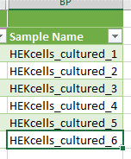
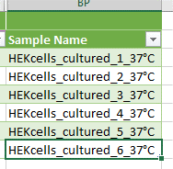

 |  | or

6. | On every following workflow sheet (the next one after 'Sample preparation' is 'Measurement') the new Source Name must be the same as the Sample Name of the previous worksheet. In the first picture below 11. we chose 'HEKcells_cultured_1' for the first sample as its Sample Name. Thus, the Source Name on Measurement for the first sample will be 'HEKcells_cultured_1' too. This conventions applies to all following worksheets in general.
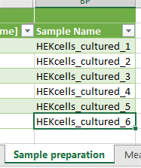
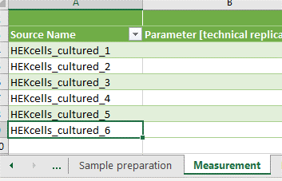

7. | The template has a hidden first line that matches the new column headers to the already known terms that were used in the Proteomics Analysis Request Samplesheet used by the Center for MS Analytics of the Technical University Kaiserslautern. If you were used to the Samplesheet and want to know how to match the old terms with the new ones, just unhide the line.
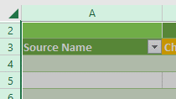
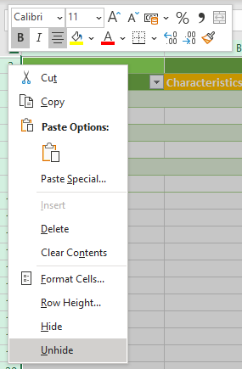

8. | If you don't understand the terms in the column header and want to know what you should put into the cells below, hover with your mouse over the respective column header and a tooltip in the form of a comment will appear with an explanation.

9. | You may have noticed that some of the column headers are orange instead of the standard green. These columns shall be filled with data mandatory for the ProteomeXchange submission that we chose as the public repository for proteomics experiments. Please try to fill the columns as best as you can, and try to circumvent custom terms as good as possible. Use term-related search to fill in terms that fit to the ontologies mentioned in the respective tooltip.

