Sheet1
Name | Abbreviation | CAS number | Molecular formula | Structure
Rhodamine B | RB | 3520-42-1 | C27H29N2NaO7S2 | 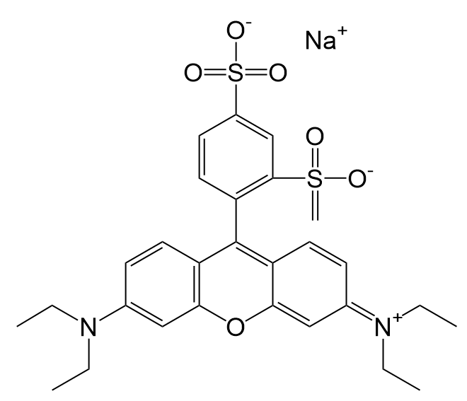
Basic violet 7 | BV | 6441-82-3 | C24H30Cl2N2
Basic yellow 2 | BY | 2465-27-2 | C17H22ClN3
Ethyl red | ER | 76058-33-8 | C17H19N3O2 | 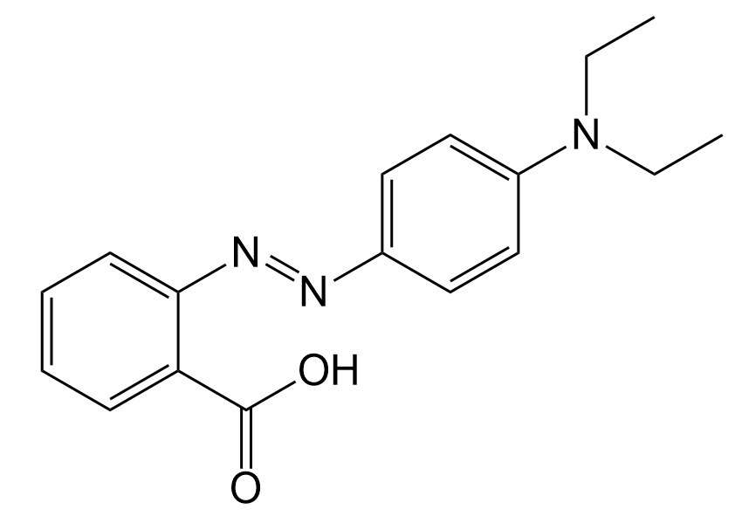
Giemsa stain | GS | 51811-82-6 | C14H14ClN3S
Janus green B | JG | 2869-83-2 | C30H31ClN6
HC Orange 1 | HO | 54381-08-7 | C12H10N2O3
Pigment blue 16 | PB | 574-93-6 | C32H18N8 | 