SFC Report
Fund Name : | China Life Franklin Diversified Income Fund
Fund Account : | 19437
AuM (USD m) : | 593.0
Average Credit Rating (Fixed Income ex Cash) : | BB-
Average YTM (Ex Cash and Derivatives) : | #VALUE!
Average Duration (Ex Cash) : | #VALUE!
Net Derivative Exposure : | 2.1%
95% 1-month VaR (Hist 2Y) : | 1.6%
95% 1-month CVaR (Hist 2Y) : | 3.6%
Valuation Date : | 30-Apr-20
Diversified Income Fund Asset Allocation by Market Value (%)
 | Market Value (%)
Equity | 5.7%
Fixed Income | 92.8%
Net Cash | 1.5%
Diversified Income Fund Fixed Income Allocation by Market Value (%)
Asset Allocation

Asset Type | Market Value (HKD) | Market Value (USD) | Market Value (%)

Equity | 259,891,975.9 | 33,525,796.7 | 5.7%
Fixed Income | 4,266,936,429.3 | 550,430,395.9 | 92.8%
Government | 63,674,037.2 | 8,213,885.1 | 1.4%
Corporate | 4,203,262,392.1 | 542,216,510.8 | 91.4%
Derivatives | 0.0 | 0.0 | 0.0%
Net Cash | 70,336,844.5 | 9,073,380.3 | 1.5%
Cash | 78,291,566.4 | 10,099,531.3 | 1.7%
Cash Adjustments | -7,954,721.9 | -1,026,150.9 | -0.2%
Cash Equivalents | 0.0 | 0.0 | 0.0%

Total | 4,597,165,249.7 | 593,029,573.0 | 100.0%

Diversified Income Fund Fixed Income - Sector Allocation by Market Value (%)
 | Investment Grade | Non-Investment Grade | Others
Government / Municipal | 1% | 0% | 0%
Corporate | 29% | 68% | 0%
Additional Tier 1/ Contingent Convertibles | 0% | 2% | 0%
Derivatives | 0% | 0% | 0%
Cash Equivalent | 0% | 0% | 0%
Country

Equity (in USD) | China | Hong Kong | United Kingdom | United States of America | Total

Listed Equity | 8,350,683 | 25,175,114 | 0 | 0 | 33,525,797
Financial | 8,350,683 | 7,465,653 | 0 | 0 | 15,816,335
Non-Financial | 0 | 17,709,461 | 0 | 0 | 17,709,461

Unlisted Equity | 0 | 0 | 0 | 0 | 0
Financial | 0 | 0 | 0 | 0 | 0
Non-Financial | 0 | 0 | 0 | 0 | 0

Derivatives | 0 | 0 | 0 | 0 | 0
Financial | 0 | 0 | 0 | 0 | 0
Non-Financial | 0 | 0 | 0 | 0 | 0

Total | 8,350,683 | 25,175,114 | 0 | 0 | 33,525,797

Fixed Income (in USD) | China | Hong Kong | Macau | Japan | Singapore | India | Asia - others (1) | Asia - others (3) | Qatar | Saudi Arabia | United Arab Emirates | United Kingdom | France | Europe - others (1) | United States of America | America - others (1) | America - others (2) | Total

Government / Municipal | 0 | 0 | 0 | 0 | 0 | 0 | 2,029,889 | 1,153,514 | 1,081,657 | 3,948,825 | 0 | 0 | 0 | 0 | 0 | 0 | 0 | 8,213,885 | 0.0
Investment Grade | 0 | 0 | 0 | 0 | 0 | 0 | 2,029,889 | 0 | 1,081,657 | 3,948,825 | 0 | 0 | 0 | 0 | 0 | 0 | 0 | 7,060,371
Non-Investment Grade | 0 | 0 | 0 | 0 | 0 | 0 | 0 | 1,153,514 | 0 | 0 | 0 | 0 | 0 | 0 | 0 | 0 | 0 | 1,153,514

Corporate | 373,301,108 | 21,578,866 | 10,019,205 | 11,361,749 | 15,742,145 | 6,856,964 | 26,308,960 | 5,225,366 | 0 | 4,834,231 | 3,024,554 | 2,075,922 | 3,325,728 | 0 | 39,445,070 | 1,419,901 | 5,182,807 | 529,702,577 | 0
Investment Grade | 85,020,686 | 17,208,646 | 0 | 11,361,749 | 12,343,434 | 0 | 4,546,914 | 5,225,366 | 0 | 4,834,231 | 0 | 2,075,922 | 3,325,728 | 0 | 11,463,675 | 0 | 0 | 157,406,351
Financial | 43,004,359 | 17,208,646 | 0 | 11,361,749 | 12,343,350 | 0 | 1,302,867 | 5,225,366 | 0 | 4,834,231 | 0 | 2,075,922 | 3,325,728 | 0 | 7,243,079 | 0 | 0 | 107,925,299
Non-Financial | 42,016,327 | 0 | 0 | 0 | 83 | 0 | 3,244,047 | 0 | 0 | 0 | 0 | 0 | 0 | 0 | 4,220,595 | 0 | 0 | 49,481,052
Non-Investment Grade | 288,280,421 | 4,370,220 | 10,019,205 | 0 | 3,398,712 | 6,856,964 | 21,762,046 | 0 | 0 | 0 | 3,024,554 | 0 | 0 | 0 | 27,981,395 | 1,419,901 | 5,182,807 | 372,296,226
Financial | 256,352,586 | 4,370,220 | 4,998,286 | 0 | 3,398,712 | 0 | 13,607,814 | 0 | 0 | 0 | 3,024,554 | 0 | 0 | 0 | 0 | 0 | 0 | 285,752,172
Non-Financial | 31,927,836 | 0 | 5,020,919 | 0 | 0 | 6,856,964 | 8,154,232 | 0 | 0 | 0 | 0 | 0 | 0 | 0 | 27,981,395 | 1,419,901 | 5,182,807 | 86,544,054

Additional Tier 1, Contingent Convertibles and similar instrucments | 12,513,934 | 0 | 0 | 0 | 0 | 0 | 0 | 0 | 0 | 0 | 0 | 0 | 0 | 0 | 0 | 0 | 0 | 12,513,934
Investment Grade | 0 | 0 | 0 | 0 | 0 | 0 | 0 | 0 | 0 | 0 | 0 | 0 | 0 | 0 | 0 | 0 | 0 | 0
Financial | 0 | 0 | 0 | 0 | 0 | 0 | 0 | 0 | 0 | 0 | 0 | 0 | 0 | 0 | 0 | 0 | 0 | 0
Non-Financial | 0 | 0 | 0 | 0 | 0 | 0 | 0 | 0 | 0 | 0 | 0 | 0 | 0 | 0 | 0 | 0 | 0 | 0
Non-Investment Grade | 12,513,934 | 0 | 0 | 0 | 0 | 0 | 0 | 0 | 0 | 0 | 0 | 0 | 0 | 0 | 0 | 0 | 0 | 12,513,934
Financial | 12,513,934 | 0 | 0 | 0 | 0 | 0 | 0 | 0 | 0 | 0 | 0 | 0 | 0 | 0 | 0 | 0 | 0 | 12,513,934
Non-Financial | 0 | 0 | 0 | 0 | 0 | 0 | 0 | 0 | 0 | 0 | 0 | 0 | 0 | 0 | 0 | 0 | 0 | 0

Derivatives | 0 | 0 | 0 | 0 | 0 | 0 | 0 | 0 | 0 | 0 | 0 | 0 | 0 | 0 | 0 | 0 | 0 | 0

Cash Equivalents | 0 | 0 | 0 | 0 | 0 | 0 | 0 | 0 | 0 | 0 | 0 | 0 | 0 | 0 | 0 | 0 | 0 | 0
(including money market instruments)
Total | 385,815,041 | 21,578,866 | 10,019,205 | 11,361,749 | 15,742,145 | 6,856,964 | 28,338,849 | 6,378,881 | 1,081,657 | 8,783,057 | 3,024,554 | 2,075,922 | 3,325,728 | 0 | 39,445,070 | 1,419,901 | 5,182,807 | 550,430,396

Diversified Income Fund Liquidity Horizon
Under Normal Scenario
Liquidity Profile
Market Value (USD)
Liquidity Bucket | Days to liquidate | Equity | Fixed Income | Others | Total

High | 3 days or less | 32,439,625 | 507,452,252 | 9,073,380 | 548,965,258
Medium | 3 - 7 days | 1,086,171 | 31,845,940 | 0 | 32,932,112
Low | 7 - 10 days | 0 | 0 | 0 | 0
Illiquid | 10 days or more | 0 | 11,132,203 | 0 | 11,132,203

Total |  | 33,525,797 | 550,430,396 | 9,073,380 | 593,029,573

Liquidity Profile
Market Value (%)
Liquidity Bucket | Days to liquidate | Equity | Fixed Income | Others | Total

High | 3 days or less | 5.5% | 85.6% | 1.5% | 92.6%
Medium | 3 - 7 days | 0.2% | 5.4% | 0.0% | 5.6%
Low | 7 - 10 days | 0.0% | 0.0% | 0.0% | 0.0%
Illiquid | 10 days or more | 0.0% | 1.9% | 0.0% | 1.9%

Total |  | 5.7% | 92.8% | 1.5% | 100.0%

Top 10 |  |  |  |  |  |  | Bottom 10
Most liquid Positions |  |  |  |  |  |  | Least liquid Positions
Seucurities | BB ID | Sector | Market Value (USD) | Days to liquidate |  |  | Seucurities | BB ID | Sector | Market Value (USD) | Days to liquidate

COGARD 5 5/8 01/14/30 | BBG00R9SNB81 | Corporate | 779,693 | 0.1 |  |  | CERCG 5.55 04/14/21 | BBG00CNK44T9 | Corporate | 1,087,081 | 45.0
LOGPH 5 3/4 01/14/25 | BBG00RB0MG61 | Corporate | 783,674 | 0.1 |  |  | HUAFAI 4.4 03/16/21 | BBG00SBW5S62 | Corporate | 10,045,123 | 13.1
STESP 1 1/2 04/29/25 | BBG00TDCM2R7 | Corporate | 83 | 0.1 |  |  | MEDCIJ 8 1/2 08/17/22 | BBG00HDTX5P9 | Corporate | 987,367 | 4.7
SUNAC 6 1/2 01/10/25 | BBG00R9SLKK9 | Corporate | 3,485,668 | 0.1 |  |  | JINKE 8 3/8 06/20/21 | BBG00PDL9DC2 | Corporate | 12,874,460 | 4.5
SUNAC 7 1/2 02/01/24 | BBG00QQ1W050 | Corporate | 1,004,648 | 0.1 |  |  | SUNSHI 6.8 03/11/21 | BBG00S6SWBM6 | Corporate | 13,973,625 | 3.8
SUNAC 7 7/8 02/15/22 | BBG00NB0B2N4 | Corporate | 1,532,878 | 0.1 |  |  | HK Electric Investments & HK E | BBG005Q0XWK0 | Equity | 1,086,171 | 3.5
SUNAC 8.35 04/19/23 | BBG00KMRGS75 | Corporate | 263,644 | 0.1 |  |  | GRNCH 8 1/8 PERP | BBG00N6M20C8 | Corporate | 9,602,349 | 2.0
YUZHOU 7.7 02/20/25 | BBG00RPXWXD8 | Corporate | 4,794,569 | 0.1 |  |  | ICBCAS 1.77 05/20/20 | BBG00RPXTZN6 | Corporate | 4,998,286 | 2.0
Meituan Dianping | BBG00LLV9WW6 | Equity | 937,307 | 0.1 |  |  | Guangdong Investment Ltd | BBG000BDW8M1 | Equity | 1,559,598 | 2.0
Ping An Insurance Group Co of | BBG000GD4N44 | Equity | 1,285,152 | 0.1 |  |  | PWCNPG 4 1/2 12/06/21 | BBG00MNS44N6 | Corporate | 4,220,100 | 1.9

Top 10 |  |  |  |  |  |  | Bottom 10
Highest liquidation cost |  |  |  |  |  |  | Lowest liquidation cost
Seucurities | BB ID | Sector | Market Value (USD) | Liquidation Cost | Days to liquidate |  | Seucurities | BB ID | Sector | Market Value (USD) | Liquidation Cost | Days to liquidate

CERCG 5.55 04/14/21 | BBG00CNK44T9 | Corporate | 1,087,081 | 35.6% | 1 |  | ICBCAS 1.77 05/20/20 | BBG00RPXTZN6 | Corporate | 4,998,286 | 0.0% | 1
PEMEX 5.95 01/28/31 | BBG00RHHSFZ2 | Corporate | 1,419,901 | 5.6% | 1 |  | STESP 1 1/2 04/29/25 | BBG00TDCM2R7 | Corporate | 83 | 0.2% | 1
SIB 5 PERP | BBG00PKD4F69 | Corporate | 3,024,554 | 5.6% | 1 |  | CMHI 4 3/8 08/06/23 | BBG00LJTWWM9 | Corporate | 2,715,065 | 0.2% | 1
MEDCIJ 6 3/4 01/30/25 | BBG00JVKTCJ1 | Corporate | 2,063,121 | 5.4% | 1 |  | COGO 4 7/8 06/01/21 | BBG00L07ZBX8 | Corporate | 7,437,632 | 0.2% | 1
LPKRIJ 8 1/8 01/22/25 | BBG00RD4VH41 | Corporate | 1,203,618 | 4.3% | 1 |  | MAYMK 3.905 10/29/26 | BBG00CP5W6B3 | Corporate | 1,302,867 | 0.3% | 1
BYANIJ 6 1/8 01/24/23 | BBG00RCY5V08 | Corporate | 2,391,175 | 4.2% | 1 |  | COGARD 7 1/4 04/04/21 | BBG005BTJ9P5 | Corporate | 2,990,594 | 0.3% | 1
ANTA Sports Products Ltd | BBG000QWR4M8 | Equity | 422,149 | 4.0% | 1 |  | GRWALL 4 3/8 05/25/23 | BBG00KVGG4W4 | Corporate | 8,645,806 | 0.3% | 1
CHOHIN 5.7 PERP | BBG00PMFP1T5 | Corporate | 5,606,568 | 3.9% | 1 |  | PWRLNG 5.95 07/19/20 | BBG00H4BZMF0 | Corporate | 1,524,805 | 0.3% | 1
LPKRIJ 6 3/4 10/31/26 | BBG00F2W1SP3 | Corporate | 1,307,846 | 3.6% | 1 |  | SUNAC 8 5/8 07/27/20 | BBG00LJTVJR4 | Corporate | 2,054,625 | 0.4% | 1
MDLNIJ 6.95 04/13/24 | BBG00GDDS1Y1 | Corporate | 3,028,409 | 3.1% | 1 |  | CIFIHG 7 5/8 03/02/21 | BBG00MTKPX96 | Corporate | 5,127,433 | 0.4% | 1

Diversified Income Fund Liquidity Horizon
Under Stress Scenario
Liquidity Profile
Market Value (USD)
Liquidity Bucket | Days to liquidate | Equity | Fixed Income | Others | Total

High | 3 days or less | 27,500,862 | 432,716,854 | 9,073,380 | 469,291,096
Medium | 3 - 7 days | 4,938,764 | 77,961,411 | 0 | 82,900,174
Low | 7 - 10 days | 0 | 7,613,717 | 0 | 7,613,717
Illiquid | 10 days or more | 1,086,171 | 32,138,414 | 0 | 33,224,586

Total |  | 33,525,797 | 550,430,396 | 9,073,380 | 593,029,573

Liquidity Profile
Market Value (%)
Liquidity Bucket | Days to liquidate | Equity | Fixed Income | Others | Total

High | 3 days or less | 4.6% | 73.0% | 1.5% | 79.1%
Medium | 3 - 7 days | 0.8% | 13.1% | 0.0% | 14.0%
Low | 7 - 10 days | 0.0% | 1.3% | 0.0% | 1.3%
Illiquid | 10 days or more | 0.2% | 5.4% | 0.0% | 5.6%

Total |  | 5.7% | 92.8% | 1.5% | 100.0%

Top 10 |  |  |  |  |  |  | Bottom 10
Most liquid Positions |  |  |  |  |  |  | Least liquid Positions
Seucurities | BB ID | Sector | Market Value (USD) | Days to liquidate |  |  | Seucurities | BB ID | Sector | Market Value (USD) | Days to liquidate

STESP 1 1/2 04/29/25 | BBG00TDCM2R7 | Corporate | 83 | 0.1 |  |  | CERCG 5.55 04/14/21 | BBG00CNK44T9 | Corporate | 1,087,081 | 75.1
Meituan Dianping | BBG00LLV9WW6 | Equity | 937,307 | 0.2 |  |  | HUAFAI 4.4 03/16/21 | BBG00SBW5S62 | Corporate | 10,045,123 | 24.2
Tencent Holdings Ltd | BBG000BJ35N5 | Equity | 2,313,080 | 0.2 |  |  | JINKE 8 3/8 06/20/21 | BBG00PDL9DC2 | Corporate | 12,874,460 | 10.7
Wuxi Biologics Cayman Inc | BBG00GTY47H0 | Equity | 390,222 | 0.2 |  |  | ANHUII 4 7/8 10/18/21 | BBG00M5BYXF5 | Corporate | 8,131,751 | 10.5
ANTA Sports Products Ltd | BBG000QWR4M8 | Equity | 422,149 | 0.3 |  |  | HK Electric Investments & HK E | BBG005Q0XWK0 | Equity | 1,086,171 | 10.4
Ping An Insurance Group Co of | BBG000GD4N44 | Equity | 1,285,152 | 0.3 |  |  | MEDCIJ 8 1/2 08/17/22 | BBG00HDTX5P9 | Corporate | 987,367 | 8.7
SUNAC 8.35 04/19/23 | BBG00KMRGS75 | Corporate | 263,644 | 0.4 |  |  | CINDBK 4 5/8 02/28/29 | BBG00NDMRLH2 | Corporate | 6,626,350 | 7.8
AIA Group Ltd | BBG0016XR1Q8 | Equity | 1,644,678 | 0.4 |  |  | BEICAP 2.8 03/18/23 | BBG00S9HKR72 | Corporate | 9,975,350 | 6.9
China Mobile Ltd | BBG000BZWNT2 | Equity | 1,006,998 | 0.4 |  |  | MDLNIJ 6.95 04/13/24 | BBG00GDDS1Y1 | Corporate | 3,028,409 | 6.8
CCAMCL 4.45 PERP | BBG00DVX5HS1 | Corporate | 2,249,854 | 0.5 |  |  | SUNSHI 6.8 03/11/21 | BBG00S6SWBM6 | Corporate | 13,973,625 | 6.8

Top 10 |  |  |  |  |  |  | Bottom 10
Highest liquidation cost |  |  |  |  |  |  | Lowest liquidation cost
Seucurities | BB ID | Sector | Market Value (USD) | Liquidation Cost | Days to liquidate |  | Seucurities | BB ID | Sector | Market Value (USD) | Liquidation Cost | Days to liquidate

CERCG 5.55 04/14/21 | BBG00CNK44T9 | Corporate | 1,087,081 | 160.7% | 1 |  | ICBCAS 1.77 05/20/20 | BBG00RPXTZN6 | Corporate | 4,998,286 | 0.1% | 1
SIB 5 PERP | BBG00PKD4F69 | Corporate | 3,024,554 | 19.5% | 1 |  | CMHI 4 3/8 08/06/23 | BBG00LJTWWM9 | Corporate | 2,715,065 | 0.4% | 1
PEMEX 5.95 01/28/31 | BBG00RHHSFZ2 | Corporate | 1,419,901 | 15.7% | 1 |  | STESP 1 1/2 04/29/25 | BBG00TDCM2R7 | Corporate | 83 | 0.5% | 1
MEDCIJ 6 3/4 01/30/25 | BBG00JVKTCJ1 | Corporate | 2,063,121 | 14.3% | 1 |  | COGO 4 7/8 06/01/21 | BBG00L07ZBX8 | Corporate | 7,437,632 | 0.6% | 1
LPKRIJ 8 1/8 01/22/25 | BBG00RD4VH41 | Corporate | 1,203,618 | 11.7% | 1 |  | MAYMK 3.905 10/29/26 | BBG00CP5W6B3 | Corporate | 1,302,867 | 0.7% | 1
BYANIJ 6 1/8 01/24/23 | BBG00RCY5V08 | Corporate | 2,391,175 | 11.3% | 1 |  | COGARD 7 1/4 04/04/21 | BBG005BTJ9P5 | Corporate | 2,990,594 | 0.7% | 1
LPKRIJ 6 3/4 10/31/26 | BBG00F2W1SP3 | Corporate | 1,307,846 | 9.5% | 1 |  | GRWALL 4 3/8 05/25/23 | BBG00KVGG4W4 | Corporate | 8,645,806 | 0.7% | 1
CHOHIN 5.7 PERP | BBG00PMFP1T5 | Corporate | 5,606,568 | 9.4% | 1 |  | PWRLNG 5.95 07/19/20 | BBG00H4BZMF0 | Corporate | 1,524,805 | 0.9% | 1
MDLNIJ 6.95 04/13/24 | BBG00GDDS1Y1 | Corporate | 3,028,409 | 8.0% | 1 |  | SUNAC 8 5/8 07/27/20 | BBG00LJTVJR4 | Corporate | 2,054,625 | 1.0% | 1
PETMK 4.55 04/21/50 | BBG00T5WB757 | Corporate | 2,201,244 | 7.8% | 1 |  | YGCZCH 4 3/4 11/30/20 | BBG00JC8V4T3 | Corporate | 2,030,732 | 1.0% | 1

Remarks :
1. Others refer to cash, cash adjustment and derivatives.
2. New issues are not covered in Bloomberg LQA liquidity risk module due to lack of pricing history. In this case, liquidity is determined by the share of outstanding amount, credit rating and years to maturity.
3. Bloomberg LQA Model Assumption for Normal Scenario: Redemption size 100%, Participation Rate 20% for equity, 20-day Trading Volume, Bid-Ask Spread 1X, Expected Daily Volume 1X, Volatility 1X, Confidence Level 95%.
4. Bloomberg LQA Model Assumption for Stress Scenario (Lehman Crisis 2008) : Redemption size 100%, Participation Rate 10% for equity, 20-day Trading Volume, Bid-Ask Spread 0.9X, Expected Daily Volume 1.2X for bond (1.7X for Equity), Volatility 2X for bond (1.3X for Equity), Confidence Level 99%.
5. When issue has split rating, credit rating is determined based on the middle rating of S&P, Moody's and Fitch. If only two ratings are available, the lowest rating will be applied.
6. Total may not add up due to rounding.

Risk Analytics
Fund Name : | China Life Franklin Diversified Income Fund
Fund Account : | 19437
AuM (USD m) : | 593.0
Average Credit Rating (Fixed Income ex Cash) : | BB-
Average YTM (Ex Cash and Derivatives) : | #VALUE!
Average Duration (Ex Cash) : | #VALUE!
Net Derivative Exposure : | 2.1%
95% 1-month VaR (Hist 2Y) : | 1.6%
95% 1-month CVaR (Hist 2Y) : | 3.6%
Valuation Date : | 30-Apr-20

Risk Decomposition
Diversified Income Fund % Contribution to Risk by Factors
 | Mar-20 | Apr-20
Country | 6.5% | 6.6%
Industry | -0.2% | -0.3%
Style | -0.4% | -0.5%
Yield Curve | -2.3% | -1.1%
Spread | 95.5% | 94.2%
Currency | 0.4% | 0.4%
 | Apr-20 |  |  |  | Mar-20
 | Total Risk |  | % Contribution to Risk |  | Total Risk |  | % Contribution to Risk
Factor Type | Portfolio | Bmk | Portfolio | Bmk | Portfolio | Bmk | Portfolio | Bmk

Equity | 0.9% | 0.0% | 5.7% | 0.0% | 0.9% | 0.0% | 5.8% | 0.0% |  |  |  | -0.1%
Country | 1.0% | 0.0% | 6.6% | 0.0% | 1.0% | 0.0% | 6.5% | 0.0%
Industry | 0.1% | 0.0% | -0.3% | 0.0% | 0.1% | 0.0% | -0.2% | 0.0%
Style | 0.1% | 0.0% | -0.5% | 0.0% | 0.1% | 0.0% | -0.4% | 0.0%
 |  |  |  |  |  |  |  |  |  |  |  | 0.0%
Fixed Income | 9.6% | 0.0% | 93.6% | 0.0% | 9.9% | 0.0% | 93.2% | 0.0%
Yield Curve | 2.2% | 0.0% | -1.1% | 0.0% | 1.9% | 0.0% | -2.3% | 0.0%
Spread | 9.9% | 0.0% | 94.2% | 0.0% | 10.3% | 0.0% | 95.5% | 0.0%

Currency | 0.0% | 0.0% | 0.4% | 0.0% | 0.0% | 0.0% | 0.4% | 0.0%

Cash | 0.0% | 0.0% | 0.0% | 0.0% | 0.0% | 0.0% | 0.0% | 0.0%

Derivatives | 0.0% | 0.0% | 0.0% | 0.0% | 0.0% | 0.0% | 0.0% | 0.0%

Factor | 10.2% | 0.0% | 99.7% | 0.0% | 10.5% | 0.0% | 99.4% | 0.0%

Non-Factor | 0.8% | 0.0% | 0.3% | 0.0% | 0.7% | 0.0% | 0.6% | 0.0%

Total Risk | 10.2% | 0.0% | 100.0% | 0.0% | 10.6% | 0.0% | 100.0% | 0.0%
Remarks : Total may not add up due to rounding

Bottom 10 Risk Contributors |  |  |  |  |  |  | Top 10 Risk Contributors

Securities | Weight | Total Risk | % Contribution to Risk |  |  |  | Securities |  | Weight | Total Risk | % Contribution to Risk
CERCG 5.55 04/14/21 | 0.19% | 0.00% | 0.00% |  |  |  | T 2 ⅞ PERP |  | 1.72% | 0.72% | 0.61% | 1
MGMCHI 5 ⅞ 05/15/26 | 0.85% | 0.03% | 0.00% |  |  |  | F 8 ½ 04/21/23 |  | 2.53% | 0.45% | 0.38% | 2
COGARD 7 ¼ 04/04/21 | 0.50% | 0.00% | 0.00% |  |  |  | BCHINA 3.6 PERP |  | 2.11% | 0.36% | 0.35% | 3
TPHL 7.85 06/04/21 | 0.35% | 0.00% | 0.00% |  |  |  | CHOHIN 5.7 PERP |  | 0.95% | 0.27% | 0.26% | 4
ICBCAS 1.77 05/20/20 | 0.85% | 0.00% | 0.00% |  |  |  | BHARTI 5.65 PERP |  | 0.82% | 0.26% | 0.24% | 5
SUNSHI 12 07/02/20 | 0.17% | 0.00% | 0.00% |  |  |  | PNSTTA 6 ⅝ 06/17/31 |  | 0.87% | 0.32% | 0.23% | 6
PWRLNG 5.95 07/19/20 | 0.26% | 0.00% | 0.00% |  |  |  | MDLNIJ 6.95 04/13/24 |  | 0.51% | 0.21% | 0.19% | 7
SUNAC 8 ⅝ 07/27/20 | 0.35% | 0.00% | 0.00% |  |  |  | YUZHOU 7.7 02/20/25 |  | 0.81% | 0.20% | 0.19% | 8
PWRLNG 9 ⅛ 01/14/21 | 0.18% | 0.00% | 0.00% |  |  |  | DBSSP 3.3 PERP |  | 1.19% | 0.20% | 0.19% | 9
YGCZCH 4 ¾ 11/30/20 | 0.34% | 0.00% | 0.00% |  |  |  | MSINS 4.95 PERP |  | 1.43% | 0.18% | 0.17% | 10

Diversified Income Fund Fixed Income - Industry Group Allocation by Market Value (%)
 | 30-Apr-20 | 30-Mar-20
Real Estate | 54.09% | 56.19%
Banks | 12.15% | 11.79%
Diversified Finan Serv | 5.19% | 4.16%
Engineering&Construction | 4.14% | 4.53%
Insurance | 3.49% | 3.19%
Auto Manufacturers | 3.29% | 0.00%
Telecommunications | 2.77% | 2.90%
Commercial Services | 2.62% | 2.90%
Internet | 2.09% | 2.24%
Oil&Gas Services | 1.88% | 2.04%
Distribution/Wholesale | 1.50% | 1.64%
Oil&Gas | 1.42% | 0.59%
Mining | 1.38% | 1.76%
Coal | 1.32% | 2.14%
Lodging | 0.93% | 0.85%
Software | 0.78% | 1.83%
Energy-Alternate Sources | 0.40% | 0.37%
Computers | 0.22% | 0.00%
Metal Fabricate/Hardware | 0.19% | 0.20%
Electric | 0.17% | 0.65%
Aerospace/Defense | 0.00% | 0.00%
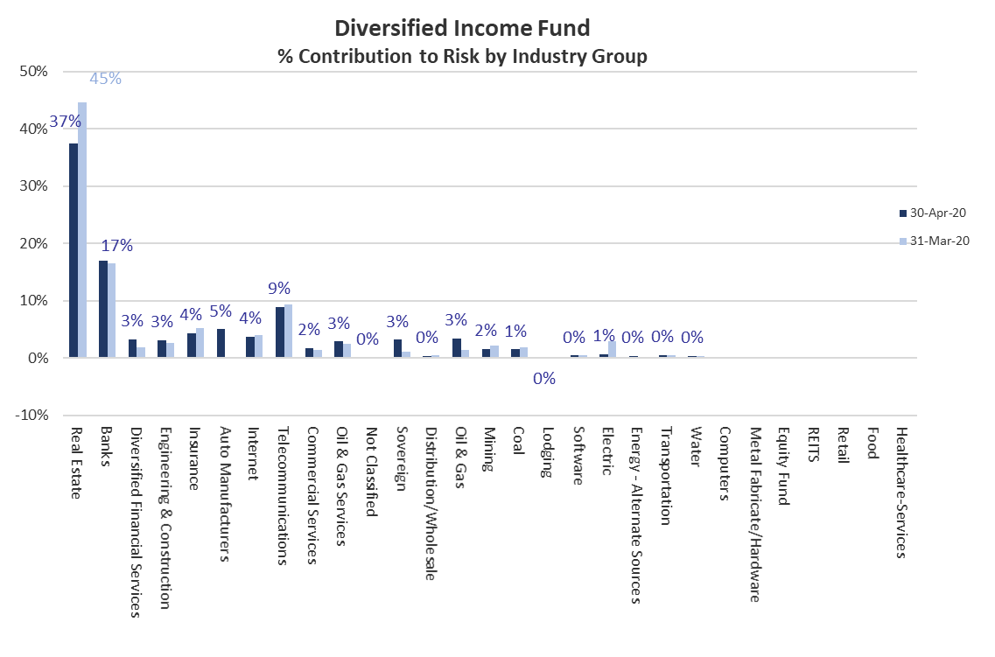

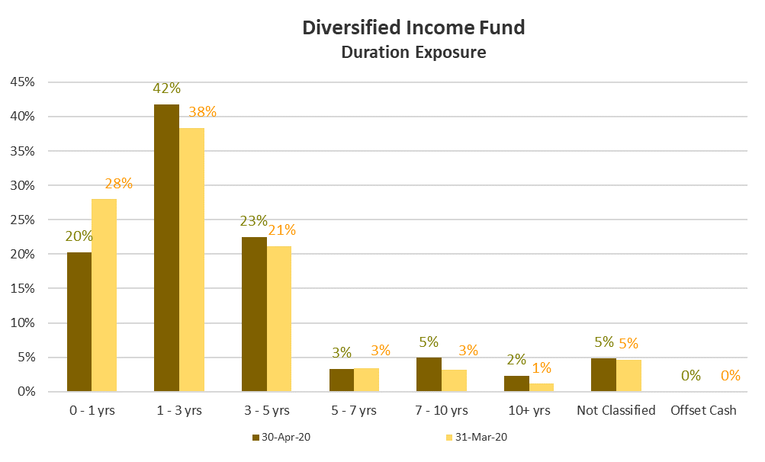
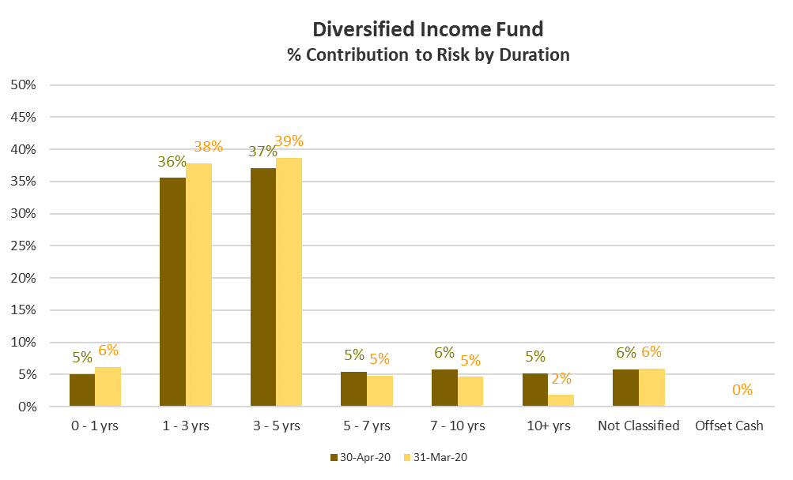

Diversified Income Fund Fixed Income - Credit Rating Allocation by Market Value (%)
 | 30-Apr-20 | 30-Mar-20
AAA | 0.0% | 0.00%
AA | 0.2% | 0.00%
A | 9.6% | 7.41%
BBB | 20.1% | 21.63%
BB | 29.1% | 27.36%
B | 30.7% | 30.42%
C | 0.0% | 0.00%
Non-Rated | 10.4% | 13.17%
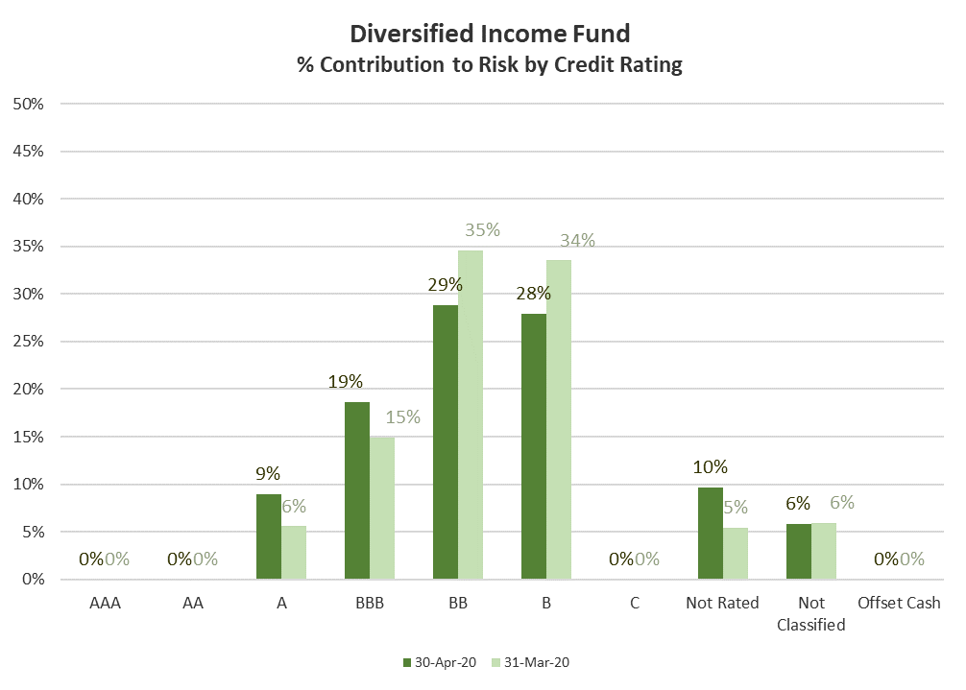

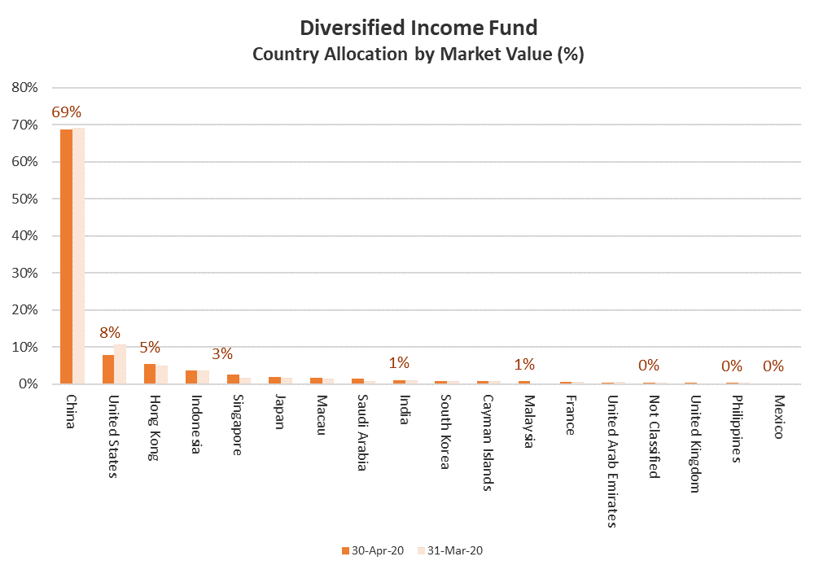
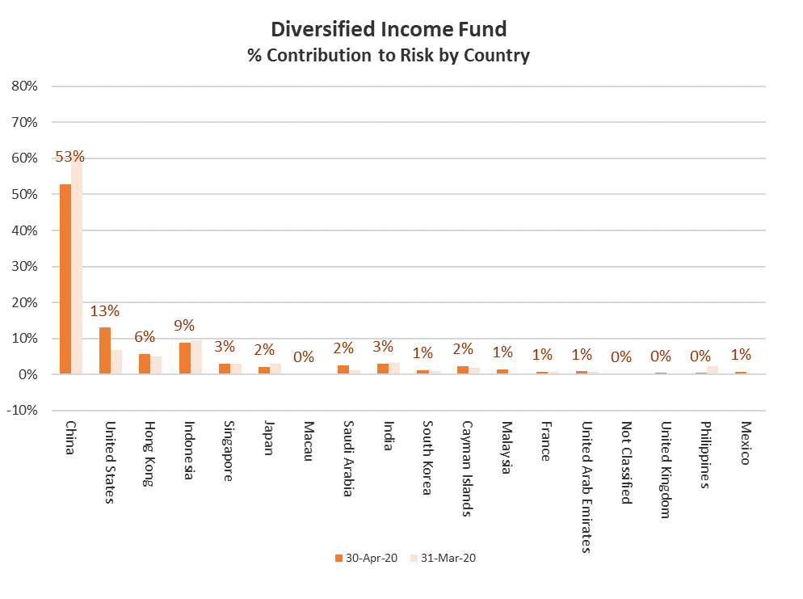

Diversified Income Fund Equity - Sector Allocation by Market Value (%)
 | Apr-20 | Mar-20
Communication Services | 17% | 15%
Consumer Discretionary | 14% | 12%
Consumer Staples | 1% | 2%
Energy | 0% | 0%
Financials | 45% | 50%
Health Care | 1% | 0%
Industrials | 5% | 5%
Information Technology | 0% | 0%
Materials | 0% | 0%
Real Estate | 2% | 2%
Utilities | 12% | 13%
Equity Fund | 3% | 0%
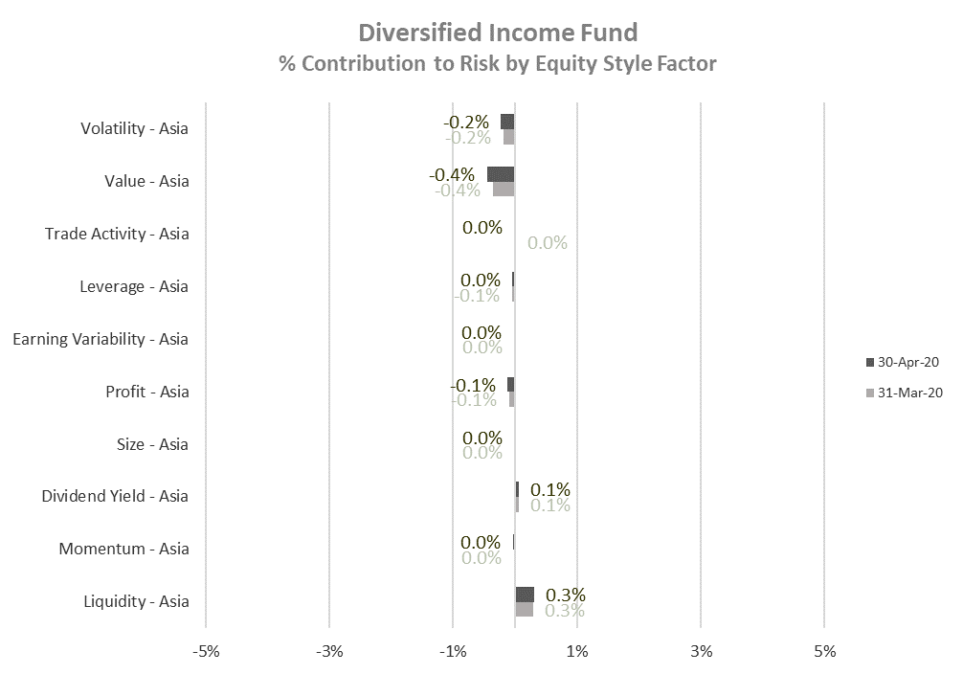

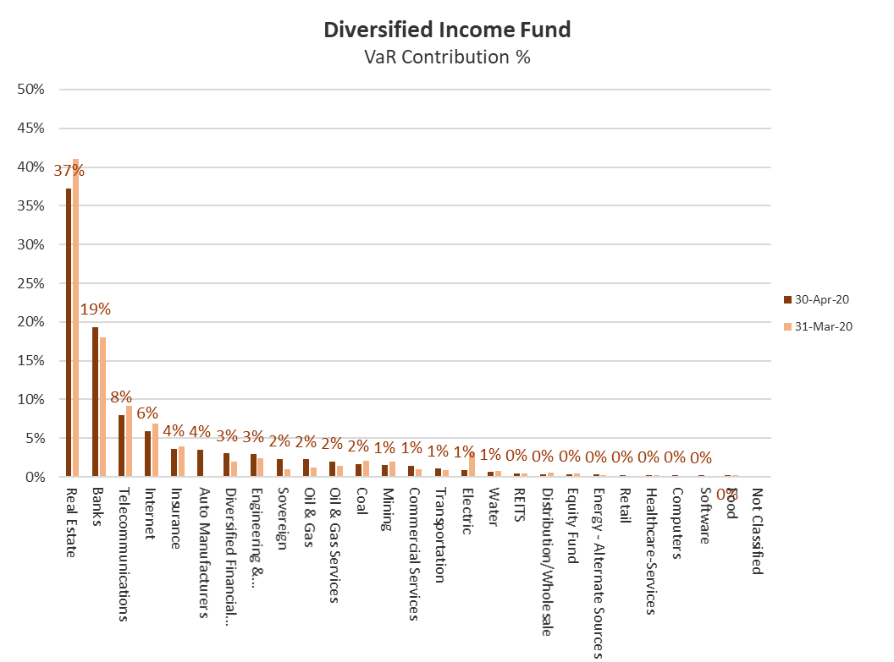
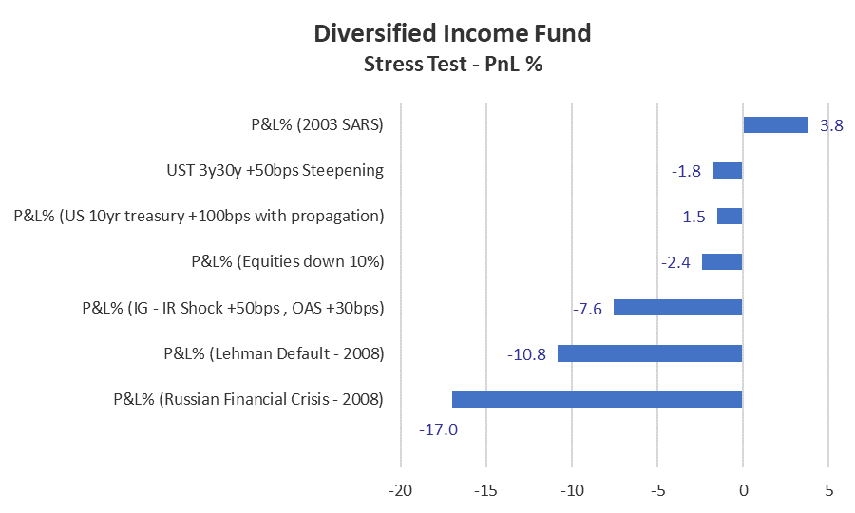
Stress Test

VaR

Industry Breakdown
Sum of Market Value (USD) | Sector
Sector | Cash | Cash Adjustments | Corporate | Equity | Government | Grand Total
Basic Materials |  |  | 8,778,796.07 |  |  | 8,778,796.07 |  | 8,778,796 | 1.76%
Cash | 55,215,854.81 |  |  |  |  | 55,215,854.81 |  | 0 | 0.00%
Cash Adjustments |  | -9,816,737.23 |  |  |  | -9,816,737.23 |  | 0 | 0.00%
Communications |  |  | 25,587,534.99 | 8,193,426.74 |  | 33,780,961.73 |  | 25,587,535 | 5.13%
Consumer, Cyclical |  |  | 12,470,448.88 |  |  | 12,470,448.88 |  | 12,470,449 | 2.50%
Energy |  |  | 25,609,771.71 |  |  | 25,609,771.71 |  | 25,609,772 | 5.13%
Financial |  |  | 374,917,389.67 | 15,407,980.65 |  | 390,325,370.31 |  | 374,917,390 | 75.15%
Industrial |  |  | 23,547,578.18 | 2,498,558.27 |  | 26,046,136.45 |  | 23,547,578 | 4.72%
Utilities |  |  | 3,253,733.75 | 3,563,900.61 |  | 6,817,634.36 |  | 3,253,734 | 0.65%
Consumer, Non-cyclical |  |  | 14,457,898.96 | 706,609.38 |  | 15,164,508.34 |  | 14,457,899 | 2.90%
Government |  |  |  |  | 1,135,818.33 | 1,135,818.33 |  | 1,135,818 | 0.23%
Funds |  |  |  | 901,214.02 |  | 901,214.02 |  | 0 | 0.00%
Technology |  |  | 9,129,400.00 |  |  | 9,129,400.00 |  | 9,129,400 | 1.83%
Grand Total | 55,215,854.81 | -9,816,737.23 | 497,752,552.20 | 31,271,689.67 | 1,135,818.33 | 575,559,177.78 |  | 498,888,371

Diversified Income Fund Fixed Income Asset Allocation by Industry Group (in USD)
SFC Sector | Corporate
SFC Industry | (All)

Industry Group | Sum of Market Value (USD) | Industry Group | 30-Apr-20 | 30-Mar-20 | Industry Group | 30-Mar-20
Real Estate | 54.09% | Real Estate | 54.09% | 56.19% | Real Estate | 56.19% | 54.09%
Banks | 12.15% | Banks | 12.15% | 11.79% | Banks | 11.79% | 12.15%
Diversified Finan Serv | 5.19% | Diversified Finan Serv | 5.19% | 4.16% | Engineering&Construction | 4.53% | 4.14%
Engineering&Construction | 4.14% | Engineering&Construction | 4.14% | 4.53% | Diversified Finan Serv | 4.16% | 5.19%
Insurance | 3.49% | Insurance | 3.49% | 3.19% | Insurance | 3.19% | 3.49%
Auto Manufacturers | 3.29% | Auto Manufacturers | 3.29% | 0.00% | Commercial Services | 2.90% | 2.62%
Telecommunications | 2.77% | Telecommunications | 2.77% | 2.90% | Telecommunications | 2.90% | 2.77%
Commercial Services | 2.62% | Commercial Services | 2.62% | 2.90% | Internet | 2.24% | 2.09%
Internet | 2.09% | Internet | 2.09% | 2.24% | Coal | 2.14% | 1.32%
Oil&Gas Services | 1.88% | Oil&Gas Services | 1.88% | 2.04% | Oil&Gas Services | 2.04% | 1.88%
Distribution/Wholesale | 1.50% | Distribution/Wholesale | 1.50% | 1.64% | Software | 1.83% | 0.78%
Oil&Gas | 1.42% | Oil&Gas | 1.42% | 0.59% | Mining | 1.76% | 1.38%
Mining | 1.38% | Mining | 1.38% | 1.76% | Distribution/Wholesale | 1.64% | 1.50%
Coal | 1.32% | Coal | 1.32% | 2.14% | Lodging | 0.85% | 0.93%
Lodging | 0.93% | Lodging | 0.93% | 0.85% | Electric | 0.65% | 0.17%
Software | 0.78% | Software | 0.78% | 1.83% | Oil&Gas | 0.59% | 1.42%
Energy-Alternate Sources | 0.40% | Energy-Alternate Sources | 0.40% | 0.37% | Energy-Alternate Sources | 0.37% | 0.40%
Computers | 0.22% | Computers | 0.22% | 0.00% | Metal Fabricate/Hardware | 0.20% | 0.19%
Metal Fabricate/Hardware | 0.19% | Metal Fabricate/Hardware | 0.19% | 0.20% | Retail | 0.01% | #N/A
Electric | 0.17% | Electric | 0.17% | 0.65% |  |  | #N/A
Aerospace/Defense | 0.00% | Aerospace/Defense | 0.00% | 0.00% |  |  | #N/A
Grand Total | 100.00%
Diversified Income Fund Fixed Income Asset Allocation by Industry Group (%)

