Break-even
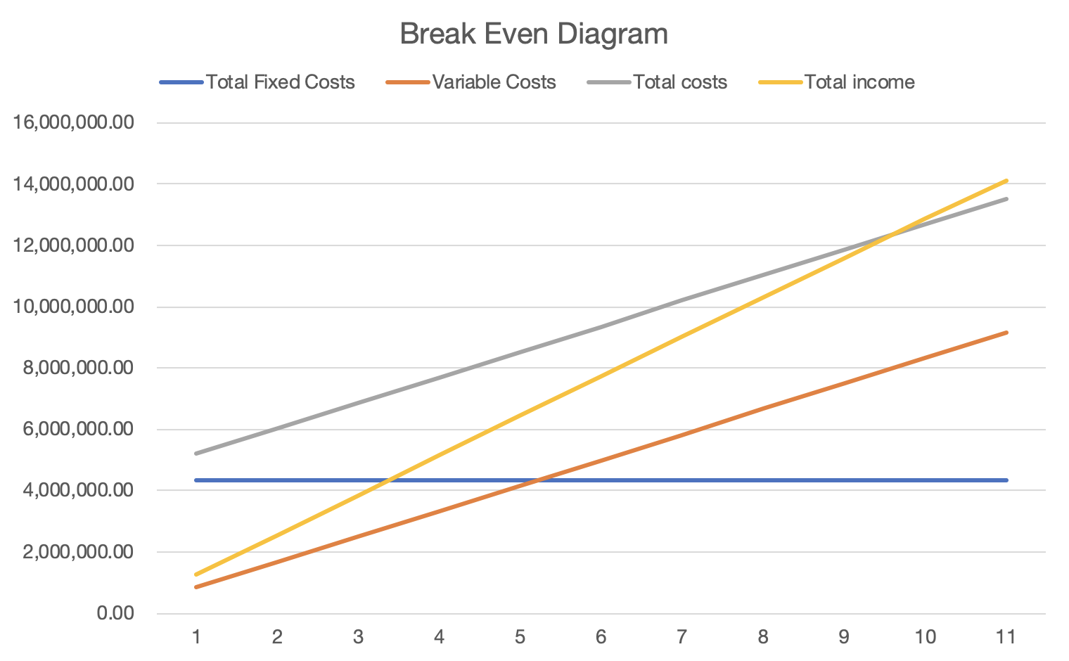
Break Even Analysis
Fixed costs
Tax | 2,027,526.51
Interest | 44,949.96
Depreciation | 45360.61
Miscellaneous expenses | 747,452.81
Rent | 1,494,905.63
Total Fixed Costs (TFC) | 4,360,195.52
Variable costs
produces costs | 16,651,908.00
sales volume | 20
Variable Costs per Unit of Production (VCUP) | 832595.4
Selling Price
Total sales of goods | 25700000
sales volume | 20
Selling Price Per Unit of Production (SUP) | 1285000
BEP = TFC/(SUP - VCUP) | 9.6378231248

NPV & IRR
Break Even Analysis |  |  |  |  | Discount rate: 9.5
 | Year0 | Year1 | Year2 | Year3 | Year4
Costs
Costs | 71,240.00 | 4,426,897.23 | 4,920,150.33 | 5,118,369.94 | 5,357,148.94
Discount factor | 1.00 | 1.00 | 0.91 | 0.83 | 0.76
Discounted costs | 71,240.00 | 4,426,897.23 | 4,493,287.97 | 4,268,776.66 | 4,080,293.12
Cummulated costs | 71,240.00 | 4,498,137.23 | 8,991,425.20 | 13,260,201.87 | 17,340,494.99
Benefits
Benefits | 0.00 | 2,391,240.00 | 7,534,397.23 | 6,314,837.83 | 6,386,249.64
Discount factor | 1.00 | 1.00 | 0.91 | 0.83 | 0.76
Discounted benefits | 0.00 | 2,391,240.00 | 6,880,728.06 | 5,266,644.01 | 4,864,111.63
Cummulated benefits | 0.00 | 2,391,240.00 | 9,271,968.06 | 14,538,612.07 | 19,402,723.70
Difference
Benefits - Costs | -71,240.00 | -2,035,657.23 | 2,614,246.90 | 1,196,467.89 | 1,029,100.70
Discounted benefits - Discounted costs | -71,240.00 | -2,035,657.23 | 2,387,440.09 | 997,867.34 | 783,818.51
Cumulative benefits - Cumulative costs | -71,240.00 | -2,106,897.23 | 280,542.86 | 1,278,410.20 | 2,062,228.72

NPV | 2,062,228.72 | Cumulative benefits - Cumulative costs
IRR | 56% | Costs = Benefits after discounting
Payback Year | Year2 | Year1(Cumulative benefits - Cumulative costs)<0
 |  | Year2(Cumulative benefits - Cumulative costs)>0

Budget
Break Even Curve

