Sheet1
Robot Mission Allocation/ Travelling Salesman Problem

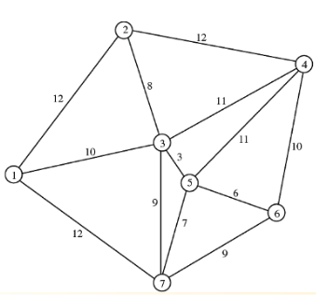

Data
 |  | 1 | 2 | 3 | 4 | 5 | 6 | 7
 | 1 | 999 | 5 | 9 | 999 | 999 | 999 | 11
 | 2 | 8 | 999 | 9 | 11 | 999 | 999 | 999
 | 3 | 6 | 7 | 999 | 13 | 5 | 999 | 7
 | 4 | 999 | 6 | 9 | 999 | 13 | 11 | 999
 | 5 | 999 | 999 | 4 | 9 | 999 | 12 | 9
 | 6 | 999 | 999 | 999 | 12 | 9 | 999 | 8
 | 7 | 11 | 999 | 7 | 999 | 8 | 12 | 999

Decision Variable |  | 2 | 4 | 6 | 7 | 5 | 3 | 1 | 2
 | cost | 11 | 11 | 8 | 8 | 4 | 6 | 5

Objective Function |  | 53

