Screenshot
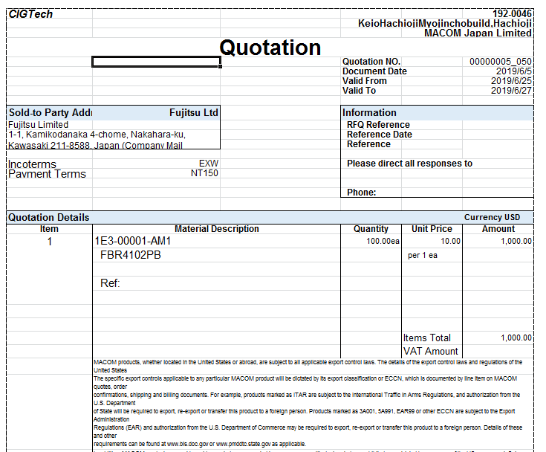
Screenshot-1
 | Original file: SalesOrderCommercialInvoice14876074.xlsx in AxReport.zip sent to you last time
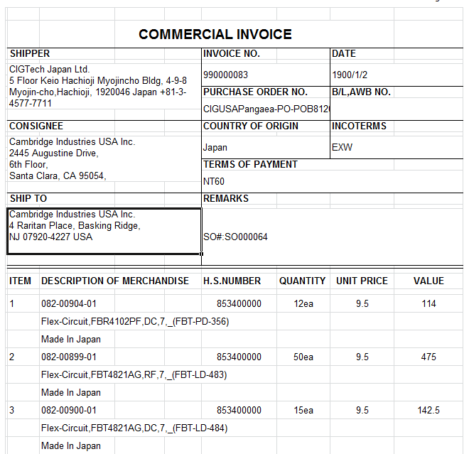

Screenshot-2
 | Original file: SalesOrderConfirmation14875123.xlsx in AxReport.zip sent to you last time

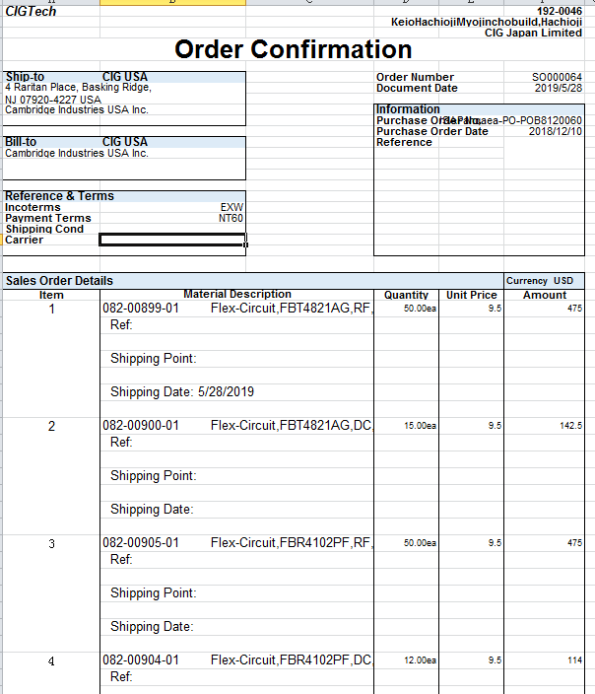

Screenshot-3
 | Original file: SalesOrderInvoice(Standard).pdf in AxReport.zip sent to you last time

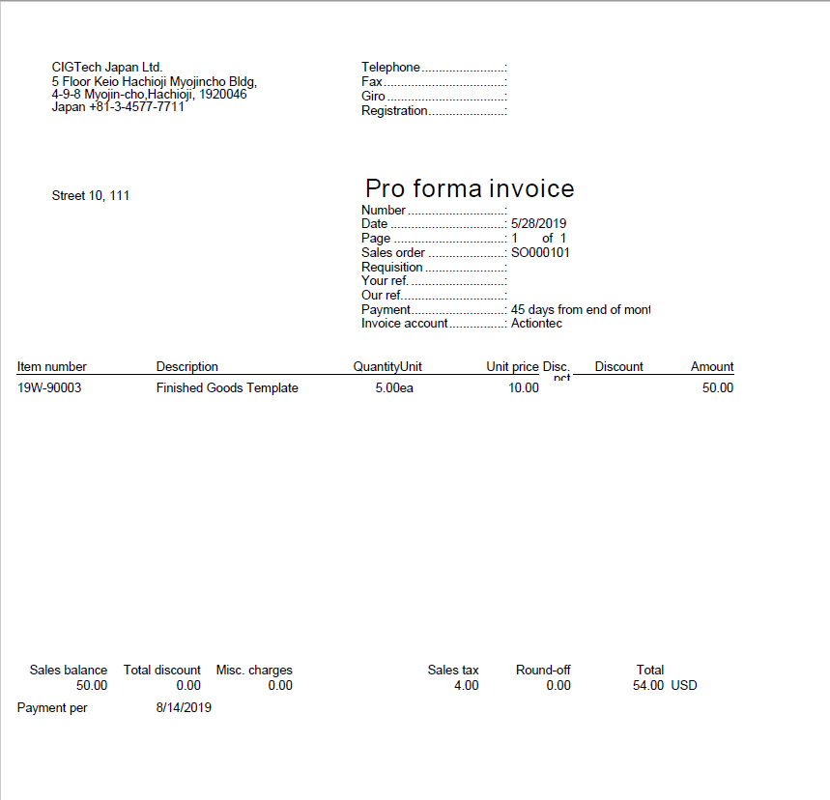

Screenshot-4
 | I am going to send this AX standard report named as Quotation15638886.xlsx for your reference in a seperate email.

