工作表 2
time | OrderSlippage | InitCash | NowCash | PortfolioValue | TotalReturn% | CAGR% | MAR | Sharp | TradesNumber | MaxDrawdown% | MarketReturn%
2018-01-01 00:00:00 —— 2019-01-01 00:00:00 | {'ETH_USDT': 1.0), 'BTC_USDT': 1.0} | 10000 | 12691.240897 | 0 | 26.912408966 | 26.168788267 | 15.697212 | 2.3169595183 | 9702 | 1.7144705847 | {'ETH_USDT':-81.53428377460964019008825526, 'BTC_USDT':-72.14789500472624154729877118}

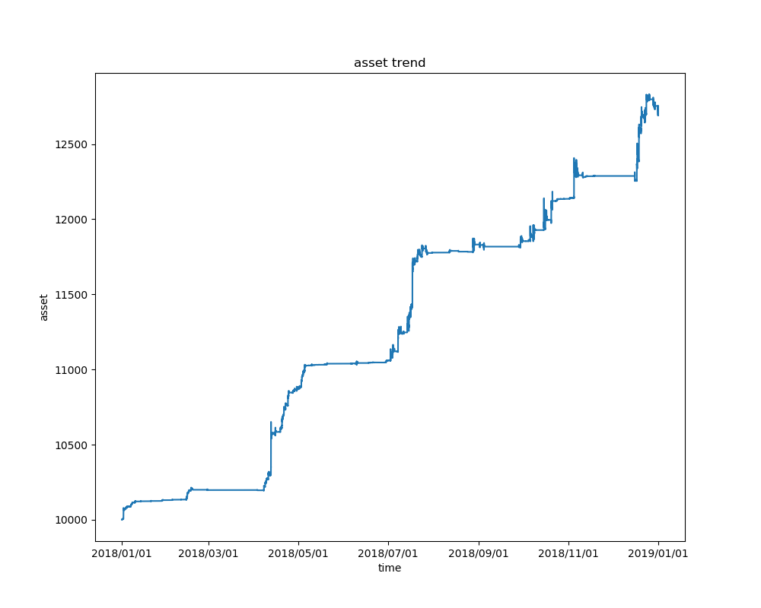

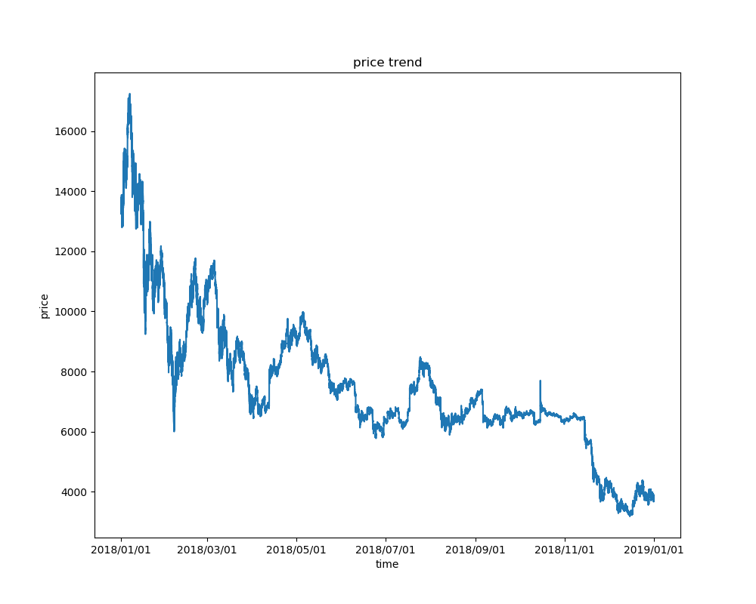
BTC_USDT

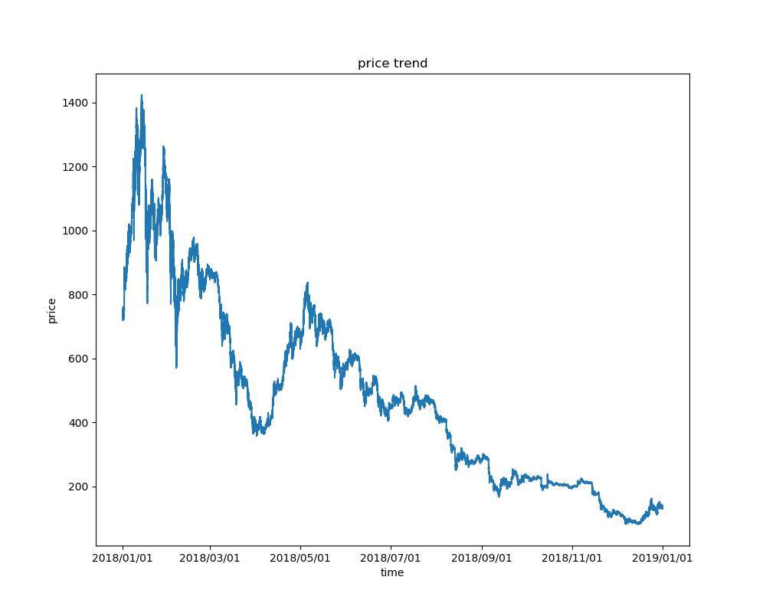

ETH_USDT

