Introduction
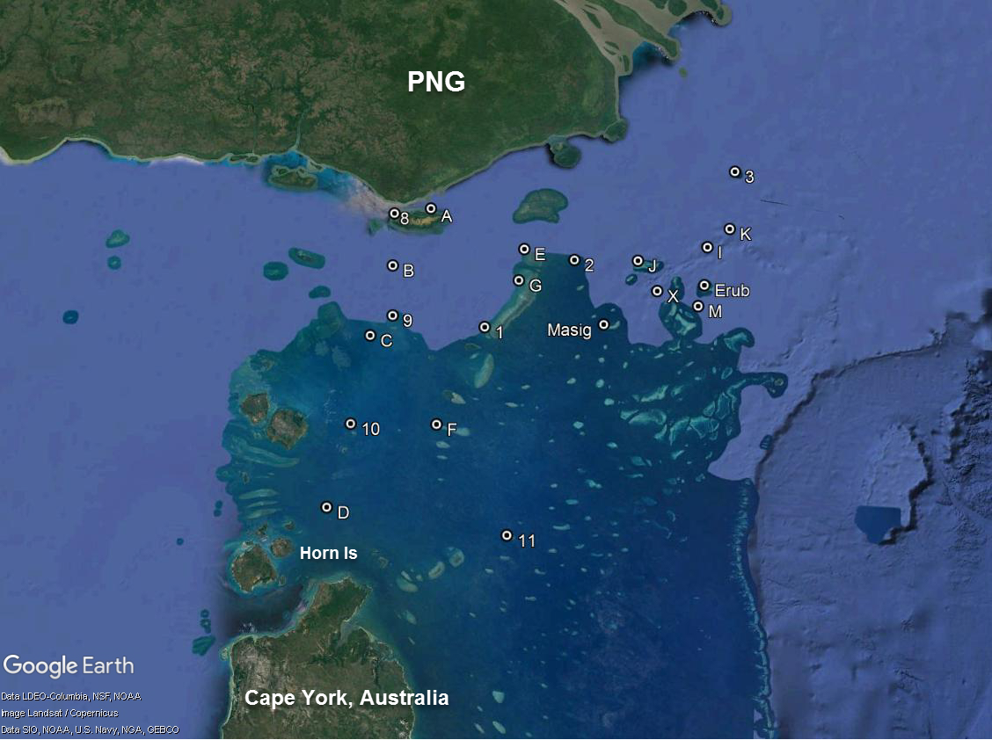
NESP Tropical water quality hub project 2.2.2: Impacts of mine-derived pollution on Torres Strait environments and communities
Data report
This spreadsheet contains data from the NESP project 2.2.2 field survey of the Torres Strait conducted in October 2016

The data report comprises the following four Excel spreadsheets:
Spreadsheet | Content
NESP data report background and phys-chem data.xlsx | Details of sampling locations, timing of sampling and physico chemical data
NESP data report water quality.xlsx | Concentrations of trace metals determined in water samples collected during the survey and quality control data | 水样中
NESP data report TSS metals.xlsx | Concentrations of particulate trace metals in suspended sediments isolated from the water samples and quality control data | 悬浮沉积物
NESP data report benthic sediment metals.xlsx | Concentrations of particulate trace metals in benthic sediments (cores and grab samples) and quality control data | 底细沉积物
Sampling locations are shown in the map below:

