Sheet1
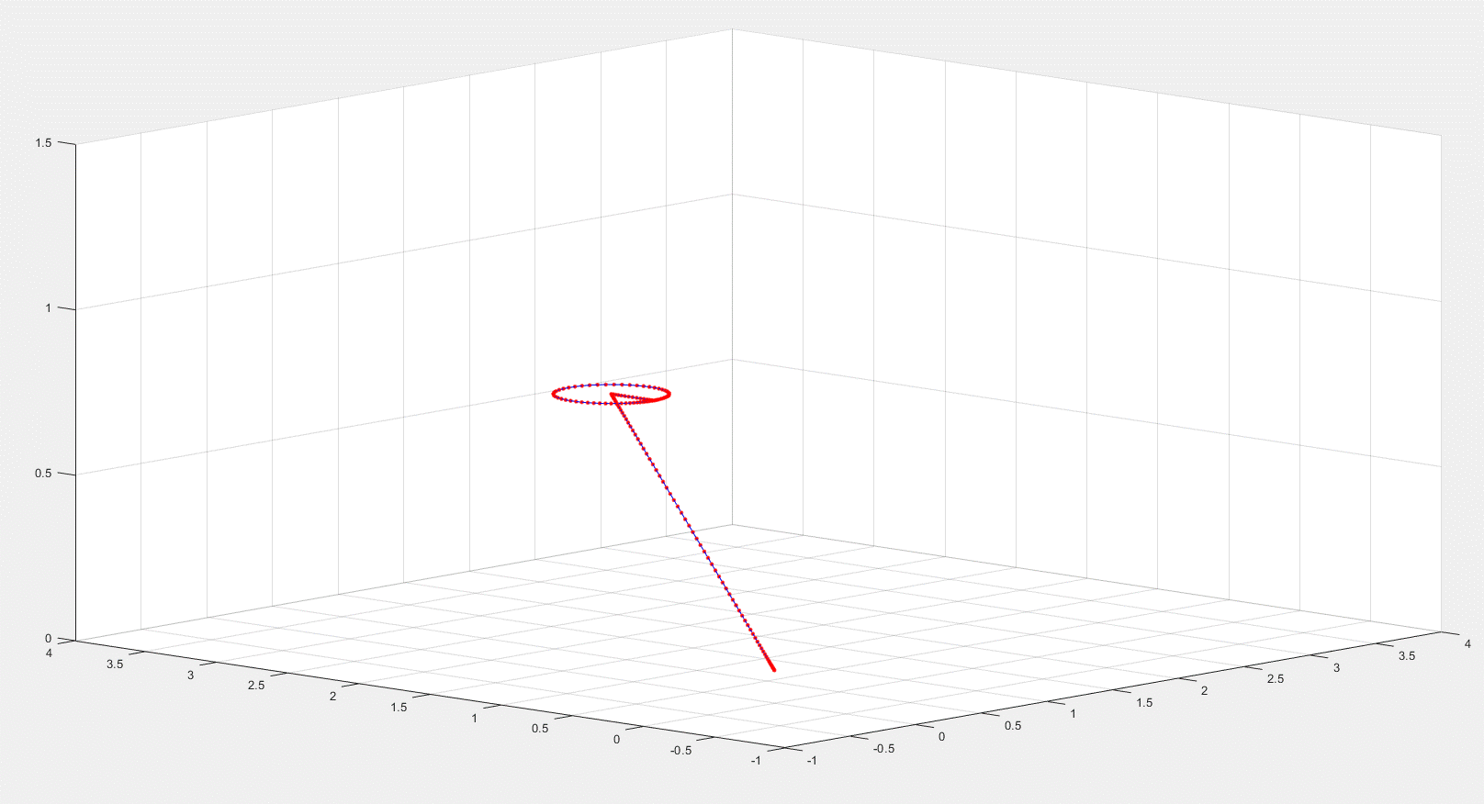
0.0000 | 0.0000 | 0.0003 | 0.0010 | 0.0023 | 0.0044 | 0.0075 | 0.0117 | 0.0171 | 0.0239 | 0.0321 | 0.0419 | 0.0532 | 0.0663 | 0.0810 | 0.0975 | 0.1158 | 0.1359 | 0.1578 | 0.1815 | 0.2070 | 0.2343 | 0.2632 | 0.2939 | 0.3262 | 0.3600 | 0.3954 | 0.4322 | 0.4703 | 0.5098 | 0.5504 | 0.5921 | 0.6349 | 0.6785 | 0.7229 | 0.7681 | 0.8137 | 0.8599 | 0.9064 | 0.9531 | 1.0000 | 1.0469 | 1.0936 | 1.1401 | 1.1863 | 1.2319 | 1.2771 | 1.3215 | 1.3651 | 1.4079 | 1.4496 | 1.4902 | 1.5297 | 1.5678 | 1.6046 | 1.6400 | 1.6738 | 1.7061 | 1.7368 | 1.7657 | 1.7930 | 1.8185 | 1.8422 | 1.8641 | 1.8842 | 1.9025 | 1.9190 | 1.9337 | 1.9468 | 1.9581 | 1.9679 | 1.9761 | 1.9829 | 1.9883 | 1.9925 | 1.9956 | 1.9977 | 1.9990 | 1.9997 | 2.0000 | 2.0000
0.0000 | 0.0001 | 0.0005 | 0.0015 | 0.0035 | 0.0067 | 0.0113 | 0.0176 | 0.0257 | 0.0358 | 0.0482 | 0.0628 | 0.0798 | 0.0994 | 0.1215 | 0.1463 | 0.1738 | 0.2039 | 0.2368 | 0.2723 | 0.3105 | 0.3514 | 0.3949 | 0.4408 | 0.4892 | 0.5400 | 0.5931 | 0.6483 | 0.7055 | 0.7647 | 0.8256 | 0.8882 | 0.9523 | 1.0178 | 1.0844 | 1.1521 | 1.2206 | 1.2899 | 1.3596 | 1.4297 | 1.5000 | 1.5703 | 1.6404 | 1.7101 | 1.7794 | 1.8479 | 1.9156 | 1.9822 | 2.0477 | 2.1118 | 2.1744 | 2.2353 | 2.2945 | 2.3517 | 2.4069 | 2.4600 | 2.5108 | 2.5592 | 2.6051 | 2.6486 | 2.6895 | 2.7277 | 2.7632 | 2.7961 | 2.8262 | 2.8537 | 2.8785 | 2.9006 | 2.9202 | 2.9372 | 2.9518 | 2.9642 | 2.9743 | 2.9824 | 2.9887 | 2.9933 | 2.9965 | 2.9985 | 2.9995 | 2.9999 | 3.0000
0.1000 | 0.1000 | 0.1001 | 0.1002 | 0.1006 | 0.1011 | 0.1019 | 0.1029 | 0.1043 | 0.1060 | 0.1080 | 0.1105 | 0.1133 | 0.1166 | 0.1203 | 0.1244 | 0.1290 | 0.1340 | 0.1395 | 0.1454 | 0.1518 | 0.1586 | 0.1658 | 0.1735 | 0.1815 | 0.1900 | 0.1988 | 0.2080 | 0.2176 | 0.2274 | 0.2376 | 0.2480 | 0.2587 | 0.2696 | 0.2807 | 0.2920 | 0.3034 | 0.3150 | 0.3266 | 0.3383 | 0.3500 | 0.3617 | 0.3734 | 0.3850 | 0.3966 | 0.4080 | 0.4193 | 0.4304 | 0.4413 | 0.4520 | 0.4624 | 0.4726 | 0.4824 | 0.4920 | 0.5012 | 0.5100 | 0.5185 | 0.5265 | 0.5342 | 0.5414 | 0.5482 | 0.5546 | 0.5605 | 0.5660 | 0.5710 | 0.5756 | 0.5797 | 0.5834 | 0.5867 | 0.5895 | 0.5920 | 0.5940 | 0.5957 | 0.5971 | 0.5981 | 0.5989 | 0.5994 | 0.5998 | 0.5999 | 0.6000 | 0.6000
0.0000 | 0.0000 | 0.0003 | 0.0010 | 0.0023 | 0.0044 | 0.0075 | 0.0117 | 0.0171 | 0.0239 | 0.0321 | 0.0419 | 0.0532 | 0.0663 | 0.0810 | 0.0975 | 0.1158 | 0.1359 | 0.1578 | 0.1815 | 0.2070 | 0.2343 | 0.2632 | 0.2939 | 0.3262 | 0.3600 | 0.3954 | 0.4322 | 0.4703 | 0.5098 | 0.5504 | 0.5921 | 0.6349 | 0.6785 | 0.7229 | 0.7681 | 0.8137 | 0.8599 | 0.9064 | 0.9531 | 1.0000 | 1.0469 | 1.0936 | 1.1401 | 1.1863 | 1.2319 | 1.2771 | 1.3215 | 1.3651 | 1.4079 | 1.4496 | 1.4902 | 1.5297 | 1.5678 | 1.6046 | 1.6400 | 1.6738 | 1.7061 | 1.7368 | 1.7657 | 1.7930 | 1.8185 | 1.8422 | 1.8641 | 1.8842 | 1.9025 | 1.9190 | 1.9337 | 1.9468 | 1.9581 | 1.9679 | 1.9761 | 1.9829 | 1.9883 | 1.9925 | 1.9956 | 1.9977 | 1.9990 | 1.9997 | 2.0000 | 2.0000
0.0000 | 0.0001 | 0.0005 | 0.0015 | 0.0035 | 0.0067 | 0.0113 | 0.0176 | 0.0257 | 0.0358 | 0.0482 | 0.0628 | 0.0798 | 0.0994 | 0.1215 | 0.1463 | 0.1738 | 0.2039 | 0.2368 | 0.2723 | 0.3105 | 0.3514 | 0.3949 | 0.4408 | 0.4892 | 0.5400 | 0.5931 | 0.6483 | 0.7055 | 0.7647 | 0.8256 | 0.8882 | 0.9523 | 1.0178 | 1.0844 | 1.1521 | 1.2206 | 1.2899 | 1.3596 | 1.4297 | 1.5000 | 1.5703 | 1.6404 | 1.7101 | 1.7794 | 1.8479 | 1.9156 | 1.9822 | 2.0477 | 2.1118 | 2.1744 | 2.2353 | 2.2945 | 2.3517 | 2.4069 | 2.4600 | 2.5108 | 2.5592 | 2.6051 | 2.6486 | 2.6895 | 2.7277 | 2.7632 | 2.7961 | 2.8262 | 2.8537 | 2.8785 | 2.9006 | 2.9202 | 2.9372 | 2.9518 | 2.9642 | 2.9743 | 2.9824 | 2.9887 | 2.9933 | 2.9965 | 2.9985 | 2.9995 | 2.9999 | 3.0000
0.1000 | 0.1000 | 0.1001 | 0.1002 | 0.1006 | 0.1011 | 0.1019 | 0.1029 | 0.1043 | 0.1060 | 0.1080 | 0.1105 | 0.1133 | 0.1166 | 0.1203 | 0.1244 | 0.1290 | 0.1340 | 0.1395 | 0.1454 | 0.1518 | 0.1586 | 0.1658 | 0.1735 | 0.1815 | 0.1900 | 0.1988 | 0.2080 | 0.2176 | 0.2274 | 0.2376 | 0.2480 | 0.2587 | 0.2696 | 0.2807 | 0.2920 | 0.3034 | 0.3150 | 0.3266 | 0.3383 | 0.3500 | 0.3617 | 0.3734 | 0.3850 | 0.3966 | 0.4080 | 0.4193 | 0.4304 | 0.4413 | 0.4520 | 0.4624 | 0.4726 | 0.4824 | 0.4920 | 0.5012 | 0.5100 | 0.5185 | 0.5265 | 0.5342 | 0.5414 | 0.5482 | 0.5546 | 0.5605 | 0.5660 | 0.5710 | 0.5756 | 0.5797 | 0.5834 | 0.5867 | 0.5895 | 0.5920 | 0.5940 | 0.5957 | 0.5971 | 0.5981 | 0.5989 | 0.5994 | 0.5998 | 0.5999 | 0.6000 | 0.6000
0.0000 | 0.0000 | 0.0000 | 0.0000 | 0.0000 | 0.0000 | 0.0000 | 0.0000 | 0.0000 | 0.0000 | 0.0000 | 0.0000 | 0.0000 | 0.0000 | 0.0000 | 0.0000 | 0.0000 | 0.0000 | 0.0000 | 0.0000 | 0.0000 | 0.0000 | 0.0000 | 0.0000 | 0.0000 | 0.0000 | 0.0000 | 0.0000 | 0.0000 | 0.0000 | 0.0000 | 0.0000 | 0.0000 | 0.0000 | 0.0000 | 0.0000 | 0.0000 | 0.0000 | 0.0000 | 0.0000 | 0.0000 | 0.0000 | 0.0000 | 0.0000 | 0.0000 | 0.0000 | 0.0000 | 0.0000 | 0.0000 | 0.0000 | 0.0000 | 0.0000 | 0.0000 | 0.0000 | 0.0000 | 0.0000 | 0.0000 | 0.0000 | 0.0000 | 0.0000 | 0.0000 | 0.0000 | 0.0000 | 0.0000 | 0.0000 | 0.0000 | 0.0000 | 0.0000 | 0.0000 | 0.0000 | 0.0000 | 0.0000 | 0.0000 | 0.0000 | 0.0000 | 0.0000 | 0.0000 | 0.0000 | 0.0000 | 0.0000 | 0.0000
0.0000 | 0.0000 | 0.0000 | 0.0000 | 0.0000 | 0.0000 | 0.0000 | 0.0000 | 0.0000 | 0.0000 | 0.0000 | 0.0000 | 0.0000 | 0.0000 | 0.0000 | 0.0000 | 0.0000 | 0.0000 | 0.0000 | 0.0000 | 0.0000 | 0.0000 | 0.0000 | 0.0000 | 0.0000 | 0.0000 | 0.0000 | 0.0000 | 0.0000 | 0.0000 | 0.0000 | 0.0000 | 0.0000 | 0.0000 | 0.0000 | 0.0000 | 0.0000 | 0.0000 | 0.0000 | 0.0000 | 0.0000 | 0.0000 | 0.0000 | 0.0000 | 0.0000 | 0.0000 | 0.0000 | 0.0000 | 0.0000 | 0.0000 | 0.0000 | 0.0000 | 0.0000 | 0.0000 | 0.0000 | 0.0000 | 0.0000 | 0.0000 | 0.0000 | 0.0000 | 0.0000 | 0.0000 | 0.0000 | 0.0000 | 0.0000 | 0.0000 | 0.0000 | 0.0000 | 0.0000 | 0.0000 | 0.0000 | 0.0000 | 0.0000 | 0.0000 | 0.0000 | 0.0000 | 0.0000 | 0.0000 | 0.0000 | 0.0000 | 0.0000
0.0000 | 0.0000 | 0.0000 | 0.0000 | 0.0000 | 0.0000 | 0.0000 | 0.0000 | 0.0000 | 0.0000 | 0.0000 | 0.0000 | 0.0000 | 0.0000 | 0.0000 | 0.0000 | 0.0000 | 0.0000 | 0.0000 | 0.0000 | 0.0000 | 0.0000 | 0.0000 | 0.0000 | 0.0000 | 0.0000 | 0.0000 | 0.0000 | 0.0000 | 0.0000 | 0.0000 | 0.0000 | 0.0000 | 0.0000 | 0.0000 | 0.0000 | 0.0000 | 0.0000 | 0.0000 | 0.0000 | 0.0000 | 0.0000 | 0.0000 | 0.0000 | 0.0000 | 0.0000 | 0.0000 | 0.0000 | 0.0000 | 0.0000 | 0.0000 | 0.0000 | 0.0000 | 0.0000 | 0.0001 | 0.0000 | 0.0000 | 0.0000 | 0.0001 | 0.0000 | 0.0000 | 0.0000 | 0.0000 | 0.0000 | 0.0000 | 0.0000 | 0.0000 | 0.0000 | 0.0000 | 0.0000 | 0.0000 | 0.0000 | 0.0000 | 0.0000 | 0.0000 | 0.0000 | 0.0000 | 0.0000 | 0.0000 | 0.0000 | 0.0000
...
2.7000 | 2.7000 | 2.7000 | 2.7000 | 2.7000 | 2.7000 | 2.7001 | 2.7002 | 2.7004 | 2.7008 | 2.7015 | 2.7026 | 2.7042 | 2.7065 | 2.7097 | 2.7140 | 2.7196 | 2.7269 | 2.7361 | 2.7475 | 2.7612 | 2.7776 | 2.7969 | 2.8190 | 2.8442
0.6000 | 0.6000 | 0.6000 | 0.6000 | 0.6000 | 0.6000 | 0.6000 | 0.6000 | 0.6000 | 0.6000 | 0.6000 | 0.6000 | 0.6000 | 0.6000 | 0.6000 | 0.6000 | 0.6000 | 0.6000 | 0.6000 | 0.6000 | 0.6000 | 0.6000 | 0.6000 | 0.6000 | 0.6000
2.0000 | 2.0000 | 2.0003 | 2.0009 | 2.0022 | 2.0042 | 2.0071 | 2.0110 | 2.0161 | 2.0225 | 2.0302 | 2.0393 | 2.0499 | 2.0620 | 2.0755 | 2.0905 | 2.1068 | 2.1243 | 2.1427 | 2.1620 | 2.1817 | 2.2014 | 2.2208 | 2.2393 | 2.2564
2.7000 | 2.7000 | 2.7000 | 2.7000 | 2.7000 | 2.7000 | 2.7001 | 2.7002 | 2.7004 | 2.7008 | 2.7015 | 2.7026 | 2.7042 | 2.7065 | 2.7097 | 2.7140 | 2.7196 | 2.7269 | 2.7361 | 2.7475 | 2.7612 | 2.7776 | 2.7969 | 2.8190 | 2.8442
0.6000 | 0.6000 | 0.6000 | 0.6000 | 0.6000 | 0.6000 | 0.6000 | 0.6000 | 0.6000 | 0.6000 | 0.6000 | 0.6000 | 0.6000 | 0.6000 | 0.6000 | 0.6000 | 0.6000 | 0.6000 | 0.6000 | 0.6000 | 0.6000 | 0.6000 | 0.6000 | 0.6000 | 0.6000
0.0000 | 0.0000 | 0.0000 | 0.0000 | 0.0000 | 0.0000 | 0.0000 | 0.0000 | 0.0000 | 0.0000 | 0.0000 | 0.0000 | 0.0000 | 0.0000 | 0.0000 | 0.0000 | 0.0000 | 0.0000 | 0.0000 | 0.0000 | 0.0000 | 0.0000 | 0.0000 | 0.0000 | 0.0000
0.0000 | 0.0000 | 0.0000 | 0.0000 | 0.0000 | 0.0000 | 0.0000 | 0.0000 | 0.0000 | 0.0000 | 0.0000 | 0.0000 | 0.0000 | 0.0000 | 0.0000 | 0.0000 | 0.0000 | 0.0000 | 0.0000 | 0.0000 | 0.0000 | 0.0000 | 0.0000 | 0.0000 | 0.0000
0.0000 | 0.0000 | 0.0000 | 0.0000 | 0.0000 | 0.0000 | 0.0000 | 0.0000 | 0.0000 | 0.0000 | 0.0000 | 0.0000 | 0.0000 | 0.0000 | 0.0000 | 0.0000 | 0.0000 | 0.0000 | 0.0000 | 0.0000 | 0.0000 | 0.0000 | 0.0000 | 0.0000 | 0.0000

