Sheet1
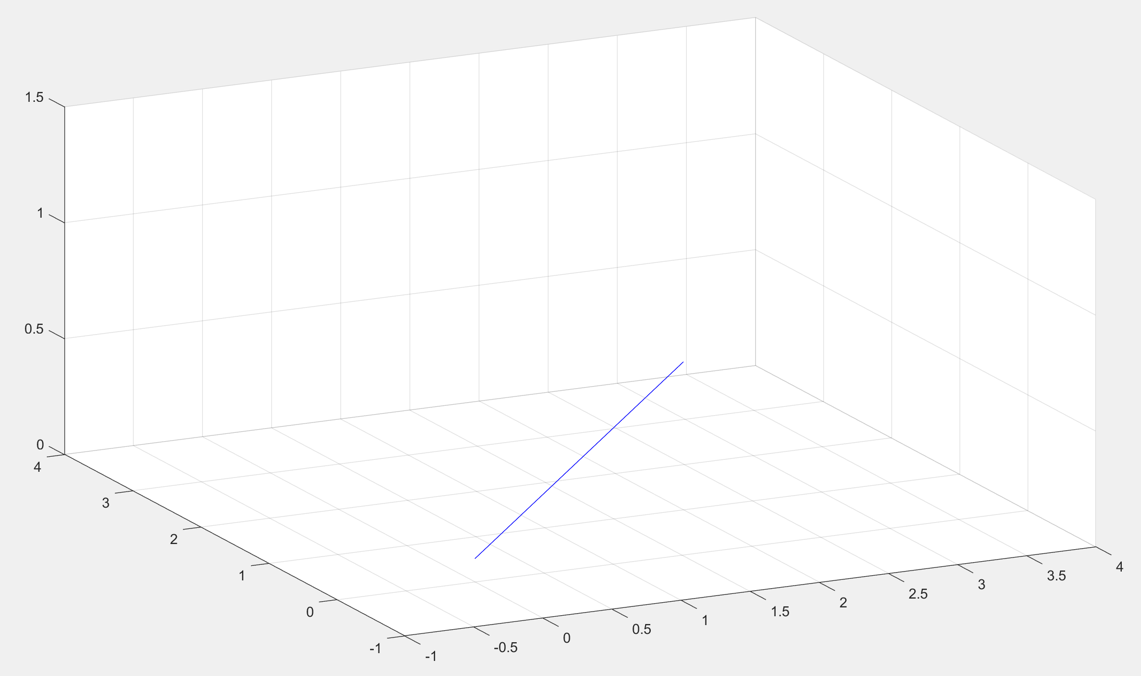
0.0000 | 0.0000 | 0.0002 | 0.0005 | 0.0013 | 0.0024 | 0.0041 | 0.0065 | 0.0095 | 0.0133 | 0.0180 | 0.0235 | 0.0301 | 0.0376 | 0.0462 | 0.0559 | 0.0667 | 0.0787 | 0.0918 | 0.1061 | 0.1216 | 0.1384 | 0.1563 | 0.1755 | 0.1958 | 0.2174 | 0.2401 | 0.2640 | 0.2891 | 0.3152 | 0.3425 | 0.3708 | 0.4001 | 0.4304 | 0.4617 | 0.4939 | 0.5269 | 0.5607 | 0.5953 | 0.6306 | 0.6666 | 0.7032 | 0.7403 | 0.7780 | 0.8160 | 0.8544 | 0.8932 | 0.9322 | 0.9713 | 1.0106 | 1.0500 | 1.0894 | 1.1287 | 1.1678 | 1.2068 | 1.2456 | 1.2840 | 1.3220 | 1.3597 | 1.3968 | 1.4334 | 1.4694 | 1.5047 | 1.5393 | 1.5731 | 1.6061 | 1.6383 | 1.6696 | 1.6999 | 1.7292 | 1.7575 | 1.7848 | 1.8109 | 1.8360 | 1.8599 | 1.8826 | 1.9042 | 1.9245 | 1.9437 | 1.9616 | 1.9784 | 1.9939 | 2.0082 | 2.0213 | 2.0333 | 2.0441 | 2.0538 | 2.0624 | 2.0699 | 2.0765 | 2.0820 | 2.0867 | 2.0905 | 2.0935 | 2.0959 | 2.0976 | 2.0987 | 2.0995 | 2.0998 | 2.1000 | 2.1000
0.0000 | 0.0000 | 0.0001 | 0.0003 | 0.0007 | 0.0014 | 0.0024 | 0.0037 | 0.0054 | 0.0076 | 0.0103 | 0.0135 | 0.0172 | 0.0215 | 0.0264 | 0.0319 | 0.0381 | 0.0449 | 0.0524 | 0.0606 | 0.0695 | 0.0791 | 0.0893 | 0.1003 | 0.1119 | 0.1242 | 0.1372 | 0.1509 | 0.1652 | 0.1801 | 0.1957 | 0.2119 | 0.2286 | 0.2460 | 0.2638 | 0.2822 | 0.3011 | 0.3204 | 0.3402 | 0.3604 | 0.3809 | 0.4018 | 0.4230 | 0.4445 | 0.4663 | 0.4882 | 0.5104 | 0.5327 | 0.5550 | 0.5775 | 0.6000 | 0.6225 | 0.6450 | 0.6673 | 0.6896 | 0.7118 | 0.7337 | 0.7555 | 0.7770 | 0.7982 | 0.8191 | 0.8396 | 0.8598 | 0.8796 | 0.8989 | 0.9178 | 0.9362 | 0.9540 | 0.9714 | 0.9881 | 1.0043 | 1.0199 | 1.0348 | 1.0491 | 1.0628 | 1.0758 | 1.0881 | 1.0997 | 1.1107 | 1.1209 | 1.1305 | 1.1394 | 1.1476 | 1.1551 | 1.1619 | 1.1681 | 1.1736 | 1.1785 | 1.1828 | 1.1865 | 1.1897 | 1.1924 | 1.1946 | 1.1963 | 1.1976 | 1.1986 | 1.1993 | 1.1997 | 1.1999 | 1.2000 | 1.2000
0.1000 | 0.1000 | 0.1000 | 0.1001 | 0.1003 | 0.1006 | 0.1010 | 0.1015 | 0.1023 | 0.1032 | 0.1043 | 0.1056 | 0.1072 | 0.1090 | 0.1110 | 0.1133 | 0.1159 | 0.1187 | 0.1219 | 0.1253 | 0.1290 | 0.1329 | 0.1372 | 0.1418 | 0.1466 | 0.1518 | 0.1572 | 0.1629 | 0.1688 | 0.1751 | 0.1815 | 0.1883 | 0.1953 | 0.2025 | 0.2099 | 0.2176 | 0.2254 | 0.2335 | 0.2417 | 0.2502 | 0.2587 | 0.2674 | 0.2763 | 0.2852 | 0.2943 | 0.3034 | 0.3127 | 0.3219 | 0.3313 | 0.3406 | 0.3500 | 0.3594 | 0.3687 | 0.3781 | 0.3873 | 0.3966 | 0.4057 | 0.4148 | 0.4237 | 0.4326 | 0.4413 | 0.4498 | 0.4583 | 0.4665 | 0.4746 | 0.4824 | 0.4901 | 0.4975 | 0.5047 | 0.5117 | 0.5185 | 0.5249 | 0.5312 | 0.5371 | 0.5428 | 0.5482 | 0.5534 | 0.5582 | 0.5628 | 0.5671 | 0.5710 | 0.5747 | 0.5781 | 0.5813 | 0.5841 | 0.5867 | 0.5890 | 0.5910 | 0.5928 | 0.5944 | 0.5957 | 0.5968 | 0.5977 | 0.5985 | 0.5990 | 0.5994 | 0.5997 | 0.5999 | 0.6000 | 0.6000 | 0.6000
0.0000 | 0.0000 | 0.0002 | 0.0005 | 0.0013 | 0.0024 | 0.0041 | 0.0065 | 0.0095 | 0.0133 | 0.0180 | 0.0235 | 0.0301 | 0.0376 | 0.0462 | 0.0559 | 0.0667 | 0.0787 | 0.0918 | 0.1061 | 0.1216 | 0.1384 | 0.1563 | 0.1755 | 0.1958 | 0.2174 | 0.2401 | 0.2640 | 0.2891 | 0.3152 | 0.3425 | 0.3708 | 0.4001 | 0.4304 | 0.4617 | 0.4939 | 0.5269 | 0.5607 | 0.5953 | 0.6306 | 0.6666 | 0.7032 | 0.7403 | 0.7780 | 0.8160 | 0.8544 | 0.8932 | 0.9322 | 0.9713 | 1.0106 | 1.0500 | 1.0894 | 1.1287 | 1.1678 | 1.2068 | 1.2456 | 1.2840 | 1.3220 | 1.3597 | 1.3968 | 1.4334 | 1.4694 | 1.5047 | 1.5393 | 1.5731 | 1.6061 | 1.6383 | 1.6696 | 1.6999 | 1.7292 | 1.7575 | 1.7848 | 1.8109 | 1.8360 | 1.8599 | 1.8826 | 1.9042 | 1.9245 | 1.9437 | 1.9616 | 1.9784 | 1.9939 | 2.0082 | 2.0213 | 2.0333 | 2.0441 | 2.0538 | 2.0624 | 2.0699 | 2.0765 | 2.0820 | 2.0867 | 2.0905 | 2.0935 | 2.0959 | 2.0976 | 2.0987 | 2.0995 | 2.0998 | 2.1000 | 2.1000
0.0000 | 0.0000 | 0.0001 | 0.0003 | 0.0007 | 0.0014 | 0.0024 | 0.0037 | 0.0054 | 0.0076 | 0.0103 | 0.0135 | 0.0172 | 0.0215 | 0.0264 | 0.0319 | 0.0381 | 0.0449 | 0.0524 | 0.0606 | 0.0695 | 0.0791 | 0.0893 | 0.1003 | 0.1119 | 0.1242 | 0.1372 | 0.1509 | 0.1652 | 0.1801 | 0.1957 | 0.2119 | 0.2286 | 0.2460 | 0.2638 | 0.2822 | 0.3011 | 0.3204 | 0.3402 | 0.3604 | 0.3809 | 0.4018 | 0.4230 | 0.4445 | 0.4663 | 0.4882 | 0.5104 | 0.5327 | 0.5550 | 0.5775 | 0.6000 | 0.6225 | 0.6450 | 0.6673 | 0.6896 | 0.7118 | 0.7337 | 0.7555 | 0.7770 | 0.7982 | 0.8191 | 0.8396 | 0.8598 | 0.8796 | 0.8989 | 0.9178 | 0.9362 | 0.9540 | 0.9714 | 0.9881 | 1.0043 | 1.0199 | 1.0348 | 1.0491 | 1.0628 | 1.0758 | 1.0881 | 1.0997 | 1.1107 | 1.1209 | 1.1305 | 1.1394 | 1.1476 | 1.1551 | 1.1619 | 1.1681 | 1.1736 | 1.1785 | 1.1828 | 1.1865 | 1.1897 | 1.1924 | 1.1946 | 1.1963 | 1.1976 | 1.1986 | 1.1993 | 1.1997 | 1.1999 | 1.2000 | 1.2000
0.1000 | 0.1000 | 0.1000 | 0.1001 | 0.1003 | 0.1006 | 0.1010 | 0.1015 | 0.1023 | 0.1032 | 0.1043 | 0.1056 | 0.1072 | 0.1090 | 0.1110 | 0.1133 | 0.1159 | 0.1187 | 0.1219 | 0.1253 | 0.1290 | 0.1329 | 0.1372 | 0.1418 | 0.1466 | 0.1518 | 0.1572 | 0.1629 | 0.1688 | 0.1751 | 0.1815 | 0.1883 | 0.1953 | 0.2025 | 0.2099 | 0.2176 | 0.2254 | 0.2335 | 0.2417 | 0.2502 | 0.2587 | 0.2674 | 0.2763 | 0.2852 | 0.2943 | 0.3034 | 0.3127 | 0.3219 | 0.3313 | 0.3406 | 0.3500 | 0.3594 | 0.3687 | 0.3781 | 0.3873 | 0.3966 | 0.4057 | 0.4148 | 0.4237 | 0.4326 | 0.4413 | 0.4498 | 0.4583 | 0.4665 | 0.4746 | 0.4824 | 0.4901 | 0.4975 | 0.5047 | 0.5117 | 0.5185 | 0.5249 | 0.5312 | 0.5371 | 0.5428 | 0.5482 | 0.5534 | 0.5582 | 0.5628 | 0.5671 | 0.5710 | 0.5747 | 0.5781 | 0.5813 | 0.5841 | 0.5867 | 0.5890 | 0.5910 | 0.5928 | 0.5944 | 0.5957 | 0.5968 | 0.5977 | 0.5985 | 0.5990 | 0.5994 | 0.5997 | 0.5999 | 0.6000 | 0.6000 | 0.6000
0.0000 | 0.0000 | 0.0000 | 0.0000 | 0.0000 | 0.0000 | 0.0000 | 0.0000 | 0.0000 | 0.0000 | 0.0000 | 0.0000 | 0.0000 | 0.0000 | 0.0000 | 0.0000 | 0.0000 | 0.0000 | 0.0000 | 0.0000 | 0.0000 | 0.0000 | 0.0000 | 0.0000 | 0.0000 | 0.0000 | 0.0000 | 0.0000 | 0.0000 | 0.0000 | 0.0000 | 0.0000 | 0.0000 | 0.0000 | 0.0000 | 0.0000 | 0.0000 | 0.0000 | 0.0000 | 0.0000 | 0.0000 | 0.0000 | 0.0000 | 0.0000 | 0.0000 | 0.0000 | 0.0000 | 0.0000 | 0.0000 | 0.0000 | 0.0000 | 0.0000 | 0.0000 | 0.0000 | 0.0000 | 0.0000 | 0.0000 | 0.0000 | 0.0000 | 0.0000 | 0.0000 | 0.0000 | 0.0000 | 0.0000 | 0.0000 | 0.0000 | 0.0000 | 0.0000 | 0.0000 | 0.0000 | 0.0000 | 0.0000 | 0.0000 | 0.0000 | 0.0000 | 0.0000 | 0.0000 | 0.0000 | 0.0000 | 0.0000 | 0.0000 | 0.0000 | 0.0000 | 0.0000 | 0.0000 | 0.0000 | 0.0000 | 0.0000 | 0.0000 | 0.0000 | 0.0000 | 0.0000 | 0.0000 | 0.0000 | 0.0000 | 0.0000 | 0.0000 | 0.0000 | 0.0000 | 0.0000 | 0.0000
0.0000 | 0.0000 | 0.0000 | 0.0000 | 0.0000 | 0.0000 | 0.0000 | 0.0000 | 0.0000 | 0.0000 | 0.0000 | 0.0000 | 0.0000 | 0.0000 | 0.0000 | 0.0000 | 0.0000 | 0.0000 | 0.0000 | 0.0000 | 0.0000 | 0.0000 | 0.0000 | 0.0000 | 0.0000 | 0.0000 | 0.0000 | 0.0000 | 0.0000 | 0.0000 | 0.0000 | 0.0000 | 0.0000 | 0.0000 | 0.0000 | 0.0000 | 0.0000 | 0.0000 | 0.0000 | 0.0000 | 0.0000 | 0.0000 | 0.0000 | 0.0000 | 0.0000 | 0.0000 | 0.0000 | 0.0000 | 0.0000 | 0.0000 | 0.0000 | 0.0000 | 0.0000 | 0.0000 | 0.0000 | 0.0000 | 0.0000 | 0.0000 | 0.0000 | 0.0000 | 0.0000 | 0.0000 | 0.0000 | 0.0000 | 0.0000 | 0.0000 | 0.0000 | 0.0000 | 0.0000 | 0.0000 | 0.0000 | 0.0000 | 0.0000 | 0.0000 | 0.0000 | 0.0000 | 0.0000 | 0.0000 | 0.0000 | 0.0000 | 0.0000 | 0.0000 | 0.0000 | 0.0000 | 0.0000 | 0.0000 | 0.0000 | 0.0000 | 0.0000 | 0.0000 | 0.0000 | 0.0000 | 0.0000 | 0.0000 | 0.0000 | 0.0000 | 0.0000 | 0.0000 | 0.0000 | 0.0000 | 0.0000
0.0000 | 0.0000 | 0.0000 | 0.0000 | 0.0000 | 0.0000 | 0.0000 | 0.0000 | 0.0000 | 0.0000 | 0.0000 | 0.0000 | 0.0000 | 0.0000 | 0.0000 | 0.0000 | 0.0000 | 0.0000 | 0.0000 | 0.0000 | 0.0000 | 0.0000 | 0.0000 | 0.0000 | 0.0000 | 0.0000 | 0.0000 | 0.0000 | 0.0000 | 0.0000 | 0.0000 | 0.0000 | 0.0000 | 0.0000 | 0.0000 | 0.0000 | 0.0000 | 0.0000 | 0.0000 | 0.0000 | 0.0000 | 0.0000 | 0.0000 | 0.0000 | 0.0000 | 0.0000 | 0.0000 | 0.0000 | 0.0000 | 0.0000 | 0.0000 | 0.0000 | 0.0000 | 0.0000 | 0.0000 | 0.0000 | 0.0000 | 0.0000 | 0.0000 | 0.0000 | 0.0000 | 0.0000 | 0.0000 | 0.0000 | 0.0000 | 0.0000 | 0.0000 | 0.0000 | 0.0000 | 0.0000 | 0.0000 | 0.0000 | 0.0000 | 0.0000 | 0.0000 | 0.0000 | 0.0000 | -0.0001 | 0.0000 | 0.0000 | 0.0000 | 0.0000 | 0.0000 | 0.0000 | 0.0000 | 0.0000 | 0.0000 | 0.0000 | 0.0000 | 0.0000 | 0.0000 | 0.0000 | 0.0000 | 0.0000 | 0.0000 | 0.0000 | 0.0000 | 0.0000 | 0.0000 | 0.0000 | 0.0000

