Sheet1
...
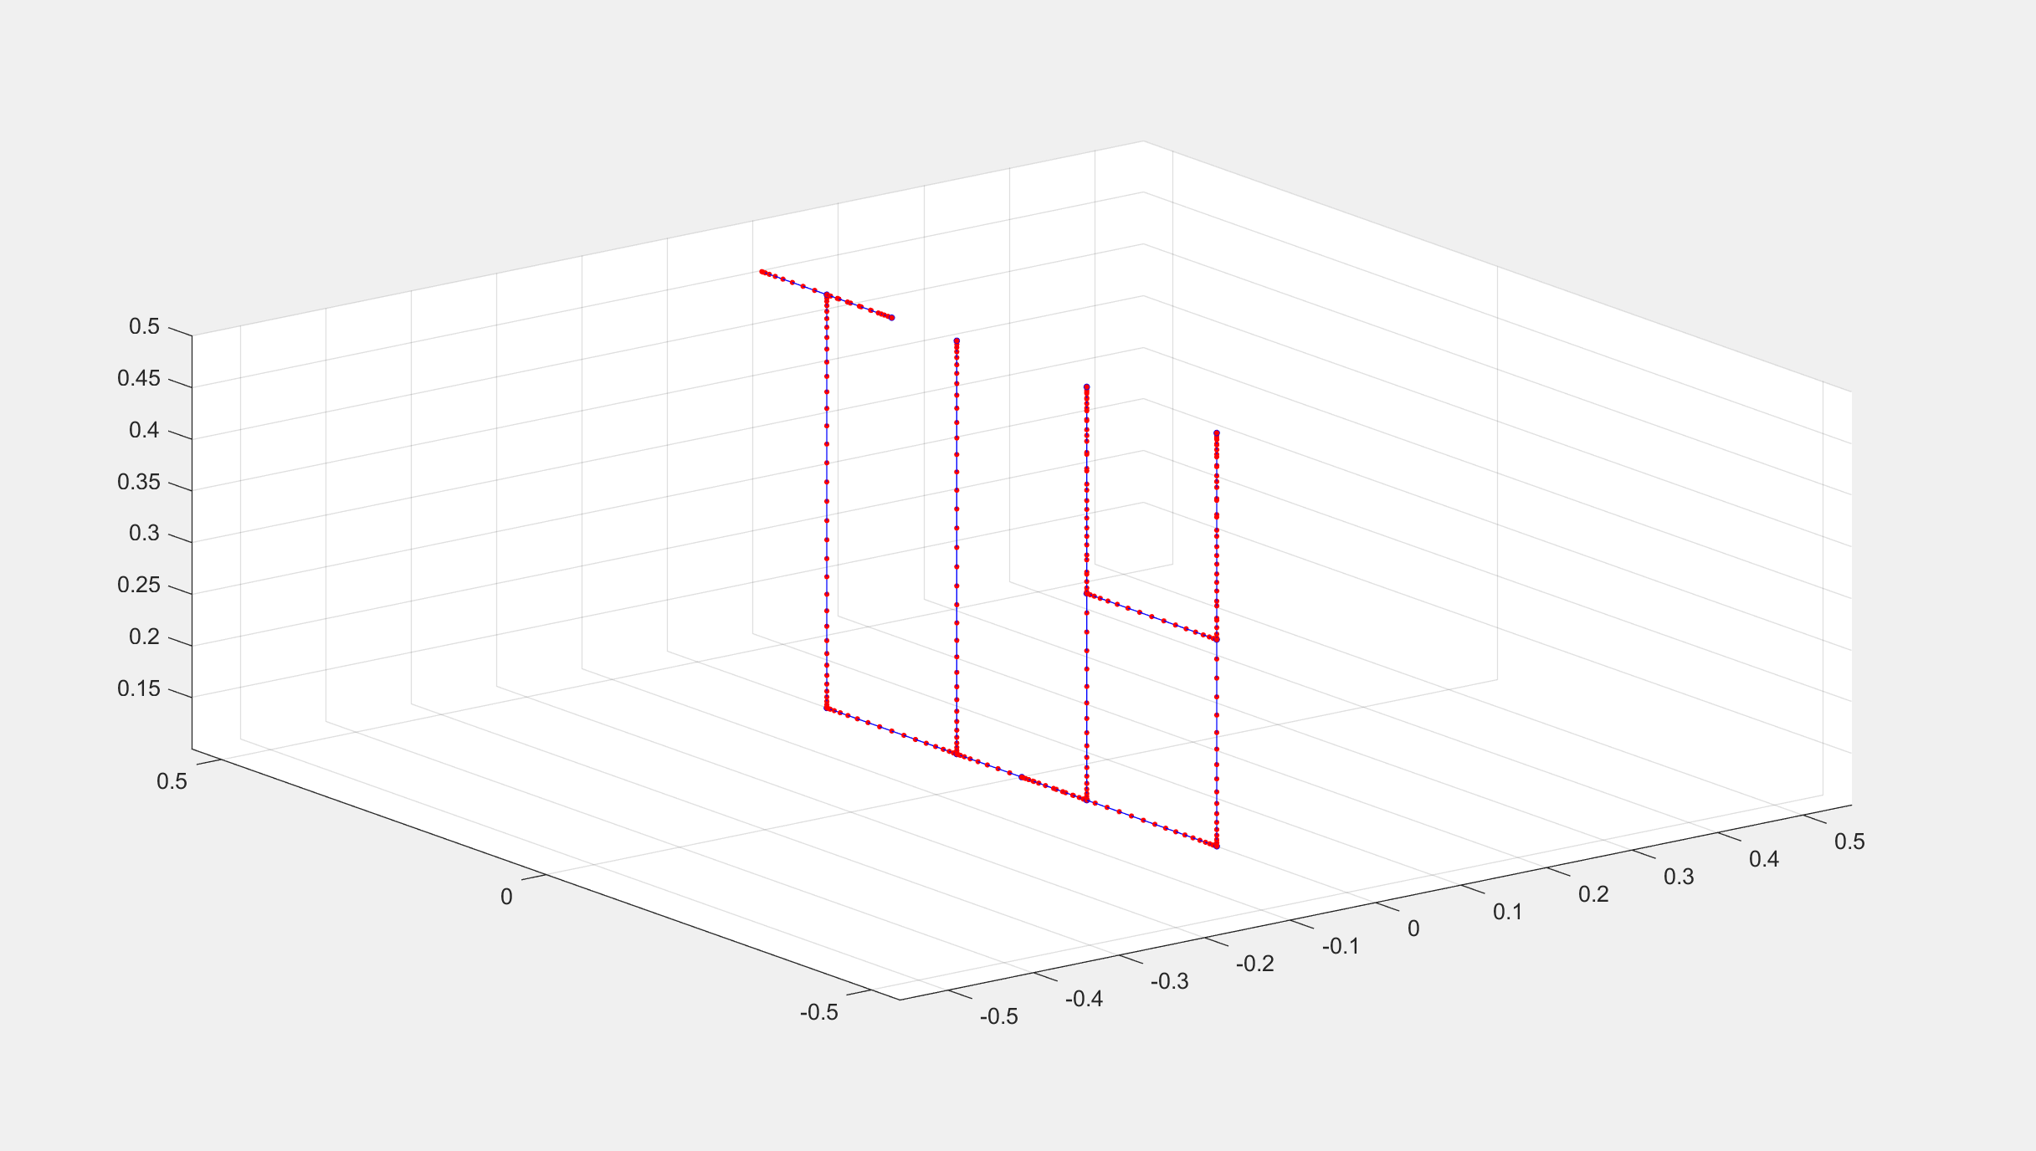
...
0.0000 | 0.0000
-0.3000 | -0.3000
0.4999 | 0.5000
0.0000 | 0.0000
-0.3000 | -0.3000
0.4999 | 0.5000
0.0000 | 0.0000
0.0000 | 0.0000
0.0000 | 0.0000
...
0.0000 | 0.0000
-0.1000 | -0.1000
...

