Sheet1
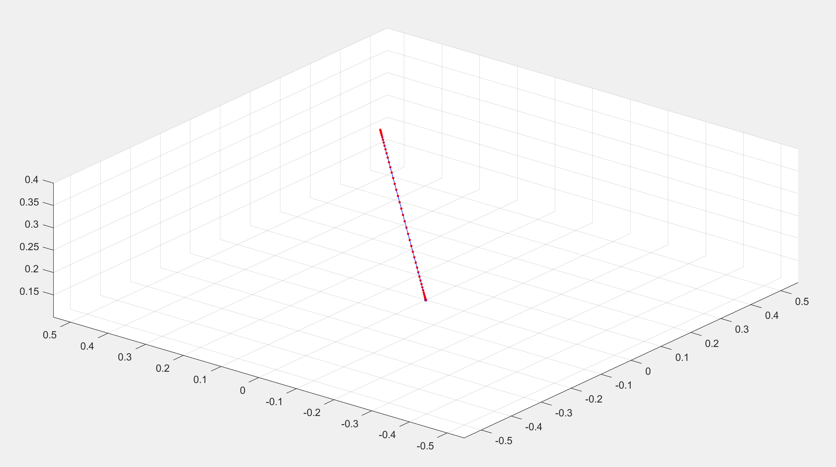
0 | 7.76192E-06 | 6.022144E-05 | 0.00019702656 | 0.00045252608 | 0.000856 | 0.00143188992 | 0.00220002944 | 0.00317587456 | 0.00437073408 | 0.005792 | 0.00744337792 | 0.00932511744 | 0.01143424256 | 0.01376478208 | 0.016308 | 0.01905262592 | 0.02198508544 | 0.02508973056 | 0.02834907008 | 0.031744 | 0.03525403392 | 0.03885753344 | 0.04253193856 | 0.04625399808 | 0.05 | 0.05374600192 | 0.05746806144 | 0.06114246656 | 0.06474596608 | 0.068256 | 0.07165092992 | 0.07491026944 | 0.07801491456 | 0.08094737408 | 0.083692 | 0.08623521792 | 0.08856575744 | 0.09067488256 | 0.09255662208 | 0.094208 | 0.09562926592 | 0.09682412544 | 0.09779997056 | 0.09856811008 | 0.099144 | 0.09954747392 | 0.09980297344 | 0.09993977856 | 0.09999223808 | 0.1
0 | 1.552384E-05 | 0.00012044288 | 0.00039405312 | 0.00090505216 | 0.001712 | 0.00286377984 | 0.00440005888 | 0.00635174912 | 0.00874146816 | 0.011584 | 0.01488675584 | 0.01865023488 | 0.02286848512 | 0.02752956416 | 0.032616 | 0.03810525184 | 0.04397017088 | 0.05017946112 | 0.05669814016 | 0.063488 | 0.07050806784 | 0.07771506688 | 0.08506387712 | 0.09250799616 | 0.1 | 0.10749200384 | 0.11493612288 | 0.12228493312 | 0.12949193216 | 0.136512 | 0.14330185984 | 0.14982053888 | 0.15602982912 | 0.16189474816 | 0.167384 | 0.17247043584 | 0.17713151488 | 0.18134976512 | 0.18511324416 | 0.188416 | 0.19125853184 | 0.19364825088 | 0.19559994112 | 0.19713622016 | 0.198288 | 0.19909494784 | 0.19960594688 | 0.19987955712 | 0.19998447616 | 0.2
0.1 | 0.10002328576 | 0.10018066432 | 0.10059107968 | 0.10135757824 | 0.102568 | 0.10429566976 | 0.10660008832 | 0.10952762368 | 0.11311220224 | 0.117376 | 0.12233013376 | 0.12797535232 | 0.13430272768 | 0.14129434624 | 0.148924 | 0.15715787776 | 0.16595525632 | 0.17526919168 | 0.18504721024 | 0.195232 | 0.20576210176 | 0.21657260032 | 0.22759581568 | 0.23876199424 | 0.25 | 0.26123800576 | 0.27240418432 | 0.28342739968 | 0.29423789824 | 0.304768 | 0.31495278976 | 0.32473080832 | 0.33404474368 | 0.34284212224 | 0.351076 | 0.35870565376 | 0.36569727232 | 0.37202464768 | 0.37766986624 | 0.382624 | 0.38688779776 | 0.39047237632 | 0.39339991168 | 0.39570433024 | 0.397432 | 0.39864242176 | 0.39940892032 | 0.39981933568 | 0.39997671424 | 0.4
2.4643751479E-17 | 7.7619199985E-06 | 6.0221439918E-05 | 0.00019702656 | 0.00045252608 | 0.000856 | 0.00143188992 | 0.00220002944 | 0.00317587456 | 0.00437073408 | 0.005792 | 0.00744337792 | 0.00932511744 | 0.01143424256 | 0.01376478208 | 0.016308 | 0.01905262592 | 0.02198508544 | 0.02508973056 | 0.02834907008 | 0.031744 | 0.035254033919 | 0.03885753344 | 0.04253193856 | 0.04625399808 | 0.05 | 0.05374600192 | 0.05746806144 | 0.06114246656 | 0.06474596608 | 0.068256 | 0.07165092992 | 0.07491026944 | 0.07801491456 | 0.08094737408 | 0.083692 | 0.08623521792 | 0.08856575744 | 0.09067488256 | 0.09255662208 | 0.094208 | 0.09562926592 | 0.09682412544 | 0.09779997056 | 0.09856811008 | 0.099144 | 0.09954747392 | 0.09980297344 | 0.09993977856 | 0.09999223808 | 0.1
5.05021769E-17 | 1.5523839998E-05 | 0.0001204428799 | 0.00039405312 | 0.00090505216 | 0.001712 | 0.00286377984 | 0.00440005888 | 0.00635174912 | 0.00874146816 | 0.011584 | 0.01488675584 | 0.01865023488 | 0.02286848512 | 0.02752956416 | 0.032616 | 0.03810525184 | 0.04397017088 | 0.05017946112 | 0.05669814016 | 0.063488 | 0.07050806784 | 0.07771506688 | 0.08506387712 | 0.09250799616 | 0.1 | 0.10749200384 | 0.11493612288 | 0.12228493312 | 0.12949193216 | 0.136512 | 0.14330185984 | 0.14982053888 | 0.15602982912 | 0.16189474816 | 0.167384 | 0.17247043584 | 0.17713151488 | 0.18134976512 | 0.18511324416 | 0.188416 | 0.19125853184 | 0.19364825088 | 0.19559994112 | 0.19713622016 | 0.198288 | 0.19909494784 | 0.19960594688 | 0.19987955712 | 0.19998447616 | 0.2
0.1 | 0.10002328576 | 0.10018066432 | 0.10059107968 | 0.10135757824 | 0.102568 | 0.10429566976 | 0.10660008832 | 0.10952762368 | 0.11311220224 | 0.117376 | 0.12233013376 | 0.12797535232 | 0.13430272768 | 0.14129434624 | 0.148924 | 0.15715787776 | 0.16595525632 | 0.17526919168 | 0.18504721024 | 0.195232 | 0.20576210176 | 0.21657260032 | 0.22759581568 | 0.23876199424 | 0.25 | 0.26123800576 | 0.27240418432 | 0.28342739968 | 0.29423789824 | 0.304768 | 0.31495278976 | 0.32473080832 | 0.33404474368 | 0.34284212224 | 0.351076 | 0.35870565376 | 0.36569727232 | 0.37202464768 | 0.37766986624 | 0.382624 | 0.38688779776 | 0.39047237632 | 0.39339991168 | 0.39570433024 | 0.397432 | 0.39864242176 | 0.39940892032 | 0.39981933568 | 0.39997671424 | 0.4
2.4331470807E-15 | -6.5906881478E-14 | -3.3526231679E-11 | 1.2953523103E-13 | 1.3152691381E-14 | -6.3910115408E-13 | 5.8809015538E-12 | -2.6341319092E-12 | -4.5786860795E-12 | -5.3145980639E-12 | -1.9416550606E-12 | 3.9422356436E-12 | -4.3858177756E-13 | -6.2105591567E-13 | 5.2879094588E-13 | -5.4386249967E-13 | -1.3763802157E-12 | -5.6641421043E-11 | -1.8275121866E-10 | -3.5370104333E-10 | -7.3077768056E-10 | -1.5023407644E-09 | 1.3925517579E-12 | -5.1798400151E-13 | -1.8660310787E-12 | -2.7833854505E-11 | -3.3995869156E-13 | 1.0409331637E-10 | 1.2539738635E-13 | 5.4067354085E-13 | 5.4539167813E-13 | 2.9873020099E-12 | 9.3477142916E-12 | 1.4129049393E-13 | 4.7377460699E-13 | -4.0974011444E-13 | 9.5366497595E-13 | 4.1566406333E-13 | 3.540196692E-12 | -2.8926283134E-13 | 4.3868925963E-13 | -9.0530629146E-13 | -3.2265956923E-13 | 4.9029580412E-13 | -5.1216117738E-13 | 1.5401034261E-13 | -2.5556193129E-13 | -1.2034979798E-12 | -1.468534628E-13 | 5.7668362573E-13 | -3.9496299955E-13
-3.1955748835E-15 | 1.7423108712E-13 | 6.7741156479E-11 | -2.8355843574E-13 | -1.0054181958E-14 | 1.3037905671E-12 | -1.1865416808E-11 | 5.3068434392E-12 | 9.1910497855E-12 | 1.0615290293E-11 | 3.8542529399E-12 | -7.7880180711E-12 | 8.6802130265E-13 | 1.2167602714E-12 | -1.0436759394E-12 | 1.0447407526E-12 | 2.6474963885E-12 | 1.0752893512E-10 | 3.4375927839E-10 | 6.5914414052E-10 | 1.3482074088E-09 | 2.7424858607E-09 | -2.5267529564E-12 | 9.5250878595E-13 | 3.3271608537E-12 | 4.8566338864E-11 | 6.1391008182E-13 | -1.7947857143E-10 | -2.0443341012E-13 | -9.0519578359E-13 | -8.9559060515E-13 | -4.8493748684E-12 | -1.5095207073E-11 | -1.9302145853E-13 | -7.3461978598E-13 | 6.7344974995E-13 | -1.4902693002E-12 | -6.1268152852E-13 | -5.3635949157E-12 | 4.634554809E-13 | -6.616565497E-13 | 1.3436534452E-12 | 5.1252971566E-13 | -7.0202679119E-13 | 7.6894127014E-13 | -2.286332678E-13 | 3.5276399375E-13 | 1.7301400745E-12 | 2.0543722412E-13 | -8.3962386368E-13 | 5.8349591475E-13
-1.6630260661E-11 | -1.5066835602E-10 | -7.6489725691E-09 | 9.8985869998E-12 | 1.8820805651E-13 | -1.02628077E-11 | 5.6217415894E-11 | -1.6387089467E-11 | -1.9703150562E-11 | -1.65533386E-11 | -4.5450259092E-12 | 7.1792577213E-12 | -6.3774262559E-13 | -7.3517923152E-13 | 5.2306783789E-13 | -4.4763165269E-13 | -9.6917021206E-13 | -3.4124387953E-11 | -9.610721926E-11 | -1.641204107E-10 | -3.017014713E-10 | -5.5673869031E-10 | 4.7182201304E-13 | -1.6458555639E-13 | -5.2743538594E-13 | -7.2363662759E-12 | -8.4974997273E-14 | 2.3975958115E-11 | 2.997461316E-14 | 1.1928804311E-13 | 1.0215160868E-13 | 5.5468739308E-13 | 1.6787473537E-12 | 1.7550433415E-14 | 7.3426960504E-14 | -6.7550900899E-14 | 1.5908408971E-13 | 6.3943989031E-14 | 5.5571148879E-13 | -5.6384901517E-14 | 6.9962966646E-14 | -1.441190707E-13 | -4.5247347894E-14 | 7.4733880819E-14 | -8.2730449079E-14 | 2.9586894118E-14 | -3.3755828029E-14 | -1.8395863121E-13 | -3.2158526157E-14 | 1.0391666254E-13 | -5.7246441235E-14

