Sheet1
$$R^{2}GA$$
$$R^{2}GA$$
When scheduling time is limited |  |  |  |  |  |  |  |  |  |  |  |  |  |  | HGA |  |  | NGA |  |  | LWSGA |  |  | DE |  |  | GWO |  |  | HEFT | TMGA
 | algorithm |  |  | HGA | NGA | LWSGA | DE | GWO | TMGA |  |  | max | min | ave | max | min | ave | max | min | ave | max | min | ave | max | min | ave | max | min | ave |  | max | min | ave
Limited values | case |  | tradeoff | tradeoff | tradeoff | tradeoff | tradeoff | tradeoff | tradeoff | Epigenomics | 24 | 2663.23 | 2662.06 | 2662.96 | 2856.45 | 2675.05 | 2750.354 | 2671.79 | 2664.3 | 2668.282 | 3331.21 | 3078.35 | 3225.51 | 2860.58 | 2754.75 | 2790.654 | 3035.96 | 2799.05 | 2924.269 |  | 2846.55 | 2709.49 | 2766.833
9.1635 | Epigenomics | 24 | 2663.23 | 2747.33 | 2671.79 | 3290.18 | 2766.91 | 2847.49 | 2789.94 | Epigenomics | 100 | 49081.87 | 48133.02 | 48449.562 | 59466.46 | 51716.28 | 54285.663 | 51507.86 | 49004.15 | 50182.689 | 69853.75 | 61953.76 | 67002.085 | 69295.81 | 62594.8 | 65553.613 | 69049.93 | 62025.61 | 65451.009 |  | 59117.33 | 56872.04 | 58079.913
 | Epigenomics | 24 | 2663.23 | 2716.49 | 2664.3 | 3253.48 | 2754.75 | 2919.87 | 2821.82 | Epigenomics | 997 | 532115.89 | 509768.79 | 520771.696 | 851756.91 | 758258.2 | 800001.417 | 588003.24 | 574131.2 | 580077.827 | 811713.62 | 773701.66 | 799226.631 | 753949.11 | 740019.67 | 747724.273 | 1522348.69 | 1194789.58 | 1396966.183 |  | 614210.8 | 604098.66 | 608493.173
 | Epigenomics | 24 | 2662.88 | 2742.01 | 2669.98 | 3182.72 | 2779.83 | 2997.08 | 2709.49 | Ligo | 30 | 830.29 | 825.24 | 826.126 | 883.56 | 825.39 | 855.055 | 832.27 | 824.49 | 829.245 | 1323.04 | 1142.61 | 1215.055 | 1020.69 | 960.93 | 999.097 | 1283.41 | 1081.54 | 1145.755 |  | 1009.18 | 942.14 | 987.286
 | Epigenomics | 24 | 2663.11 | 2856.45 | 2669.07 | 3180.75 | 2803.81 | 2823.06 | 2736.04 | Ligo | 100 | 2503.37 | 2463.86 | 2482.923 | 2724.07 | 2594.57 | 2649.122 | 2801.39 | 2681.23 | 2751.192 | 3974.78 | 3634.9 | 3858.91 | 3521.95 | 3377.37 | 3441.544 | 4558.73 | 4006.49 | 4312.46 |  | 3218.6 | 3136.33 | 3178.812
 | Epigenomics | 24 | 2662.88 | 2677.6 | 2670.92 | 3288.19 | 2860.58 | 3022.59 | 2722.44 | Ligo | 1000 | 34294 | 33606.47 | 33904.928 | 37095.5 | 34528.24 | 35406.603 | 35344.48 | 34687 | 35029.335 | 52554.29 | 51065.08 | 51720.225 | 41774.28 | 40946.8 | 41344.626 | 135005.72 | 118958.28 | 125993.399 |  | 36738.28 | 36329.35 | 36567.127
 | Epigenomics | 24 | 2662.95 | 2735.35 | 2669.82 | 3185.52 | 2815.86 | 2957.6 | 2846.55 | Montage | 25 | 32.74 | 32.7 | 32.715 | 34.75 | 32.71 | 34.025 | 32.93 | 32.73 | 32.859 | 56.85 | 51.98 | 55.167 | 37.81 | 36.19 | 37.081 | 52.03 | 46.16 | 49.029 |  | 38.64 | 37.77 | 38.179
 | Epigenomics | 24 | 2662.06 | 2847.4 | 2665.36 | 3248.14 | 2755.31 | 3035.96 | 2745.98 | Montage | 100 | 139.52 | 137.84 | 138.767 | 149.77 | 143.22 | 146.632 | 152.44 | 148.93 | 150.932 | 253.4 | 217.91 | 241.459 | 173.81 | 166.75 | 171.515 | 261.23 | 243.1 | 252.594 |  | 173.09 | 167.49 | 170.013
 | Epigenomics | 24 | 2663.21 | 2826.04 | 2667.02 | 3331.21 | 2779.6 | 2989.12 | 2803.25 | Montage | 1000 | 1724.31 | 1670.88 | 1700.088 | 1869.93 | 1774.95 | 1808.984 | 1822.19 | 1809.36 | 1815.303 | 2886.14 | 2765.83 | 2838.04 | 2076.08 | 2032.83 | 2060.75 | 7518.49 | 7043.19 | 7255.064 |  | 1882.38 | 1865.36 | 1876.214
 | Epigenomics | 24 | 2663.09 | 2679.82 | 2670.04 | 3078.35 | 2820.32 | 2850.87 | 2744.68
 | Epigenomics | 24 | 2662.96 | 2675.05 | 2664.52 | 3216.56 | 2769.57 | 2799.05 | 2748.14
$$R^{2}GA$$
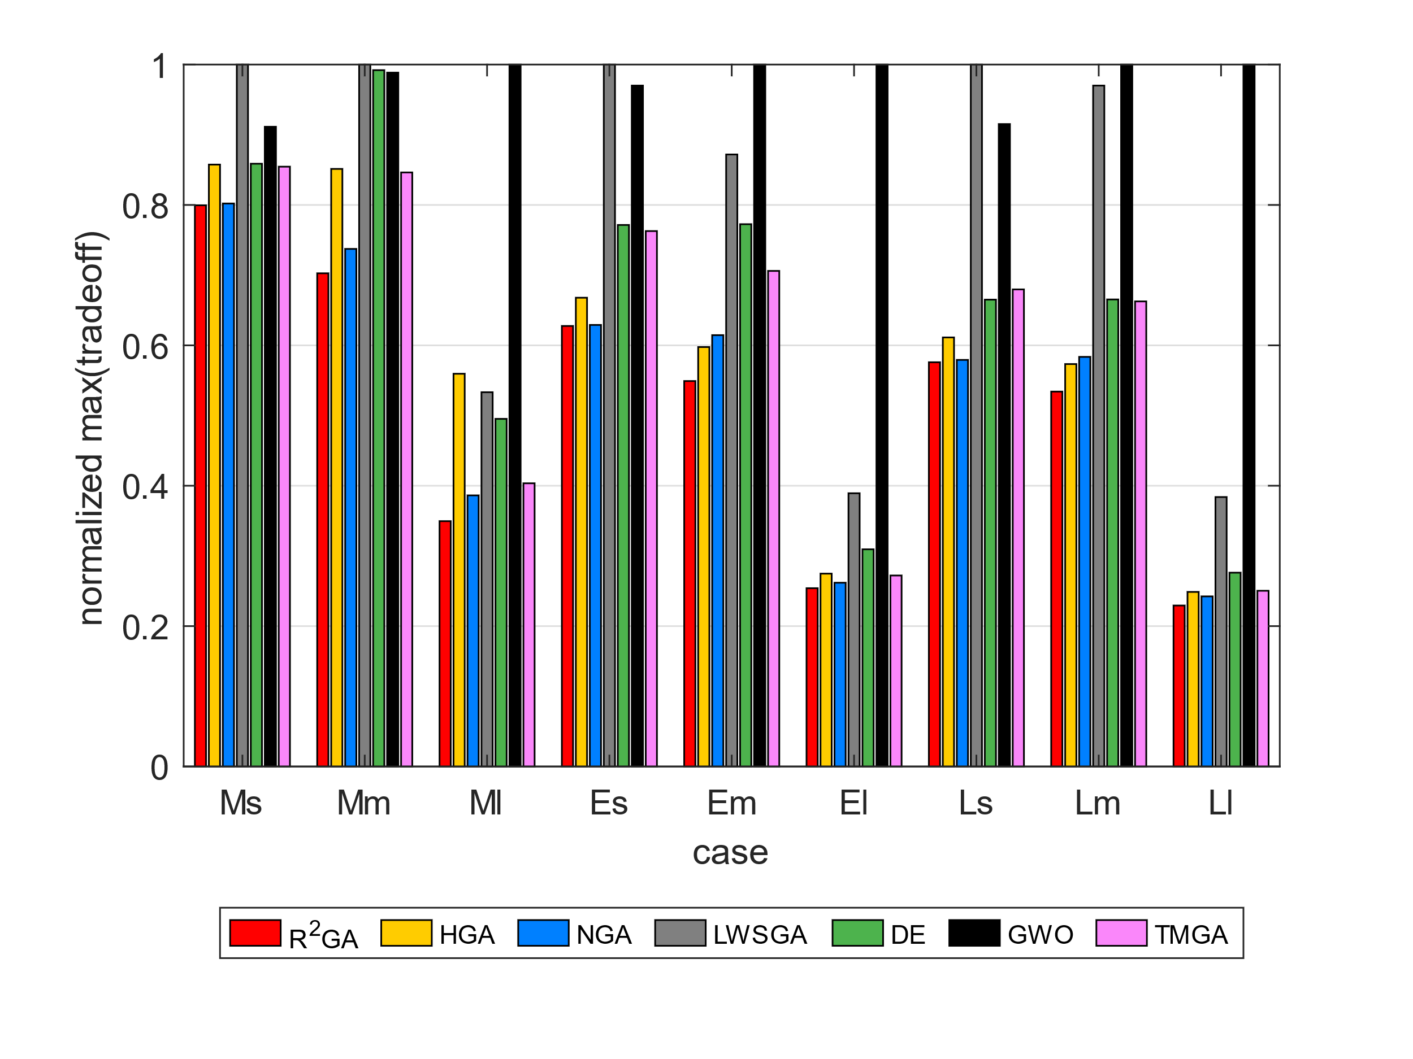
59.8967 | Epigenomics | 100 | 48356.87 | 57916.12 | 51242.14 | 65533.03 | 66402.01 | 65114.74 | 58056.64 | max_norm_ms |  |  | HGA | NGA | LWSGA | DE | GWO | HEFT | TMGA |  |  |  |  |  | HGA | NGA | LWSGA | DE | GWO | HEFT | TMGA
 | Epigenomics | 100 | 49081.87 | 54484.78 | 51507.86 | 67882.08 | 65628.18 | 64886.35 | 58272.61 | Epigenomics | 24 | 0.79947826766 | 0.85748121553 | 0.80204790452 | 1 | 0.85872100528 | 0.91136854176 | 0 | 0.85450932244 |  |  |  |  |  | 0.031775545984 | 0.0019945418063 | 0.17440652796 | 0.045757732775 | 0.089358742304 | -1 | 0.037542200776
 | Epigenomics | 100 | 48250.41 | 52897.47 | 49004.15 | 65380.84 | 69295.81 | 63101.95 | 58237.78 | Epigenomics | 100 | 0.70263758209 | 0.85129946495 | 0.73736714206 | 1 | 0.99201274091 | 0.98849281535 | 0 | 0.84630145125 |  |  |  |  |  | 0.10750722525 | 0.034536351769 | 0.27689471156 | 0.26091698409 | 0.25975836369 | -1 | 0.16581207689
 | Epigenomics | 100 | 48155.88 | 53193.96 | 50366.52 | 69114.09 | 66094.53 | 68410.27 | 59117.33 | Epigenomics | 997 | 0.34953614339 | 0.55950185105 | 0.3862474109 | 0.53319822543 | 0.49525388957 | 1 | 0 | 0.4034626259 |  |  |  |  |  | 0.34903653302 | 0.10223823122 | 0.34840547624 | 0.30352442096 | 0.62721238185 | -1 | 0.14416180968
 | Epigenomics | 100 | 48133.02 | 53619.45 | 50111.9 | 66500.97 | 65126.15 | 69049.93 | 58043.23 | Ligo | 30 | 0.62756228081 | 0.66782561374 | 0.6290588342 | 1 | 0.77147327367 | 0.9700462571 | 0 | 0.76277361229 |  |  |  |  |  | 0.033832911333 | 0.0037612527058 | 0.32009168309 | 0.17312733398 | 0.27896801672 | -1 | 0.16323537455
 | Epigenomics | 100 | 48676.58 | 53311.65 | 49964.63 | 69853.75 | 66471.16 | 64870.93 | 58320.67 | Ligo | 100 | 0.54913758876 | 0.5975501949 | 0.614511059 | 0.87190511392 | 0.77257262439 | 1 | 0 | 0.70602996887 |  |  |  |  |  | 0.062737389973 | 0.097510097441 | 0.35657400665 | 0.27854387449 | 0.42424439879 | -1 | 0.21891480213
 | Epigenomics | 100 | 48442.86 | 51716.28 | 50285.25 | 61953.76 | 64600.78 | 64451.28 | 57359.57 | Ligo | 1000 | 0.25401886676 | 0.27476983938 | 0.26179987041 | 0.38927454333 | 0.30942600062 | 1 | 0 | 0.27212387742 |  |  |  |  |  | 0.04241228677 | 0.032099010729 | 0.34445513336 | 0.17994353123 | 0.73089917195 | -1 | 0.072803067083
 | Epigenomics | 100 | 48655.34 | 53996.76 | 49960.93 | 68423.04 | 65882.36 | 64898.99 | 58333.85 | Montage | 25 | 0.57590149516 | 0.61125769569 | 0.57924362357 | 1 | 0.66508355321 | 0.91521547933 | 0 | 0.67968337731 |  |  |  |  |  | 0.038501102131 | 0.004382360997 | 0.40698243515 | 0.11774223996 | 0.33274184666 | -1 | 0.14311532518
 | Epigenomics | 100 | 48512.9 | 52253.7 | 49480.26 | 67288.05 | 63440.35 | 62025.61 | 56872.04 | Montage | 100 | 0.53408873407 | 0.57332618765 | 0.5835470658 | 0.97002641351 | 0.66535237147 | 1 | 0 | 0.66259617961 |  |  |  |  |  | 0.053637677997 | 0.08059921024 | 0.42529787666 | 0.19093373757 | 0.45063223988 | -1 | 0.18378594578
 | Epigenomics | 100 | 48229.89 | 59466.46 | 49903.25 | 68091.24 | 62594.8 | 67700.04 | 58185.41 | Montage | 1000 | 0.22934259406 | 0.24871084486 | 0.24236116561 | 0.38387229351 | 0.27612991438 | 1 | 0 | 0.25036676247 |  |  |  |  |  | 0.060197326234 | 0.063468743235 | 0.40096404561 | 0.17501492175 | 0.76566877977 | -1 | 0.093873086972
3070.6067741 | Epigenomics | 997 | 522920.21 | 790672.55 | 583881.34 | 799600.68 | 741675.3 | 1434760.82 | 604976.86 |  |  |  |  |  |  |  |  |  |  |  |  |  |  |  | 0.086626444299 | 0.046732200015 | 0.33934132181 | 0.19172275298 | 0.43994266018 | -1 | 0.13591596545
$$R^{2}GA$$
 | Epigenomics | 997 | 520225.88 | 797853.63 | 574131.2 | 806616.98 | 749773.73 | 1194789.58 | 608869.13 | min_norm_ms |  |  | HGA | NGA | LWSGA | DE | GWO | HEFT | TMGA
 | Epigenomics | 997 | 518301.45 | 817411.06 | 578387.11 | 803366.24 | 751996.88 | 1402415.88 | 608574.94 | Epigenomics | 24 | 0.86476846362 | 0.8689882567 | 0.86549612617 | 1 | 0.89487874998 | 0.90926957623 | 0 | 0.88017606835
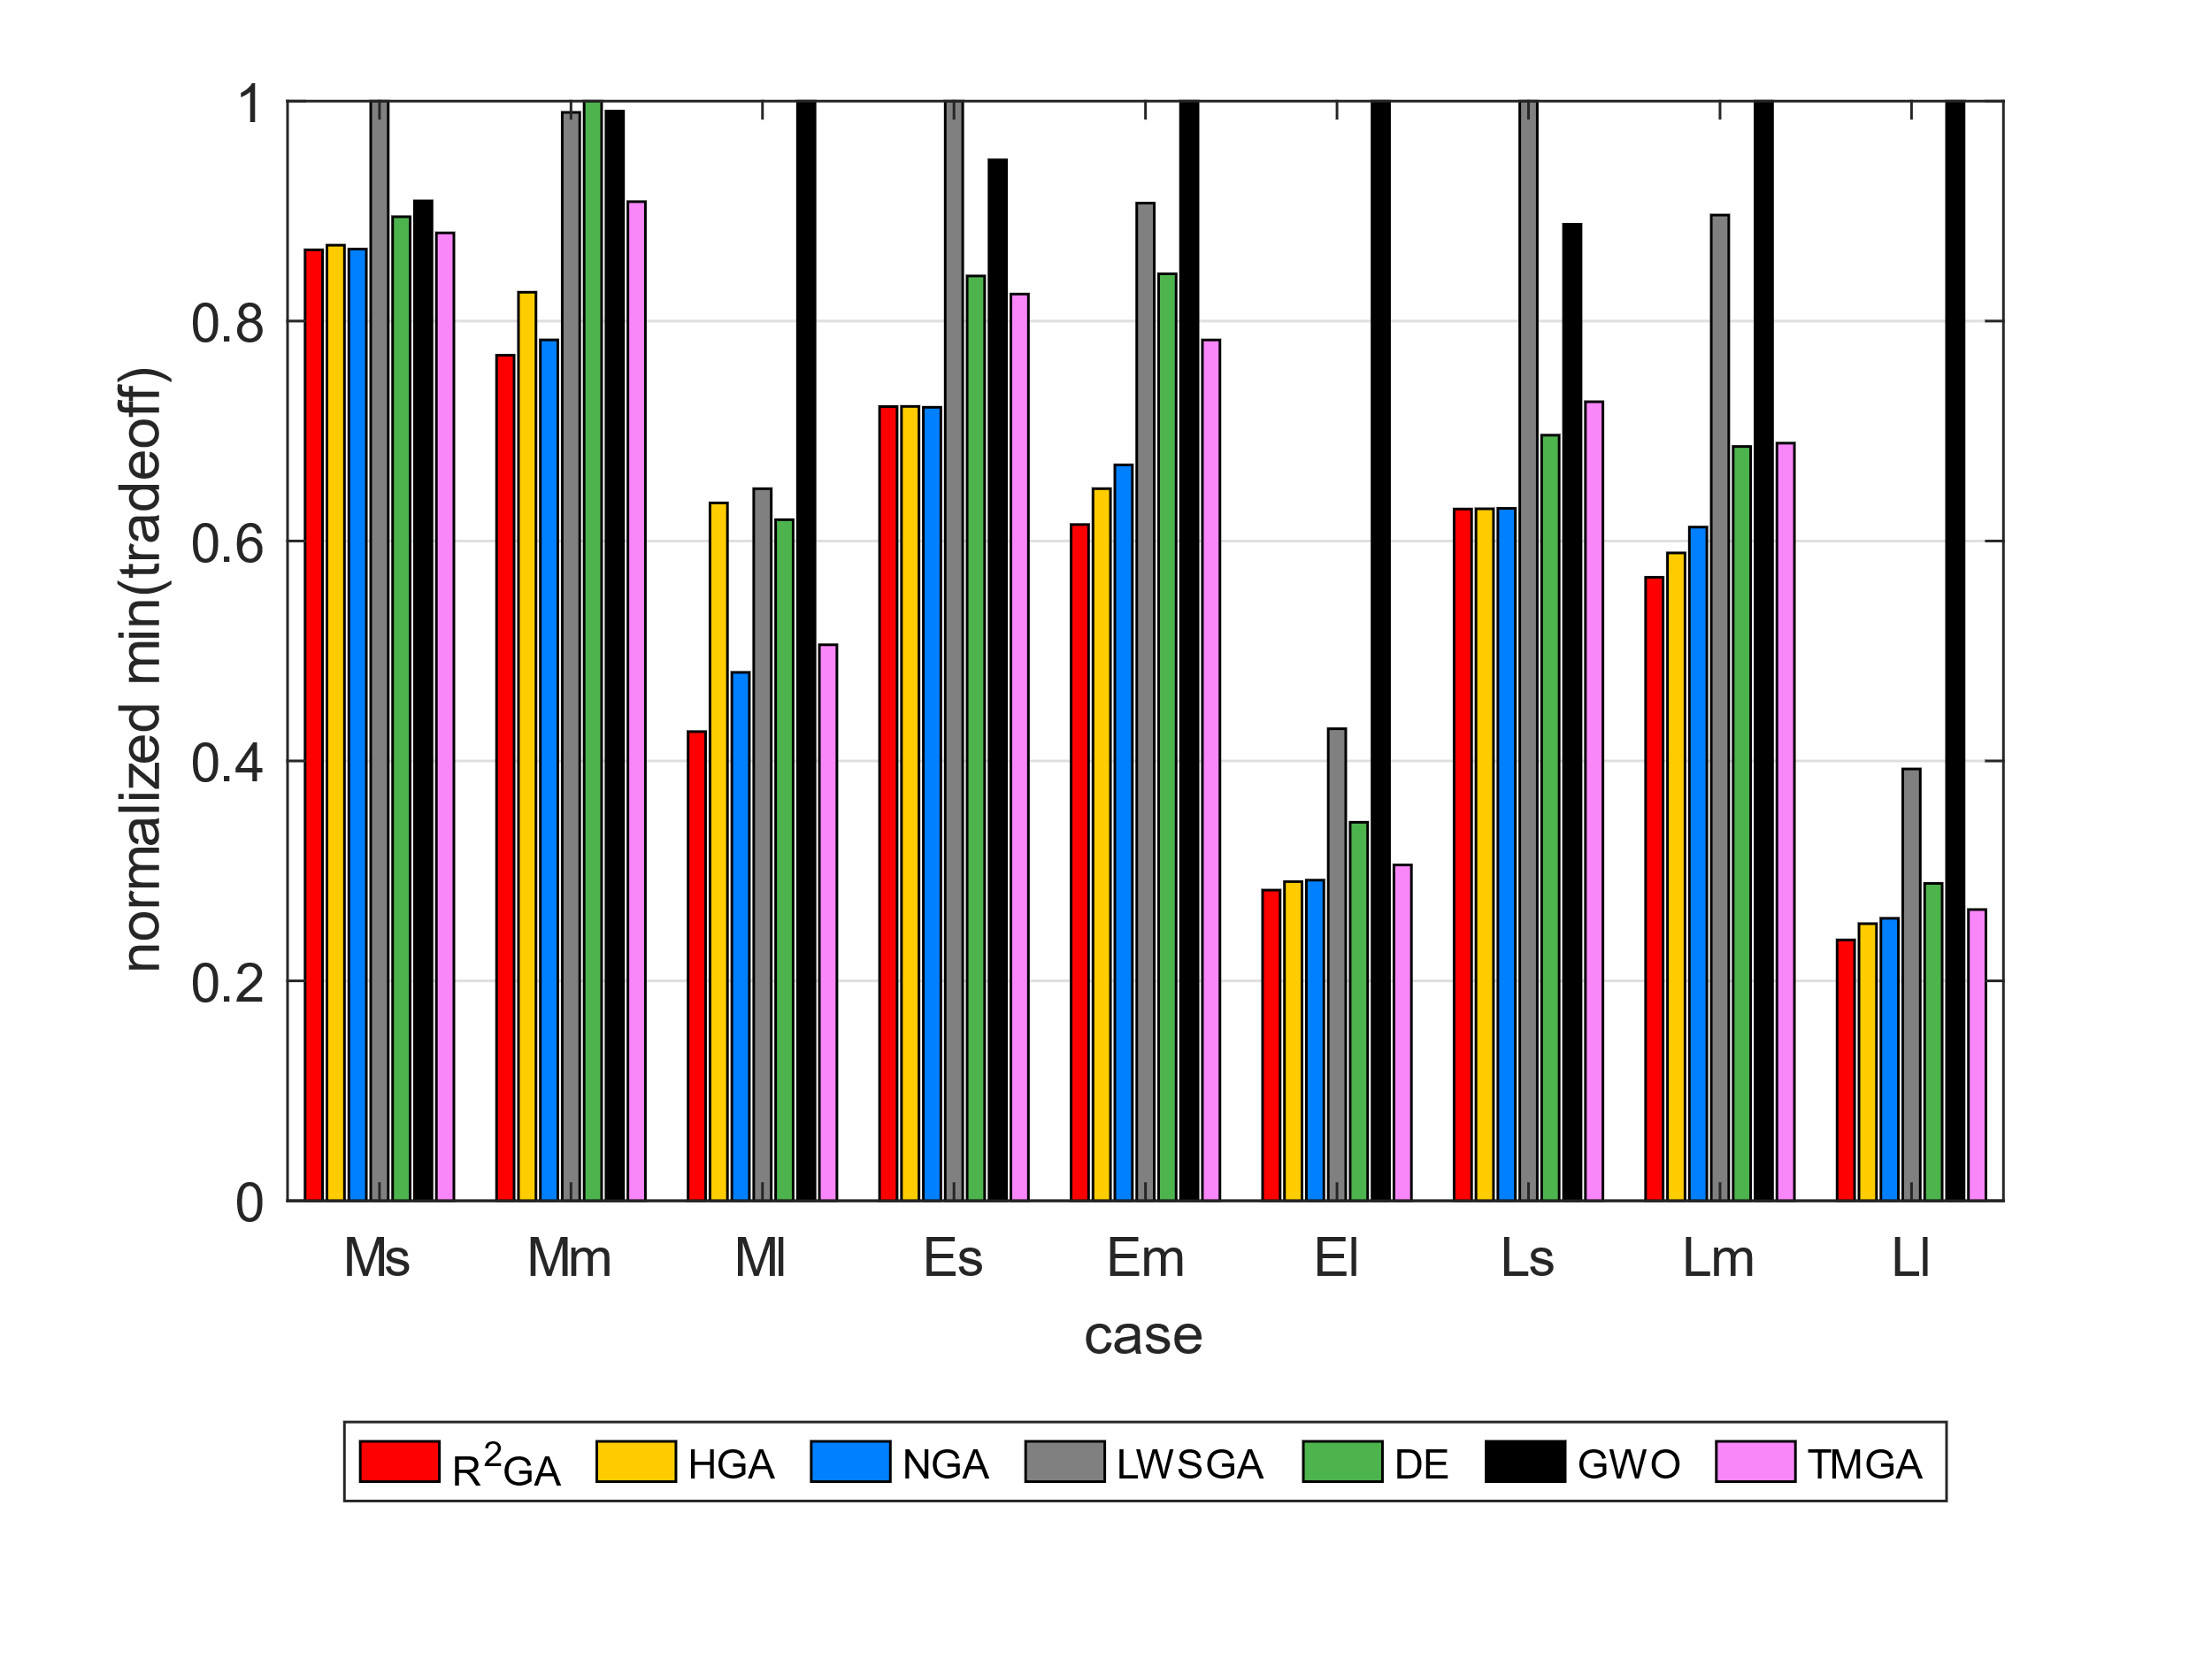
 | Epigenomics | 997 | 532115.89 | 851756.91 | 578050.96 | 798378.74 | 748536.88 | 1406093.81 | 605944.96 | Epigenomics | 100 | 0.7689619585 | 0.82620728878 | 0.78287892924 | 0.98975889371 | 1 | 0.99090675264 | 0 | 0.90857451418
 | Epigenomics | 997 | 513175.75 | 758258.2 | 575854.4 | 795755.01 | 741621.57 | 1386704.72 | 604098.66 | Epigenomics | 997 | 0.42665988935 | 0.63463743967 | 0.48052913217 | 0.64756311316 | 0.61937238355 | 1 | 0 | 0.50561092105
 | Epigenomics | 997 | 520627.02 | 814075.85 | 588003.24 | 792995.02 | 740019.67 | 1470264.58 | 609452.17 | Ligo | 30 | 0.72224118466 | 0.72237246305 | 0.72158479271 | 1 | 0.8409956153 | 0.94655219191 | 0 | 0.82455080911
 | Epigenomics | 997 | 509768.79 | 767156 | 583279.18 | 809818.54 | 750650.42 | 1451667.51 | 607499.29 | Ligo | 100 | 0.61496721569 | 0.64759178233 | 0.66922168781 | 0.90725298204 | 0.84297477343 | 1 | 0 | 0.7828123869
 | Epigenomics | 997 | 517144.5 | 764253.64 | 583281.38 | 811713.62 | 753949.11 | 1469479.33 | 610398.41 | Ligo | 1000 | 0.28250635433 | 0.29025503731 | 0.29158962285 | 0.42926881592 | 0.34421143278 | 1 | 0 | 0.30539572361
 | Epigenomics | 997 | 521498.48 | 802924.12 | 575598.8 | 773701.66 | 747173.31 | 1522348.69 | 610906.51 | Montage | 25 | 0.62908811081 | 0.6292804925 | 0.62966525587 | 1 | 0.69622931897 | 0.88803385918 | 0 | 0.72662562524
 | Epigenomics | 997 | 531938.99 | 835652.21 | 580310.66 | 800319.82 | 751845.86 | 1231136.91 | 614210.8 | Montage | 100 | 0.56700946113 | 0.58914027149 | 0.61262854792 | 0.8963800905 | 0.68593171534 | 1 | 0 | 0.68897573015
11.280795813 | Ligo | 30 | 825.87 | 847.75 | 831.2 | 1236.46 | 1011.17 | 1081.54 | 989.79 | Montage | 1000 | 0.2372334127 | 0.25200938779 | 0.25689495811 | 0.39269563933 | 0.28862347885 | 1 | 0 | 0.26484590079
 | Ligo | 30 | 825.24 | 835.22 | 825.03 | 1169.72 | 960.93 | 1092.98 | 988.68
$$R^{2}GA$$
 | Ligo | 30 | 825.86 | 847.09 | 831.77 | 1240.6 | 998.31 | 1146.86 | 942.14 | average_norm_ms |  |  | HGA | NGA | LWSGA | DE | GWO | HEFT | TMGA
 | Ligo | 30 | 825.31 | 854.75 | 824.49 | 1162.68 | 997.45 | 1139.75 | 979.16 | Epigenomics | 24 | 0.82559347204 | 0.85268810204 | 0.82724344367 | 1 | 0.86518225025 | 0.90660670716 | 0 | 0.85779706155
 | Ligo | 30 | 830.29 | 880.13 | 830.66 | 1142.61 | 1005.02 | 1171.17 | 985.44 | Epigenomics | 100 | 0.72310528844 | 0.81020856291 | 0.74897205065 | 1 | 0.97838168767 | 0.97685033234 | 0 | 0.86683739767
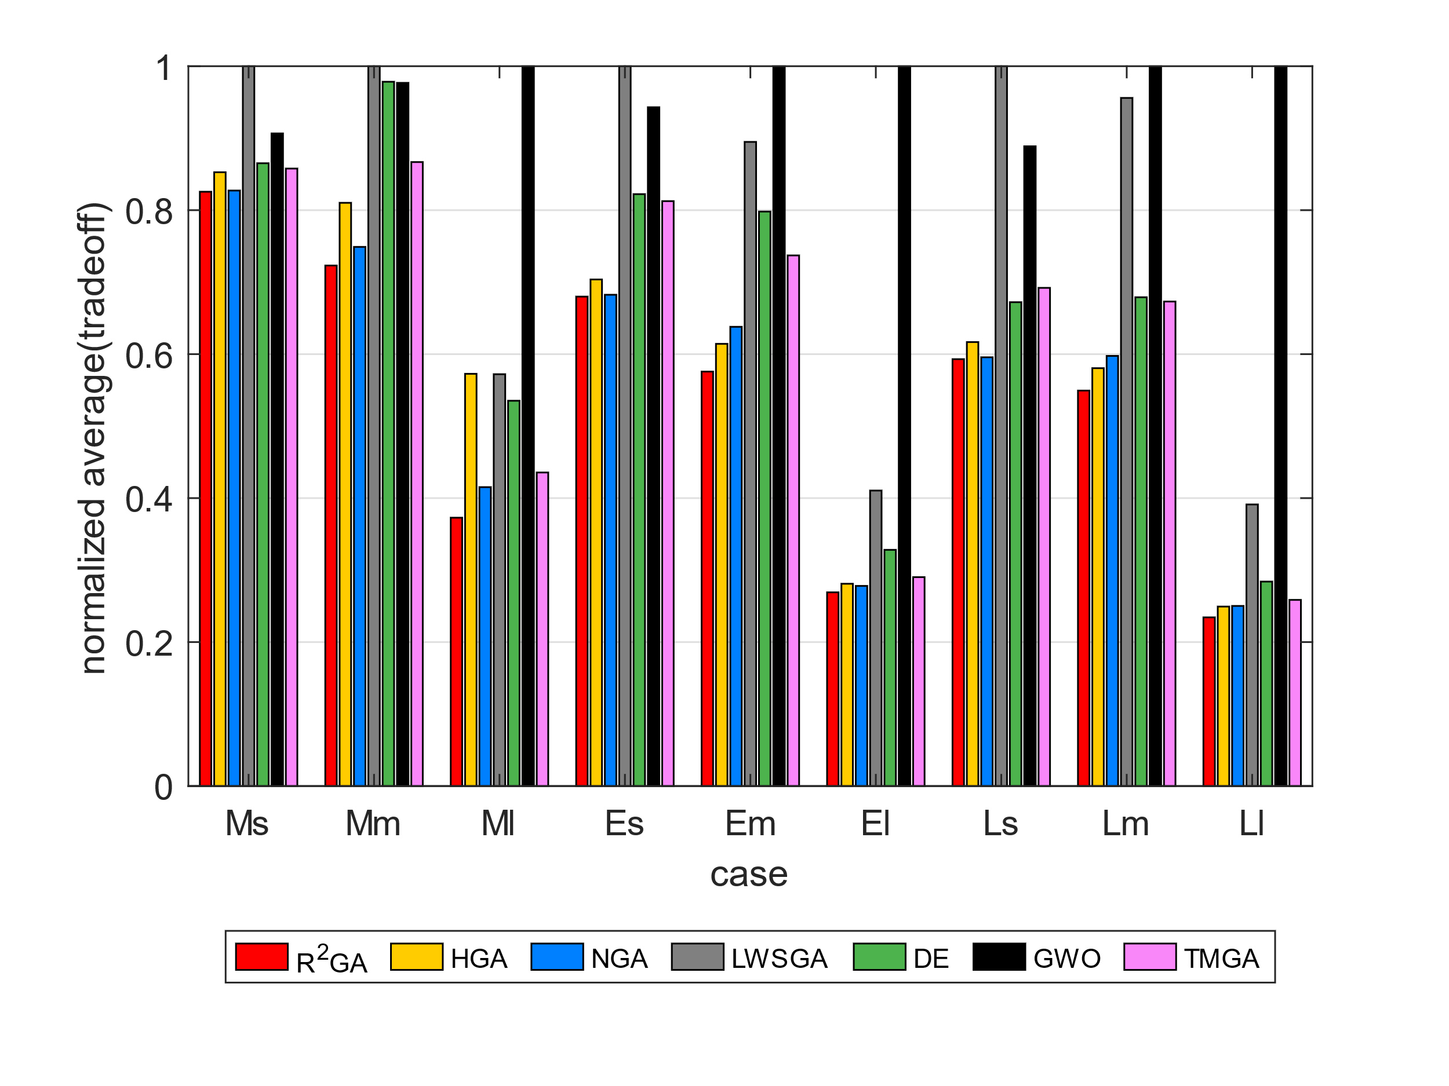
 | Ligo | 30 | 826.17 | 825.39 | 830.21 | 1262.17 | 992.15 | 1151.01 | 1009.18 | Epigenomics | 997 | 0.37278761815 | 0.57267056765 | 0.41524113759 | 0.5721159472 | 0.53524865677 | 1 | 0 | 0.43558189196
 | Ligo | 30 | 825.88 | 855.97 | 825.96 | 1180.97 | 1020.69 | 1082.56 | 992.46 | Ligo | 30 | 0.67990831691 | 0.70371711569 | 0.6824752789 | 1 | 0.82226483575 | 0.94296554477 | 0 | 0.81254428812
 | Ligo | 30 | 825.99 | 853.2 | 830.83 | 1234.05 | 986.73 | 1158.87 | 996.68 | Ligo | 100 | 0.57575560121 | 0.61429485723 | 0.63796348256 | 0.89482801 | 0.79804659058 | 1 | 0 | 0.73712266317
 | Ligo | 30 | 825.36 | 867.49 | 830.03 | 1198.25 | 1005.79 | 1283.41 | 1006.05 | Ligo | 1000 | 0.26910082805 | 0.28101950801 | 0.27802516067 | 0.4104994818 | 0.32814914375 | 1 | 0 | 0.2902304985
 | Ligo | 30 | 825.29 | 883.56 | 832.27 | 1323.04 | 1012.73 | 1149.4 | 983.28 | Montage | 25 | 0.59301756485 | 0.61676364493 | 0.59562782098 | 1 | 0.67215908061 | 0.8887378324 | 0 | 0.69206228361
56.07103157 | Ligo | 100 | 2476.25 | 2714.12 | 2734.64 | 3863.73 | 3377.37 | 4558.73 | 3196.09 | Montage | 100 | 0.54936776012 | 0.5805046834 | 0.59752804896 | 0.95591740105 | 0.67901454508 | 1 | 0 | 0.6730682439
 | Ligo | 100 | 2503.37 | 2654.06 | 2774.75 | 3634.9 | 3433.46 | 4350.56 | 3184.06 | Montage | 1000 | 0.23433122023 | 0.24934087418 | 0.25021185203 | 0.39118056023 | 0.28404298019 | 1 | 0 | 0.25860750505
 | Ligo | 100 | 2492.57 | 2612.6 | 2757.58 | 3911.77 | 3390.47 | 4210.51 | 3212.58
 | Ligo | 100 | 2465.75 | 2724.07 | 2681.23 | 3974.78 | 3497.86 | 4196.3 | 3196.74
 | Ligo | 100 | 2488.4 | 2698.54 | 2772.76 | 3972.6 | 3431.54 | 4311.68 | 3141.25
 | Ligo | 100 | 2485.04 | 2622.62 | 2801.39 | 3786.2 | 3413.93 | 4479.43 | 3140.72
 | Ligo | 100 | 2482 | 2604.26 | 2742.77 | 3917.84 | 3521.95 | 4286.9 | 3218.6
 | Ligo | 100 | 2498.95 | 2619.79 | 2777.11 | 3761.23 | 3446.99 | 4174.26 | 3156.35
 | Ligo | 100 | 2473.04 | 2594.57 | 2694.94 | 3830.56 | 3404.76 | 4549.74 | 3205.4
 | Ligo | 100 | 2463.86 | 2646.59 | 2774.75 | 3935.49 | 3497.11 | 4006.49 | 3136.33
3007.2592084 | Ligo | 1000 | 33606.47 | 35206.5 | 34687 | 52554.29 | 41498.83 | 132535.73 | 36588.2
 | Ligo | 1000 | 34294 | 36338.16 | 34998.11 | 51411.22 | 41774.28 | 123498.53 | 36738.28
 | Ligo | 1000 | 33881.71 | 34541.88 | 35249.74 | 51345.11 | 41086.99 | 124987.76 | 36477.97
 | Ligo | 1000 | 33805.57 | 34528.24 | 35065.37 | 51647.98 | 41526.32 | 135005.72 | 36610.36
 | Ligo | 1000 | 34199.47 | 35419.8 | 35029.59 | 51065.08 | 41355.39 | 129081.81 | 36718.68
 | Ligo | 1000 | 33636.46 | 34863.31 | 35132.37 | 51153.24 | 41371.75 | 122652.8 | 36329.35
 | Ligo | 1000 | 33888.83 | 35439.43 | 34971.55 | 52329.27 | 41461.28 | 124339.66 | 36517.48
 | Ligo | 1000 | 33904.02 | 35270.9 | 34764.82 | 51863.75 | 41428.85 | 118958.28 | 36533.43
 | Ligo | 1000 | 33933.88 | 37095.5 | 35050.32 | 51544.6 | 40946.8 | 123290.6 | 36559.18
 | Ligo | 1000 | 33898.87 | 35362.31 | 35344.48 | 52287.71 | 40995.77 | 125583.1 | 36598.34
9.7918040752 | Montage | 25 | 32.7 | 34.58 | 32.81 | 54.56 | 37.03 | 50.97 | 38.14
 | Montage | 25 | 32.71 | 34.01 | 32.9 | 51.98 | 36.49 | 49.73 | 38.28
 | Montage | 25 | 32.71 | 34.75 | 32.91 | 54.61 | 37.15 | 49.96 | 37.94
 | Montage | 25 | 32.71 | 34.72 | 32.88 | 55.23 | 37.52 | 47.65 | 38.31
 | Montage | 25 | 32.71 | 34.7 | 32.93 | 54.77 | 36.19 | 48.82 | 38.16
 | Montage | 25 | 32.71 | 34.55 | 32.75 | 54.72 | 37.74 | 46.46 | 38.64
 | Montage | 25 | 32.74 | 33.6 | 32.87 | 56.71 | 37.2 | 52.03 | 38.28
 | Montage | 25 | 32.73 | 33.43 | 32.9 | 56.38 | 36.88 | 48.82 | 37.77
 | Montage | 25 | 32.73 | 32.71 | 32.73 | 55.86 | 36.8 | 49.69 | 38.08
 | Montage | 25 | 32.7 | 33.2 | 32.91 | 56.85 | 37.81 | 46.16 | 38.19
67.758735657 | Montage | 100 | 138.93 | 144.2 | 151.14 | 243.92 | 172.47 | 249.91 | 170.75
 | Montage | 100 | 138.08 | 143.22 | 152.35 | 242.55 | 166.75 | 252.23 | 167.49
 | Montage | 100 | 139.24 | 149.77 | 150.65 | 251.36 | 173.81 | 249.56 | 173.09
 | Montage | 100 | 138.09 | 147.9 | 151.22 | 253.4 | 170.06 | 261.23 | 167.55
 | Montage | 100 | 138.68 | 148.3 | 149.85 | 234.49 | 173.48 | 258.11 | 171.77
 | Montage | 100 | 139.03 | 146.73 | 152.28 | 217.91 | 171.4 | 243.1 | 169.69
 | Montage | 100 | 139.38 | 145.97 | 148.93 | 241.8 | 172.13 | 248.84 | 169.06
 | Montage | 100 | 139.52 | 144.93 | 150.04 | 242.97 | 172.8 | 254.14 | 171.23
 | Montage | 100 | 137.84 | 147.53 | 152.44 | 246.7 | 172.31 | 252.66 | 168.35
 | Montage | 100 | 138.88 | 147.77 | 150.42 | 239.49 | 169.94 | 256.16 | 171.15
4125.5360589 | Montage | 1000 | 1695.81 | 1869.93 | 1812.59 | 2861.2 | 2075.52 | 7518.49 | 1879.85
 | Montage | 1000 | 1692.59 | 1779.95 | 1819.61 | 2825.07 | 2066.61 | 7050.22 | 1882.38
 | Montage | 1000 | 1702.56 | 1834.12 | 1816.06 | 2886.14 | 2074.88 | 7271.78 | 1867.86
 | Montage | 1000 | 1723.02 | 1788.49 | 1819.93 | 2776.54 | 2063.18 | 7043.19 | 1876.49
 | Montage | 1000 | 1705.45 | 1791.89 | 1818.31 | 2877.74 | 2057.11 | 7199.3 | 1881.08
 | Montage | 1000 | 1724.31 | 1794.25 | 1809.36 | 2868.74 | 2044.84 | 7149.79 | 1878.81
 | Montage | 1000 | 1670.88 | 1774.95 | 1813.35 | 2841.4 | 2032.83 | 7285.64 | 1876.44
 | Montage | 1000 | 1690.32 | 1801.05 | 1811.96 | 2801.45 | 2045.38 | 7276.39 | 1865.36
 | Montage | 1000 | 1695.06 | 1821.01 | 1822.19 | 2765.83 | 2071.07 | 7419.48 | 1875.18
 | Montage | 1000 | 1700.88 | 1834.2 | 1809.67 | 2876.29 | 2076.08 | 7336.36 | 1878.69

