Sheet1
No. | Structure | MW | logS | Dipole moment(D) | polarizability(C·m2/V) | Structure | MW | logS | Dipole moment(单位：D) | polarizability(C·m2/V) | Δdipole moment (D) | Δpolarizability(C·m2/V) | ∆logS = logS halogen－logS hydrogen
1 |  | 281.2297 | -2.64589 | 2.112561 | 189.32 |  | 202.3336 | -4.02228 | 0 | 167.91 | 2.11 | 21.41 | 1.37639
2 |  | 281.2297 | -2.63078 | 2.122473 | 189.29 |  | 202.3336 | -4.02228 | 0.0001 | 167.91 | 2.12 | 21.38 | 1.3915
3 |  | 326.4095 | -4.32 | 4.763829 | 231.36 |  | 308.419 | -5.34 | 4.378419 | 232.02 | 0.39 | -0.66 | 1.02
4 |  | 356.1735 | -4.8527 | 2.783634 | 298.79 |  | 277.2774 | -6.36374 | 1.54573 | 263.96 | 1.24 | 34.83 | 1.51104
5 |  | 370.0979 | -1.93283 | 3.314738 | 182.37 |  | 244.2014 | -3.84 | 3.170702 | 148.02 | 0.14 | 34.35 | 1.90717
6 |  | 290.2878 | -3.27815 | 5.195259 | 257.91 |  | 272.2974 | -4.88 | 4.103838 | 257.67 | 1.09 | 0.24 | 1.60185
7 |  | 308.2783 | -3.0945 | 4.681061 | 253.08 |  | 272.2974 | -4.88 | 4.103838 | 257.67 | 0.58 | -4.59 | 1.7855
8 |  | 325.7426 | -5.67 | 3.621262 | 214.76 |  | 273.307 | -8 | 3.451242 | 199.72 | 0.17 | 15.04 | 2.33
9 |  | 374.8164 | -3.5738 | 4.832054 | 298.78 |  | 340.3713 | -6.05 | 3.14663 | 280.49 | 1.69 | 18.29 | 2.4762
10 |  | 381.2116 | -6.45732 | 0.0001 | 332.14 |  | 312.3215 | -7.48177 | 0.0002 | 300.87 | 0.00 | 31.27 | 1.02445
11 |  | 312.7503 | -4.00105 | 2.384594 | 271.13 |  | 278.3053 | -5.06251 | 1.733362 | 256.53 | 0.65 | 14.6 | 1.06146
12 |  | 590.5724 | -2.1915 | 6.082728 | 379.74 |  | 554.5915 | -3.48153 | 5.821055 | 387.51 | 0.26 | -7.77 | 1.29003
13 |  | 276.6752 | -2.62 | 7.943869 | 249.29 |  | 242.2301 | -4.38 | 7.125294 | 235.39 | 0.82 | 13.9 | 1.76
14 |  | 245.0269 | -2.13 | 5.011446 | 136.78 |  | 166.1308 | -4.04 | 4.698968 | 113.45 | 0.31 | 23.33 | 1.91
15 |  | 419.4698 | -1.62 | 2.268818 | 287.62 |  | 401.4793 | -3.07 | 1.811537 | 287.2 | 0.46 | 0.42 | 1.45
16 |  | 437.4602 | -1.35 | 1.811537 | 287.51 |  | 401.4793 | -3.07 | 1.811537 | 287.2 | 0.00 | 0.31 | 1.72
17 |  | 419.4698 | -1.03 | 1.808921 | 287.87 |  | 401.4793 | -3.07 | 1.811537 | 287.2 | 0.00 | 0.67 | 2.04
18 |  | 361.8658 | -3.82 | 6.880316 | 269.51 |  | 327.4207 | -4.89 | 5.851911 | 259.74 | 1.03 | 9.77 | 1.07
19 |  | 546.6142 | -2.29053 | 9.329147 | 382.45 |  | 528.6238 | -3.68 | 8.277741 | 384.74 | 1.05 | -2.29 | 1.38947
20 |  | 341.7485 | -5.1 | 2.96943 | 281.55 |  | 307.3034 | -6.19 | 2.943564 | 242.66 | 0.03 | 38.89 | 1.09
21 | 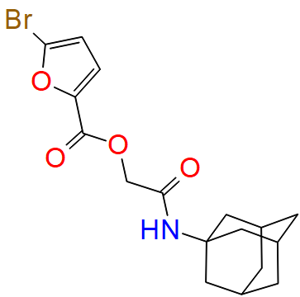 | 382.249 | -4.05 | 5.500539 | 239.92 | 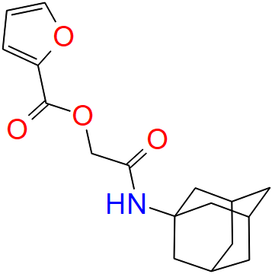 | 303.3529 | -5.14 | 3.97618 | 215.53 | 1.52 | 24.39 | 1.09
22 |  | 370.3345 | -3.44 | 9.39756 | 267.57 |  | 352.344 | -4.68365 | 9.177785 | 267.23 | 0.22 | 0.34 | 1.24365
23 |  | 410.3208 | -1.21 | 3.722843 | 205.32 |  | 320.3685 | -2.91 | 5.40646 | 202.16 | -1.68 | 3.16 | 1.7
24 | 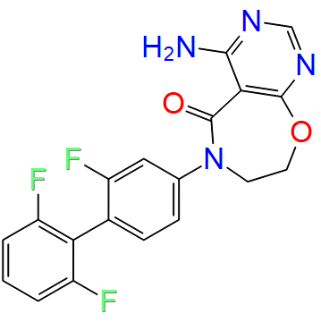 | 386.3273 | -4.11351 | 4.039548 | 282.01 | 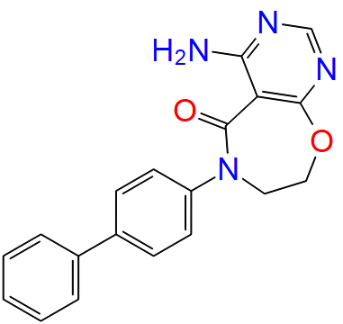 | 332.3559 | -5.52288 | 4.150751 | 283.93 | -0.11 | -1.92 | 1.40937
25 | 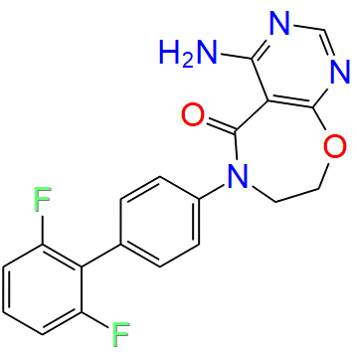 | 368.3369 | -3.85387 | 4.975715 | 283.41 |  | 332.3559 | -5.52288 | 4.150751 | 283.93 | 0.82 | -0.52 | 1.66901
26 |  | 143.5709 | 1.20466 | 2.427894 | 101.08 |  | 109.1259 | -0.73 | 2.534936 | 85.49 | -0.11 | 15.59 | 1.93466
27 |  | 111.1169 | 0.74 | 3.3763 | 82.44 |  | 93.1265 | -0.41 | 1.8519 | 83.07 | 1.52 | -0.63 | 1.15
28 |  | 172.0225 | 0.613828 | 3.9378 | 107.44 |  | 93.1265 | -0.41 |  | 83.07 | 3.94 | 24.37 | 1.023828
29 | 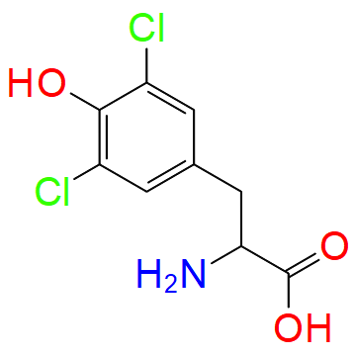 | 250.0787 | -1.52 | 2.632851 | 161.08 | 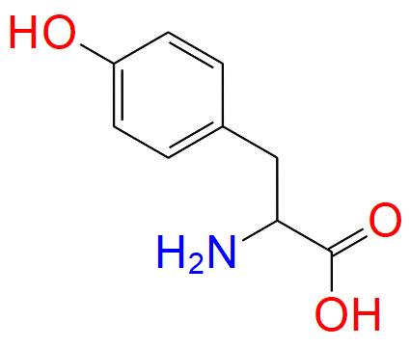 | 181.1885 | -2.59 | 1.432041 | 129.43 | 1.20 | 31.65 | 1.07
30 |  | 314.1884 | -4.05012 | 1.010601 | 215.36 |  | 296.198 | -5.30103 | 0.603 | 214.43 | 0.41 | 0.93 | 1.25091
31 |  | 416.8382 | -5 | 8.416401 | 320.48 |  | 382.3932 | -6 | 10.287229 | 299.56 | -1.87 | 20.92 | 1
32 |  | 507.9969 | -4 | 5.732781 | 387.38 |  | 473.5519 | -5 | 4.634811 | 375.86 | 1.10 | 11.52 | 1
33 |  | 361.3179 | -5.33724 | 5.126294 | 264.92 |  | 307.3465 | -7 | 6.227975 | 259.74 | -1.10 | 5.18 | 1.66276
34 |  | 366.3889 | -4.20761 | 2.824285 | 294.84 |  | 348.3984 | -5.30103 | 1.959398 | 292.33 | 0.86 | 2.51 | 1.09342
35 |  | 642.9897 | -0.444595 | 6.06485 | 423.53 |  | 608.5447 | -6.61 | 6.73612 | 428.98 | -0.67 | -5.45 | 6.165405
36 |  | 687.4407 | -0.506824 | 8.218156 | 449.38 |  | 608.5447 | -6.61 | 6.73612 | 428.98 | 1.48 | 20.4 | 6.103176
37 |  | 671.4413 | -1.68713 | 6.556721 | 436.36 |  | 592.5453 | -5.10997 | 6.73612 | 428.98 | -0.18 | 7.38 | 3.42284
38 |  | 442.8954 | -3 | 7.337244 | 333.11 |  | 408.4504 | -4.04 | 6.205705 | 323.97 | 1.13 | 9.14 | 1.04
39 |  | 515.5308 | -1.82017 | 7.58 | 358.80 |  | 479.5499 | -3.53 | 7.392846 | 359.47 | 0.19 | -0.67 | 1.70983
40 |  | 413.4254 | -3.76955 | 7.380481 | 315.59 |  | 395.435 | -5.60206 | 2.832206 | 299.19 | 4.55 | 16.4 | 1.83251
41 | 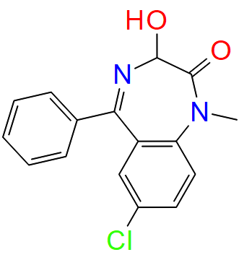 | 300.7396 | -2.7 | 4.65018 | 235.51 |  | 266.2946 | -3.82 | 5.916278 | 218 | -1.27 | 17.51 | 1.12
42 | 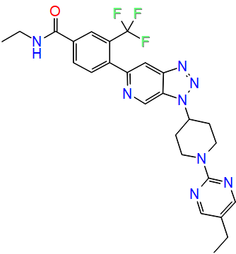 | 524.5408 | -5.92082 | 5.996508 | 407.96 | 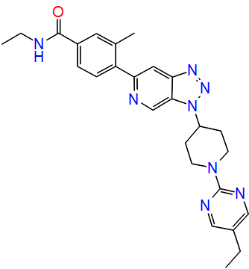 | 470.5694 | -7.04576 | 7.142284 | 408.68 | -1.15 | -0.72 | 1.12494
43 |  | 610.63 | -3.95328 | 5.642329 | 504.3 |  | 556.6586 | -5.7456 | 5.154236 | 518.7 | 0.49 | -14.4 | 1.79232
44 |  | 357.7942 | -4.25261 | 9.059636 | 352.24 |  | 323.3492 | -7.20865 | 8.95753 | 348.53 | 0.10 | 3.71 | 2.95604
45 |  | 481.1413 | -4.38125 | 8.63378 | 377.09 |  | 323.3492 | -7.20865 | 8.95753 | 348.53 | -0.32 | 28.56 | 2.8274
46 | 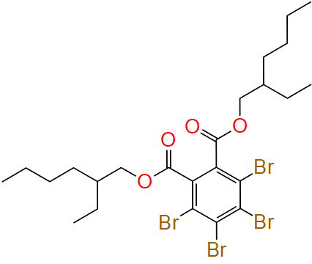 | 706.1404 | -5.94908 | 2.32304 | 402.61 | 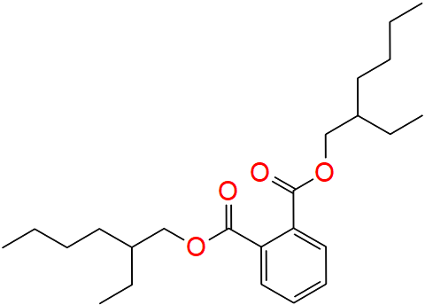 | 390.5561 | -6.97 | 0.562998 | 309.18 | 1.76 | 93.43 | 1.02092
47 |  | 148.6736 | -3.67 | 2.386887 | 118.32 |  | 114.2285 | -5.16 | 0.091316 | 104.3 | 2.30 | 14.02 | 1.49
48 |  | 127.0123 | -0.92 | 0 | 83.53 |  | 58.1222 | -2.82 | 0 | 54.33 | 0.00 | 29.2 | 1.9
49 |  | 452.4302 | -3.35453 | 4.099465 | 315.35 | 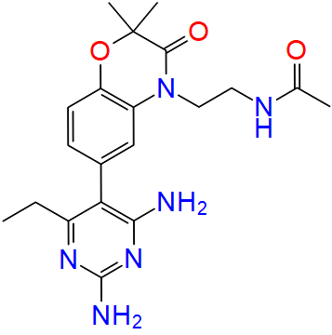 | 398.4588 | -4.559 | 2.992258 | 307.11 | 1.11 | 8.24 | 1.20447
50 |  | 676.7312 | -4.34679 | 8.007559 | 520.92 |  | 622.7598 | -5.52288 | 5.092197 | 520.42 | 2.92 | 0.5 | 1.17609
51 |  | 141.9839 | -0.51 | 3.021197 | 79.42 |  | 73.0938 | -4.23 | 3.743785 | 52.22 | -0.72 | 27.2 | 3.72
52 |  | 324.3489 | -5.01 | 3.797372 | 255.07 |  | 306.3584 | -6.01 | 2.890417 | 257.48 | 0.91 | -2.41 | 1
53 |  | 383.7885 | -4.14267 | 2.355625 | 299.9 |  | 349.3434 | -5.30103 | 0.824536 | 283.47 | 1.53 | 16.43 | 1.15836
54 |  | 406.8649 | -3.67778 | 4.386962 | 354.56 |  | 372.4198 | -4.69897 | 2.508976 | 336.1 | 1.88 | 18.46 | 1.02119
55 |  | 499.5314 | -1.46052 | 7.610598 | 365.07 |  | 463.5505 | -3.7 | 7.077202 | 353.46 | 0.53 | 11.61 | 2.23948
56 |  | 345.8895 | -4.3 | 4.542583 | 290.69 |  | 311.4444 | -5.72 | 3.699206 | 276.41 | 0.84 | 14.28 | 1.42
57 |  | 345.8895 | -4.3 | 3.011077 | 290.47 |  | 311.4444 | -5.72 | 1.487125 | 272.51 | 1.52 | 17.96 | 1.42
58 |  | 205.6619 | -0.36 | 4.547576 | 136.96 |  | 171.2169 | -1.74 | 4.311681 | 121.54 | 0.24 | 15.42 | 1.38
59 |  | 340.8035 | -3.9 | 5.071087 | 262.43 |  | 306.3584 | -5.16 | 4.353218 | 250.5 | 0.72 | 11.93 | 1.26
60 |  | 361.19 | -4.4 | 5.353378 | 255.54 |  | 282.294 | -5.67 | 5.299929 | 228.59 | 0.05 | 26.95 | 1.27
61 |  | 281.6519 | -3.82 | 7.96429 | 189.62 |  | 247.2069 | -6.09 | 4.754115 | 172.32 | 3.21 | 17.3 | 2.27
62 |  | 281.6519 | -4.24 | 7.358888 | 188.76 |  | 247.2069 | -6.09 | 3.52308 | 174.74 | 3.84 | 14.02 | 1.85
63 | 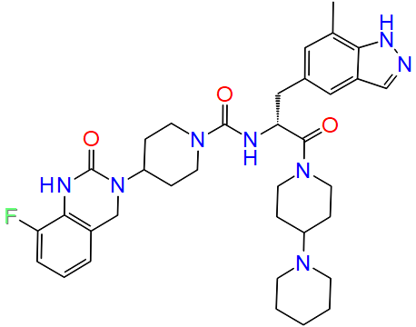 | 644.782 | -0.110452 | 8.878421 | 494.23 | 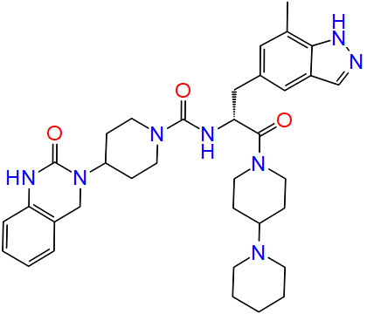 | 626.7915 | -1.62104 | 7.635151 | 494.27 | 1.24 | -0.04 | 1.510588
64 |  | 296.7509 | -3.91 | 3.869424 | 246.3 |  | 262.3059 | -4.94 | 5.353378 | 236.76 | -1.48 | 9.54 | 1.03
65 | 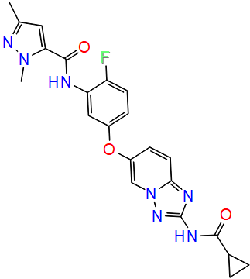 | 449.4377 | -3.83976 | 6.111804 | 345.21 | 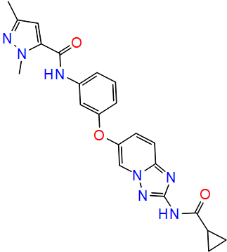 | 431.4472 | -5.55576 | 2.348474 | 358.4 | 3.76 | -13.19 | 1.716
66 |  | 348.8288 | -5.45593 | 6.106176 | 314.1 |  | 314.3837 | -7 | 3.936098 | 293.02 | 2.17 | 21.08 | 1.54407
67 |  | 376.8819 | -5.55284 | 5.748867 | 331.85 |  | 342.4369 | -6.58503 | 3.85922 | 313.61 | 1.89 | 18.24 | 1.03219
68 |  | 376.8819 | -5.4 | 6.038638 | 335.11 |  | 342.4369 | -6.58503 | 3.85922 | 313.61 | 2.18 | 21.5 | 1.18503
69 |  | 538.013 | -4.13 | 10.178713 | 380.04 |  | 503.568 | -5.22 | 10.854462 | 367.56 | -0.68 | 12.48 | 1.09
70 |  | 92.5673 | -1.51 | 2.409863 | 67.99 |  | 58.1222 | -2.85 | 0.14 | 54.24 | 2.27 | 13.75 | 1.34
71 |  | 538.013 | -4.13 | 4.362179 | 383.56 |  | 503.568 | -5.22 | 3.051722 | 367.53 | 1.31 | 16.03 | 1.09
72 |  | 502.9522 | -4.63264 | 3.768201 | 422 |  | 468.5072 | -5.69897 | 5.872722 | 430.71 | -2.10 | -8.71 | 1.06633
73 |  | 196.0661 | -2.43688 | 3.377186 | 63.39 |  | 70.1329 | -3.56 | 0.023816 | 60.61 | 3.35 | 2.78 | 1.12312
74 |  | 337.119 | -4.11351 | 1.746163 | 227.04 |  | 222.242 | -5.1549 | 2.105736 | 195.61 | -0.36 | 31.43 | 1.04139
75 |  | 290.3509 | -2.8786 | 21.226382 | 213.3 |  | 254.37 | -4.01 | 17.258048 | 207.87 | 3.97 | 5.43 | 1.1314
76 |  | 534.0524 | -3.11976 | 5.171701 | 451.49 |  | 499.6073 | -4.14 | 5.422721 | 437.95 | -0.25 | 13.54 | 1.02024
77 |  | 657.4148 | -0.817842 | 4.527892 | 425.13 |  | 578.5187 | -3.70542 | 4.343895 | 403.87 | 0.18 | 21.26 | 2.887578

