Dashboard
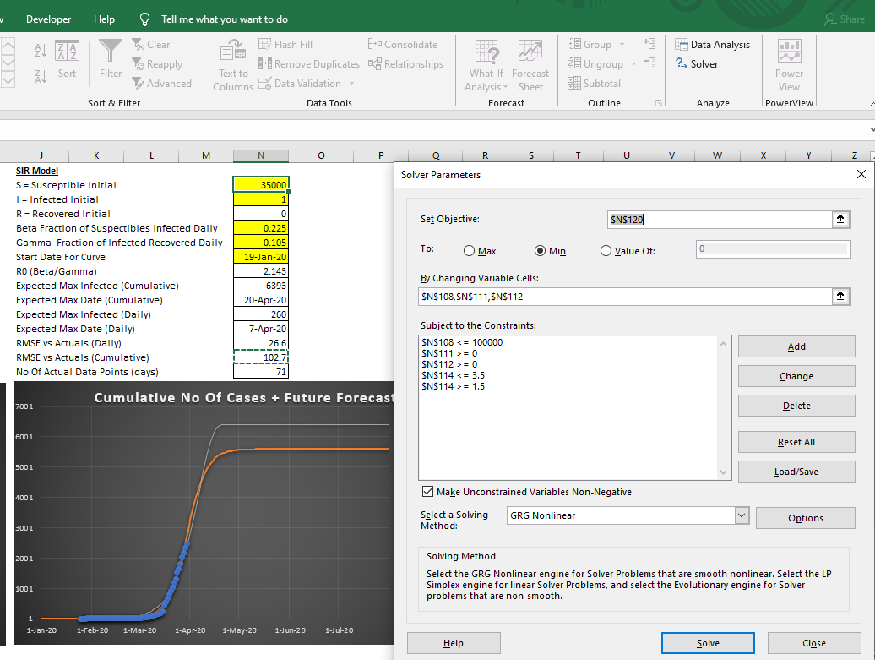
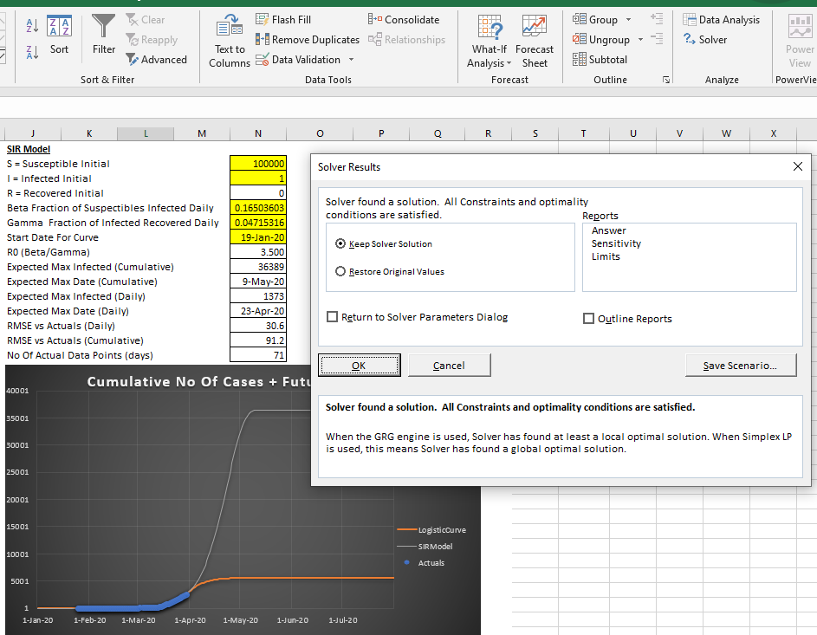
 | Covid-19 Epidemic Dashboard
 | NOTE : DO NOT Edit Any Of The Other Tabs - All Data Visualisation Is Set On The Dashboard Tab (Last Revised Aug 2020 to fix broken links due to changes in ECDC data formats) |  |  |  |  |  |  |  |  |  |  | Singapore
 | A. Visualisation Of Reported Cases & Stock Market Info |  |  |  |  |  |  |  |  |  |  | Straits Times Index
 | A.1 Visualising Impact Of Covid-19 vs Market Performance For Single Country |  |  |  |  |  |  |  |  |  |  | Category Primary Min: 23/1/2020
 |  |  |  |  |  |  |  |  |  |  |  | Category Primary Min: 1/1/2020
SET COUNTRY
1 | Select country: |  | Singapore |  |  |  |  |  |  |  |  | Category Primary Max: 31/10/2020
 |  |  |  |  |  |  |  |  |  |  |  | Category Primary Min: 1/1/2020
2 | Market Information (if available) will be updated from Yahoo Finance (Note : Not all countries have market data (Will show up as a #NA if not avail) |  |  |  |  |  |  |  |  |  |  | Category Primary Max: 31/10/2020
 |  |  |  |  |  |  |  |  |  |  |  | Category Primary Max: 28/8/2020
REFRESH ACTUALS
3 | (OPTIONAL) Click to update No Of Cases data direct from ECDC website if existing data not current |  |  |  |  |  |  | Existing Data Extracted Until : | 26-Aug-20
 | (Source : European Centre for Disease Control Website)
YTD Change In Stock Market Index vs Cumulative Cases
 | Market Index | CumulativeCasesActual
2020-01-01 | 0 | 0
2020-01-02 | 3252 | 0
2020-01-03 | 3238.820068 | 0
2020-01-04 | 0 | 0
2020-01-05 | 0 | 0
2020-01-06 | 3218.860107 | 0
2020-01-07 | 3247.860107 | 0
2020-01-08 | 3245.889893 | 0
2020-01-09 | 3247.47998 | 0
2020-01-10 | 3255.949951 | 0
2020-01-11 | 0 | 0
2020-01-12 | 0 | 0
2020-01-13 | 3251.070068 | 0
2020-01-14 | 3270.540039 | 0
2020-01-15 | 3256.97998 | 0
2020-01-16 | 3278 | 0
2020-01-17 | 3281.030029 | 0
2020-01-18 | 0 | 0
2020-01-19 | 0 | 0
2020-01-20 | 3280.090088 | 0
2020-01-21 | 3247.169922 | 0
2020-01-22 | 3253.929932 | 0
2020-01-23 | 3234.560059 | 0
2020-01-24 | 3240.02002 | 3
2020-01-25 | 0 | 3
2020-01-26 | 0 | 4
2020-01-27 | 0 | 4
2020-01-28 | 3181.25 | 5
2020-01-29 | 3182.570068 | 7
2020-01-30 | 3170.679932 | 10
2020-01-31 | 3153.72998 | 13
2020-02-01 | 0 | 16
2020-02-02 | 0 | 18
2020-02-03 | 3116.310059 | 18
2020-02-04 | 3156.570068 | 18
2020-02-05 | 3200.129883 | 24
2020-02-06 | 3231.550049 | 28
2020-02-07 | 3181.47998 | 30
2020-02-08 | 0 | 33
2020-02-09 | 0 | 40
2020-02-10 | 3163.149902 | 43
2020-02-11 | 3175.570068 | 45
2020-02-12 | 3223.370117 | 47
2020-02-13 | 3220.090088 | 50
2020-02-14 | 3220.030029 | 58
2020-02-15 | 0 | 67
2020-02-16 | 0 | 72
2020-02-17 | 3213 | 75
2020-02-18 | 3196.629883 | 77
2020-02-19 | 3213.709961 | 81
...
Country :
Singapore
 |  |  |  |  |  |  |  |  | Peak # Cases (To Date)
 |  |  |  |  |  |  |  |  | 49,290 | cases

Market Index :
Straits Times Index

 | Min Cut Off | 23-Jan-20 |  |  |  | Max Cut Off Date | 28-Aug-20

4 | Update the Cut Off Min and Max dates (type into the cells) to have a closer look at desired time period

 | A.2 Comparing No Of Cases Across Multiple Countries
Set the countries using the slicer below and use the datrep on the right to set the time period
1

Comparison Of No Of Cases By Country (Daily)
 | Indonesia | Malaysia | Philippines | Singapore | Thailand
 | 0 | 0 | 0 | 0 | 0
 | 0 | 0 | 0 | 0 | 0
 | 0 | 0 | 0 | 0 | 0
 | 0 | 0 | 0 | 0 | 0
 | 0 | 0 | 0 | 0 | 0
 | 0 | 0 | 0 | 0 | 0
 | 0 | 0 | 0 | 0 | 0
 | 0 | 0 | 0 | 0 | 0
 | 0 | 0 | 0 | 0 | 0
 | 0 | 0 | 0 | 0 | 0
 | 0 | 0 | 0 | 0 | 0
 | 0 | 0 | 0 | 0 | 0
 | 0 | 0 | 0 | 0 | 1
 | 0 | 0 | 0 | 0 | 0
 | 0 | 0 | 0 | 0 | 0
 | 0 | 0 | 0 | 0 | 0
 | 0 | 0 | 0 | 0 | 1
 | 0 | 0 | 0 | 0 | 0
 | 0 | 0 | 0 | 0 | 0
 | 0 | 0 | 0 | 0 | 0
 | 0 | 0 | 0 | 0 | 0
 | 0 | 0 | 0 | 0 | 2
 | 0 | 0 | 0 | 0 | 0
 | 0 | 0 | 0 | 3 | 0
 | 0 | 3 | 0 | 0 | 1
 | 0 | 1 | 0 | 1 | 0
 | 0 | 0 | 0 | 0 | 3
 | 0 | 0 | 0 | 1 | 6
 | 0 | 3 | 0 | 2 | 0
 | 0 | 0 | 1 | 3 | 0
 | 0 | 1 | 0 | 3 | 0
 | 0 | 0 | 0 | 3 | 5
 | 0 | 0 | 1 | 2 | 0
 | 0 | 0 | 0 | 0 | 0
 | 0 | 0 | 0 | 0 | 0
 | 0 | 2 | 0 | 6 | 6
 | 0 | 2 | 1 | 4 | 0
 | 0 | 2 | 0 | 2 | 0
 | 0 | 1 | 0 | 3 | 7
 | 0 | 1 | 0 | 7 | 0
 | 0 | 2 | 0 | 3 | 0
 | 0 | 0 | 0 | 2 | 0
 | 0 | 0 | 0 | 2 | 1
 | 0 | 0 | 0 | 3 | 0
 | 0 | 1 | 0 | 8 | 0
 | 0 | 2 | 0 | 9 | 1
 | 0 | 1 | 0 | 5 | 0
 | 0 | 0 | 0 | 3 | 0
 | 0 | 0 | 0 | 2 | 1
 | 0 | 0 | 0 | 4 | 0
...

 | Country1 | Singapore
 | Country2 | Malaysia
 | Country3 | Indonesia
 | Country4 | Thailand
 | Country5 | Philippines

SET COUNTRIES

WARNING:
Cumulative No is calculated based on the daterep slicer bar setting. I.e to get a true reflection of cum no of cases, please set the start date earlier(e.g. 1 Jan 2020)
Comparison Of No Of Cases By Country (Cumulative)
 | Indonesia | Malaysia | Philippines | Singapore | Thailand
 | 0 | 0 | 0 | 0 | 0
 | 0 | 0 | 0 | 0 | 0
 | 0 | 0 | 0 | 0 | 0
 | 0 | 0 | 0 | 0 | 0
 | 0 | 0 | 0 | 0 | 0
 | 0 | 0 | 0 | 0 | 0
 | 0 | 0 | 0 | 0 | 0
 | 0 | 0 | 0 | 0 | 0
 | 0 | 0 | 0 | 0 | 0
 | 0 | 0 | 0 | 0 | 0
 | 0 | 0 | 0 | 0 | 0
 | 0 | 0 | 0 | 0 | 0
 | 0 | 0 | 0 | 0 | 1
 | 0 | 0 | 0 | 0 | 1
 | 0 | 0 | 0 | 0 | 1
 | 0 | 0 | 0 | 0 | 1
 | 0 | 0 | 0 | 0 | 2
 | 0 | 0 | 0 | 0 | 2
 | 0 | 0 | 0 | 0 | 2
 | 0 | 0 | 0 | 0 | 2
 | 0 | 0 | 0 | 0 | 2
 | 0 | 0 | 0 | 0 | 4
 | 0 | 0 | 0 | 0 | 4
 | 0 | 0 | 0 | 3 | 4
 | 0 | 3 | 0 | 3 | 5
 | 0 | 4 | 0 | 4 | 5
 | 0 | 4 | 0 | 4 | 8
 | 0 | 4 | 0 | 5 | 14
 | 0 | 7 | 0 | 7 | 14
 | 0 | 7 | 1 | 10 | 14
 | 0 | 8 | 1 | 13 | 14
 | 0 | 8 | 1 | 16 | 19
 | 0 | 8 | 2 | 18 | 19
 | 0 | 8 | 2 | 18 | 19
 | 0 | 8 | 2 | 18 | 19
 | 0 | 10 | 2 | 24 | 25
 | 0 | 12 | 3 | 28 | 25
 | 0 | 14 | 3 | 30 | 25
 | 0 | 15 | 3 | 33 | 32
 | 0 | 16 | 3 | 40 | 32
 | 0 | 18 | 3 | 43 | 32
 | 0 | 18 | 3 | 45 | 32
 | 0 | 18 | 3 | 47 | 33
 | 0 | 18 | 3 | 50 | 33
 | 0 | 19 | 3 | 58 | 33
 | 0 | 21 | 3 | 67 | 34
 | 0 | 22 | 3 | 72 | 34
 | 0 | 22 | 3 | 75 | 34
 | 0 | 22 | 3 | 77 | 35
 | 0 | 22 | 3 | 81 | 35
...

 | B. Curve-Fitting & Forecasting
 | B.1. Modelling No Of Cases Using Logistic Curve & SIR Model

 | A logistic growth curve is a typical pattern for the growth of cumulative no of cases |  |  |  | The SIR model consists of three compartments: S for the number of susceptible, I for the number
 | https://arxiv.org/ftp/arxiv/papers/2003/2003.05681.pdf |  |  |  | of infectious, and R for the number of recovered or deceased (or immune) individuals. This model
 |  |  |  |  | is reasonably predictive for infectious diseases which are transmitted from human to human,
 |  |  |  |  | and where recovery confers lasting resistance,
 |  |  |  |  | https://en.wikipedia.org/wiki/Compartmental_models_in_epidemiology
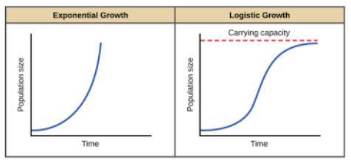
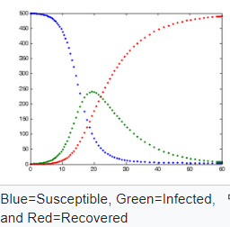
 |  |  |  |  |  |  | Note the chart shows daily numbers NOT cumulative

yellow
1 | Manually change the yellow cells to see the effect on the predicted curves, set the start date for the curves to be generally around the start for the chosen country
 | The white cells are automatically calculated
 | The Root Mean Square Error is calculated against the available ACTUAL dates vs model

 | Logistic Curve |  |  |  | SIR Model
 | k (steepness) |  |  | 11 | S = Susceptible Initial |  |  | 100000
 | Xo (mid point) |  |  | 150 | I = Infected Initial |  |  | 5
 | L (Max Infected Cumulative Cases) |  |  | 60000 | R = Recovered Initial |  |  | 0
 | Start Date For Curve |  |  | 19-Jan-20 | Beta Fraction of Suspectibles Infected Daily |  |  | 0.12158124056
 | Expected Max Date |  |  | #N/A | Gamma Fraction of Infected Recovered Daily |  |  | 0.034737507114
 | RMSE vs Actuals (Daily) |  |  | 379.6 | Start Date For Curve |  |  | 30-Jan-20
 | RMSE vs Actuals (Cumulative) |  |  | 8611.8 | R0 (Beta/Gamma) |  |  | 3.500
 | No Of Actual Data Points (days) |  |  | 195 | Expected Max Infected (Cumulative) |  |  | 36194
 |  |  |  |  | Expected Max Date (Cumulative) |  |  | 8-Jun-20
 |  |  |  |  | Expected Max Infected (Daily) |  |  | 1011
 |  |  |  |  | Expected Max Date (Daily) |  |  | 17-May-20
 |  |  |  |  | RMSE vs Actuals (Daily) |  |  | 370.2
 |  |  |  |  | RMSE vs Actuals (Cumulative) |  |  | 7839.7
 |  |  |  |  | No Of Actual Data Points (days) |  |  | 195
No Of Cases (Daily) + Future "Forecast"
 | LogisticCurve | SIR_Model | Actuals
1-Jan-20 | 0 | 0 | 0
2-Jan-20 | 0 | 0 | 0
3-Jan-20 | 0 | 0 | 0
4-Jan-20 | 0 | 0 | 0
5-Jan-20 | 0 | 0 | 0
6-Jan-20 | 0 | 0 | 0
7-Jan-20 | 0 | 0 | 0
8-Jan-20 | 0 | 0 | 0
9-Jan-20 | 0 | 0 | 0
10-Jan-20 | 0 | 0 | 0
11-Jan-20 | 0 | 0 | 0
12-Jan-20 | 0 | 0 | 0
13-Jan-20 | 0 | 0 | 0
14-Jan-20 | 0 | 0 | 0
15-Jan-20 | 0 | 0 | 0
16-Jan-20 | 0 | 0 | 0
17-Jan-20 | 0 | 0 | 0
18-Jan-20 | 0 | 0 | 0
19-Jan-20 | 0 | 0 | 0
20-Jan-20 | 0 | 0 | 0
21-Jan-20 | 0 | 0 | 0
22-Jan-20 | 0 | 0 | 0
23-Jan-20 | 0 | 0 | 0
24-Jan-20 | 0 | 0 | 3
25-Jan-20 | 0 | 0 | 0
26-Jan-20 | 0 | 0 | 1
27-Jan-20 | 0 | 0 | 0
28-Jan-20 | 0 | 0 | 1
29-Jan-20 | 0 | 0 | 2
30-Jan-20 | 0 | 5 | 3
31-Jan-20 | 0 | 0 | 3
1-Feb-20 | 0 | 0 | 3
2-Feb-20 | 0 | 1 | 2
3-Feb-20 | 0 | 1 | 0
4-Feb-20 | 0 | 1 | 0
5-Feb-20 | 0 | 1 | 6
6-Feb-20 | 0 | 1 | 4
7-Feb-20 | 0 | 1 | 2
8-Feb-20 | 0 | 1 | 3
9-Feb-20 | 1 | 1 | 7
10-Feb-20 | 0 | 1 | 3
11-Feb-20 | 0 | 1 | 2
12-Feb-20 | 0 | 1 | 2
13-Feb-20 | 0 | 1 | 3
14-Feb-20 | 0 | 1 | 8
15-Feb-20 | 0 | 2 | 9
16-Feb-20 | 0 | 2 | 5
17-Feb-20 | 0 | 2 | 3
18-Feb-20 | 0 | 2 | 2
19-Feb-20 | 0 | 2 | 4
...
Cumulative No Of Cases + Future Forecast
 | LogisticCurve | SIRModel | Actuals
1-Jan-20 | 0 | 0 | 0
2-Jan-20 | 0 | 0 | 0
3-Jan-20 | 0 | 0 | 0
4-Jan-20 | 0 | 0 | 0
5-Jan-20 | 0 | 0 | 0
6-Jan-20 | 0 | 0 | 0
7-Jan-20 | 0 | 0 | 0
8-Jan-20 | 0 | 0 | 0
9-Jan-20 | 0 | 0 | 0
10-Jan-20 | 0 | 0 | 0
11-Jan-20 | 0 | 0 | 0
12-Jan-20 | 0 | 0 | 0
13-Jan-20 | 0 | 0 | 0
14-Jan-20 | 0 | 0 | 0
15-Jan-20 | 0 | 0 | 0
16-Jan-20 | 0 | 0 | 0
17-Jan-20 | 0 | 0 | 0
18-Jan-20 | 0 | 0 | 0
19-Jan-20 | 0 | 0 | 0
20-Jan-20 | 0 | 0 | 0
21-Jan-20 | 0 | 0 | 0
22-Jan-20 | 0 | 0 | 0
23-Jan-20 | 0 | 0 | 0
24-Jan-20 | 0 | 0 | 3
25-Jan-20 | 0 | 0 | 3
26-Jan-20 | 0 | 0 | 4
27-Jan-20 | 0 | 0 | 4
28-Jan-20 | 0 | 0 | 5
29-Jan-20 | 0 | 0 | 7
30-Jan-20 | 0 | 5 | 10
31-Jan-20 | 0 | 5 | 13
1-Feb-20 | 0 | 6 | 16
2-Feb-20 | 0 | 6 | 18
3-Feb-20 | 0 | 7 | 18
4-Feb-20 | 0 | 8 | 18
5-Feb-20 | 0 | 8 | 24
6-Feb-20 | 0 | 9 | 28
7-Feb-20 | 0 | 10 | 30
8-Feb-20 | 0 | 11 | 33
9-Feb-20 | 1 | 11 | 40
10-Feb-20 | 1 | 12 | 43
11-Feb-20 | 1 | 14 | 45
12-Feb-20 | 1 | 15 | 47
13-Feb-20 | 1 | 16 | 50
14-Feb-20 | 1 | 17 | 58
15-Feb-20 | 1 | 19 | 67
16-Feb-20 | 1 | 21 | 72
17-Feb-20 | 1 | 22 | 75
18-Feb-20 | 1 | 24 | 77
19-Feb-20 | 1 | 26 | 81
...

 | Min Cut Off | 1-Jan-20 |  |  |  |  |  |  |  | Max Cut Off Date | 31-Oct-20

1 | Use Excel's Solver on GRG Mode to try and best fit the Root Mean Square Error for the available data points versus the predicted values from the model as per example below

