Problem Description
Pump Turbine Head Cover (Top view)
水泵水轮机顶盖

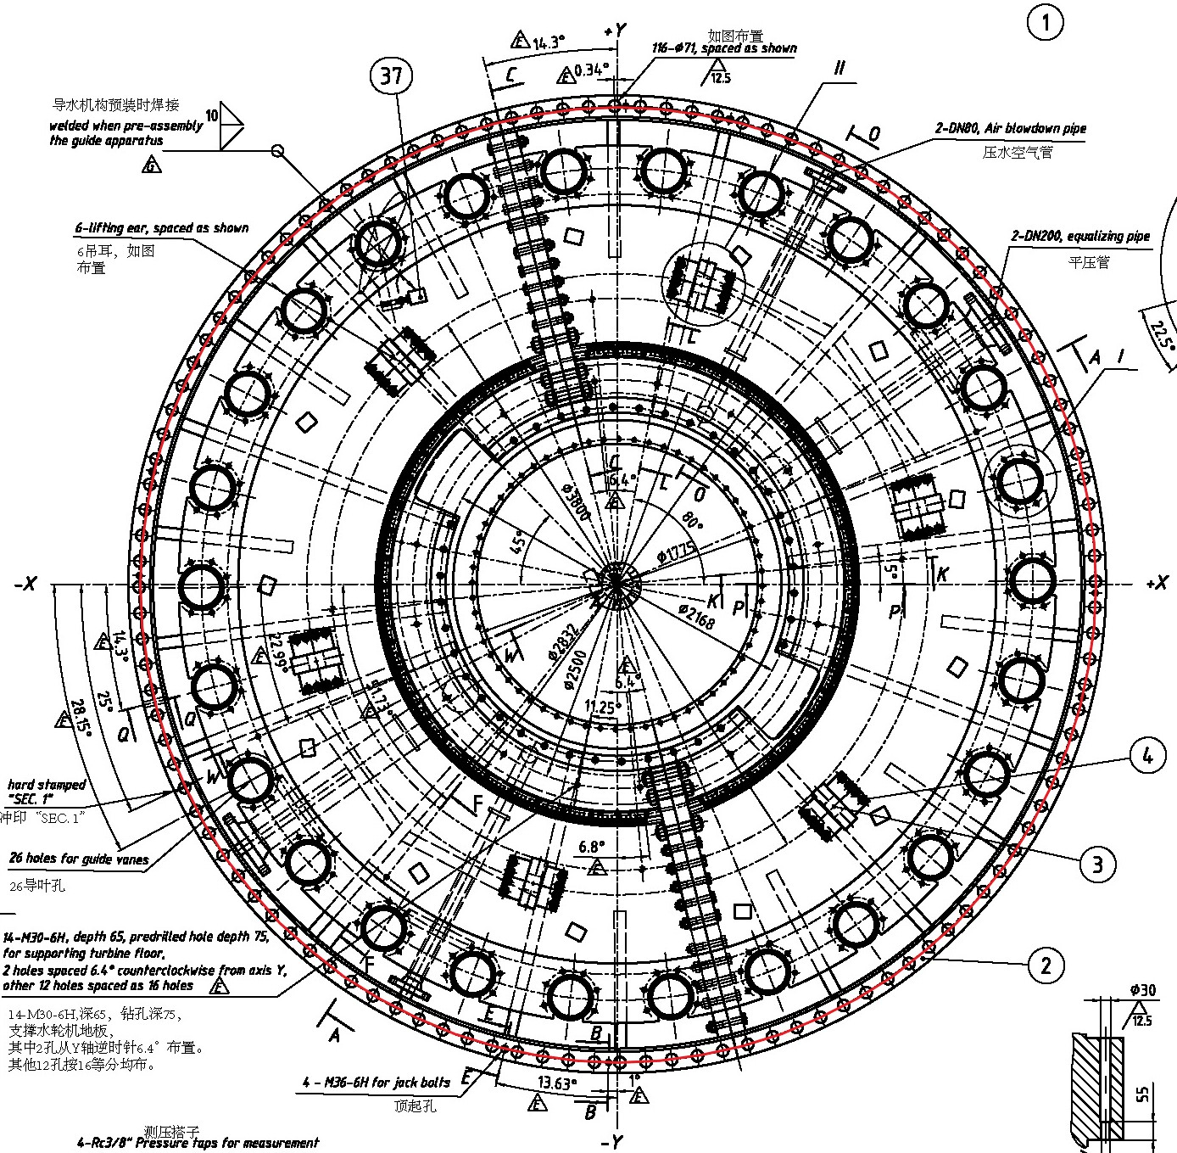
The bolts are equally distributed along the red circle on the head cover. | We want to answer the following questions:
There are 116 bolts in total. | 1. How many cameras do we need to cover all the bolts and detect looseness.
 | 2. What are the requirements of the camera?

Head Cover Specifications
Pump Turbine Head Cover (Side view)
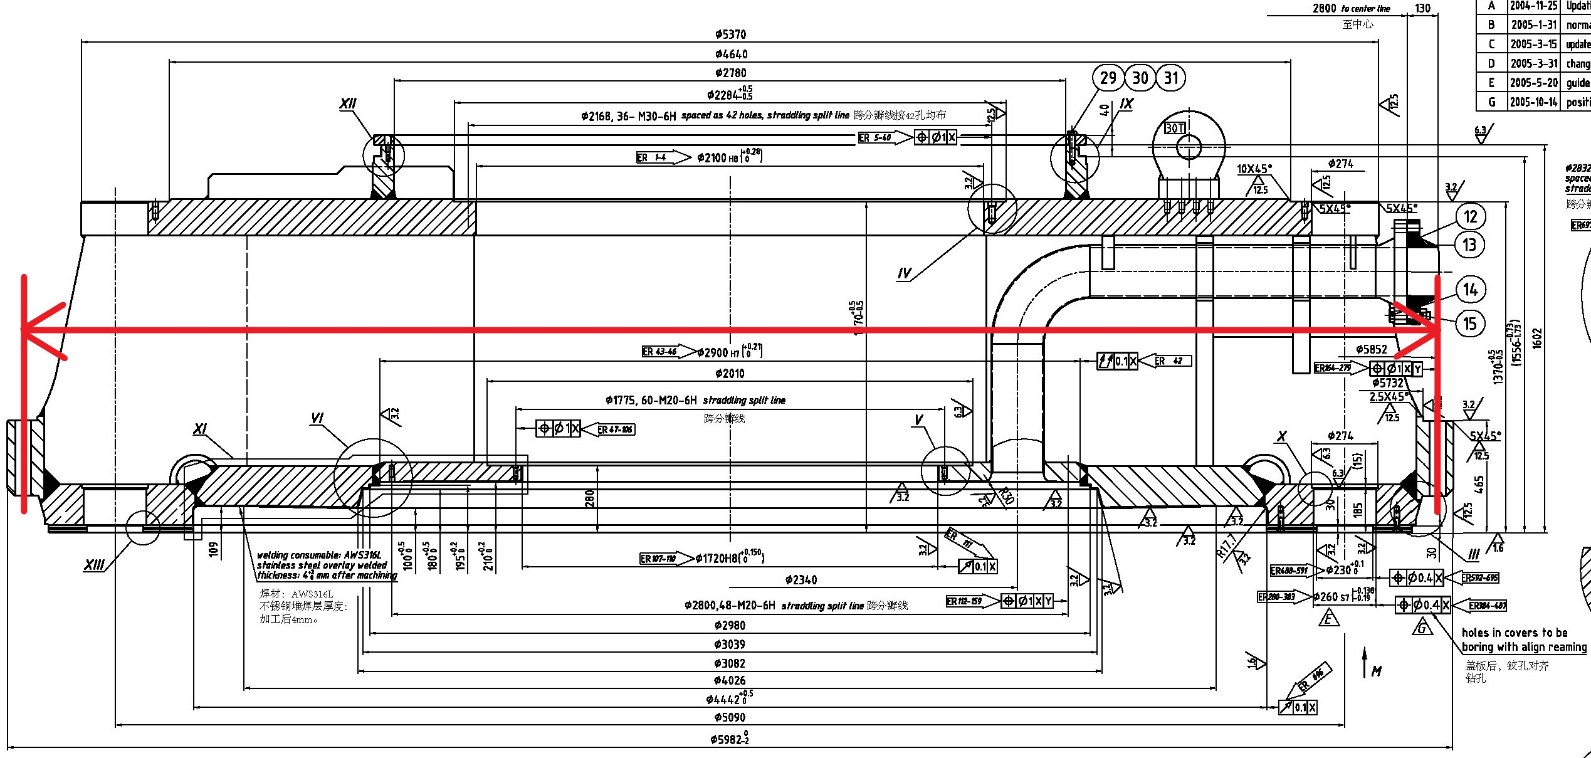
 | Diameter | 5851.6927 | mm | = | 5.85 | m
 | Radius | 2925.84635 | mm | = | 2.93 | m
 | Circumstance | 18383.634797 | mm | = | 18.38 | m

 | Total number of bolts | 116
 | Number of bolts per mm | 0.019823323942

R

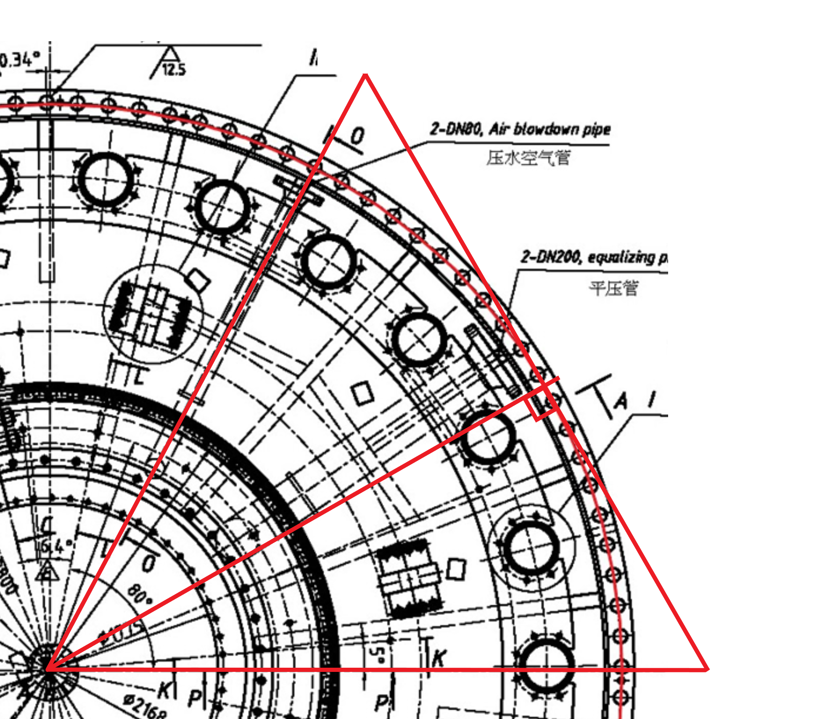
O
A
B
C
Θ
E
R
D

 | R | 2925.84635 | mm | = | 2.93 | m
 | Line AB | 1539.8649638 | mm | = | 1.54 | m
 | Line AC | 769.93248191 | mm | = | 0.77 | m

 | tan(Θ) | 0.26314863797
 | Θ | 0.25731505771 | rad | = | 14.743066812 | deg

 | Arc DCE | 752.86432241 | mm | = | 0.75 | m
 | The number of bolts covered | 14.924273347 |  | = | 14

Camera Specifications
Camera Specifications
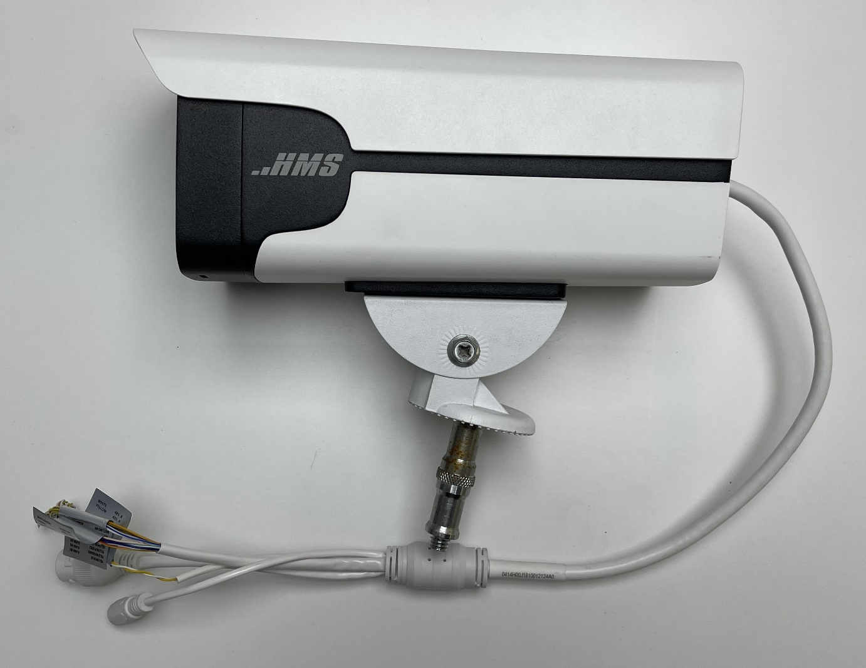
 | Resolution | Width | 2688 | Pixels
 |  | Height | 1520 | Pixels

 | Field of view | Diagonal | 141.0 | deg
 | (FOV) | Horizontal | 114.0 | deg
 |  | Vertical | 59.0 | deg

 | Distance between |  | 500 | mm | = | 0.50 | m
 | the camera and
 | the bolt

 | Horizontal
 | Half of the view angle Θ |  | 57.0 | deg | = | 0.99483767364 | rad
 | tan(Θ) |  | 1.5398649638
 | Half of the view length |  | 769.93248191 | mm | = | 0.77 | m
 | View length |  | 1539.8649638 | mm | = | 1.54 | m

 | Vertical
 | Half of the view angle Θ |  | 29.5 | deg | = | 0.51487212934 | rad
 | tan(Θ) |  | 0.56577277819
 | Half of the view length |  | 282.88638909 | mm | = | 0.28 | m
 | View length |  | 565.77277819 | mm | = | 0.57 | m

