Sheet1
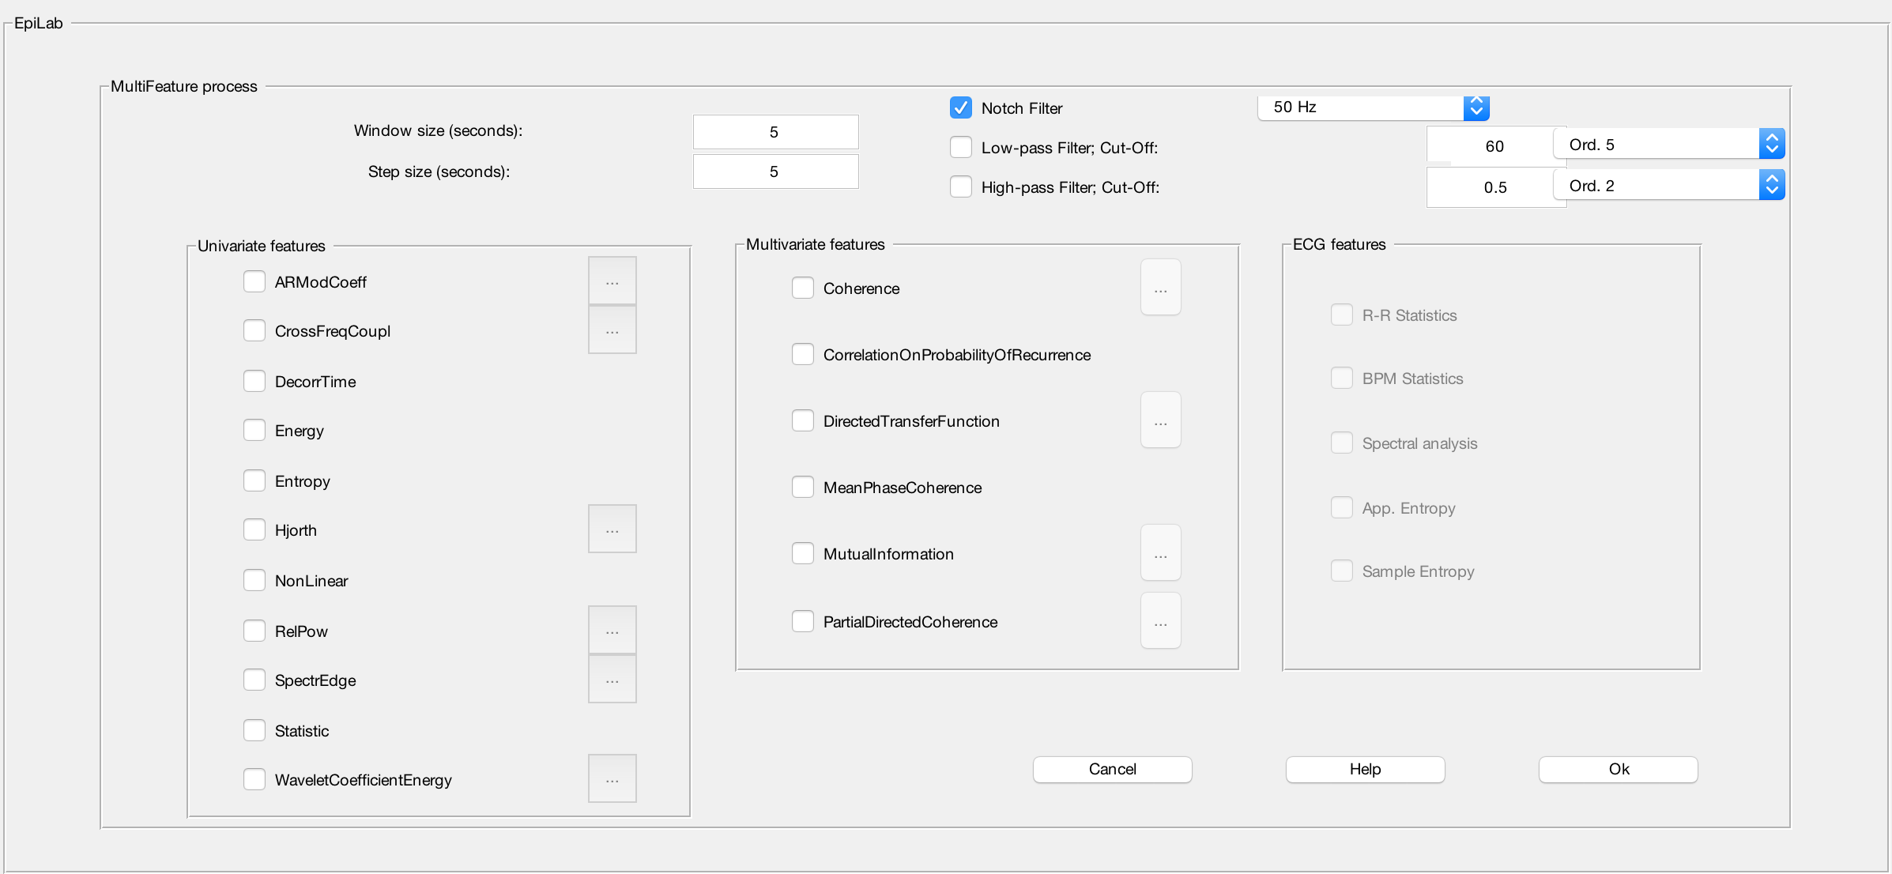
Category | Features | function name | Name in Epilab | n_var | name_var
UniLinear | mean | mean | Statistic | 0
UniLinear | skewness | skewness | Statistic | 0
UniLinear | kurtosis | kurtosis | Statistic | 0
UniLinear | AR Coeff | v_ARCoeff | ArModCoeff | 6 | AR Order,bug,cov,mcov,yule,lpc
UniLinear | Relative power | f_RelPow | RelPower | 0
UniLinear | Spectral edge | f_SpecEdgeFreq | SpectrEdge | 4 | Freq Ref, Percentage, Min Freq, AR Method (bool)
UniLinear | decorrelation time | f_DecorrTime | DecorrTime | 0
UniLinear | Hjorth mobility | f_Hjorth | Hjorth | 1 | AR Method(bool)
UniLinear | Hjorth complexity | f_Hjorth | Hjorth | 1 | AR Method(bool)
UniLinear | Higher order based on bi-spectrum EEG signals
UniNonLinear | Effective correlation dimmension | takens_estimator(e,-1,0.05,40), see NonLinear_Functions.m
UniNonLinear | Lyapunov exponent | NonLinear_Functions.m
UniNonLinear | the local flow as a measure of determininsm
NoGrp_enthopy | the algorithmic complexity (SampEn) | f_sampen | Entropy | 0
NoGrp_enthopy | the loss of recurrence a a measure of non-stationary (ApEn) | f_apen_est | Entropy | 0
OtherUni | Wavelet transform | wav_coef | WaveletCoefficientEnergy
OtherUni | short term energy | Implement Energy function in Matlab
OtherUni | long term energy | Implement Energy function in Matlab

 | Diffcult to compute due to cross coded in C++
 | Not found in feature_names
 | Not directly implemented

 | feauture_names=TimeOffset,ARCoeff,DecorrTime,LTEnergy,AppEntropy,SampEntropy,HjorthM,HjorthC,Lyapunov,CorrDimRelPowDelta,RelPowTheta,RelPowAlpha,RelPowBeta,RelPowGamma,SpectrEdgeFreq,SpectrEdgePow,Mean,Variance,Skewness,Kurtosis,Wavelet_db4_EnergyBand_1,Wavelet_db4_EnergyBand_2,Wavelet_db4_EnergyBand_3,Wavelet_db4_EnergyBand_4,Wavelet_db4_EnergyBand_5,Wavelet_db4_EnergyBand_6, |  |  |  | feauture_names=TimeOffset,,,,AppEntropy,SampEntropy,,,,,Wavelet_db4_EnergyBand_1,Wavelet_db4_EnergyBand_2,Wavelet_db4_EnergyBand_3,Wavelet_db4_EnergyBand_4,Wavelet_db4_EnergyBand_5,Wavelet_db4_EnergyBand_6,

