CC25
AIRBLOW CC25
-1.69m3/min
-1450rpm
-53.9Kpa
-4kw
AIRJET CC24
-TBLM-78-2000
-Ø120
-17190m3/h
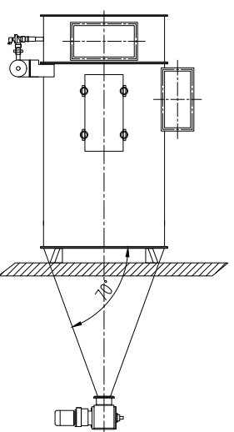
AIRJET CC22
-TBLM-104-2000
-Ø120
-22950m3/h
Moisture Measuring device

DFM

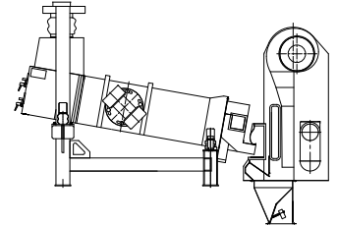
Vibro separator 1

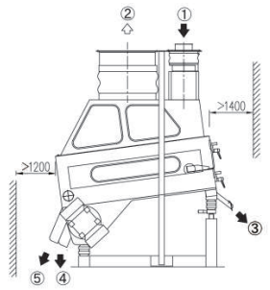
Destoner Gravity

Drum Sieve

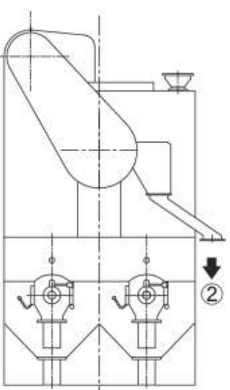
Dsic Cylinder

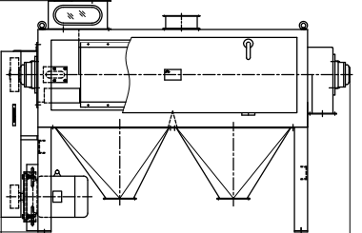
Horizontal Scoureer

IDM

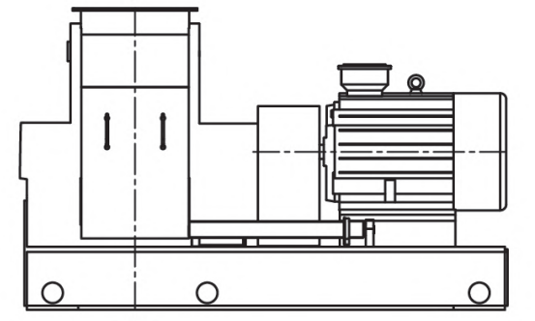
Hammer mils

CD25
AIRBLOW CD25
-1.69m3/min
-1450rpm
-53.9Kpa
-4kw
AIRJET CD24
-TBLM-78-2000
-Ø120
-17190m3/h
AIRJET CD22
-TBLM-104-2200
-Ø120
-25876m3/h
Moisture Measuring device

DFM

Vibro separator 1

Destoner Gravity

Dsic Cylinder

Horizontal Scoureer

IDM

MC83
AIRBLOW MC83
-5.9m3/min
-1450rpm
-53.9Kpa
-11kw
AIRJET CC37
-TBLM-104-2200
-Ø120
-25876m3/h
AIRJET MC79
-TBLM-104-2000
-Ø120
-22950m3/h
AIRJET MC82
-TBLM-104-2000
-Ø120
-22950m3/h

Destoner Gravity
Air Cyclone Separator
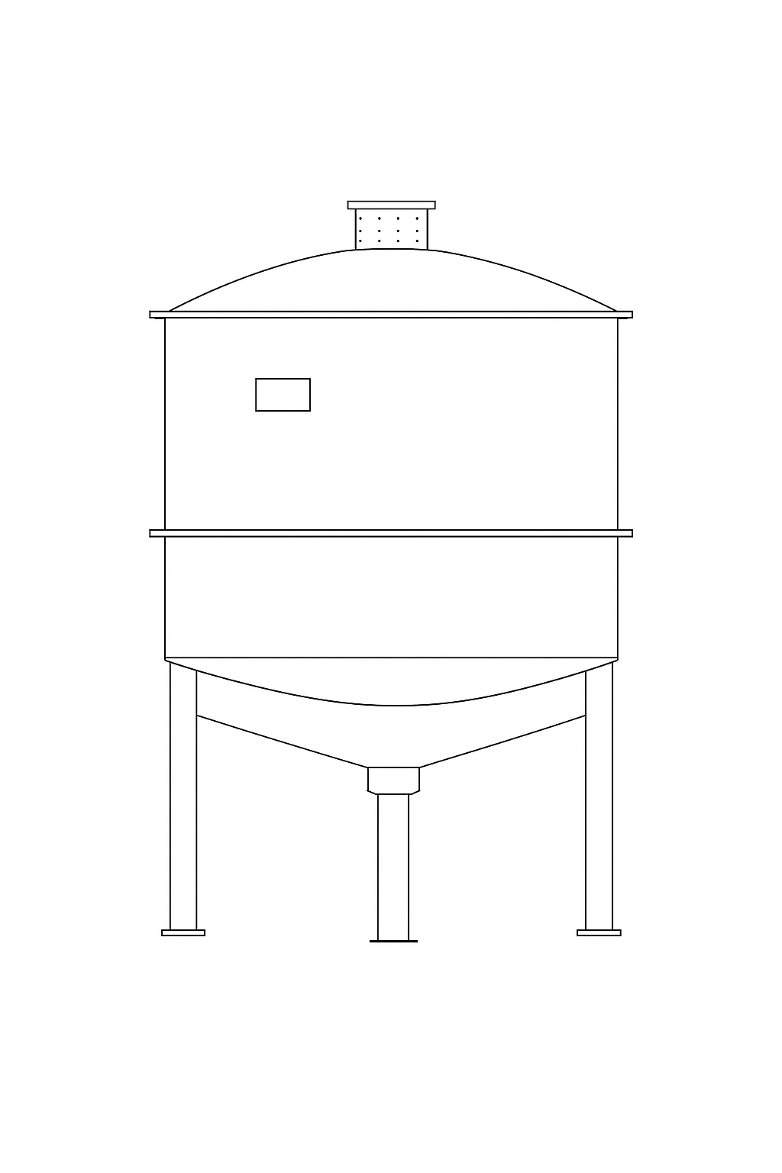
Aspiration separator

AIRJET CC39
-TBLM-52-2000
-Ø120
-11460m3/h

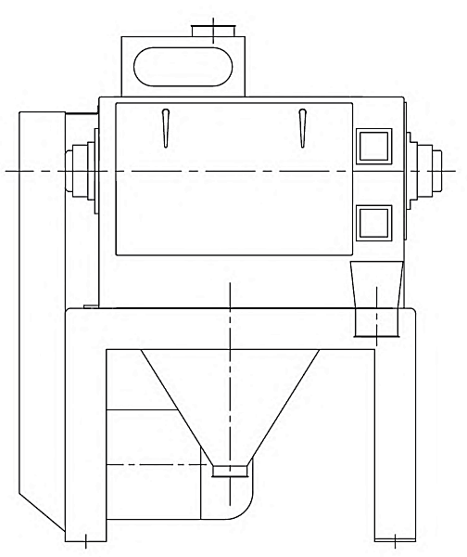
Horizontal Scourer

AIRJET MC47
-TBLM-130-2400
-Ø120
-34560m3/h
AIRJET MC08-TBLM-25-1200
-Ø120
-3528m3/h
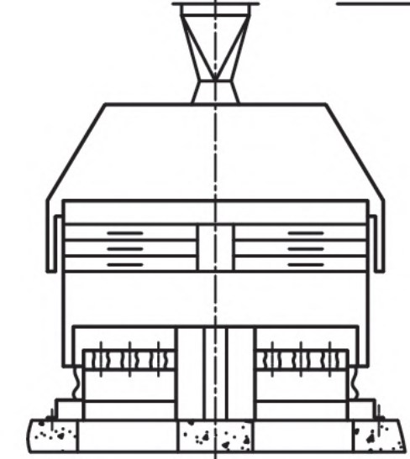
Purifier
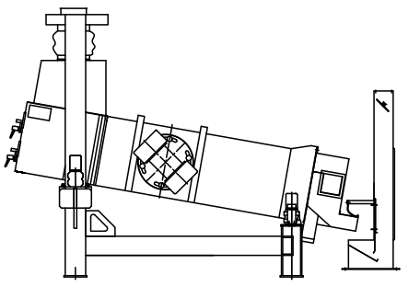
Vibro separator 2
Conveyor

Bucket Elevator
AIRJET MC115
-TBLM-52-2000
-Ø120
-11460m3/h

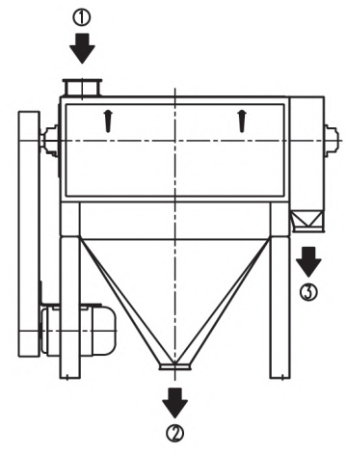
Bran Finisher

Bucket Elevator

MD83
AIRBLOW CC25
-1.69m3/min
-1450rpm
-53.9Kpa
-4kw
AIRJET CD37
-TBLM-104-2000
-Ø120
-22950m3/h
AIRJET MD79
-TBLM-104-2200
-Ø120
-25876m3/h
AIRJET MD82
-TBLM-104-2200
-Ø120
-25876m3/h

Destoner Gravity
Aspiration separator
Air Cyclone Separator

AIRJET CD39
-TBLM-52-2000
-Ø120
-11460m3/h

Horizontal Scourer

AIRJET MD47
-TBLM-130-2400
-Ø120
-34560m3/h
Purifier
Vibro separator 2

Conveyor

Bucket Elevator
AIRJET MC115
-TBLM-52-2000
-Ø120
-11460m3/h

Bucket Elevator

