Table 1
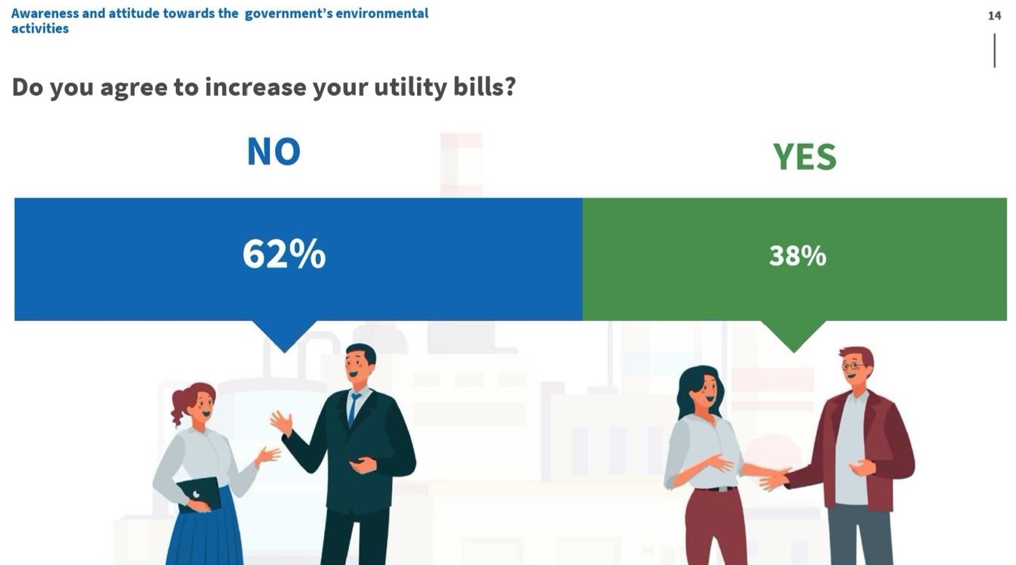
The Climate Change Project of UNDP in Kazakhstan conducted an opinion survey to identify Kazakhstan's awareness of climate issues and their willingness to contribute to reducing environmental problems.
200 representatives of the oil and gas, energy, manufacturing sectors, media community, and students over 14 years old have answered the survey questions. The survey was conducted in the cities of Nur-Sultan, Almaty, as well as the Kostanay, East Kazakhstan and Karaganda regions.
The survey has shown the following:
52.5% of respondents negatively assessed the environmental situation in Kazakhstan. 63% of them are aware of the climate change problem and the threat it poses to the humanity.
Among the probable climate change effects in Kazakhstan the respondents selected a shortage of drinking water (77%), an increasing incidence of diseases among the population (75%), an increasing frequency of natural disasters (66%).
Of all the consequences of climate change, Kazakhstanis are most concerned about problems associated with air pollution and emissions of harmful substances into the atmosphere (61.5%). The next are the problems associated with the accumulation of industrial and household waste (16%), pollution of water resources (9%), desertification and land degradation (8.5%).
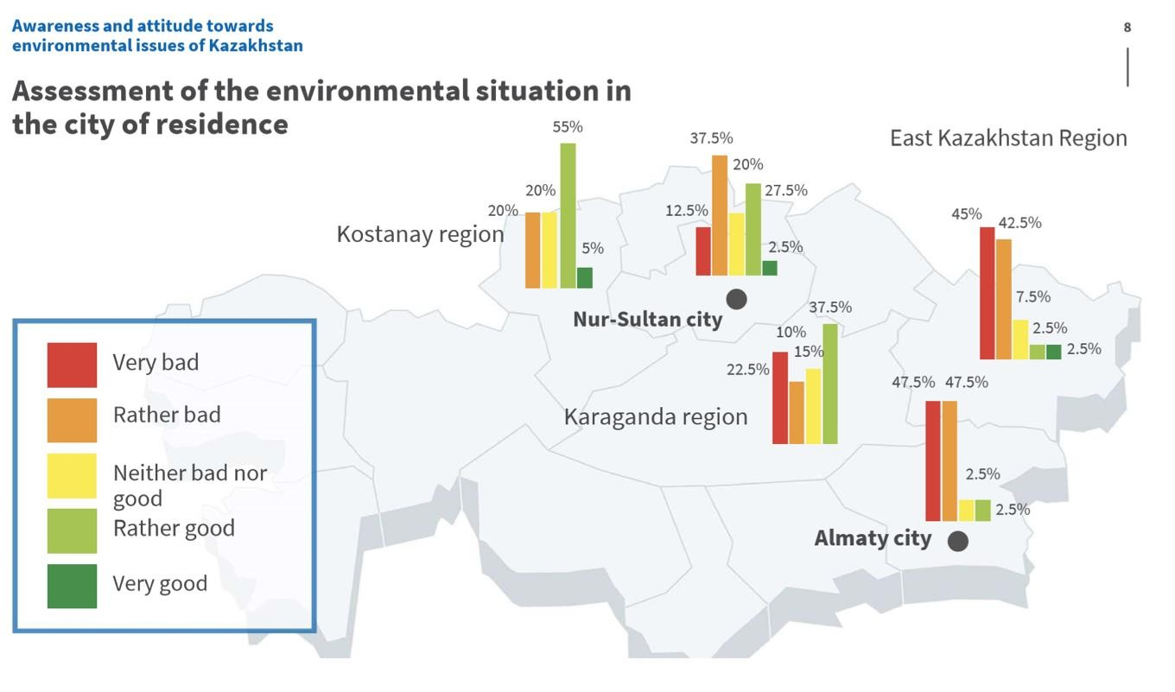
More than a third of respondents attributed switching from coal to gas to environmental change adaptation measures, 22.5% of respondents chose breeding and distribution of climate-resistant varieties of cereals.
At the same time, 62% of respondents are not aware of the measures taken to address the climate change effects.
Kazakh people are ready to personally contribute to solving the environmental problems through separate garbage collection (glass, paper, food waste) and reducing the use of disposable plastic items. The least popular option was participation in public events (community workdays, urban greening etc.).
Almost two-thirds - 62% - of respondents do not agree to increase the utility tariffs stemming from major environmental measures (switching to heat/energy saving, waste segregation, buildings retrofitting, etc.), which can have quite a positive effect on the environment.
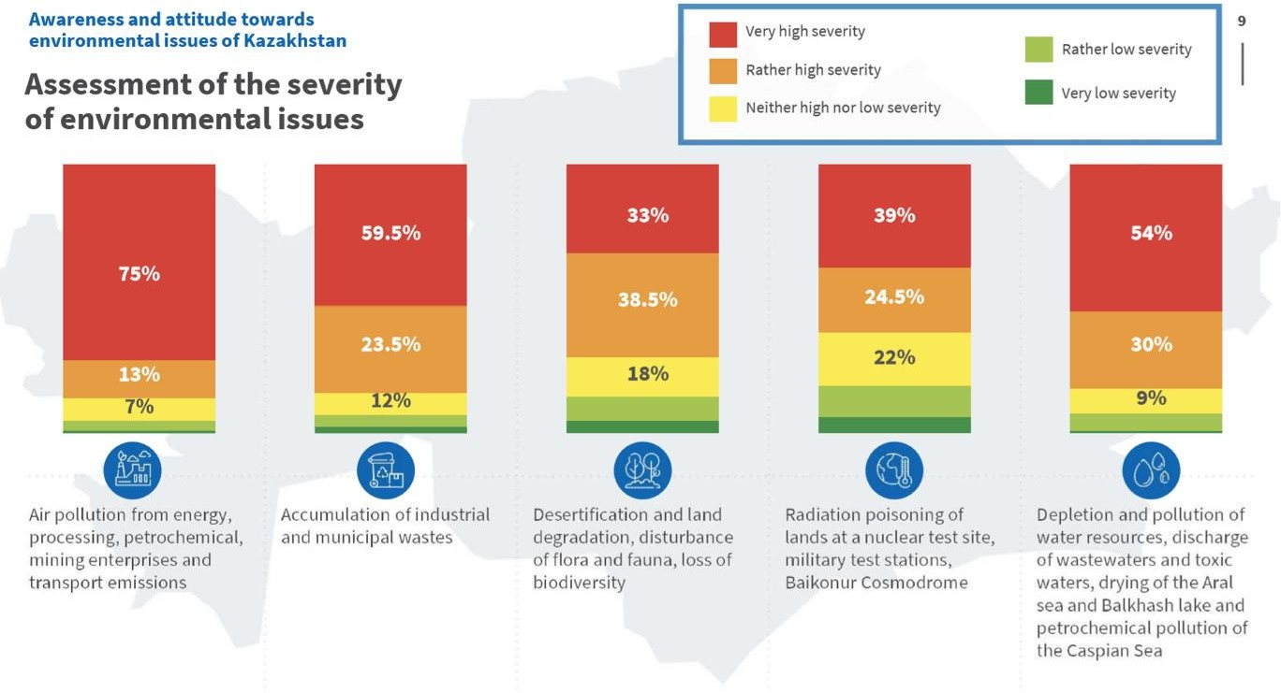
86% of respondents named the Internet the main source of information on climate change.
Note: The results of a sociological survey will be included in the national report of Kazakhstan on measures taken to curb the global warming and reduce vulnerability to climate change under the Climate Agreements.

