SPJ
site_description | site | unit | unitclass | commodity_group | commodity_description | L5C | 5C | 1M | 2M | 3M | 5M | 10M | 20M | 30M | 40M | source
Jacksonville | SPJ | SQYD | Area | 1CBL | Carpet Roll |  |  |  |  |  |  |  |  |  |  | ga_wavg | georgia_historical_market_wavg
Jacksonville | SPJ | SQYD | Area | 1CBL | Carpet Roll | 1.2431276416 | 0.72375 |  | 1.0009534993 |  |  |  |  |  |  | hist_wavg | all_states_historical_market_wavg
Jacksonville | SPJ | SQYD | Area | 1CBL | Carpet Roll | 0.70024513948 | 0.472 |  | 0.45566932832 |  |  |  |  |  |  | xgs_wavg | georgia_historical_xgs_wavg
 |  |  |  |  |  |  |  |  |  |  |  |  |  |  |  | xgs_trish_actual |  | sweetspot graph
 |  |  |  |  |  |  |  |  |  |  |  |  |  |  |  | recommended

Jacksonville | SPJ | SQYD | Area | 1CBL | Carpet Roll | 0.54288250211 | 0.25175 |  | 0.54528417097 |  |  |  |  |  |  | variance
Jacksonville | SPJ | SQYD | Area | 1CPT | Carpet Tiles | 2.0412570962 | 1.167329542 | 1.2459065176 | 1.3657234469 | 0.50881235097 |  |  |  |  |  | hist_wavg
Jacksonville | SPJ | SQYD | Area | 1CPT | Carpet Tiles | 0.95048107249 | 0.80236748847 | 0.79125851435 | 0.77470541082 | 0.57080856331 |  |  |  |  |  | xgs_wavg
Jacksonville | SPJ | SQYD | Area | 1CPT | Carpet Tiles | 1.0907760237 | 0.36496205356 | 0.45464800325 | 0.59101803607 | -0.061996212336 |  |  |  |  |  | variance
Jacksonville | SPJ | CWT | Weight | 1VNL | LVP | 1.0306735942 | 0.16290061041 | 0.18449233592 | 0.13311519554 | 0.10231433227 | 0.11850358812 | 0.077687406106 | 0.066609260801 |  |  | hist_wavg
Jacksonville | SPJ | CWT | Weight | 1VNL | LVP | 0.87839782784 | 0.2084542974 | 0.16156239616 | 0.12997009643 | 0.12996909356 | 0.10187659641 | 0.084879917036 | 0.084629523385 |  |  | xgs_wavg
Jacksonville | SPJ | CWT | Weight | 1VNL | LVP | 0.15227576633 | -0.045553686985 | 0.022929939756 | 0.0031450991077 | -0.027654761295 | 0.016626991712 | -0.0071925109295 | -0.018020262584 |  |  | variance
Jacksonville | SPJ | CWT | Weight | 1VNL | LVT | 0.85705012709 | 0.4443573634 | 0.13736509262 | 0.11477624798 | 0.087650890787 | 0.1005343541 | 0.077047357889 | 0.037640376944 | 0.04745639274 | 0.035424356829 | hist_wavg
Jacksonville | SPJ | CWT | Weight | 1VNL | LVT | 0.54951438052 | 0.20845049801 | 0.16156228858 | 0.12996943984 | 0.12996912987 | 0.10187611033 | 0.084880017487 | 0.084879981702 | 0.064204195097 | 0.056006909297 | xgs_wavg
Jacksonville | SPJ | CWT | Weight | 1VNL | LVT | 0.30753574657 | 0.23590686538 | -0.024197195962 | -0.015193191861 | -0.042318239087 | -0.0013417562282 | -0.0078326595975 | -0.047239604757 | -0.016747802357 | -0.020582552468 | variance
Jacksonville | SPJ | CWT | Weight | 1VNL | VCT | 0.53127958802 | 0.15979029122 | 0.10668677449 | 0.11652743417 | 0.13809670182 | 0.13113481064 | 0.069862850974 | 0.079558867481 |  |  | hist_wavg
Jacksonville | SPJ | CWT | Weight | 1VNL | VCT | 0.49161028104 | 0.20845062578 | 0.16155900217 | 0.12997021893 | 0.12996918751 | 0.10187639355 | 0.084880066662 | 0.084880121485 |  |  | xgs_wavg
Jacksonville | SPJ | CWT | Weight | 1VNL | VCT | 0.039669306976 | -0.048660334562 | -0.05487222768 | -0.013442784763 | 0.0081275143104 | 0.029258417092 | -0.015017215688 | -0.0053212540046 |  |  | variance
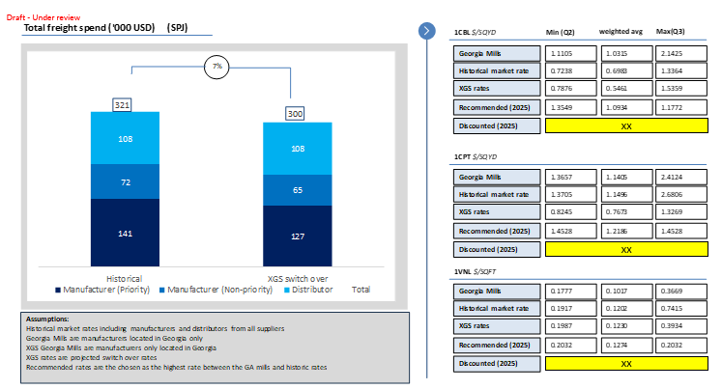
Jacksonville | SPJ |  |  |  | Carpet Roll | 12 | 1 | 0 | 1 | 0 | 0 | 0 | 0 | 0 | 0 | invoice_counts
Jacksonville | SPJ |  |  |  | Carpet Tiles | 79 | 7 | 7 | 1 | 1 | 0 | 0 | 0 | 0 | 0 | invoice_counts
Jacksonville | SPJ |  |  |  | LVP | 18 | 5 | 8 | 9 | 5 | 2 | 2 | 2 | 0 | 0 | invoice_counts
Jacksonville | SPJ |  |  |  | LVT | 19 | 6 | 13 | 13 | 5 | 10 | 4 | 1 | 1 | 2 | invoice_counts
Jacksonville | SPJ |  |  |  | VCT | 11 | 5 | 1 | 4 | 6 | 2 | 1 | 1 | 0 | 0 | invoice_counts

 |  |  |  |  | Carpet Roll (SY) | Q2 | wAvg | Q3
 |  |  |  |  | georgia_rate
 |  |  |  |  | historical_market_rate
 |  |  |  |  | xgs_rate
 |  |  |  |  | recommended
 |  |  |  |  | discounted

 |  |  |  |  |  | georgia_rate | historical_market_rate | xgs_rate | recommended | discounted
 |  |  |  |  | Carpet Roll
 |  |  |  |  | Carpet Tiles
 |  |  |  |  | LVP
 |  |  |  |  | LVT
 |  |  |  |  | VCT

