dashboard
Select Site | SPT | -4%
Site | Measure | Manufacturer(Priority) | Manufacturer(NonPriority) | Distributor | Total
SPT | Base | 361 | 297 | 277 | 935
SPT | Escalated | 343 | 283 | 277 | 902

Freight Spend |  |  |  |  | Freight Rate Tables
 |  |  |  |  |  | CBL(SQYD) |  |  |  | CPT(SQYD) |  |  |  | VNL(SQFT)
 |  |  |  |  | Attribute | Q2 | WA | Q3 |  | Q2 | WA | Q3 |  | Q2 | WA | Q3
 |  |  |  |  | georgia_historical_market | 1.1105481782 | 1.0316717791 | 2.1424534363 |  | 0.4545 | 0.4545 | 0.4545 |  | 0.4545 | 0.4545 | 0.4545
-4%
 |  |  |  |  | all_states_historical_market | 0.72375 | 0.69825606401 | 1.3363812829 |  | 0.4545 | 0.4545 | 0.4545 |  | 0.4545 | 0.4545 | 0.4545
 |  |  |  |  | georgia_historical_xgs | 0.70006349206 | 0.53213445808 | 1.2318990001 |  | 0.4545 | 0.4545 | 0.4545 |  | 0.4545 | 0.4545 | 0.4545
 |  |  |  |  | recommended | 1.0935720859 | 1.1771810689 | 2.2710006425 |  | 0.4545 | 0.4545 | 0.4545 |  | 0.4545 | 0.4545 | 0.4545

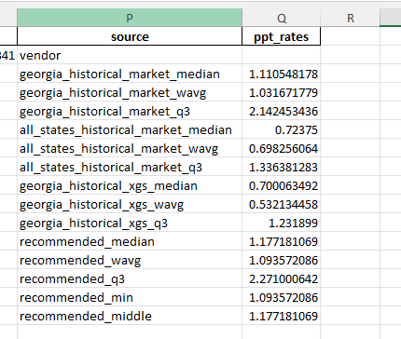
 |  |  |  |  | Carpet Roll (SQYD) |  | L5C | 5C | 1M | 2M | 3M | 5M | 10M | 20M | 30M | 40M
 |  |  |  |  | vendor
 |  |  |  |  | georgia_historical_market
 |  |  |  |  | all_states_historical_market
 |  |  |  |  | georgia_historical_xgs
 |  |  |  |  | recommended
 |  |  |  |  | Carpet Tile (SQYD)
 |  |  |  |  | vendor
 |  |  |  |  | georgia_historical_market
 |  |  |  |  | all_states_historical_market
 |  |  |  |  | georgia_historical_xgs
 |  |  |  |  | recommended
 |  |  |  |  | Vinyl (SQFT)
 |  |  |  |  | vendor
 |  |  |  |  | georgia_historical_market
 |  |  |  |  | all_states_historical_market
 |  |  |  |  | georgia_historical_xgs
 |  |  |  |  | recommended

