healthScore(健康评分)
id | Date | Inspection Type | Violations | Result
Jan-00 | 42656 | Complaint | Jan-00 | Pass
1 | 42552 | Routine | 5 | Pass
Jan-00 | 42500 | Complaint | Jan-00 | Pass
1 | 42486 | Complaint | 13 | Pass
Jan-00 | 42438 | Routine | Jan-00 | Pass
1 | 42256 | Routine | 9 | Pass
Jan-00 | 42053 | Routine | Jan-00 | Pass
1 | 41955 | Routine | 6 | Pass
Jan-00 | 41709 | Routine | Jan-00 | Pass
1 | 41491 | Routine | 8 | Pass
Jan-00 | 41348 | Routine | Jan-00 | Pass
1 | 41346 | Routine | 9 | Pass
Jan-00 | 41093 | Routine | Jan-00 | Pass
1 | 40945 | Routine | 12 | Pass
Jan-00 | 40753 | Routine | Jan-00 | Pass
1 | 40630 | Complaint | 6 | Pass
Jan-00 | 40491 | Routine | Jan-00 | Pass

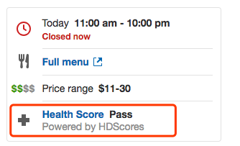
入口：

