ACF grant by FY, states
Year | States | Grant | Location
2017 | International | 320K
2017 | VIC | 3,200K | Australia
2017 | QLD | 64K | Australia
2017 | NSW | 192K | Australia
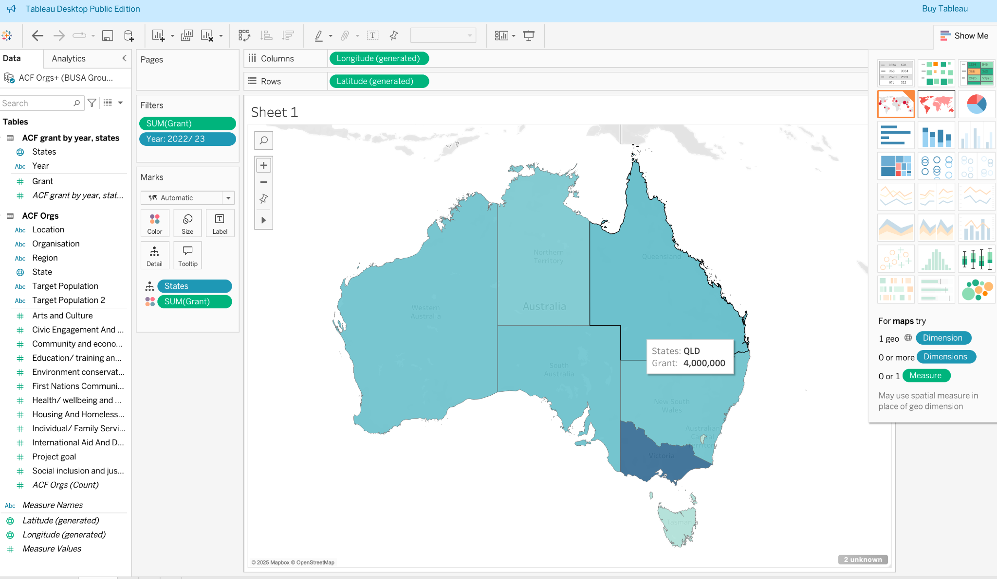
2017 | ACT |  | Australia
2017 | WA | 192K | Australia
2017 | NT | 13K | Australia
2017 | SA | 320K | Australia
2017 | TAS | 13K | Australia
2017 | National/ Multi-State | 2,112K | Australia
2018 | International | 334K
2018 | VIC | 4,242K | Australia
2018 | QLD | 166K | Australia
2018 | NSW | 369K | Australia
2018 | ACT | 22K | Australia
2018 | WA | 207K | Australia
2018 | NT | 170K | Australia
2018 | SA | 353K | Australia
2018 | TAS | 125K | Australia
2018 | National/ Multi-State | 2,511K | Australia
2019 | International | 846K
2019 | VIC | 4,783K | Australia
2019 | QLD | 176K | Australia
2019 | NSW | 497K | Australia
2019 | ACT | 20K | Australia
2019 | WA | 322K | Australia
2019 | NT | 124K | Australia
2019 | SA | 393K | Australia
2019 | TAS | 99K | Australia
2019 | National/ Multi-State | 2,121K | Australia
2020 | International | 444K
2020 | VIC | 5,996K | Australia
2020 | QLD | 131K | Australia
2020 | NSW | 961K | Australia
2020 | ACT | 7K | Australia
2020 | WA | 292K | Australia
2020 | NT | 150K | Australia
2020 | SA | 133K | Australia
2020 | TAS | 24K | Australia
2020 | National/ Multi-State | 4,004K | Australia
2021 | International | 1,800K
2021 | VIC | 5,000K | Australia
2021 | QLD | 114K | Australia
2021 | NSW | 1,100K | Australia
2021 | ACT | 9K | Australia
2021 | WA | 534K | Australia
2021 | NT | 193K | Australia
2021 | SA | 395K | Australia
2021 | TAS | 66K | Australia
2021 | National/ Multi-State | 5,200K | Australia
2022 | International | 1,900K
2022 | VIC | 6,600K | Australia
2022 | QLD | 325K | Australia
2022 | NSW | 1,800K | Australia
2022 | ACT | 10K | Australia
2022 | WA | 351K | Australia
2022 | NT | 254K | Australia
2022 | SA | 422K | Australia
2022 | TAS | 107K | Australia
2022 | National/ Multi-State | 6,200K | Australia
2023 | International | 1,300K
2023 | VIC | 10,400K | Australia
2023 | QLD | 4,000K | Australia
2023 | NSW | 3,400K | Australia
2023 | ACT | 270K | Australia
2023 | WA | 3,500K | Australia
2023 | NT | 2,900K | Australia
2023 | SA | 3,600K | Australia
2023 | TAS | 630K | Australia
2023 | National/ Multi-State | 7,200K | Australia
2024 | International | 2,900K
2024 | VIC | 16,900K | Australia
2024 | QLD | 3,600K | Australia
2024 | NSW | 2,800K | Australia
2024 | ACT | 65K | Australia
2024 | WA | 2,400K | Australia
2024 | NT | 1,000K | Australia
2024 | SA | 1,000K | Australia
2024 | TAS | 437K | Australia
2024 | National/ Multi-State | 8,600K | Australia

