1. Title Page
Customer Data Analysis

Project Name: Instacart Data Project
Date: June 2022
Analyst Name: Zinnia Cheetham

Data provided by Instacart (and by Career Foundry) *Some of the data has been created for the purpose of this learning roject
“The Instacart Online Grocery Shopping Dataset 2017”, Accessed from https://www.instacart.com/datasets/grocery-shopping-2017 on June 4 2022
Contents:
Population Flow
Consistency checks
Wrangling steps
Column derivations
Visualizations
Recommendations

2. Population Flow
Title page

Population flow

Orders_products_combined
Orders_products_merged
Orders_products_all

Total:32640698, 17
Total: 32640698, 12
Total: 32640698,36

3. Consistency checks
 |  |  |  | Title page
Consistency checks

Dataset | Missing values | Missing values treatment | Duplicates
df_orders | 206,209 in days_since_prior_order | Create a new variable to flag missing values | None
df_products | 16 missing values in 'product_name' | Create a new dataset excluding NaN and omit from dataframe | 5 duplicates
df_products |  |  | 2 duplicates removed Product_id
df_customers | 11259 missing values | made a subset with missing values and omitted from dataframe
df_ords | 206209 missing in days_since_prior_order | chose not to remove after looking at nan dataset

Include "Crosstabs in Python" covered in 4.10

4. Wrangling steps
 |  |  |  | Title page
Wrangling steps

Columns dropped | Columns renamed | Columns' type changed | Comment/Reason
eval_set |  |  | dropped from df_ords. Not relevent. Task 4.4
 | order_dow to 'Orders_day_of_week' |  | df_ords. Task 4.4
 |  | order_id' from number to string | df_ords. Task 4.4. More flexibility
Unnamed':0 and 'Unnamed: 0.1' |  |  | df_merged_large. Task 4.6
 | Surnam' and 'STATE' |  | df_customers. Task 4.9. Uniformity & spelling
_merge |  |  | Removed when creating new merge

Add data security concerns

5. Column derivations
 |  |  |  | Title page

Column derivations

Dataset | New column | Column/s it was derived from | Conditions
df_ords_prods_merged | price_range_loc | prices | 21860852 mid-range, 10125759 low
df_ords_prods_merged | busiest_day | orders_day_of_week | 22575557 regular, 6252799 busiest, 3812342 least busy
df_ords_prods_merged | busiest_day_of_the_week | orders_day_of_week | 11949428 busiest, 13010239 regular, 7681031 least busy
df_ords_prods_merged | busiest hours of the day | Order_hour_of_day | 18798998 most, 13577828 average, 263872 fewest
ords_prods_merge | max_order | user_id and order_number
ords_prods_merge | loyalty_flag | max_order | 10679503 loyal, 16381123 regular, 5580072 new customer
ords_prods_merge | users_average_order | user_id, Prices
ords_prods_merge | spending_flag | users_average_order
ords_prods_merge | users_days_since_order | user_id, days_since_prior_order
ords_prods_merge | order_frequency_flag | users_days_since_order
ords_prods_all_clean | income_level
ords_prods_all_clean | parent
ords_prods_all_clean | generation
ords_prods_all_clean | region

6. Visualizations
 |  |  |  |  | Title page

Visualisations

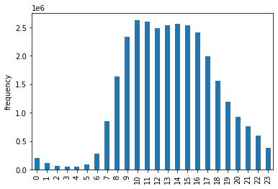

 |  | Key Question 1: What are the busiest hours of the day?

 |  | This histogram shows that sales are low from Midnight-5 AM then increase steadily from 6-9AM, followed by the peak frequency from 10-3PM then there is a steady decrease from 4-11pm. Mid-day is therefore the busiest time according to this chart. Each data point is part of an order so the frequency shows the number of items ordered at different times of the day

 | Figure 1. Historgram of orders by hours of the day

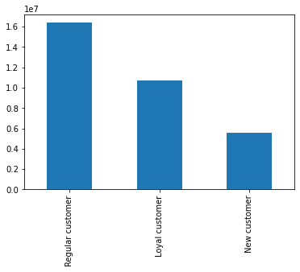
 |  | Key Question 2: What is the distribution among users in regards to their brand loyalty?
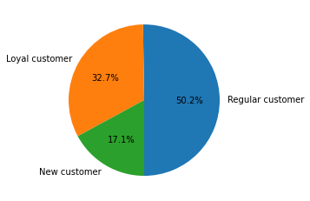
 |  |  |  | These two charts show that most customers are regular customers and loyal customers.

 | Figure 2. Bar Chart of customer loyalty
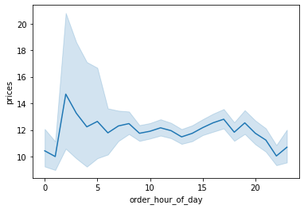
 |  |  | This visualization shows that prices tend to increase early in the day and dip to their lowest levels in the late evening

 | Figure 3. Line chart of prices by the hour of the day
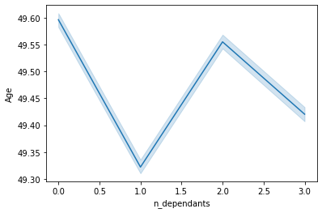
 |  |  | This visualization shows that there is not data to support a correlation between age and the number of dependents of a shopper

 | Figure 4. A line plot of the age of customers and the number of dependents of the customer

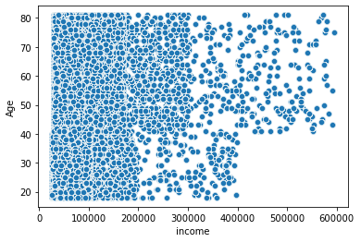

 |  |  | This scatterplot shows that income (which directly relates to spending power) is generally evenly spread across all age groups up to 200,000. After that income tends to be correlated with age with more individuals over 40 earning between 200,000-400,000 than those below 40. In addition, only individuals over 40 have an income of over 400,000.

 | Figure 5. Scatterplot of Age by income level

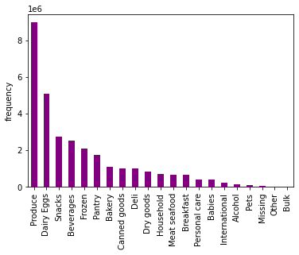

 |  |  | Key Question 3: Which departments have the highest frequency of product orders?
 |  |  | Produce,Dairy/Eggs, and Snacks are the most frequently purchased items

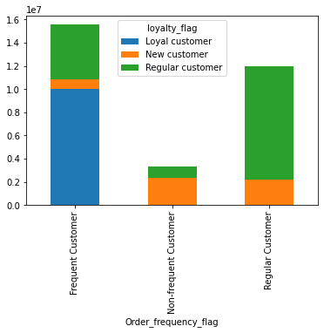
Figure 6. Histogram of department order sales |  |  | The marketing and sales teams are particularly interested in the different types of
 |  |  | customers in their system and how their ordering behaviors differ.

 |  |  | Key Question 4: Are there differences in ordering/spending habits based on a customer’s loyalty status?

 |  |  | Most loyal customers are also frequent customers. Regular customers are most often shopping regularly. New customers are as likely to be a non-frequent customers as they are to be a regular customer.

Figure 7. Stacked bar chart of loyalty among customers with different shopping frequencies
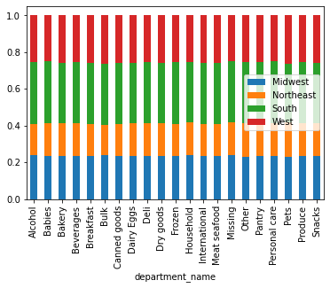
 |  |  | Key Question 5: Are there differences in ordering habits based on a customer’s region?

 |  |  | The data shows that ordering habits are very consistent across different regions. This would not be a useful demographic classification

Figure 8. Sales in each department by region
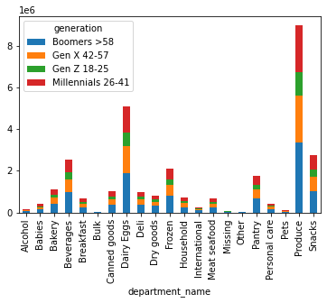
 |  |  | Key Question 6: Is there a connection between age in terms of ordering habits?

 |  |  | This stacked bar chart shows that each generation/age group is generally buying the same products as other generations. This would not be a useful demographic classification.

Figure 9. Sales in each department among each generation

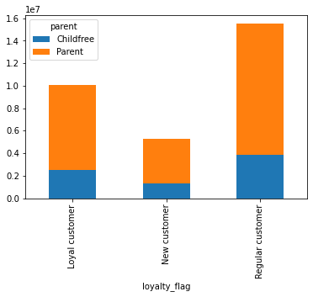
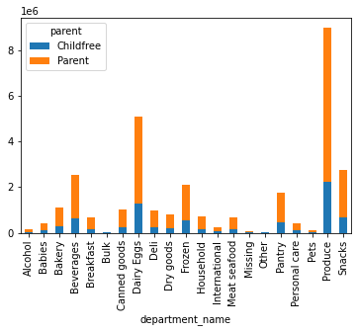
 |  |  |  | Key Question 7: Is there a connection between family status in terms of ordering habits?

 |  |  |  | The data shows that the majority of shoppers are parents. However, for both groups, most are regular customers or loyal customers. This data shows that parents are a significant group to direct marketing to.

Figure 10: Loyalty status of Parents and Non-Parents |  | Figure 11. Sales in each department by parent status

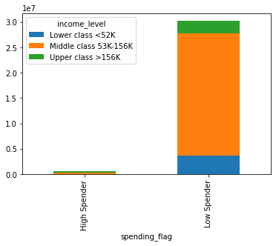

 |  | Key Question 8: Does the demographic data suggest income as a usefful classification?

 |  | The data shows that the majority of shoppers are low spenders regardless of income. It would be useful to target marketing towards the middle class as they have the most spending power.

Figure 11. Spending habits of different income groups

7. Recommendations
 |  | Title page

Recommendations

Please see the 'Visuslizations' tab for all the Visuals.
Question | Answer
Key Question 1: What are the busiest hours of the day?
Figure 1 shows that the busiest hours of the day are from 10AM-3PM.
Key Question 2: What is the distribution among users in regards to their brand loyalty?
Figure 2 shows that most customers are regular customers (50.2) followed by loyal customers (32.7%) then new customers (17.1%)
Key Question 3: Which departments have the highest frequency of product orders?
Figure 6 shows that the highest frequency of product orders are in Produce, then Dairy/Eggs, then Snacks
Key Question 4: Are there differences in ordering/spending habits based on a customer’s loyalty status?
Figure 7 shows that most loyal customers are also frequent customers. However, regular and new customers have regular spending habits.
Key Question 5: Are there differences in ordering habits based on a customer’s region?
Figure 8 shows that there are no significant differences in ordering habits by region
Key Question 6: Is there a connection between age in terms of ordering habits?
Figure 9 showed that there were no significant differens in types of products purchased by peole of different age groups
Key Question 7: Is there a connection between family status in terms of ordering habits?
Figures 10 and 11 show that there are not signnificant differences between parents and childfree adults but that parents are a larger group.
Key Question 8: Does the demographic data suggest income as a usefful classification?
Figure 11 shows that spending habits do not vary significantly between groups based on their income levels. It also shows that middle class individuals are the dominant group.

My recommendations would be to target marketing efforts at parents and the middle class. It would also be useful to do sales on produce, dairy, eggs, and snacks to encourage shoppers to visit the store.

