Data_information
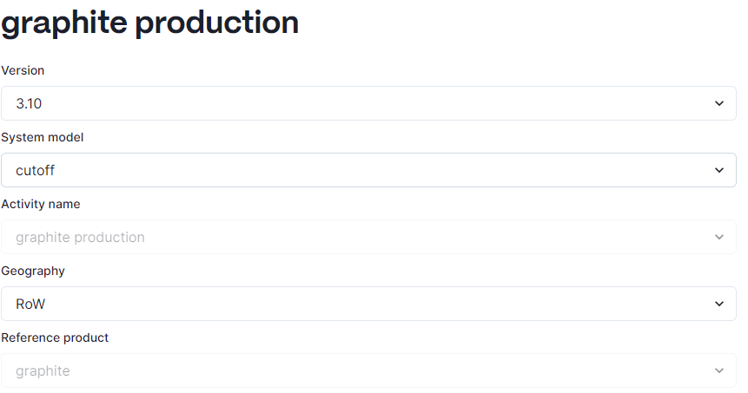
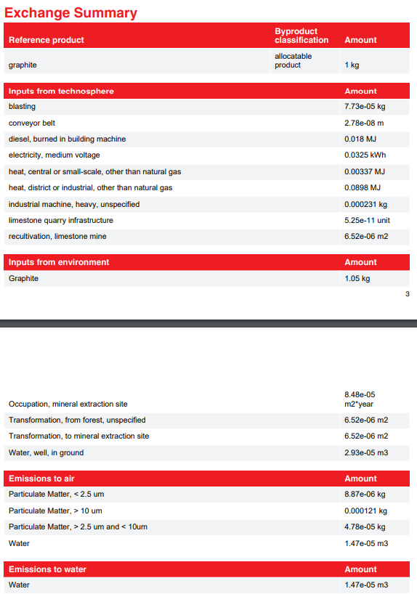
graphite production
reference: | https://ecoquery.ecoinvent.org/3.10/cutoff/dataset/3609/exchanges

