Backplane diagram
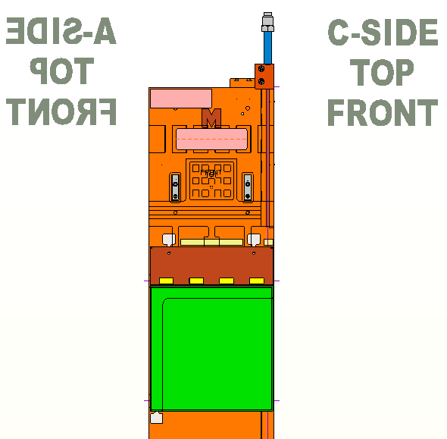
Master sheet for True-Type backplane mapping
Click on any DCB connector to be taken to the corresponding sheet

 |  | S | X | S | X | S | X | S | X | S | X | S | X | ⟵ | S = Stereo ( aU, bV ), X = Vertical ( aX, bX )
 |  | 5 | 5 | 4 | 4 | 3 | 3 | 2 | 2 | 1 | 1 | 0 | 0 | ⟵ | 0 - 5 = DCB index for S or X detector plane
 |  | 0 | 0 | 0 | 0 | 0 | 0 | 0 | 0 | 0 | 0 | 0 | 0
 |  | 0 | 0 | 0 | 0 | 0 | 0 | 0 | 0 | 0 | 0 | 0 | 0 |  |  | DCB connectors
 |  | 0 | 0 | 0 | 0 | 0 | 0 | 0 | 0 | 0 | 0 | 0 | 0
 |  | 0 | 0 | 0 | 0 | 0 | 0 | 0 | 0 | 0 | 0 | 0 | 0
 |  | 0 | 0 | 0 | 0 | 0 | 0 | 0 | 0 | 0 | 0 | 0 | 0
 |  | 11 | 10 | 9 | 8 | 7 | 6 | 5 | 4 | 3 | 2 | 1 | 0

 | S | S | X | X | S | S | X | X | S | S | X | X |  | ⟵ | S = Stereo ( UTaU, UTbV ), X = Vertical ( UTaX, UTbX )
 | 2 | 2 | 2 | 2 | 1 | 1 | 1 | 1 | 0 | 0 | 0 | 0 |  | ⟵ | 0 - 2 = Stave index for S or X detector plane
 | M | S | S | M | M | S | S | M | M | S | S | M |  | ⟵ | M/S = Medium / Short(Long) side of stave*
 |  |  |  |  |  |  |  |  |  |  |  |  |  |  | *S is DataFlex-Short, except for on stave-0 is DataFlex-Long

 | 11 | 10 | 9 | 8 | 7 | 6 | 5 | 4 | 3 | 2 | 1 | 0

Hybrid-to-GBTx master
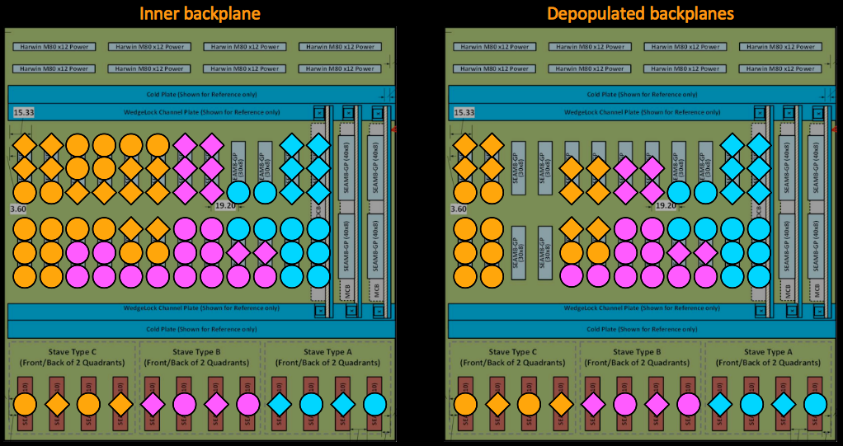
 | PEPI Chassis Dual-Quadrant Partition of the UTb plane style: |  |  |  |  | Based upon REV 6 NUMEROLOGY

( 6 GBTx's / DCB ) |  | KEY (eg 1(4a) ): | x(yz) --> | (x=#GBTx's, y=Slot ID, z=BP ID) |  | 8 FE ASICs | 4 FE ASICs | V Plane | RED is always DataFlex-Medium
 |  |  |  |  |  |  |  | X Plane | BLACK is DataFlex-S, except on Stave 0 where it is DataFlex-L
 |  | BP Type: | Dual-Quadrant Backplane-Outer |  |  | Dual-Quadrant Backplane-Center |  |  | Dual-Quadrant Backplane-Inner
 |  | Backplane Slot ID (Distribution): | 0g, 0g, 1g, 1g, 2g, 2g, 3g, 3g, 4g, 4g, 5g, 5g, MC |  |  | 0b, 0b, 1b, 1b, 2b, 2b, 3b, 3b, 4b, 4b, 5b, 5b, MC |  |  | 0a, 0a, 1a, 1a, 2a, 2a, 3a, 3a, 4a, 4a, 5a, 5a, MC
 |  | Empty DCB Slots: | 1V, 1X |  |  | 1V, 1X |  |  |  |  | N/A
 |  | Inactive GBTx: # (BP slot ID) |  |  | 2(2b), 2(2b), 2(3b), 2(3b) |  |  | 2(2b), 2(2b), 2(3b), 2(3b)
 |  |  | 8 | 7 | 6 | 5 | 4 | 3 | 2 | 1 | 0
 |  | 0 | 1(5g) | 1(4g) | 1(2g) | 1(5b) | 1(4b) | 1(2b) | 1(5a) | 1(4a) | 1(2a)

 |  | 1 | 1(5g) | 1(4g) |  | 1(5b) | 1(4b) |  | 1(5a) | 1(4a) | 1(2a)

 |  | 2 | 1(5g) | 1(4g) | 1(2g) | 1(5b) | 1(4b) | 1(2b) | 1(5a) | 1(4a) | 1(2a)

V-Plane |  | 3 | 1(5g) | 1(4g) | 1(2g) | 1(5b) | 1(4b) | 1(2b) | 1(5a) | 1(4a) | 1(2a)
 | x2
X-plane |  | 4 | 1(5g) | 1(3g) | 1(2g) | 1(5b) | 1(3b) | 1(2b) | 1(5a) | 1(3a) | 1(2a)

 |  | 5 | 1(5g) | 1(3g) | 2(0g) | 1(5b) | 1(3b) | 2(0b) | 1(5a) | 1(3a),1(2a) | 2(1a), 2(0a) | Note: Diagram above is conceptual and not up to date

 |  | 6 | 2(4g) | 2(3g) | 2(0g) | 2(4b) | 2(3b) | 2(0b) | 2(4a) | 4(3a) | 2(1a), 2(0a)
 |  |  |  |  | 2(0g) |  |  | 2(0b) |  |  | 2(1a), 2(0a)
 |  | Stave Type: | A | A | A | A | A | A | A* | B | C
 |  | # populated DCB slots / Backplane | 10 |  |  | 10 |  |  | 12
 | PEPI Chassis Dual-Quadrant Partition of the UTa plane style: |  |  |  |  | Based upon REV 6 NUMEROLOGY
 |  | ( 6 GBTx's / DCB ) |  |  |  | 8 FE ASICs | 4 FE ASICs | U Plane | RED is always DataFlex-Medium
 |  |  |  |  |  |  |  | X Plane | BLACK is DataFlex-S, except on Stave 0 where it is DataFlex-L
 |  | BP Type: | Dual-Quadrant Backplane-Outer |  |  | Dual-Quadrant Backplane-Center |  |  | Dual-Quadrant Backplane-Inner
 |  | Backplane Slot ID (Distribution): | 0g, 0g, 1g, 1g, 2g, 2g, 3g, 3g, 4g, 4g, 5g, 5g, MC |  |  | 0b, 0b, 1b, 1b, 2b, 2b, 3b, 3b, 4b, 4b, 5b, 5b, MC |  |  | 0a, 0a, 1a, 1a, 2a, 2a, 3a, 3a, 4a, 4a, 5a, 5a, MC
 |  | Empty Slots | 1V, 1X, 5V, 5X |  |  | 1V, 1X |  |  |  |  | N/A
 |  | vacant GBTx Sockets: # (BP slot ID) |  |  | 2(2g), 2(2g), 2(3g), 2(3g), 2(4g), 2(4g) |  |  | 2(2b), 2(2b), 2(3b), 2(3b)
 |  |  |  | 7 | 6 | 5 | 4 | 3 | 2 | 1 | 0
 |  | 0 |  | 1(4g) | 1(2g) | 1(5b) | 1(4b) | 1(2b) | 1(5a) | 1(4a) | 1(2a)

 |  | 1 |  | 1(4g) |  | 1(5b) | 1(4b) |  | 1(5a) | 1(4a) | 1(2a)

 |  | 2 |  | 1(4g) | 1(2g) | 1(5b) | 1(4b) | 1(2b) | 1(5a) | 1(4a) | 1(2a)

U-Plane |  | 3 |  | 1(4g) | 1(2g) | 1(5b) | 1(4b) | 1(2b) | 1(5a) | 1(4a) | 1(2a)
 | x2
X-plane |  | 4 |  | 1(3g) | 1(2g) | 1(5b) | 1(3b) | 1(2b) | 1(5a) | 1(3a) | 1(2a)

 |  | 5 |  | 1(3g) | 2(0g) | 1(5b) | 1(3b) | 2(0b) | 1(5a) | 1(3a),1(2a) | 2(1a), 2(0a)

 |  | 6 |  | 2(3g) | 2(0g) | 2(4b) | 2(3b) | 2(0b) | 2(4a) | 4(3a) | 2(1a), 2(0a)
 |  |  |  |  | 2(0g) |  |  | 2(0b) |  |  | 2(1a), 2(0a)
 |  | Stave Type: | A | A | A | A | A | A | A* | B | C
 |  | # populated DCB slots / Backplane | 8 |  |  | 10 |  |  | 12

