Cover

 |  | North America Confectionery |  | Price | North America Confectionery |  | Volume
 |  | Select Case | 2 | 1 Bear | Select Case | 2 | 1 Bear
 |  |  |  | 2 Base |  |  | 2 Base
 |  |  |  | 3 Bull |  |  | 3 Bull

 |  | North America Salty Snacks |  | Price | North America Salty Snacks |  | Volume
 |  | Select Case | 2 | 1 Bear | Select Case | 2 | 1 Bear
 |  |  |  | 2 Base |  |  | 2 Base
 |  |  |  | 3 Bull |  |  | 3 Bull

Current Price | 193.36
Valuation: | 215.50 | International |  | Price | International |  | Volume
Model 12-month Price Target | 220.81 | Select Case | 2 | 1 Bear | Select Case | 2 | 1 Bear
Valuation Appreciation | 11.31% |  |  | 2 Base |  |  | 2 Base
12-month Appreciation | 14.06% |  |  | 3 Bull |  |  | 3 Bull
Annual Dividend Yield | 2.83%
Total 1 year return | 16.89%
 |  | Terminal Growth Rate
 |  |  | 2.00%

Comps
 |  | USD
COMPARABLE COMPANY ANALYSIS
COMPANY DATA
(in millions) |  | Recent | 52 week | Shares | Market | Total |  | Enterprise | Book |  | WS 12-mo
Company Name | Ticker | Price | High | Out | Cap | Debt | Cash | Value | Value | Beta | Price Target
MONDELEZ INT C/d | MDLZ.O | $67.51 | $76.06 | 1,294.8 | $87,413 | $17,749 | $1,351 | $103,811 | $26,932 | 0.51 | $71.63 |  | 0.39
KELLANOVA ORD/d | K | $82.54 | $83.22 | 346.9 | $28,636 | $5,743 | $694 | $33,685 | $3,775 | 0.30 | $82.45 |  | 0.46
THE KRFT HNZ C/d | KHC.O | $28.40 | $36.70 | 1,183.5 | $33,613 | $19,869 | $1,334 | $52,148 | $49,185 | 0.27 | $30.68
PEPSICO INC/d | PEP.O | $130.74 | $183.41 | 1,371.1 | $179,255 | $44,306 | $8,505 | $215,056 | $18,041 | 0.49 | $150.48

HERSHEY CO/d | HSY | $170.01 | $211.92 | 202.6 | $34,438 | $5,102 | $731 | $38,809 | $4,715 | 0.30 | $165.15

Source:Industry standard is to use I/B/E/S estimates via Thomson Reuters Eikon; Mergent Online; Yahoo!Finance, etc.
I/B/E/S ESTIMATES
 |  | SALES |  |  |  | EPS |  |  |  | EBIT |  |  | EBITDA |  |  | EPS 5-yr
Company Name | Ticker | Last FY | FYR1 | FYR2 | FYR3 | Last FY | FYR1 | FYR2 | FYR3 | Last FY | FYR1 | FYR2 | Last FY | FYR1 | FYR2 | Growth %
MONDELEZ INT C/d | MDLZ.O | $36,441 | $38,303 | $39,924 | $41,430 | $3.48 | $3.02 | $3.32 | $3.63 | 6,130 | 5,364 | 5,788 | 7,469 | 6,717 | 7,331 | 2.3%
KELLANOVA ORD/d | K | $12,749 | $12,771 | $13,075 | $13,481 | $3.76 | $3.76 | $3.94 | $4.11 | 1,871 | 1,856 | 1,947 | 2,249 | 2,236 | 2,343 | 2.2%
THE KRFT HNZ C/d | KHC.O | $25,846 | $24,990 | $25,161 | $25,506 | $3.01 | $2.59 | $2.66 | $2.80 | 5,353 | 4,915 | 4,984 | 6,247 | 5,924 | 5,983 | -3.1%
PEPSICO INC/d | PEP.O | $91,854 | $91,864 | $94,605 | $97,923 | $8.15 | $7.90 | $8.38 | $8.98 | 14,751 | 14,565 | 15,318 | 17,768 | 17,801 | 18,736 | 3.6%

HERSHEY CO/d | HSY | 11,202 | 11,430 | 11,774 | 12,065 | 9.04 | 6.00 | 6.54 | 7.66 | 2,499 | 1,771 | 1,896 | 2,935 | 2,208 | 2,342 | -8.4%

VALUATION MULTIPLES
 |  | Recent | Price / | Price/Sales |  |  | P/E |  |  | PEG |  |  | EV/EBITDA
Company Name | Ticker | Price | Book | FYR1 | FYR2 | FYR3 | FYR1 | FYR2 | FYR3 | FYR1 | FYR2 | FYR3 | Last FY | FYR1 | FYR2
MONDELEZ INT C/d | MDLZ.O | $67.51 | 3.25x | 2.28x | 2.19x | 2.11x | 22.36x | 20.34x | 18.61x | 9.94x | 9.04x | 8.27x | 13.90x | 15.45x | 14.16x
KELLANOVA ORD/d | K | $82.54 | 7.59x | 2.24x | 2.19x | 2.12x | 21.93x | 20.95x | 20.08x | 9.90x | 9.46x | 9.07x | 14.98x | 15.07x | 14.37x
THE KRFT HNZ C/d | KHC.O | $28.40 | 0.68x | 1.35x | 1.34x | 1.32x | 10.99x | 10.67x | 10.14x | -3.54x | -3.44x | -3.27x | 8.35x | 8.80x | 8.72x
PEPSICO INC/d | PEP.O | $130.74 | 9.94x | 1.95x | 1.89x | 1.83x | 16.56x | 15.61x | 14.56x | 4.57x | 4.31x | 4.02x | 12.10x | 12.08x | 11.48x

HERSHEY CO/d | HSY | $170.01 | 7.30x | 3.01x | 2.92x | 2.85x | 28.34x | 25.99x | 22.20x | -3.36x | -3.09x | -2.63x | 13.22x | 17.58x | 16.57x

 |  | Average | 5.42x | 1.96x | 1.90x | 1.85x | 17.96x | 16.89x | 15.85x | 3.66x | 3.30x | 3.01x | 12.33x | 12.85x | 12.18x
 |  | Median | 5.42x | 2.10x | 2.04x | 1.97x | 19.24x | 17.97x | 16.58x | 4.57x | 4.31x | 4.02x | 13.00x | 13.57x | 12.82x

 |  | Average | $126.05 | $110.33 | $110.59 | $109.93 | $107.74 | $110.47 | $121.36 | $(184.80) | $(181.99) | $(194.00) | $157.11 | $118.48 | $119.28
 |  | Median | $126.05 | $118.32 | $118.70 | $117.36 | $115.45 | $117.55 | $126.99 | $(231.19) | $(237.57) | $(259.48) | $166.80 | $126.35 | $126.64
 |  |  | ws.OperatingProfitMargin[ws.cpa] |  |  |  | ws.AssetTurnover[ws.cpa] | ws.InventoryTurnover[ws.cpa] | ws.ReceivablesTurnover[ws.cpa] | ws.TotalDebtPctCommonEquity[ws.cpa] | ws.LTDebtPctCommonEquity[ws.cpa] | ws.LTDebtPctTotalCapital[ws.cpa] | ws.QuickRatio[ws.cpa] | ws.CurrentRatio[ws.cpa]
RATIO ANALYSIS
 |  | Gross | Operating | Net |  |  | Asset | Inventory | Receivables |  |  | Quick | Current | Interest
Company Name | Ticker | Margin | Margin | Margin | ROA | ROE | Turnvover | Turnvover | Turnvover | Debt/E | LTD/TC | Ratio | Ratio | Coverage
MONDELEZ INT C/d | MDLZ.O | 39.1% | 17.4% | 12.7% | 6.5% | 16.4% | 0.52 | 5.96 | 7.57 | 65.90 | 35.04 | 0.48 | 0.68 | 14.93
KELLANOVA ORD/d | K | 35.8% | 14.7% | 10.5% | 8.6% | 38.5% | 0.82 | 6.80 | 8.38 | 152.13 | 51.93 | 0.56 | 0.81 | 7.37
THE KRFT HNZ C/d | KHC.O | 34.7% | 6.2% | 10.6% | 4.2% | 7.5% | 0.29 | 4.83 | 12.04 | 40.40 | 27.77 | 0.59 | 1.06 | 6.94
PEPSICO INC/d | PEP.O | 55.1% | 13.7% | 10.4% | 11.3% | 61.5% | 0.92 | 7.75 | 8.89 | 245.59 | 59.58 | 0.65 | 0.82 | 20.17

HERSHEY CO/d | HSY | 47.4% | 23.7% | 19.8% | 15.3% | 43.3% | 0.90 | 4.54 | 14.00 | 108.22 | 32.50 | 0.64 | 0.96 | 19.91

Comps-2
 |  | USD
COMPARABLE COMPANY ANALYSIS
COMPANY DATA
(in millions) |  | Recent | 52 week | Shares | Market | Total |  | Enterprise | Book |  | WS 12-mo
Company Name | Ticker | Price | High | Out | Cap | Debt | Cash | Value | Value | Beta | Price Target
COCA-COLA CO/d | KO | $71.72 | $74.38 | 4,304.0 | $308,683 | $44,522 | $10,828 | $342,377 | $24,856 | 0.48 | $77.52
MONSTER BEV CO/d | MNST.O | $60.02 | $61.29 | 975.2 | $58,532 | $378 | $1,533 | $57,377 | $5,958 | 0.59 | $58.93
KRIG DR PPPR O/d | KDP.O | $34.12 | $38.28 | 1,358.2 | $46,342 | $16,397 | $510 | $62,229 | $24,243 | 0.52 | $39.07

PEPSICO INC/d | PEP.O | $130.74 | $183.41 | 1,371.1 | $179,255 | $44,306 | $8,505 | $215,056 | $18,041 | 0.49 | $150.48

Source:Industry standard is to use I/B/E/S estimates via Thomson Reuters Eikon; Mergent Online; Yahoo!Finance, etc.
I/B/E/S ESTIMATES
 |  | SALES |  |  |  | EPS |  |  |  | EBIT |  |  | EBITDA |  |  | EPS 5-yr
Company Name | Ticker | Last FY | FYR1 | FYR2 | FYR3 | Last FY | FYR1 | FYR2 | FYR3 | Last FY | FYR1 | FYR2 | Last FY | FYR1 | FYR2 | Growth %
COCA-COLA CO/d | KO | $47,061 | $48,074 | $50,638 | $53,586 | $2.85 | $2.96 | $3.20 | $3.43 | 14,040 | 15,012 | 16,080 | 15,082 | 16,202 | 17,405 | 6.1%
MONSTER BEV CO/d | MNST.O | $7,493 | $8,012 | $8,627 | $9,317 | $1.64 | $1.84 | $2.05 | $2.29 | 2,086 | 2,295 | 2,507 | 2,171 | 2,385 | 2,598 | 13.7%
KRIG DR PPPR O/d | KDP.O | $15,351 | $16,178 | $16,821 | $17,432 | $1.91 | $2.04 | $2.17 | $2.31 | 3,978 | 4,193 | 4,442 | 4,532 | 4,811 | 5,060 | 6.4%

PEPSICO INC/d | PEP.O | 91,854 | 91,864 | 94,605 | 97,923 | 8.15 | 7.90 | 8.38 | 8.98 | 14,751 | 14,565 | 15,318 | 17,768 | 17,801 | 18,736 | 3.6%

VALUATION MULTIPLES
 |  | Recent | Price / | Price/Sales |  |  | P/E |  |  | PEG |  |  | EV/EBITDA
Company Name | Ticker | Price | Book | FYR1 | FYR2 | FYR3 | FYR1 | FYR2 | FYR3 | FYR1 | FYR2 | FYR3 | Last FY | FYR1 | FYR2
COCA-COLA CO/d | KO | $71.72 | 12.42x | 6.42x | 6.10x | 5.76x | 24.22x | 22.42x | 20.89x | 3.97x | 3.67x | 3.42x | 22.70x | 21.13x | 19.67x
MONSTER BEV CO/d | MNST.O | $60.02 | 9.82x | 7.31x | 6.78x | 6.28x | 32.61x | 29.32x | 26.24x | 2.39x | 2.15x | 1.92x | 26.43x | 24.05x | 22.08x
KRIG DR PPPR O/d | KDP.O | $34.12 | 1.91x | 2.86x | 2.75x | 2.66x | 16.74x | 15.73x | 14.76x | 2.61x | 2.45x | 2.30x | 13.73x | 12.93x | 12.30x

PEPSICO INC/d | PEP.O | $130.74 | 9.94x | 1.95x | 1.89x | 1.83x | 16.56x | 15.61x | 14.56x | 4.57x | 4.31x | 4.02x | 12.10x | 12.08x | 11.48x

 |  | Average | 11.12x | 5.53x | 5.21x | 4.90x | 24.52x | 22.49x | 20.63x | 3.29x | 3.06x | 2.86x | 20.95x | 19.37x | 18.02x
 |  | Median | 9.82x | 6.42x | 6.10x | 5.76x | 24.22x | 22.42x | 20.89x | 3.29x | 3.06x | 2.86x | 22.70x | 21.13x | 19.67x

 |  | Average | $146.34 | $370.55 | $359.62 | $349.99 | $193.63 | $188.43 | $185.29 | $94.04 | $92.93 | $93.07 | $245.45 | $225.42 | $220.11
 |  | Median | $129.27 | $430.21 | $420.62 | $411.42 | $191.22 | $187.85 | $187.62 | $94.04 | $92.93 | $93.07 | $268.08 | $248.26 | $242.70
 |  |  | ws.OperatingProfitMargin[ws.cpa] |  |  |  | ws.AssetTurnover[ws.cpa] | ws.InventoryTurnover[ws.cpa] | ws.ReceivablesTurnover[ws.cpa] | ws.TotalDebtPctCommonEquity[ws.cpa] | ws.LTDebtPctCommonEquity[ws.cpa] | ws.LTDebtPctTotalCapital[ws.cpa] | ws.QuickRatio[ws.cpa] | ws.CurrentRatio[ws.cpa]
RATIO ANALYSIS
 |  | Gross | Operating | Net |  |  | Asset | Inventory | Receivables |  |  | Quick | Current | Interest
Company Name | Ticker | Margin | Margin | Margin | ROA | ROE | Turnvover | Turnvover | Turnvover | Debt/E | LTD/TC | Ratio | Ratio | Coverage
COCA-COLA CO/d | KO | 61.1% | 24.9% | 22.6% | 12.6% | 49.1% | 0.47 | 4.00 | 13.19 | 179.12 | 59.77 | 0.84 | 1.03 | 7.32
MONSTER BEV CO/d | MNST.O | 54.0% | 25.8% | 20.1% | 18.9% | 23.1% | 0.86 | 4.03 | 6.13 | 6.35 | 5.90 | 2.65 | 3.32 | 77.04
KRIG DR PPPR O/d | KDP.O | 55.6% | 16.9% | 9.4% | 5.0% | 10.6% | 0.29 | 5.09 | 8.91 | 67.64 | 33.44 | 0.32 | 0.49 | 5.38

PEPSICO INC/d | PEP.O | 55.1% | 13.7% | 10.4% | 11.3% | 61.5% | 0.92 | 7.75 | 8.89 | 245.59 | 59.58 | 0.65 | 0.82 | 20.17

Comps-2 (2)
 |  | USD
COMPARABLE COMPANY ANALYSIS
COMPANY DATA
(in millions) |  | Recent | 52 week | Shares | Market | Total |  | Enterprise | Book |  | WS 12-mo
Company Name | Ticker | Price | High | Out | Cap | Debt | Cash | Value | Value | Beta | Price Target

HERSHEY CO/d | HSY | $170.01 | $211.92 | 202.6 | $34,438 | $5,102 | $731 | $38,809 | $4,715 | 0.30 | $165.15
ALBRTS COM A O/d | ACI | $21.93 | $23.20 | 575.7 | $12,626 | $7,820 | $294 | $20,153 | $3,386 | 0.47 | $23.79
KIMBERLY-CLARK/d | KMB | $132.77 | $150.45 | 331.8 | $44,055 | $7,480 | $1,021 | $50,514 | $840 | 0.37 | $144.11

PEPSICO INC/d | PEP.O | $130.74 | $183.41 | 1,371.1 | $179,255 | $44,306 | $8,505 | $215,056 | $18,041 | 0.49 | $150.48

Source:Industry standard is to use I/B/E/S estimates via Thomson Reuters Eikon; Mergent Online; Yahoo!Finance, etc.
I/B/E/S ESTIMATES
 |  | SALES |  |  |  | EPS |  |  |  | EBIT |  |  | EBITDA |  |  | EPS 5-yr
Company Name | Ticker | Last FY | FYR1 | FYR2 | FYR3 | Last FY | FYR1 | FYR2 | FYR3 | Last FY | FYR1 | FYR2 | Last FY | FYR1 | FYR2 | Growth %

HERSHEY CO/d | HSY | $11,202 | $11,430 | $11,774 | $12,065 | $9.04 | $6.00 | $6.54 | $7.66 | 2,499 | 1,771 | 1,896 | 2,935 | 2,208 | 2,342 | -8.4%
ALBRTS COM A O/d | ACI | $80,391 | $83,220 | $83,793 | $85,401 | $2.29 | $2.11 | $2.22 | $2.35 | 2,164 | 1,926 | 1,945 | 3,977 | 3,859 | 3,897 | #VALUE!
KIMBERLY-CLARK/d | KMB | $20,058 | $19,503 | $19,946 | $20,470 | $7.35 | $7.10 | $7.62 | $8.14 | 3,263 | 3,183 | 3,405 | 4,019 | 4,021 | 4,226 | 3.9%

PEPSICO INC/d | PEP.O | 91,854 | 91,864 | 94,605 | 97,923 | 8.15 | 7.90 | 8.38 | 8.98 | 14,751 | 14,565 | 15,318 | 17,768 | 17,801 | 18,736 | 3.6%

VALUATION MULTIPLES
 |  | Recent | Price / | Price/Sales |  |  | P/E |  |  | PEG |  |  | EV/EBITDA
Company Name | Ticker | Price | Book | FYR1 | FYR2 | FYR3 | FYR1 | FYR2 | FYR3 | FYR1 | FYR2 | FYR3 | Last FY | FYR1 | FYR2

HERSHEY CO/d | HSY | $170.01 | 7.30x | 3.01x | 2.92x | 2.85x | 28.34x | 25.99x | 22.20x | -3.36x | -3.09x | -2.63x | 13.22x | 17.58x | 16.57x
ALBRTS COM A O/d | ACI | $21.93 | 3.73x | 0.15x | 0.15x | 0.15x | 10.39x | 9.89x | 9.34x |  |  |  | 5.07x | 5.22x | 5.17x
KIMBERLY-CLARK/d | KMB | $132.77 | 52.45x | 2.26x | 2.21x | 2.15x | 18.69x | 17.42x | 16.30x | 4.78x | 4.45x | 4.17x | 12.57x | 12.56x | 11.95x

PEPSICO INC/d | PEP.O | $130.74 | 9.94x | 1.95x | 1.89x | 1.83x | 16.56x | 15.61x | 14.56x | 4.57x | 4.31x | 4.02x | 12.10x | 12.08x | 11.48x

 |  | Average | 7.30x | 1.81x | 1.76x | 1.72x | 19.14x | 17.77x | 15.95x | 4.78x | 4.45x | 4.17x | 10.29x | 11.79x | 11.23x
 |  | Median | 7.30x | 2.26x | 2.21x | 2.15x | 18.69x | 17.42x | 16.30x | 4.78x | 4.45x | 4.17x | 12.57x | 12.56x | 11.95x

 |  | Average | $96.11 | $121.13 | $121.54 | $122.71 | $151.13 | $148.84 | $143.22 | $136.65 | $135.10 | $135.55 | $107.20 | $126.93 | $127.37
 |  | Median | $96.11 | $151.35 | $152.40 | $153.71 | $147.59 | $145.93 | $146.41 | $136.65 | $135.10 | $135.55 | $136.78 | $136.98 | $137.24
 |  |  | ws.OperatingProfitMargin[ws.cpa] |  |  |  | ws.AssetTurnover[ws.cpa] | ws.InventoryTurnover[ws.cpa] | ws.ReceivablesTurnover[ws.cpa] | ws.TotalDebtPctCommonEquity[ws.cpa] | ws.LTDebtPctCommonEquity[ws.cpa] | ws.LTDebtPctTotalCapital[ws.cpa] | ws.QuickRatio[ws.cpa] | ws.CurrentRatio[ws.cpa]
RATIO ANALYSIS
 |  | Gross | Operating | Net |  |  | Asset | Inventory | Receivables |  |  | Quick | Current | Interest
Company Name | Ticker | Margin | Margin | Margin | ROA | ROE | Turnvover | Turnvover | Turnvover | Debt/E | LTD/TC | Ratio | Ratio | Coverage

HERSHEY CO/d | HSY | 47.4% | 23.7% | 19.8% | 15.3% | 43.3% | 0.90 | 4.54 | 14.00 | 108.22 | 32.50 | 0.64 | 0.96 | 19.91
ALBRTS COM A O/d | ACI | 27.7% | 1.9% | 1.3% | 5.2% | 45.1% | 3.03 | 11.70 | 96.30 | 230.96 | 69.27 | 0.22 | 0.90 | 8.14
KIMBERLY-CLARK/d | KMB | 36.5% | 16.0% | 12.7% | 14.5% | 280.2% | 1.18 | 6.74 | 9.98 | 890.48 | 81.75 | 0.54 | 0.80 | 16.83

PEPSICO INC/d | PEP.O | 55.1% | 13.7% | 10.4% | 11.3% | 61.5% | 0.92 | 7.75 | 8.89 | 245.59 | 59.58 | 0.65 | 0.82 | 20.17

Correlations & Stats
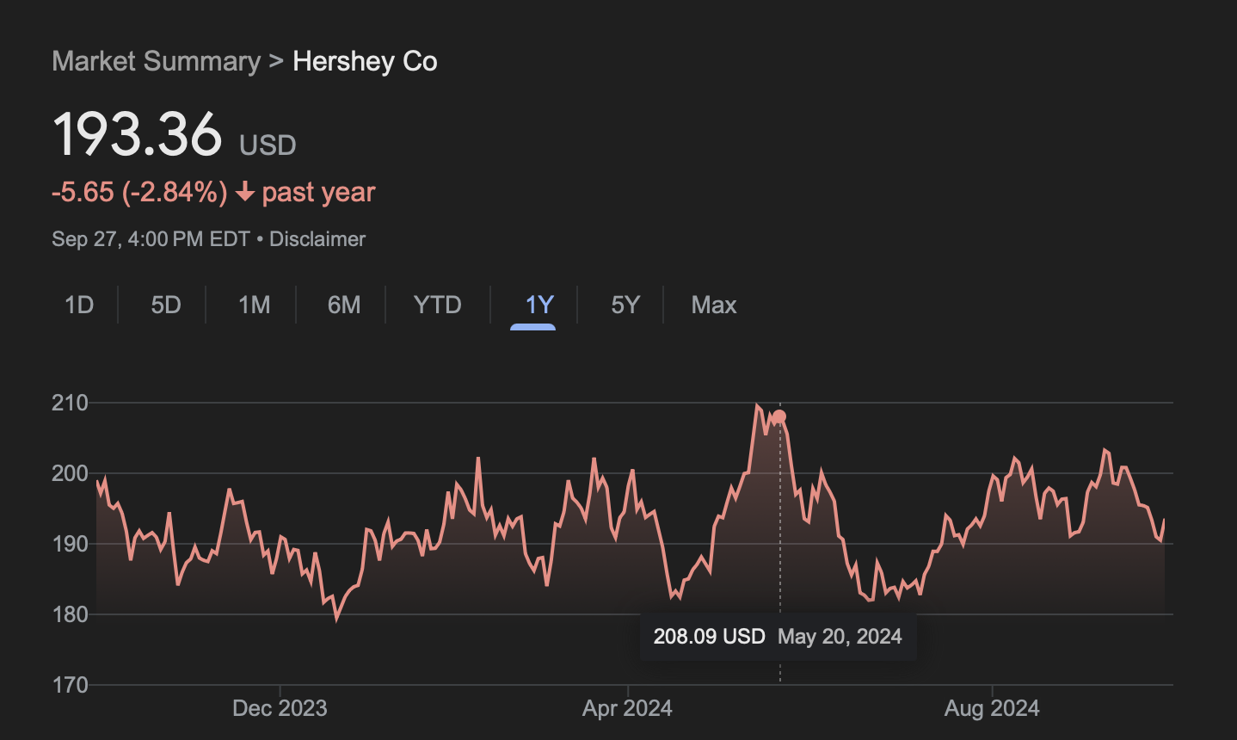
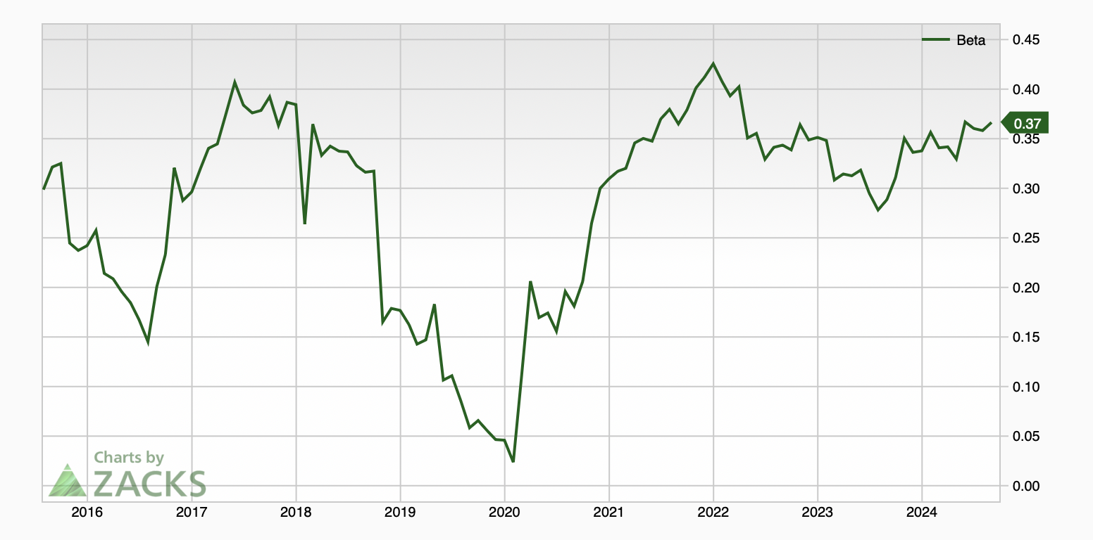
Correlations | HSY | STZ | ACI | PEP
HSY | 1.000 | 0.277 | 0.050 | 0.513
STZ | 0.277 | 1.000 | 0.194 | 0.433
ACI | 0.050 | 0.194 | 1.000 | 0.084
PEP | 0.513 | 0.433 | 0.084 | 1.000

 | HERSHEYS | Returns
Current Price | $193.36
Price at start of the year | $192.03 | 0.7%
Price 1 year ago | $199.01 | -2.8%
Price 5 years ago | $157.51 | 22.8%
52 Week High | $211.92 | -8.8%
52 Week Low | $178.82 | 8.1%

