Revenue Model
Inflation vs comparable sales growth
 | Calculated comparable store sales growth | Given comparable store sales growth** | Inflation (Food at Home) | Inflation (overall)
FY2018 |  | 2.1% | 0.6% | 1.6%
FY2019 | -0.90% | 1.1% | 0.7% | 2.5%
FY2020 | 6.79% | 6.9% | 3.7% | 1.4%
FY2021 | -10.06% | -6.7% | 7.4% | 7.5%
FY2022 | 1.67% | 2.2% | 11.3% | 6.4%
FY2023 | 2.32% | 3.4% | 1.2% | 3.1%
FY2024 | 5.70% | 7.6% | 1.9% | 3.0%
Fiscal Year | FY2018 | FY2019 | FY2020 | FY2021 | FY2022 | FY2023 | FY2024
Revenue Model | Dec. 30, 2018 | Dec. 29, 2019 | Jan. 03, 2021 | Jan. 02, 2022 | Jan. 01, 2023 | Dec. 31, 2023 | Dec. 29, 2024 | Dec. 31, 2025 | Dec. 31, 2026 | Dec. 31, 2027 | Dec. 31, 2028 | Dec. 31, 2029 | Dec. 31, 2030 | Dec. 31, 2031 | Dec. 31, 2032 | Dec. 31, 2033 | Dec. 31, 2034
Net Sales | 5,207,336 | 5,634,835 | 6,468,759 | 6,099,869 | 6,404,223 | 6,837,384 | 7,719,290 | 8,778,437 | 10,059,339 | 11,537,307 | 13,118,983 | 14,664,979 | 16,036,857 | 17,233,118 | 18,273,328 | 19,186,013 | 20,146,654
Growth |  | 8.21% | 14.80% | -5.70% | 4.99% | 6.76% | 12.90% | 13.72% | 14.59% | 14.69% | 13.71% | 11.78% | 9.35% | 7.46% | 6.04% | 4.99% | 5.01%

Average Revenue per store | 17,416 | 17,258 | 18,430 | 16,576 | 16,853 | 17,244 | 18,227 | 19,230 | 20,384 | 21,505 | 22,580 | 23,596 | 24,540 | 25,399 | 26,161 | 26,815 | 27,485
Calculated comparable store sales growth |  | -0.90% | 6.79% | -10.06% | 1.67% | 2.32% | 5.70% | 5.5% | 6.0% | 5.5% | 5.0% | 4.5% | 4.0% | 3.5% | 3.0% | 2.5% | 2.5%
Given comparable store sales growth** | 2.1% | 1.1% | 6.9% | -6.7% | 2.2% | 3.4% | 7.6%
Inflation (Food at Home) | 0.6% | 0.7% | 3.7% | 7.4% | 11.3% | 1.2% | 1.9%
Inflation (overall) | 1.6% | 2.5% | 1.4% | 7.5% | 6.4% | 3.1% | 3.0%

Stores, beginning of period | 285 | 313 | 340 | 362 | 374 | 386 | 407 | 440 | 473 | 514 | 559 | 603 | 640 | 667 | 690 | 707 | 724
Opened | 30 | 28 | 22 | 12 | 16 | 30 | 33 | 37 | 44 | 48 | 47 | 39 | 28 | 23 | 17 | 17 | 18
Acquired | 0 | 0 | 0 | 0 | 0 | 2 | 0 | 0 | 0 | 0 | 0 | 0 | 0 | 0 | 0 | 0 | 0
Closed | -2 | -1 | 0 | 0 | -4 | -11 | 0 | -4 | -3 | -3 | -3 | -2 | -1 | 0 | 0 | 0 | 0
Stores, end of period | 313 | 340 | 362 | 374 | 386 | 407 | 440 | 473 | 514 | 559 | 603 | 640 | 667 | 690 | 707 | 724 | 742
Total square feet, end of period | 9,029,768 | 9,846,081 | 10,344,669 | 10,625,686 | 10,894,396 | 11,322,798 | 12,123,032

Opened + Acquired | 10.53% | 8.95% | 6.47% | 3.31% | 4.28% | 8.29% | 8.11% | 8.50% | 9.50% | 9.50% | 8.50% | 6.50% | 4.50% | 3.50% | 2.50% | 2.50% | 2.50%
Closed | -0.70% | -0.32% | 0.00% | 0.00% | -1.07% | -2.85% | 0.00% | -0.70% | -0.60% | -0.50% | -0.40% | -0.30% | -0.10% | 0.00% | 0.00% | 0.00% | 0.00%
Overall growth | 9.82% | 8.63% | 6.47% | 3.31% | 3.21% | 5.44% | 8.11% | 7.50% | 8.67% | 8.75% | 7.87% | 6.14% | 4.22% | 3.45% | 2.46% | 2.40% | 2.49%
Comparable store sales growth
Bear |  |  |  |  |  |  |  | 4.50% | 5.00% | 4.50% | 4.00% | 3.50% | 3.00% | 2.50% | 2.00% | 1.50% | 1.50% | -1.00%
Base |  |  |  |  |  |  |  | 5.50% | 6.00% | 5.50% | 5.00% | 4.50% | 4.00% | 3.50% | 3.00% | 2.50% | 2.50%
Bull |  |  |  |  |  |  |  | 6.50% | 7.00% | 6.50% | 6.00% | 5.50% | 5.00% | 4.50% | 4.00% | 3.50% | 3.50% | 1.00%
Number of stores growth
Bear |  |  |  |  |  |  |  | 7.50% | 8.50% | 8.50% | 7.50% | 5.50% | 3.50% | 2.50% | 1.50% | 1.50% | 1.50% | -1.00%
Base |  |  |  |  |  |  |  | 8.50% | 9.50% | 9.50% | 8.50% | 6.50% | 4.50% | 3.50% | 2.50% | 2.50% | 2.50%
Bull |  |  |  |  |  |  |  | 9.50% | 10.50% | 10.50% | 9.50% | 7.50% | 5.50% | 4.50% | 3.50% | 3.50% | 3.50% | 1.00%

**Correl between given and calculated comparable store sales growth | 0.99

 | FY2018 | FY2019 | FY2020 | FY2021 | FY2022 | FY2023 | FY2024
Perishables | 57.5% | 57.7% | 57.2% | 57.7% | 58.0% | 57.3% | 57.3%
Non-Perishables | 42.5% | 42.3% | 42.8% | 42.3% | 42.0% | 42.7% | 42.7%

*Assumptions in Bold
OLD Revenue Model | Dec. 30, 2018 | Dec. 29, 2019 | Jan. 03, 2021 | Jan. 02, 2022 | Jan. 01, 2023 | Dec. 31, 2023 | Dec. 29, 2024 | Dec. 31, 2025 | Dec. 31, 2026 | Dec. 31, 2027 | Dec. 31, 2028 | Dec. 31, 2029 | Dec. 31, 2030 | Dec. 31, 2031 | Dec. 31, 2032 | Dec. 31, 2033 | Dec. 31, 2034
Revenue |  | 5,634,835 | 6,468,759 | 6,099,869 | 6,404,223 | 6,837,385 | 7,719,290 | 8,754,659 | 9,957,708 | 11,270,234 | 12,675,799 | 14,173,351 | 15,751,026 | 17,311,030 | 18,722,598 | 19,939,026 | 21,020,535
Average Revenue from continued stores |  | 5,264,617 | 6,023,639 | 6,035,352 | 6,234,066 | 6,621,967 | 7,357,025 | 8,336,833 | 9,498,806 | 10,754,325 | 12,115,502 | 13,563,106 | 15,094,618 | 16,696,087 | 18,176,582 | 19,471,503 | 20,537,196
Average Revenue lost from closed stores |  | (8,410) | - | - | (33,337) | (94,354) | - | (37,895) | (40,335) | (42,761) | (45,123) | (59,279) | (62,067) | (64,714) | (67,023) | (68,950) | (84,515)
Average Revenue from New Stores |  | 378,628 | 445,120 | 64,517 | 203,494 | 309,772 | 362,265 | 455,721 | 499,237 | 558,670 | 605,420 | 669,524 | 718,475 | 679,657 | 613,039 | 536,473 | 567,854
Average Revenue per store | 16,637 | 16,573 | 17,870 | 16,310 | 16,591 | 16,799 | 17,544 | 18,587 | 19,797 | 20,987 | 22,160 | 23,311 | 24,420 | 25,532 | 26,519 | 27,351 | 27,953
Average Revenue per store for continued stores |  | 16,820 | 17,717 | 16,672 | 16,669 | 17,155 | 18,076 | 18,947 | 20,167 | 21,380 | 22,561 | 23,712 | 24,827 | 25,885 | 26,809 | 27,580 | 28,172
New Store sales per store |  | 27,045 | 40,465 | 10,753 | 25,437 | 19,361 | 21,955 | 26,041 | 27,735 | 29,404 | 31,047 | 32,660 | 34,213 | 35,771 | 37,154 | 38,319 | 39,162
Ratio of New store sales to Old store sales |  | 1.61 | 2.28 | 0.64 | 1.53 | 1.13 | 1.21 | 1.40 | 1.40 | 1.40 | 1.40 | 1.40 | 1.40 | 1.40 | 1.40 | 1.40 | 1.40
Given comparable store sales growth | 2.1% | 1.1% | 6.9% | -6.7% | 2.2% | 3.4% | 7.6% | 8.0% | 8.5% | 8.0% | 7.5% | 7.0% | 6.5% | 6.0% | 5.0% | 4.0% | 3.0%

Properties
Number of Stores |  |  |  |  |  | Change in Stores
Year | 2020 | 2021 | 2022 | 2023 | 2024 | Year | 2020 | 2021 | 2022 | 2023 | 2024 | Facility | State | 2020 | 2021 | 2022 | 2023 | 2024
State |  |  |  |  |  | State |  |  |  |  |  | Corporate Office | Arizona | 96,000 | 96,000 | 96,000 | 96,000 | 96,000
Alabama | 3 | 3 | 3 | 3 | 3 | Alabama |  | 0 | 0 | 0 | 0 | Distribution Center | Arizona | 129,000 | 129,000 | 129,000 | 129,000 | 129,000
Arizona | 42 | 43 | 44 | 45 | 47 | Arizona |  | 1 | 1 | 1 | 2 | Distribution Center | California | 123,000 | 123,000 | 123,000 | 337,000 | 337,000
California | 126 | 128 | 130 | 139 | 149 | California |  | 2 | 2 | 9 | 10 | Distribution Center | California | 110,000 | 110,000 | 110,000 | 108,000 | 108,000
Colorado | 32 | 32 | 32 | 33 | 33 | Colorado |  | 0 | 0 | 1 | 0 | Distribution Center | Colorado | 0 | 134,000 | 134,000 | 134,000 | 134,000
Delaware | 1 | 1 | 1 | 1 | 2 | Delaware |  | 0 | 0 | 0 | 1 | Distribution Center | Florida | 0 | 134,000 | 134,000 | 134,000 | 134,000
Florida | 23 | 29 | 35 | 43 | 47 | Florida |  | 6 | 6 | 8 | 4 | Distribution Center | Texas | 117,000 | 117,000 | 117,000 | 234,000 | 234,000
Georgia | 16 | 18 | 18 | 16 | 17 | Georgia |  | 2 | 0 | -2 | 1 | Distribution Center | Georgia | 100,000 | 100,000 | 100,000 | 0 | 0
Kansas | 5 | 5 | 4 | 4 | 4 | Kansas |  | 0 | -1 | 0 | 0 | Square Footage*
Louisiana | 1 | 1 | 1 | 1 | 1 | Louisiana |  | 0 | 0 | 0 | 0
Maryland | 5 | 5 | 5 | 5 | 7 | Maryland |  | 0 | 0 | 0 | 2
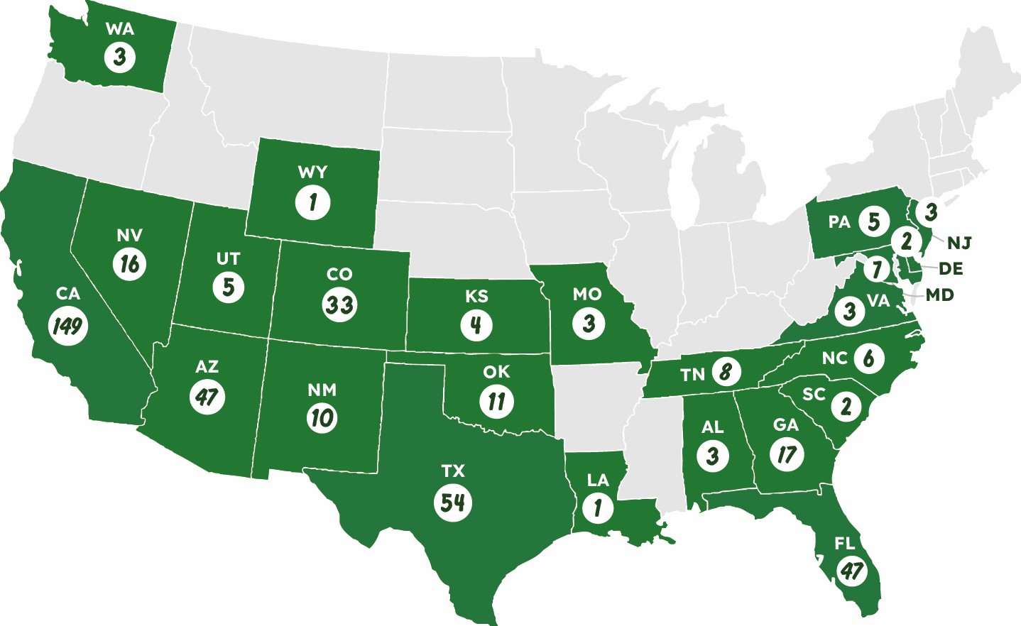
Missouri | 3 | 3 | 3 | 3 | 3 | Missouri |  | 0 | 0 | 0 | 0
Nevada | 13 | 14 | 14 | 16 | 16 | Nevada |  | 1 | 0 | 2 | 0
New Jersey | 1 | 1 | 1 | 2 | 3 | New Jersey |  | 0 | 0 | 1 | 1
New Mexico | 9 | 9 | 9 | 9 | 10 | New Mexico |  | 0 | 0 | 0 | 1
North Carolina | 5 | 5 | 5 | 6 | 6 | North Carolina |  | 0 | 0 | 1 | 0
Oklahoma | 11 | 11 | 11 | 11 | 11 | Oklahoma |  | 0 | 0 | 0 | 0
Pennsylvania | 2 | 2 | 2 | 2 | 5 | Pennsylvania |  | 0 | 0 | 0 | 3
South Carolina | 1 | 1 | 1 | 1 | 2 | South Carolina |  | 0 | 0 | 0 | 1
Tennessee | 6 | 6 | 6 | 7 | 8 | Tennessee |  | 0 | 0 | 1 | 1
Texas | 47 | 47 | 51 | 50 | 54 | Texas |  | 0 | 4 | -1 | 4
Utah | 5 | 5 | 5 | 5 | 5 | Utah |  | 0 | 0 | 0 | 0
Virginia | 1 | 1 | 1 | 2 | 3 | Virginia |  | 0 | 0 | 1 | 1
Washington | 4 | 4 | 4 | 3 | 3 | Washington |  | 0 | 0 | -1 | 0
Wyoming |  |  |  |  | 1 | Wyoming |  |  |  |  | 1
Total | 362 | 374 | 386 | 407 | 440 | Total | 0 | 12 | 12 | 21 | 33

Notes from 10K

"We have an extensive analytics-based process for new store site selection, which includes in-depth analysis of area demographics, competition, growth potential, traffic patterns, grocery spend and other key criteria. "
"By reducing our store square footage, our newer stores generally have a lower cost to build and decreased occupancy and operating costs, while reducing non-selling space that results in generally flat sales compared to our larger stores. We expect these cost reductions will allow us to deliver higher returns than our larger stores and continue to accelerate our growth."
California is thier largest largest market representing 34% of total stores. They also have store concentration in Texas, Arizona, Florida and Colorado, representing 12%, 11%, 11% and 8% of total stores in fiscal 2024, respectively.
"As we execute our long-term growth strategy, we may become even more concentrated in these markets, as well as other identified expansion markets. In addition, we source a large portion of our produce from California, ranging from approximately 40% to approximately 70% depending on the time of year. As a result, our business is currently more susceptible to regional conditions than the operations of more geographically diversified competitors, and we are vulnerable to economic downturns and natural disasters in those regions. "

"We expect to expand our distribution center network to support our growth."
"In 2023, we entered into a partnership with a third-party produce distributor in Pennsylvania to supply fresh produce to our Mid-Atlantic stores. As of December 29, 2024, approximately 80% of our stores were within 250 miles of a distribution center."

Price History
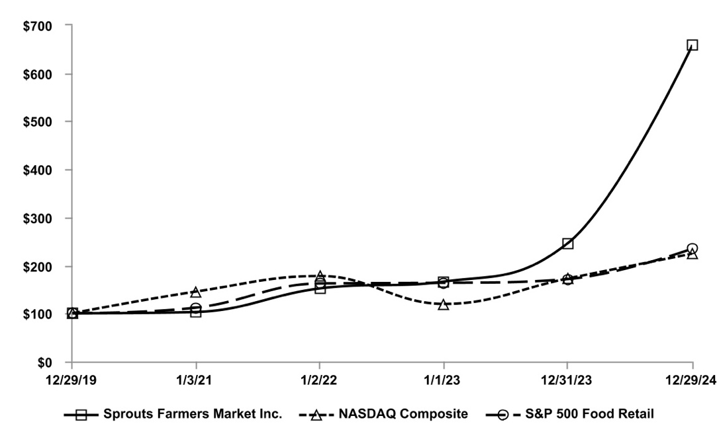
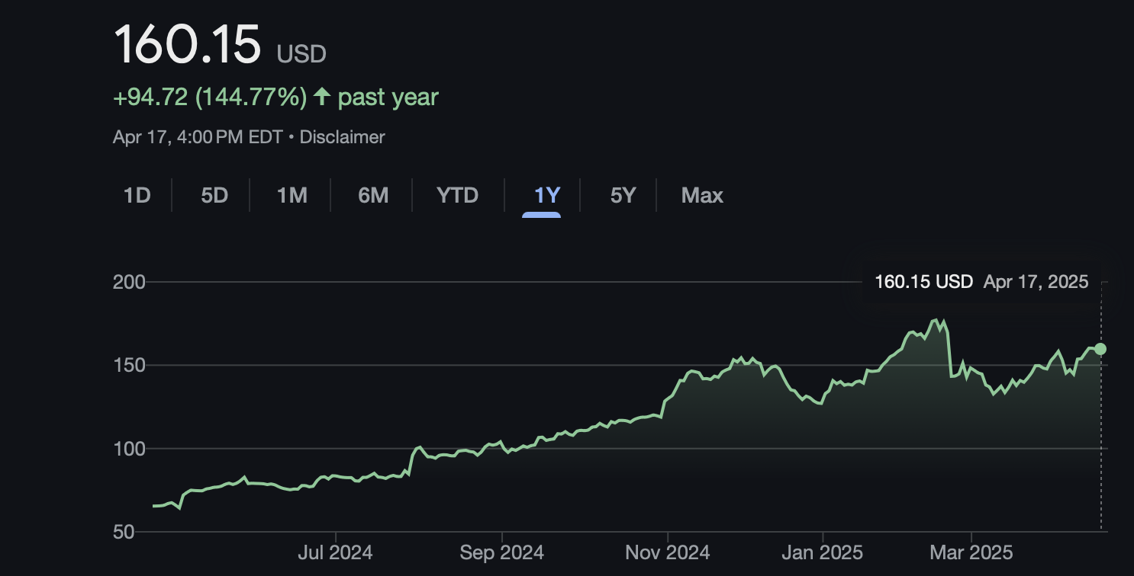
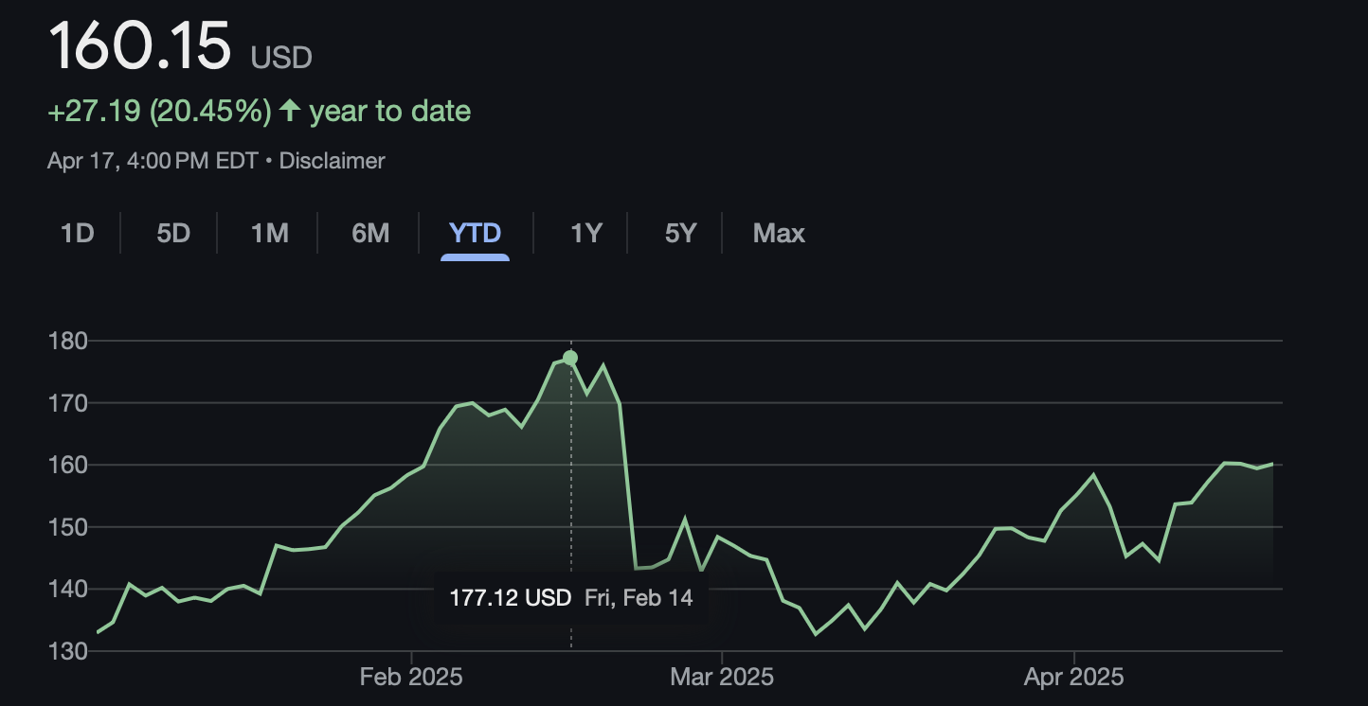
Sprouts vs S&P Food retail and NASDAQ over last 5 years

