Test screenshot
No | Test-item | Test step | Pass standard | Screenshot
1 | RPR-Equivalent Control Test-Normal Scenario | Initial State: - Curtailment limit = 100% - bess_ap_setpoint = -1500 - BESS Power = -1500 kW (discharge) - PV not active Operation: - At the 4th minute, change PV status to controllable with power output of 500 kW | EGC reduces BESS power, controls output limit not to exceed Limit PV = 500 × 3 BESS = 0 × 3 | 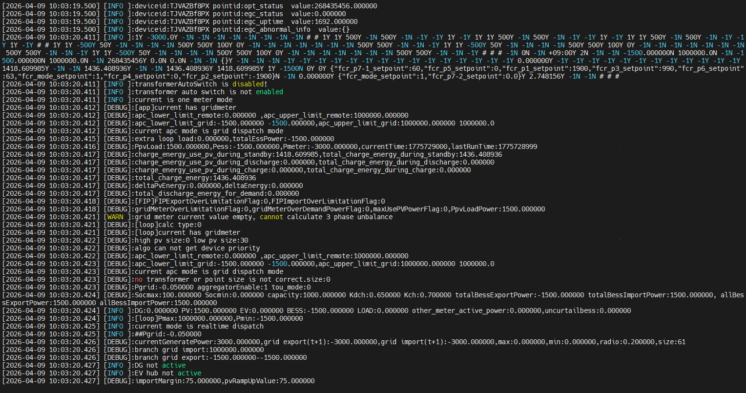 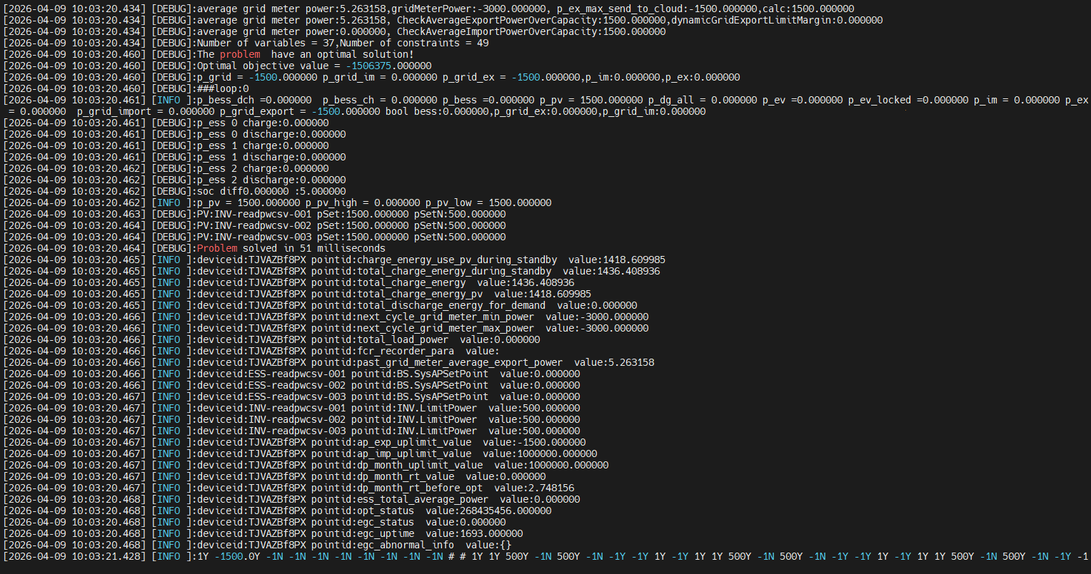
2 | RPR-Equivalent Control Test-Abnormal Protection Triggered | Initial State: - Curtailment limit = 100% - bess_ap_setpoint = -1500 - BESS at full discharge = -1500 kW - PV not controllable Operation: - At the 4th minute, change PV status to controllable with power output of 500 kW, and device does not follow control | Device does not follow control, algorithm enters abnormal protection； PV and BESS be stopped (INV.Stop, BS.Stop). | 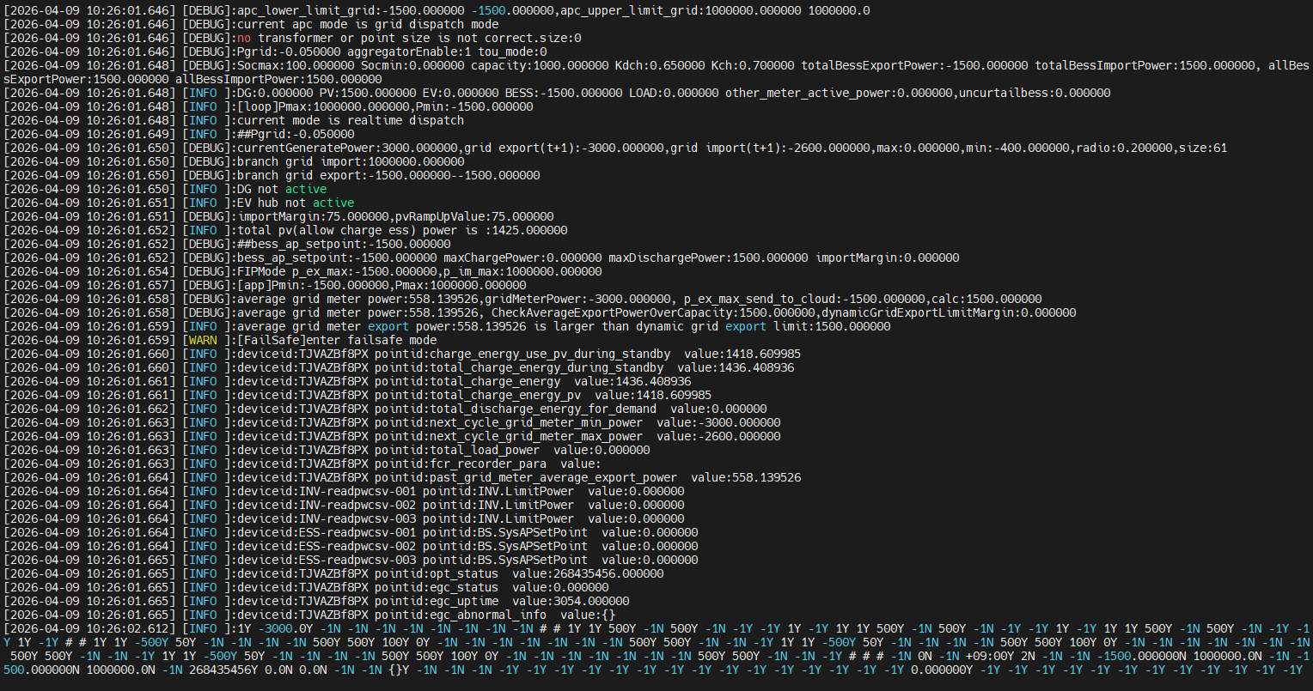
3 | BESS + PV Curtailment Test-Normal Scenario | Initial State: - Curtailment limit = 100% - bess_ap_setpoint = -1500 - dynamicGridExportLimitMargin = 75 - Control cycle = 1s - Curtailment regulation time = 10s Operation Steps: - Modify curtailment limit = 20%, PV and BESS do not follow, maintain power as: PV = 60 kW × 3 BESS = -60 kW × 3 | PV = 60 kW × 3 BESS = -60 kW × 3 export > limit 360 - 300 = 60, margin = 75, not exceeding margin, will not trigger abnormal protection | 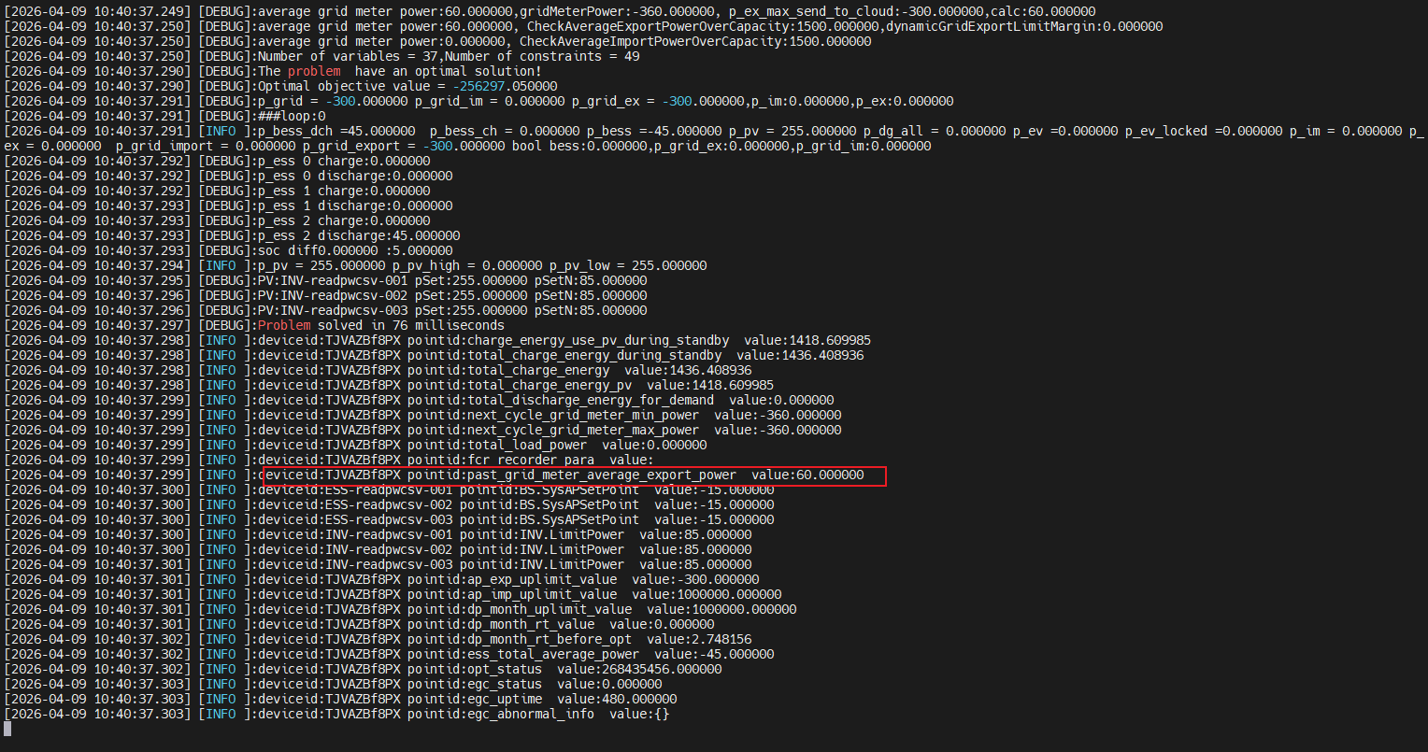
4 | BESS + PV Curtailment Test-Abnormal Protection Triggered | Initial State: - Curtailment limit = 100% - bess_ap_setpoint = -1500 - dynamicGridExportLimitMargin = 75 - Control cycle = 1s - Curtailment regulation time = 10s Operation Steps: - Modify curtailment limit = 20%, PV and BESS do not follow, maintain power as: PV = 100 kW × 3 BESS = -100 kW × 3 | PV and BESS devices do not follow control, exceeding output limit triggers abnormal protection PV = 100 × 3 BESS = 100 × 3 export > limit 600 > 300 PV and BESS be stopped (INV.Stop, BS.Stop). | 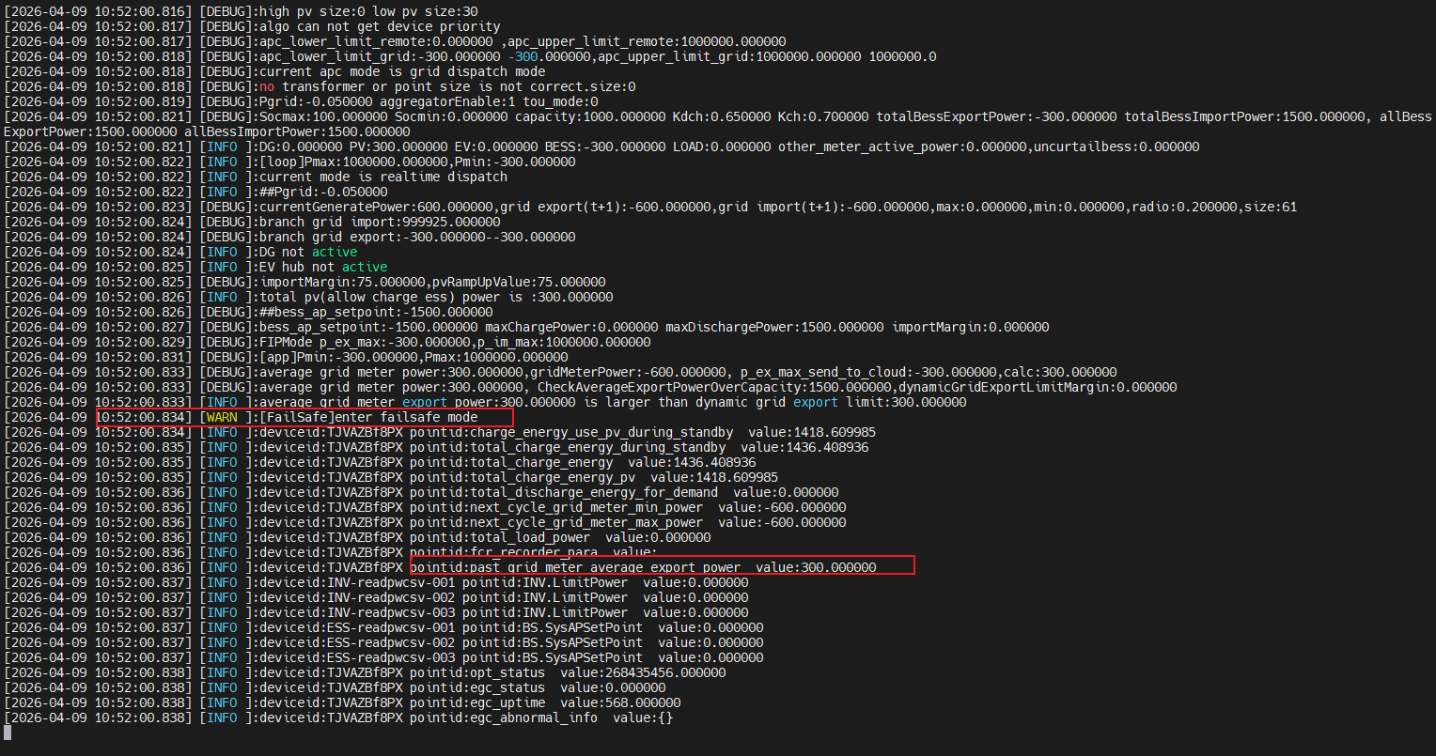
6 | PV Curtailment Test-Abnormal Protection Triggered | bess_ap_setpoint = 0 kW - Curtailment limit = 10%, PV and BESS do not follow, maintain power as: PV = 200 kW × 3 BESS = 0 kW × 3 | PV device does not follow control, exceeding output limit triggers abnormal protection PV = 200 × 3 BESS = 0 × 3 export > limit 600 > 150 PV and BESS be stopped (INV.Stop, BS.Stop).
7 | Output Accuracy Control | bess_ap_setpoint = 0 kW - Curtailment limit = 100%, observe phenomenon | EGC controls site output power to 1500 kW, will not exceed output limit to trigger abnormal protection PV = 500 × 3 BESS = 0 × 3 | 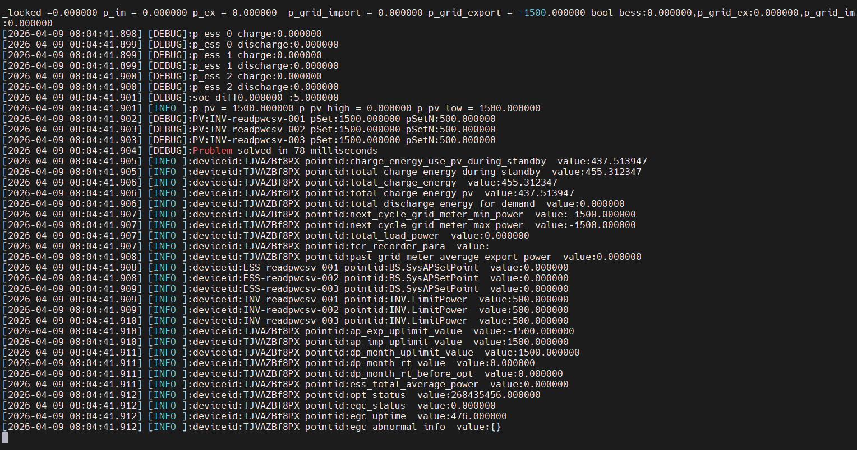
8 |  | bess_ap_setpoint = 0 kW - Curtailment limit = 60%, observe phenomenon | EGC controls site output power to 900 kW, will not exceed output limit to trigger abnormal protection PV = 500 × 3 BESS = 200 × 3 | 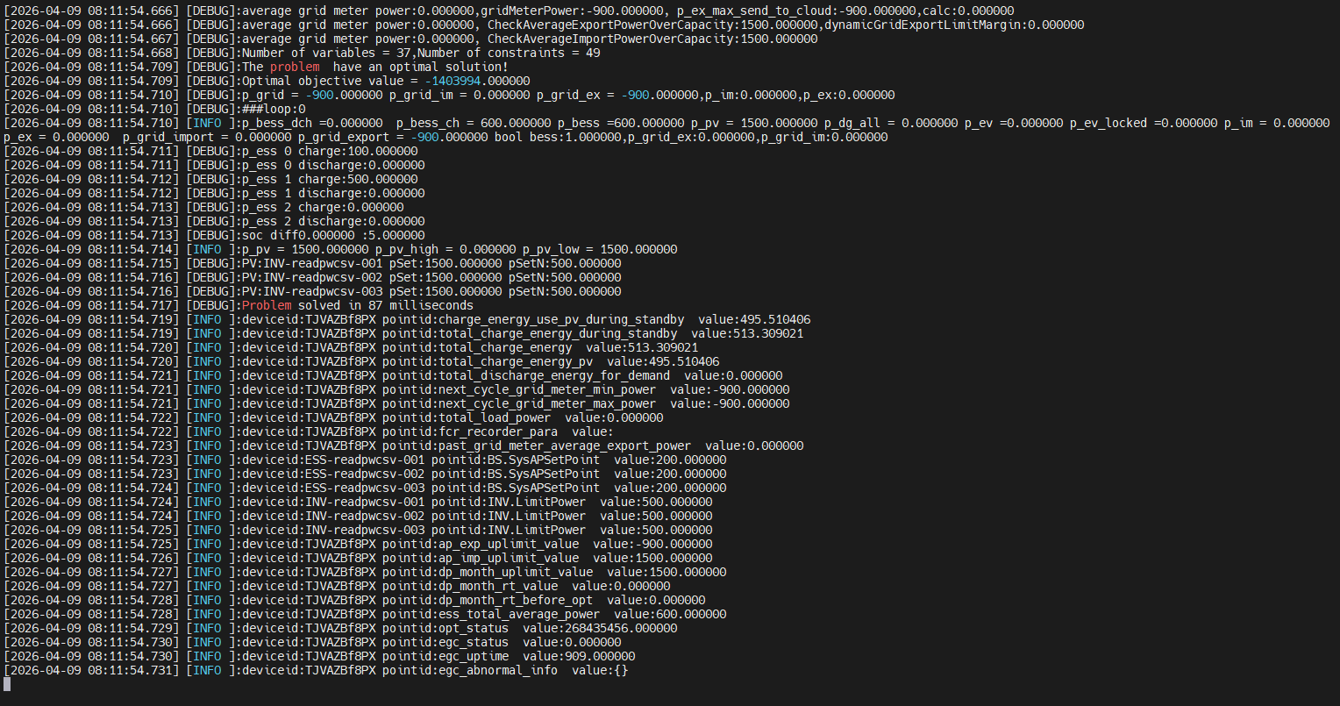
9 |  | bess_ap_setpoint = 0 kW - Curtailment limit = 10%, observe phenomenon | EGC controls site output power to 150 kW, will not exceed output limit to trigger abnormal protection PV = 500 × 3 BESS = 450 × 3 | 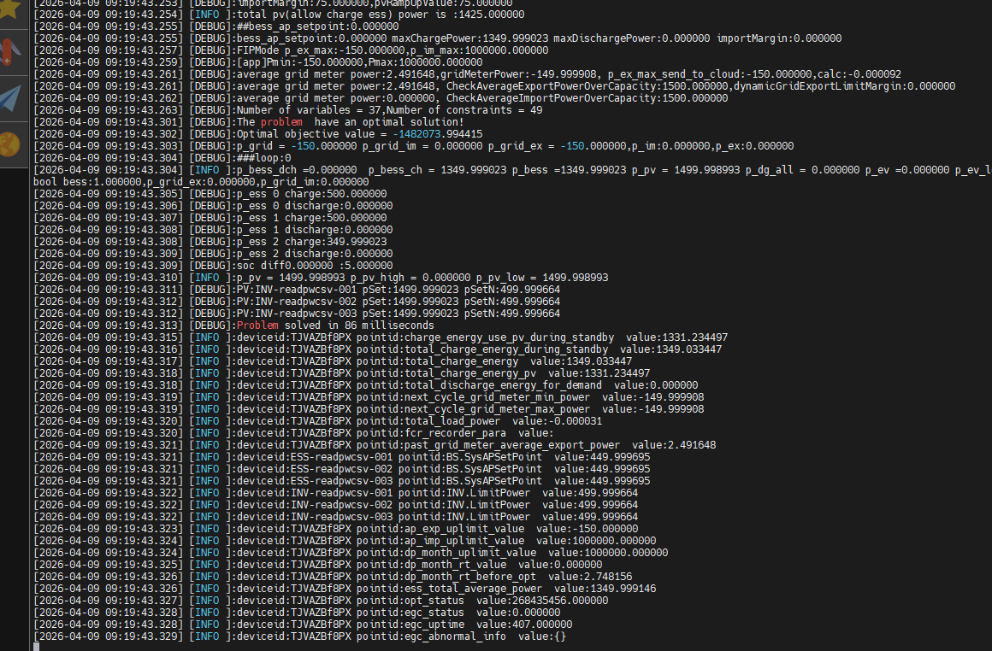
10 | EGC Coordination Logic-Charge setpoint-curtailment is 0 | Curtailment ratio = 0 % ap_export_upper_limit=0kW - =================== INV.GenActivePW=0kW BS.ActivePW=0kW METER.ActivePW=0kW SoC=0% =================== bess_ap_setpoint=1000kW | INV+ Ramp up；ESS + INV Ramp up； =========EGC output========== INV.LimitPower=50kW BS.SysAPSetPoint=50kW | 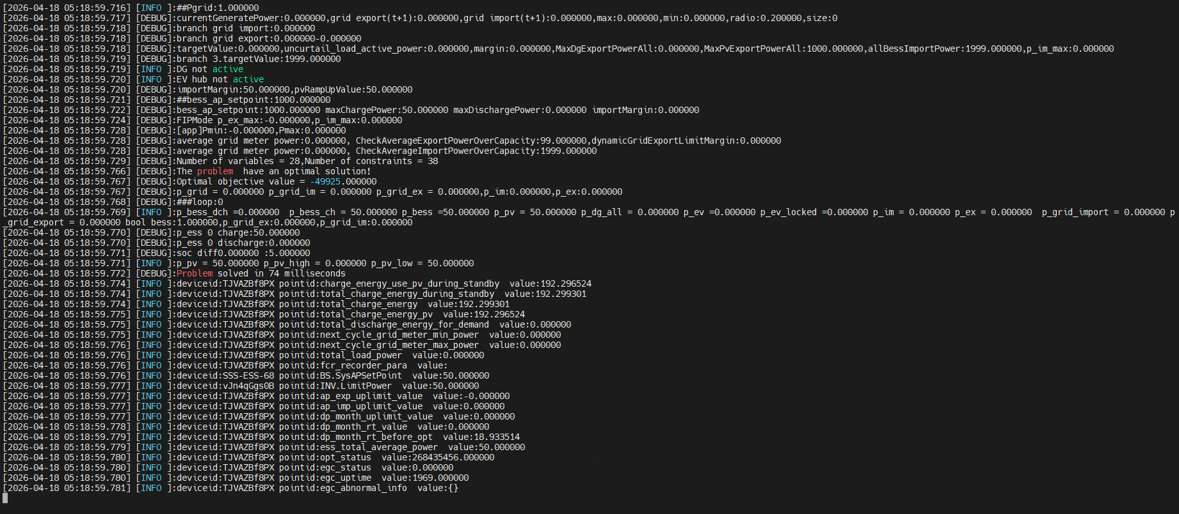
11 |  | Curtailment ratio = 0 % ap_export_upper_limit=0kW - =================== INV.GenActivePW=50kW BS.ActivePW=50kW METER.ActivePW=0kW SoC=0% =================== bess_ap_setpoint=1000kW | INV+ Ramp up；ESS + INV Ramp up； =========EGC output========== INV.LimitPower=100kW BS.SysAPSetPoint=100kW | 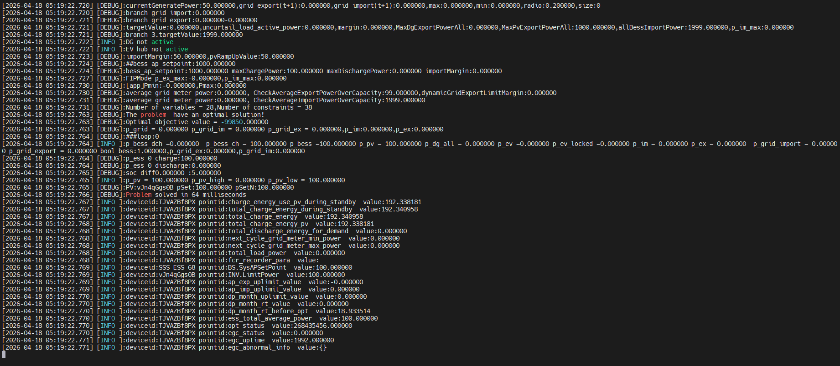
12 | EGC Coordination Logic-Charge setpoint-curtailment is 50% | Curtailment ratio = 50 % ap_export_upper_limit=999.5kW =================== INV.GenActivePW=0kW BS.ActivePW=0kW METER.ActivePW=0kW SoC=0% =================== bess_ap_setpoint=1000kW | INV+ Ramp up； =========EGC output========== INV.LimitPower=50kW BS.SysAPSetPoint=0kW | 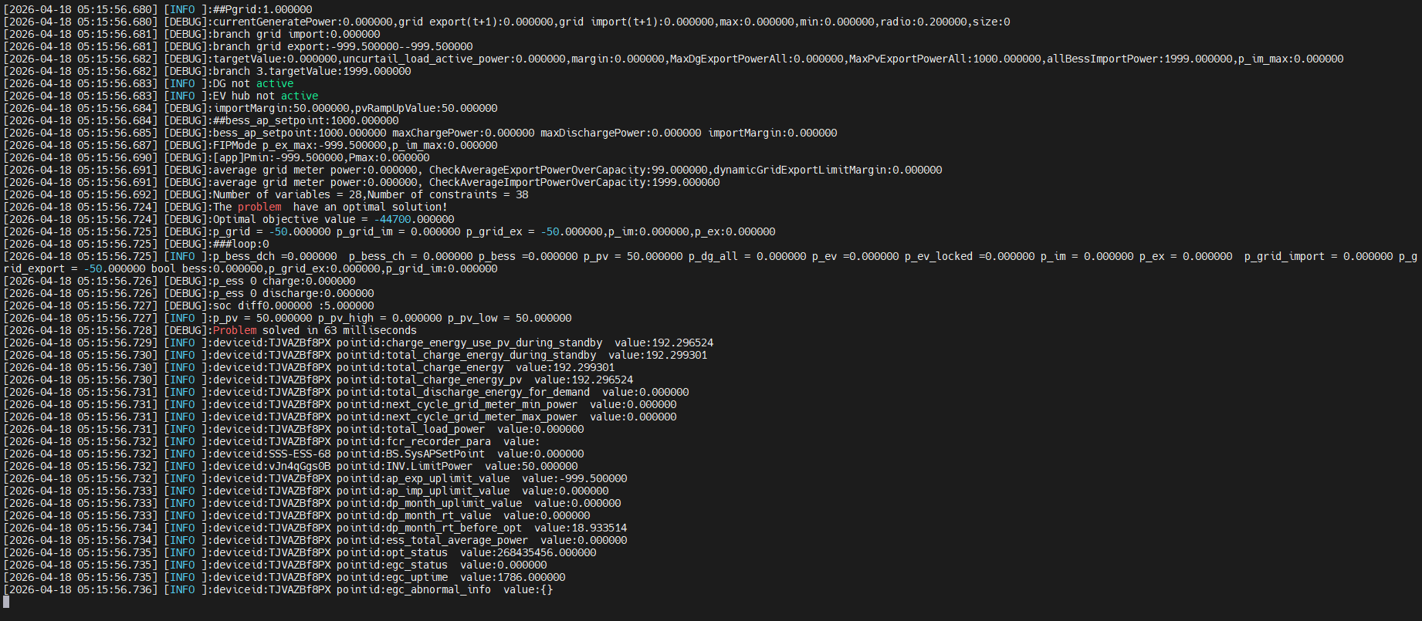
13 |  | Curtailment ratio = 50 % ap_export_upper_limit=999.5kW =================== INV.GenActivePW=50kW BS.ActivePW=0kW METER.ActivePW=-50kW SoC=0% =================== bess_ap_setpoint=1000kW | INV+ Ramp up； ESS Charge =========EGC output========== INV.LimitPower=100kW BS.SysAPSetPoint=50kW | 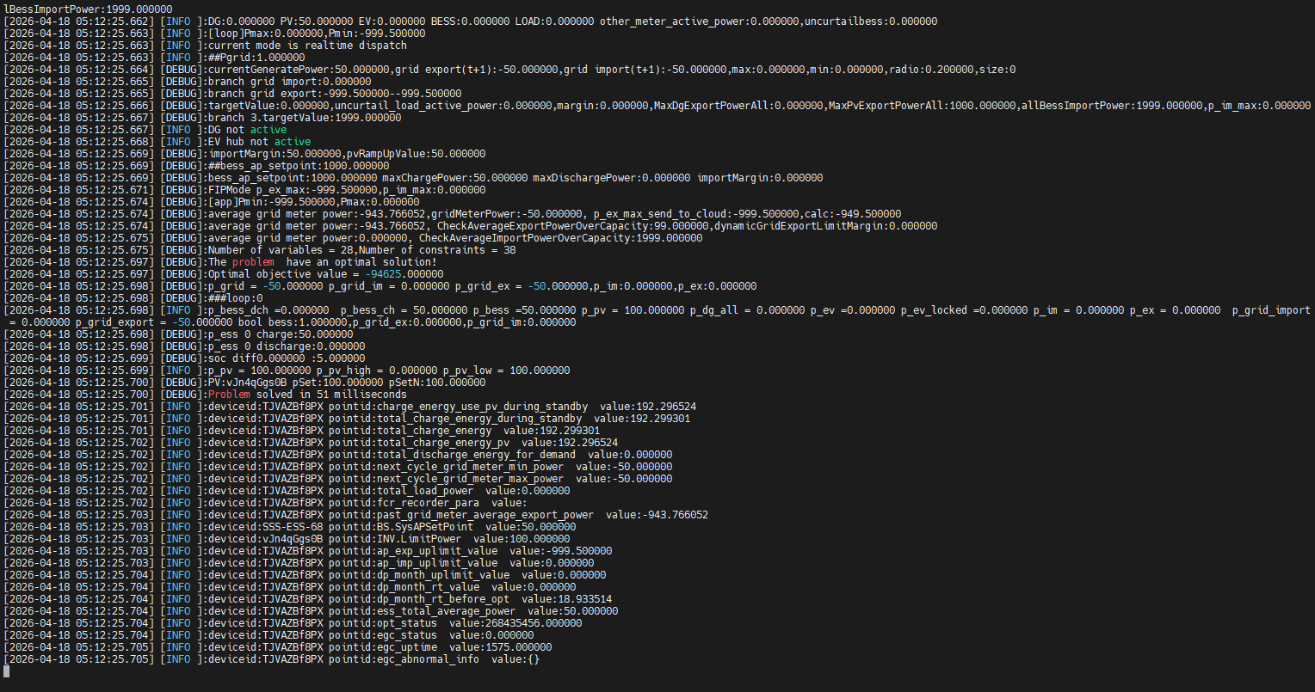
14 | EGC Coordination Logic-Charge setpoint-curtailment is 100% | Curtailment ratio = 100 % ap_export_upper_limit=1999kW - =================== INV.GenActivePW=0kW BS.ActivePW=0kW METER.ActivePW=0kW SoC=0% =================== bess_ap_setpoint=1000kW | INV+ Ramp up； =========EGC output========== INV.LimitPower=50kW BS.SysAPSetPoint=0kW
15 |  | Curtailment ratio = 100 % ap_export_upper_limit=1999kW - =================== INV.GenActivePW=50kW BS.ActivePW=0kW METER.ActivePW=-50kW SoC=0% =================== bess_ap_setpoint=1000kW | INV+ Ramp up； ESS Charge = |Ppvload|； =========EGC output========== INV.LimitPower=100kW BS.SysAPSetPoint=50kW
16 | EGC Coordination Logic-Charge setpoint-SoC = Max SoC | Curtailment ratio = 100 % ap_export_upper_limit=1999kW - =================== INV.GenActivePW=1000kW BS.ActivePW=0kW METER.ActivePW=-1000kW SoC=100% =================== bess_ap_setpoint=1000kW | INV+ Ramp up； =========EGC output========== INV.LimitPower=1000kW BS.SysAPSetPoint=0kW | 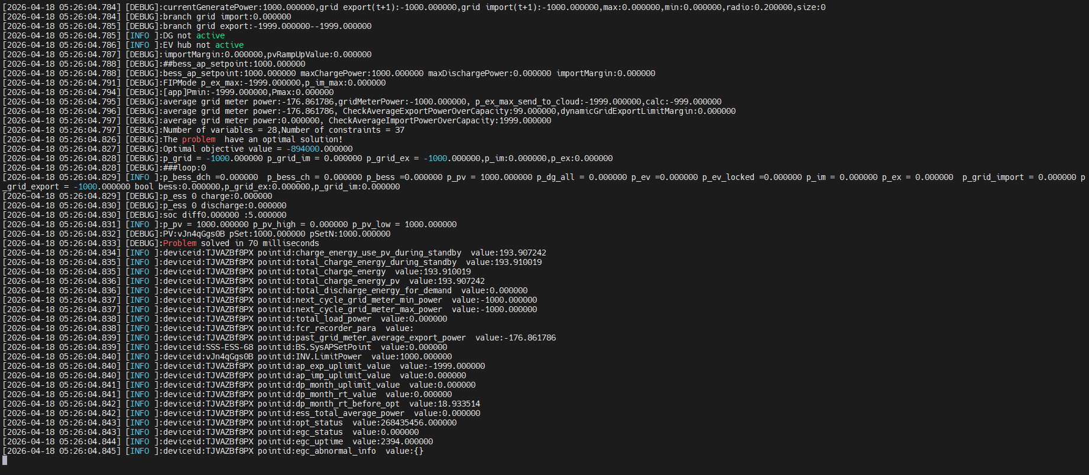
17 |  | Curtailment ratio = 50 % ap_export_upper_limit=999.5kW - =================== INV.GenActivePW=1000kW BS.ActivePW=0kW METER.ActivePW=-1000kW SoC=100% =================== bess_ap_setpoint=1000kW | INV+ Ramp up； =========EGC output========== INV.LimitPower=999.5kW BS.SysAPSetPoint=0kW | 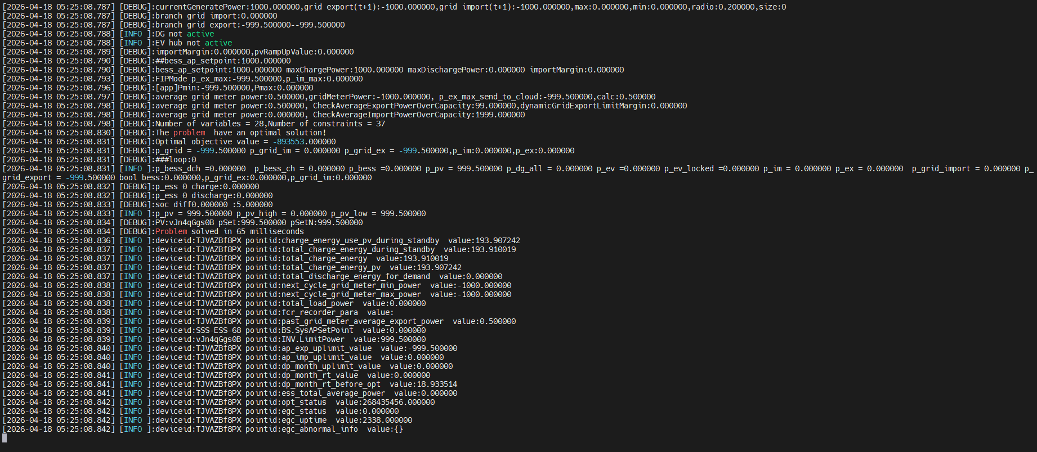
18 |  | Curtailment ratio = 0 % ap_export_upper_limit=0kW - =================== INV.GenActivePW=0kW BS.ActivePW=0kW METER.ActivePW=0kW SoC=100% =================== bess_ap_setpoint=1000kW | SoC = Max SoC； =========EGC output========== INV.LimitPower=0kW BS.SysAPSetPoint=0kW | 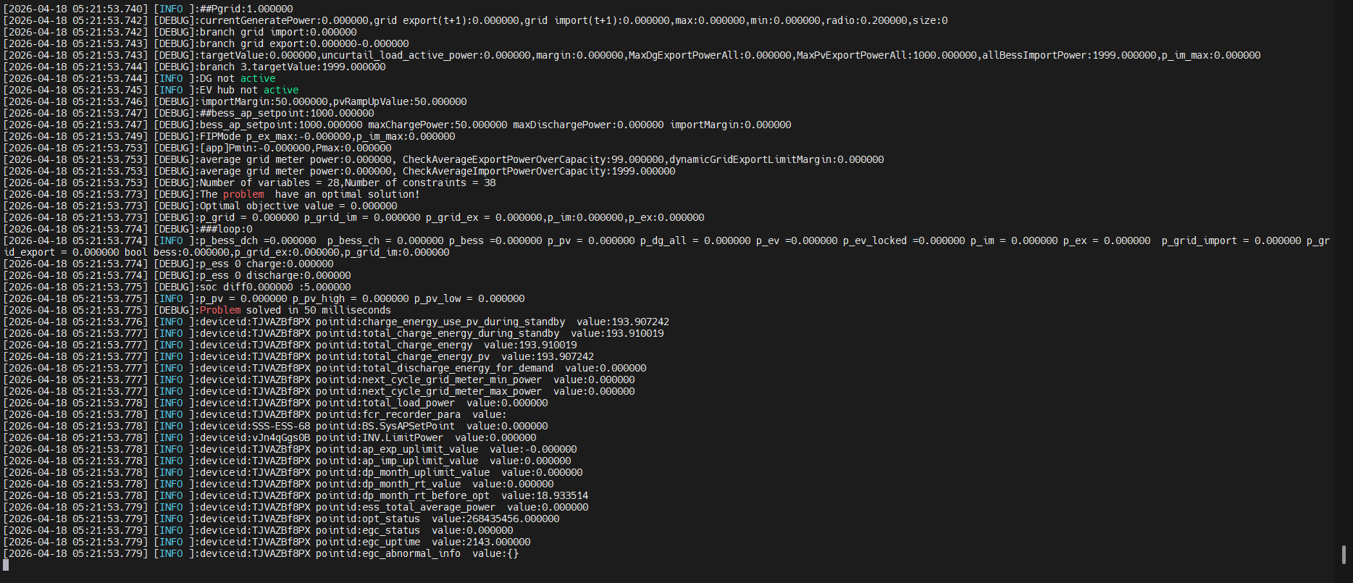
19 | EGC Coordination Logic-DisCharge setpoint-curtailment is 0 | Curtailment ratio = 0 % ap_export_upper_limit=0kW - =================== INV.GenActivePW=0kW BS.ActivePW=0kW METER.ActivePW=0kW SoC=0% =================== bess_ap_setpoint=-1000kW | INV+ Ramp up；ESS + INV Ramp up； =========EGC output========== INV.LimitPower=50kW BS.SysAPSetPoint=50kW | 
20 |  | Curtailment ratio = 0 % ap_export_upper_limit=0kW - =================== INV.GenActivePW=50kW BS.ActivePW=50kW METER.ActivePW=0kW SoC=0% =================== bess_ap_setpoint=-1000kW | INV+ Ramp up；ESS + INV Ramp up； =========EGC output========== INV.LimitPower=100kW BS.SysAPSetPoint=100kW | 
21 |  | Curtailment ratio = 0 % ap_export_upper_limit=0kW - =================== INV.GenActivePW=0kW BS.ActivePW=0kW METER.ActivePW=0kW SoC=50% =================== bess_ap_setpoint=-1000kW | INV+ Ramp up；ESS + INV Ramp up； =========EGC output========== INV.LimitPower=50kW BS.SysAPSetPoint=50kW
22 |  | Curtailment ratio = 0 % ap_export_upper_limit=0kW - =================== INV.GenActivePW=50kW BS.ActivePW=50kW METER.ActivePW=0kW SoC=50% =================== bess_ap_setpoint=-1000kW | INV+ Ramp up；ESS + INV Ramp up； =========EGC output========== INV.LimitPower=100kW BS.SysAPSetPoint=100kW
23 | EGC Coordination Logic-DisCharge setpoint-curtailment is 50% | Curtailment ratio = 50 % ap_export_upper_limit=999.5kW - =================== INV.GenActivePW=0kW BS.ActivePW=0kW METER.ActivePW=0kW SoC=0% =================== bess_ap_setpoint=-1000kW | INV+ Ramp up； =========EGC output========== INV.LimitPower=50kW BS.SysAPSetPoint=0kW | 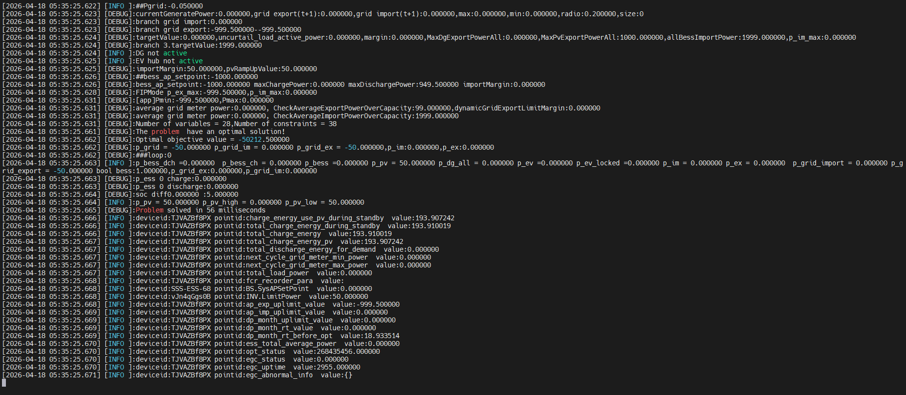
24 |  | Curtailment ratio = 50 % ap_export_upper_limit=999.5kW - =================== INV.GenActivePW=50kW BS.ActivePW=0kW METER.ActivePW=-50kW SoC=0% =================== bess_ap_setpoint=-1000kW | INV+ Ramp up； =========EGC output========== INV.LimitPower=100kW BS.SysAPSetPoint=0kW | 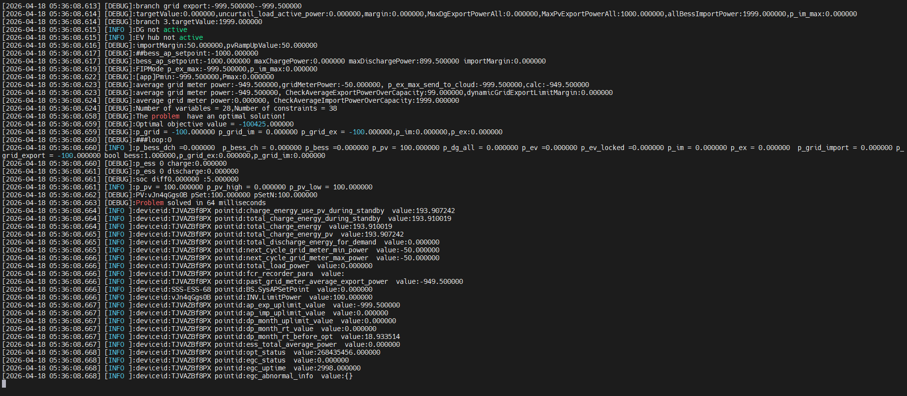
25 |  | Curtailment ratio = 50 % ap_export_upper_limit=999.5kW - =================== INV.GenActivePW=999.5kW BS.ActivePW=0kW METER.ActivePW=-999.5kW SoC=0% =================== bess_ap_setpoint=-1000kW | INV > export limit ； ESS Charge= INV-export limit； =========EGC output========== INV.LimitPower=1000kW BS.SysAPSetPoint=0.5kW | 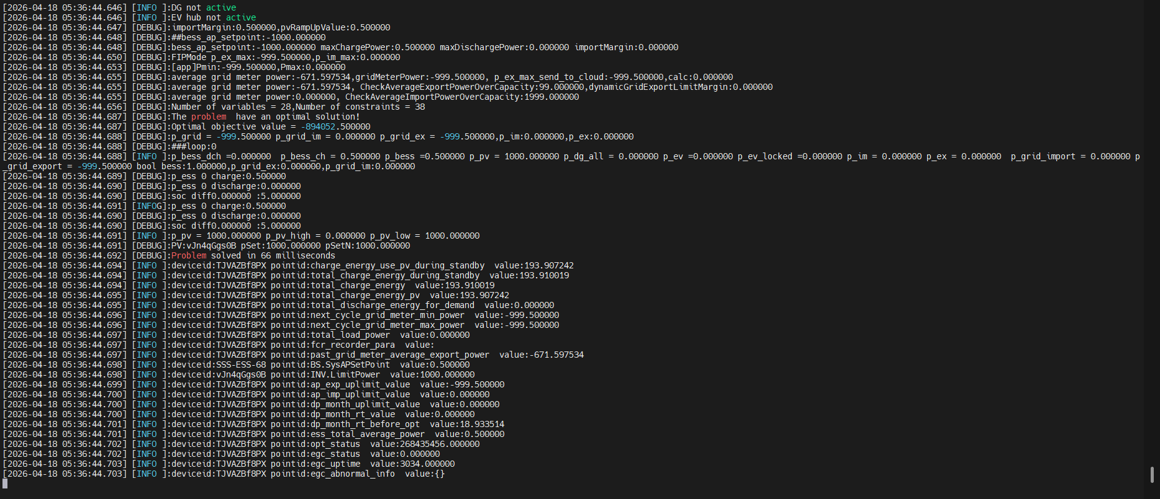
26 |  | Curtailment ratio = 50 % ap_export_upper_limit=999.5kW - =================== INV.GenActivePW=100kW BS.ActivePW=0kW METER.ActivePW=-100kW SoC=50% =================== bess_ap_setpoint=-1000kW | INV + Ramp up；ESS DisCharge； INV + ESS = export_upper_limit =========EGC output========== INV.LimitPower=150kW BS.SysAPSetPoint=-849.5kW | 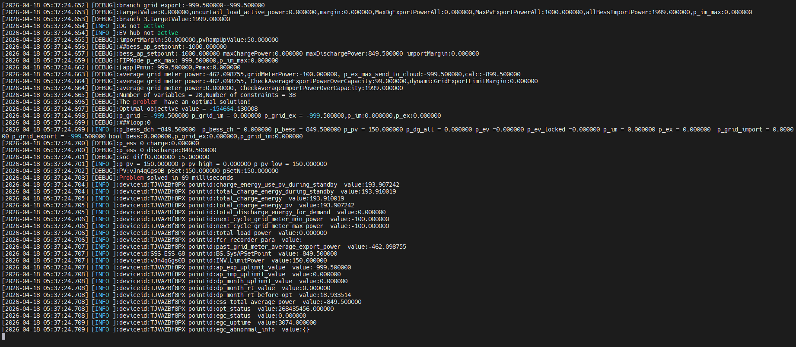
27 | EGC Coordination Logic-DisCharge setpoint-curtailment is 10% | Curtailment ratio = 10 % ap_export_upper_limit=199.9kW - =================== INV.GenActivePW=0kW BS.ActivePW=0kW METER.ActivePW=0kW SoC=0% =================== bess_ap_setpoint=-1000kW | INV+ Ramp up； =========EGC output========== INV.LimitPower=50kW BS.SysAPSetPoint=0kW | 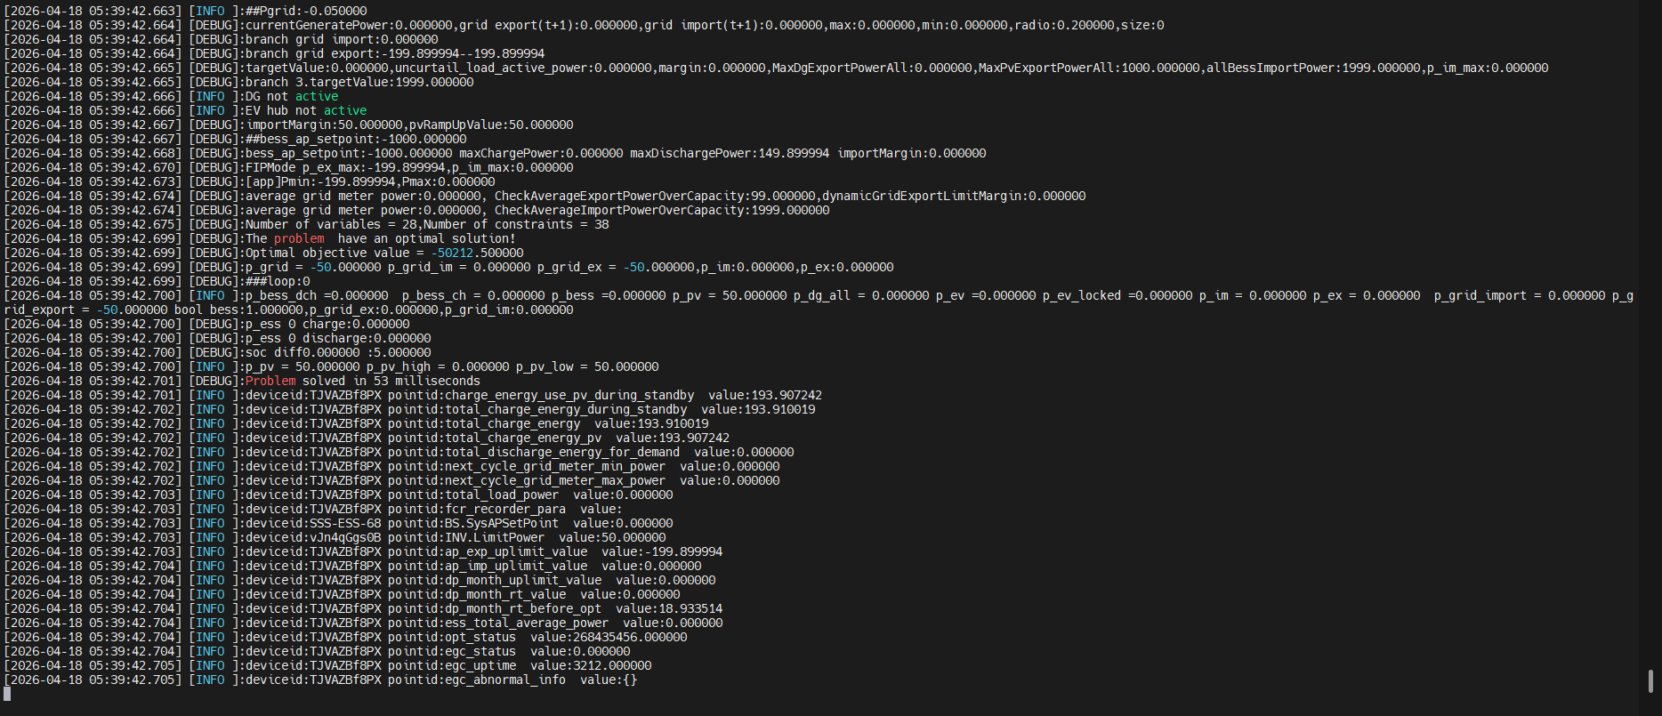
28 |  | Curtailment ratio = 10 % ap_export_upper_limit=199.9kW - =================== INV.GenActivePW=200kW BS.ActivePW=0kW METER.ActivePW=-200kW SoC=0% =================== bess_ap_setpoint=-1000kW | INV > export limit ； ESS Charge= INV-export limit； INV.LimitPower=250kW BS.SysAPSetPoint=50.1kW | 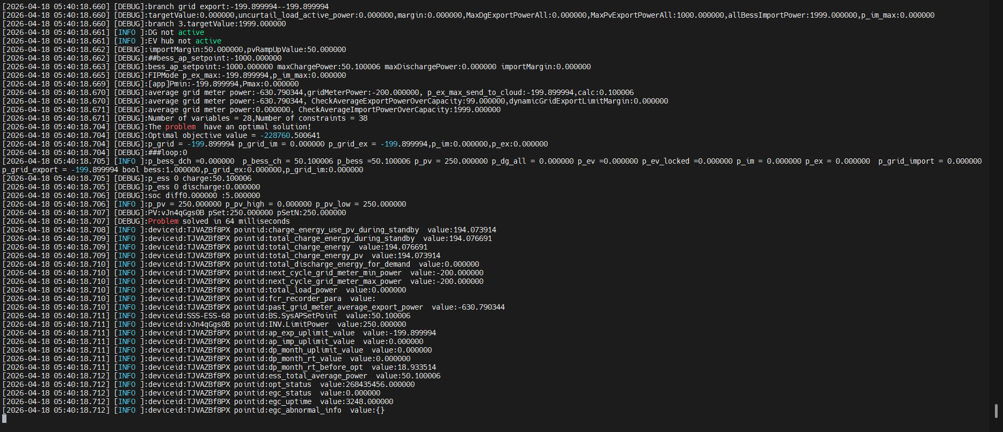
29 |  | Curtailment ratio = 10 % ap_export_upper_limit=199.9kW - =================== INV.GenActivePW=0kW BS.ActivePW=0kW METER.ActivePW=0kW SoC=50% =================== bess_ap_setpoint=-1000kW | INV+ Ramp up；ESS DisCharge； INV + ESS = export_upper_limit =========EGC output========== INV.LimitPower=50kW BS.SysAPSetPoint=-149.9kW | 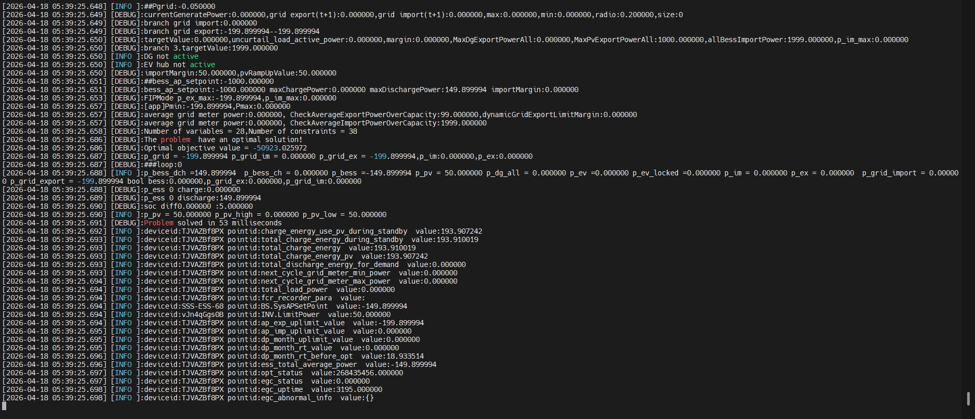
30 | EGC Coordination Logic-DisCharge setpoint-curtailment is 100% | Curtailment ratio = 100 % ap_export_upper_limit=1999kW - =================== INV.GenActivePW=0kW BS.ActivePW=0kW METER.ActivePW=0kW SoC=0% =================== bess_ap_setpoint=-1000kW | INV+ Ramp up； =========EGC output========== INV.LimitPower=50kW BS.SysAPSetPoint=0kW | 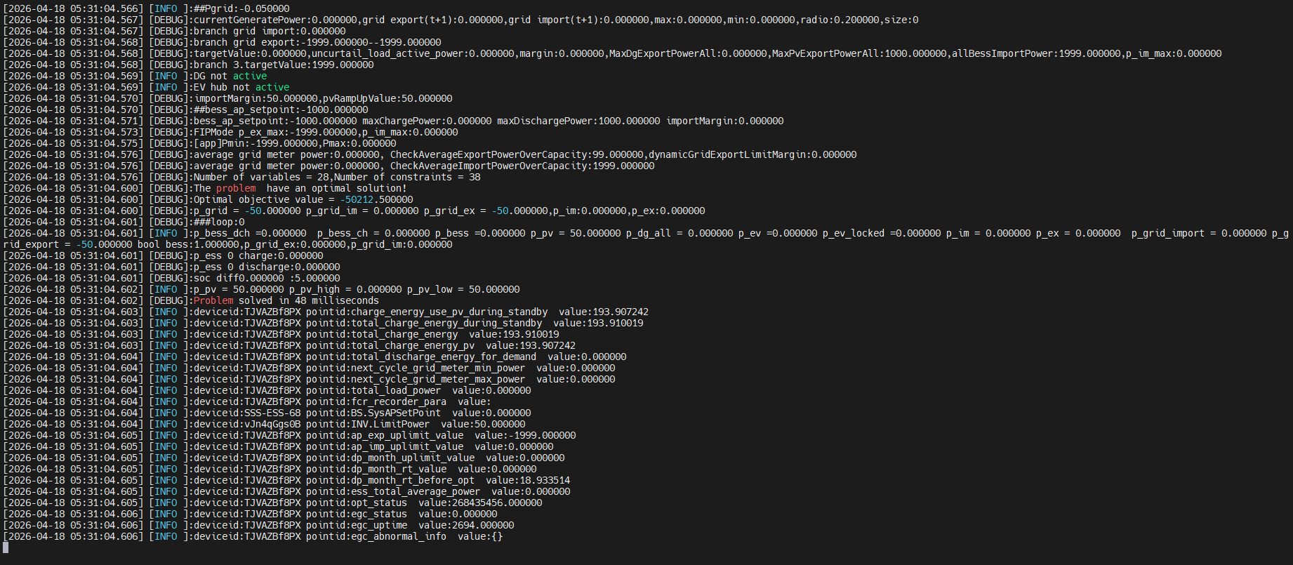
31 |  | Curtailment ratio = 100 % ap_export_upper_limit=1999kW - =================== INV.GenActivePW=1000kW BS.ActivePW=0kW METER.ActivePW=-1000kW SoC=0% =================== bess_ap_setpoint=-1000kW | INV+ Ramp up； =========EGC output========== INV.LimitPower=1000kW BS.SysAPSetPoint=0kW | 
32 |  | Curtailment ratio = 100 % ap_export_upper_limit=1999kW - =================== INV.GenActivePW=1000kW BS.ActivePW=0kW METER.ActivePW=-1000kW SoC=50% =================== bess_ap_setpoint=-1000kW | INV+ Ramp up；ESS DisCharge； INV + ESS = export_upper_limit =========EGC output========== INV.LimitPower=1000kW BS.SysAPSetPoint=-999kW | 
33 | EGC Coordination Logic- bess_ap_setpoint is 0 | Curtailment ratio = 0 % ap_export_upper_limit=0kW - =================== INV.GenActivePW=0kW BS.ActivePW=0kW METER.ActivePW=0kW SoC=0% =================== bess_ap_setpoint=0kW | INV+ Ramp up；ESS + Ramp up =========EGC output========== INV.LimitPower=50kW BS.SysAPSetPoint=50kW | 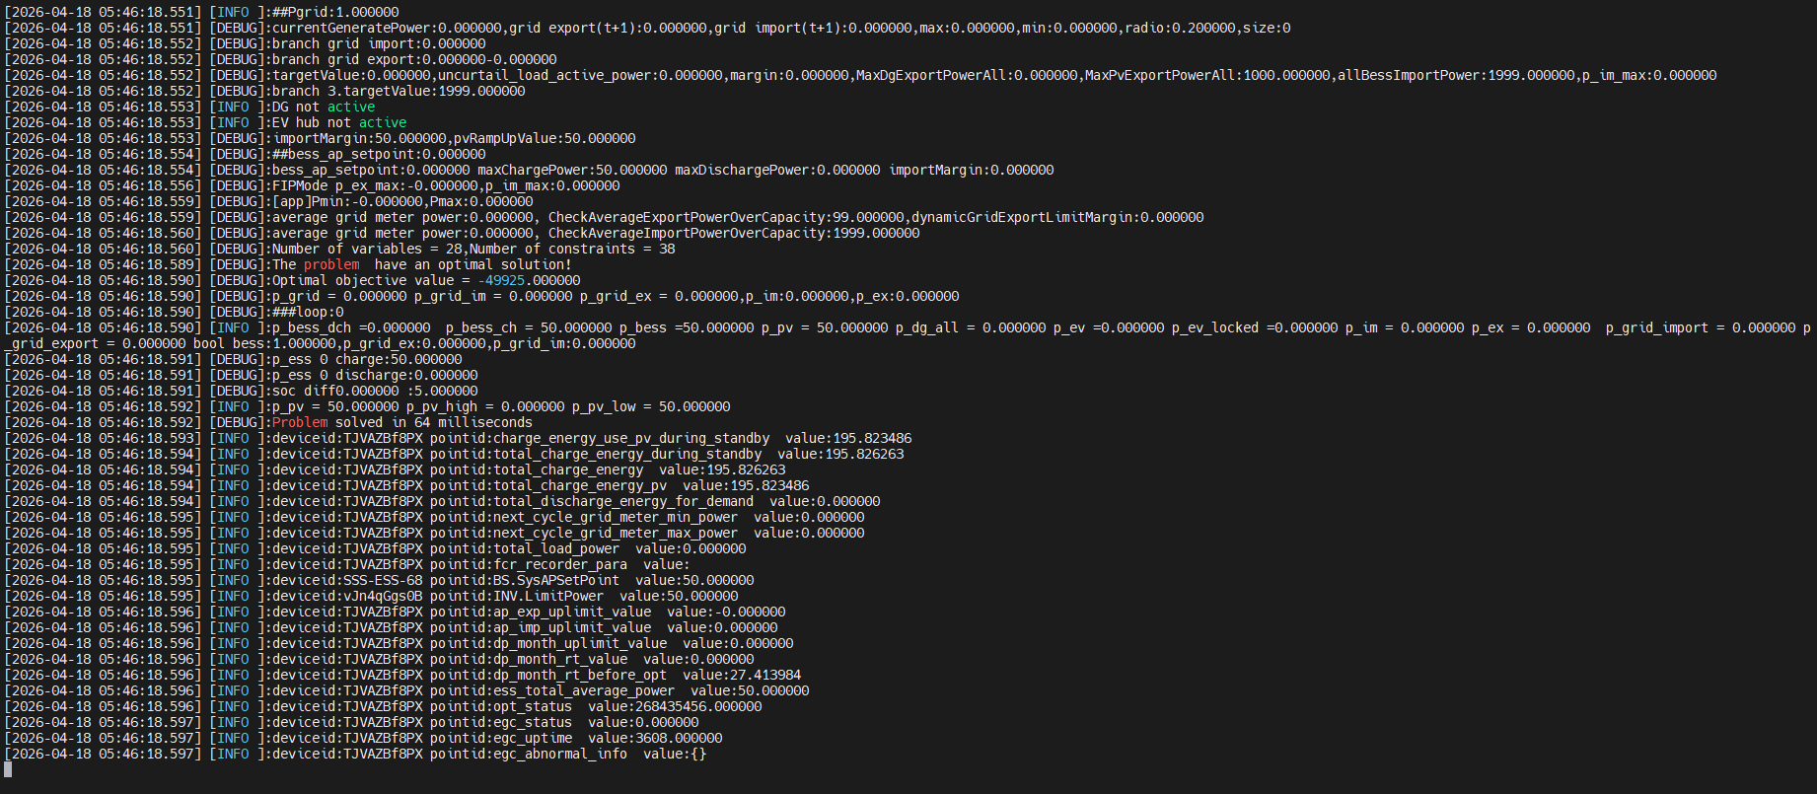
34 |  | Curtailment ratio = 10 % ap_export_upper_limit=199.9kW - =================== INV.GenActivePW=0kW BS.ActivePW=0kW METER.ActivePW=0kW SoC=0% =================== bess_ap_setpoint=0kW | INV+ Ramp up；ESS + Ramp up =========EGC output========== INV.LimitPower=50kW BS.SysAPSetPoint=0kW | 
35 |  | Curtailment ratio = 10 % ap_export_upper_limit=199.9kW - =================== INV.GenActivePW=199,9kW BS.ActivePW=0kW METER.ActivePW=-199,9kW SoC=0% =================== bess_ap_setpoint=0kW | INV+ Ramp up；ESS + Ramp up =========EGC output========== INV.LimitPower=249.9kW BS.SysAPSetPoint=50kW | 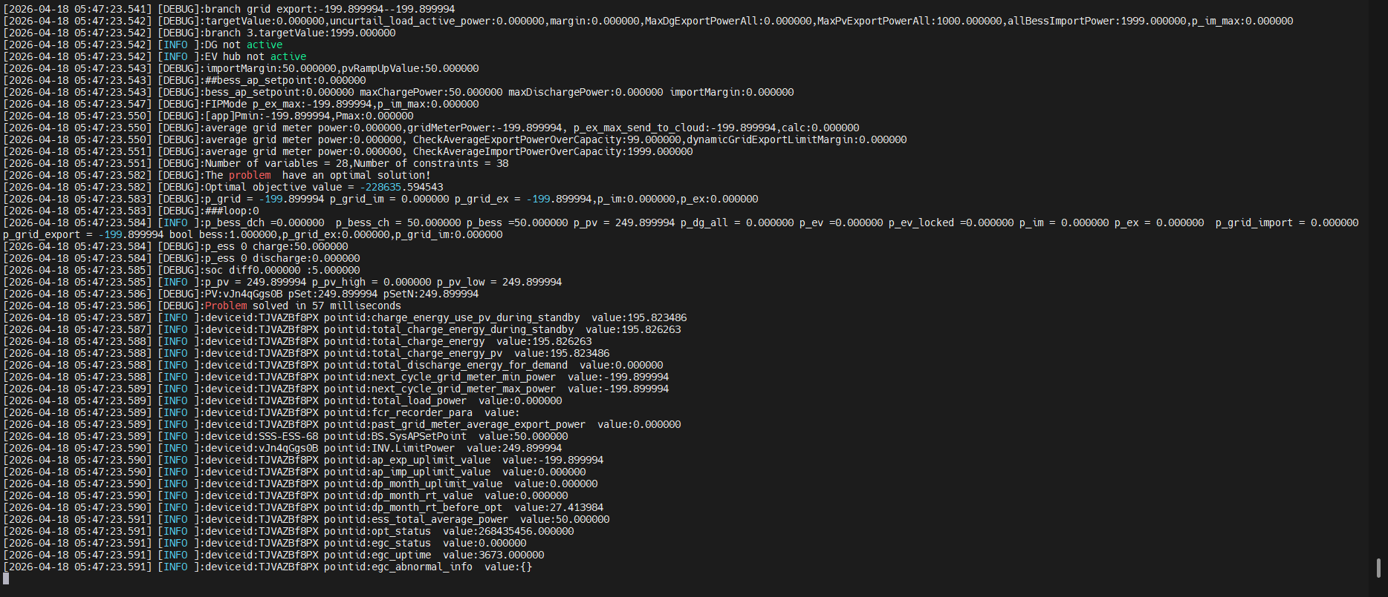
36 |  | Curtailment ratio = 10 % ap_export_upper_limit=199.9kW - =================== INV.GenActivePW=199,9kW BS.ActivePW=0kW METER.ActivePW=-199,9kW SoC=100% =================== bess_ap_setpoint=0kW | =========EGC output========== INV.LimitPower=199.9kW BS.SysAPSetPoint=0kW | 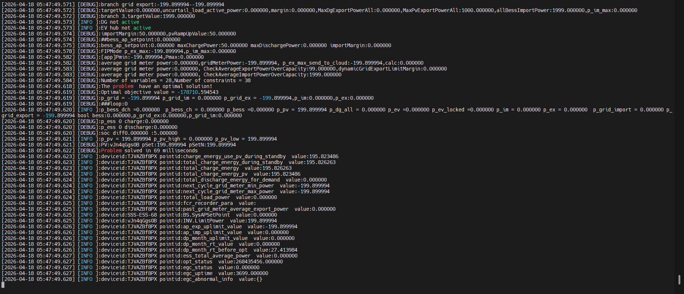
37 | EGC Coordination Logic- bess_ap_setpoint = 0 ; load >0 | Curtailment ratio = 0 % ap_export_upper_limit=0kW - =================== INV.GenActivePW=0kW BS.ActivePW=0kW METER.ActivePW=10kW load =10kW SoC=50% =================== bess_ap_setpoint=0kW | INV+ Ramp up； =========EGC output========== INV.LimitPower=10kW BS.SysAPSetPoint=0kW
38 |  | Curtailment ratio = 0 % ap_export_upper_limit=0kW - =================== INV.GenActivePW=0kW BS.ActivePW=0kW METER.ActivePW=60kW load =60kW SoC=50% =================== bess_ap_setpoint=0kW | INV+ Ramp up；ESS Discharge =========EGC output========== INV.LimitPower=50kW BS.SysAPSetPoint=-10kW
39 |  | Curtailment ratio = 10 % ap_export_upper_limit=199.9kW - =================== INV.GenActivePW=0kW BS.ActivePW=0kW METER.ActivePW=10kW load =10kW SoC=50% =================== bess_ap_setpoint=0kW | INV+ Ramp up；ESS Discharge =========EGC output========== INV.LimitPower=50kW BS.SysAPSetPoint=-10kW
40 |  | Curtailment ratio = 10 % ap_export_upper_limit=199.9kW - =================== INV.GenActivePW=50kW BS.ActivePW=-10kW METER.ActivePW=-50kW load =10kW SoC=50% =================== bess_ap_setpoint=0kW | INV+ Ramp up；Reduce ESS =========EGC output========== INV.LimitPower=100kW BS.SysAPSetPoint=40kW
41 |  | Curtailment ratio = 10 % ap_export_upper_limit=199.9kW - =================== INV.GenActivePW=100kW BS.ActivePW=40kW METER.ActivePW=-50kW load =10kW SoC=50% =================== bess_ap_setpoint=0kW | INV+ Ramp up； ESS Charge =========EGC output========== INV.LimitPower=150kW BS.SysAPSetPoint=90kW
42 | EGC Coordination Logic- bess_ap_setpoint < 0 ; load >0 | Curtailment ratio = 0 % ap_export_upper_limit=0kW - =================== INV.GenActivePW=0kW BS.ActivePW=0kW METER.ActivePW=10kW load =10kW SoC=50% =================== bess_ap_setpoint=-1000kW | INV+ Ramp up； =========EGC output========== INV.LimitPower=10kW BS.SysAPSetPoint=0kW
43 |  | Curtailment ratio = 0 % ap_export_upper_limit=0kW - =================== INV.GenActivePW=0kW BS.ActivePW=0kW METER.ActivePW=60kW load =60kW SoC=50% =================== bess_ap_setpoint=-1000kW | INV+ Ramp up；ESS Discharge =========EGC output========== INV.LimitPower=50kW BS.SysAPSetPoint=-10kW
44 |  | Curtailment ratio = 10 % ap_export_upper_limit=199.9kW - =================== INV.GenActivePW=0kW BS.ActivePW=0kW METER.ActivePW=10kW load =10kW SoC=50% =================== bess_ap_setpoint=-1000kW | INV+ Ramp up；ESS Discharge =========EGC output========== INV.LimitPower=50kW BS.SysAPSetPoint=-159.9kW
45 |  | Curtailment ratio = 10 % ap_export_upper_limit=199.9kW - =================== INV.GenActivePW=150kW BS.ActivePW=-59.9kW METER.ActivePW=-199.9kW load =10kW SoC=50% =================== bess_ap_setpoint=-1000kW | INV+ Ramp up；Reduce ESS =========EGC output========== INV.LimitPower=200kW BS.SysAPSetPoint=-9.9kW
46 |  | Curtailment ratio = 10 % ap_export_upper_limit=199.9kW - =================== INV.GenActivePW=200kW BS.ActivePW=-9.9kW METER.ActivePW=-199.9kW load =10kW SoC=50% =================== bess_ap_setpoint=-1000kW | INV+ Ramp up ,ESS Charge =========EGC output========== INV.LimitPower=250kW BS.SysAPSetPoint=40.1kW
47 | EGC Coordination Logic- bess_ap_setpoint >0 ; load >0 | Curtailment ratio = 0 % ap_export_upper_limit=0kW - =================== INV.GenActivePW=0kW BS.ActivePW=0kW METER.ActivePW=10kW load =10kW SoC=50% =================== bess_ap_setpoint=1000kW | INV+ Ramp up； =========EGC output========== INV.LimitPower=10kW BS.SysAPSetPoint=0kW
48 |  | Curtailment ratio = 0 % ap_export_upper_limit=0kW - =================== INV.GenActivePW=0kW BS.ActivePW=0kW METER.ActivePW=60kW load =60kW SoC=50% =================== bess_ap_setpoint=1000kW | INV+ Ramp up；ESS Discharge =========EGC output========== INV.LimitPower=50kW BS.SysAPSetPoint=-10kW
49 |  | Curtailment ratio = 10 % ap_export_upper_limit=199.9kW - =================== INV.GenActivePW=0kW BS.ActivePW=0kW METER.ActivePW=10kW load =10kW SoC=50% =================== bess_ap_setpoint=1000kW | INV+ Ramp up；ESS Discharge =========EGC output========== INV.LimitPower=50kW BS.SysAPSetPoint=-10kW
50 |  | Curtailment ratio = 10 % ap_export_upper_limit=199.9kW - =================== INV.GenActivePW=50kW BS.ActivePW=-10kW METER.ActivePW=-50kW load =10kW SoC=50% =================== bess_ap_setpoint=1000kW | INV+ Ramp up； ESS Charge =========EGC output========== INV.LimitPower=100kW BS.SysAPSetPoint=40kW
51 |  | Curtailment ratio = 10 % ap_export_upper_limit=199.9kW - =================== INV.GenActivePW=1000kW BS.ActivePW=940kW METER.ActivePW=-50kW load =10kW SoC=50% =================== bess_ap_setpoint=1000kW | INV+ Ramp up； ESS Charge =========EGC output========== INV.LimitPower=1000kW BS.SysAPSetPoint=990kW
52 | EGC Coordination Logic-Charge setpoint-SoC = Max SoC | Curtailment ratio = 0 % ap_export_upper_limit=0kW - =================== INV.GenActivePW=1000kW BS.ActivePW=1000kW METER.ActivePW=0kW SoC=100% =================== bess_ap_setpoint=1000kW | SoC = Max SoC； =========EGC output========== INV.LimitPower=0kW BS.SysAPSetPoint=0kW
53 | 5‑minute average grid meter import power > import limit | Curtailment ratio = 0 % ap_export_upper_limit=0kW Grid import limit =0kW The input limit values used to trigger the abnormal protection against over-capacity in the station field = 99kW - =================== INV.GenActivePW=50kW BS.ActivePW=150kW METER.ActivePW=100kW SoC=50% -Continue for five minutes and keep the "activepw" unchanged. =================== | algorithm enters abnormal protection； PV and BESS be stopped (INV.Stop, BS.Stop,and INV.LimitPower=0kW,BS.SysAPSetPoint=0kW). | 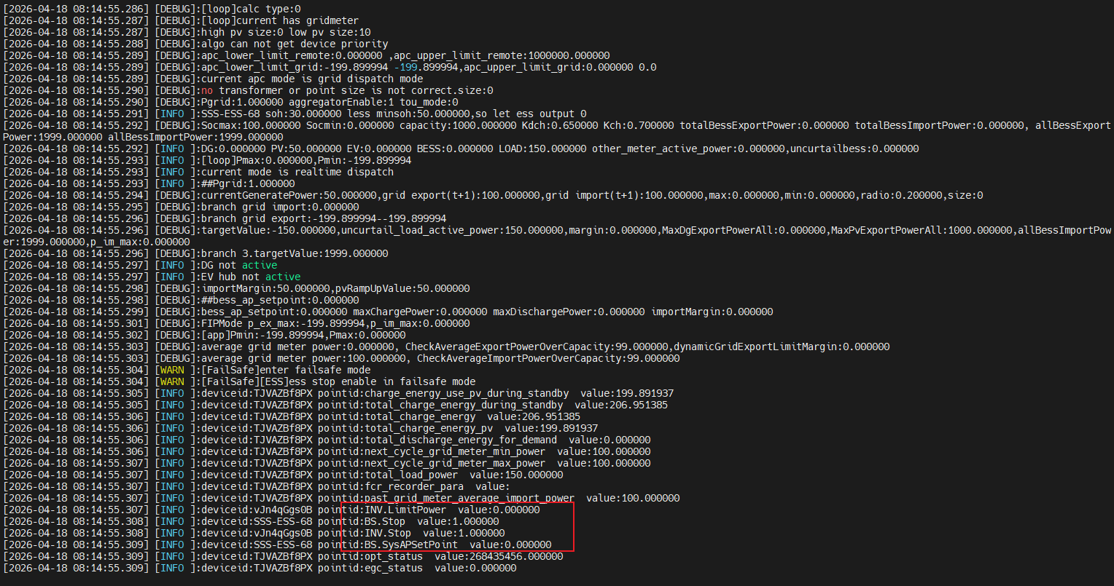
54 | 5‑minute average grid meter import power < import limit | Curtailment ratio = 0 % ap_export_upper_limit=0kW Grid import limit =0kW The input limit values used to trigger the abnormal protection against over-capacity in the station field = 99kW - =================== INV.GenActivePW=50kW BS.ActivePW=80kW METER.ActivePW=30kW SoC=50% -Continue for five minutes and keep the "activepw" unchanged. =================== | algorithm will not enter the exception protection. | 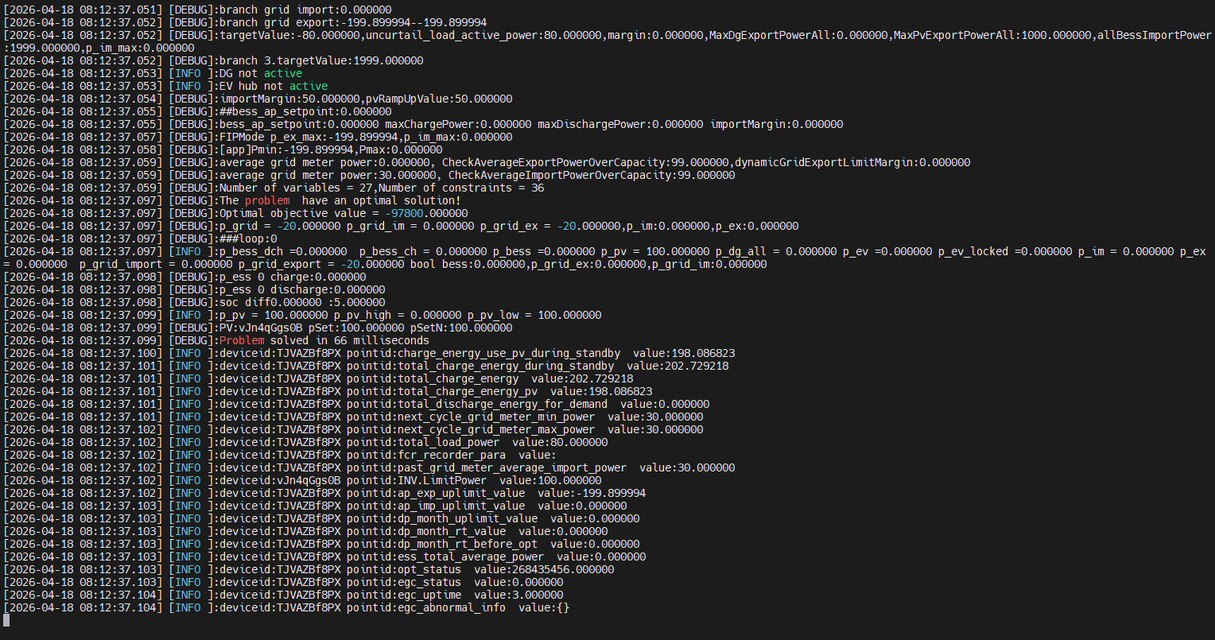
55 | 5‑minute average grid meter import power = import limit | Curtailment ratio = 0 % ap_export_upper_limit=0kW Grid import limit =0kW The input limit values used to trigger the abnormal protection against over-capacity in the station field = 99kW - =================== INV.GenActivePW=50kW BS.ActivePW=149kW METER.ActivePW=99kW SoC=50% -Continue for five minutes and keep the "activepw" unchanged. =================== | algorithm will not enter the exception protection. | 