2026-09-10
SERVER: QA
FEATURES RUNNED: 1
FEATURE FILES: WareHouse
TOTAL TEST CASE EXECUTED : 1
TOTAL PASSED : 1
TOTAL FAILED : 0
TOTAL TIME EXECUTED : 48 sec | TestCase Name | Duration (s) | Executed By | Status | Error Message | Product Details | Screenshot
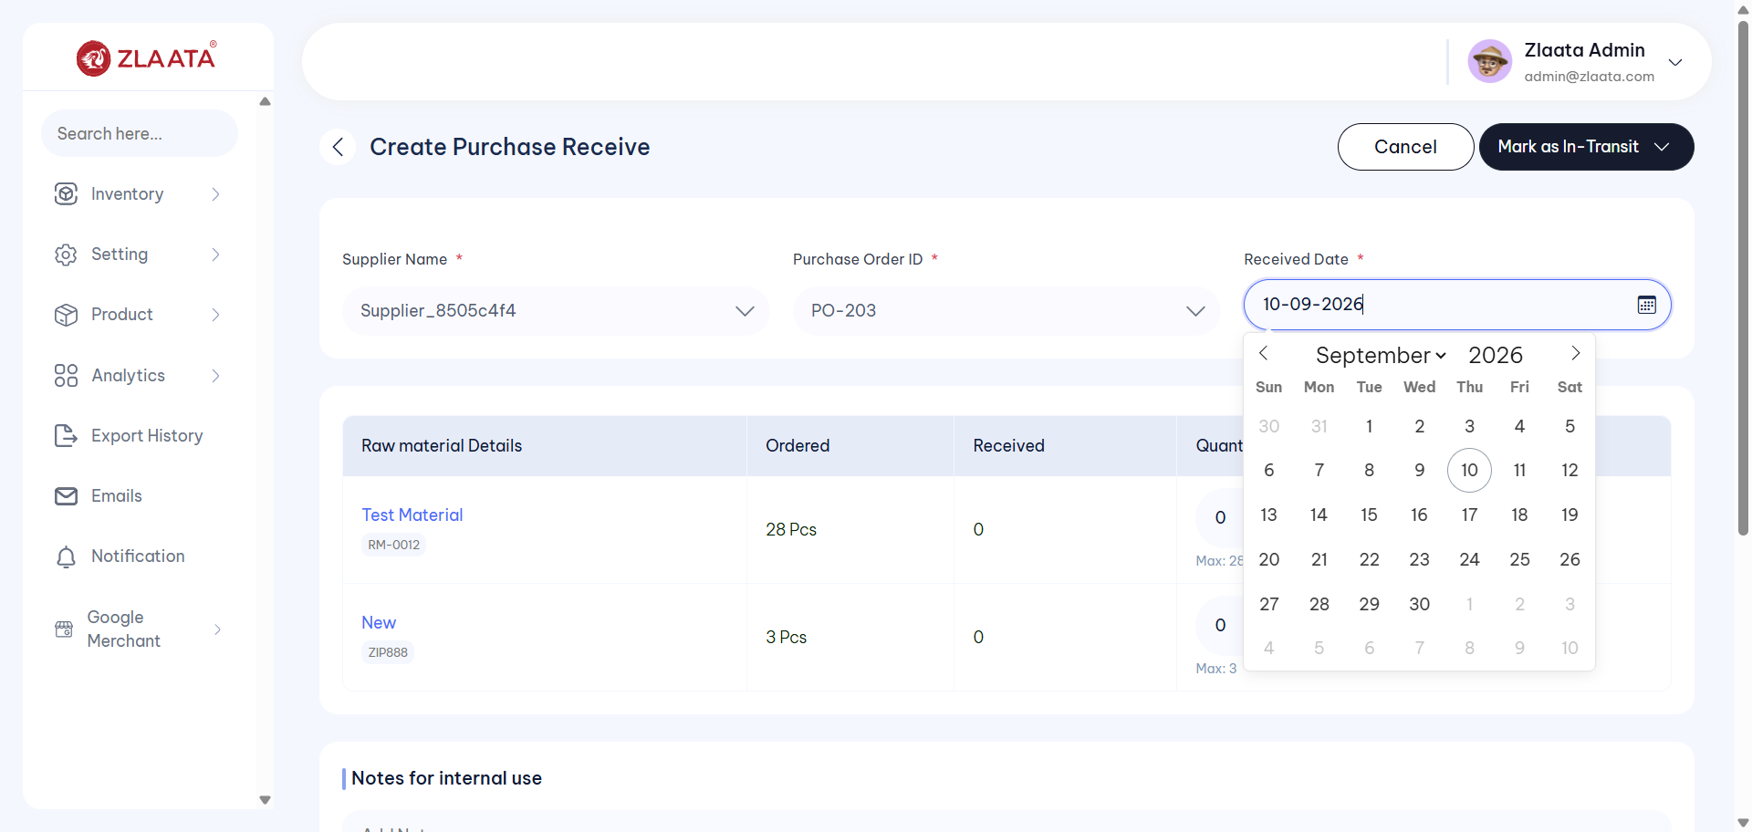
TC_UI_Zlaata_PR_01 | TC_UI_Zlaata_PR_01 | Verify that a newly created Purchase Receive In Transit Status is displayed on the Purchase Receive Listing page| "TD_UI_Zlaata_PR_01" | 27.244 | Sarojkumar | Fail | N/A |  |  | 0 | 0 | 0 | 0 | 0 | 0
TC_UI_Zlaata_PR_01 | TC_UI_Zlaata_PR_01 | Verify that a newly created Purchase Receive In Transit Status is displayed on the Purchase Receive Listing page| "TD_UI_Zlaata_PR_01" | 32.027 | Sarojkumar | Fail | N/A |  |  | 0 | 0 | 0 | 0 | 0 | 0

TC_UI_Zlaata_PR_01 | TC_UI_Zlaata_PR_01 | Verify that a newly created Purchase Receive In Transit Status is displayed on the Purchase Receive Listing page| "TD_UI_Zlaata_PR_01" | 88.385 | Sarojkumar | Fail | N/A |  |  | 0 | 0 | 0 | 0 | 0 | 0
TC_UI_Zlaata_PR_01 | TC_UI_Zlaata_PR_01 | Verify that a newly created Purchase Receive In Transit Status is displayed on the Purchase Receive Listing page| "TD_UI_Zlaata_PR_01" | 106.521 | Sarojkumar | Fail | N/A |  |  | 0 | 0 | 0 | 0 | 0 | 0
TC_UI_Zlaata_PR_01 | TC_UI_Zlaata_PR_01 | Verify that a newly created Purchase Receive In Transit Status is displayed on the Purchase Receive Listing page| "TD_UI_Zlaata_PR_01" | 57.394 | Sarojkumar | Fail | N/A |  |  | 0 | 0 | 0 | 0 | 0 | 0
TC_UI_Zlaata_PR_01 | TC_UI_Zlaata_PR_01 | Verify that a newly created Purchase Receive In Transit Status is displayed on the Purchase Receive Listing page| "TD_UI_Zlaata_PR_01" | 30.289 | Sarojkumar | Fail | N/A |  |  | 0 | 0 | 0 | 0 | 0 | 0
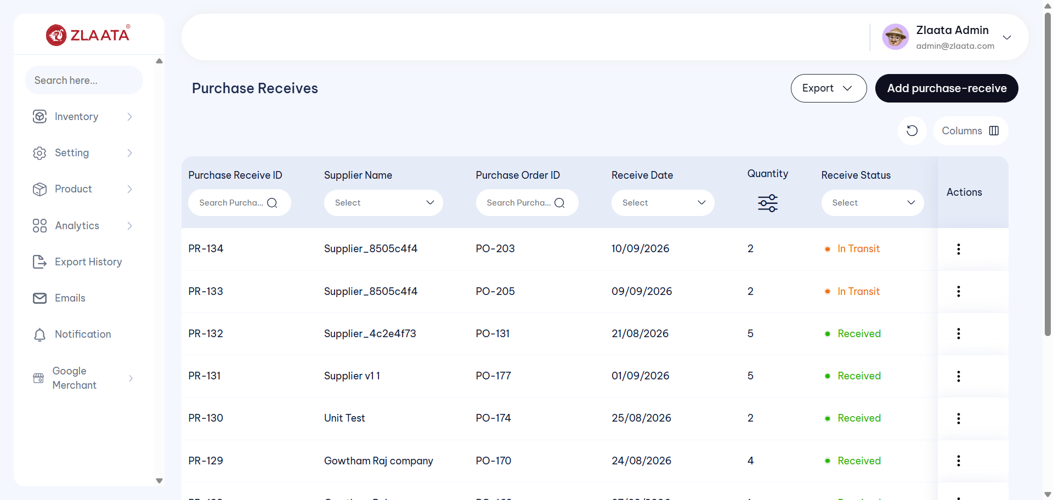
TC_UI_Zlaata_PR_01 | TC_UI_Zlaata_PR_01 | Verify that a newly created Purchase Receive In Transit Status is displayed on the Purchase Receive Listing page| "TD_UI_Zlaata_PR_01" | 67.885 | Sarojkumar | Fail | N/A |  |  | 0 | 0 | 0 | 0 | 0 | 0
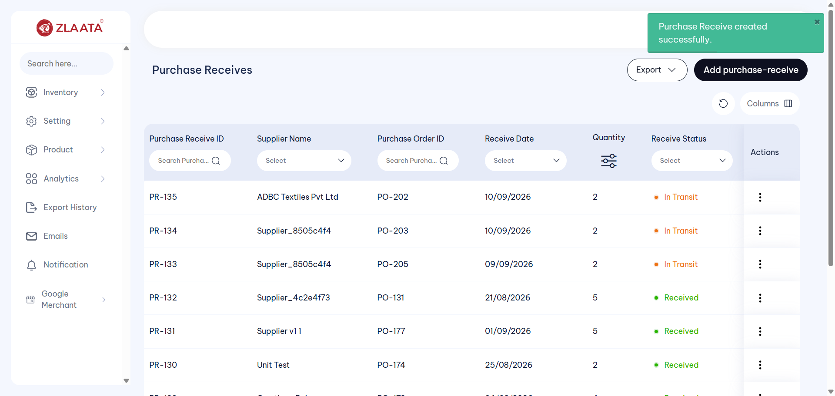
TC_UI_Zlaata_PR_01 | TC_UI_Zlaata_PR_01 | Verify that a newly created Purchase Receive In Transit Status is displayed on the Purchase Receive Listing page| "TD_UI_Zlaata_PR_01" | 44.327 | Sarojkumar | Fail | N/A |  |  | 0 | 0 | 0 | 0 | 0 | 0
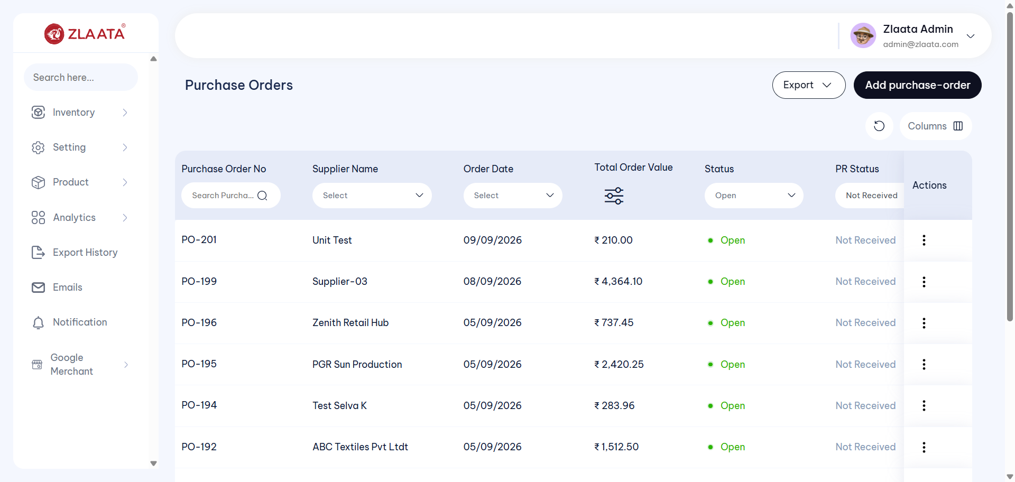
TC_UI_Zlaata_PR_01 | TC_UI_Zlaata_PR_01 | Verify that a newly created Purchase Receive In Transit Status is displayed on the Purchase Receive Listing page| "TD_UI_Zlaata_PR_01" | 15.75 | Sarojkumar | Fail | N/A |  |  | 0 | 0 | 0 | 0 | 0 | 0
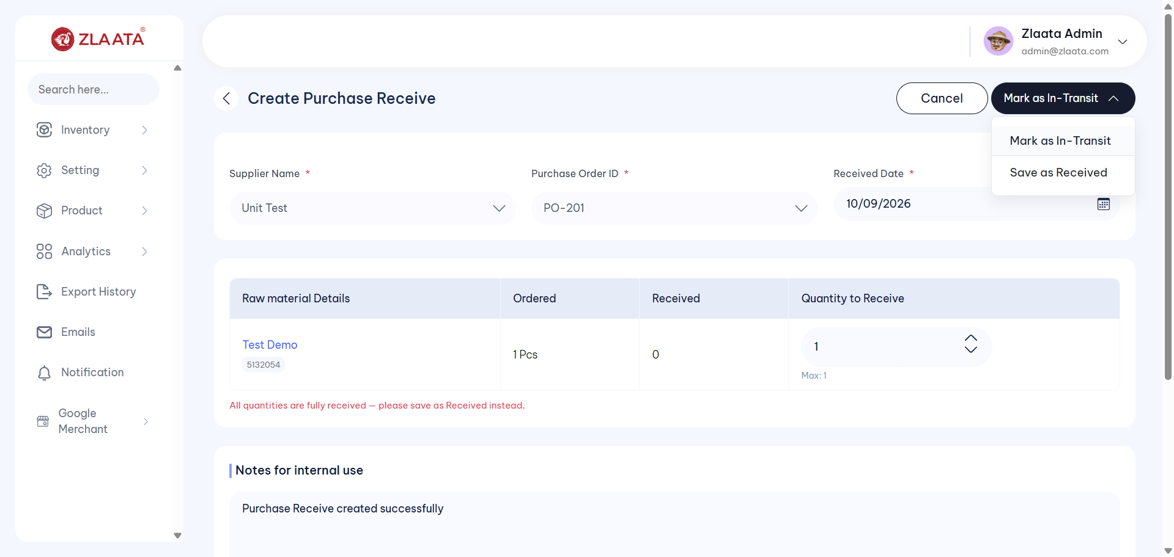
TC_UI_Zlaata_PR_01 | TC_UI_Zlaata_PR_01 | Verify that a newly created Purchase Receive In Transit Status is displayed on the Purchase Receive Listing page| "TD_UI_Zlaata_PR_01" | 56.115 | Sarojkumar | Fail | N/A |  |  | 0 | 0 | 0 | 0 | 0 | 0
TC_UI_Zlaata_PR_01 | TC_UI_Zlaata_PR_01 | Verify that a newly created Purchase Receive In Transit Status is displayed on the Purchase Receive Listing page| "TD_UI_Zlaata_PR_01" | 48.061 | Sarojkumar | Pass | N/A |  |  | 0 | 0 | 0 | 0 | 0 | 0

TC_UI_Zlaata_PR_02 | TC_UI_Zlaata_PR_02 |Verify Purchase Receive the Received Status is displayed correctly on Listing and Preview Page.| "TD_UI_Zlaata_PR_02" | 0.047 | Sarojkumar | Fail | N/A |  |  | 0 | 0 | 0 | 0 | 0 | 0
TC_UI_Zlaata_PR_02 | TC_UI_Zlaata_PR_02 |Verify Purchase Receive the Received Status is displayed correctly on Listing and Preview Page.| "TD_UI_Zlaata_PR_02" | 0.039 | Sarojkumar | Pass | N/A |  |  | 0 | 0 | 0 | 0 | 0 | 0
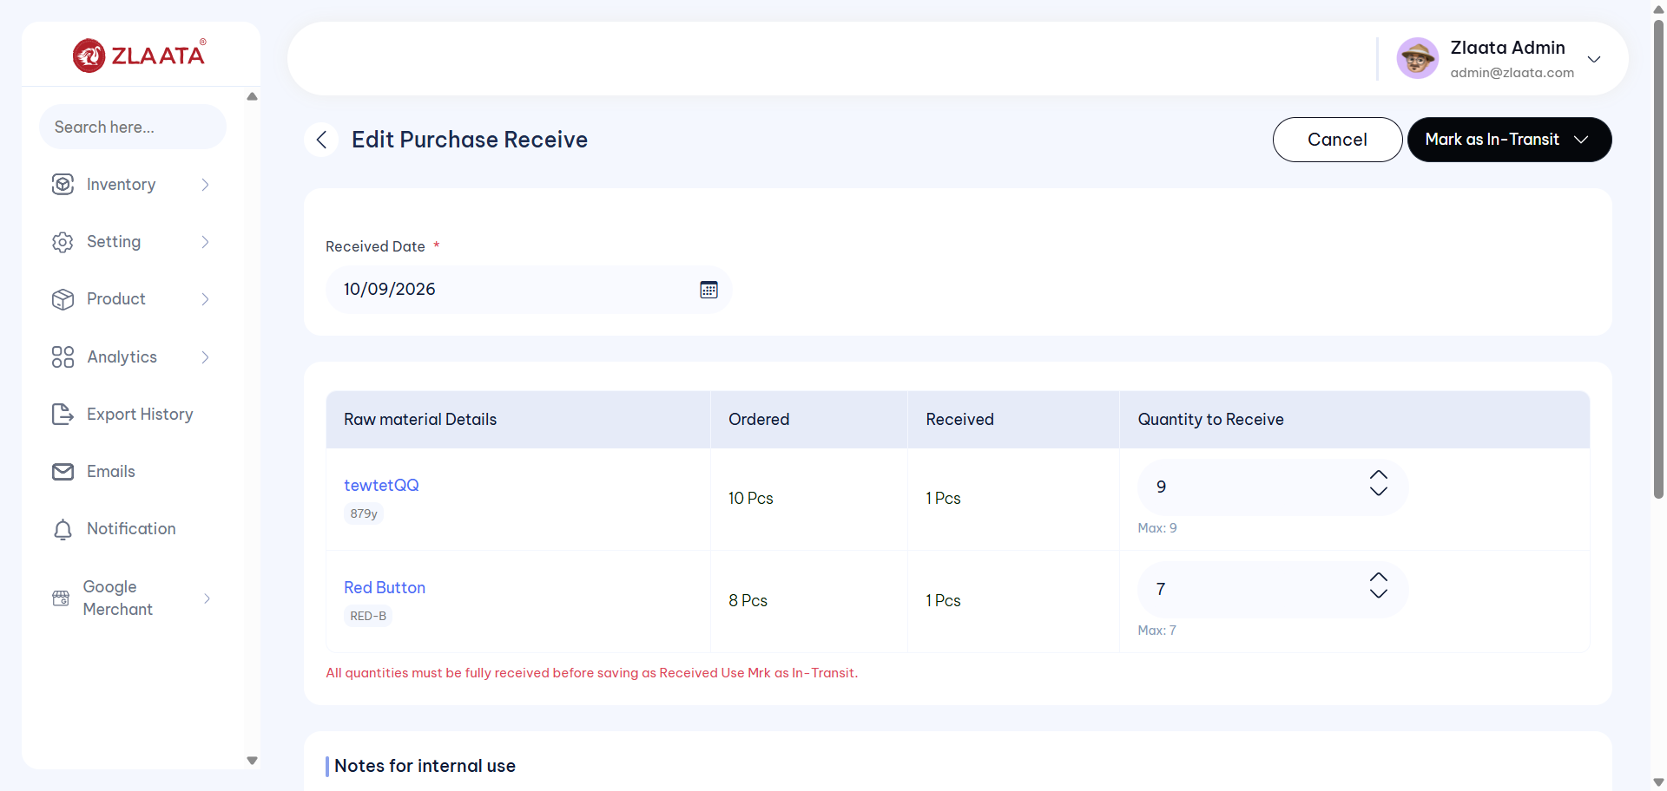
TC_UI_Zlaata_PR_02 | TC_UI_Zlaata_PR_02 |Verify Purchase Receive the Received Status is displayed correctly on Listing and Preview Page.| "TD_UI_Zlaata_PR_02" | 49.371 | Sarojkumar | Fail | N/A |  |  | 0 | 0 | 0 | 0 | 0 | 0
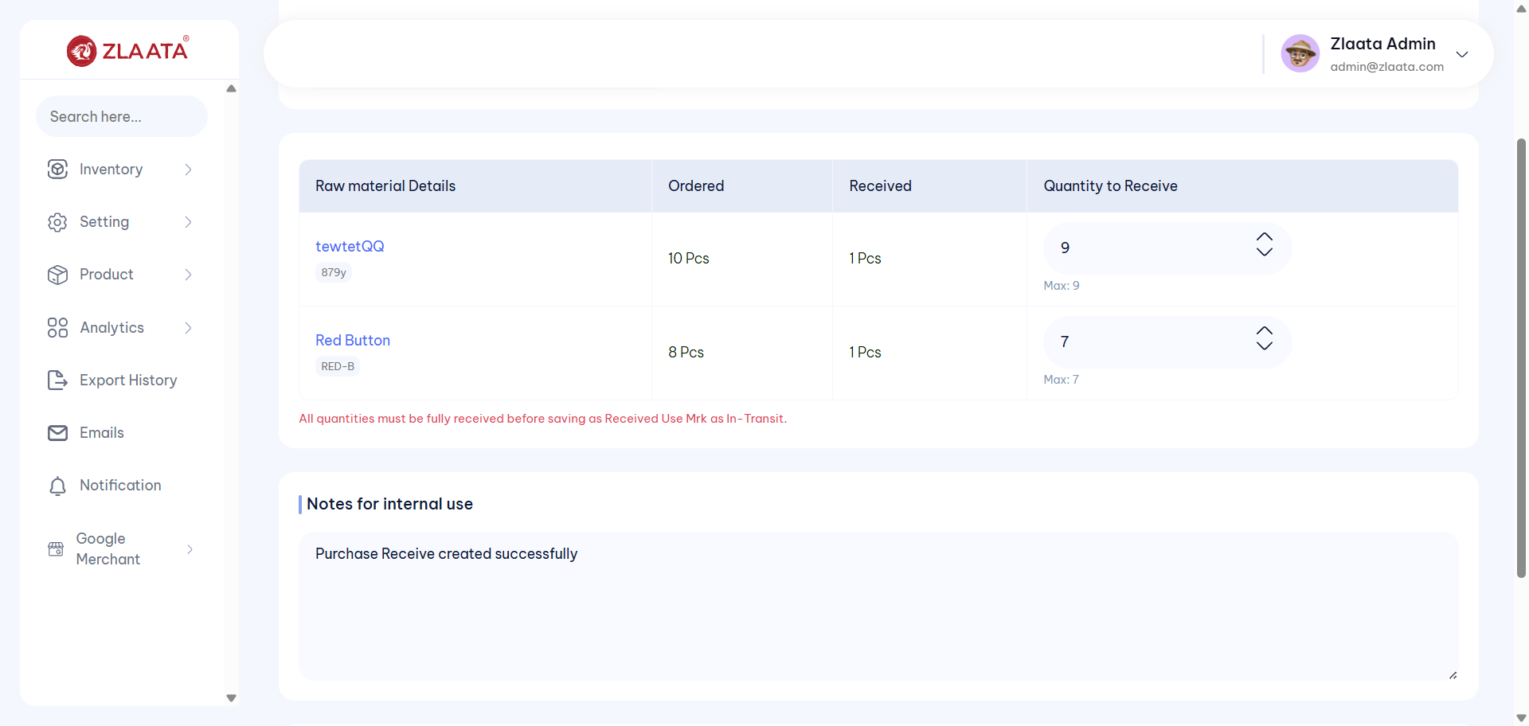
TC_UI_Zlaata_PR_02 | TC_UI_Zlaata_PR_02 |Verify Purchase Receive the Received Status is displayed correctly on Listing and Preview Page.| "TD_UI_Zlaata_PR_02" | 53.914 | Sarojkumar | Fail | N/A |  |  | 0 | 0 | 0 | 0 | 0 | 0

TC_UI_Zlaata_PR_02 | TC_UI_Zlaata_PR_02 |Verify Purchase Receive the Received Status is displayed correctly on Listing and Preview Page.| "TD_UI_Zlaata_PR_02" | 36.166 | Sarojkumar | Fail | N/A |  |  | 0 | 0 | 0 | 0 | 0 | 0
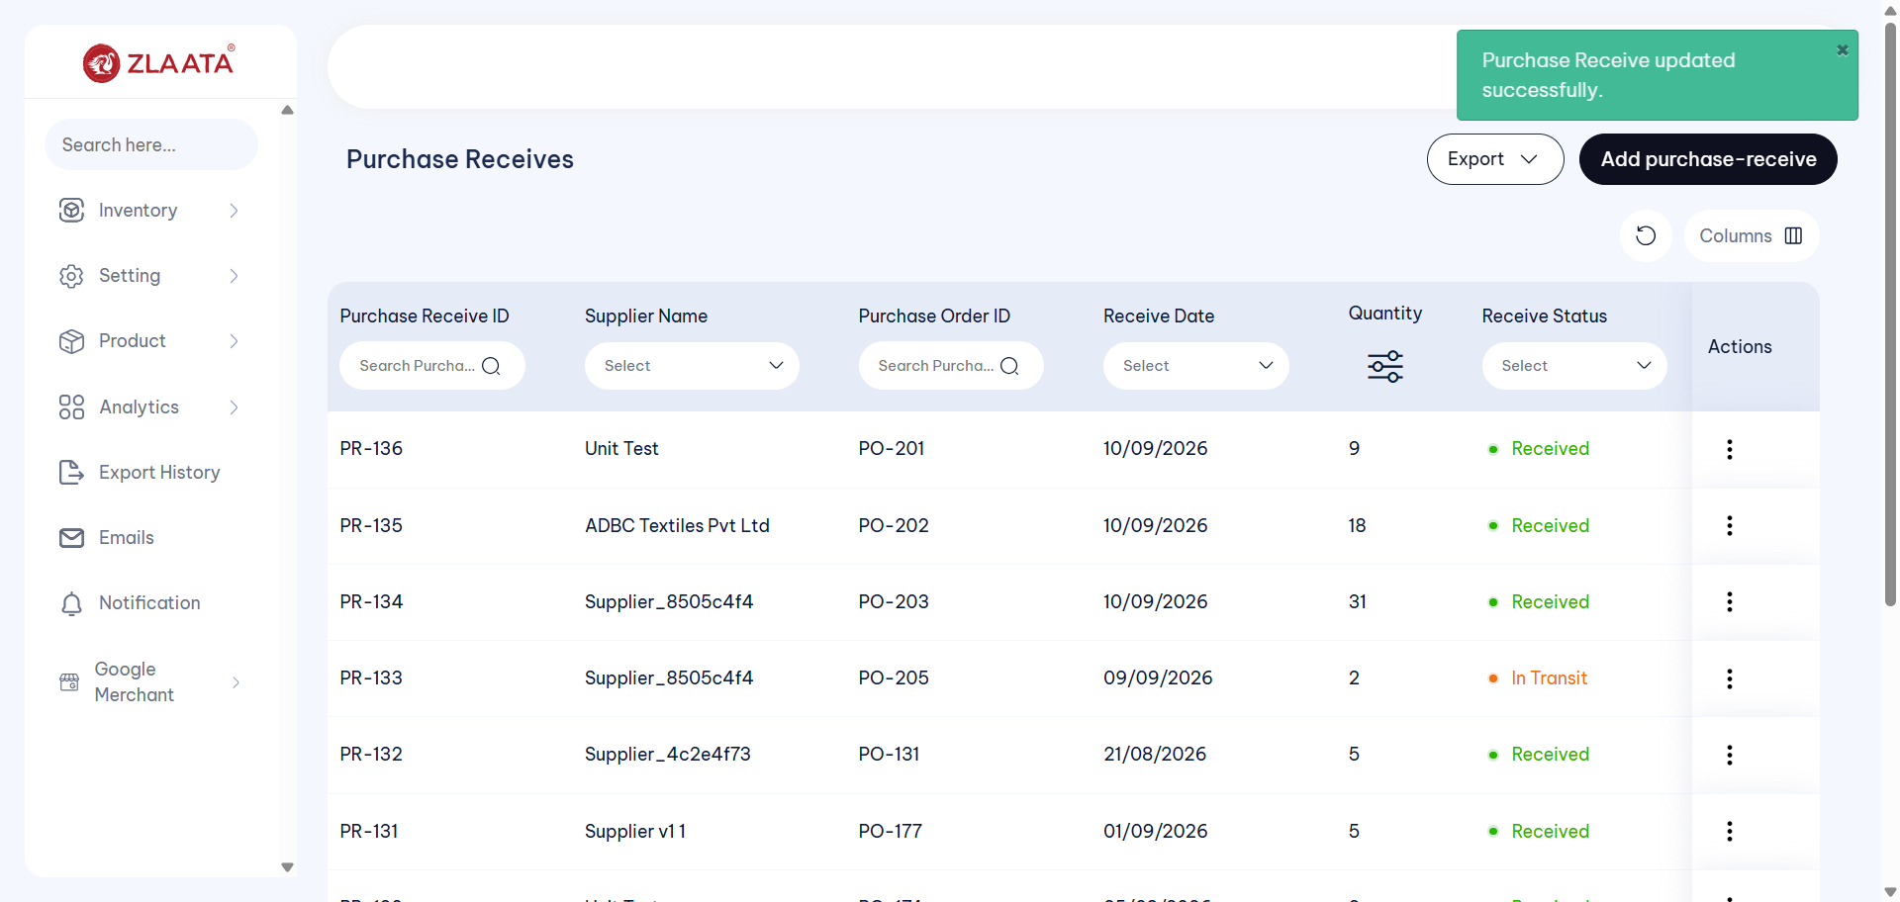
TC_UI_Zlaata_PR_02 | TC_UI_Zlaata_PR_02 |Verify Purchase Receive the Received Status is displayed correctly on Listing and Preview Page.| "TD_UI_Zlaata_PR_02" | 38.337 | Sarojkumar | Fail | N/A |  |  | 0 | 0 | 0 | 0 | 0 | 0
TC_UI_Zlaata_PR_02 | TC_UI_Zlaata_PR_02 |Verify Purchase Receive the Received Status is displayed correctly on Listing and Preview Page.| "TD_UI_Zlaata_PR_02" | 58.48 | Sarojkumar | Pass | N/A |  |  | 0 | 0 | 0 | 0 | 0 | 0
TC_UI_Zlaata_PR_03 | TC_UI_Zlaata_PR_03 |Verify that the convert bill option should redirect to bill module.| "TD_UI_Zlaata_PR_03" | 0.055 | Sarojkumar | Pass | N/A |  |  | 0 | 0 | 0 | 0 | 0 | 0
TC_UI_Zlaata_PR_03 | TC_UI_Zlaata_PR_03 |Verify that the convert bill option should redirect to bill module.| "TD_UI_Zlaata_PR_03" | 0.016 | Sarojkumar | Pass | N/A |  |  | 0 | 0 | 0 | 0 | 0 | 0
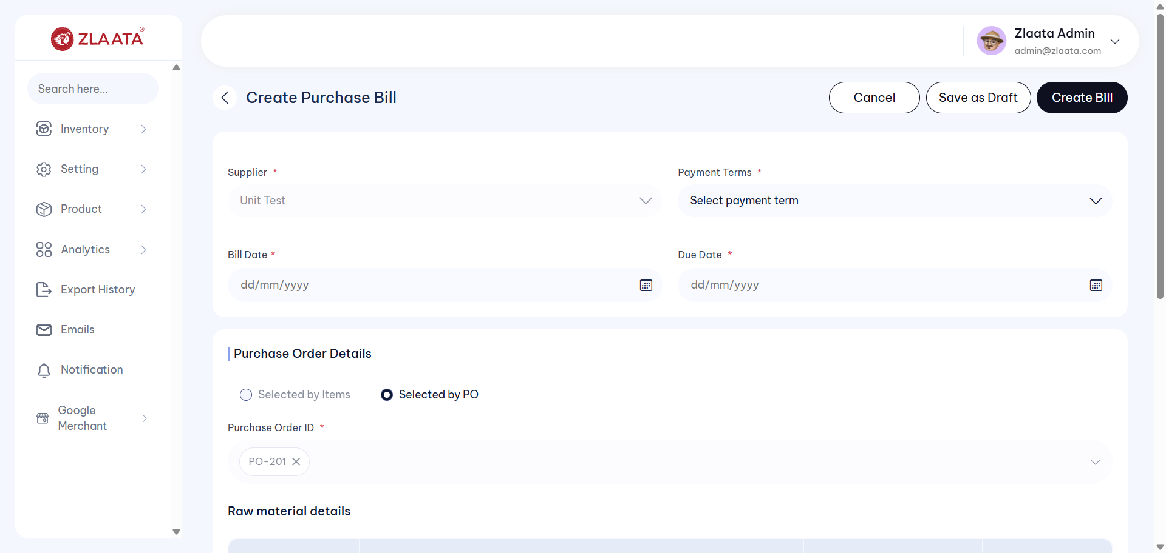
TC_UI_Zlaata_PR_03 | TC_UI_Zlaata_PR_03 |Verify that the convert bill option should redirect to bill module.| "TD_UI_Zlaata_PR_03" | 65.554 | Sarojkumar | Fail | N/A |  |  | 0 | 0 | 0 | 0 | 0 | 0
TC_UI_Zlaata_PR_03 | TC_UI_Zlaata_PR_03 |Verify that the convert bill option should redirect to bill module.| "TD_UI_Zlaata_PR_03" | 40.665 | Sarojkumar | Pass | N/A |  |  | 0 | 0 | 0 | 0 | 0 | 0
TC_UI_Zlaata_PR_04 | TC_UI_Zlaata_PR_04 |Verify the Validation Error message on Purchase Receive Create Page.| "TD_UI_Zlaata_PR_04" | 0.048 | Sarojkumar | Pass | N/A |  |  | 0 | 0 | 0 | 0 | 0 | 0
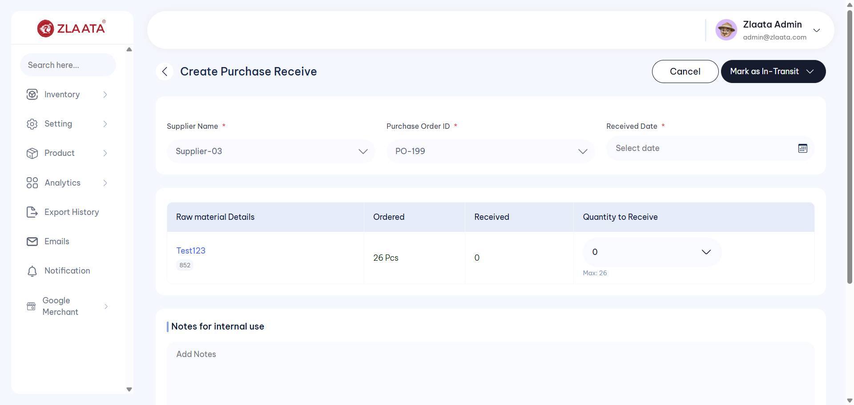
TC_UI_Zlaata_PR_04 | TC_UI_Zlaata_PR_04 |Verify the Validation Error message on Purchase Receive Create Page.| "TD_UI_Zlaata_PR_04" | 26.185 | Sarojkumar | Fail | N/A |  |  | 0 | 0 | 0 | 0 | 0 | 0
TC_UI_Zlaata_PR_04 | TC_UI_Zlaata_PR_04 |Verify the Validation Error message on Purchase Receive Create Page.| "TD_UI_Zlaata_PR_04" | 49.726 | Sarojkumar | Pass | N/A |  |  | 0 | 0 | 0 | 0 | 0 | 0
TC_UI_Zlaata_WH_01 | TC_UI_Zlaata_WH_01 |Verify that a newly created WareHouse is displayed on the WareHouse Listing page.|"TD_UI_Zlaata_VWH_01" | 0.029 | Sarojkumar | Fail | N/A |  |  | 0 | 0 | 0 | 0 | 0 | 0
TC_UI_Zlaata_WH_01 | TC_UI_Zlaata_WH_01 |Verify that a newly created WareHouse is displayed on the WareHouse Listing page.|"TD_UI_Zlaata_WH_01" | 0.031 | Sarojkumar | Pass | N/A |  |  | 0 | 0 | 0 | 0 | 0 | 0
TC_UI_Zlaata_WH_01 | TC_UI_Zlaata_WH_01 |Verify that a newly created WareHouse is displayed on the WareHouse Listing page.|"TD_UI_Zlaata_WH_01" | 60.735 | Sarojkumar | Pass | N/A |  |  | 0 | 0 | 0 | 0 | 0 | 0
TC_UI_Zlaata_WH_01 | TC_UI_Zlaata_WH_01 |Verify that a newly created WareHouse is displayed on the WareHouse Listing page.|"TD_UI_Zlaata_WH_01" | 85.031 | Sarojkumar | Pass | N/A |  |  | 0 | 0 | 0 | 0 | 0 | 0
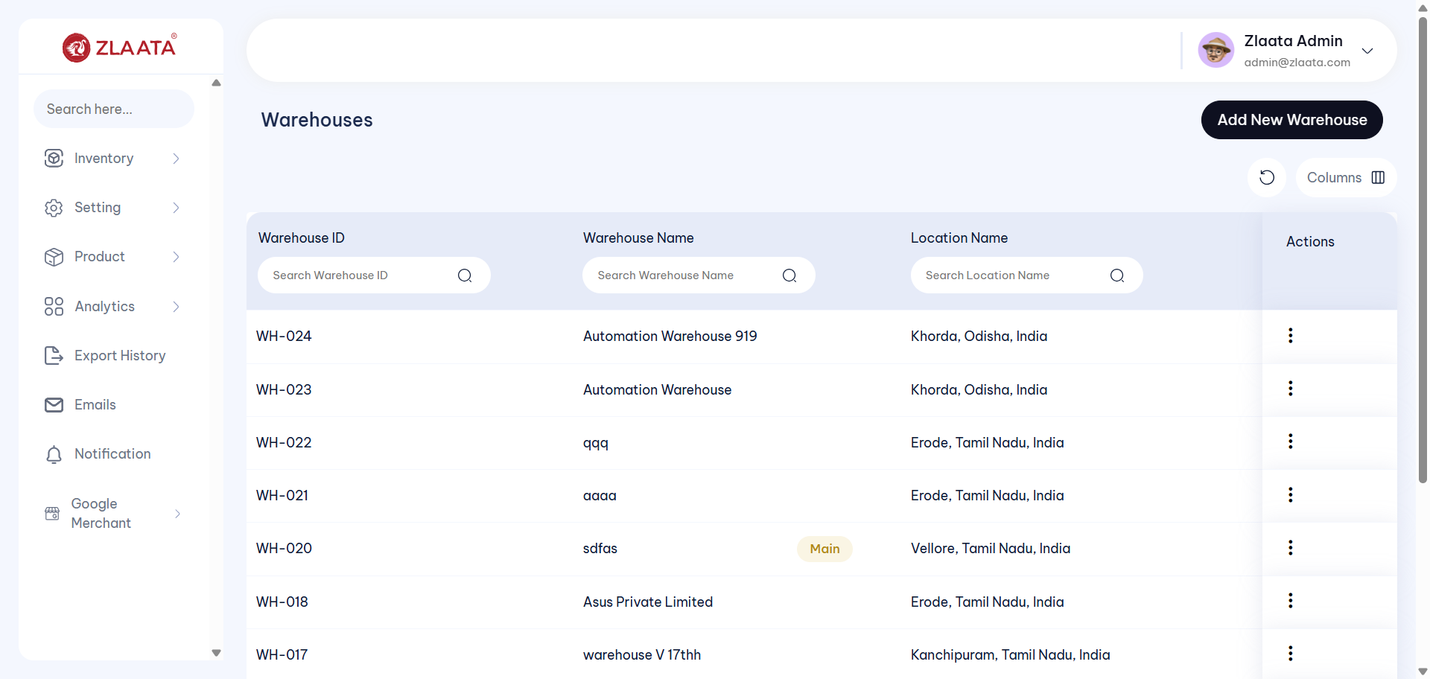
TC_UI_Zlaata_WH_01 | TC_UI_Zlaata_WH_01 |Verify that a newly created WareHouse is displayed on the WareHouse Listing page.|"TD_UI_Zlaata_WH_01" | 30.145 | Sarojkumar | Fail | N/A |  |  | 0 | 0 | 0 | 0 | 0 | 0
TC_UI_Zlaata_WH_01 | TC_UI_Zlaata_WH_01 |Verify that a newly created WareHouse is displayed on the WareHouse Listing page.|"TD_UI_Zlaata_WH_01" | 35.402 | Sarojkumar | Pass | N/A |  |  | 0 | 0 | 0 | 0 | 0 | 0
TC_UI_Zlaata_WH_02 | TC_UI_Zlaata_WH_02 |Verify that changes made after editing a WareHouse are updated correctly and displayed on the WareHouse Listing page.|"TD_UI_Zlaata_WH_02" | 0.04 | Sarojkumar | Pass | N/A |  |  | 0 | 0 | 0 | 0 | 0 | 0
TC_UI_Zlaata_WH_02 | TC_UI_Zlaata_WH_02 |Verify that changes made after editing a WareHouse are updated correctly and displayed on the WareHouse Listing page.|"TD_UI_Zlaata_WH_02" | 59.783 | Sarojkumar | Pass | N/A |  |  | 0 | 0 | 0 | 0 | 0 | 0
TC_UI_Zlaata_WH_03 | TC_UI_Zlaata_WH_03 |Verify that Set as main Branch functionalty.|"TD_UI_Zlaata_WH_03" | 0.048 | Sarojkumar | Pass | N/A |  |  | 0 | 0 | 0 | 0 | 0 | 0
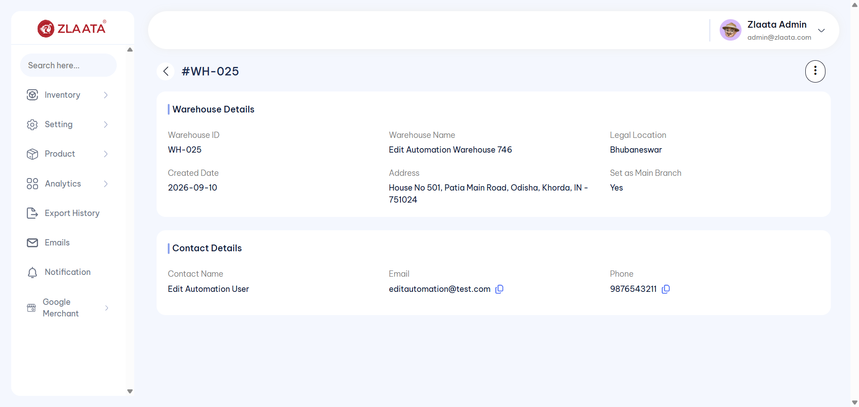
TC_UI_Zlaata_WH_03 | TC_UI_Zlaata_WH_03 |Verify that Set as main Branch functionalty.|"TD_UI_Zlaata_WH_03" | 86.843 | Sarojkumar | Fail | N/A |  |  | 0 | 0 | 0 | 0 | 0 | 0

TC_UI_Zlaata_WH_03 | TC_UI_Zlaata_WH_03 |Verify that Set as main Branch functionalty.|"TD_UI_Zlaata_WH_03" | 115.679 | Sarojkumar | Fail | N/A |  |  | 0 | 0 | 0 | 0 | 0 | 0
TC_UI_Zlaata_WH_03 | TC_UI_Zlaata_WH_03 |Verify that Set as main Branch functionalty.|"TD_UI_Zlaata_WH_03" | 49.703 | Sarojkumar | Fail | N/A |  |  | 0 | 0 | 0 | 0 | 0 | 0
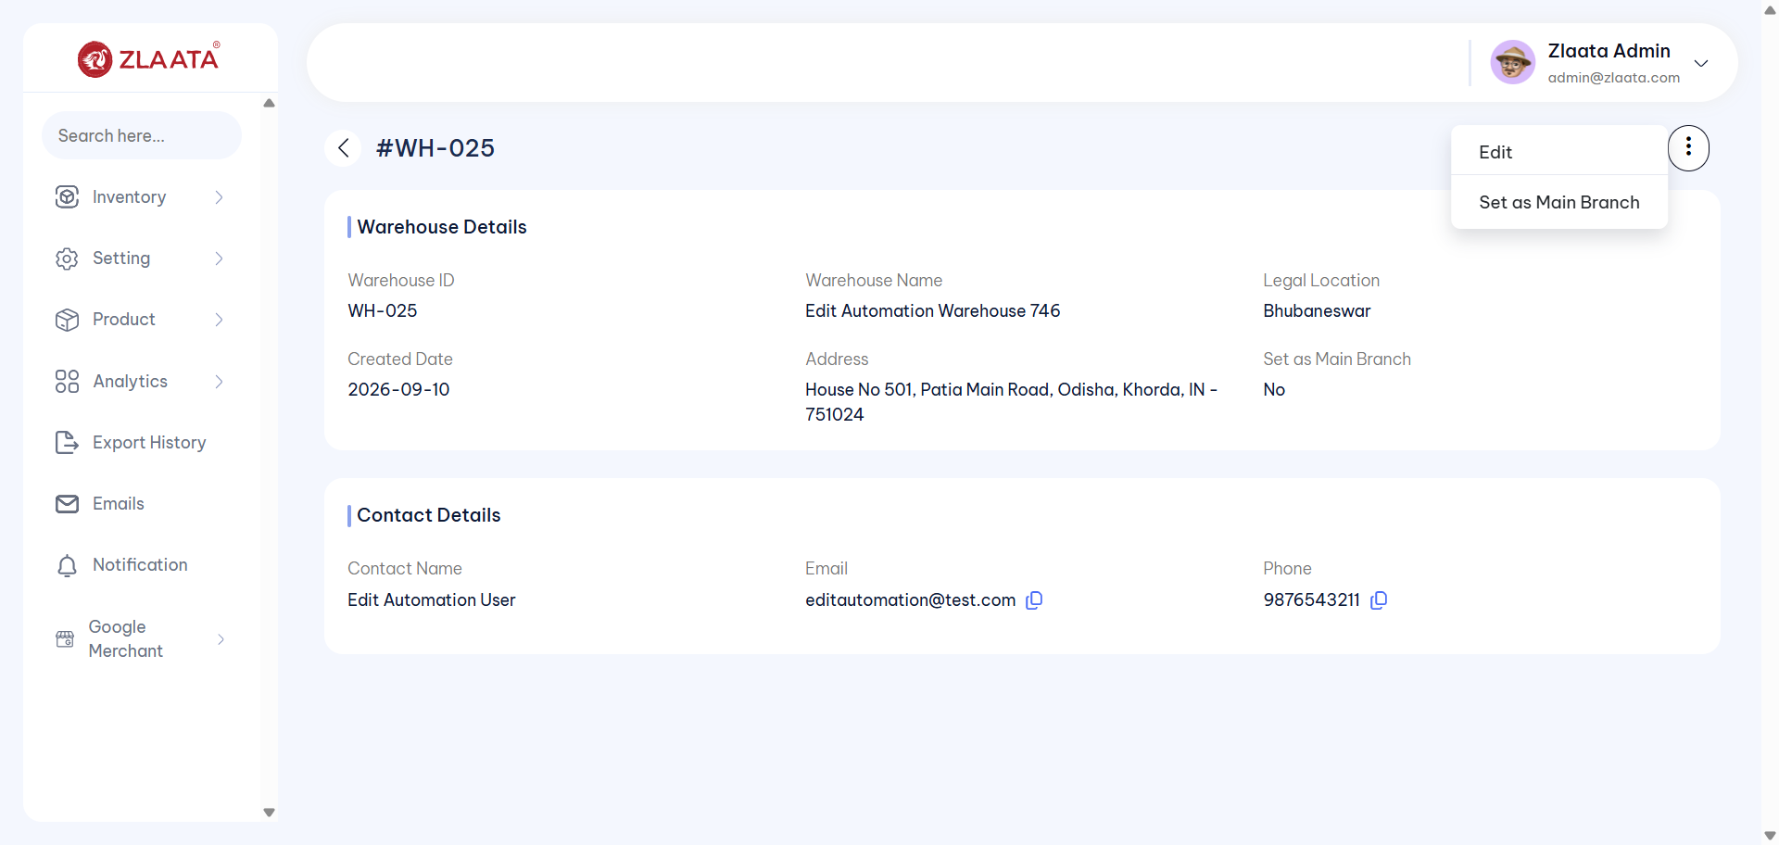
TC_UI_Zlaata_WH_03 | TC_UI_Zlaata_WH_03 |Verify that Set as main Branch functionalty.|"TD_UI_Zlaata_WH_03" | 92.782 | Sarojkumar | Fail | N/A |  |  | 0 | 0 | 0 | 0 | 0 | 0
TC_UI_Zlaata_WH_03 | TC_UI_Zlaata_WH_03 |Verify that Set as main Branch functionalty.|"TD_UI_Zlaata_WH_03" | 75.085 | Sarojkumar | Fail | N/A |  |  | 0 | 0 | 0 | 0 | 0 | 0
TC_UI_Zlaata_WH_03 | TC_UI_Zlaata_WH_03 |Verify that Set as main Branch functionalty.|"TD_UI_Zlaata_WH_03" | 48.508 | Sarojkumar | Pass | N/A |  |  | 0 | 0 | 0 | 0 | 0 | 0

2026-10-09
SERVER: QA
FEATURES RUNNED: 1
FEATURE FILES: ProductArchieve
TOTAL TEST CASE EXECUTED : 1
TOTAL PASSED : 1
TOTAL FAILED : 0
TOTAL TIME EXECUTED : 0 sec | TestCase Name | Duration (s) | Executed By | Status | Error Message | Product Details | Screenshot
TC_UI_Zlaata_PA_01 | TC_UI_Zlaata_PA_01 |Verify that product is successfully archived and displayed in the Product Archive section.| "TD_UI_Zlaata_PA_01" | 0.079 | Sarojkumar | Pass | N/A |  |  | 0 | 0 | 0 | 0 | 0 | 0
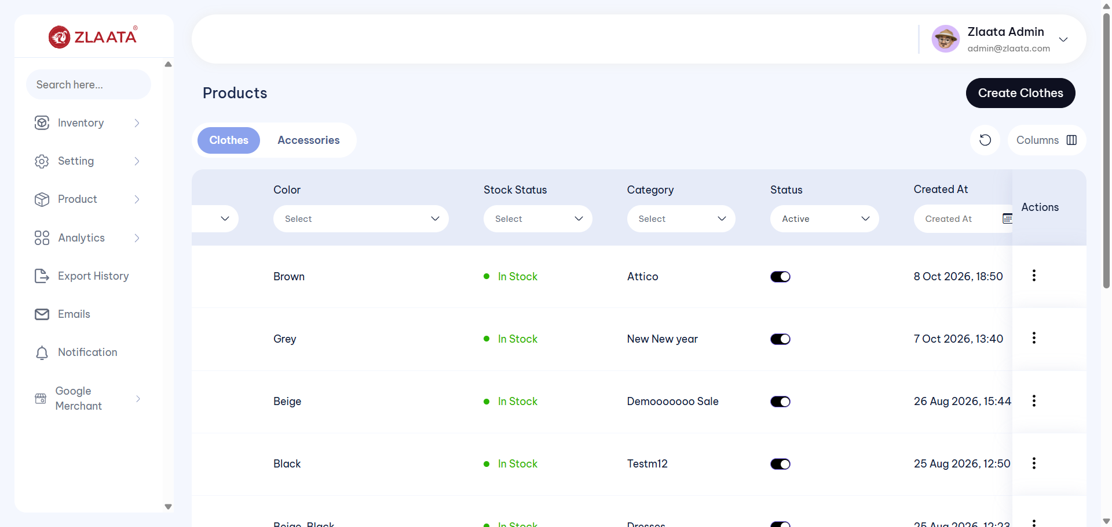
TC_UI_Zlaata_PA_01 | TC_UI_Zlaata_PA_01 |Verify that product is successfully archived and displayed in the Product Archive section.| "TD_UI_Zlaata_PA_01" | 32.318 | Sarojkumar | Fail | N/A |  |  | 0 | 0 | 0 | 0 | 0 | 0
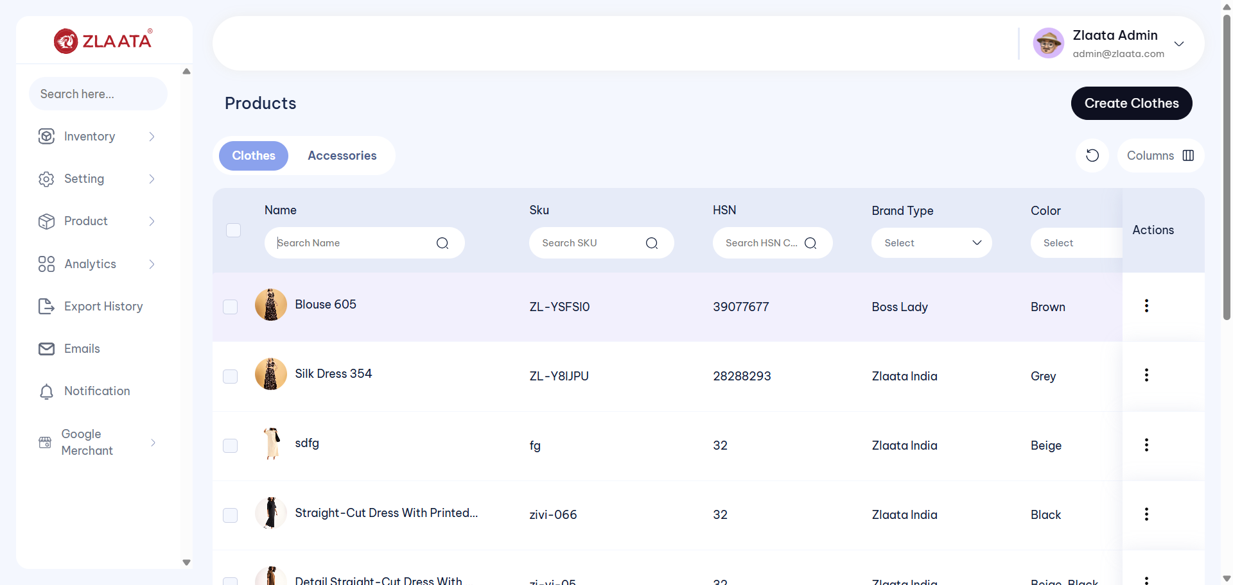
TC_UI_Zlaata_PA_01 | TC_UI_Zlaata_PA_01 |Verify that product is successfully archived and displayed in the Product Archive section.| "TD_UI_Zlaata_PA_01" | 35.867 | Sarojkumar | Fail | N/A |  |  | 0 | 0 | 0 | 0 | 0 | 0
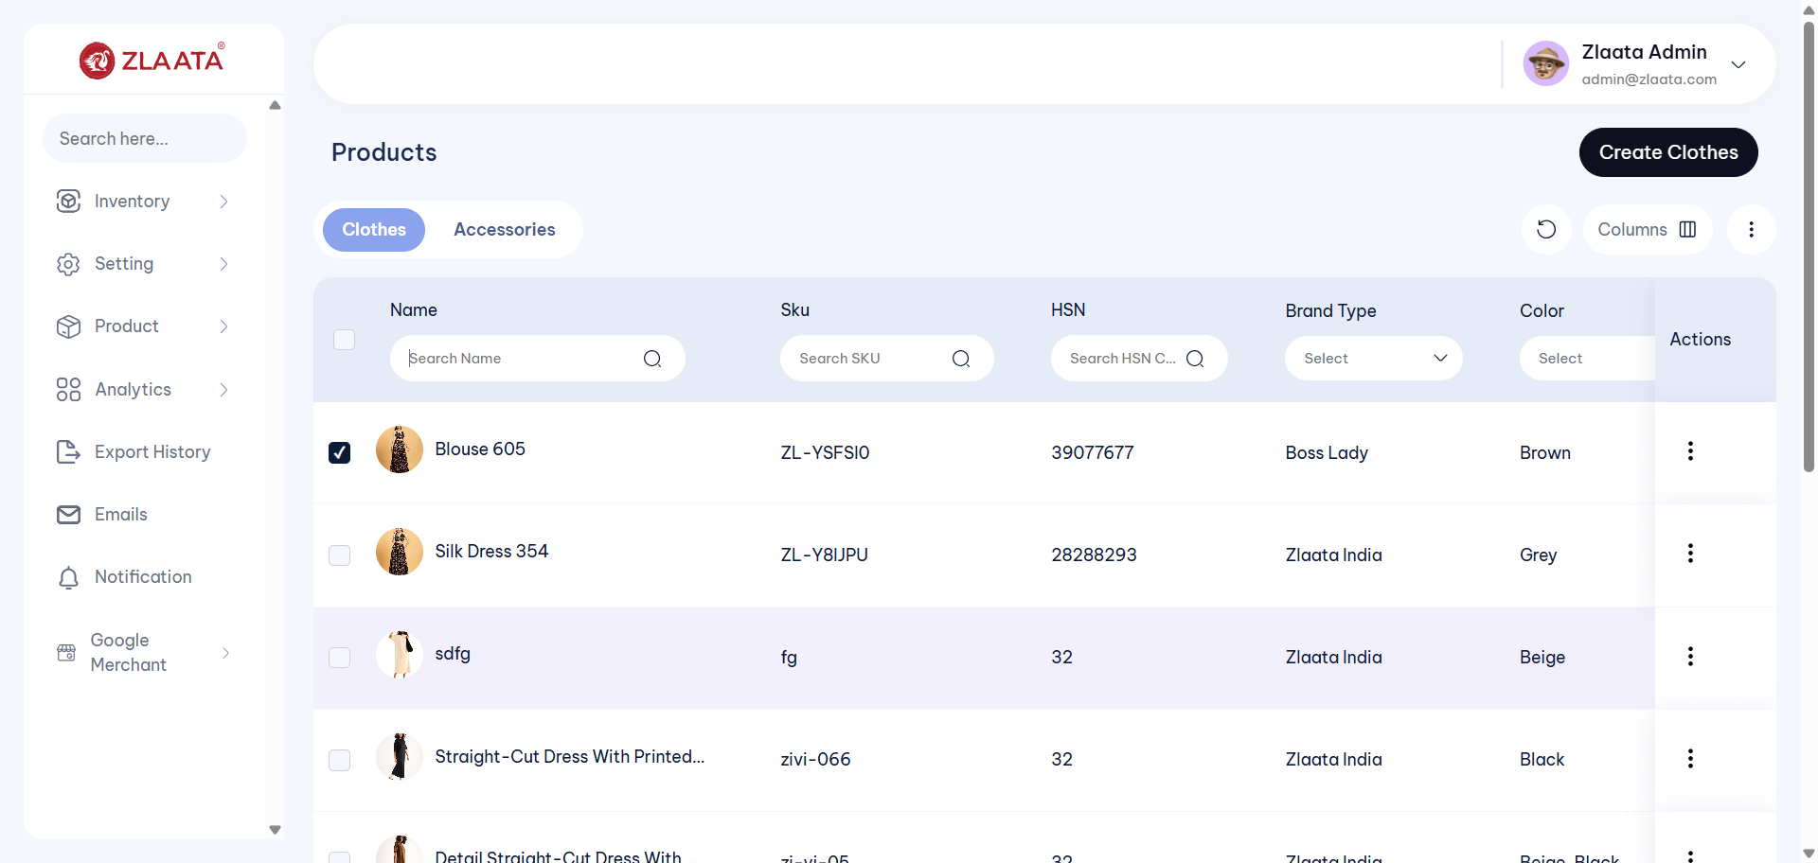
TC_UI_Zlaata_PA_01 | TC_UI_Zlaata_PA_01 |Verify that product is successfully archived and displayed in the Product Archive section.| "TD_UI_Zlaata_PA_01" | 36.424 | Sarojkumar | Fail | N/A |  |  | 0 | 0 | 0 | 0 | 0 | 0
TC_UI_Zlaata_PA_01 | TC_UI_Zlaata_PA_01 |Verify that product is successfully archived and displayed in the Product Archive section.| "TD_UI_Zlaata_PA_01" | 15.623 | Sarojkumar | Fail | N/A |  |  | 0 | 0 | 0 | 0 | 0 | 0
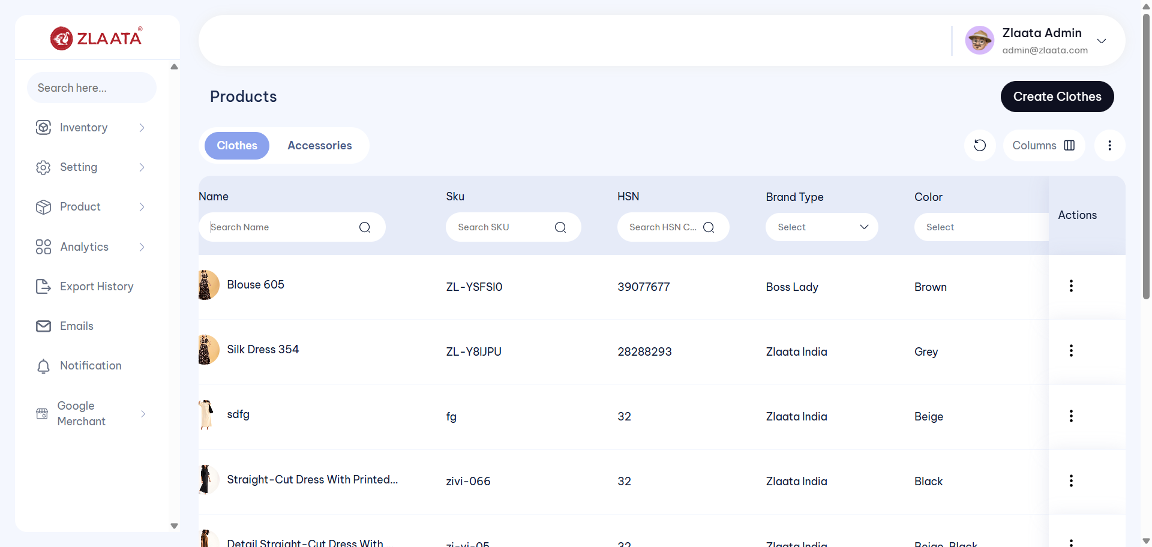
TC_UI_Zlaata_PA_01 | TC_UI_Zlaata_PA_01 |Verify that product is successfully archived and displayed in the Product Archive section.| "TD_UI_Zlaata_PA_01" | 41.614 | Sarojkumar | Fail | N/A |  |  | 0 | 0 | 0 | 0 | 0 | 0
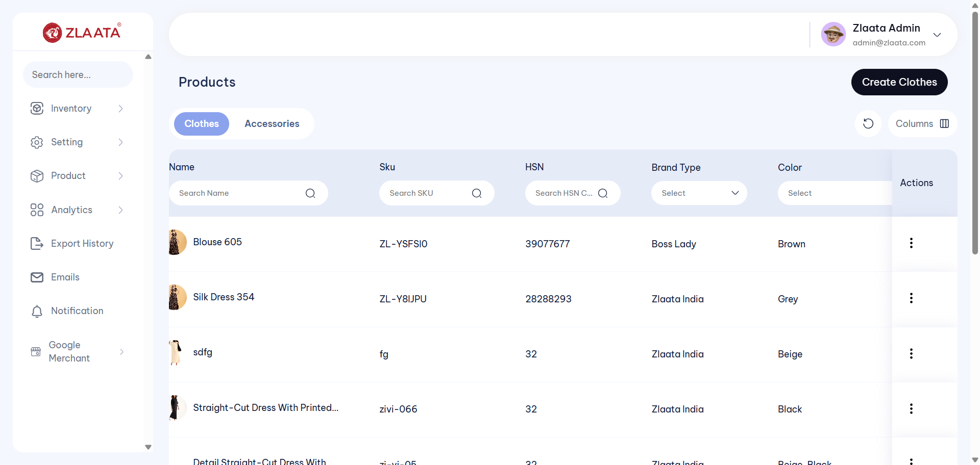
TC_UI_Zlaata_PA_01 | TC_UI_Zlaata_PA_01 |Verify that product is successfully archived and displayed in the Product Archive section.| "TD_UI_Zlaata_PA_01" | 36.824 | Sarojkumar | Fail | N/A |  |  | 0 | 0 | 0 | 0 | 0 | 0
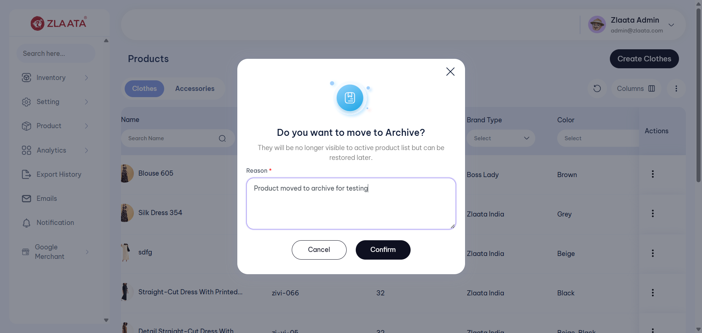
TC_UI_Zlaata_PA_01 | TC_UI_Zlaata_PA_01 |Verify that product is successfully archived and displayed in the Product Archive section.| "TD_UI_Zlaata_PA_01" | 48.706 | Sarojkumar | Fail | N/A |  |  | 0 | 0 | 0 | 0 | 0 | 0
TC_UI_Zlaata_PA_01 | TC_UI_Zlaata_PA_01 |Verify that product is successfully archived and displayed in the Product Archive section.| "TD_UI_Zlaata_PA_01" | 42.904 | Sarojkumar | Pass | N/A |  |  | 0 | 0 | 0 | 0 | 0 | 0
TC_UI_Zlaata_PA_02 | TC_UI_Zlaata_PA_02 |Verify that an archived product is successfully restored and displayed in the Product Listing section.| "TD_UI_Zlaata_PA_02" | 0.051 | Sarojkumar | Pass | N/A |  |  | 0 | 0 | 0 | 0 | 0 | 0
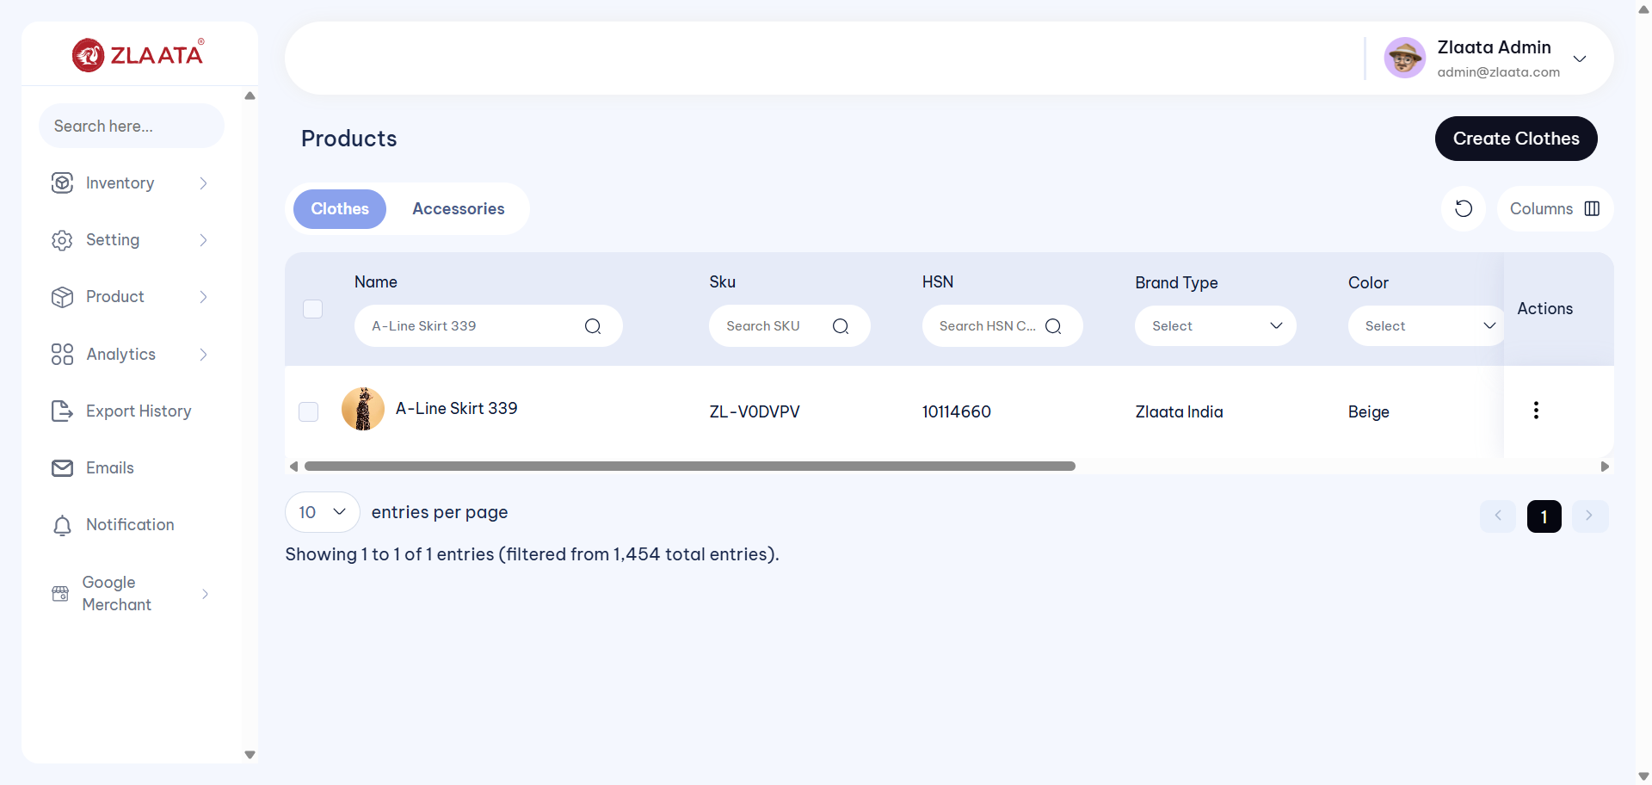
TC_UI_Zlaata_PA_02 | TC_UI_Zlaata_PA_02 |Verify that an archived product is successfully restored and displayed in the Product Listing section.| "TD_UI_Zlaata_PA_02" | 64.544 | Sarojkumar | Fail | N/A |  |  | 0 | 0 | 0 | 0 | 0 | 0
TC_UI_Zlaata_PA_03 | TC_UI_Zlaata_PA_03 |Verify that archived products are successfully restored using the Bulk Restore option.| "TD_UI_Zlaata_PA_03" | 0.034 | Sarojkumar | Pass | N/A |  |  | 0 | 0 | 0 | 0 | 0 | 0

2026-10-13
SERVER: QA
FEATURES RUNNED: 1
FEATURE FILES: Products
TOTAL TEST CASE EXECUTED : 1
TOTAL PASSED : 0
TOTAL FAILED : 1
TOTAL TIME EXECUTED : 125 sec | TestCase Name | Duration (s) | Executed By | Status | Error Message | Product Details | Screenshot
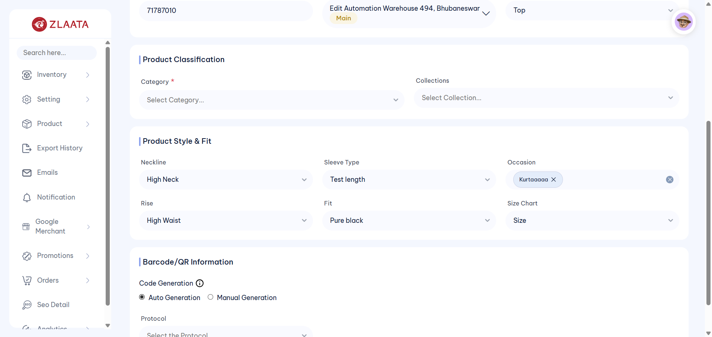
TC_UI_Zlaata_PM_01 | TC_UI_Zlaata_PM_01 |Verify that admin can create a product with valid details and credentials and it is reflected correctly on the Product Listing page| "TD_UI_Zlaata_PM_01" | 125.134 | Abdul | Fail | N/A |  |  | 0 | 0 | 0 | 0 | 0 | 0

2026-10-14
SERVER: QA
FEATURES RUNNED: 1
FEATURE FILES: ProductArchieve
TOTAL TEST CASE EXECUTED : 3
TOTAL PASSED : 0
TOTAL FAILED : 3
TOTAL TIME EXECUTED : 0 sec | TestCase Name | Duration (s) | Executed By | Status | Error Message | Product Details | Screenshot
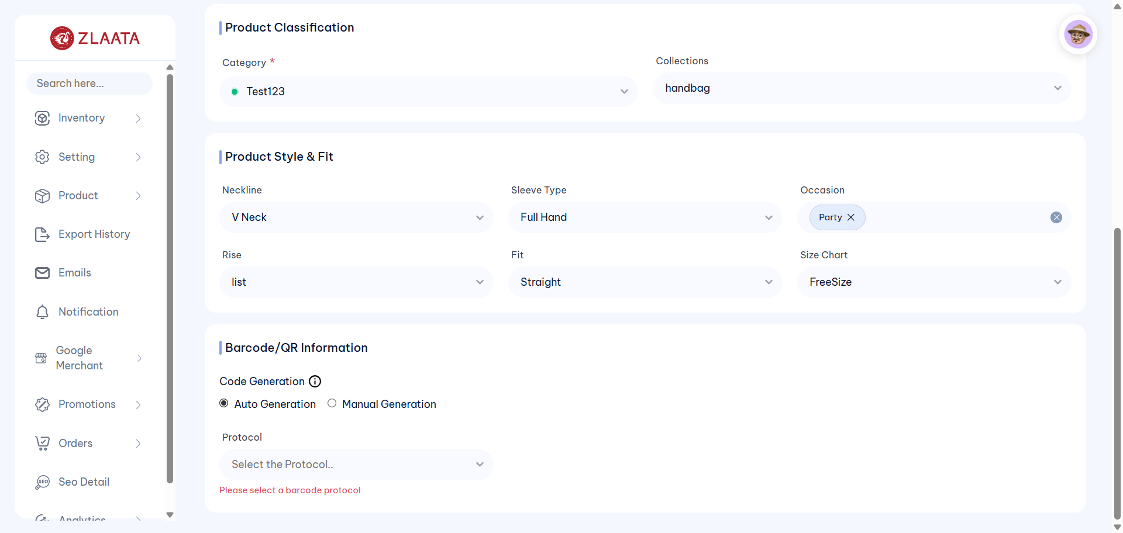
TC_UI_Zlaata_PM_01 | TC_UI_Zlaata_PM_01 |Verify that admin can create a product with valid details and credentials and it is reflected correctly on the Product Listing page| "TD_UI_Zlaata_PM_01" | 222.864 | Abdul | Fail | N/A |  |  | 0 | 0 | 0 | 0 | 0 | 0
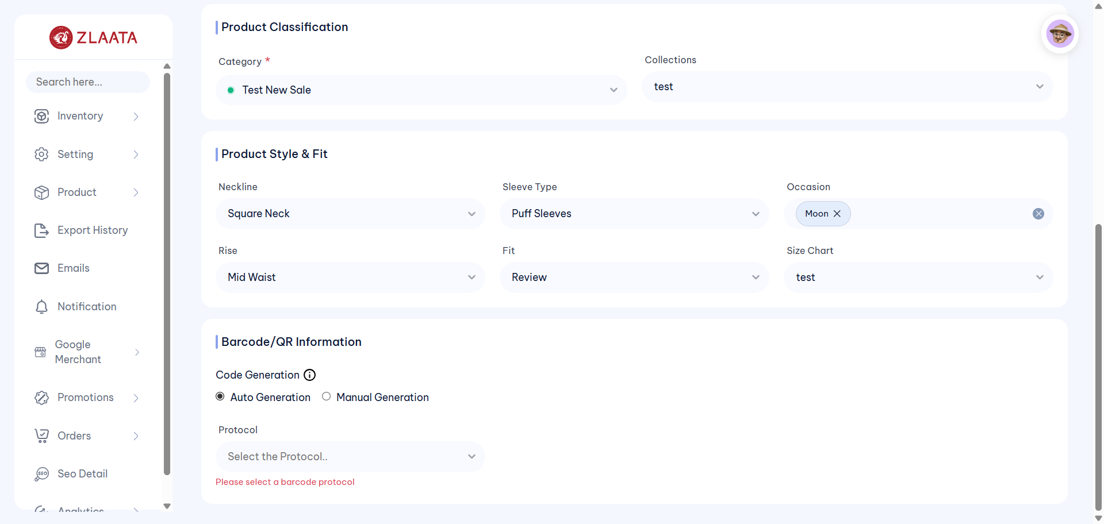
TC_UI_Zlaata_PM_01 | TC_UI_Zlaata_PM_01 |Verify that admin can create a product with valid details and credentials and it is reflected correctly on the Product Listing page| "TD_UI_Zlaata_PM_01" | 236.062 | Abdul | Fail | N/A |  |  | 0 | 0 | 0 | 0 | 0 | 0
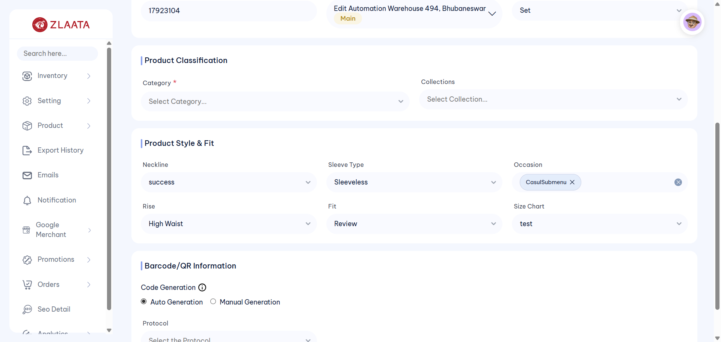
TC_UI_Zlaata_PM_01 | TC_UI_Zlaata_PM_01 |Verify that admin can create a product with valid details and credentials and it is reflected correctly on the Product Listing page| "TD_UI_Zlaata_PM_01" | 208.161 | Abdul | Fail | N/A |  |  | 0 | 0 | 0 | 0 | 0 | 0
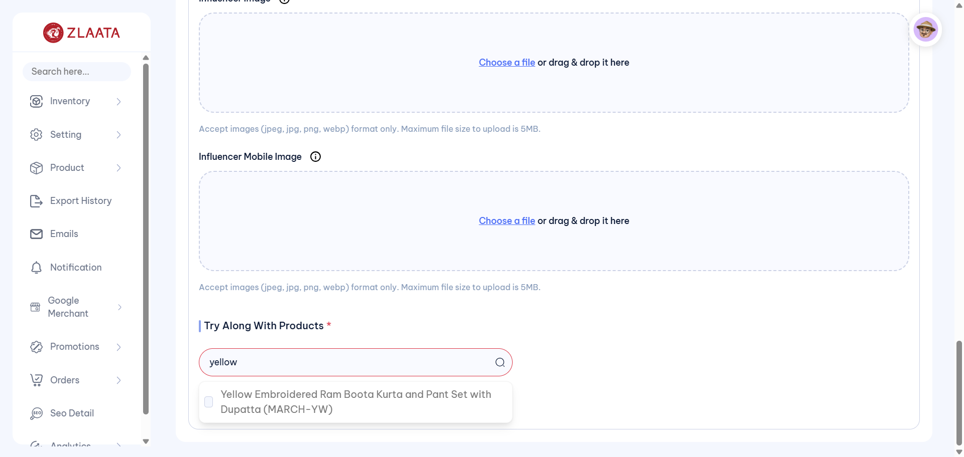
TC_UI_Zlaata_PM_01 | TC_UI_Zlaata_PM_01 |Verify that admin can create a product with valid details and credentials and it is reflected correctly on the Product Listing page| "TD_UI_Zlaata_PM_01" | 752.401 | Abdul | Fail | N/A |  |  | 0 | 0 | 0 | 0 | 0 | 0
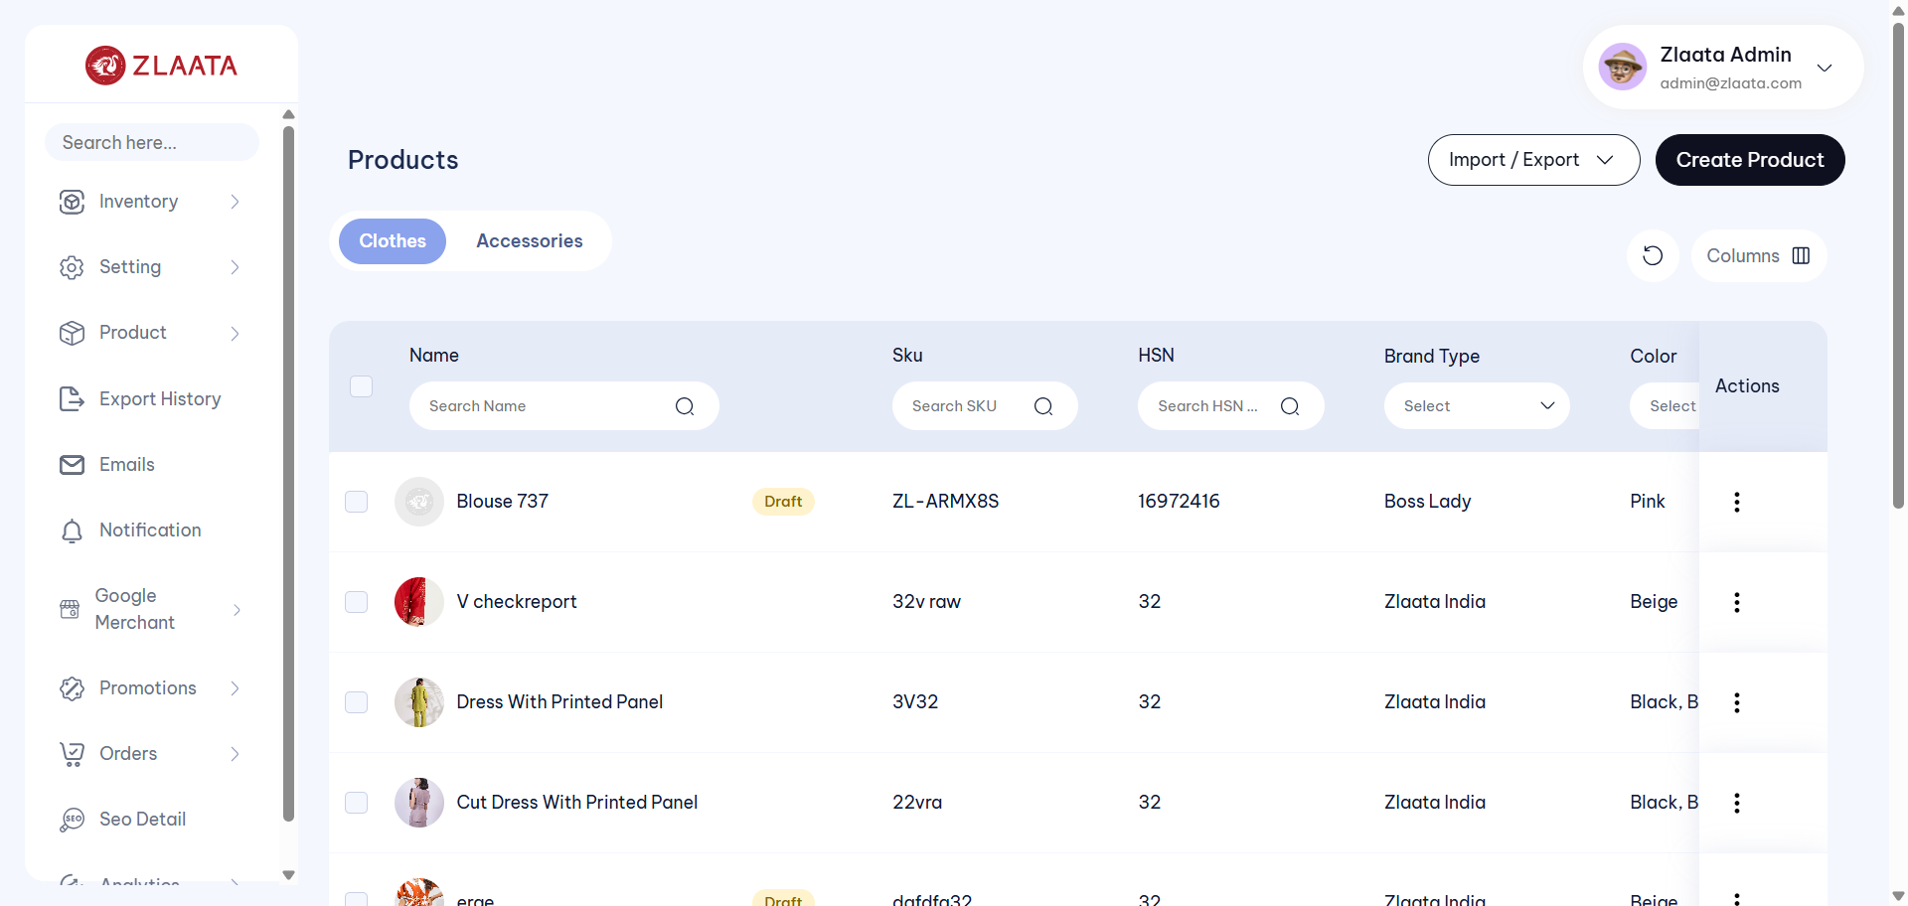
TC_UI_Zlaata_PM_01 | TC_UI_Zlaata_PM_01 |Verify that admin can create a product with valid details and credentials and it is reflected correctly on the Product Listing page| "TD_UI_Zlaata_PM_01" | 74.775 | Abdul | Fail | N/A |  |  | 0 | 0 | 0 | 0 | 0 | 0
TC_UI_Zlaata_PM_01 | TC_UI_Zlaata_PM_01 |Verify that admin can create a product with valid details and credentials and it is reflected correctly on the Product Listing page| "TD_UI_Zlaata_PM_01" | 309.62 | Abdul | Pass | N/A |  |  | 0 | 0 | 0 | 0 | 0 | 0
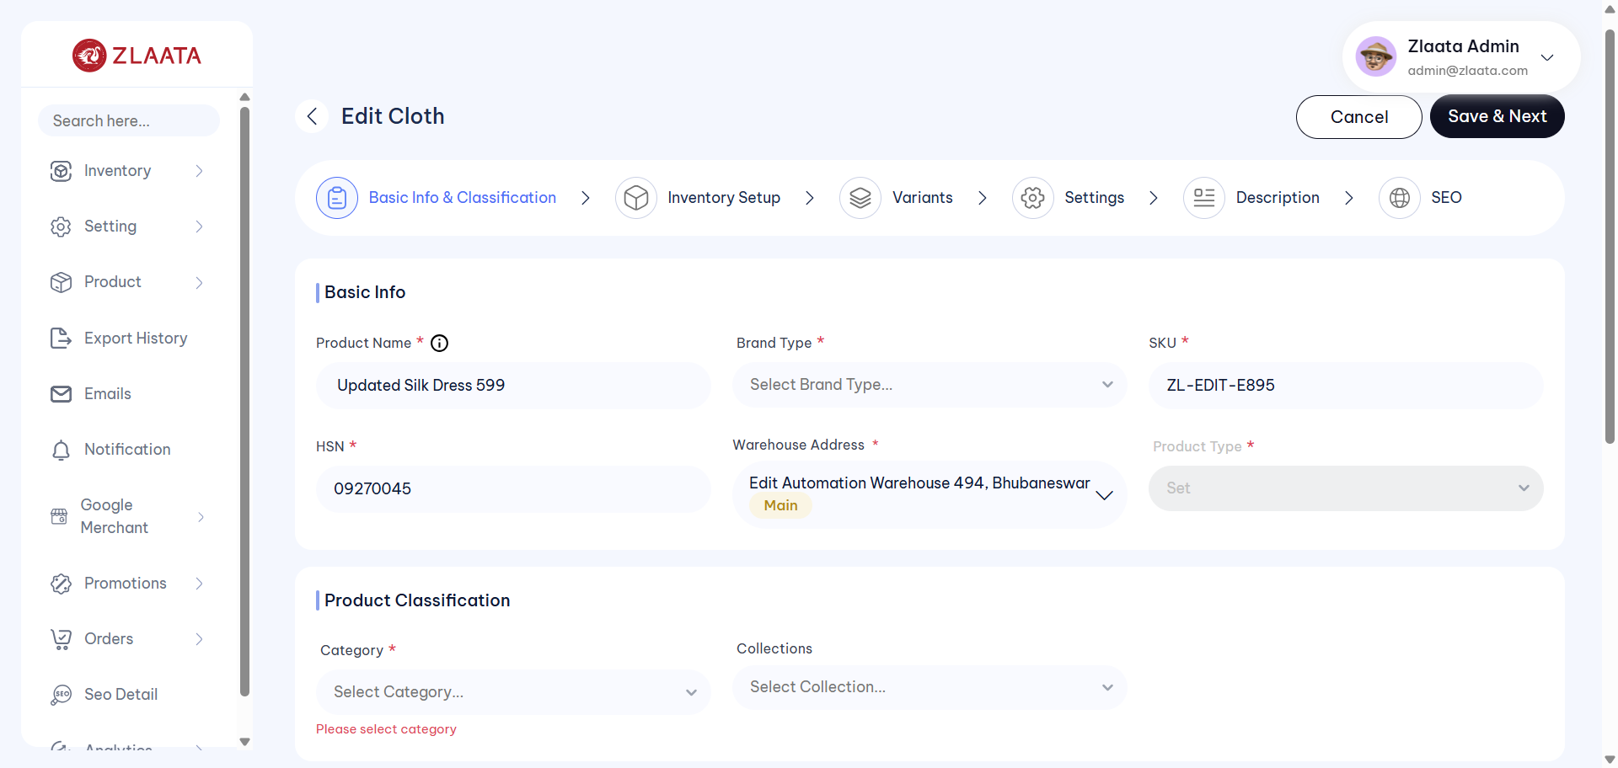
TC_UI_Zlaata_PM_02 | TC_UI_Zlaata_PM_02 |Verify that admin can edit an existing product with all the details and the updated product details are displayed correctly on the Listing and Preview pages| "TD_UI_Zlaata_PM_02" | 161.27 | Abdul | Fail | N/A |  |  | 0 | 0 | 0 | 0 | 0 | 0
TC_UI_Zlaata_PM_02 | TC_UI_Zlaata_PM_02 |Verify that admin can edit an existing product with all the details and the updated product details are displayed correctly on the Listing and Preview pages| "TD_UI_Zlaata_PM_02" | 263.333 | Abdul | Pass | N/A |  |  | 0 | 0 | 0 | 0 | 0 | 0
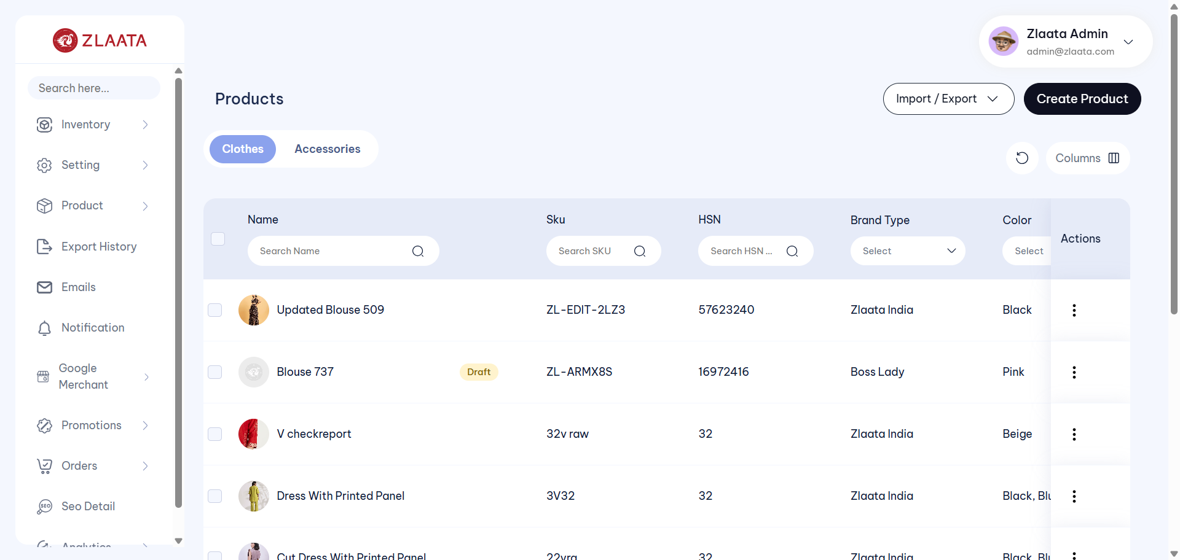
TC_UI_Zlaata_PM_03 | TC_UI_Zlaata_PM_03 |Verify that adjusting product stock from Preview page reflects the correct stock status and details across the application| "TD_UI_Zlaata_PM_03" | 107.365 | Abdul | Fail | N/A |  |  | 0 | 0 | 0 | 0 | 0 | 0
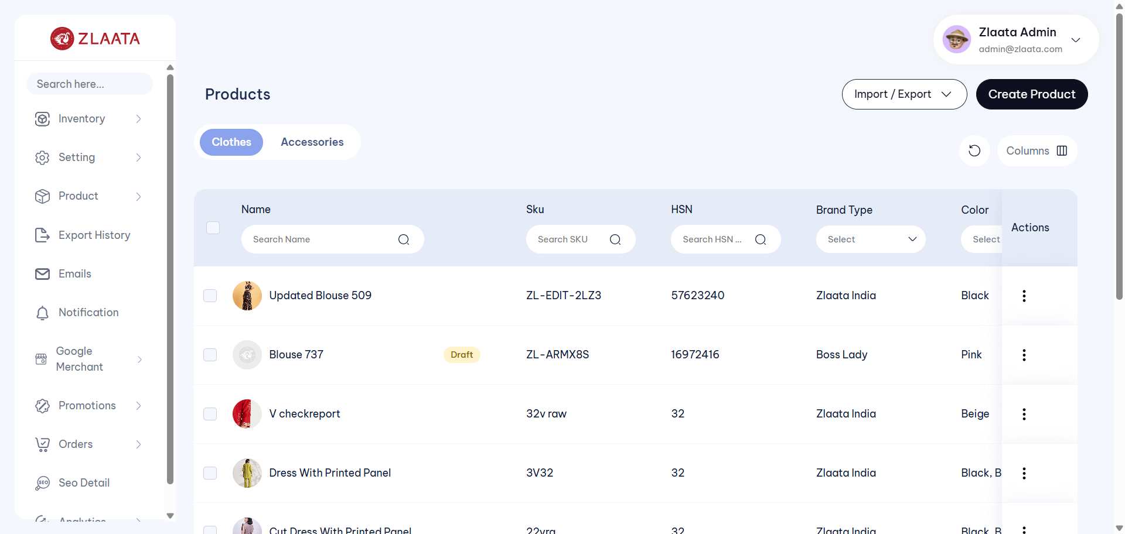
TC_UI_Zlaata_PM_03 | TC_UI_Zlaata_PM_03 |Verify that adjusting product stock from Preview page reflects the correct stock status and details across the application| "TD_UI_Zlaata_PM_03" | 102.182 | Abdul | Fail | N/A |  |  | 0 | 0 | 0 | 0 | 0 | 0
TC_UI_Zlaata_PM_03 | TC_UI_Zlaata_PM_03 |Verify that adjusting product stock from Preview page reflects the correct stock status and details across the application| "TD_UI_Zlaata_PM_03" | 73.257 | Abdul | Pass | N/A |  |  | 0 | 0 | 0 | 0 | 0 | 0
TC_UI_Zlaata_PM_04 | TC_UI_Zlaata_PM_04 |Verify that adding product stock from Preview page reflects the correct stock status and details across the application| "TD_UI_Zlaata_PM_04" | 72.923 | Abdul | Pass | N/A |  |  | 0 | 0 | 0 | 0 | 0 | 0
TC_UI_Zlaata_PM_05 | TC_UI_Zlaata_PM_05 |Verify mandatory field validation when admin saves the Product without entering required details| "TD_UI_Zlaata_PM_05" | 150.659 | Abdul | Pass | N/A |  |  | 0 | 0 | 0 | 0 | 0 | 0
TC_UI_Zlaata_PM_07 | TC_UI_Zlaata_PM_07 |Verify that admin can add multiple product variants with details through the Inventory Setup module and verify them on the Preview page| "TD_UI_Zlaata_PM_07" | 289.31 | Abdul | Pass | N/A |  |  | 0 | 0 | 0 | 0 | 0 | 0
TC_UI_Zlaata_PM_01 | TC_UI_Zlaata_PM_01 |Verify that admin can create a product with valid details and credentials and it is reflected correctly on the Product Listing page| "TD_UI_Zlaata_PM_01" | 238.251 | Abdul | Pass | N/A |  |  | 0 | 0 | 0 | 0 | 0 | 0
TC_UI_Zlaata_PM_02 | TC_UI_Zlaata_PM_02 |Verify that admin can edit an existing product with all the details and the updated product details are displayed correctly on the Listing and Preview pages| "TD_UI_Zlaata_PM_02" | 226.812 | Abdul | Pass | N/A |  |  | 0 | 0 | 0 | 0 | 0 | 0
TC_UI_Zlaata_PM_03 | TC_UI_Zlaata_PM_03 |Verify that adjusting product stock from Preview page reflects the correct stock status and details across the application| "TD_UI_Zlaata_PM_03" | 112.768 | Abdul | Pass | N/A |  |  | 0 | 0 | 0 | 0 | 0 | 0
TC_UI_Zlaata_PM_04 | TC_UI_Zlaata_PM_04 |Verify that adding product stock from Preview page reflects the correct stock status and details across the application| "TD_UI_Zlaata_PM_04" | 87.902 | Abdul | Pass | N/A |  |  | 0 | 0 | 0 | 0 | 0 | 0
TC_UI_Zlaata_PM_05 | TC_UI_Zlaata_PM_05 |Verify mandatory field validation when admin saves the Product without entering required details| "TD_UI_Zlaata_PM_05" | 202.128 | Abdul | Pass | N/A |  |  | 0 | 0 | 0 | 0 | 0 | 0
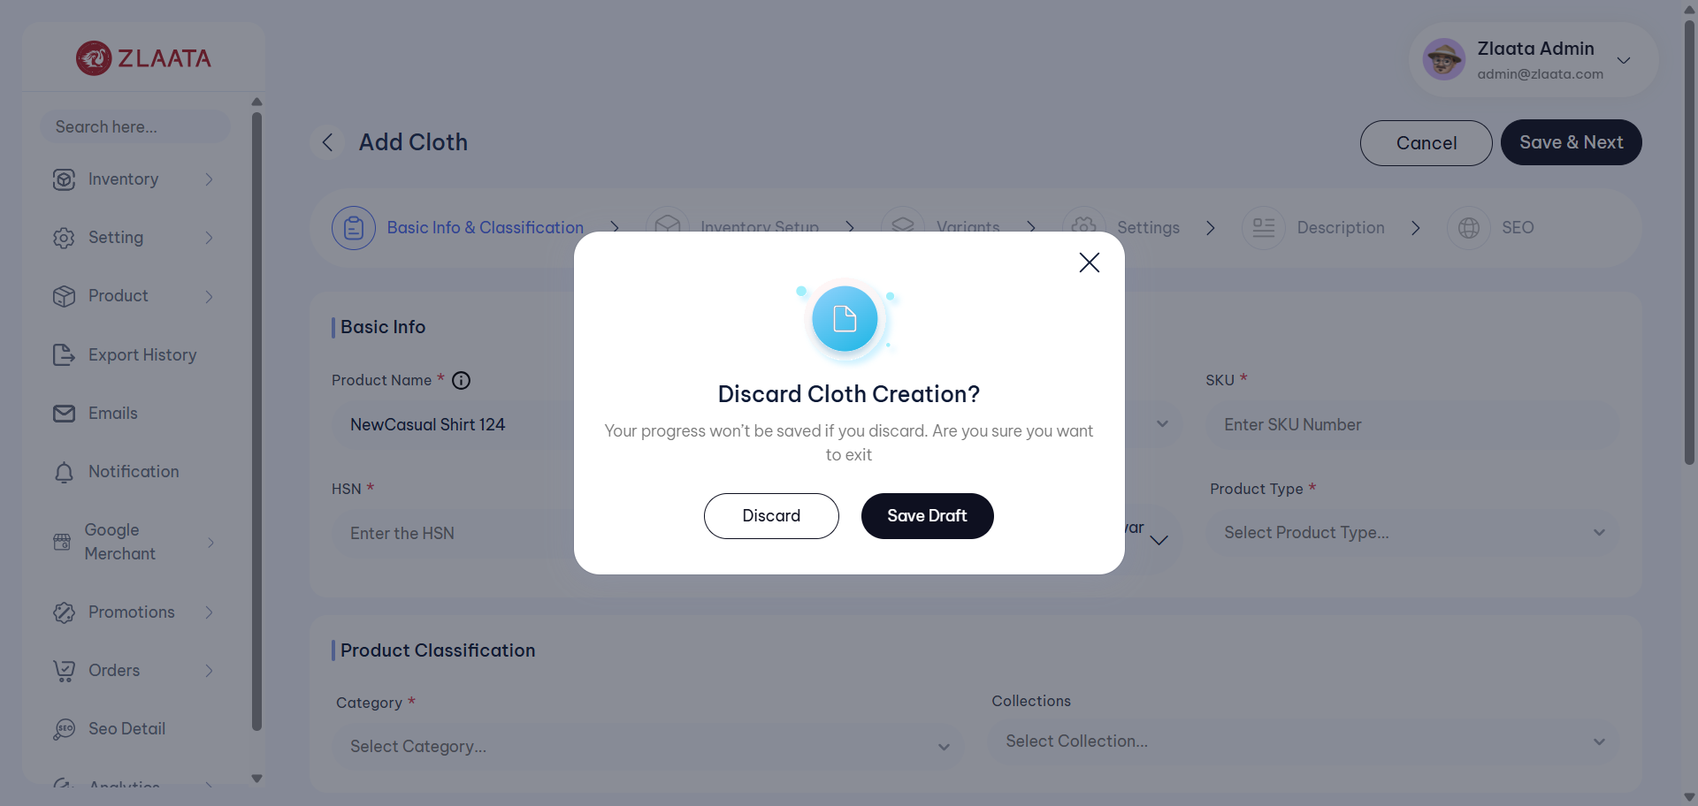
TC_UI_Zlaata_PM_06 | TC_UI_Zlaata_PM_06 |Verify that a partially created Product is displayed as Draft with inactive status on the Product Listing page| "TD_UI_Zlaata_PM_06" | 82.924 | Abdul | Fail | N/A |  |  | 0 | 0 | 0 | 0 | 0 | 0
TC_UI_Zlaata_PM_07 | TC_UI_Zlaata_PM_07 |Verify that admin can add multiple product variants with details through the Inventory Setup module and verify them on the Preview page| "TD_UI_Zlaata_PM_07" | 261.862 | Abdul | Pass | N/A |  |  | 0 | 0 | 0 | 0 | 0 | 0
TC_UI_Zlaata_PS_01 | TC_UI_Zlaata_PS_01 |Verify that stock changes are reflected and saved successfully after adjusting stock.| "TD_UI_Zlaata_PS_01" | 119.592 | Abdul | Pass | N/A |  |  | 0 | 0 | 0 | 0 | 0 | 0
TC_UI_Zlaata_PS_02 | TC_UI_Zlaata_PS_02 |Verify that stock changes are reflected and saved successfully after adding stock.| "TD_UI_Zlaata_PS_02" | 220.542 | Abdul | Pass | N/A |  |  | 0 | 0 | 0 | 0 | 0 | 0
TC_UI_Zlaata_PS_03 | TC_UI_Zlaata_PS_03 |Verify that the low stock alert is saved and reflected successfully for the product.| "TD_UI_Zlaata_PS_03" | 199.549 | Abdul | Pass | N/A |  |  | 0 | 0 | 0 | 0 | 0 | 0
TC_UI_Zlaata_PO_01 | TC_UI_Zlaata_PO_01 | Verify that a newly created Purchase Order is displayed on the Purchase Order Listing page| "TD_UI_Zlaata_PO_01" | 159.604 | Abdul | Pass | N/A |  |  | 0 | 0 | 0 | 0 | 0 | 0
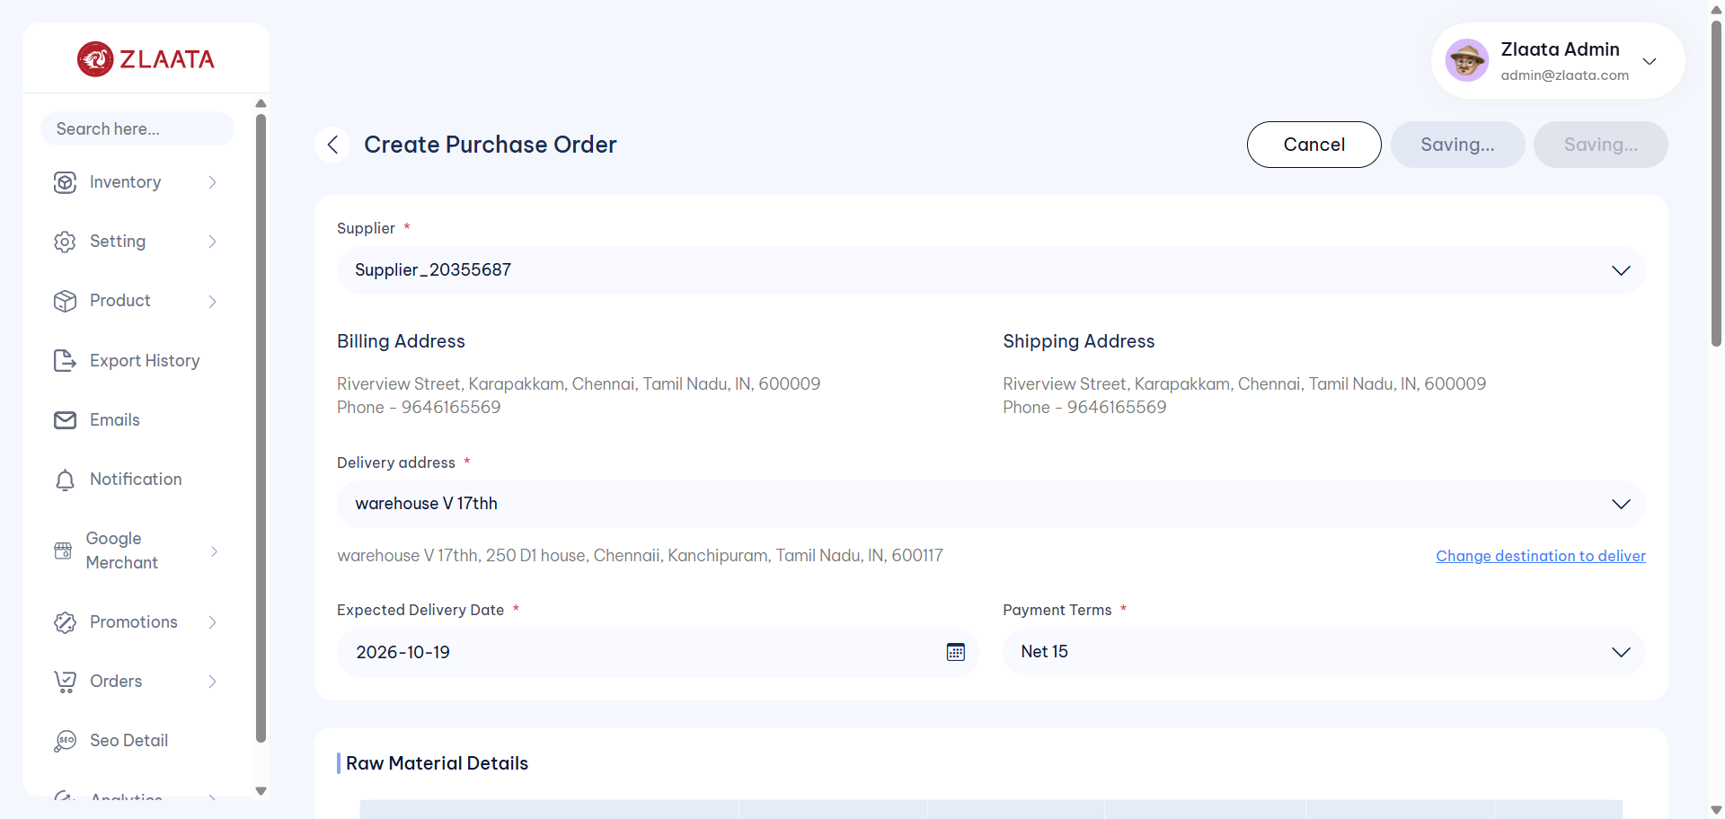
TC_UI_Zlaata_PO_02 | TC_UI_Zlaata_PO_02 |Verify that the Quantity, Price per Unit, and Total Amount are calculated and displayed correctly based on the entered quantity and price per unit| "TD_UI_Zlaata_PO_02" | 73.705 | Abdul | Fail | N/A |  |  | 0 | 0 | 0 | 0 | 0 | 0
TC_UI_Zlaata_PO_03 | TC_UI_Zlaata_PO_03 |Verify that the edited Purchase Order details are saved successfully after editing the Purchase Order| "TD_UI_Zlaata_PO_03" | 159.666 | Abdul | Pass | N/A |  |  | 0 | 0 | 0 | 0 | 0 | 0
TC_UI_Zlaata_PO_04 | TC_UI_Zlaata_PO_04 |Verify that after cancelling the raw material items, the Purchase Order status changes to "Cancelled" and is reflected correctly on both the Listing page and Detail page| "TD_UI_Zlaata_PO_04" | 71.159 | Abdul | Pass | N/A |  |  | 0 | 0 | 0 | 0 | 0 | 0
TC_UI_Zlaata_PO_05 | TC_UI_Zlaata_PO_05 |Verify that validation messages are displayed when mandatory fields are left blank and the user tries to save the Purchase Order| "TD_UI_Zlaata_PO_05" | 85.224 | Abdul | Pass | N/A |  |  | 0 | 0 | 0 | 0 | 0 | 0
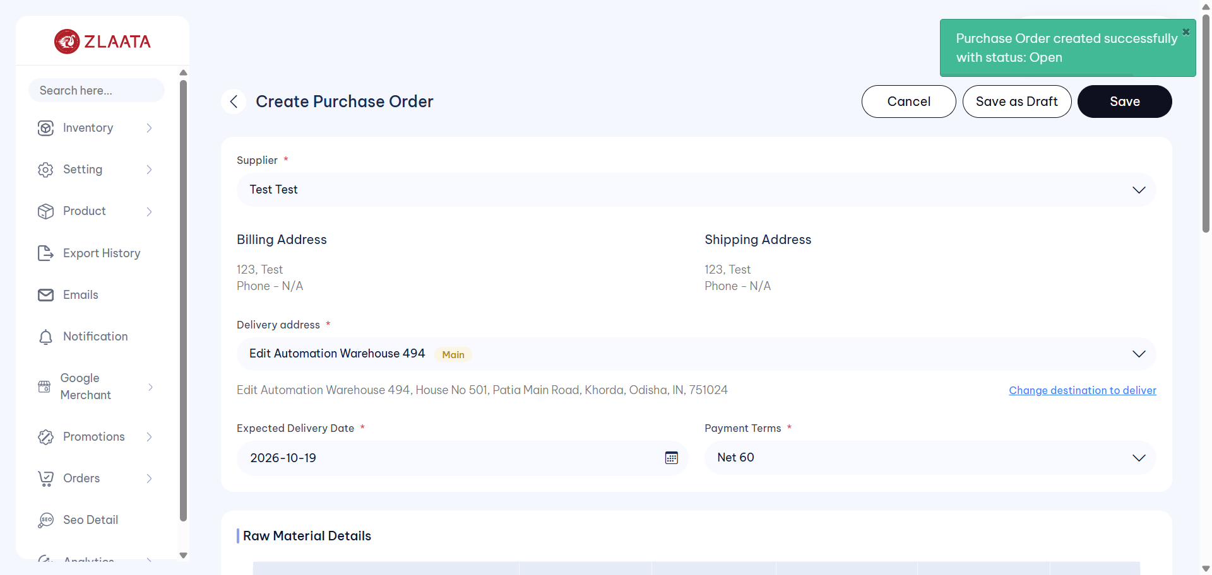
TC_UI_Zlaata_PO_06 | TC_UI_Zlaata_PO_06 |Verify that multiple raw materials can be added with available quantities and the calculated amount is displayed correctly| "TD_UI_Zlaata_PO_06" | 98.107 | Abdul | Fail | N/A |  |  | 0 | 0 | 0 | 0 | 0 | 0
TC_UI_Zlaata_PO_01 | TC_UI_Zlaata_PO_01 | Verify that a newly created Purchase Order is displayed on the Purchase Order Listing page| "TD_UI_Zlaata_PO_01" | 159.591 | Abdul | Pass | N/A |  |  | 0 | 0 | 0 | 0 | 0 | 0
TC_UI_Zlaata_PO_02 | TC_UI_Zlaata_PO_02 |Verify that the Quantity, Price per Unit, and Total Amount are calculated and displayed correctly based on the entered quantity and price per unit| "TD_UI_Zlaata_PO_02" | 133.061 | Abdul | Pass | N/A |  |  | 0 | 0 | 0 | 0 | 0 | 0
TC_UI_Zlaata_PO_03 | TC_UI_Zlaata_PO_03 |Verify that the edited Purchase Order details are saved successfully after editing the Purchase Order| "TD_UI_Zlaata_PO_03" | 152.893 | Abdul | Pass | N/A |  |  | 0 | 0 | 0 | 0 | 0 | 0
TC_UI_Zlaata_PO_04 | TC_UI_Zlaata_PO_04 |Verify that after cancelling the raw material items, the Purchase Order status changes to "Cancelled" and is reflected correctly on both the Listing page and Detail page| "TD_UI_Zlaata_PO_04" | 61.687 | Abdul | Pass | N/A |  |  | 0 | 0 | 0 | 0 | 0 | 0
TC_UI_Zlaata_PO_05 | TC_UI_Zlaata_PO_05 |Verify that validation messages are displayed when mandatory fields are left blank and the user tries to save the Purchase Order| "TD_UI_Zlaata_PO_05" | 52.116 | Abdul | Pass | N/A |  |  | 0 | 0 | 0 | 0 | 0 | 0
TC_UI_Zlaata_PO_06 | TC_UI_Zlaata_PO_06 |Verify that multiple raw materials can be added with available quantities and the calculated amount is displayed correctly| "TD_UI_Zlaata_PO_06" | 123.58 | Abdul | Pass | N/A |  |  | 0 | 0 | 0 | 0 | 0 | 0
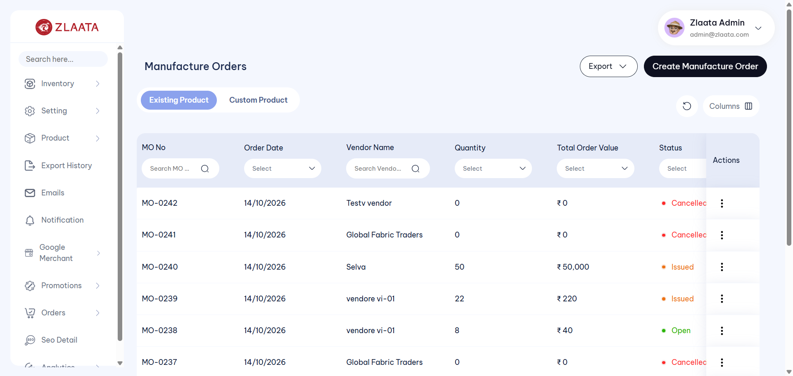
TC_UI_Zlaata_MO_01 | TC_UI_Zlaata_MO_01 |Verify that a newly created Manufacture Order is displayed on the Manufacture Order Listing page| "TD_UI_Zlaata_MO_01" | 120.2 | Abdul | Fail | N/A |  |  | 0 | 0 | 0 | 0 | 0 | 0
TC_UI_Zlaata_SM_01 | TC_UI_Zlaata_SM_01 |Verify that a newly created supplier is displayed on the Supplier Listing page| "TD_UI_Zlaata_SM_01" | 92.632 | Abdul | Pass | N/A |  |  | 0 | 0 | 0 | 0 | 0 | 0
TC_UI_Zlaata_SM_02 | TC_UI_Zlaata_SM_02 |Verify that changes made after editing a supplier are updated correctly and displayed on the Supplier Listing page| "TD_UI_Zlaata_SM_02" | 143.799 | Abdul | Pass | N/A |  |  | 0 | 0 | 0 | 0 | 0 | 0
TC_UI_Zlaata_SM_03 | TC_UI_Zlaata_SM_03 |Verify that contact details and bank details added from the Preview page are saved successfully| "TD_UI_Zlaata_SM_03" | 88.153 | Abdul | Pass | N/A |  |  | 0 | 0 | 0 | 0 | 0 | 0
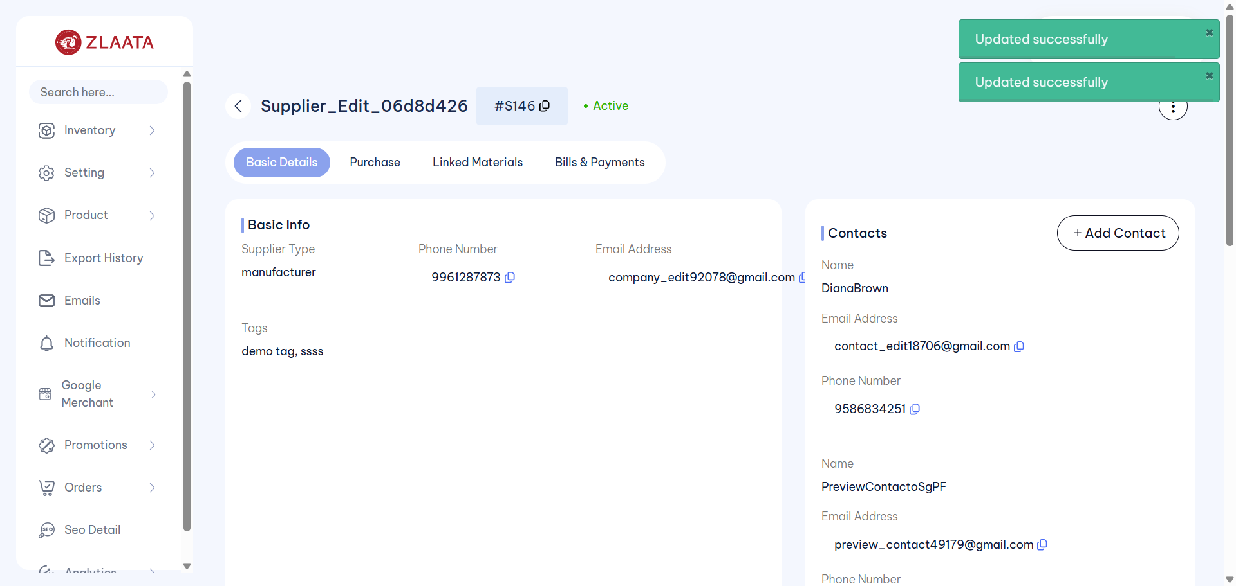
TC_UI_Zlaata_SM_04 | TC_UI_Zlaata_SM_04 |Verify that the supplier status changes to Inactive when the supplier is marked as inactive| "TD_UI_Zlaata_SM_04" | 46.702 | Abdul | Fail | N/A |  |  | 0 | 0 | 0 | 0 | 0 | 0
TC_UI_Zlaata_SM_05 | TC_UI_Zlaata_SM_05 |Verify that a deleted supplier is no longer displayed on the Supplier Listing page| "TD_UI_Zlaata_SM_05" | 82.981 | Abdul | Pass | N/A |  |  | 0 | 0 | 0 | 0 | 0 | 0
TC_UI_Zlaata_SM_06 | TC_UI_Zlaata_SM_06 |Verify validation messages are displayed when mandatory fields are left blank while creating a supplier| "TD_UI_Zlaata_SM_06" | 53.943 | Abdul | Pass | N/A |  |  | 0 | 0 | 0 | 0 | 0 | 0
TC_UI_Zlaata_SM_07 | TC_UI_Zlaata_SM_07 |Verify that multiple contact and bank account details are saved successfully while creating a new supplier| "TD_UI_Zlaata_SM_07" | 75.952 | Abdul | Pass | N/A |  |  | 0 | 0 | 0 | 0 | 0 | 0
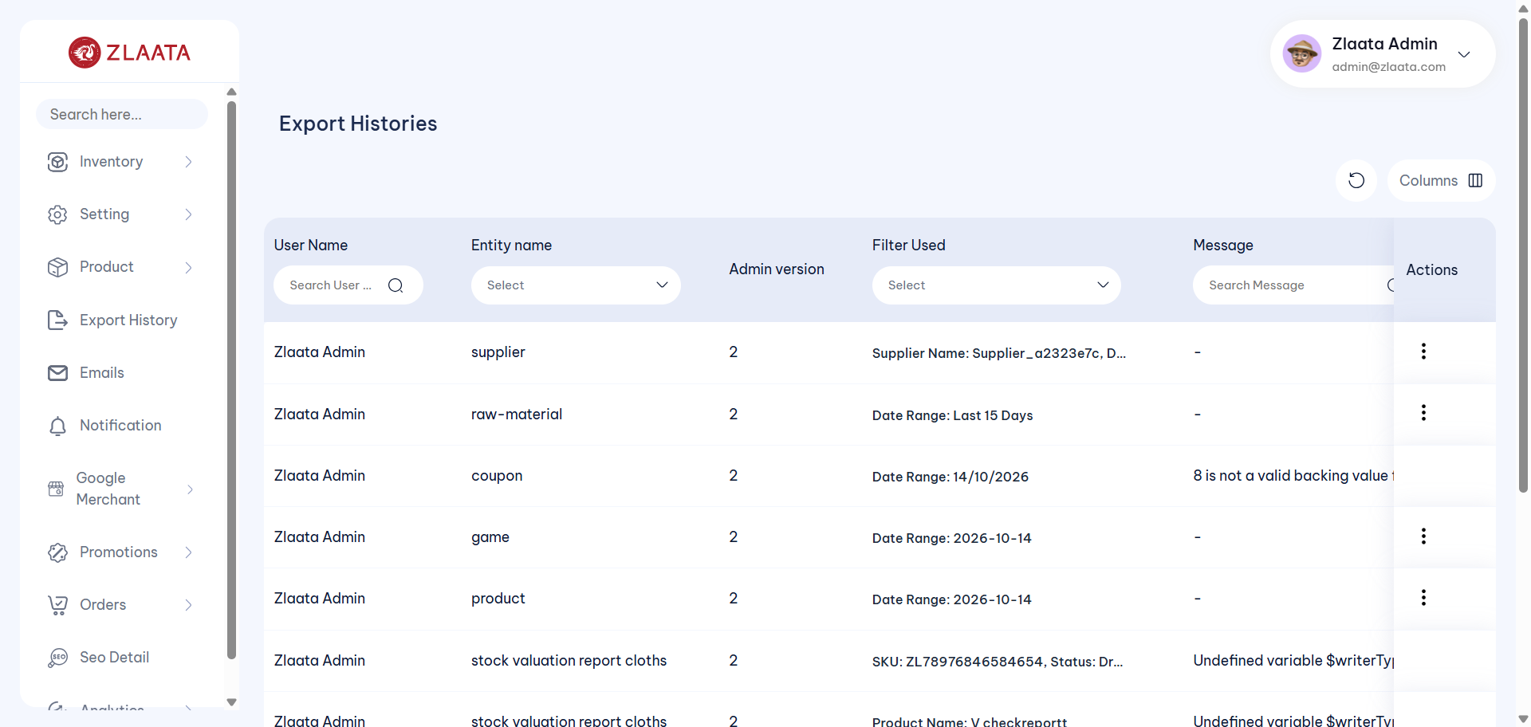
TC_UI_Zlaata_SM_08 | TC_UI_Zlaata_SM_08 |Verify that the supplier export functionality works correctly and the corresponding columns are exported accurately in the Excel file| "TD_UI_Zlaata_SM_08" | 425.969 | Abdul | Fail | N/A |  |  | 0 | 0 | 0 | 0 | 0 | 0
TC_UI_Zlaata_SM_09 | TC_UI_Zlaata_SM_09 |Verify that the supplier import functionality works correctly and valid supplier data is imported successfully| "TD_UI_Zlaata_SM_09" | 59.51 | Abdul | Pass | N/A |  |  | 0 | 0 | 0 | 0 | 0 | 0
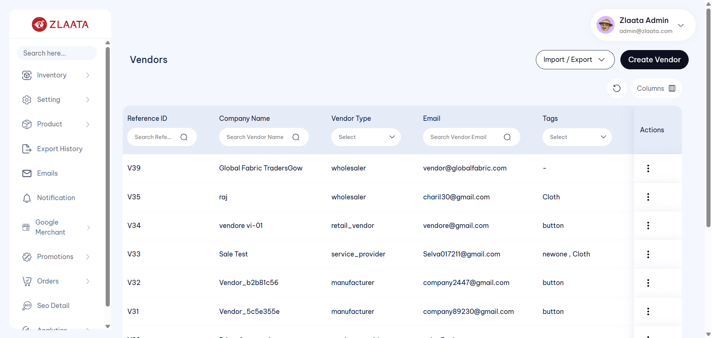
TC_UI_Zlaata_VM_01 | TC_UI_Zlaata_VM_01 |Verify that a newly created vendor is displayed on the vendor Listing page.|"TD_UI_Zlaata_VM_01" | 89.256 | Abdul | Fail | N/A |  |  | 0 | 0 | 0 | 0 | 0 | 0
TC_UI_Zlaata_VM_02 | TC_UI_Zlaata_VM_02 |Verify that changes made after editing a vendor are updated correctly and displayed on the vendor Listing page.|"TD_UI_Zlaata_VM_02" | 88.94 | Abdul | Pass | N/A |  |  | 0 | 0 | 0 | 0 | 0 | 0
TC_UI_Zlaata_VM_03 | TC_UI_Zlaata_VM_03 |Verify that vendor contact details and bank details added from the Preview page are saved successfully.|"TD_UI_Zlaata_VM_03" | 47.848 | Abdul | Pass | N/A |  |  | 0 | 0 | 0 | 0 | 0 | 0
TC_UI_Zlaata_VM_04 | TC_UI_Zlaata_VM_04 |Verify that the vendor status changes to Inactive when the vendor is marked as inactive.|"TD_UI_Zlaata_VM_04" | 52.37 | Abdul | Pass | N/A |  |  | 0 | 0 | 0 | 0 | 0 | 0
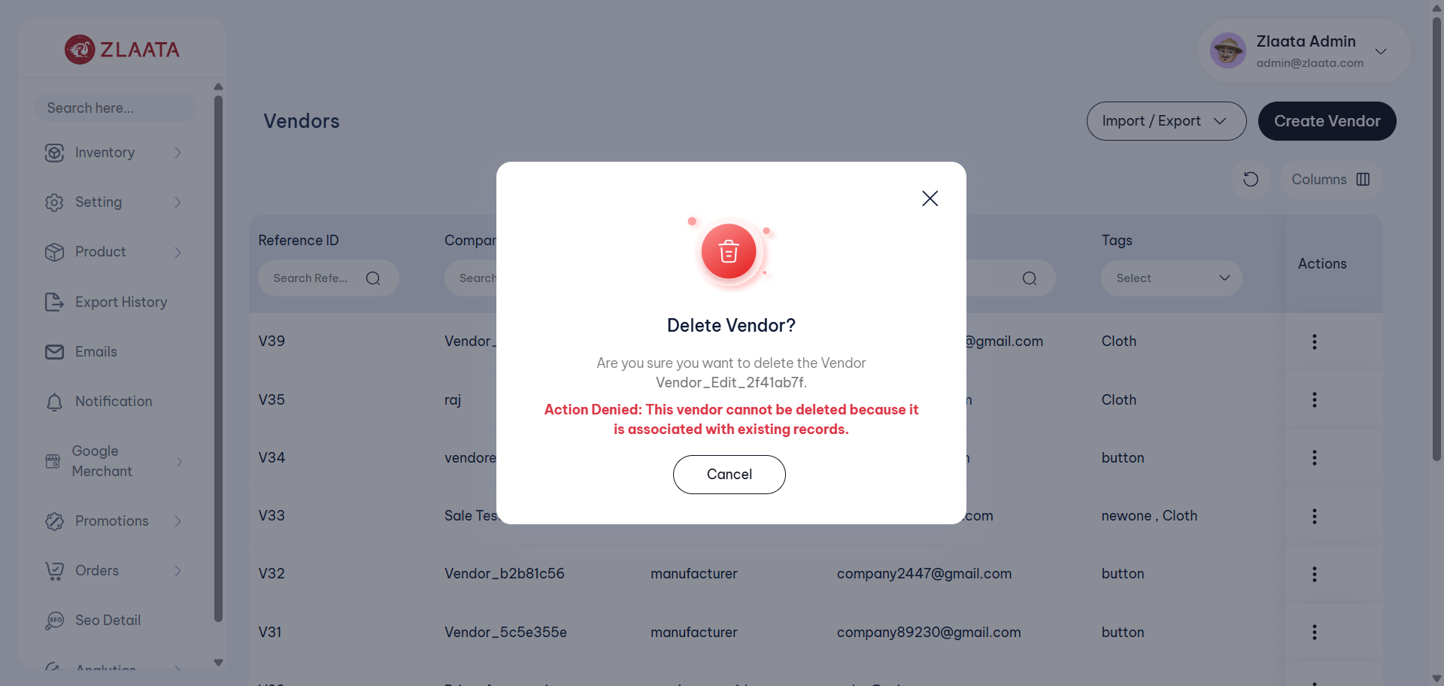
TC_UI_Zlaata_VM_05 | TC_UI_Zlaata_VM_05 |Verify that a deleted vendor is no longer displayed on the vendor Listing page.|"TD_UI_Zlaata_VM_05" | 50.343 | Abdul | Fail | N/A |  |  | 0 | 0 | 0 | 0 | 0 | 0
TC_UI_Zlaata_SC_01 | TC_UI_Zlaata_SC_01 |Verify that a new size chart is successfully created and displayed on the Size Chart Listing page.| "TD_UI_Zlaata_SC_01" | 0.015 | Abdul | Fail | N/A |  |  | 0 | 0 | 0 | 0 | 0 | 0
TC_UI_Zlaata_SC_02 | TC_UI_Zlaata_SC_02 |Verify that the assigned size chart is displayed in the product details of the associated product.| "TD_UI_Zlaata_SC_02" | 0.006 | Abdul | Fail | N/A |  |  | 0 | 0 | 0 | 0 | 0 | 0
TC_UI_Zlaata_SC_03 | TC_UI_Zlaata_SC_03 |Verify that a size chart can be successfully deleted from the Size Chart Listing page.| "TD_UI_Zlaata_SC_03" | 0.008 | Abdul | Fail | N/A |  |  | 0 | 0 | 0 | 0 | 0 | 0
TC_UI_Zlaata_SC_01 | TC_UI_Zlaata_SC_01 |Verify that a new size chart is successfully created and displayed on the Size Chart Listing page.| "TD_UI_Zlaata_SC_01" | 0.019 | Abdul | Fail | N/A |  |  | 0 | 0 | 0 | 0 | 0 | 0
TC_UI_Zlaata_SC_02 | TC_UI_Zlaata_SC_02 |Verify that the assigned size chart is displayed in the product details of the associated product.| "TD_UI_Zlaata_SC_02" | 0.007 | Abdul | Fail | N/A |  |  | 0 | 0 | 0 | 0 | 0 | 0
TC_UI_Zlaata_SC_03 | TC_UI_Zlaata_SC_03 |Verify that a size chart can be successfully deleted from the Size Chart Listing page.| "TD_UI_Zlaata_SC_03" | 0.007 | Abdul | Fail | N/A |  |  | 0 | 0 | 0 | 0 | 0 | 0
TC_UI_Zlaata_PA_01 | TC_UI_Zlaata_PA_01 |Verify that product is successfully archived and displayed in the Product Archive section.| "TD_UI_Zlaata_PA_01" | 0.028 | Abdul | Fail | N/A |  |  | 0 | 0 | 0 | 0 | 0 | 0
TC_UI_Zlaata_PA_02 | TC_UI_Zlaata_PA_02 |Verify that an archived product is successfully restored and displayed in the Product Listing section.| "TD_UI_Zlaata_PA_02" | 0.007 | Abdul | Fail | N/A |  |  | 0 | 0 | 0 | 0 | 0 | 0
TC_UI_Zlaata_PA_03 | TC_UI_Zlaata_PA_03 |Verify that archived products are successfully restored using the Bulk Restore option.| "TD_UI_Zlaata_PA_03" | 0.008 | Abdul | Fail | N/A |  |  | 0 | 0 | 0 | 0 | 0 | 0

2026-10-20
SERVER: QA
FEATURES RUNNED: 1
FEATURE FILES: ManufactureOrder
TOTAL TEST CASE EXECUTED : 8
TOTAL PASSED : 8
TOTAL FAILED : 0
TOTAL TIME EXECUTED : 977 sec | TestCase Name | Duration (s) | Executed By | Status | Error Message | Product Details | Screenshot
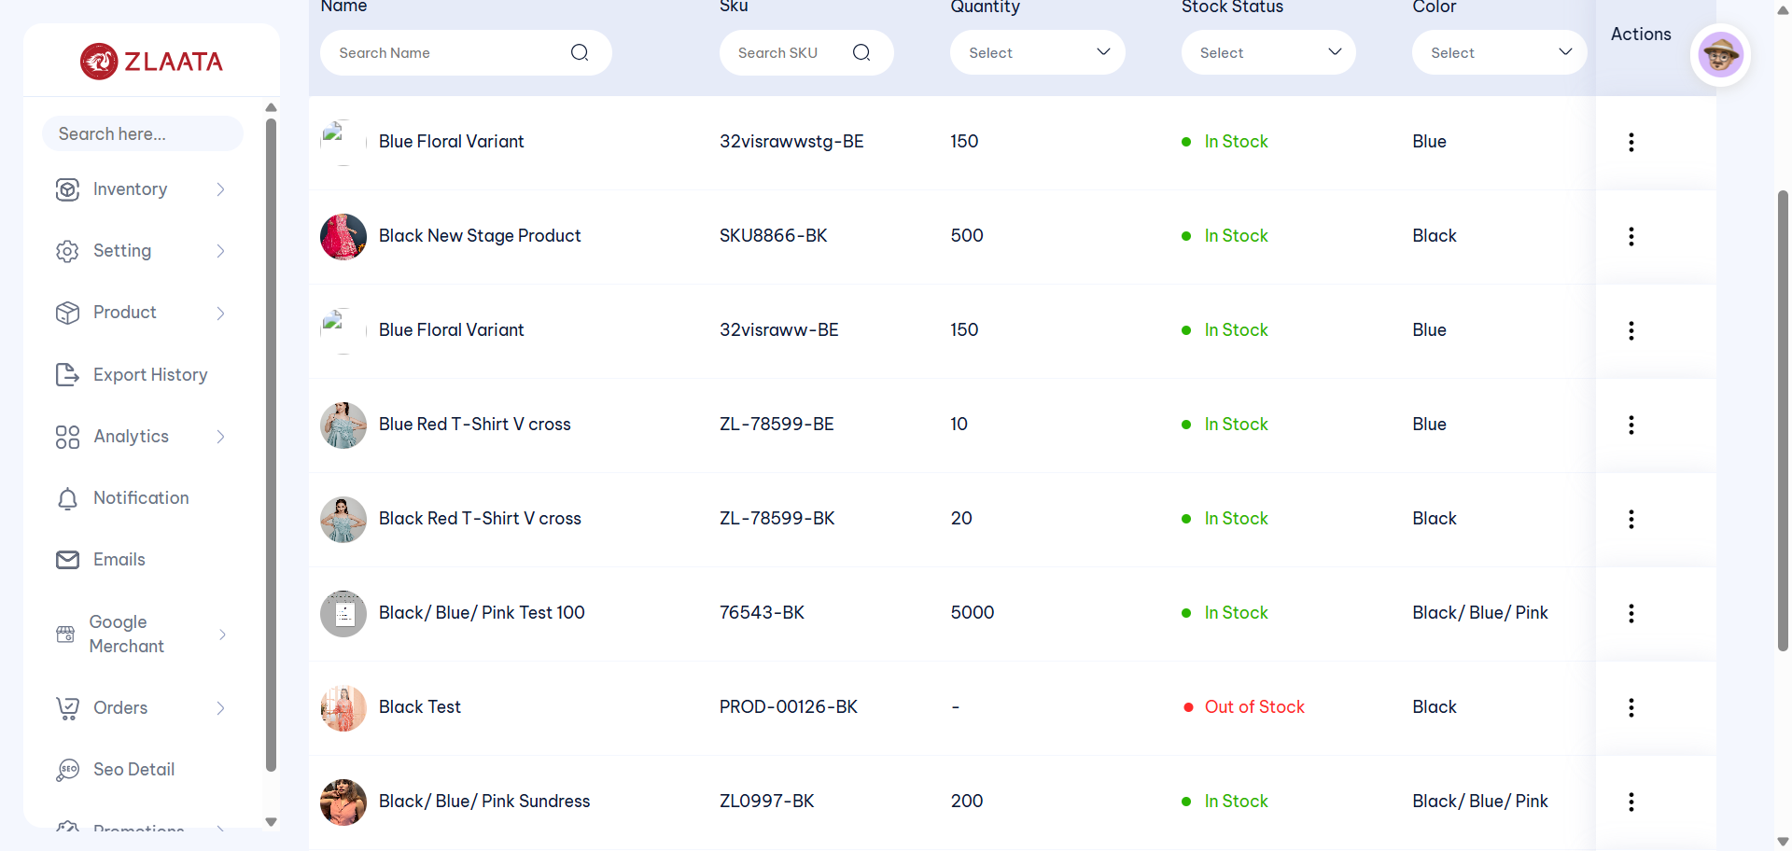
TC_UI_Zlaata_PS_01 | TC_UI_Zlaata_PS_01 |Verify that stock changes are reflected and saved successfully after adjusting stock.| "TD_UI_Zlaata_PS_01" | 131.96 | Abdul | Fail | N/A |  |  | 0 | 0 | 0 | 0 | 0 | 0
TC_UI_Zlaata_PS_02 | TC_UI_Zlaata_PS_02 |Verify that stock changes are reflected and saved successfully after adding stock.| "TD_UI_Zlaata_PS_02" | 225.049 | Abdul | Pass | N/A |  |  | 0 | 0 | 0 | 0 | 0 | 0
TC_UI_Zlaata_PS_03 | TC_UI_Zlaata_PS_03 |Verify that the low stock alert is saved and reflected successfully for the product.| "TD_UI_Zlaata_PS_03" | 260.921 | Abdul | Pass | N/A |  |  | 0 | 0 | 0 | 0 | 0 | 0
TC_UI_Zlaata_PS_01 | TC_UI_Zlaata_PS_01 |Verify that stock changes are reflected and saved successfully after adjusting stock.| "TD_UI_Zlaata_PS_01" | 151.23 | Abdul | Pass | N/A |  |  | 0 | 0 | 0 | 0 | 0 | 0
TC_UI_Zlaata_SM_01 | TC_UI_Zlaata_SM_01 |Verify that a newly created supplier is displayed on the Supplier Listing page| "TD_UI_Zlaata_SM_01" | 127.087 | Abdul | Pass | N/A |  |  | 0 | 0 | 0 | 0 | 0 | 0
TC_UI_Zlaata_SM_02 | TC_UI_Zlaata_SM_02 |Verify that changes made after editing a supplier are updated correctly and displayed on the Supplier Listing page| "TD_UI_Zlaata_SM_02" | 112.532 | Abdul | Pass | N/A |  |  | 0 | 0 | 0 | 0 | 0 | 0
TC_UI_Zlaata_SM_03 | TC_UI_Zlaata_SM_03 |Verify that contact details and bank details added from the Preview page are saved successfully| "TD_UI_Zlaata_SM_03" | 56.464 | Abdul | Pass | N/A |  |  | 0 | 0 | 0 | 0 | 0 | 0
TC_UI_Zlaata_SM_04 | TC_UI_Zlaata_SM_04 |Verify that the supplier status changes to Inactive when the supplier is marked as inactive| "TD_UI_Zlaata_SM_04" | 33.439 | Abdul | Pass | N/A |  |  | 0 | 0 | 0 | 0 | 0 | 0
TC_UI_Zlaata_SM_05 | TC_UI_Zlaata_SM_05 |Verify that a deleted supplier is no longer displayed on the Supplier Listing page| "TD_UI_Zlaata_SM_05" | 65.672 | Abdul | Pass | N/A |  |  | 0 | 0 | 0 | 0 | 0 | 0
TC_UI_Zlaata_SM_06 | TC_UI_Zlaata_SM_06 |Verify validation messages are displayed when mandatory fields are left blank while creating a supplier| "TD_UI_Zlaata_SM_06" | 39.004 | Abdul | Pass | N/A |  |  | 0 | 0 | 0 | 0 | 0 | 0
TC_UI_Zlaata_SM_07 | TC_UI_Zlaata_SM_07 |Verify that multiple contact and bank account details are saved successfully while creating a new supplier| "TD_UI_Zlaata_SM_07" | 57.199 | Abdul | Pass | N/A |  |  | 0 | 0 | 0 | 0 | 0 | 0
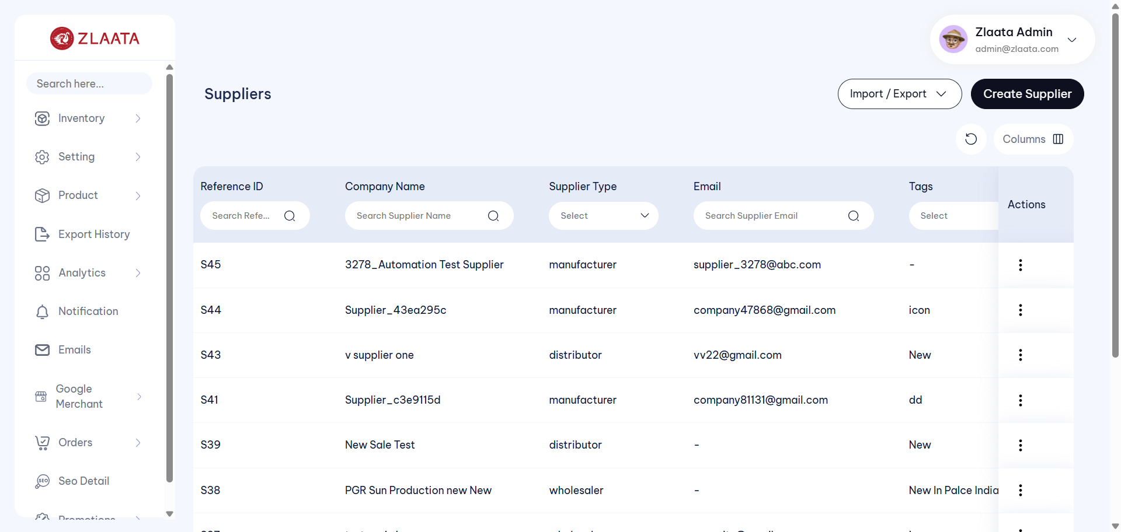
TC_UI_Zlaata_SM_09 | TC_UI_Zlaata_SM_09 |Verify that the supplier import functionality works correctly and valid supplier data is imported successfully| "TD_UI_Zlaata_SM_09" | 54.498 | Abdul | Fail | N/A |  |  | 0 | 0 | 0 | 0 | 0 | 0
TC_UI_Zlaata_SM_08 | TC_UI_Zlaata_SM_08 |Verify that the supplier export functionality works correctly and the corresponding columns are exported accurately in the Excel file| "TD_UI_Zlaata_SM_08" | 118.391 | Abdul | Pass | N/A |  |  | 0 | 0 | 0 | 0 | 0 | 0
TC_UI_Zlaata_SM_09 | TC_UI_Zlaata_SM_09 |Verify that the supplier import functionality works correctly and valid supplier data is imported successfully| "TD_UI_Zlaata_SM_09" | 59.054 | Abdul | Pass | N/A |  |  | 0 | 0 | 0 | 0 | 0 | 0
TC_UI_Zlaata_PO_01 | TC_UI_Zlaata_PO_01 | Verify that a newly created Purchase Order is displayed on the Purchase Order Listing page| "TD_UI_Zlaata_PO_01" | 146.208 | Abdul | Pass | N/A |  |  | 0 | 0 | 0 | 0 | 0 | 0
TC_UI_Zlaata_PO_02 | TC_UI_Zlaata_PO_02 |Verify that the Quantity, Price per Unit, and Total Amount are calculated and displayed correctly based on the entered quantity and price per unit| "TD_UI_Zlaata_PO_02" | 123.495 | Abdul | Pass | N/A |  |  | 0 | 0 | 0 | 0 | 0 | 0
TC_UI_Zlaata_PO_03 | TC_UI_Zlaata_PO_03 |Verify that the edited Purchase Order details are saved successfully after editing the Purchase Order| "TD_UI_Zlaata_PO_03" | 144.319 | Abdul | Pass | N/A |  |  | 0 | 0 | 0 | 0 | 0 | 0
TC_UI_Zlaata_PO_04 | TC_UI_Zlaata_PO_04 |Verify that after cancelling the raw material items, the Purchase Order status changes to "Cancelled" and is reflected correctly on both the Listing page and Detail page| "TD_UI_Zlaata_PO_04" | 51.767 | Abdul | Pass | N/A |  |  | 0 | 0 | 0 | 0 | 0 | 0
TC_UI_Zlaata_PO_05 | TC_UI_Zlaata_PO_05 |Verify that validation messages are displayed when mandatory fields are left blank and the user tries to save the Purchase Order| "TD_UI_Zlaata_PO_05" | 54.395 | Abdul | Pass | N/A |  |  | 0 | 0 | 0 | 0 | 0 | 0
TC_UI_Zlaata_PO_06 | TC_UI_Zlaata_PO_06 |Verify that multiple raw materials can be added with available quantities and the calculated amount is displayed correctly| "TD_UI_Zlaata_PO_06" | 115.064 | Abdul | Pass | N/A |  |  | 0 | 0 | 0 | 0 | 0 | 0
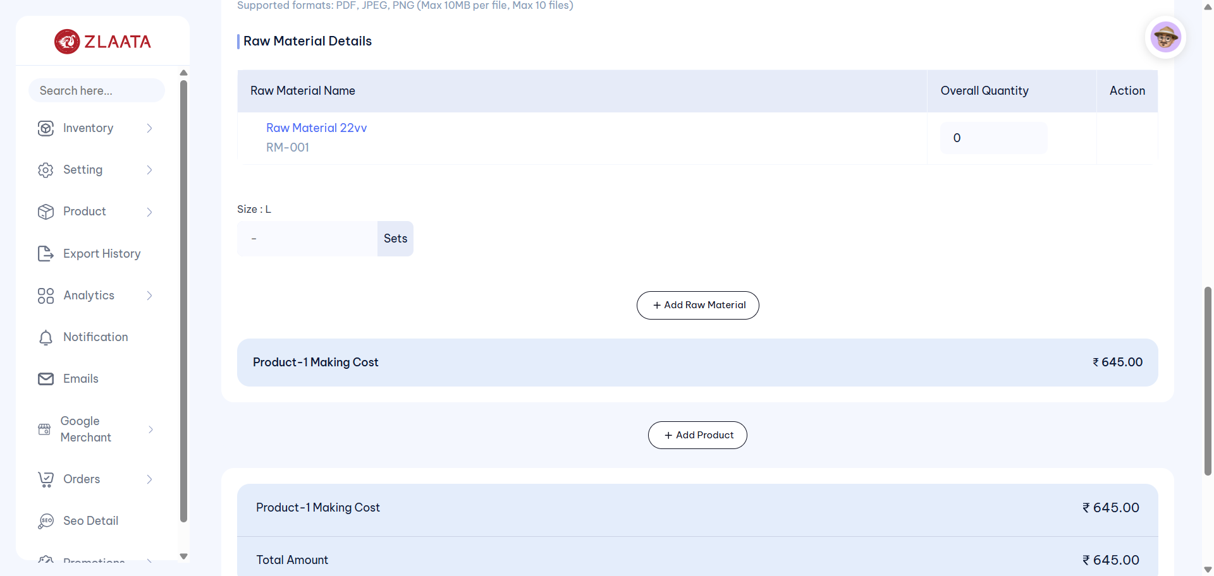
TC_UI_Zlaata_MO_01 | TC_UI_Zlaata_MO_01 |Verify that a newly created Manufacture Order is displayed on the Manufacture Order Listing page| "TD_UI_Zlaata_MO_01" | 87.656 | Abdul | Fail | N/A |  |  | 0 | 0 | 0 | 0 | 0 | 0
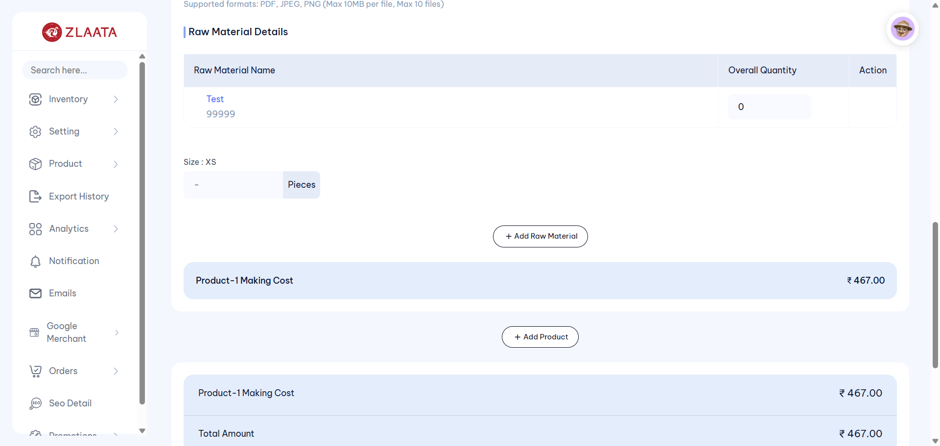
TC_UI_Zlaata_MO_01 | TC_UI_Zlaata_MO_01 |Verify that a newly created Manufacture Order is displayed on the Manufacture Order Listing page| "TD_UI_Zlaata_MO_01" | 96.051 | Abdul | Fail | N/A |  |  | 0 | 0 | 0 | 0 | 0 | 0
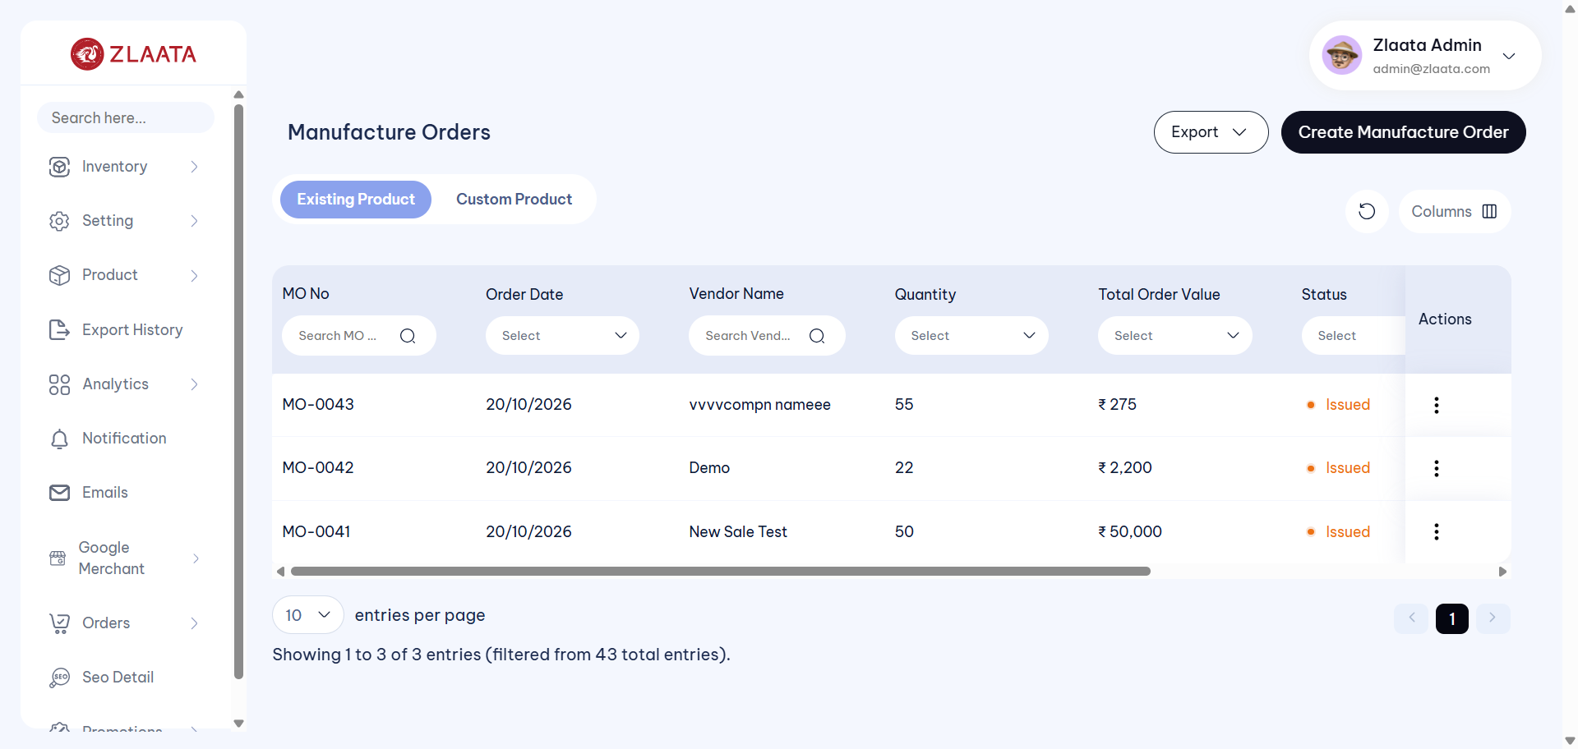
TC_UI_Zlaata_MO_01 | TC_UI_Zlaata_MO_01 |Verify that a newly created Manufacture Order is displayed on the Manufacture Order Listing page| "TD_UI_Zlaata_MO_01" | 108.858 | Abdul | Fail | N/A |  |  | 0 | 0 | 0 | 0 | 0 | 0
TC_UI_Zlaata_MO_01 | TC_UI_Zlaata_MO_01 |Verify that a newly created Manufacture Order is displayed on the Manufacture Order Listing page| "TD_UI_Zlaata_MO_01" | 146.034 | Abdul | Pass | N/A |  |  | 0 | 0 | 0 | 0 | 0 | 0
TC_UI_Zlaata_MO_01 | TC_UI_Zlaata_MO_01 |Verify that a newly created Manufacture Order is displayed on the Manufacture Order Listing page| "TD_UI_Zlaata_MO_01" | 118.623 | Abdul | Pass | N/A |  |  | 0 | 0 | 0 | 0 | 0 | 0
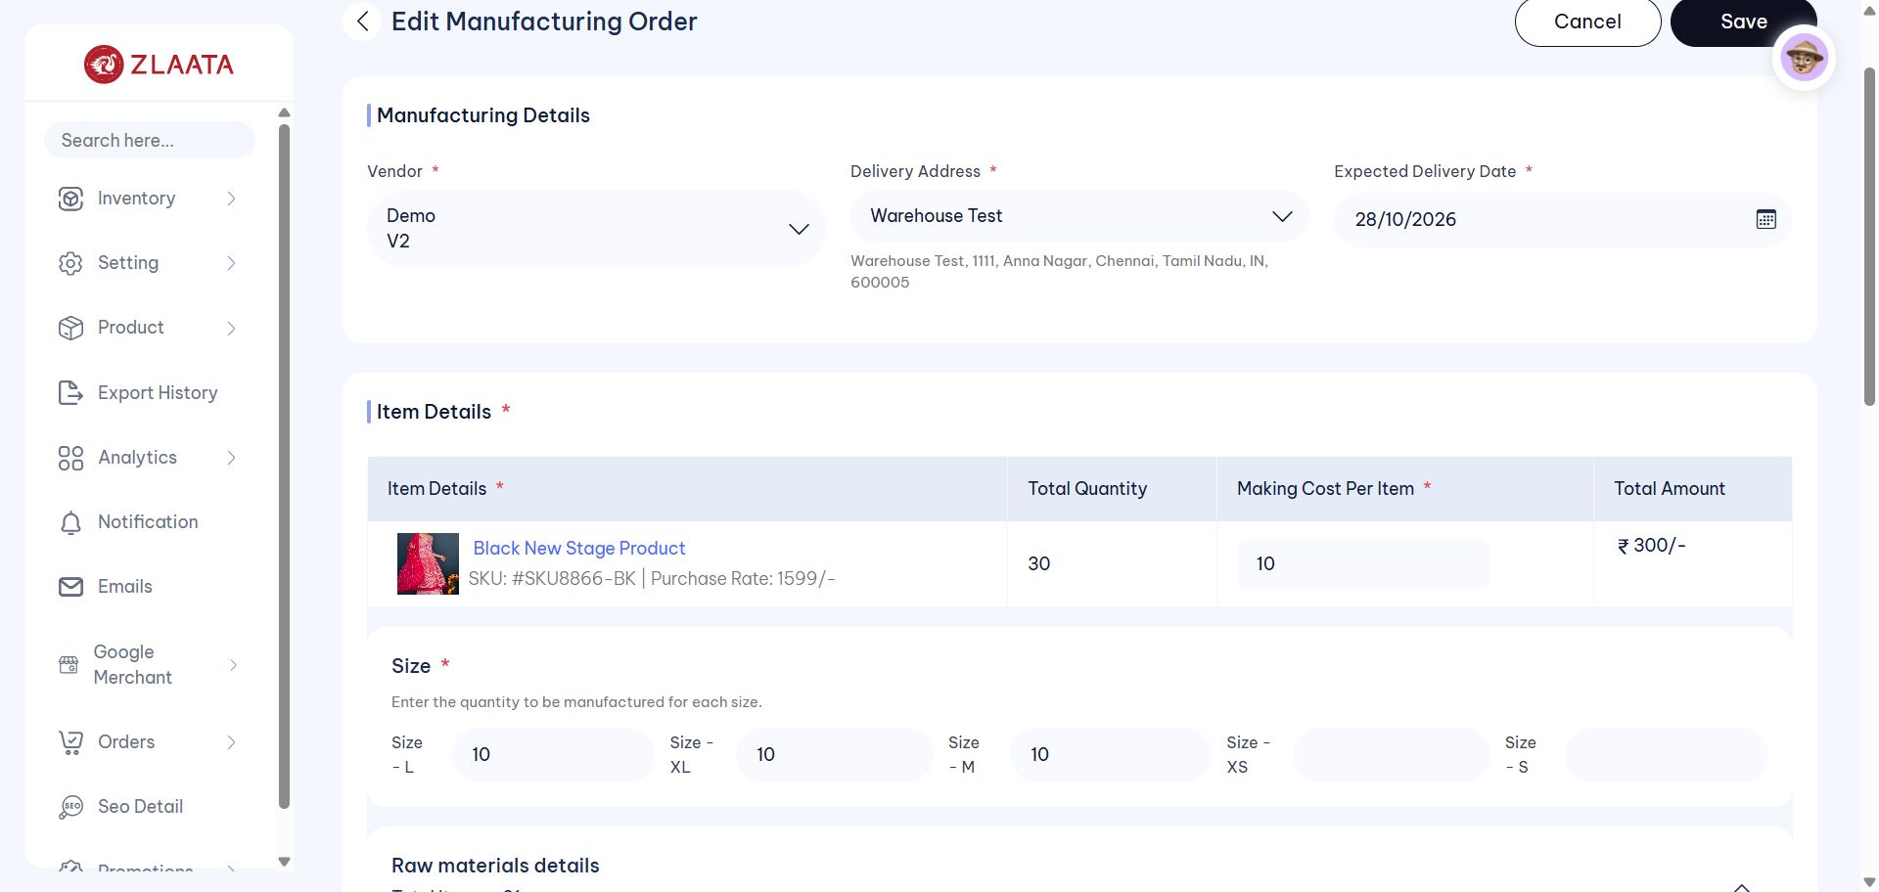
TC_UI_Zlaata_MO_02 | TC_UI_Zlaata_MO_02 |Verify that the user is able to edit the Manufacture Order and the edited Manufacture Order details are reflected correctly| "TD_UI_Zlaata_MO_02" | 134.253 | Abdul | Fail | N/A |  |  | 0 | 0 | 0 | 0 | 0 | 0
TC_UI_Zlaata_MO_03 | TC_UI_Zlaata_MO_03 |Verify that when a product is saved as Draft, the status is displayed as Draft and the Draft product can be deleted| "TD_UI_Zlaata_MO_03" | 83.968 | Abdul | Pass | N/A |  |  | 0 | 0 | 0 | 0 | 0 | 0
TC_UI_Zlaata_MO_04 | TC_UI_Zlaata_MO_04 |Verify that the "Cancel Items" option is available and that the order status changes to "Cancelled" after cancelling the items| "TD_UI_Zlaata_MO_04" | 156.061 | Abdul | Pass | N/A |  |  | 0 | 0 | 0 | 0 | 0 | 0
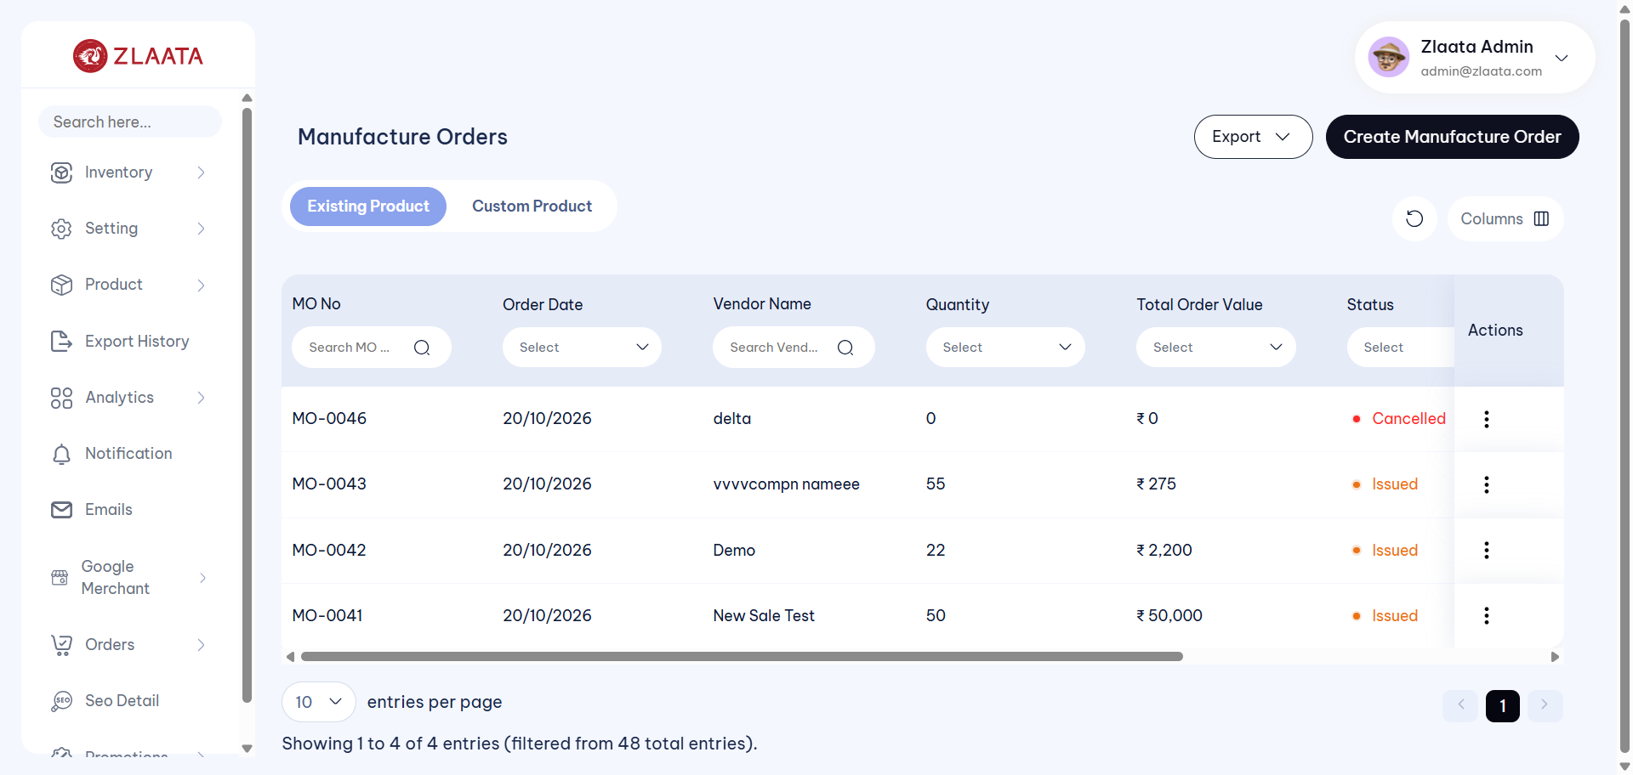
TC_UI_Zlaata_MO_05 | TC_UI_Zlaata_MO_05 |Verify that when an Open Manufacture Order is marked as Issued, the status is changed to Issued on both the Listing page and Detail page| "TD_UI_Zlaata_MO_05" | 163.968 | Abdul | Fail | N/A |  |  | 0 | 0 | 0 | 0 | 0 | 0
TC_UI_Zlaata_MO_06 | TC_UI_Zlaata_MO_06 |Verify that when the user tries to save a Manufacture Order without entering the mandatory details, the mandatory field validation messages are displayed| "TD_UI_Zlaata_MO_06" | 42.84 | Abdul | Pass | N/A |  |  | 0 | 0 | 0 | 0 | 0 | 0
TC_UI_Zlaata_MO_07 | TC_UI_Zlaata_MO_07 |Verify that multiple products and raw materials can be added while creating a new Manufacture Order| "TD_UI_Zlaata_MO_07" | 176.204 | Abdul | Pass | N/A |  |  | 0 | 0 | 0 | 0 | 0 | 0
TC_UI_Zlaata_MO_08 | TC_UI_Zlaata_MO_08 |Verify that the Manufacture Order export functionality works correctly and the corresponding columns are exported accurately in the Excel file| "TD_UI_Zlaata_MO_08" | 78.787 | Abdul | Pass | N/A |  |  | 0 | 0 | 0 | 0 | 0 | 0
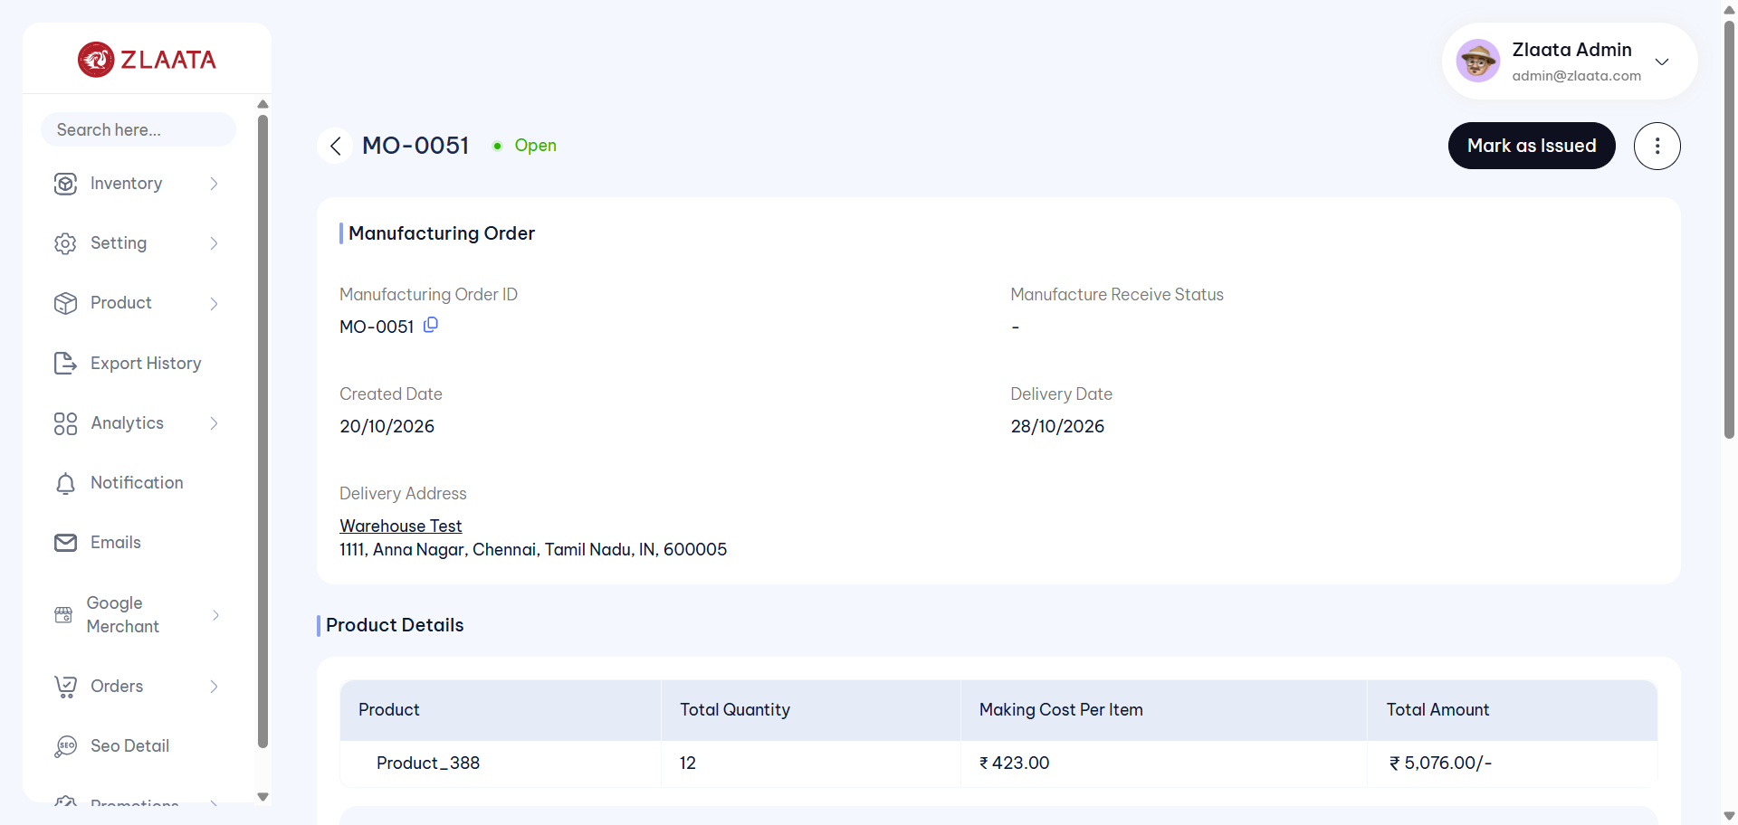
TC_UI_Zlaata_MO_05 | TC_UI_Zlaata_MO_05 |Verify that when an Open Manufacture Order is marked as Issued, the status is changed to Issued on both the Listing page and Detail page| "TD_UI_Zlaata_MO_05" | 158.028 | Abdul | Fail | N/A |  |  | 0 | 0 | 0 | 0 | 0 | 0
TC_UI_Zlaata_MO_05 | TC_UI_Zlaata_MO_05 |Verify that when an Open Manufacture Order is marked as Issued, the status is changed to Issued on both the Listing page and Detail page| "TD_UI_Zlaata_MO_05" | 123.895 | Abdul | Pass | N/A |  |  | 0 | 0 | 0 | 0 | 0 | 0
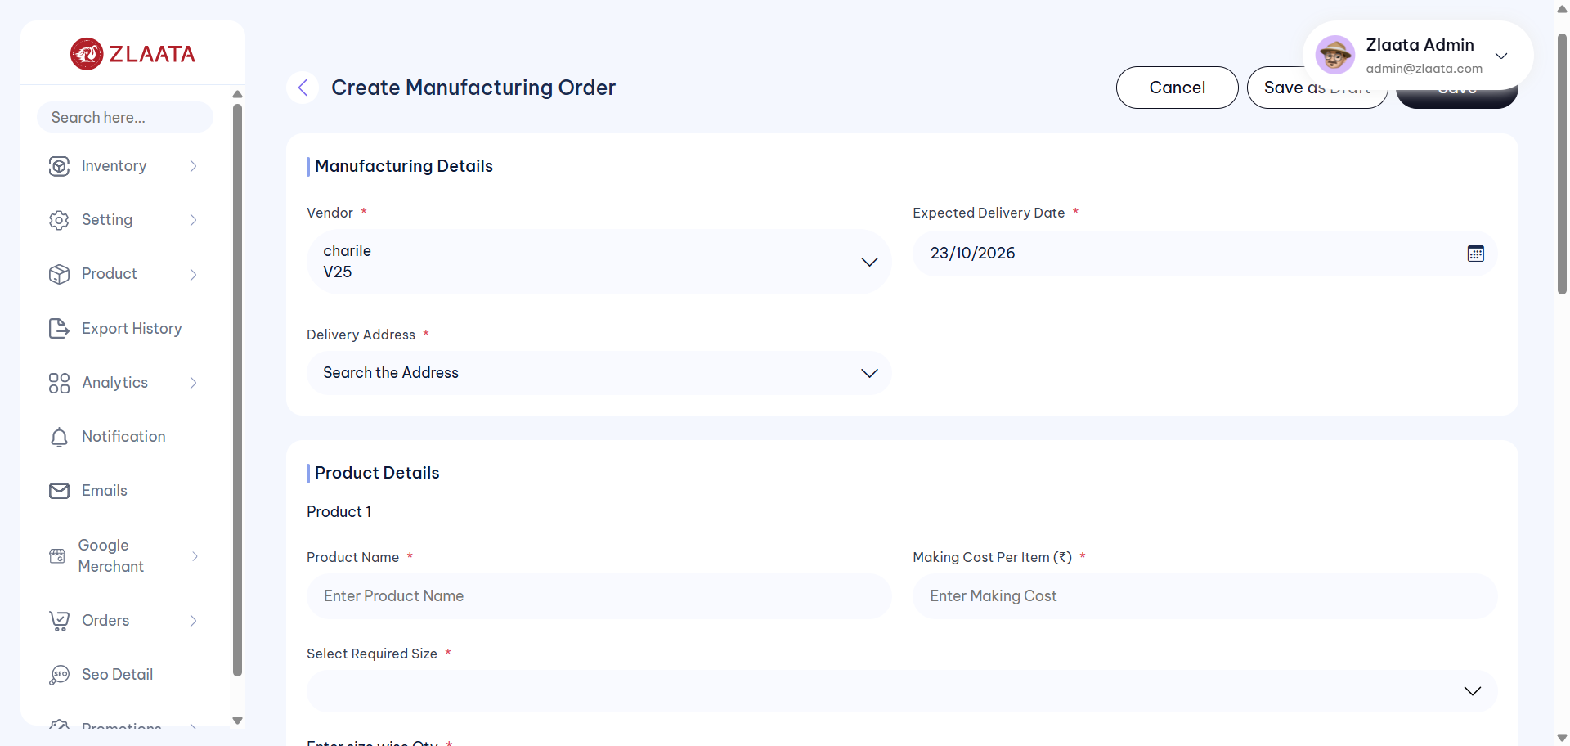
TC_UI_Zlaata_MO_01 | TC_UI_Zlaata_MO_01 |Verify that a newly created Manufacture Order is displayed on the Manufacture Order Listing page| "TD_UI_Zlaata_MO_01" | 76.208 | Abdul | Fail | N/A |  |  | 0 | 0 | 0 | 0 | 0 | 0
TC_UI_Zlaata_MO_01 | TC_UI_Zlaata_MO_01 |Verify that a newly created Manufacture Order is displayed on the Manufacture Order Listing page| "TD_UI_Zlaata_MO_01" | 144.253 | Abdul | Pass | N/A |  |  | 0 | 0 | 0 | 0 | 0 | 0
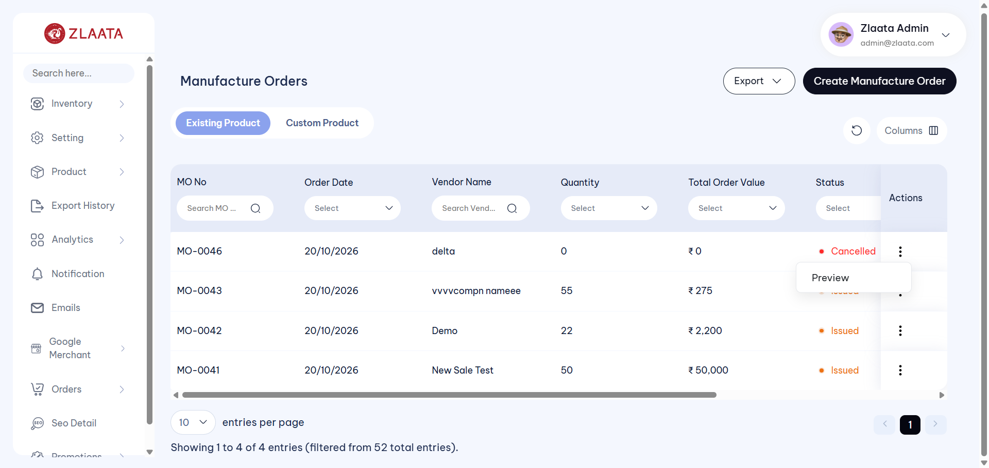
TC_UI_Zlaata_MO_02 | TC_UI_Zlaata_MO_02 |Verify that the user is able to edit the Manufacture Order and the edited Manufacture Order details are reflected correctly| "TD_UI_Zlaata_MO_02" | 91.293 | Abdul | Fail | N/A |  |  | 0 | 0 | 0 | 0 | 0 | 0
TC_UI_Zlaata_MO_02 | TC_UI_Zlaata_MO_02 |Verify that the user is able to edit the Manufacture Order and the edited Manufacture Order details are reflected correctly| "TD_UI_Zlaata_MO_02" | 135.078 | Abdul | Pass | N/A |  |  | 0 | 0 | 0 | 0 | 0 | 0
TC_UI_Zlaata_MO_01 | TC_UI_Zlaata_MO_01 |Verify that a newly created Manufacture Order is displayed on the Manufacture Order Listing page| "TD_UI_Zlaata_MO_01" | 120.126 | Abdul | Pass | N/A |  |  | 0 | 0 | 0 | 0 | 0 | 0
TC_UI_Zlaata_MO_02 | TC_UI_Zlaata_MO_02 |Verify that the user is able to edit the Manufacture Order and the edited Manufacture Order details are reflected correctly| "TD_UI_Zlaata_MO_02" | 156.657 | Abdul | Pass | N/A |  |  | 0 | 0 | 0 | 0 | 0 | 0
TC_UI_Zlaata_MO_03 | TC_UI_Zlaata_MO_03 |Verify that when a product is saved as Draft, the status is displayed as Draft and the Draft product can be deleted| "TD_UI_Zlaata_MO_03" | 83.096 | Abdul | Pass | N/A |  |  | 0 | 0 | 0 | 0 | 0 | 0
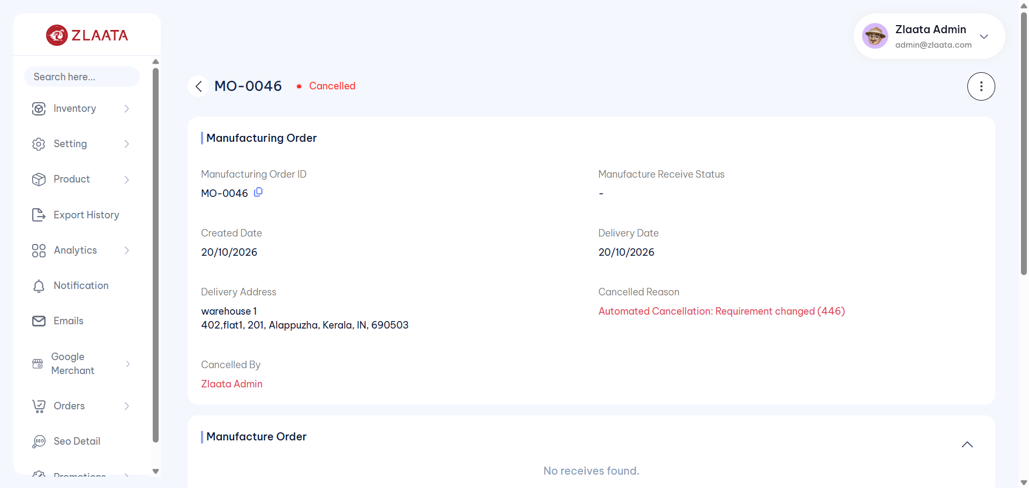
TC_UI_Zlaata_MO_04 | TC_UI_Zlaata_MO_04 |Verify that the "Cancel Items" option is available and that the order status changes to "Cancelled" after cancelling the items| "TD_UI_Zlaata_MO_04" | 172.918 | Abdul | Fail | N/A |  |  | 0 | 0 | 0 | 0 | 0 | 0
TC_UI_Zlaata_MO_05 | TC_UI_Zlaata_MO_05 |Verify that when an Open Manufacture Order is marked as Issued, the status is changed to Issued on both the Listing page and Detail page| "TD_UI_Zlaata_MO_05" | 170.226 | Abdul | Pass | N/A |  |  | 0 | 0 | 0 | 0 | 0 | 0
TC_UI_Zlaata_MO_06 | TC_UI_Zlaata_MO_06 |Verify that when the user tries to save a Manufacture Order without entering the mandatory details, the mandatory field validation messages are displayed| "TD_UI_Zlaata_MO_06" | 61.034 | Abdul | Pass | N/A |  |  | 0 | 0 | 0 | 0 | 0 | 0
TC_UI_Zlaata_MO_07 | TC_UI_Zlaata_MO_07 |Verify that multiple products and raw materials can be added while creating a new Manufacture Order| "TD_UI_Zlaata_MO_07" | 170.456 | Abdul | Pass | N/A |  |  | 0 | 0 | 0 | 0 | 0 | 0
TC_UI_Zlaata_MO_08 | TC_UI_Zlaata_MO_08 |Verify that the Manufacture Order export functionality works correctly and the corresponding columns are exported accurately in the Excel file| "TD_UI_Zlaata_MO_08" | 94.804 | Abdul | Pass | N/A |  |  | 0 | 0 | 0 | 0 | 0 | 0
TC_UI_Zlaata_MO_04 | TC_UI_Zlaata_MO_04 |Verify that the "Cancel Items" option is available and that the order status changes to "Cancelled" after cancelling the items| "TD_UI_Zlaata_MO_04" | 139.917 | Abdul | Pass | N/A |  |  | 0 | 0 | 0 | 0 | 0 | 0
TC_UI_Zlaata_MO_01 | TC_UI_Zlaata_MO_01 |Verify that a newly created Manufacture Order is displayed on the Manufacture Order Listing page| "TD_UI_Zlaata_MO_01" | 163.15 | Abdul | Pass | N/A |  |  | 0 | 0 | 0 | 0 | 0 | 0
TC_UI_Zlaata_MO_02 | TC_UI_Zlaata_MO_02 |Verify that the user is able to edit the Manufacture Order and the edited Manufacture Order details are reflected correctly| "TD_UI_Zlaata_MO_02" | 150.267 | Abdul | Pass | N/A |  |  | 0 | 0 | 0 | 0 | 0 | 0
TC_UI_Zlaata_MO_03 | TC_UI_Zlaata_MO_03 |Verify that when a product is saved as Draft, the status is displayed as Draft and the Draft product can be deleted| "TD_UI_Zlaata_MO_03" | 75.73 | Abdul | Pass | N/A |  |  | 0 | 0 | 0 | 0 | 0 | 0
TC_UI_Zlaata_MO_04 | TC_UI_Zlaata_MO_04 |Verify that the "Cancel Items" option is available and that the order status changes to "Cancelled" after cancelling the items| "TD_UI_Zlaata_MO_04" | 153.95 | Abdul | Pass | N/A |  |  | 0 | 0 | 0 | 0 | 0 | 0
TC_UI_Zlaata_MO_05 | TC_UI_Zlaata_MO_05 |Verify that when an Open Manufacture Order is marked as Issued, the status is changed to Issued on both the Listing page and Detail page| "TD_UI_Zlaata_MO_05" | 123.166 | Abdul | Pass | N/A |  |  | 0 | 0 | 0 | 0 | 0 | 0
TC_UI_Zlaata_MO_06 | TC_UI_Zlaata_MO_06 |Verify that when the user tries to save a Manufacture Order without entering the mandatory details, the mandatory field validation messages are displayed| "TD_UI_Zlaata_MO_06" | 42.767 | Abdul | Pass | N/A |  |  | 0 | 0 | 0 | 0 | 0 | 0
TC_UI_Zlaata_MO_07 | TC_UI_Zlaata_MO_07 |Verify that multiple products and raw materials can be added while creating a new Manufacture Order| "TD_UI_Zlaata_MO_07" | 162.54 | Abdul | Pass | N/A |  |  | 0 | 0 | 0 | 0 | 0 | 0
TC_UI_Zlaata_MO_08 | TC_UI_Zlaata_MO_08 |Verify that the Manufacture Order export functionality works correctly and the corresponding columns are exported accurately in the Excel file| "TD_UI_Zlaata_MO_08" | 106.178 | Abdul | Pass | N/A |  |  | 0 | 0 | 0 | 0 | 0 | 0

2026-10-22
SERVER: QA
FEATURES RUNNED: 1
FEATURE FILES: Products
TOTAL TEST CASE EXECUTED : 7
TOTAL PASSED : 6
TOTAL FAILED : 1
TOTAL TIME EXECUTED : 1507 sec | TestCase Name | Duration (s) | Executed By | Status | Error Message | Product Details | Screenshot
TC_UI_Zlaata_MO_01 | TC_UI_Zlaata_MO_01 |Verify that a newly created Manufacture Order is displayed on the Manufacture Order Listing page| "TD_UI_Zlaata_MO_01" | 147.886 | Abdul | Pass | N/A |  |  | 0 | 0 | 0 | 0 | 0 | 0
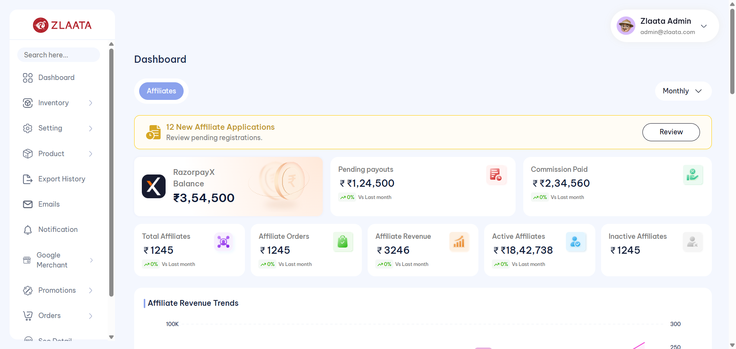
TC_UI_Zlaata_MO_02 | TC_UI_Zlaata_MO_02 |Verify that the user is able to edit the Manufacture Order and the edited Manufacture Order details are reflected correctly| "TD_UI_Zlaata_MO_02" | 46.441 | Abdul | Fail | N/A |  |  | 0 | 0 | 0 | 0 | 0 | 0
TC_UI_Zlaata_MO_03 | TC_UI_Zlaata_MO_03 |Verify that when a product is saved as Draft, the status is displayed as Draft and the Draft product can be deleted| "TD_UI_Zlaata_MO_03" | 95.282 | Abdul | Pass | N/A |  |  | 0 | 0 | 0 | 0 | 0 | 0
TC_UI_Zlaata_MO_04 | TC_UI_Zlaata_MO_04 |Verify that the "Cancel Items" option is available and that the order status changes to "Cancelled" after cancelling the items| "TD_UI_Zlaata_MO_04" | 190.063 | Abdul | Pass | N/A |  |  | 0 | 0 | 0 | 0 | 0 | 0
TC_UI_Zlaata_MO_05 | TC_UI_Zlaata_MO_05 |Verify that when an Open Manufacture Order is marked as Issued, the status is changed to Issued on both the Listing page and Detail page| "TD_UI_Zlaata_MO_05" | 162.06 | Abdul | Pass | N/A |  |  | 0 | 0 | 0 | 0 | 0 | 0
TC_UI_Zlaata_MO_06 | TC_UI_Zlaata_MO_06 |Verify that when the user tries to save a Manufacture Order without entering the mandatory details, the mandatory field validation messages are displayed| "TD_UI_Zlaata_MO_06" | 51.263 | Abdul | Pass | N/A |  |  | 0 | 0 | 0 | 0 | 0 | 0
TC_UI_Zlaata_MO_07 | TC_UI_Zlaata_MO_07 |Verify that multiple products and raw materials can be added while creating a new Manufacture Order| "TD_UI_Zlaata_MO_07" | 166.837 | Abdul | Pass | N/A |  |  | 0 | 0 | 0 | 0 | 0 | 0
TC_UI_Zlaata_MO_08 | TC_UI_Zlaata_MO_08 |Verify that the Manufacture Order export functionality works correctly and the corresponding columns are exported accurately in the Excel file| "TD_UI_Zlaata_MO_08" | 104.785 | Abdul | Pass | N/A |  |  | 0 | 0 | 0 | 0 | 0 | 0
TC_UI_Zlaata_PM_01 | TC_UI_Zlaata_PM_01 |Verify that admin can create a product with valid details and credentials and it is reflected correctly on the Product Listing page| "TD_UI_Zlaata_PM_01" | 393.982 | Abdul | Pass | N/A |  |  | 0 | 0 | 0 | 0 | 0 | 0
TC_UI_Zlaata_PM_02 | TC_UI_Zlaata_PM_02 |Verify that admin can edit an existing product with all the details and the updated product details are displayed correctly on the Listing and Preview pages| "TD_UI_Zlaata_PM_02" | 272.455 | Abdul | Pass | N/A |  |  | 0 | 0 | 0 | 0 | 0 | 0
TC_UI_Zlaata_PM_03 | TC_UI_Zlaata_PM_03 |Verify that adjusting product stock from Preview page reflects the correct stock status and details across the application| "TD_UI_Zlaata_PM_03" | 87.873 | Abdul | Pass | N/A |  |  | 0 | 0 | 0 | 0 | 0 | 0
TC_UI_Zlaata_PM_04 | TC_UI_Zlaata_PM_04 |Verify that adding product stock from Preview page reflects the correct stock status and details across the application| "TD_UI_Zlaata_PM_04" | 81.232 | Abdul | Pass | N/A |  |  | 0 | 0 | 0 | 0 | 0 | 0
TC_UI_Zlaata_PM_05 | TC_UI_Zlaata_PM_05 |Verify mandatory field validation when admin saves the Product without entering required details| "TD_UI_Zlaata_PM_05" | 202.678 | Abdul | Pass | N/A |  |  | 0 | 0 | 0 | 0 | 0 | 0
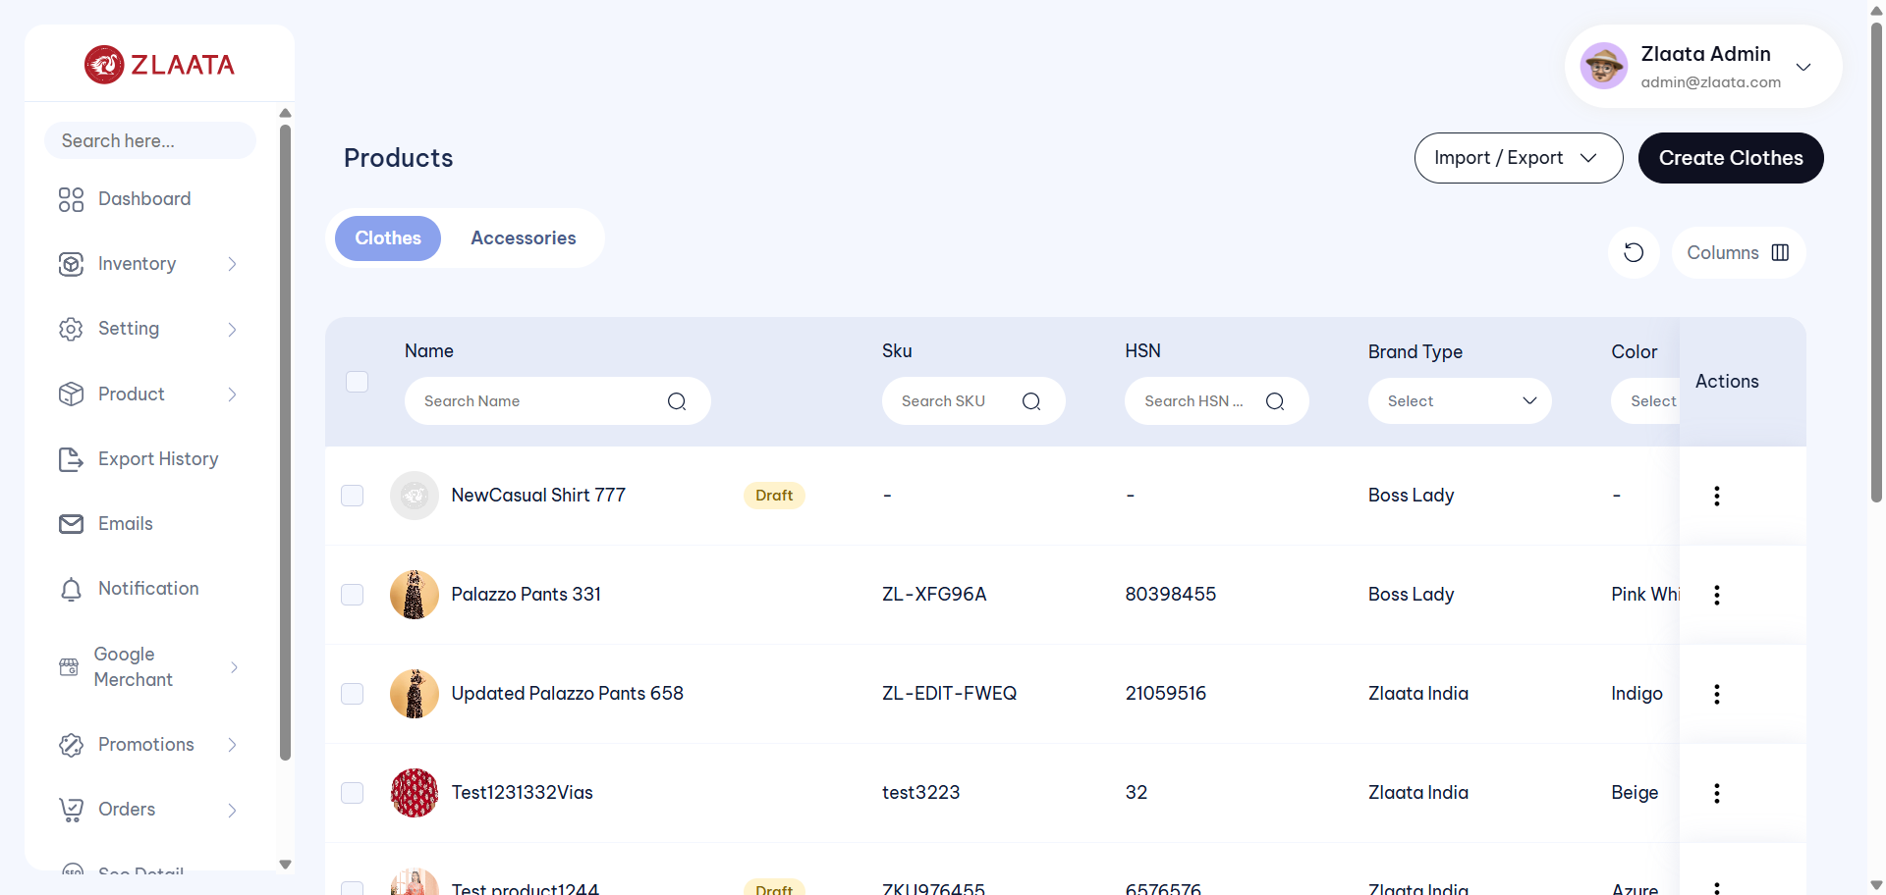
TC_UI_Zlaata_PM_06 | TC_UI_Zlaata_PM_06 |Verify that a partially created Product is displayed as Draft with inactive status on the Product Listing page| "TD_UI_Zlaata_PM_06" | 73.412 | Abdul | Fail | N/A |  |  | 0 | 0 | 0 | 0 | 0 | 0
TC_UI_Zlaata_PM_07 | TC_UI_Zlaata_PM_07 |Verify that admin can add multiple product variants with details through the Inventory Setup module and verify them on the Preview page| "TD_UI_Zlaata_PM_07" | 396.042 | Abdul | Pass | N/A |  |  | 0 | 0 | 0 | 0 | 0 | 0

2026-10-26
SERVER: QA
FEATURES RUNNED: 1
FEATURE FILES: Products
TOTAL TEST CASE EXECUTED : 1
TOTAL PASSED : 1
TOTAL FAILED : 0
TOTAL TIME EXECUTED : 263 sec | TestCase Name | Duration (s) | Executed By | Status | Error Message | Product Details | Screenshot
TC_UI_Zlaata_AM_01 | TC_UI_Zlaata_AM_01 |Verify that admin can create an accessory with valid details and it is reflected correctly on the Accessories Listing page| "TD_UI_Zlaata_AM_01" | 321.492 | Abdul | Pass | N/A |  |  | 0 | 0 | 0 | 0 | 0 | 0
TC_UI_Zlaata_AM_02 | TC_UI_Zlaata_AM_02 |Verify that admin can edit an existing accessory and the updated details are reflected correctly on the Accessories Listing page| "TD_UI_Zlaata_AM_02" | 40.541 | Abdul | Pass | N/A |  |  | 0 | 0 | 0 | 0 | 0 | 0
TC_UI_Zlaata_AM_01 | TC_UI_Zlaata_AM_01 |Verify that admin can create an accessory with valid details and it is reflected correctly on the Accessories Listing page| "TD_UI_Zlaata_AM_01" | 182.564 | Abdul | Pass | N/A |  |  | 0 | 0 | 0 | 0 | 0 | 0
TC_UI_Zlaata_AM_02 | TC_UI_Zlaata_AM_02 |Verify that admin can edit an existing accessory and the updated details are reflected correctly on the Accessories Listing page| "TD_UI_Zlaata_AM_02" | 154.613 | Abdul | Pass | N/A |  |  | 0 | 0 | 0 | 0 | 0 | 0
TC_UI_Zlaata_AM_02 | TC_UI_Zlaata_AM_02 |Verify that admin can edit an existing accessory and the updated details are reflected correctly on the Accessories Listing page| "TD_UI_Zlaata_AM_02" | 197.002 | Abdul | Pass | N/A |  |  | 0 | 0 | 0 | 0 | 0 | 0
TC_UI_Zlaata_AM_03 | TC_UI_Zlaata_AM_03 |Verify that adjusting accessory stock from Preview page reflects the correct stock status and details across the application| "TD_UI_Zlaata_AM_03" | 77.415 | Abdul | Pass | N/A |  |  | 0 | 0 | 0 | 0 | 0 | 0

TC_UI_Zlaata_AM_03 | TC_UI_Zlaata_AM_03 |Verify that adjusting accessory stock from Preview page reflects the correct stock status and details across the application| "TD_UI_Zlaata_AM_03" | 144.18 | Abdul | Fail | N/A |  |  | 0 | 0 | 0 | 0 | 0 | 0
TC_UI_Zlaata_AM_03 | TC_UI_Zlaata_AM_03 |Verify that adjusting accessory stock from Preview page reflects the correct stock status and details across the application| "TD_UI_Zlaata_AM_03" | 79.628 | Abdul | Pass | N/A |  |  | 0 | 0 | 0 | 0 | 0 | 0
TC_UI_Zlaata_AM_04 | TC_UI_Zlaata_AM_04 |Verify that adding accessory stock from Preview page reflects the correct stock status and details across the application| "TD_UI_Zlaata_AM_04" | 108.117 | Abdul | Pass | N/A |  |  | 0 | 0 | 0 | 0 | 0 | 0
TC_UI_Zlaata_AM_05 | TC_UI_Zlaata_AM_05 |Verify mandatory field validation when admin saves the accessory without entering required details| "TD_UI_Zlaata_AM_05" | 322.017 | Abdul | Pass | N/A |  |  | 0 | 0 | 0 | 0 | 0 | 0

TC_UI_Zlaata_AM_06 | TC_UI_Zlaata_AM_06 |Verify that a partially created accessory is displayed as Draft with inactive status on the Accessories Listing page| "TD_UI_Zlaata_AM_06" | 191.042 | Abdul | Fail | N/A |  |  | 0 | 0 | 0 | 0 | 0 | 0

TC_UI_Zlaata_AM_06 | TC_UI_Zlaata_AM_06 |Verify that a partially created accessory is displayed as Draft with inactive status on the Accessories Listing page| "TD_UI_Zlaata_AM_06" | 204.212 | Abdul | Fail | N/A |  |  | 0 | 0 | 0 | 0 | 0 | 0

TC_UI_Zlaata_AM_06 | TC_UI_Zlaata_AM_06 |Verify that a partially created accessory is displayed as Draft with inactive status on the Accessories Listing page| "TD_UI_Zlaata_AM_06" | 224.281 | Abdul | Fail | N/A |  |  | 0 | 0 | 0 | 0 | 0 | 0

TC_UI_Zlaata_PM_06 | TC_UI_Zlaata_PM_06 |Verify that a partially created Product is displayed as Draft with inactive status on the Product Listing page| "TD_UI_Zlaata_PM_06" | 268.23 | Abdul | Fail | N/A |  |  | 0 | 0 | 0 | 0 | 0 | 0
TC_UI_Zlaata_PM_06 | TC_UI_Zlaata_PM_06 |Verify that a partially created Product is displayed as Draft with inactive status on the Product Listing page| "TD_UI_Zlaata_PM_06" | 160.893 | Abdul | Pass | N/A |  |  | 0 | 0 | 0 | 0 | 0 | 0

TC_UI_Zlaata_AM_06 | TC_UI_Zlaata_AM_06 |Verify that a partially created accessory is displayed as Draft with inactive status on the Accessories Listing page| "TD_UI_Zlaata_AM_06" | 261.52 | Abdul | Fail | N/A |  |  | 0 | 0 | 0 | 0 | 0 | 0

TC_UI_Zlaata_AM_06 | TC_UI_Zlaata_AM_06 |Verify that a partially created accessory is displayed as Draft with inactive status on the Accessories Listing page| "TD_UI_Zlaata_AM_06" | 180.091 | Abdul | Fail | N/A |  |  | 0 | 0 | 0 | 0 | 0 | 0
TC_UI_Zlaata_AM_06 | TC_UI_Zlaata_AM_06 |Verify that a partially created accessory is displayed as Draft with inactive status on the Accessories Listing page| "TD_UI_Zlaata_AM_06" | 256.107 | Abdul | Fail | N/A |  |  | 0 | 0 | 0 | 0 | 0 | 0
TC_UI_Zlaata_AM_06 | TC_UI_Zlaata_AM_06 |Verify that a partially created accessory is displayed as Draft with inactive status on the Accessories Listing page| "TD_UI_Zlaata_AM_06" | 263.895 | Abdul | Pass | N/A |  |  | 0 | 0 | 0 | 0 | 0 | 0

2026-10-27
SERVER: QA
FEATURES RUNNED: 1
FEATURE FILES: Products
TOTAL TEST CASE EXECUTED : 7
TOTAL PASSED : 7
TOTAL FAILED : 0
TOTAL TIME EXECUTED : 1279 sec | TestCase Name | Duration (s) | Executed By | Status | Error Message | Product Details | Screenshot
TC_UI_Zlaata_AM_06 | TC_UI_Zlaata_AM_06 |Verify that a partially created accessory is displayed as Draft with inactive status on the Accessories Listing page| "TD_UI_Zlaata_AM_06" | 121.626 | Abdul | Pass | N/A |  |  | 0 | 0 | 0 | 0 | 0 | 0
TC_UI_Zlaata_AM_01 | TC_UI_Zlaata_AM_01 |Verify that admin can create an accessory with valid details and it is reflected correctly on the Accessories Listing page| "TD_UI_Zlaata_AM_01" | 227.118 | Abdul | Pass | N/A |  |  | 0 | 0 | 0 | 0 | 0 | 0

TC_UI_Zlaata_AM_02 | TC_UI_Zlaata_AM_02 |Verify that admin can edit an existing accessory and the updated details are reflected correctly on the Accessories Listing page| "TD_UI_Zlaata_AM_02" | 210.911 | Abdul | Fail | N/A |  |  | 0 | 0 | 0 | 0 | 0 | 0
TC_UI_Zlaata_AM_03 | TC_UI_Zlaata_AM_03 |Verify that adjusting accessory stock from Preview page reflects the correct stock status and details across the application| "TD_UI_Zlaata_AM_03" | 72.807 | Abdul | Pass | N/A |  |  | 0 | 0 | 0 | 0 | 0 | 0
TC_UI_Zlaata_AM_04 | TC_UI_Zlaata_AM_04 |Verify that adding accessory stock from Preview page reflects the correct stock status and details across the application| "TD_UI_Zlaata_AM_04" | 70.171 | Abdul | Pass | N/A |  |  | 0 | 0 | 0 | 0 | 0 | 0
TC_UI_Zlaata_AM_05 | TC_UI_Zlaata_AM_05 |Verify mandatory field validation when admin saves the accessory without entering required details| "TD_UI_Zlaata_AM_05" | 152.096 | Abdul | Pass | N/A |  |  | 0 | 0 | 0 | 0 | 0 | 0
TC_UI_Zlaata_AM_06 | TC_UI_Zlaata_AM_06 |Verify that a partially created accessory is displayed as Draft with inactive status on the Accessories Listing page| "TD_UI_Zlaata_AM_06" | 110.395 | Abdul | Pass | N/A |  |  | 0 | 0 | 0 | 0 | 0 | 0
TC_UI_Zlaata_AM_01 | TC_UI_Zlaata_AM_01 |Verify that admin can create an accessory with valid details and it is reflected correctly on the Accessories Listing page| "TD_UI_Zlaata_AM_01" | 179.14 | Abdul | Pass | N/A |  |  | 0 | 0 | 0 | 0 | 0 | 0
TC_UI_Zlaata_AM_02 | TC_UI_Zlaata_AM_02 |Verify that admin can edit an existing accessory and the updated details are reflected correctly on the Accessories Listing page| "TD_UI_Zlaata_AM_02" | 264.817 | Abdul | Pass | N/A |  |  | 0 | 0 | 0 | 0 | 0 | 0
TC_UI_Zlaata_PM_01 | TC_UI_Zlaata_PM_01 |Verify that admin can create a product with valid details and credentials and it is reflected correctly on the Product Listing page| "TD_UI_Zlaata_PM_01" | 311.793 | Abdul | Pass | N/A |  |  | 0 | 0 | 0 | 0 | 0 | 0
TC_UI_Zlaata_PM_02 | TC_UI_Zlaata_PM_02 |Verify that admin can edit an existing product with all the details and the updated product details are displayed correctly on the Listing and Preview pages| "TD_UI_Zlaata_PM_02" | 262.945 | Abdul | Pass | N/A |  |  | 0 | 0 | 0 | 0 | 0 | 0
TC_UI_Zlaata_PM_03 | TC_UI_Zlaata_PM_03 |Verify that adjusting product stock from Preview page reflects the correct stock status and details across the application| "TD_UI_Zlaata_PM_03" | 85.088 | Abdul | Pass | N/A |  |  | 0 | 0 | 0 | 0 | 0 | 0
TC_UI_Zlaata_PM_04 | TC_UI_Zlaata_PM_04 |Verify that adding product stock from Preview page reflects the correct stock status and details across the application| "TD_UI_Zlaata_PM_04" | 86.313 | Abdul | Pass | N/A |  |  | 0 | 0 | 0 | 0 | 0 | 0
TC_UI_Zlaata_PM_05 | TC_UI_Zlaata_PM_05 |Verify mandatory field validation when admin saves the Product without entering required details| "TD_UI_Zlaata_PM_05" | 195.892 | Abdul | Pass | N/A |  |  | 0 | 0 | 0 | 0 | 0 | 0
TC_UI_Zlaata_PM_06 | TC_UI_Zlaata_PM_06 |Verify that a partially created Product is displayed as Draft with inactive status on the Product Listing page| "TD_UI_Zlaata_PM_06" | 40.778 | Abdul | Pass | N/A |  |  | 0 | 0 | 0 | 0 | 0 | 0
TC_UI_Zlaata_PM_07 | TC_UI_Zlaata_PM_07 |Verify that admin can add multiple product variants with details through the Inventory Setup module and verify them on the Preview page| "TD_UI_Zlaata_PM_07" | 296.723 | Abdul | Pass | N/A |  |  | 0 | 0 | 0 | 0 | 0 | 0

