2025-09-17
SERVER: QA
FEATURES RUNNED: 1
FEATURE FILES: bannerReflecting
TOTAL TEST CASE EXECUTED : 1
TOTAL PASSED : 1
TOTAL FAILED : 0
TOTAL TIME EXECUTED : 6 sec | TestCase Name | Duration (s) | Executed By | Status | Error Message | Product Details | Screenshot
TC_UI_Zlaata_ADM_07 | TC_UI_Zlaata_ADM_07 |Verify all uploaded Special Timer products appear in Admin and User App.| "TD_UI_Zlaata_ADM_07" | 114.229 | Sarojkumar | Pass | N/A |  |  | 0 | 0 | 0 | 0 | 0 | 0
TC_UI_Zlaata_ADM_07 | TC_UI_Zlaata_ADM_07 |Verify all uploaded Special Timer products appear in Admin and User App.| "TD_UI_Zlaata_ADM_07" | 117.995 | Sarojkumar | Pass | N/A |  |  | 0 | 0 | 0 | 0 | 0 | 0
TC_UI_Zlaata_ADM_07 | TC_UI_Zlaata_ADM_07 |Verify all uploaded Special Timer products appear in Admin and User App.| "TD_UI_Zlaata_ADM_07" | 109.984 | Sarojkumar | Pass | N/A |  |  | 0 | 0 | 0 | 0 | 0 | 0
TC_UI_Zlaata_ADM_07 | TC_UI_Zlaata_ADM_07 |Verify all uploaded Special Timer products appear in Admin and User App.| "TD_UI_Zlaata_ADM_07" | 112.854 | Sarojkumar | Pass | N/A |  |  | 0 | 0 | 0 | 0 | 0 | 0

TC_UI_Zlaata_ADM_09 | TC_UI_Zlaata_ADM_09 |Verify bulk uploaded Collection appear in Admin and User App.| "TD_UI_Zlaata_ADM_09" | 0.017 | Sarojkumar | Fail | N/A |  |  | 0 | 0 | 0 | 0 | 0 | 0
TC_UI_Zlaata_ADM_09 | TC_UI_Zlaata_ADM_09 |Verify bulk uploaded Collection appear in Admin and User App.| "TD_UI_Zlaata_ADM_09" | 0.02 | Sarojkumar | Fail | N/A |  |  | 0 | 0 | 0 | 0 | 0 | 0
TC_UI_Zlaata_ADM_09 | TC_UI_Zlaata_ADM_09 |Verify bulk uploaded Collection appear in Admin and User App.| "TD_UI_Zlaata_ADM_09" | 0.019 | Sarojkumar | Fail | N/A |  |  | 0 | 0 | 0 | 0 | 0 | 0
TC_UI_Zlaata_ADM_07 | TC_UI_Zlaata_ADM_07 |Verify all uploaded Special Timer products appear in Admin and User App.| "TD_UI_Zlaata_ADM_07" | 0.016 | Sarojkumar | Fail | N/A |  |  | 0 | 0 | 0 | 0 | 0 | 0
TC_UI_Zlaata_ADM_07 | TC_UI_Zlaata_ADM_07 |Verify all uploaded Special Timer products appear in Admin and User App.| "TD_UI_Zlaata_ADM_07" | 0.017 | Sarojkumar | Fail | N/A |  |  | 0 | 0 | 0 | 0 | 0 | 0
TC_UI_Zlaata_ADM_05 | TC_UI_Zlaata_ADM_05 |Verify bulk product upload and visibility.| "TD_UI_Zlaata_ADM_05" | 0.016 | Sarojkumar | Fail | N/A |  |  | 0 | 0 | 0 | 0 | 0 | 0
TC_UI_Zlaata_ADM_05 | TC_UI_Zlaata_ADM_05 |Verify bulk product upload and visibility.| "TD_UI_Zlaata_ADM_05" | 0.013 | Sarojkumar | Fail | N/A |  |  | 0 | 0 | 0 | 0 | 0 | 0
TC_UI_Zlaata_ADM_05 | TC_UI_Zlaata_ADM_05 |Verify bulk product upload and visibility.| "TD_UI_Zlaata_ADM_05" | 0.015 | Sarojkumar | Fail | N/A |  |  | 0 | 0 | 0 | 0 | 0 | 0
TC_UI_Zlaata_ADM_09 | TC_UI_Zlaata_ADM_09 |Verify bulk uploaded Collection appear in Admin and User App.| "TD_UI_Zlaata_ADM_09" | 0.975 | Sarojkumar | Pass | N/A |  |  | 0 | 0 | 0 | 0 | 0 | 0
TC_UI_Zlaata_ADM_09 | TC_UI_Zlaata_ADM_09 |Verify bulk uploaded Collection appear in Admin and User App.| "TD_UI_Zlaata_ADM_09" | 6.264 | Sarojkumar | Pass | N/A |  |  | 0 | 0 | 0 | 0 | 0 | 0

2025-09-18
SERVER: QA
FEATURES RUNNED: 1
FEATURE FILES: bannerReflecting
TOTAL TEST CASE EXECUTED : 0
TOTAL PASSED : 0
TOTAL FAILED : 0
TOTAL TIME EXECUTED : 0 sec | TestCase Name | Duration (s) | Executed By | Status | Error Message | Product Details | Screenshot
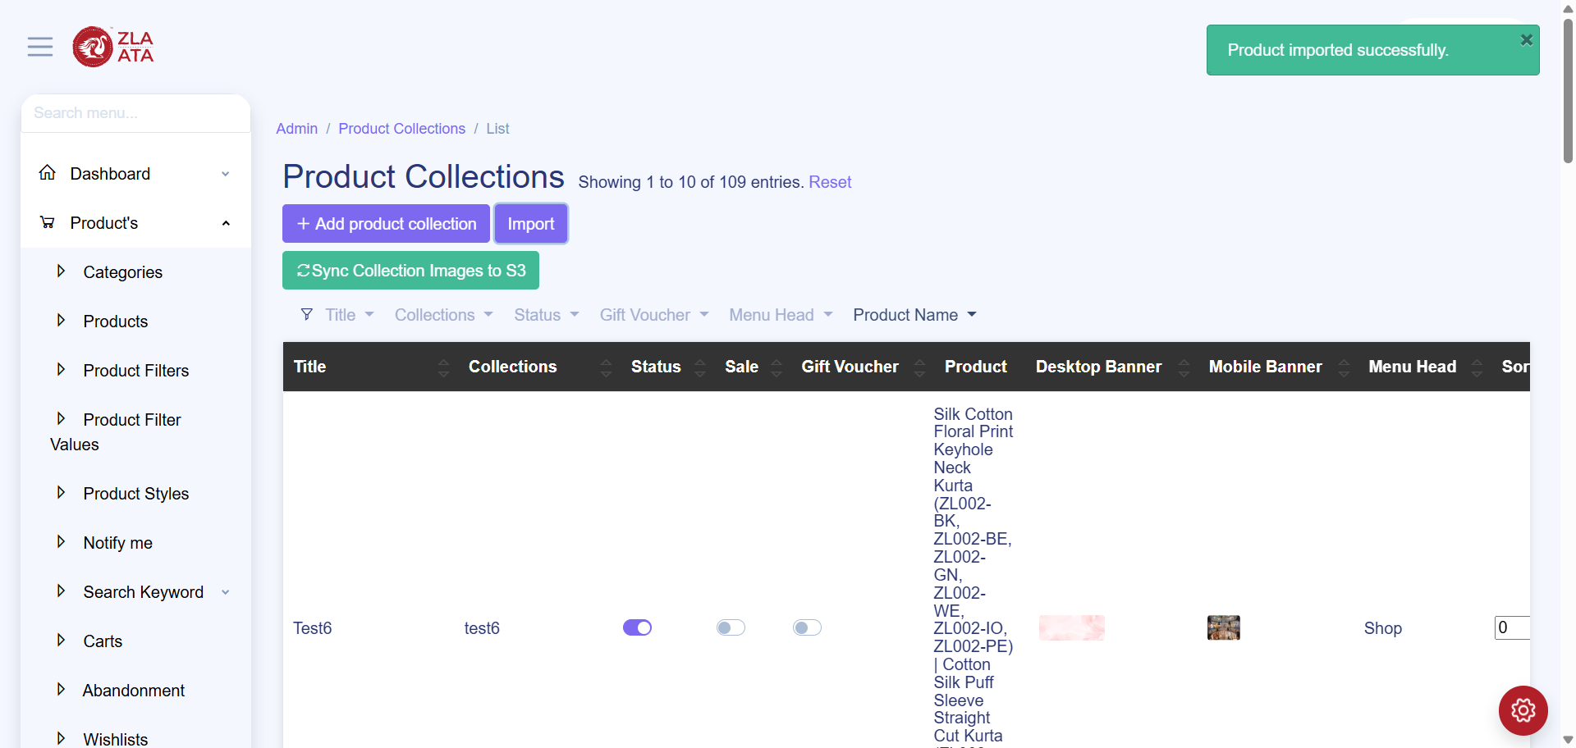
TC_UI_Zlaata_ADM_09 | TC_UI_Zlaata_ADM_09 |Verify bulk uploaded Collection appear in Admin and User App.| "TD_UI_Zlaata_ADM_09" | 18.102 | Sarojkumar | Fail | N/A |  |  | 0 | 0 | 0 | 0 | 0 | 0
TC_UI_Zlaata_ADM_09 | TC_UI_Zlaata_ADM_09 |Verify bulk uploaded Collection appear in Admin and User App.| "TD_UI_Zlaata_ADM_09" | 49.943 | Sarojkumar | Pass | N/A |  |  | 0 | 0 | 0 | 0 | 0 | 0
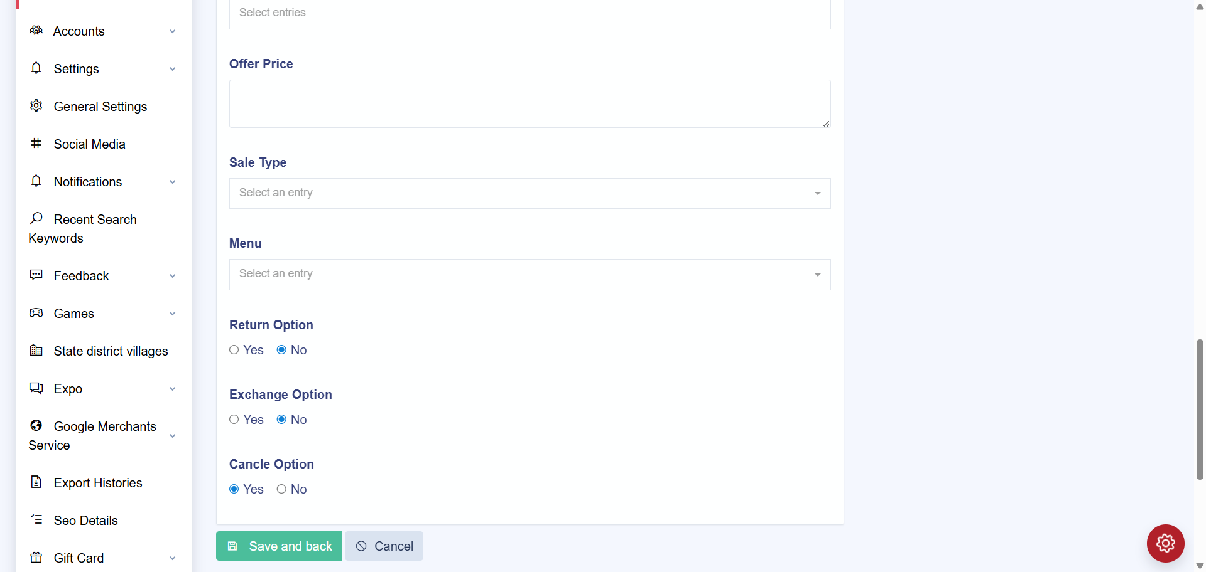
TC_UI_Zlaata_ADM_09 | TC_UI_Zlaata_ADM_09 |Verify bulk uploaded Collection appear in Admin and User App.| "TD_UI_Zlaata_ADM_09" | 90.632 | Sarojkumar | Fail | N/A |  |  | 0 | 0 | 0 | 0 | 0 | 0
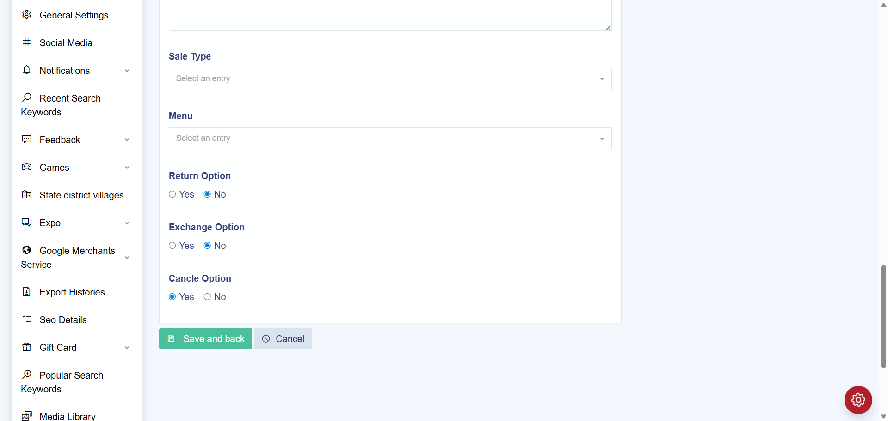
TC_UI_Zlaata_ADM_09 | TC_UI_Zlaata_ADM_09 |Verify bulk uploaded Collection appear in Admin and User App.| "TD_UI_Zlaata_ADM_09" | 80.797 | Sarojkumar | Fail | N/A |  |  | 0 | 0 | 0 | 0 | 0 | 0
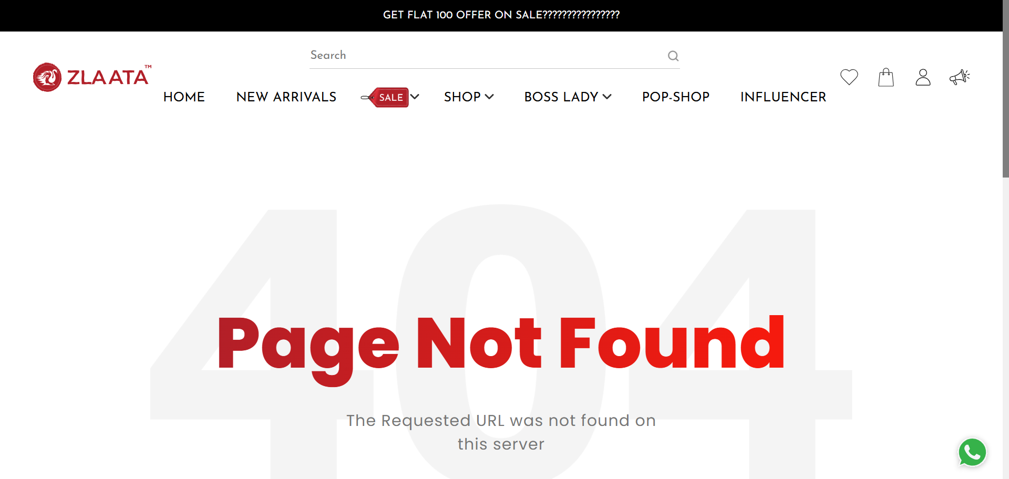
TC_UI_Zlaata_ADM_09 | TC_UI_Zlaata_ADM_09 |Verify bulk uploaded Collection appear in Admin and User App.| "TD_UI_Zlaata_ADM_09" | 77.774 | Sarojkumar | Fail | N/A |  |  | 0 | 0 | 0 | 0 | 0 | 0
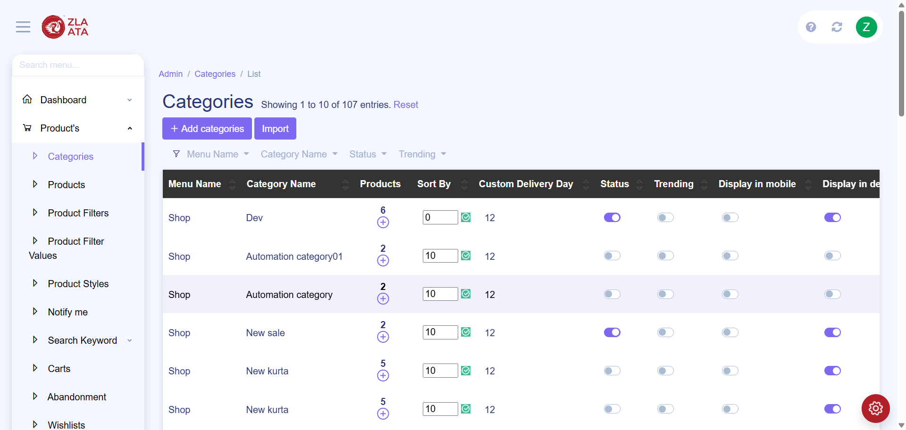
TC_UI_Zlaata_ADM_08 | TC_UI_Zlaata_ADM_08 |Verify uploaded categories appear in Admin and User App.| "TD_UI_Zlaata_ADM_08" | 9.579 | Sarojkumar | Fail | N/A |  |  | 0 | 0 | 0 | 0 | 0 | 0

TC_UI_Zlaata_ADM_08 | TC_UI_Zlaata_ADM_08 |Verify uploaded categories appear in Admin and User App.| "TD_UI_Zlaata_ADM_08" | 82.837 | Sarojkumar | Fail | N/A |  |  | 0 | 0 | 0 | 0 | 0 | 0

TC_UI_Zlaata_ADM_08 | TC_UI_Zlaata_ADM_08 |Verify uploaded categories appear in Admin and User App.| "TD_UI_Zlaata_ADM_08" | 78.085 | Sarojkumar | Fail | N/A |  |  | 0 | 0 | 0 | 0 | 0 | 0
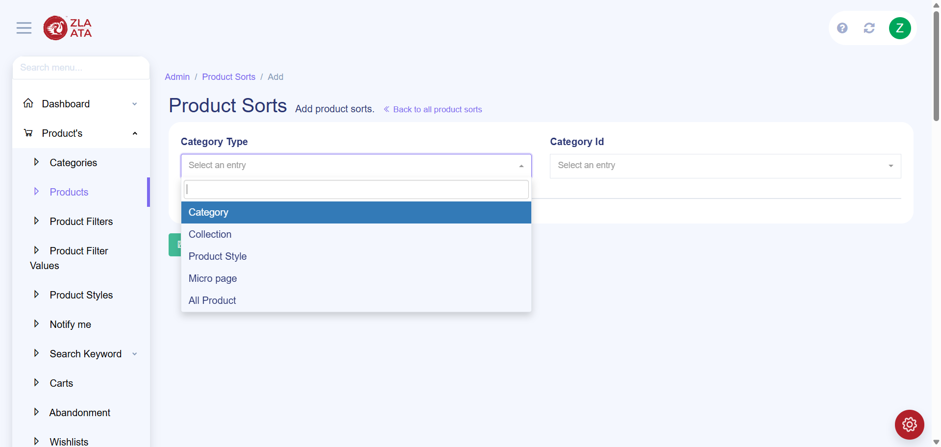
TC_UI_Zlaata_ADM_08 | TC_UI_Zlaata_ADM_08 |Verify uploaded categories appear in Admin and User App.| "TD_UI_Zlaata_ADM_08" | 94.078 | Sarojkumar | Fail | N/A |  |  | 0 | 0 | 0 | 0 | 0 | 0
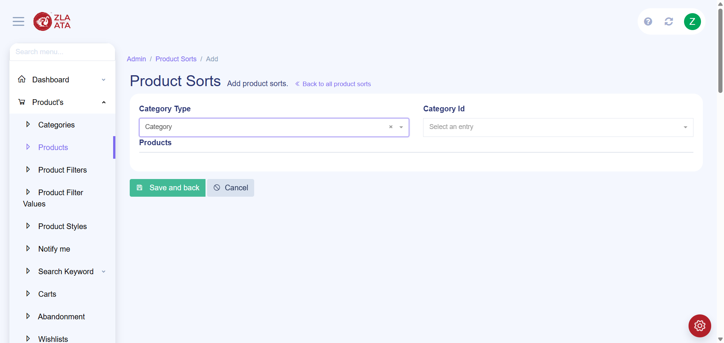
TC_UI_Zlaata_ADM_08 | TC_UI_Zlaata_ADM_08 |Verify uploaded categories appear in Admin and User App.| "TD_UI_Zlaata_ADM_08" | 94.511 | Sarojkumar | Fail | N/A |  |  | 0 | 0 | 0 | 0 | 0 | 0

TC_UI_Zlaata_ADM_08 | TC_UI_Zlaata_ADM_08 |Verify uploaded categories appear in Admin and User App.| "TD_UI_Zlaata_ADM_08" | 36.982 | Sarojkumar | Fail | N/A |  |  | 0 | 0 | 0 | 0 | 0 | 0

TC_UI_Zlaata_ADM_08 | TC_UI_Zlaata_ADM_08 |Verify uploaded categories appear in Admin and User App.| "TD_UI_Zlaata_ADM_08" | 33.401 | Sarojkumar | Fail | N/A |  |  | 0 | 0 | 0 | 0 | 0 | 0
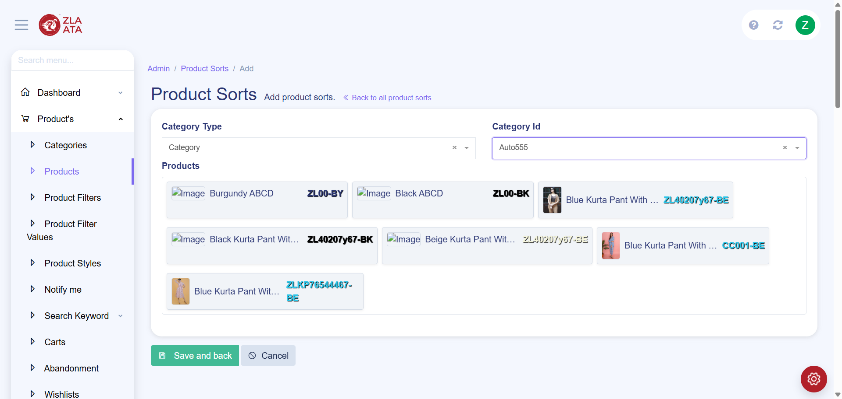
TC_UI_Zlaata_ADM_08 | TC_UI_Zlaata_ADM_08 |Verify uploaded categories appear in Admin and User App.| "TD_UI_Zlaata_ADM_08" | 60.39 | Sarojkumar | Fail | N/A |  |  | 0 | 0 | 0 | 0 | 0 | 0

TC_UI_Zlaata_ADM_08 | TC_UI_Zlaata_ADM_08 |Verify uploaded categories appear in Admin and User App.| "TD_UI_Zlaata_ADM_08" | 72.211 | Sarojkumar | Fail | N/A |  |  | 0 | 0 | 0 | 0 | 0 | 0

TC_UI_Zlaata_ADM_08 | TC_UI_Zlaata_ADM_08 |Verify uploaded categories appear in Admin and User App.| "TD_UI_Zlaata_ADM_08" | 104.899 | Sarojkumar | Fail | N/A |  |  | 0 | 0 | 0 | 0 | 0 | 0
TC_UI_Zlaata_ADM_08 | TC_UI_Zlaata_ADM_08 |Verify uploaded categories appear in Admin and User App.| "TD_UI_Zlaata_ADM_08" | 708.422 | Sarojkumar | Pass | N/A |  |  | 0 | 0 | 0 | 0 | 0 | 0

2025-09-19
SERVER: QA
FEATURES RUNNED: 1
FEATURE FILES: sortingProduct
TOTAL TEST CASE EXECUTED : 1
TOTAL PASSED : 1
TOTAL FAILED : 0
TOTAL TIME EXECUTED : 4 sec | TestCase Name | Duration (s) | Executed By | Status | Error Message | Product Details | Screenshot

TC_UI_Zlaata_ADM_03 | TC_UI_Zlaata_ADM_03 |Verify New Arrivals Section Product Display on Homepage.| "TD_UI_Zlaata_ADM_03" | 68.552 | Sarojkumar | Pass | N/A |  |  | 0 | 0 | 0 | 0 | 0 | 0
TC_UI_Zlaata_ADM_04 | TC_UI_Zlaata_ADM_04 |Verify Category Section Display on Website.| "TD_UI_Zlaata_ADM_04" | 55.81 | Sarojkumar | Pass | N/A |  |  | 0 | 0 | 0 | 0 | 0 | 0
TC_UI_Zlaata_ADM_05 | TC_UI_Zlaata_ADM_05 |Verify bulk product upload and visibility.| "TD_UI_Zlaata_ADM_05" | 90.414 | Sarojkumar | Pass | N/A |  |  | 0 | 0 | 0 | 0 | 0 | 0
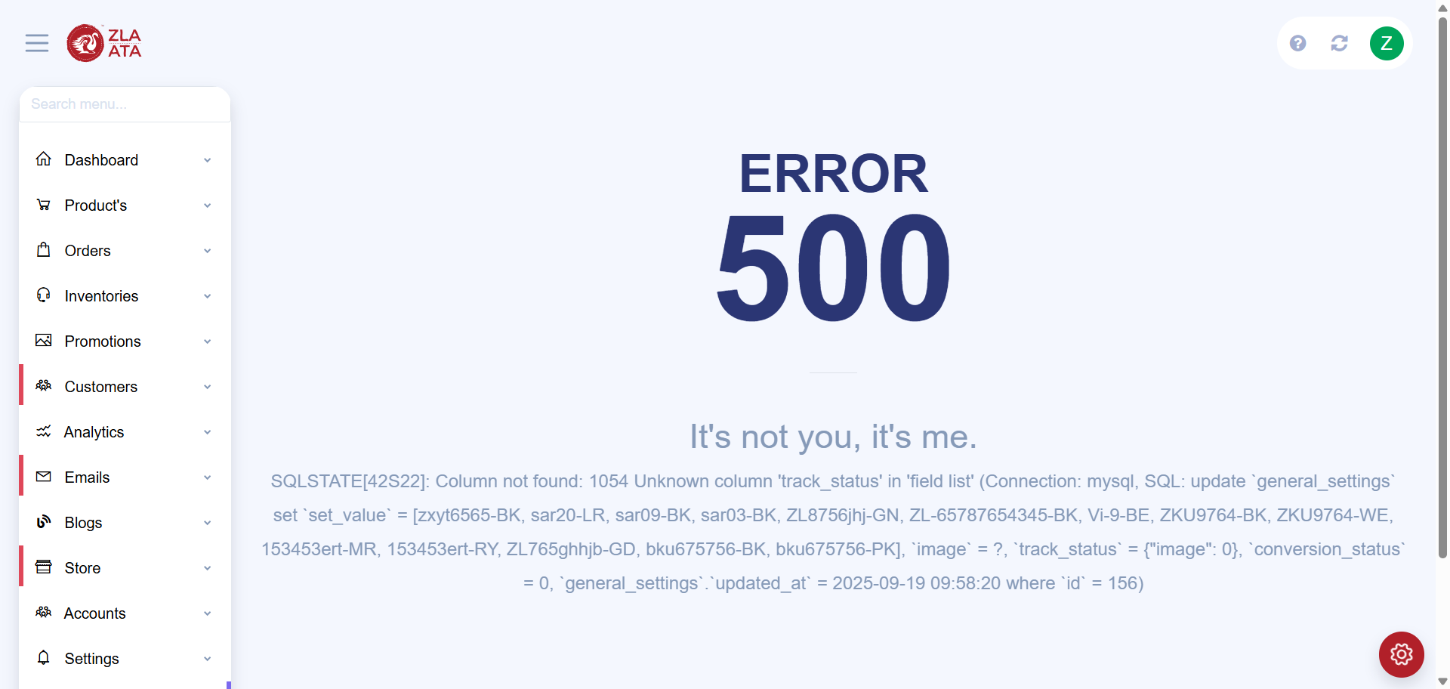
TC_UI_Zlaata_ADM_06 | TC_UI_Zlaata_ADM_06 |Remove product SKU from Top Selling and verify on User App.| "TD_UI_Zlaata_ADM_06" | 26.684 | Sarojkumar | Fail | N/A |  |  | 0 | 0 | 0 | 0 | 0 | 0
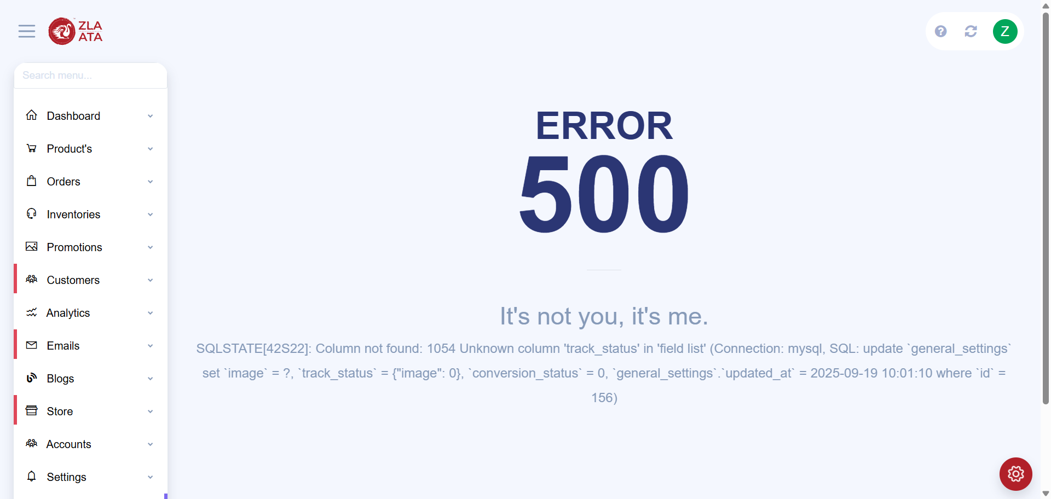
TC_UI_Zlaata_ADM_02 | TC_UI_Zlaata_ADM_02 |Verify Top Selling Section Product Display on Homepage.| "TD_UI_Zlaata_ADM_02" | 19.839 | Sarojkumar | Fail | N/A |  |  | 0 | 0 | 0 | 0 | 0 | 0
TC_UI_Zlaata_ADM_07 | TC_UI_Zlaata_ADM_07 |Verify all uploaded Special Timer products appear in Admin and User App.| "TD_UI_Zlaata_ADM_07" | 108.796 | Sarojkumar | Pass | N/A |  |  | 0 | 0 | 0 | 0 | 0 | 0
TC_UI_Zlaata_ADM_08 | TC_UI_Zlaata_ADM_08 |Verify uploaded categories appear in Admin and User App.| "TD_UI_Zlaata_ADM_08" | 395.497 | Sarojkumar | Pass | N/A |  |  | 0 | 0 | 0 | 0 | 0 | 0
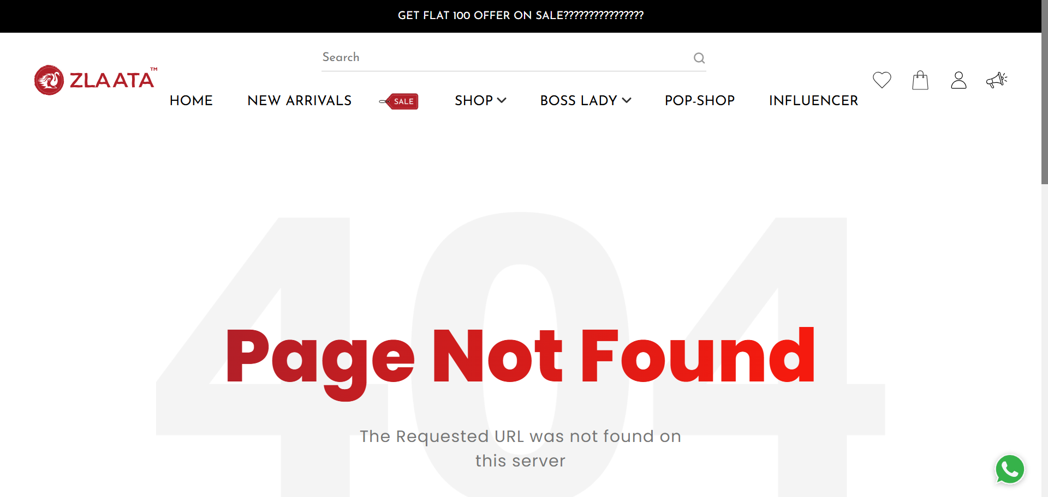
TC_UI_Zlaata_ADM_09 | TC_UI_Zlaata_ADM_09 |Verify bulk uploaded Collection appear in Admin and User App.| "TD_UI_Zlaata_ADM_09" | 94.258 | Sarojkumar | Fail | N/A |  |  | 0 | 0 | 0 | 0 | 0 | 0
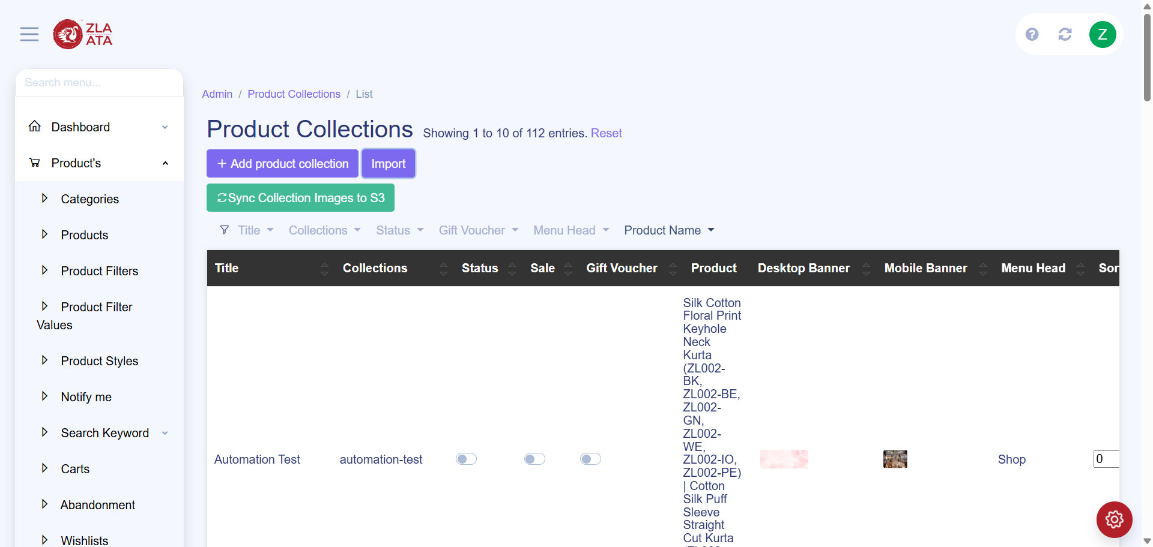
TC_UI_Zlaata_ADM_09 | TC_UI_Zlaata_ADM_09 |Verify bulk uploaded Collection appear in Admin and User App.| "TD_UI_Zlaata_ADM_09" | 19.755 | Sarojkumar | Fail | N/A |  |  | 0 | 0 | 0 | 0 | 0 | 0
TC_UI_Zlaata_ADM_10 | TC_UI_Zlaata_ADM_10 |Verify New Product added match between two exports.| "TD_UI_Zlaata_ADM_10" | 3.924 | Sarojkumar | Pass | N/A |  |  | 0 | 0 | 0 | 0 | 0 | 0
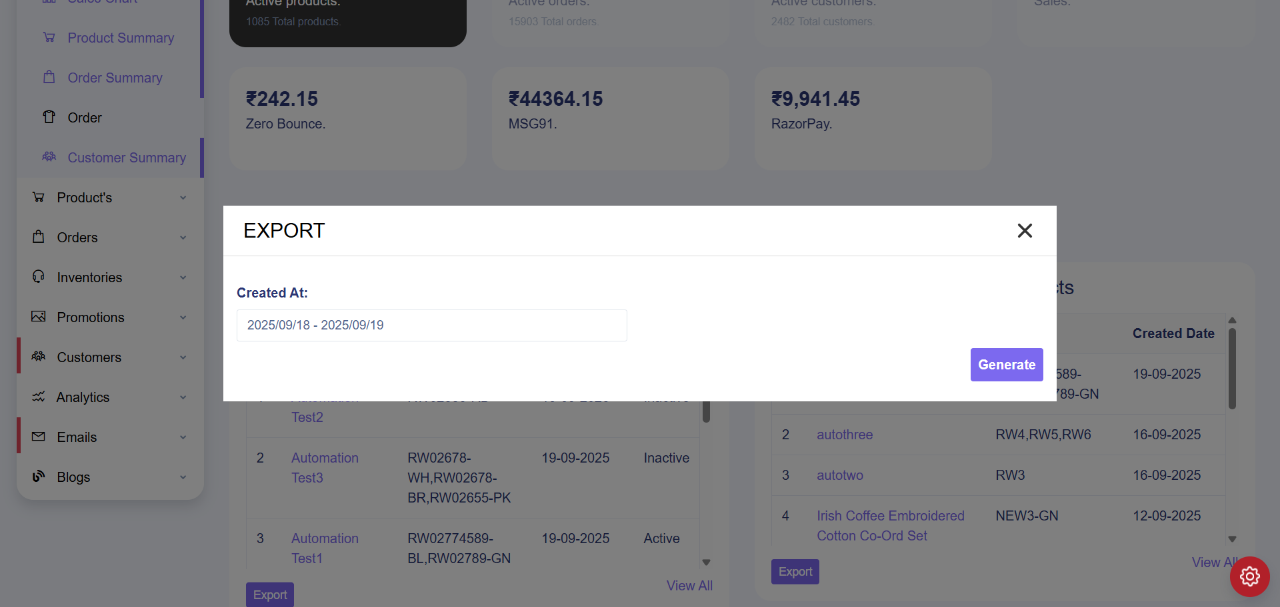
TC_UI_Zlaata_ADM_10 | TC_UI_Zlaata_ADM_10 |Verify New Product added match between two exports.| "TD_UI_Zlaata_ADM_10" | 34.745 | Sarojkumar | Fail | N/A |  |  | 0 | 0 | 0 | 0 | 0 | 0
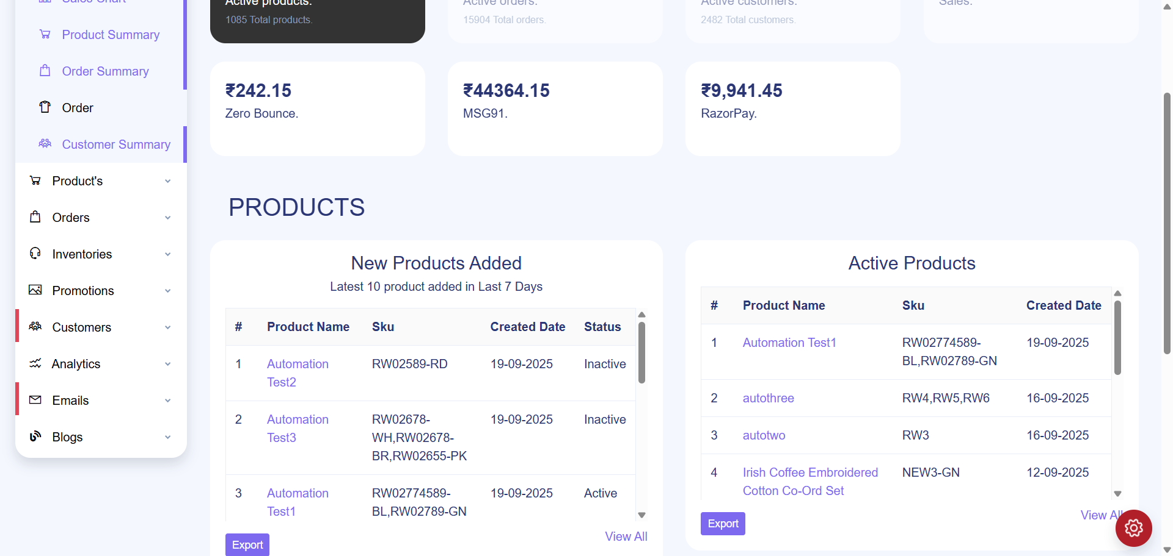
TC_UI_Zlaata_ADM_10 | TC_UI_Zlaata_ADM_10 |Verify New Product added match between two exports.| "TD_UI_Zlaata_ADM_10" | 46.188 | Sarojkumar | Fail | N/A |  |  | 0 | 0 | 0 | 0 | 0 | 0
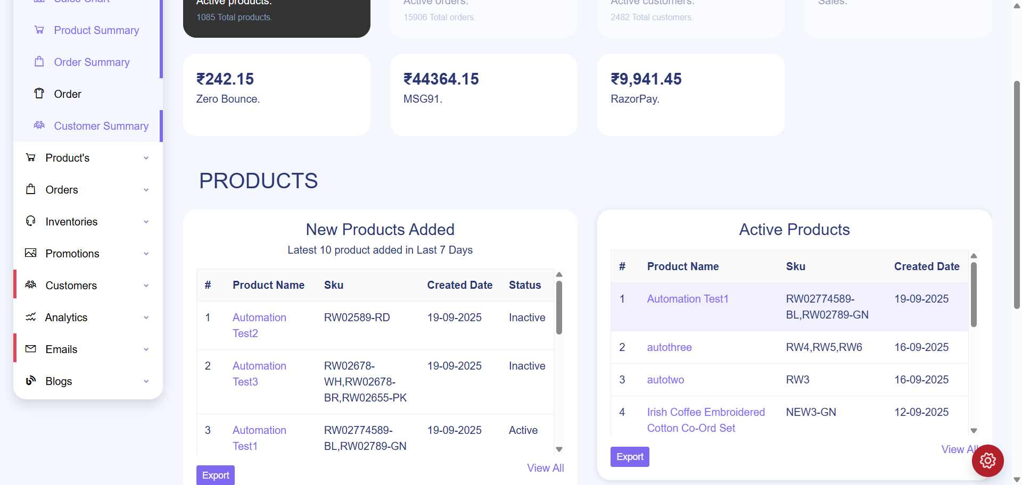
TC_UI_Zlaata_ADM_10 | TC_UI_Zlaata_ADM_10 |Verify New Product added match between two exports.| "TD_UI_Zlaata_ADM_10" | 49.034 | Sarojkumar | Fail | N/A |  |  | 0 | 0 | 0 | 0 | 0 | 0
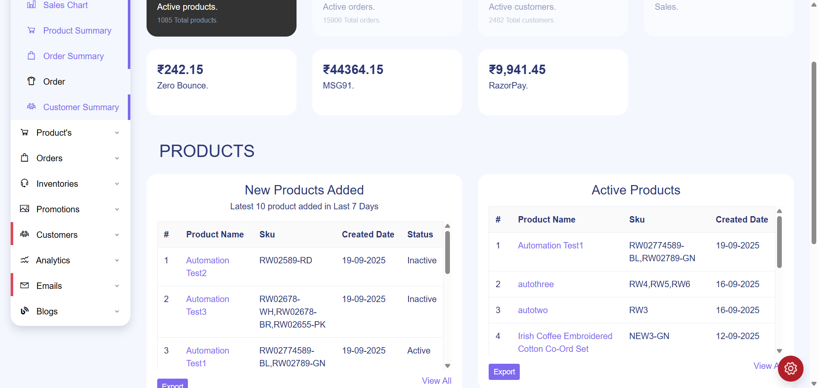
TC_UI_Zlaata_ADM_10 | TC_UI_Zlaata_ADM_10 |Verify New Product added match between two exports.| "TD_UI_Zlaata_ADM_10" | 45.84 | Sarojkumar | Fail | N/A |  |  | 0 | 0 | 0 | 0 | 0 | 0

TC_UI_Zlaata_ADM_10 | TC_UI_Zlaata_ADM_10 |Verify New Product added match between two exports.| "TD_UI_Zlaata_ADM_10" | 46.485 | Sarojkumar | Fail | N/A |  |  | 0 | 0 | 0 | 0 | 0 | 0
TC_UI_Zlaata_ADM_10 | TC_UI_Zlaata_ADM_10 |Verify New Product added match between two exports.| "TD_UI_Zlaata_ADM_10" | 18.887 | Sarojkumar | Pass | N/A |  |  | 0 | 0 | 0 | 0 | 0 | 0

TC_UI_Zlaata_ADM_10 | TC_UI_Zlaata_ADM_10 |Verify New Product added match between two exports.| "TD_UI_Zlaata_ADM_10" | 18.725 | Sarojkumar | Fail | N/A |  |  | 0 | 0 | 0 | 0 | 0 | 0
TC_UI_Zlaata_ADM_10 | TC_UI_Zlaata_ADM_10 |Verify New Product added match between two exports.| "TD_UI_Zlaata_ADM_10" | 19.277 | Sarojkumar | Pass | N/A |  |  | 0 | 0 | 0 | 0 | 0 | 0
TC_UI_Zlaata_ADM_10 | TC_UI_Zlaata_ADM_10 |Verify New Product added match between two exports.| "TD_UI_Zlaata_ADM_10" | 19.113 | Sarojkumar | Pass | N/A |  |  | 0 | 0 | 0 | 0 | 0 | 0
TC_UI_Zlaata_ADM_10 | TC_UI_Zlaata_ADM_10 |Verify New Product added match between two exports.| "TD_UI_Zlaata_ADM_10" | 19.512 | Sarojkumar | Pass | N/A |  |  | 0 | 0 | 0 | 0 | 0 | 0
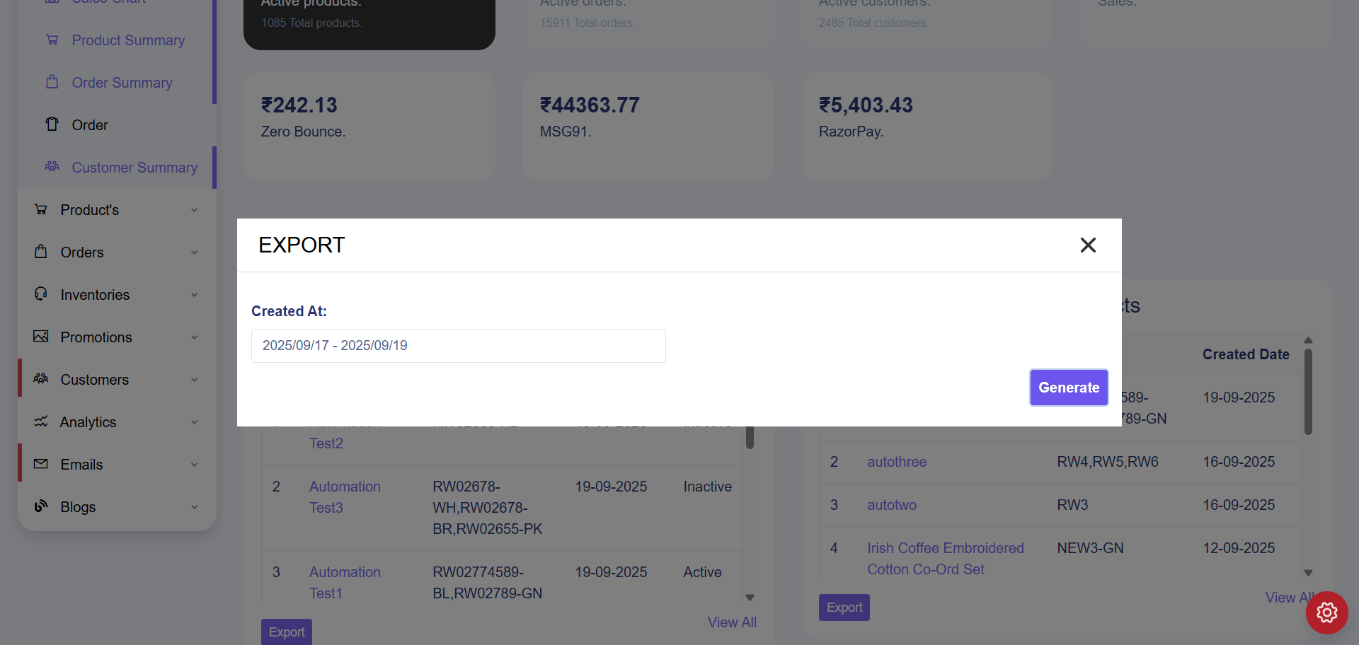
TC_UI_Zlaata_ADM_10 | TC_UI_Zlaata_ADM_10 |Verify New Product added match between two exports.| "TD_UI_Zlaata_ADM_10" | 19.861 | Sarojkumar | Fail | N/A |  |  | 0 | 0 | 0 | 0 | 0 | 0
TC_UI_Zlaata_ADM_10 | TC_UI_Zlaata_ADM_10 |Verify New Product added match between two exports.| "TD_UI_Zlaata_ADM_10" | 15.453 | Sarojkumar | Pass | N/A |  |  | 0 | 0 | 0 | 0 | 0 | 0
TC_UI_Zlaata_ADM_10 | TC_UI_Zlaata_ADM_10 |Verify New Product added match between two exports.| "TD_UI_Zlaata_ADM_10" | 19.582 | Sarojkumar | Pass | N/A |  |  | 0 | 0 | 0 | 0 | 0 | 0

TC_UI_Zlaata_ADM_10 | TC_UI_Zlaata_ADM_10 |Verify New Product added match between two exports.| "TD_UI_Zlaata_ADM_10" | 18.841 | Sarojkumar | Fail | N/A |  |  | 0 | 0 | 0 | 0 | 0 | 0
TC_UI_Zlaata_ADM_10 | TC_UI_Zlaata_ADM_10 |Verify New Product added match between two exports.| "TD_UI_Zlaata_ADM_10" | 18.641 | Sarojkumar | Pass | N/A |  |  | 0 | 0 | 0 | 0 | 0 | 0
TC_UI_Zlaata_ADM_10 | TC_UI_Zlaata_ADM_10 |Verify New Product added match between two exports.| "TD_UI_Zlaata_ADM_10" | 30.124 | Sarojkumar | Pass | N/A |  |  | 0 | 0 | 0 | 0 | 0 | 0
TC_UI_Zlaata_ASP_01 | TC_UI_Zlaata_ASP_01 | Verify banner upload on home page section | "TD_UI_Zlaata_ASP_01" | 0.011 | Sarojkumar | Fail | N/A |  |  | 0 | 0 | 0 | 0 | 0 | 0
TC_UI_Zlaata_ASP_01 | TC_UI_Zlaata_ASP_01 |Verify category product sorting between Admin Panel and User Application.| "TD_UI_Zlaata_ASP_01" | 0.011 | Sarojkumar | Fail | N/A |  |  | 0 | 0 | 0 | 0 | 0 | 0
TC_UI_Zlaata_ASP_01 | TC_UI_Zlaata_ASP_01 |Verify category product sorting between Admin Panel and User Application.| "TD_UI_Zlaata_ASP_01" | 0.016 | Sarojkumar | Fail | N/A |  |  | 0 | 0 | 0 | 0 | 0 | 0
TC_UI_Zlaata_ASP_01 | TC_UI_Zlaata_ASP_01 |Verify category product sorting between Admin Panel and User Application.| "TD_UI_Zlaata_ASP_01" | 0.015 | Sarojkumar | Fail | N/A |  |  | 0 | 0 | 0 | 0 | 0 | 0
TC_UI_Zlaata_ASP_01 | TC_UI_Zlaata_ASP_01 |Verify category product sorting between Admin Panel and User Application.| "TD_UI_Zlaata_ASP_01" | 0.015 | Sarojkumar | Fail | N/A |  |  | 0 | 0 | 0 | 0 | 0 | 0
TC_UI_Zlaata_ASP_01 | TC_UI_Zlaata_ASP_01 |Verify category product sorting between Admin Panel and User Application.| "TD_UI_Zlaata_ASP_01" | 4.856 | Sarojkumar | Pass | N/A |  |  | 0 | 0 | 0 | 0 | 0 | 0

2025-09-20
SERVER: QA
FEATURES RUNNED: 1
FEATURE FILES: sortingProduct
TOTAL TEST CASE EXECUTED : 0
TOTAL PASSED : 0
TOTAL FAILED : 0
TOTAL TIME EXECUTED : 0 sec | TestCase Name | Duration (s) | Executed By | Status | Error Message | Product Details | Screenshot
TC_UI_Zlaata_ASP_01 | TC_UI_Zlaata_ASP_01 |Verify category product sorting between Admin Panel and User Application.| "TD_UI_Zlaata_ASP_01" | 0.018 | Sarojkumar | Fail | N/A |  |  | 0 | 0 | 0 | 0 | 0 | 0
TC_UI_Zlaata_ASP_01 | TC_UI_Zlaata_ASP_01 |Verify category product sorting between Admin Panel and User Application.| "TD_UI_Zlaata_ASP_01" | 5.546 | Sarojkumar | Pass | N/A |  |  | 0 | 0 | 0 | 0 | 0 | 0
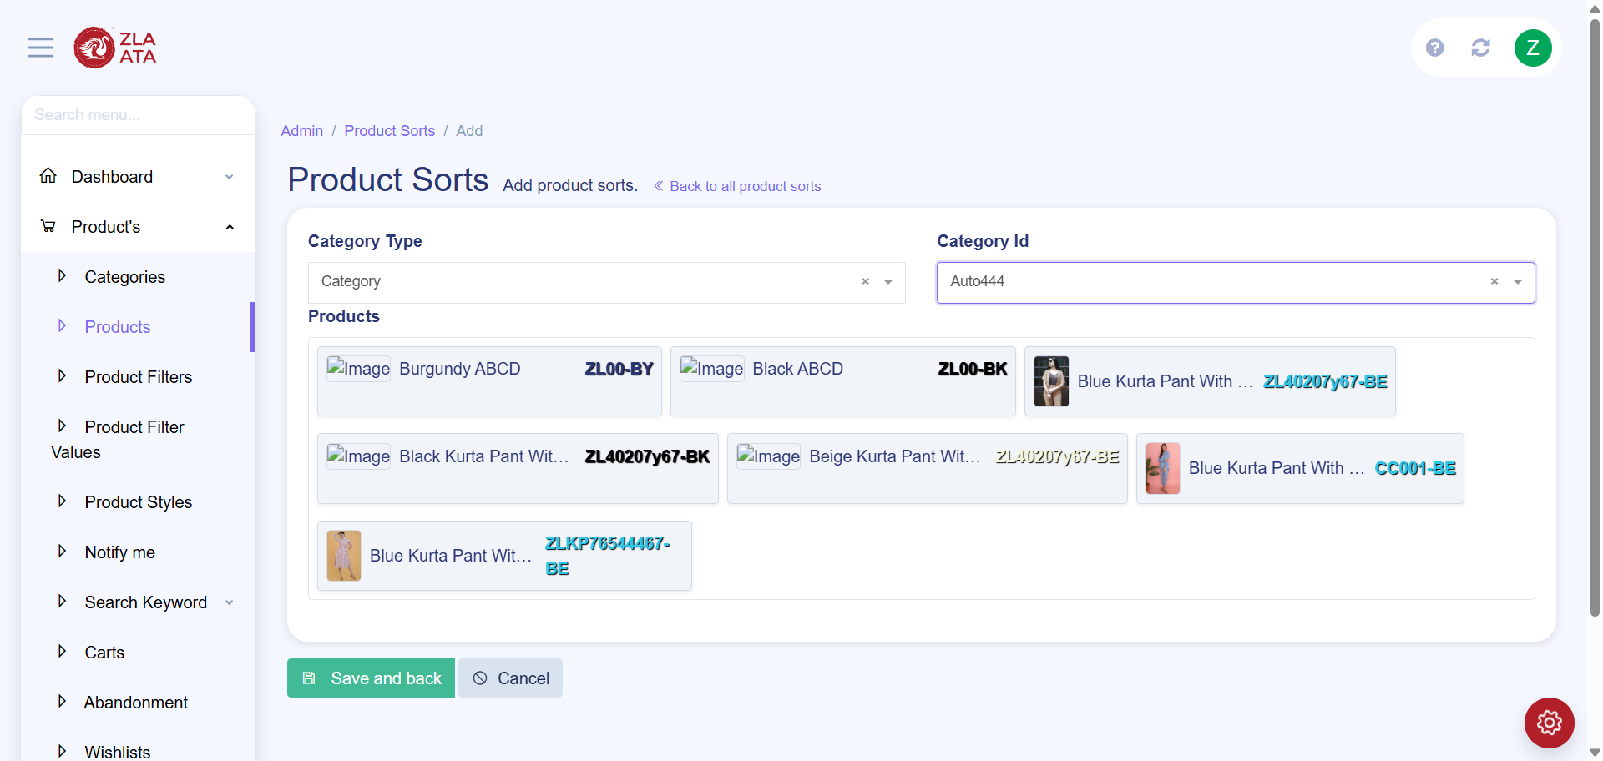
TC_UI_Zlaata_ASP_01 | TC_UI_Zlaata_ASP_01 |Verify category product sorting between Admin Panel and User Application.| "TD_UI_Zlaata_ASP_01" | 50.898 | Sarojkumar | Fail | N/A |  |  | 0 | 0 | 0 | 0 | 0 | 0
TC_UI_Zlaata_ASP_01 | TC_UI_Zlaata_ASP_01 |Verify category product sorting between Admin Panel and User Application.| "TD_UI_Zlaata_ASP_01" | 5.932 | Sarojkumar | Pass | N/A |  |  | 0 | 0 | 0 | 0 | 0 | 0
TC_UI_Zlaata_ASP_01 | TC_UI_Zlaata_ASP_01 |Verify category product sorting between Admin Panel and User Application.| "TD_UI_Zlaata_ASP_01" | 7.511 | Sarojkumar | Pass | N/A |  |  | 0 | 0 | 0 | 0 | 0 | 0
TC_UI_Zlaata_ASP_01 | TC_UI_Zlaata_ASP_01 |Verify category product sorting between Admin Panel and User Application.| "TD_UI_Zlaata_ASP_01" | 8.069 | Sarojkumar | Pass | N/A |  |  | 0 | 0 | 0 | 0 | 0 | 0
TC_UI_Zlaata_ASP_01 | TC_UI_Zlaata_ASP_01 |Verify category product sorting between Admin Panel and User Application.| "TD_UI_Zlaata_ASP_01" | 8.31 | Sarojkumar | Pass | N/A |  |  | 0 | 0 | 0 | 0 | 0 | 0
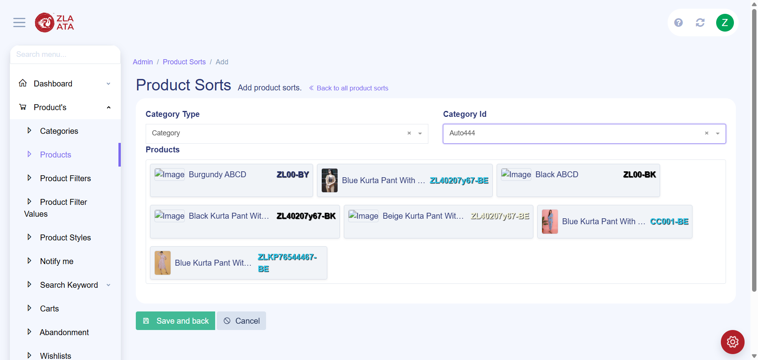
TC_UI_Zlaata_ASP_01 | TC_UI_Zlaata_ASP_01 |Verify category product sorting between Admin Panel and User Application.| "TD_UI_Zlaata_ASP_01" | 48.946 | Sarojkumar | Fail | N/A |  |  | 0 | 0 | 0 | 0 | 0 | 0
TC_UI_Zlaata_ASP_01 | TC_UI_Zlaata_ASP_01 |Verify category product sorting between Admin Panel and User Application.| "TD_UI_Zlaata_ASP_01" | 21.751 | Sarojkumar | Pass | N/A |  |  | 0 | 0 | 0 | 0 | 0 | 0
TC_UI_Zlaata_ASP_01 | TC_UI_Zlaata_ASP_01 |Verify category product sorting between Admin Panel and User Application.| "TD_UI_Zlaata_ASP_01" | 24.013 | Sarojkumar | Pass | N/A |  |  | 0 | 0 | 0 | 0 | 0 | 0
TC_UI_Zlaata_ASP_01 | TC_UI_Zlaata_ASP_01 |Verify category product sorting between Admin Panel and User Application.| "TD_UI_Zlaata_ASP_01" | 25.319 | Sarojkumar | Pass | N/A |  |  | 0 | 0 | 0 | 0 | 0 | 0
TC_UI_Zlaata_ASP_01 | TC_UI_Zlaata_ASP_01 |Verify category product sorting between Admin Panel and User Application.| "TD_UI_Zlaata_ASP_01" | 24.667 | Sarojkumar | Pass | N/A |  |  | 0 | 0 | 0 | 0 | 0 | 0
TC_UI_Zlaata_ASP_01 | TC_UI_Zlaata_ASP_01 |Verify category product sorting between Admin Panel and User Application.| "TD_UI_Zlaata_ASP_01" | 23.639 | Sarojkumar | Pass | N/A |  |  | 0 | 0 | 0 | 0 | 0 | 0
TC_UI_Zlaata_ASP_01 | TC_UI_Zlaata_ASP_01 |Verify category product sorting between Admin Panel and User Application.| "TD_UI_Zlaata_ASP_01" | 22.248 | Sarojkumar | Pass | N/A |  |  | 0 | 0 | 0 | 0 | 0 | 0
TC_UI_Zlaata_ASP_01 | TC_UI_Zlaata_ASP_01 |Verify category product sorting between Admin Panel and User Application.| "TD_UI_Zlaata_ASP_01" | 22.962 | Sarojkumar | Pass | N/A |  |  | 0 | 0 | 0 | 0 | 0 | 0
TC_UI_Zlaata_ASP_01 | TC_UI_Zlaata_ASP_01 |Verify category product sorting between Admin Panel and User Application.| "TD_UI_Zlaata_ASP_01" | 22.81 | Sarojkumar | Pass | N/A |  |  | 0 | 0 | 0 | 0 | 0 | 0
TC_UI_Zlaata_ASP_01 | TC_UI_Zlaata_ASP_01 |Verify category product sorting between Admin Panel and User Application.| "TD_UI_Zlaata_ASP_01" | 22.191 | Sarojkumar | Pass | N/A |  |  | 0 | 0 | 0 | 0 | 0 | 0
TC_UI_Zlaata_ASP_01 | TC_UI_Zlaata_ASP_01 |Verify category product sorting between Admin Panel and User Application.| "TD_UI_Zlaata_ASP_01" | 26.714 | Sarojkumar | Pass | N/A |  |  | 0 | 0 | 0 | 0 | 0 | 0
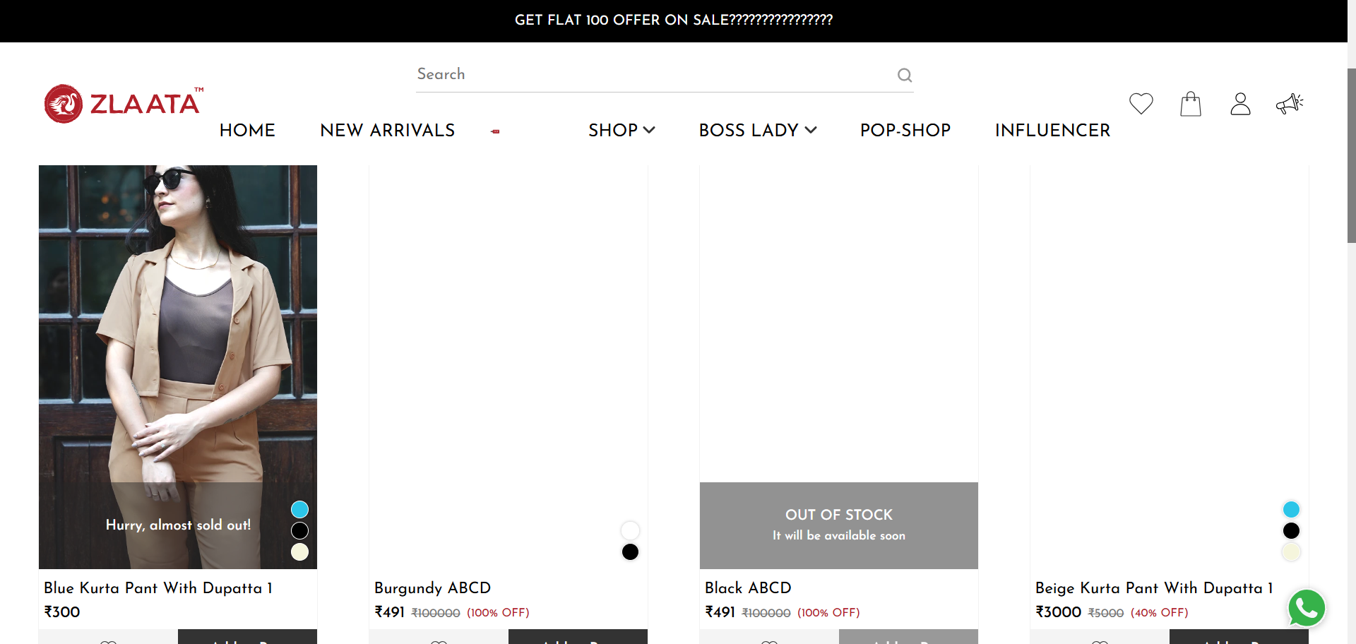
TC_UI_Zlaata_ASP_01 | TC_UI_Zlaata_ASP_01 |Verify category product sorting between Admin Panel and User Application.| "TD_UI_Zlaata_ASP_01" | 83.047 | Sarojkumar | Fail | N/A |  |  | 0 | 0 | 0 | 0 | 0 | 0
TC_UI_Zlaata_ASP_01 | TC_UI_Zlaata_ASP_01 |Verify category product sorting between Admin Panel and User Application.| "TD_UI_Zlaata_ASP_01" | 137.48 | Sarojkumar | Pass | N/A |  |  | 0 | 0 | 0 | 0 | 0 | 0
TC_UI_Zlaata_ASP_01 | TC_UI_Zlaata_ASP_01 |Verify category product sorting between Admin Panel and User Application.| "TD_UI_Zlaata_ASP_01" | 192.711 | Sarojkumar | Pass | N/A |  |  | 0 | 0 | 0 | 0 | 0 | 0
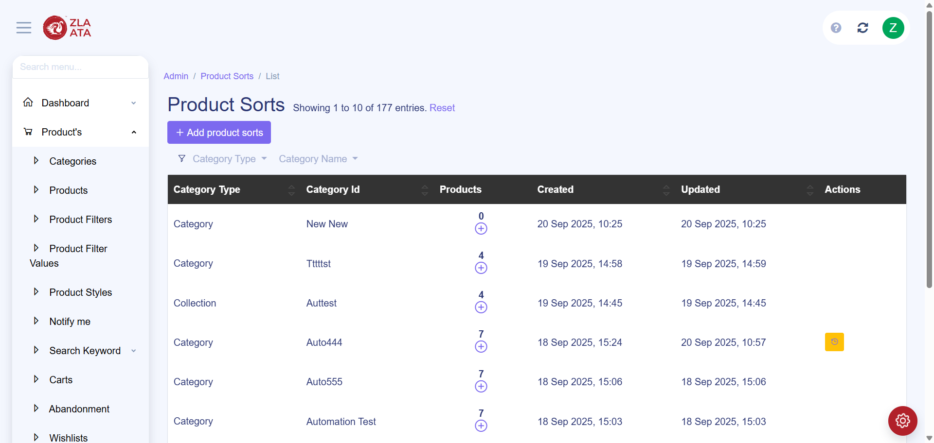
TC_UI_Zlaata_ASP_01 | TC_UI_Zlaata_ASP_01 |Verify category product sorting between Admin Panel and User Application.| "TD_UI_Zlaata_ASP_01" | 30.319 | Sarojkumar | Fail | N/A |  |  | 0 | 0 | 0 | 0 | 0 | 0
TC_UI_Zlaata_ASP_01 | TC_UI_Zlaata_ASP_01 |Verify category product sorting between Admin Panel and User Application.| "TD_UI_Zlaata_ASP_01" | 6.196 | Sarojkumar | Pass | N/A |  |  | 0 | 0 | 0 | 0 | 0 | 0
TC_UI_Zlaata_ASP_01 | TC_UI_Zlaata_ASP_01 |Verify category product sorting between Admin Panel and User Application.| "TD_UI_Zlaata_ASP_01" | 37.303 | Sarojkumar | Pass | N/A |  |  | 0 | 0 | 0 | 0 | 0 | 0
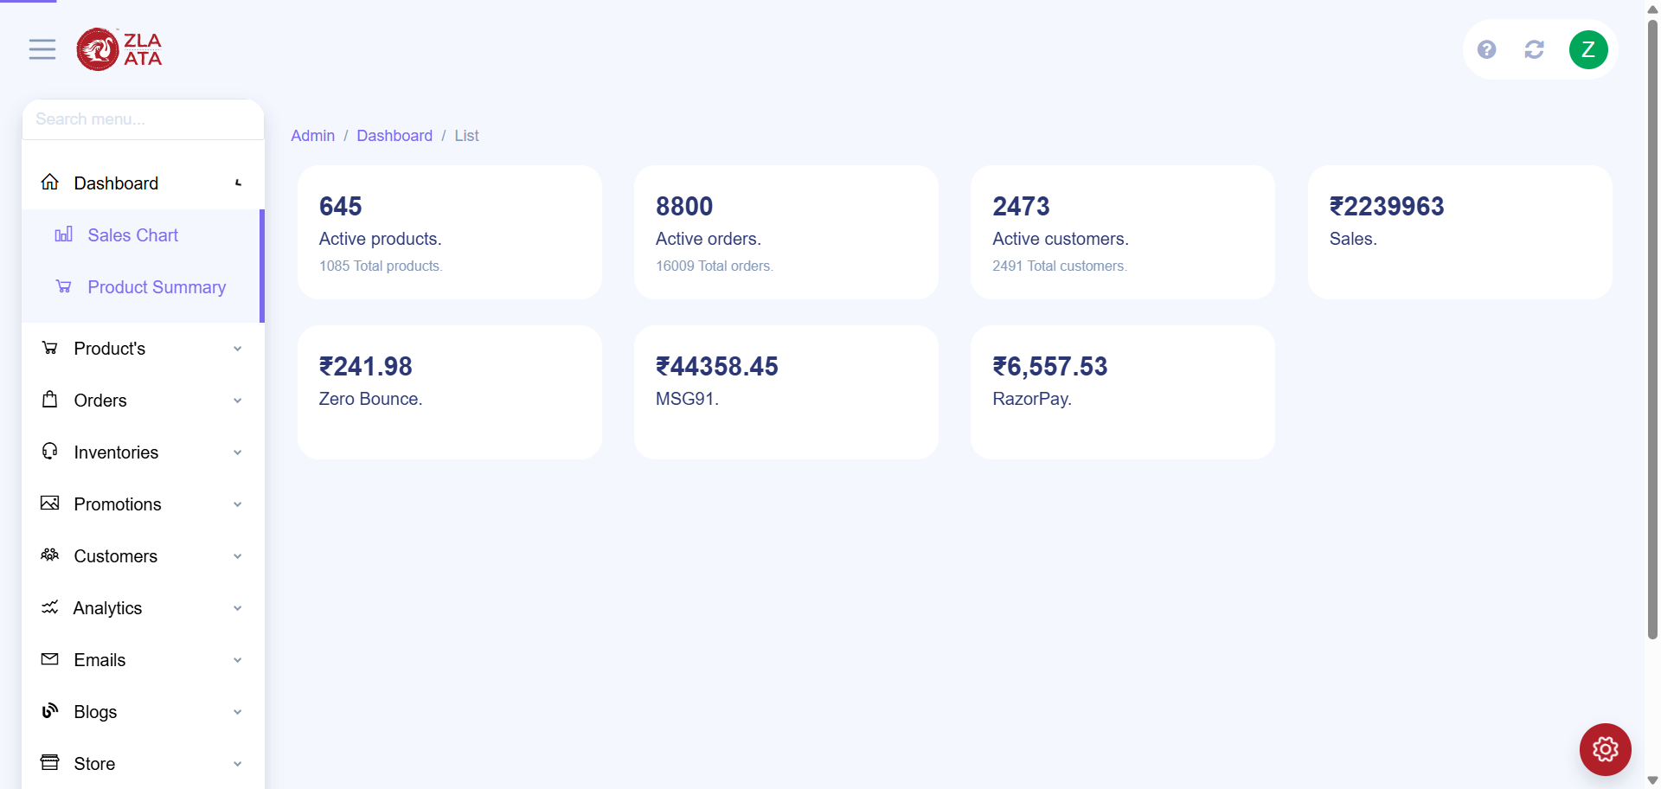
TC_UI_Zlaata_ASP_01 | TC_UI_Zlaata_ASP_01 |Verify category product sorting between Admin Panel and User Application.| "TD_UI_Zlaata_ASP_01" | 2.988 | Sarojkumar | Fail | N/A |  |  | 0 | 0 | 0 | 0 | 0 | 0
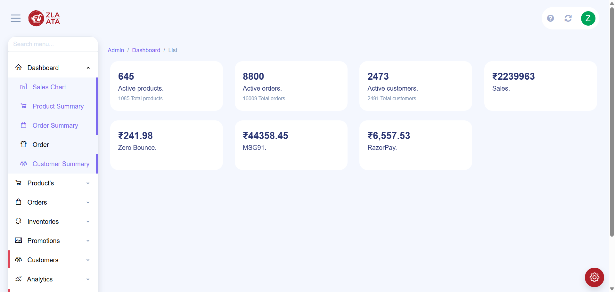
TC_UI_Zlaata_ASP_01 | TC_UI_Zlaata_ASP_01 |Verify category product sorting between Admin Panel and User Application.| "TD_UI_Zlaata_ASP_01" | 10.059 | Sarojkumar | Fail | N/A |  |  | 0 | 0 | 0 | 0 | 0 | 0
TC_UI_Zlaata_ASP_01 | TC_UI_Zlaata_ASP_01 |Verify category product sorting between Admin Panel and User Application.| "TD_UI_Zlaata_ASP_01" | 87.416 | Sarojkumar | Pass | N/A |  |  | 0 | 0 | 0 | 0 | 0 | 0
TC_UI_Zlaata_ASP_01 | TC_UI_Zlaata_ASP_01 |Verify category product sorting between Admin Panel and User Application.| "TD_UI_Zlaata_ASP_01" | 121.318 | Sarojkumar | Pass | N/A |  |  | 0 | 0 | 0 | 0 | 0 | 0
TC_UI_Zlaata_ASP_01 | TC_UI_Zlaata_ASP_01 |Verify category product sorting between Admin Panel and User Application.| "TD_UI_Zlaata_ASP_01" | 133.452 | Sarojkumar | Pass | N/A |  |  | 0 | 0 | 0 | 0 | 0 | 0
TC_UI_Zlaata_ASP_01 | TC_UI_Zlaata_ASP_01 |Verify category product sorting between Admin Panel and User Application.| "TD_UI_Zlaata_ASP_01" | 81.235 | Sarojkumar | Pass | N/A |  |  | 0 | 0 | 0 | 0 | 0 | 0
TC_UI_Zlaata_ASP_02 | TC_UI_Zlaata_ASP_02 |Verify Collection product sorting between Admin Panel and User Application.| "TD_UI_Zlaata_ASP_02" | 6.144 | Sarojkumar | Pass | N/A |  |  | 0 | 0 | 0 | 0 | 0 | 0
TC_UI_Zlaata_ASP_02 | TC_UI_Zlaata_ASP_02 |Verify Collection product sorting between Admin Panel and User Application.| "TD_UI_Zlaata_ASP_02" | 257.166 | Sarojkumar | Pass | N/A |  |  | 0 | 0 | 0 | 0 | 0 | 0
TC_UI_Zlaata_ASP_03 | TC_UI_Zlaata_ASP_03 |Verify Styles product sorting between Admin Panel and User Application.| "TD_UI_Zlaata_ASP_03" | 164.522 | Sarojkumar | Pass | N/A |  |  | 0 | 0 | 0 | 0 | 0 | 0
TC_UI_Zlaata_ASP_05 | TC_UI_Zlaata_ASP_05 |Verify All product sorting between Admin Panel and User Application.| "TD_UI_Zlaata_ASP_05" | 125.599 | Sarojkumar | Pass | N/A |  |  | 0 | 0 | 0 | 0 | 0 | 0

