2025-09-17
SERVER: QA
FEATURES RUNNED: 1
FEATURE FILES: bannerReflecting
TOTAL TEST CASE EXECUTED : 1
TOTAL PASSED : 1
TOTAL FAILED : 0
TOTAL TIME EXECUTED : 6 sec | TestCase Name | Duration (s) | Executed By | Status | Error Message | Product Details | Screenshot
TC_UI_Zlaata_ADM_07 | TC_UI_Zlaata_ADM_07 |Verify all uploaded Special Timer products appear in Admin and User App.| "TD_UI_Zlaata_ADM_07" | 114.229 | Sarojkumar | Pass | N/A |  |  | 0 | 0 | 0 | 0 | 0 | 0
TC_UI_Zlaata_ADM_07 | TC_UI_Zlaata_ADM_07 |Verify all uploaded Special Timer products appear in Admin and User App.| "TD_UI_Zlaata_ADM_07" | 117.995 | Sarojkumar | Pass | N/A |  |  | 0 | 0 | 0 | 0 | 0 | 0
TC_UI_Zlaata_ADM_07 | TC_UI_Zlaata_ADM_07 |Verify all uploaded Special Timer products appear in Admin and User App.| "TD_UI_Zlaata_ADM_07" | 109.984 | Sarojkumar | Pass | N/A |  |  | 0 | 0 | 0 | 0 | 0 | 0
TC_UI_Zlaata_ADM_07 | TC_UI_Zlaata_ADM_07 |Verify all uploaded Special Timer products appear in Admin and User App.| "TD_UI_Zlaata_ADM_07" | 112.854 | Sarojkumar | Pass | N/A |  |  | 0 | 0 | 0 | 0 | 0 | 0

TC_UI_Zlaata_ADM_09 | TC_UI_Zlaata_ADM_09 |Verify bulk uploaded Collection appear in Admin and User App.| "TD_UI_Zlaata_ADM_09" | 0.017 | Sarojkumar | Fail | N/A |  |  | 0 | 0 | 0 | 0 | 0 | 0
TC_UI_Zlaata_ADM_09 | TC_UI_Zlaata_ADM_09 |Verify bulk uploaded Collection appear in Admin and User App.| "TD_UI_Zlaata_ADM_09" | 0.02 | Sarojkumar | Fail | N/A |  |  | 0 | 0 | 0 | 0 | 0 | 0
TC_UI_Zlaata_ADM_09 | TC_UI_Zlaata_ADM_09 |Verify bulk uploaded Collection appear in Admin and User App.| "TD_UI_Zlaata_ADM_09" | 0.019 | Sarojkumar | Fail | N/A |  |  | 0 | 0 | 0 | 0 | 0 | 0
TC_UI_Zlaata_ADM_07 | TC_UI_Zlaata_ADM_07 |Verify all uploaded Special Timer products appear in Admin and User App.| "TD_UI_Zlaata_ADM_07" | 0.016 | Sarojkumar | Fail | N/A |  |  | 0 | 0 | 0 | 0 | 0 | 0
TC_UI_Zlaata_ADM_07 | TC_UI_Zlaata_ADM_07 |Verify all uploaded Special Timer products appear in Admin and User App.| "TD_UI_Zlaata_ADM_07" | 0.017 | Sarojkumar | Fail | N/A |  |  | 0 | 0 | 0 | 0 | 0 | 0
TC_UI_Zlaata_ADM_05 | TC_UI_Zlaata_ADM_05 |Verify bulk product upload and visibility.| "TD_UI_Zlaata_ADM_05" | 0.016 | Sarojkumar | Fail | N/A |  |  | 0 | 0 | 0 | 0 | 0 | 0
TC_UI_Zlaata_ADM_05 | TC_UI_Zlaata_ADM_05 |Verify bulk product upload and visibility.| "TD_UI_Zlaata_ADM_05" | 0.013 | Sarojkumar | Fail | N/A |  |  | 0 | 0 | 0 | 0 | 0 | 0
TC_UI_Zlaata_ADM_05 | TC_UI_Zlaata_ADM_05 |Verify bulk product upload and visibility.| "TD_UI_Zlaata_ADM_05" | 0.015 | Sarojkumar | Fail | N/A |  |  | 0 | 0 | 0 | 0 | 0 | 0
TC_UI_Zlaata_ADM_09 | TC_UI_Zlaata_ADM_09 |Verify bulk uploaded Collection appear in Admin and User App.| "TD_UI_Zlaata_ADM_09" | 0.975 | Sarojkumar | Pass | N/A |  |  | 0 | 0 | 0 | 0 | 0 | 0
TC_UI_Zlaata_ADM_09 | TC_UI_Zlaata_ADM_09 |Verify bulk uploaded Collection appear in Admin and User App.| "TD_UI_Zlaata_ADM_09" | 6.264 | Sarojkumar | Pass | N/A |  |  | 0 | 0 | 0 | 0 | 0 | 0

2025-09-18
SERVER: QA
FEATURES RUNNED: 1
FEATURE FILES: bannerReflecting
TOTAL TEST CASE EXECUTED : 1
TOTAL PASSED : 0
TOTAL FAILED : 1
TOTAL TIME EXECUTED : 104 sec | TestCase Name | Duration (s) | Executed By | Status | Error Message | Product Details | Screenshot
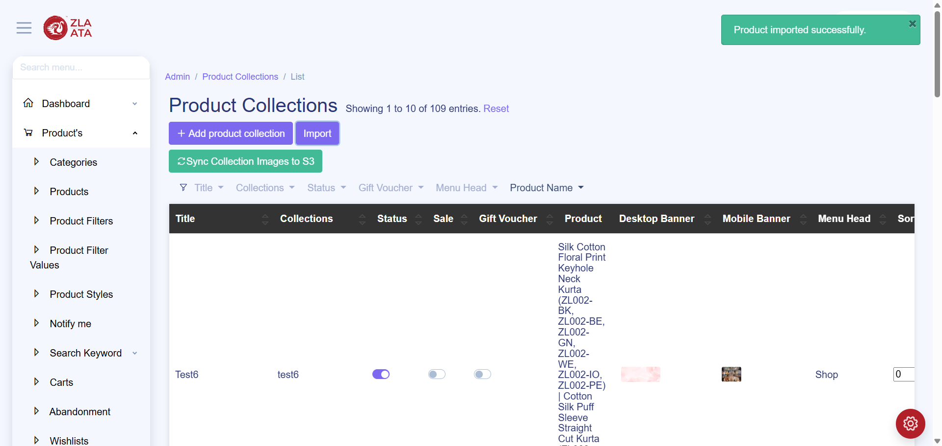
TC_UI_Zlaata_ADM_09 | TC_UI_Zlaata_ADM_09 |Verify bulk uploaded Collection appear in Admin and User App.| "TD_UI_Zlaata_ADM_09" | 18.102 | Sarojkumar | Fail | N/A |  |  | 0 | 0 | 0 | 0 | 0 | 0
TC_UI_Zlaata_ADM_09 | TC_UI_Zlaata_ADM_09 |Verify bulk uploaded Collection appear in Admin and User App.| "TD_UI_Zlaata_ADM_09" | 49.943 | Sarojkumar | Pass | N/A |  |  | 0 | 0 | 0 | 0 | 0 | 0
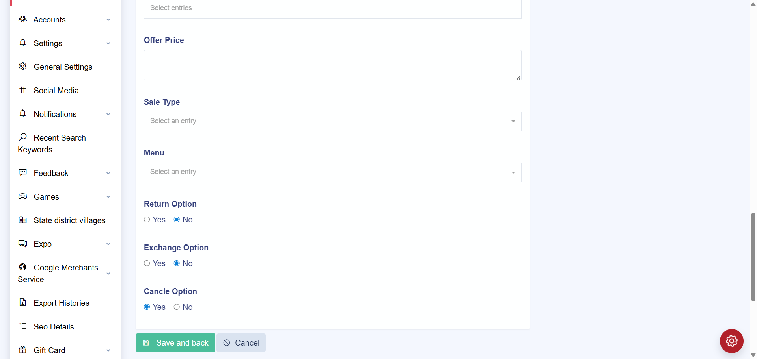
TC_UI_Zlaata_ADM_09 | TC_UI_Zlaata_ADM_09 |Verify bulk uploaded Collection appear in Admin and User App.| "TD_UI_Zlaata_ADM_09" | 90.632 | Sarojkumar | Fail | N/A |  |  | 0 | 0 | 0 | 0 | 0 | 0
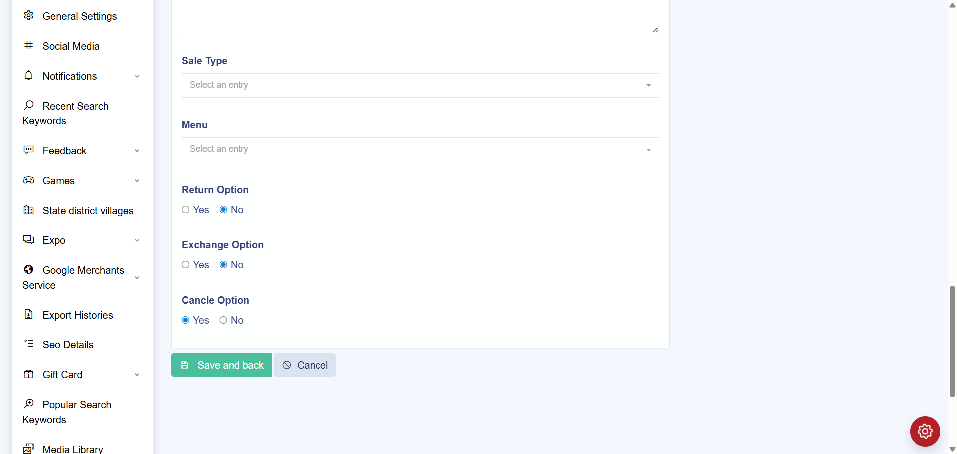
TC_UI_Zlaata_ADM_09 | TC_UI_Zlaata_ADM_09 |Verify bulk uploaded Collection appear in Admin and User App.| "TD_UI_Zlaata_ADM_09" | 80.797 | Sarojkumar | Fail | N/A |  |  | 0 | 0 | 0 | 0 | 0 | 0
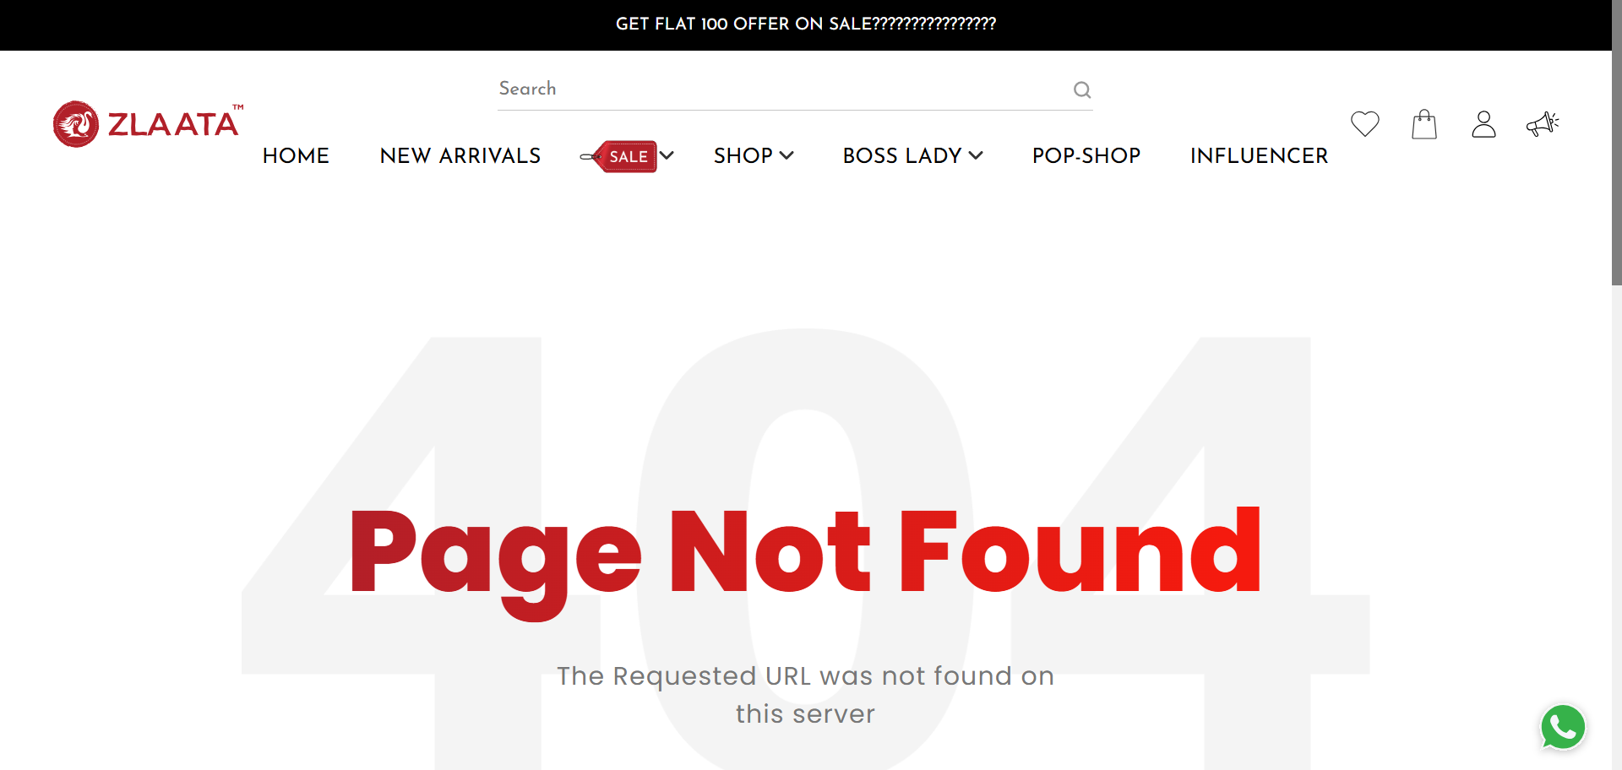
TC_UI_Zlaata_ADM_09 | TC_UI_Zlaata_ADM_09 |Verify bulk uploaded Collection appear in Admin and User App.| "TD_UI_Zlaata_ADM_09" | 77.774 | Sarojkumar | Fail | N/A |  |  | 0 | 0 | 0 | 0 | 0 | 0
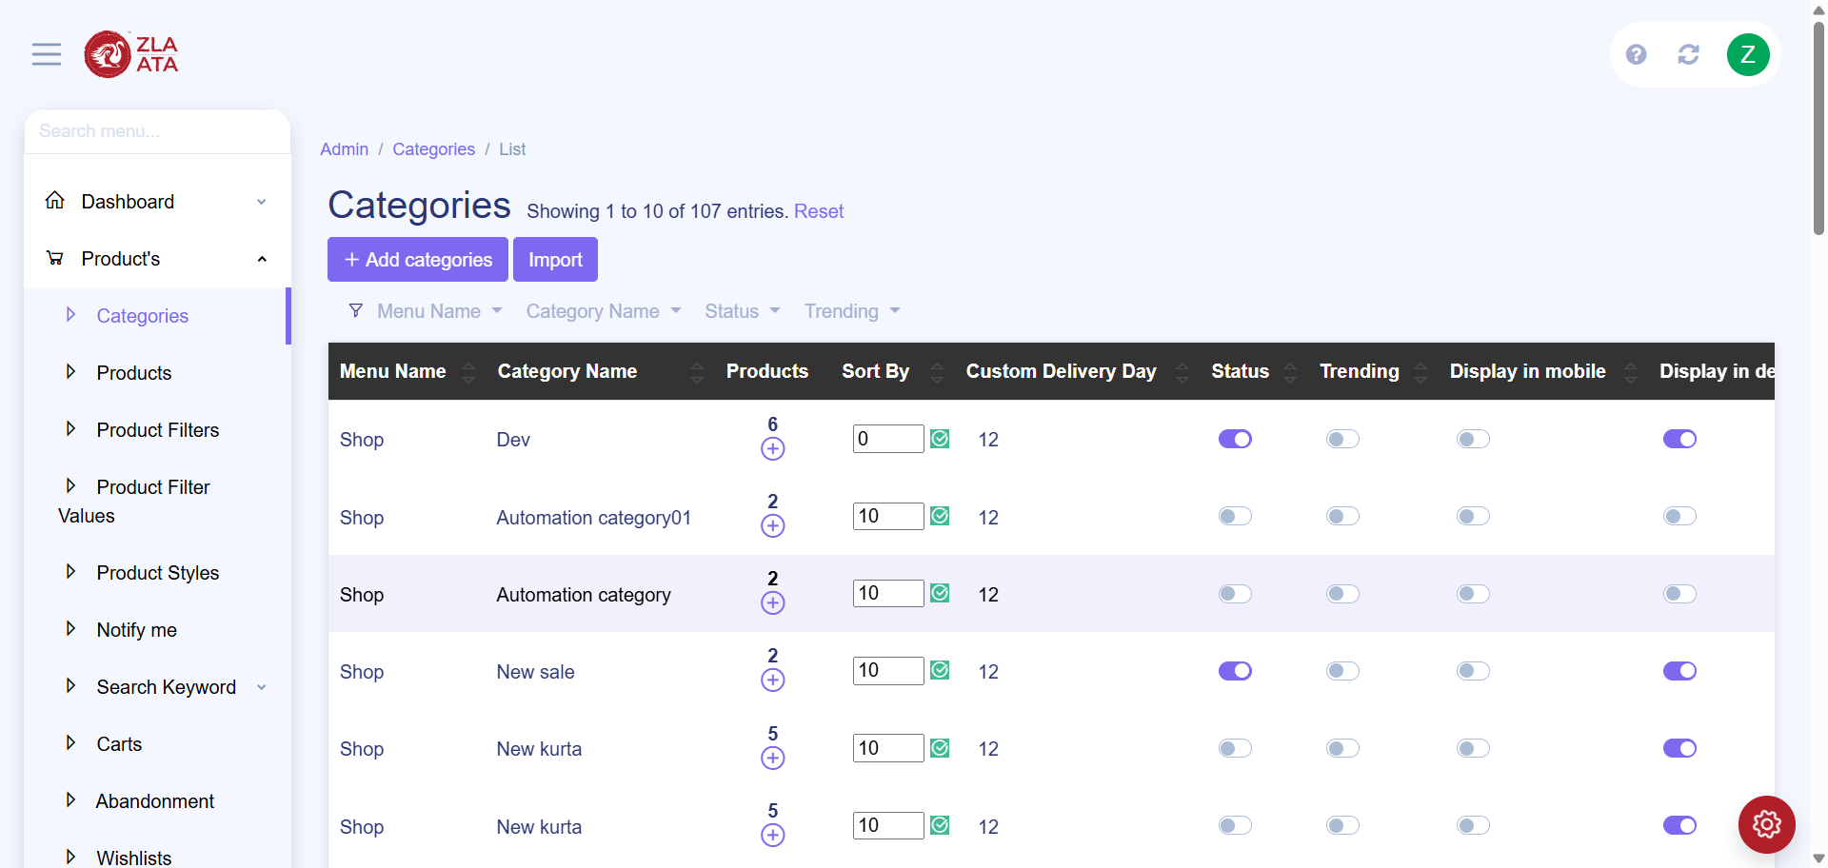
TC_UI_Zlaata_ADM_08 | TC_UI_Zlaata_ADM_08 |Verify uploaded categories appear in Admin and User App.| "TD_UI_Zlaata_ADM_08" | 9.579 | Sarojkumar | Fail | N/A |  |  | 0 | 0 | 0 | 0 | 0 | 0

TC_UI_Zlaata_ADM_08 | TC_UI_Zlaata_ADM_08 |Verify uploaded categories appear in Admin and User App.| "TD_UI_Zlaata_ADM_08" | 82.837 | Sarojkumar | Fail | N/A |  |  | 0 | 0 | 0 | 0 | 0 | 0

TC_UI_Zlaata_ADM_08 | TC_UI_Zlaata_ADM_08 |Verify uploaded categories appear in Admin and User App.| "TD_UI_Zlaata_ADM_08" | 78.085 | Sarojkumar | Fail | N/A |  |  | 0 | 0 | 0 | 0 | 0 | 0
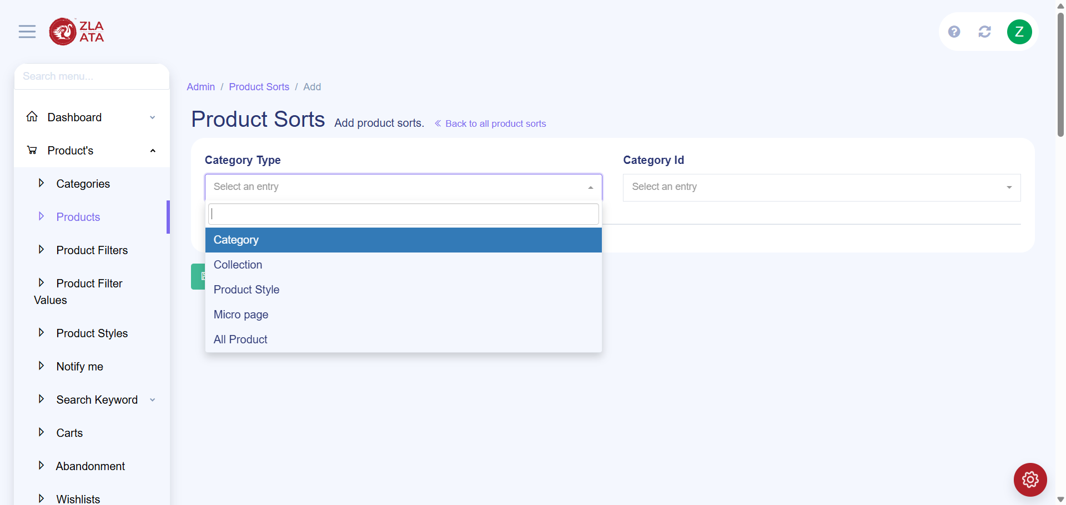
TC_UI_Zlaata_ADM_08 | TC_UI_Zlaata_ADM_08 |Verify uploaded categories appear in Admin and User App.| "TD_UI_Zlaata_ADM_08" | 94.078 | Sarojkumar | Fail | N/A |  |  | 0 | 0 | 0 | 0 | 0 | 0
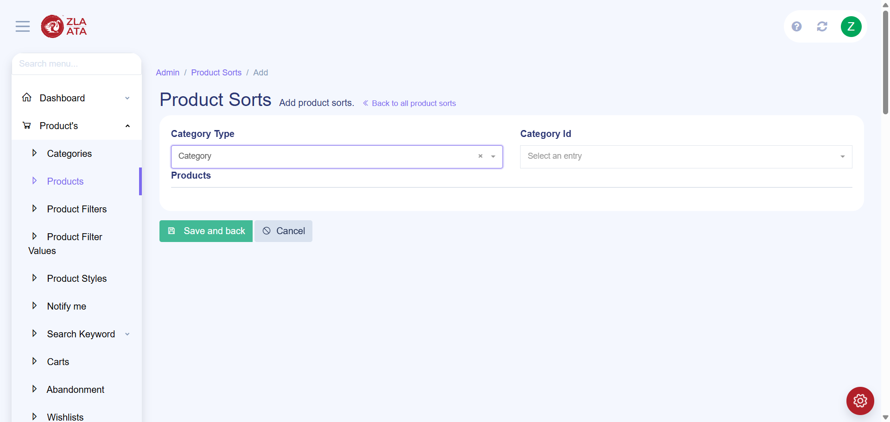
TC_UI_Zlaata_ADM_08 | TC_UI_Zlaata_ADM_08 |Verify uploaded categories appear in Admin and User App.| "TD_UI_Zlaata_ADM_08" | 94.511 | Sarojkumar | Fail | N/A |  |  | 0 | 0 | 0 | 0 | 0 | 0

TC_UI_Zlaata_ADM_08 | TC_UI_Zlaata_ADM_08 |Verify uploaded categories appear in Admin and User App.| "TD_UI_Zlaata_ADM_08" | 36.982 | Sarojkumar | Fail | N/A |  |  | 0 | 0 | 0 | 0 | 0 | 0

TC_UI_Zlaata_ADM_08 | TC_UI_Zlaata_ADM_08 |Verify uploaded categories appear in Admin and User App.| "TD_UI_Zlaata_ADM_08" | 33.401 | Sarojkumar | Fail | N/A |  |  | 0 | 0 | 0 | 0 | 0 | 0
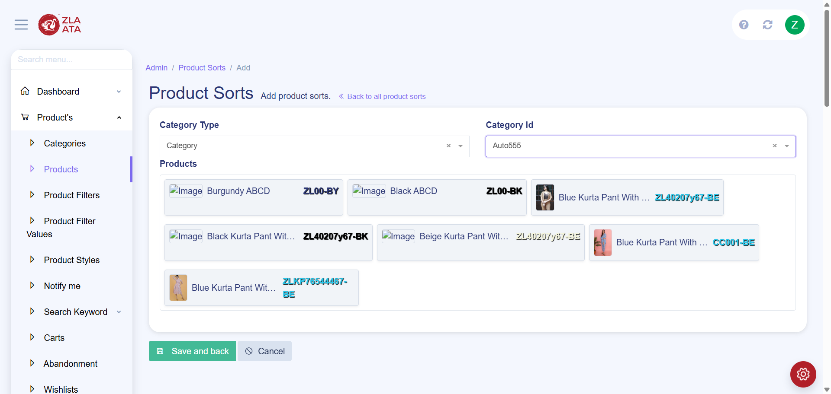
TC_UI_Zlaata_ADM_08 | TC_UI_Zlaata_ADM_08 |Verify uploaded categories appear in Admin and User App.| "TD_UI_Zlaata_ADM_08" | 60.39 | Sarojkumar | Fail | N/A |  |  | 0 | 0 | 0 | 0 | 0 | 0

TC_UI_Zlaata_ADM_08 | TC_UI_Zlaata_ADM_08 |Verify uploaded categories appear in Admin and User App.| "TD_UI_Zlaata_ADM_08" | 72.211 | Sarojkumar | Fail | N/A |  |  | 0 | 0 | 0 | 0 | 0 | 0

TC_UI_Zlaata_ADM_08 | TC_UI_Zlaata_ADM_08 |Verify uploaded categories appear in Admin and User App.| "TD_UI_Zlaata_ADM_08" | 104.899 | Sarojkumar | Fail | N/A |  |  | 0 | 0 | 0 | 0 | 0 | 0

