2025-08-19
SERVER: QA
FEATURES RUNNED: 1
FEATURE FILES: Coupon
TOTAL TEST CASE EXECUTED : 1
TOTAL PASSED : 0
TOTAL FAILED : 1
TOTAL TIME EXECUTED : 62 sec | TestCase Name | Duration (s) | Executed By | Status | Error Message | Product Details | Screenshot
TC_UI_Zlaata_CP_01 | TC_UI_Zlaata_CP_01 | Verify login popup is displayed when coupon apply button is clicked before user login | "TD_UI_Zlaata_CP_01" | 13.939 | Ranjith | Pass | N/A |  |  | 0 | 0 | 0 | 0 | 0 | 0
TC_UI_Zlaata_CP_02 | TC_UI_Zlaata_CP_02 | Verify Apply Feedback Coupon before submitting feedback | "TD_UI_Zlaata_CP_02" | 56.088 | Ranjith | Pass | N/A |  |  | 0 | 0 | 0 | 0 | 0 | 0
TC_UI_Zlaata_CP_03 | TC_UI_Zlaata_CP_03 | Verify Apply FIRSTBUY Coupon before placing the first order | "TD_UI_Zlaata_CP_03" | 58.238 | Ranjith | Pass | N/A |  |  | 0 | 0 | 0 | 0 | 0 | 0
TC_UI_Zlaata_CP_04 | TC_UI_Zlaata_CP_04 | Verify Apply Newsletter Coupon before subscribing to newsletter | "TD_UI_Zlaata_CP_04" | 57.537 | Ranjith | Pass | N/A |  |  | 0 | 0 | 0 | 0 | 0 | 0
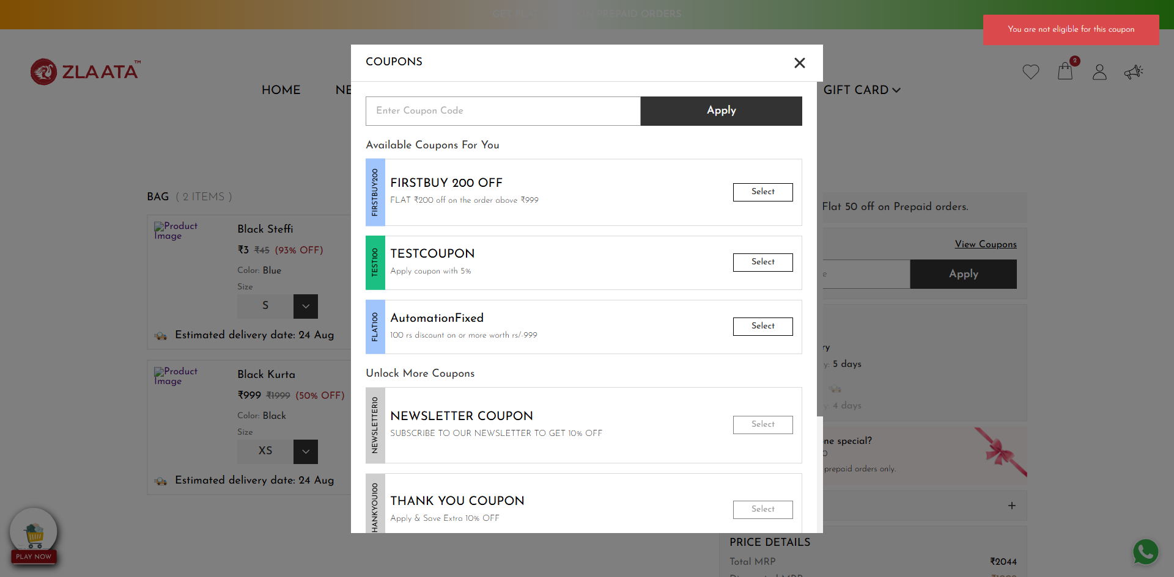
TC_UI_Zlaata_CP_05 | TC_UI_Zlaata_CP_05 | Verify applying Feedback Coupon after submitting feedback | "TD_UI_Zlaata_CP_05" | 87.686 | Ranjith | Fail | N/A |  |  | 0 | 0 | 0 | 0 | 0 | 0
TC_UI_Zlaata_CP_06 | TC_UI_Zlaata_CP_06 | Verify applying FIRSTBUY Coupon after placing the first order | "TD_UI_Zlaata_CP_06" | 20.605 | Ranjith | Pass | N/A |  |  | 0 | 0 | 0 | 0 | 0 | 0
TC_UI_Zlaata_CP_07 | TC_UI_Zlaata_CP_07 | Verify applying Newsletter Coupon after subscribing to the newsletter | "TD_UI_Zlaata_CP_07" | 96.664 | Ranjith | Pass | N/A |  |  | 0 | 0 | 0 | 0 | 0 | 0
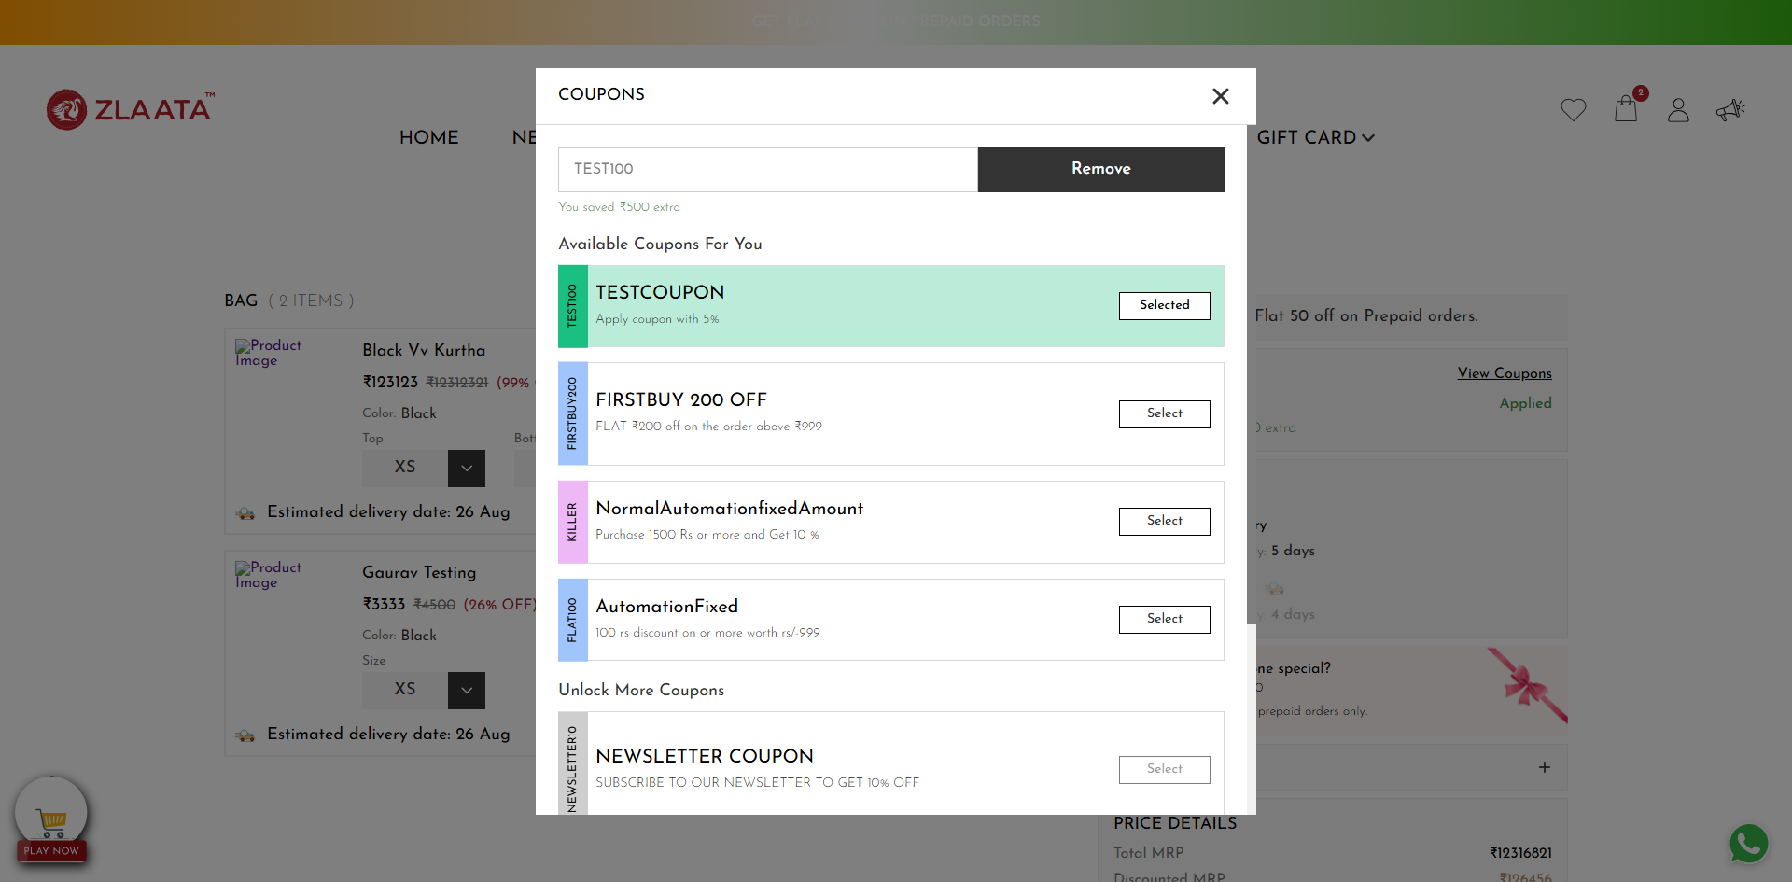
TC_UI_Zlaata_CP_08 | TC_UI_Zlaata_CP_08 | Verify applying a Normal Coupon with percentage discount | "TD_UI_Zlaata_CP_08" | 130.76 | Ranjith | Fail | org.openqa.selenium.TimeoutException: Expected condition failed: waiting for visibility of all [Decorated {[[ChromeDriver: chrome on windows (2e05a870e8808c08b44f14a9f9c62958)] -> xpath: //div[@class='coupon_details']//p]}, Decorated {[[ChromeDriver: chrome on windows (2e05a870e8808c08b44f14a9f9c62958)] -> xpath: //div[@class='coupon_details']//p]}, Decorated {[[ChromeDriver: chrome on windows (2e05a870e8808c08b44f14a9f9c62958)] -> xpath: //div[@class='coupon_details']//p]}, Decorated {[[ChromeDriver: chrome on windows (2e05a870e8808c08b44f14a9f9c62958)] -> xpath: //div[@class='coupon_details']//p]}, Decorated {[[ChromeDriver: chrome on windows (2e05a870e8808c08b44f14a9f9c62958)] -> xpath: //div[@class='coupon_details']//p]}, Decorated {[[ChromeDriver: chrome on windows (2e05a870e8808c08b44f14a9f9c62958)] -> xpath: //div[@class='coupon_details']//p]}, Decorated {[[ChromeDriver: chrome on windows (2e05a870e8808c08b44f14a9f9c62958)] -> xpath: //div[@class='coupon_details']//p]}] (tried for 5 second(s) with 500 milliseconds interval) Build info: version: '4.34.0', revision: '707dcb4246*' System info: os.name: 'Windows 11', os.arch: 'amd64', os.version: '10.0', java.version: '22.0.1' Driver info: net.bytebuddy.renamed.java.lang.Object$ByteBuddy$x1ruqLtF Capabilities {acceptInsecureCerts: true, browserName: chrome, browserVersion: 139.0.7258.67, chrome: {chromedriverVersion: 139.0.7258.68 (40ff94600b6e..., userDataDir: C:\Users\Ranjith\AppData\Lo...}, fedcm:accounts: true, goog:chromeOptions: {debuggerAddress: localhost:51743}, networkConnectionEnabled: false, pageLoadStrategy: normal, platformName: windows, proxy: Proxy(), se:cdp: ws://localhost:51743/devtoo..., se:cdpVersion: 139.0.7258.67, setWindowRect: true, strictFileInteractability: false, timeouts: {implicit: 0, pageLoad: 300000, script: 30000}, unhandledPromptBehavior: dismiss and notify, webauthn:extension:credBlob: true, webauthn:extension:largeBlob: true, webauthn:extension:minPinLength: true, webauthn:extens |  |  | 0 | 0 | 0 | 0 | 0 | 0
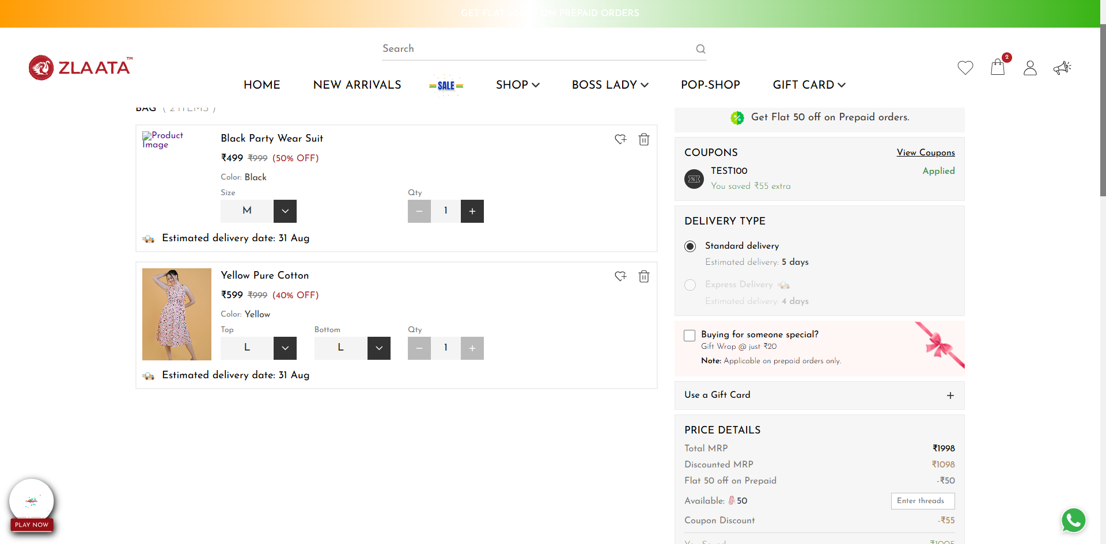
TC_UI_Zlaata_CP_09 | TC_UI_Zlaata_CP_09 |Verify Apply Normal Coupon with fixed amount| "TD_UI_Zlaata_CP_09" | 161.261 | Ranjith | Fail | org.openqa.selenium.TimeoutException: Expected condition failed: waiting for element to be clickable: Proxy element for: DefaultElementLocator 'By.xpath: //div[@class='coupon_popup popup_containers active']//button[@class='coupon_input_apply_btn ']' (tried for 5 second(s) with 500 milliseconds interval) at org.openqa.selenium.support.ui.WebDriverWait.timeoutException(WebDriverWait.java:84) at org.openqa.selenium.support.ui.FluentWait.until(FluentWait.java:228) at pages.CouponPage.clickApplyButtonPop(CouponPage.java:69) at stepDef.CouponFunctionality.user_clicks_on_the_apply_button_in_the_coupon_popup(CouponFunctionality.java:80) at ✽.User clicks on the Apply button in the coupon popup(file:///C:/Users/Ranjith/Downloads/ZlaataProductionPGR%20(3)/ZlaataProductionPGR/src/test/resources/features/CouponModule/Coupon.feature:98) Caused by: org.openqa.selenium.NoSuchElementException: no such element: Unable to locate element: {"method":"xpath","selector":"//div[@class='coupon_popup popup_containers active']//button[@class='coupon_input_apply_btn ']"} (Session info: chrome=139.0.7258.67) For documentation on this error, please visit: https://www.selenium.dev/documentation/webdriver/troubleshooting/errors#no-such-element-exception Build info: version: '4.34.0', revision: '707dcb4246*' System info: os.name: 'Windows 11', os.arch: 'amd64', os.version: '10.0', java.version: '22.0.1' Driver info: org.openqa.selenium.chrome.ChromeDriver Command: [38d8a7ee1c772e880eba296a73193242, findElement {using=xpath, value=//div[@class='coupon_popup popup_containers active']//button[@class='coupon_input_apply_btn ']}] Capabilities {acceptInsecureCerts: true, browserName: chrome, browserVersion: 139.0.7258.67, chrome: {chromedriverVersion: 139.0.7258.68 (40ff94600b6e..., userDataDir: C:\Users\Ranjith\AppData\Lo...}, fedcm:accounts: true, goog:chromeOptions: {debuggerAddress: localhost:51923}, networkConnectionEnabled: false, pageLoadStrategy: normal, platformName: windows, proxy: |  |  | 0 | 0 | 0 | 0 | 0 | 0
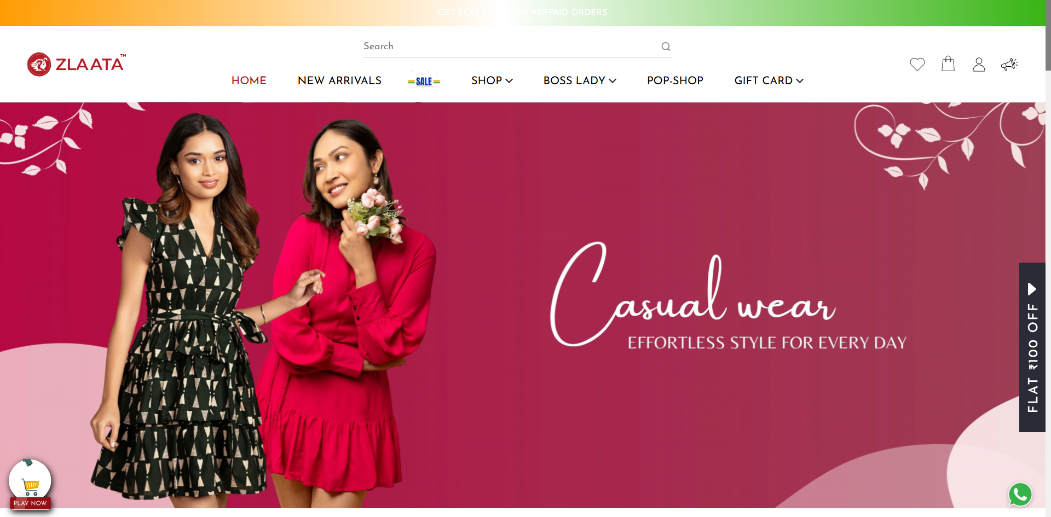
TC_UI_Zlaata_CP_10 | TC_UI_Zlaata_CP_10 | Verify Apply Special Coupon with percentage discount | "TD_UI_Zlaata_CP_10" | 51.1 | Ranjith | Fail | org.openqa.selenium.ElementNotInteractableException: element not interactable: https://qa.zlta.testingserver8.com/all has no size and location (Session info: chrome=139.0.7258.67) Build info: version: '4.34.0', revision: '707dcb4246*' System info: os.name: 'Windows 11', os.arch: 'amd64', os.version: '10.0', java.version: '22.0.1' Driver info: org.openqa.selenium.chrome.ChromeDriver Command: [f98266dae29c4d8b47acb3dc588c26c5, actions {actions=[org.openqa.selenium.interactions.Sequence@3e7935f1]}] Capabilities {acceptInsecureCerts: true, browserName: chrome, browserVersion: 139.0.7258.67, chrome: {chromedriverVersion: 139.0.7258.68 (40ff94600b6e..., userDataDir: C:\Users\Ranjith\AppData\Lo...}, fedcm:accounts: true, goog:chromeOptions: {debuggerAddress: localhost:52101}, networkConnectionEnabled: false, pageLoadStrategy: normal, platformName: windows, proxy: Proxy(), se:cdp: ws://localhost:52101/devtoo..., se:cdpVersion: 139.0.7258.67, setWindowRect: true, strictFileInteractability: false, timeouts: {implicit: 0, pageLoad: 300000, script: 30000}, unhandledPromptBehavior: dismiss and notify, webauthn:extension:credBlob: true, webauthn:extension:largeBlob: true, webauthn:extension:minPinLength: true, webauthn:extension:prf: true, webauthn:virtualAuthenticators: true} Session ID: f98266dae29c4d8b47acb3dc588c26c5 at java.base/jdk.internal.reflect.DirectConstructorHandleAccessor.newInstance(DirectConstructorHandleAccessor.java:62) at java.base/java.lang.reflect.Constructor.newInstanceWithCaller(Constructor.java:502) at java.base/java.lang.reflect.Constructor.newInstance(Constructor.java:486) at org.openqa.selenium.remote.ErrorCodec.decode(ErrorCodec.java:167) at org.openqa.selenium.remote.codec.w3c.W3CHttpResponseCodec.decode(W3CHttpResponseCodec.java:138) at org.openqa.selenium.remote.codec.w3c.W3CHttpResponseCodec.decode(W3CHttpResponseCodec.java:50) at org.openqa.selenium.remote.HttpCommandExecutor.execute(HttpCommandExecutor.java:215) at org.openqa.se |  |  | 0 | 0 | 0 | 0 | 0 | 0
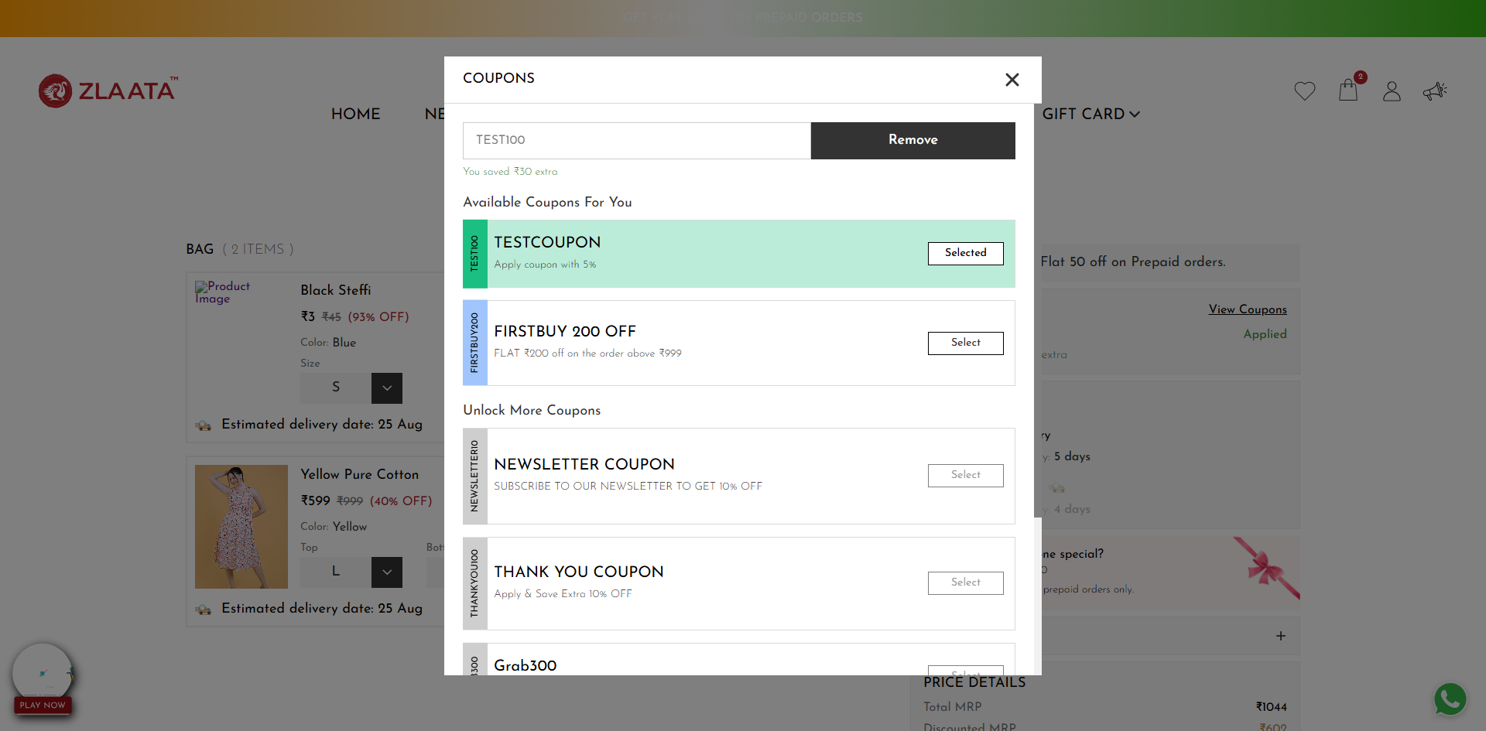
TC_UI_Zlaata_CP_11 | TC_UI_Zlaata_CP_11 |Verify Apply Special Coupon with fixed amount | "TD_UI_Zlaata_CP_11" | 156.598 | Ranjith | Fail | org.openqa.selenium.TimeoutException: Expected condition failed: waiting for element to be clickable: Proxy element for: DefaultElementLocator 'By.xpath: //div[@class='coupon_popup popup_containers active']//button[@class='coupon_input_apply_btn ']' (tried for 5 second(s) with 500 milliseconds interval) at org.openqa.selenium.support.ui.WebDriverWait.timeoutException(WebDriverWait.java:84) at org.openqa.selenium.support.ui.FluentWait.until(FluentWait.java:228) at pages.CouponPage.clickApplyButtonPop(CouponPage.java:69) at stepDef.CouponFunctionality.user_clicks_on_the_apply_button_in_the_coupon_popup(CouponFunctionality.java:80) at ✽.User clicks on the Apply button in the coupon popup(file:///C:/Users/Ranjith/Downloads/ZlaataProductionPGR%20(3)/ZlaataProductionPGR/src/test/resources/features/CouponModule/Coupon.feature:122) Caused by: org.openqa.selenium.NoSuchElementException: no such element: Unable to locate element: {"method":"xpath","selector":"//div[@class='coupon_popup popup_containers active']//button[@class='coupon_input_apply_btn ']"} (Session info: chrome=139.0.7258.67) For documentation on this error, please visit: https://www.selenium.dev/documentation/webdriver/troubleshooting/errors#no-such-element-exception Build info: version: '4.34.0', revision: '707dcb4246*' System info: os.name: 'Windows 11', os.arch: 'amd64', os.version: '10.0', java.version: '22.0.1' Driver info: org.openqa.selenium.chrome.ChromeDriver Command: [9ef16f2850f388be31995025be2ae205, findElement {using=xpath, value=//div[@class='coupon_popup popup_containers active']//button[@class='coupon_input_apply_btn ']}] Capabilities {acceptInsecureCerts: true, browserName: chrome, browserVersion: 139.0.7258.67, chrome: {chromedriverVersion: 139.0.7258.68 (40ff94600b6e..., userDataDir: C:\Users\Ranjith\AppData\Lo...}, fedcm:accounts: true, goog:chromeOptions: {debuggerAddress: localhost:52198}, networkConnectionEnabled: false, pageLoadStrategy: normal, platformName: windows, proxy |  |  | 0 | 0 | 0 | 0 | 0 | 0
TC_UI_Zlaata_CP_12 | TC_UI_Zlaata_CP_12 |Verify Available Coupons when minimum purchase is reached| "TD_UI_Zlaata_CP_12" | 55.817 | Ranjith | Pass | N/A |  |  | 0 | 0 | 0 | 0 | 0 | 0
TC_UI_Zlaata_CP_13 | TC_UI_Zlaata_CP_13 |Verify Unlock More Coupons when product does not meet minimum purchase| "TD_UI_Zlaata_CP_13" | 55.638 | Ranjith | Pass | N/A |  |  | 0 | 0 | 0 | 0 | 0 | 0
TC_UI_Zlaata_CP_14 | TC_UI_Zlaata_CP_14 | Verify error message when user enters wrong coupon code | "TD_UI_Zlaata_CP_14" | 56.459 | Ranjith | Pass | N/A |  |  | 0 | 0 | 0 | 0 | 0 | 0
TC_UI_Zlaata_CP_15 | TC_UI_Zlaata_CP_15 |Verify user can login in coupon popup| "TD_UI_Zlaata_CP_15" | 55.675 | Ranjith | Pass | N/A |  |  | 0 | 0 | 0 | 0 | 0 | 0
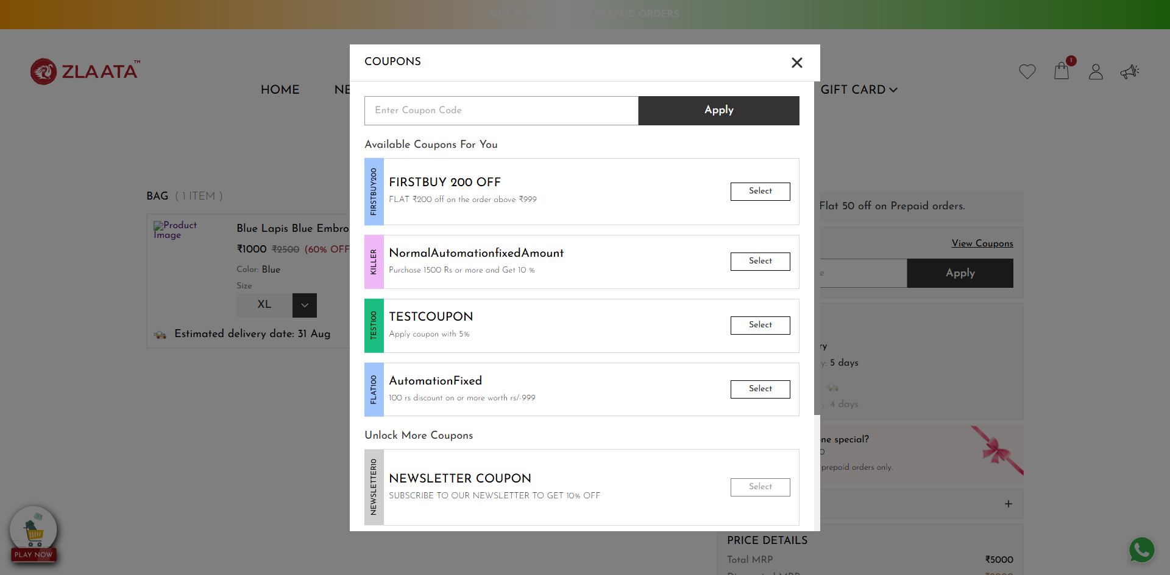
TC_UI_Zlaata_CP_16 | TC_UI_Zlaata_CP_16 | Verify Apply and Remove button in coupon text box and in coupon pop up | "TD_UI_Zlaata_CP_16" | 62.567 | Ranjith | Fail | N/A |  |  | 0 | 0 | 0 | 0 | 0 | 0
TC_UI_Zlaata_CP_17 | TC_UI_Zlaata_CP_17 | Verify that after refreshing the page, the applied coupon amount disappears or changes. | "TD_UI_Zlaata_CP_17" | 61.404 | Ranjith | Pass | N/A |  |  | 0 | 0 | 0 | 0 | 0 | 0
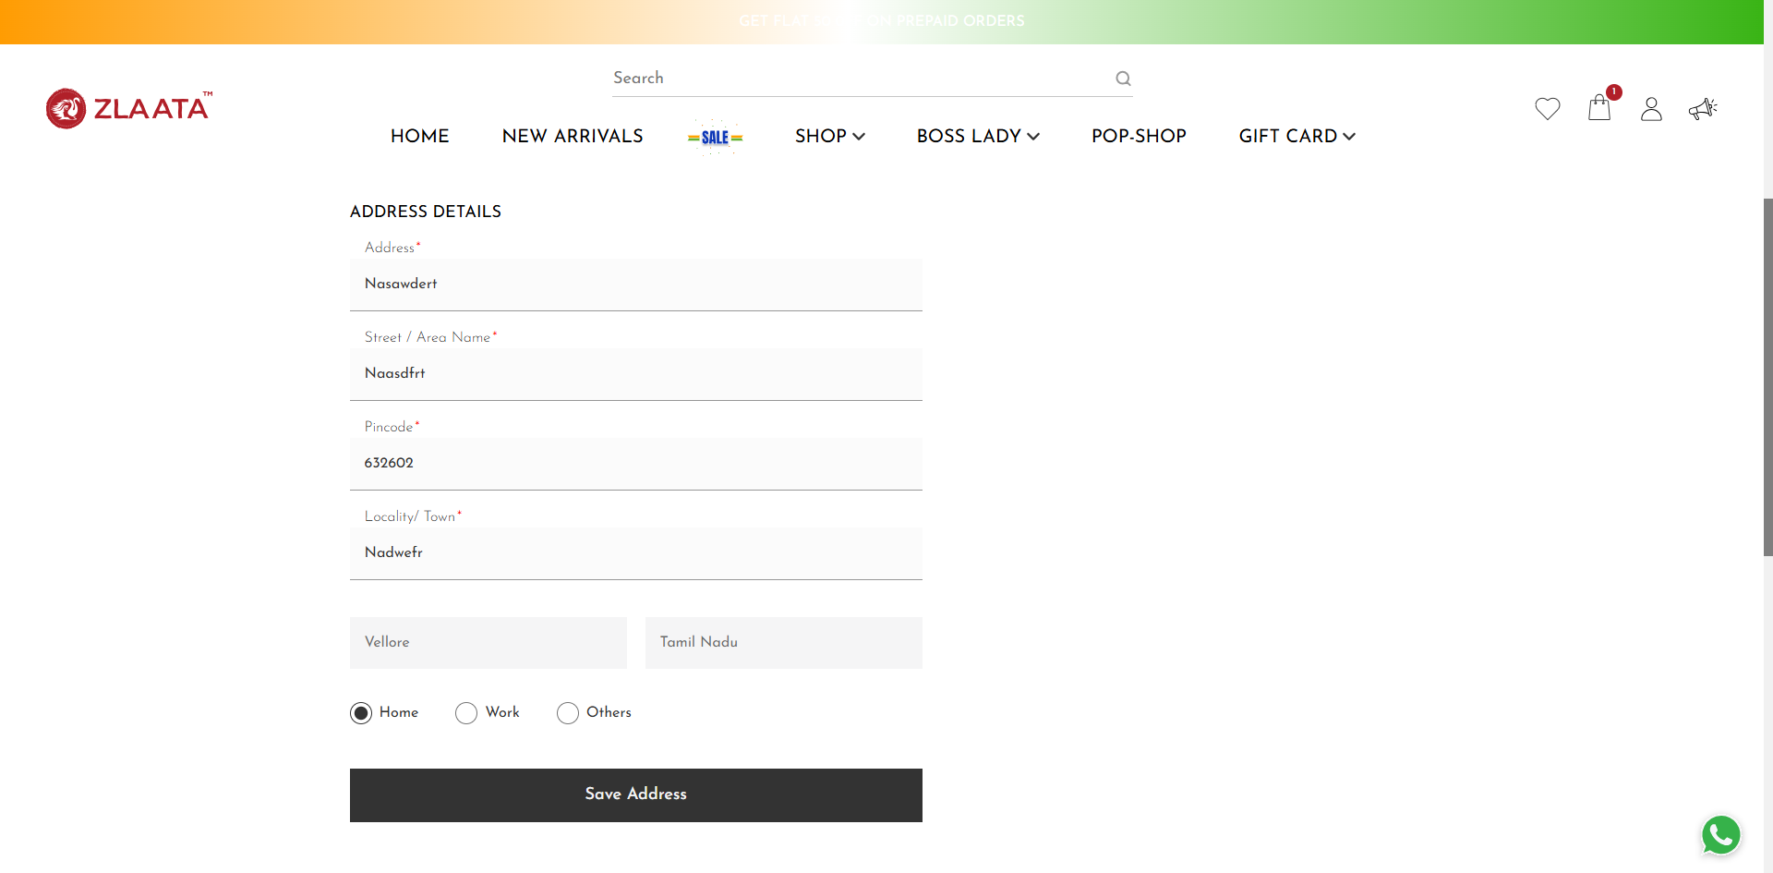
TC_UI_Zlaata_CP_18 | TC_UI_Zlaata_CP_18 | Verify same applied coupon amount is displayed on Checkout, Address, and Payment pages | "TD_UI_Zlaata_CP_18" | 114.403 | Ranjith | Fail | N/A |  |  | 0 | 0 | 0 | 0 | 0 | 0
TC_UI_Zlaata_CP_08 | TC_UI_Zlaata_CP_08 | Verify applying a Normal Coupon with percentage discount | "TD_UI_Zlaata_CP_08" | 89.648 | Ranjith | Pass | N/A |  |  | 0 | 0 | 0 | 0 | 0 | 0
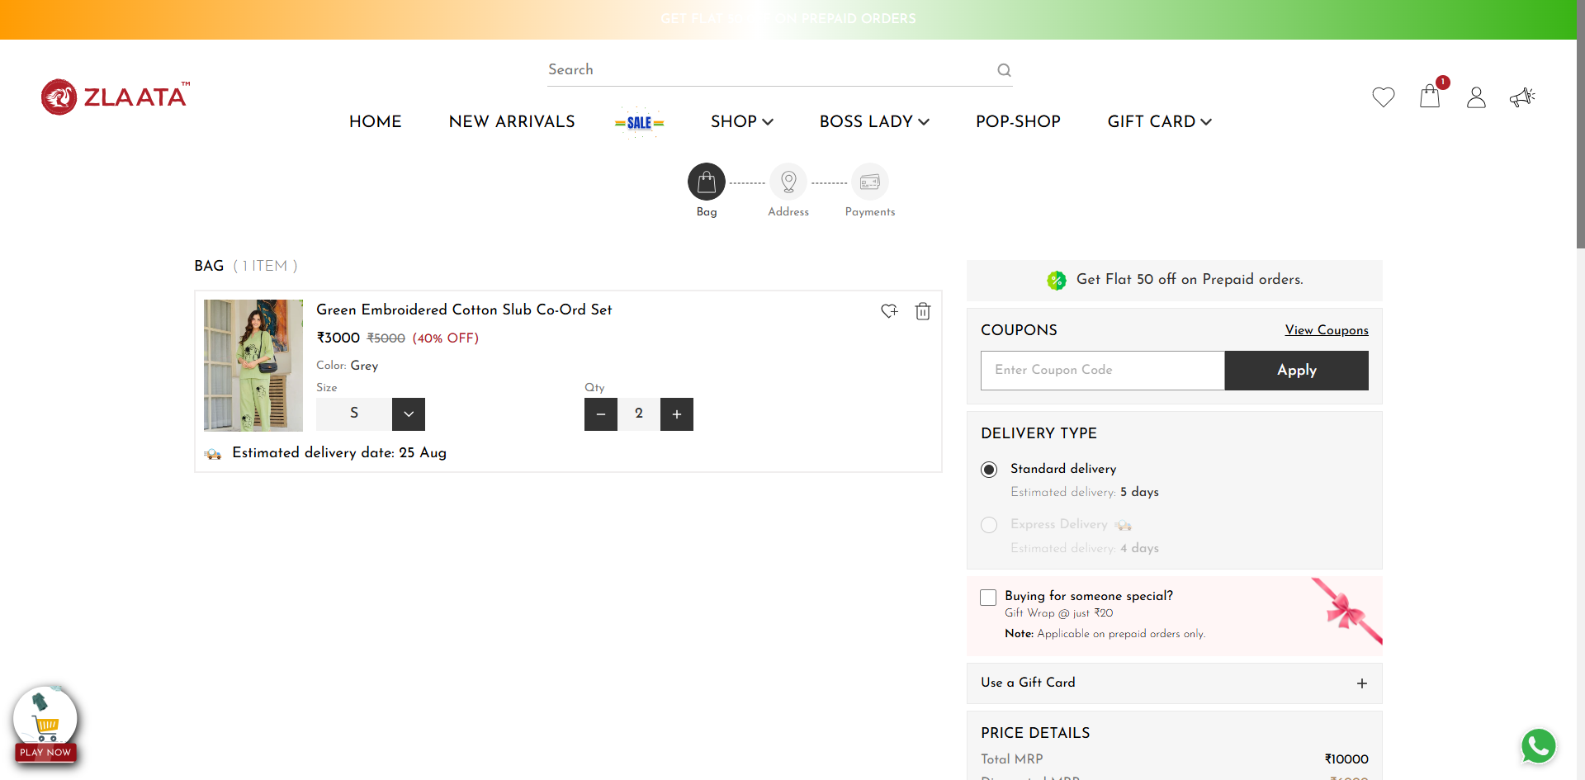
TC_UI_Zlaata_CP_09 | TC_UI_Zlaata_CP_09 |Verify Apply Normal Coupon with fixed amount| "TD_UI_Zlaata_CP_09" | 116.726 | Ranjith | Fail | org.openqa.selenium.TimeoutException: Expected condition failed: waiting for element to be clickable: Proxy element for: DefaultElementLocator 'By.xpath: //div[@class='coupon_popup popup_containers active']//button[@class='coupon_input_apply_btn ']' (tried for 5 second(s) with 500 milliseconds interval) at org.openqa.selenium.support.ui.WebDriverWait.timeoutException(WebDriverWait.java:84) at org.openqa.selenium.support.ui.FluentWait.until(FluentWait.java:228) at pages.CouponPage.clickApplyButtonPop(CouponPage.java:69) at stepDef.CouponFunctionality.user_clicks_on_the_apply_button_in_the_coupon_popup(CouponFunctionality.java:80) at ✽.User clicks on the Apply button in the coupon popup(file:///C:/Users/Ranjith/Downloads/ZlaataProductionPGR%20(3)/ZlaataProductionPGR/src/test/resources/features/CouponModule/Coupon.feature:98) Caused by: org.openqa.selenium.NoSuchElementException: no such element: Unable to locate element: {"method":"xpath","selector":"//div[@class='coupon_popup popup_containers active']//button[@class='coupon_input_apply_btn ']"} (Session info: chrome=139.0.7258.67) For documentation on this error, please visit: https://www.selenium.dev/documentation/webdriver/troubleshooting/errors#no-such-element-exception Build info: version: '4.34.0', revision: '707dcb4246*' System info: os.name: 'Windows 11', os.arch: 'amd64', os.version: '10.0', java.version: '22.0.1' Driver info: org.openqa.selenium.chrome.ChromeDriver Command: [2c12ddc94c581b061b44e56ee13990e5, findElement {using=xpath, value=//div[@class='coupon_popup popup_containers active']//button[@class='coupon_input_apply_btn ']}] Capabilities {acceptInsecureCerts: true, browserName: chrome, browserVersion: 139.0.7258.67, chrome: {chromedriverVersion: 139.0.7258.68 (40ff94600b6e..., userDataDir: C:\Users\Ranjith\AppData\Lo...}, fedcm:accounts: true, goog:chromeOptions: {debuggerAddress: localhost:53568}, networkConnectionEnabled: false, pageLoadStrategy: normal, platformName: windows, proxy: |  |  | 0 | 0 | 0 | 0 | 0 | 0
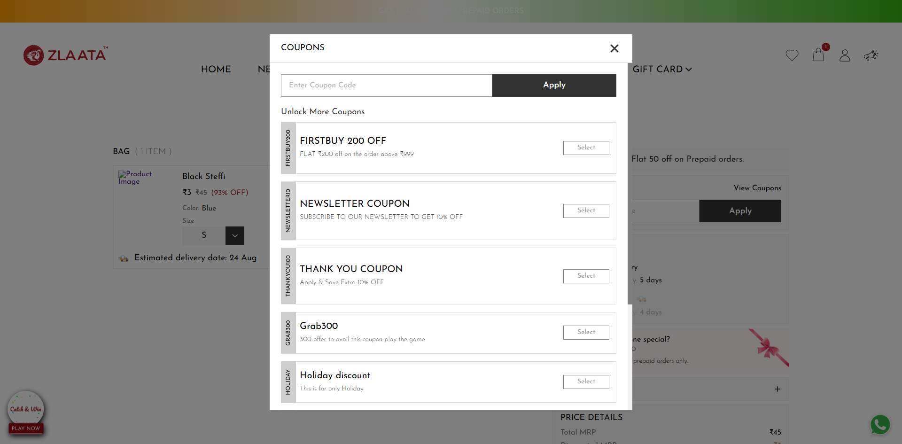
TC_UI_Zlaata_CP_10 | TC_UI_Zlaata_CP_10 | Verify Apply Special Coupon with percentage discount | "TD_UI_Zlaata_CP_10" | 60.719 | Ranjith | Fail | N/A |  |  | 0 | 0 | 0 | 0 | 0 | 0
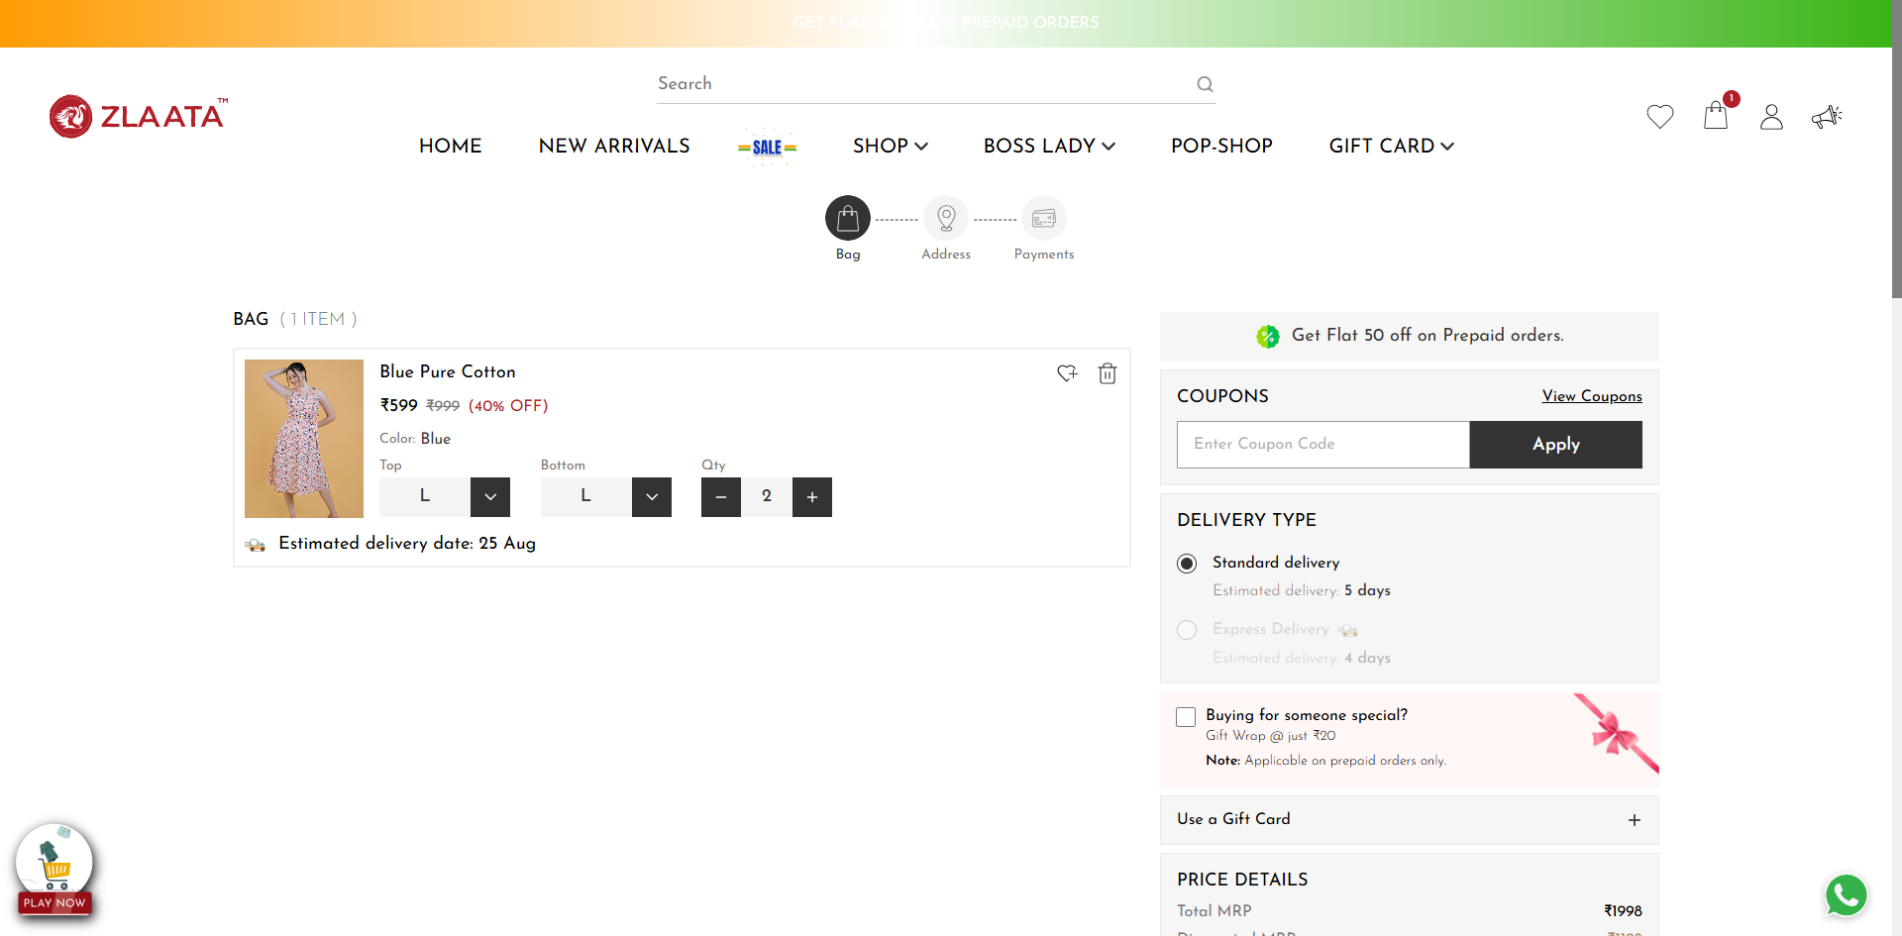
TC_UI_Zlaata_CP_11 | TC_UI_Zlaata_CP_11 |Verify Apply Special Coupon with fixed amount | "TD_UI_Zlaata_CP_11" | 116.537 | Ranjith | Fail | org.openqa.selenium.TimeoutException: Expected condition failed: waiting for element to be clickable: Proxy element for: DefaultElementLocator 'By.xpath: //div[@class='coupon_popup popup_containers active']//button[@class='coupon_input_apply_btn ']' (tried for 5 second(s) with 500 milliseconds interval) at org.openqa.selenium.support.ui.WebDriverWait.timeoutException(WebDriverWait.java:84) at org.openqa.selenium.support.ui.FluentWait.until(FluentWait.java:228) at pages.CouponPage.clickApplyButtonPop(CouponPage.java:69) at stepDef.CouponFunctionality.user_clicks_on_the_apply_button_in_the_coupon_popup(CouponFunctionality.java:80) at ✽.User clicks on the Apply button in the coupon popup(file:///C:/Users/Ranjith/Downloads/ZlaataProductionPGR%20(3)/ZlaataProductionPGR/src/test/resources/features/CouponModule/Coupon.feature:122) Caused by: org.openqa.selenium.NoSuchElementException: no such element: Unable to locate element: {"method":"xpath","selector":"//div[@class='coupon_popup popup_containers active']//button[@class='coupon_input_apply_btn ']"} (Session info: chrome=139.0.7258.67) For documentation on this error, please visit: https://www.selenium.dev/documentation/webdriver/troubleshooting/errors#no-such-element-exception Build info: version: '4.34.0', revision: '707dcb4246*' System info: os.name: 'Windows 11', os.arch: 'amd64', os.version: '10.0', java.version: '22.0.1' Driver info: org.openqa.selenium.chrome.ChromeDriver Command: [006572bb87317192a3ca9ca4361042d0, findElement {using=xpath, value=//div[@class='coupon_popup popup_containers active']//button[@class='coupon_input_apply_btn ']}] Capabilities {acceptInsecureCerts: true, browserName: chrome, browserVersion: 139.0.7258.67, chrome: {chromedriverVersion: 139.0.7258.68 (40ff94600b6e..., userDataDir: C:\Users\Ranjith\AppData\Lo...}, fedcm:accounts: true, goog:chromeOptions: {debuggerAddress: localhost:53823}, networkConnectionEnabled: false, pageLoadStrategy: normal, platformName: windows, proxy |  |  | 0 | 0 | 0 | 0 | 0 | 0
TC_UI_Zlaata_CP_08 | TC_UI_Zlaata_CP_08 | Verify applying a Normal Coupon with percentage discount | "TD_UI_Zlaata_CP_08" | 104.934 | Ranjith | Pass | N/A |  |  | 0 | 0 | 0 | 0 | 0 | 0
TC_UI_Zlaata_CP_09 | TC_UI_Zlaata_CP_09 |Verify Apply Normal Coupon with fixed amount| "TD_UI_Zlaata_CP_09" | 62.429 | Ranjith | Pass | N/A |  |  | 0 | 0 | 0 | 0 | 0 | 0
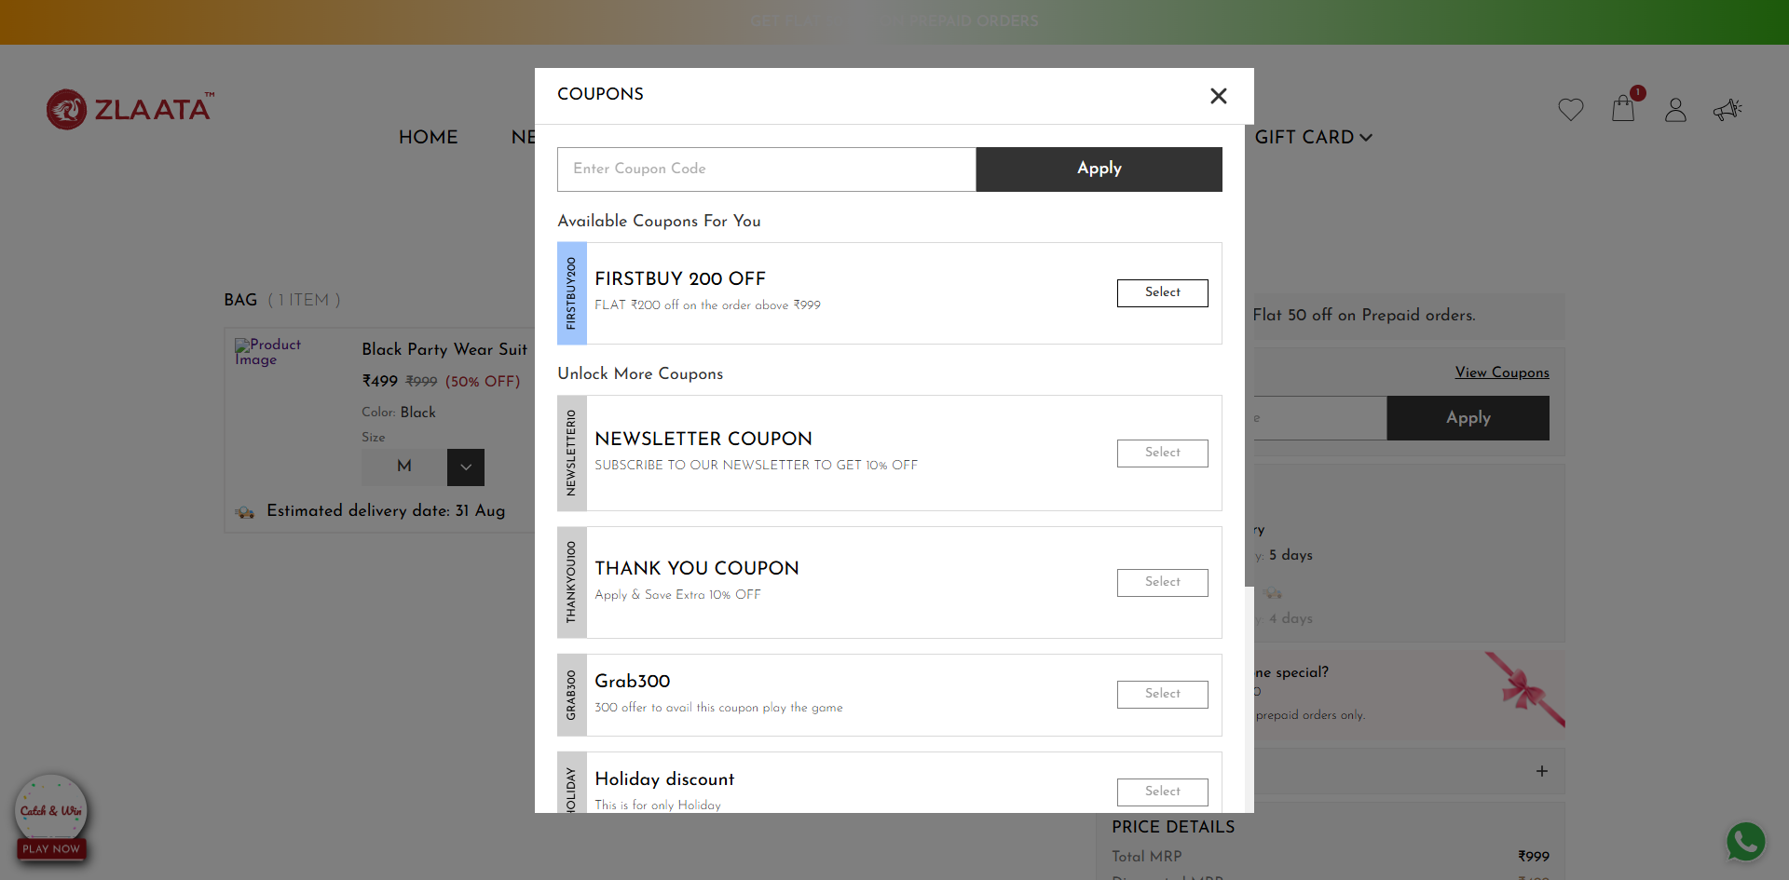
TC_UI_Zlaata_CP_10 | TC_UI_Zlaata_CP_10 | Verify Apply Special Coupon with percentage discount | "TD_UI_Zlaata_CP_10" | 61.227 | Ranjith | Fail | N/A |  |  | 0 | 0 | 0 | 0 | 0 | 0
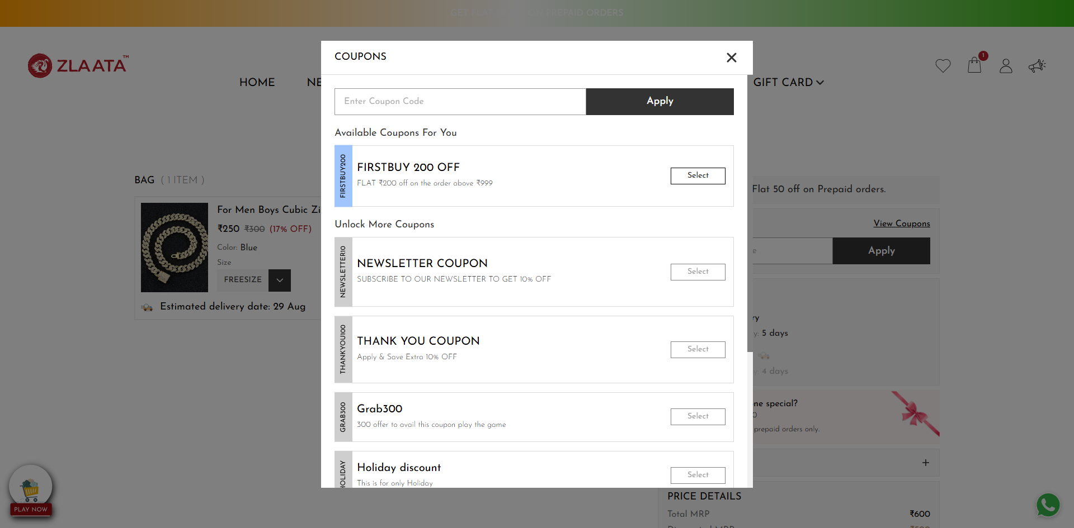
TC_UI_Zlaata_CP_11 | TC_UI_Zlaata_CP_11 |Verify Apply Special Coupon with fixed amount | "TD_UI_Zlaata_CP_11" | 57.078 | Ranjith | Fail | org.openqa.selenium.StaleElementReferenceException: stale element reference: stale element not found in the current frame (Session info: chrome=139.0.7258.128) For documentation on this error, please visit: https://www.selenium.dev/documentation/webdriver/troubleshooting/errors#stale-element-reference-exception Build info: version: '4.34.0', revision: '707dcb4246*' System info: os.name: 'Windows 11', os.arch: 'amd64', os.version: '10.0', java.version: '22.0.1' Driver info: org.openqa.selenium.chrome.ChromeDriver Command: [7266e74df46083bc976a2c552fe920b4, clickElement {id=f.405BC8D65AB6C6EBB1B0AC64C519B357.d.321FC1085171EDF3B7EF4C99E50240AC.e.528}] Capabilities {acceptInsecureCerts: true, browserName: chrome, browserVersion: 139.0.7258.128, chrome: {chromedriverVersion: 139.0.7258.68 (40ff94600b6e..., userDataDir: C:\Users\Ranjith\AppData\Lo...}, fedcm:accounts: true, goog:chromeOptions: {debuggerAddress: localhost:52036}, networkConnectionEnabled: false, pageLoadStrategy: normal, platformName: windows, proxy: Proxy(), se:cdp: ws://localhost:52036/devtoo..., se:cdpVersion: 139.0.7258.128, setWindowRect: true, strictFileInteractability: false, timeouts: {implicit: 0, pageLoad: 300000, script: 30000}, unhandledPromptBehavior: dismiss and notify, webauthn:extension:credBlob: true, webauthn:extension:largeBlob: true, webauthn:extension:minPinLength: true, webauthn:extension:prf: true, webauthn:virtualAuthenticators: true} Element: [[ChromeDriver: chrome on windows (7266e74df46083bc976a2c552fe920b4)] -> xpath: //div[@class='coupon_popup popup_containers active']//button[@class='coupon_input_apply_btn ']] Session ID: 7266e74df46083bc976a2c552fe920b4 at java.base/jdk.internal.reflect.DirectConstructorHandleAccessor.newInstance(DirectConstructorHandleAccessor.java:62) at java.base/java.lang.reflect.Constructor.newInstanceWithCaller(Constructor.java:502) at java.base/java.lang.reflect.Constructor.newInstance(Constructor.java:486) at org.openqa.selenium.remote.Error |  |  | 0 | 0 | 0 | 0 | 0 | 0
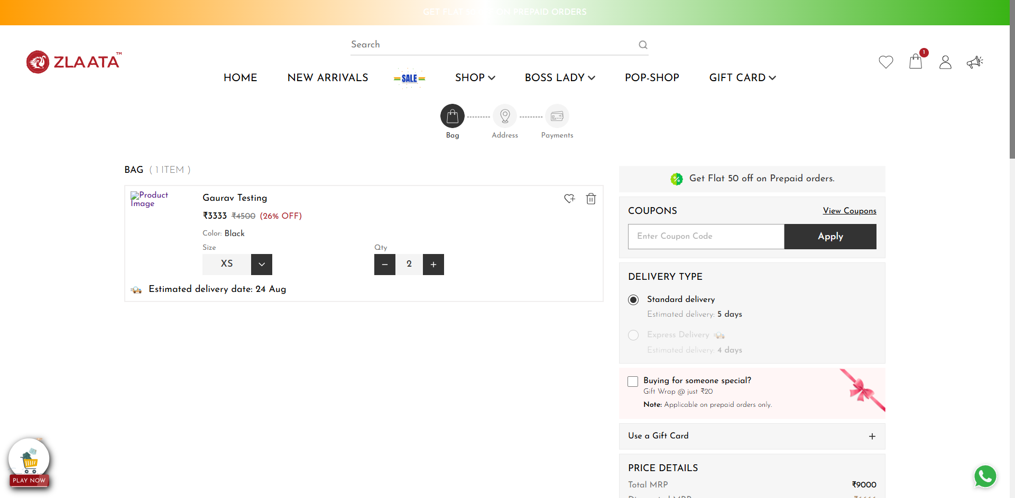
TC_UI_Zlaata_CP_16 | TC_UI_Zlaata_CP_16 | Verify Apply and Remove button in coupon text box and in coupon pop up | "TD_UI_Zlaata_CP_16" | 118.231 | Ranjith | Fail | org.openqa.selenium.TimeoutException: Expected condition failed: waiting for element to be clickable: Proxy element for: DefaultElementLocator 'By.xpath: //div[@class='coupon_popup popup_containers active']//button[@class='coupon_input_apply_btn ']' (tried for 5 second(s) with 500 milliseconds interval) at org.openqa.selenium.support.ui.WebDriverWait.timeoutException(WebDriverWait.java:84) at org.openqa.selenium.support.ui.FluentWait.until(FluentWait.java:228) at pages.CouponPage.clickApplyButtonPop(CouponPage.java:69) at stepDef.CouponFunctionality.user_clicks_on_the_apply_button_in_the_coupon_popup(CouponFunctionality.java:80) at ✽.User clicks on the Apply button in the coupon popup(file:///C:/Users/Ranjith/Downloads/ZlaataProductionPGR%20(3)/ZlaataProductionPGR/src/test/resources/features/CouponModule/Coupon.feature:175) Caused by: org.openqa.selenium.NoSuchElementException: no such element: Unable to locate element: {"method":"xpath","selector":"//div[@class='coupon_popup popup_containers active']//button[@class='coupon_input_apply_btn ']"} (Session info: chrome=139.0.7258.128) For documentation on this error, please visit: https://www.selenium.dev/documentation/webdriver/troubleshooting/errors#no-such-element-exception Build info: version: '4.34.0', revision: '707dcb4246*' System info: os.name: 'Windows 11', os.arch: 'amd64', os.version: '10.0', java.version: '22.0.1' Driver info: org.openqa.selenium.chrome.ChromeDriver Command: [80babfb8fde28ccc6d56d33cf299936f, findElement {value=//div[@class='coupon_popup popup_containers active']//button[@class='coupon_input_apply_btn '], using=xpath}] Capabilities {acceptInsecureCerts: true, browserName: chrome, browserVersion: 139.0.7258.128, chrome: {chromedriverVersion: 139.0.7258.68 (40ff94600b6e..., userDataDir: C:\Users\Ranjith\AppData\Lo...}, fedcm:accounts: true, goog:chromeOptions: {debuggerAddress: localhost:64831}, networkConnectionEnabled: false, pageLoadStrategy: normal, platformName: windows, pro |  |  | 0 | 0 | 0 | 0 | 0 | 0

TC_UI_Zlaata_CP_16 | TC_UI_Zlaata_CP_16 | Verify Apply and Remove button in coupon text box and in coupon pop up | "TD_UI_Zlaata_CP_16" | 125.315 | Ranjith | Fail | org.openqa.selenium.TimeoutException: Expected condition failed: waiting for element to be clickable: Proxy element for: DefaultElementLocator 'By.xpath: //div[@class='coupon_popup popup_containers active']//button[@class='coupon_input_apply_btn ']' (tried for 5 second(s) with 500 milliseconds interval) at org.openqa.selenium.support.ui.WebDriverWait.timeoutException(WebDriverWait.java:84) at org.openqa.selenium.support.ui.FluentWait.until(FluentWait.java:228) at pages.CouponPage.clickApplyButtonPop(CouponPage.java:69) at stepDef.CouponFunctionality.user_clicks_on_the_apply_button_in_the_coupon_popup(CouponFunctionality.java:80) at ✽.User clicks on the Apply button in the coupon popup(file:///C:/Users/Ranjith/Downloads/ZlaataProductionPGR%20(3)/ZlaataProductionPGR/src/test/resources/features/CouponModule/Coupon.feature:175) Caused by: org.openqa.selenium.NoSuchElementException: no such element: Unable to locate element: {"method":"xpath","selector":"//div[@class='coupon_popup popup_containers active']//button[@class='coupon_input_apply_btn ']"} (Session info: chrome=139.0.7258.128) For documentation on this error, please visit: https://www.selenium.dev/documentation/webdriver/troubleshooting/errors#no-such-element-exception Build info: version: '4.34.0', revision: '707dcb4246*' System info: os.name: 'Windows 11', os.arch: 'amd64', os.version: '10.0', java.version: '22.0.1' Driver info: org.openqa.selenium.chrome.ChromeDriver Command: [4e0401c09c5625b6e819607777fdd615, findElement {value=//div[@class='coupon_popup popup_containers active']//button[@class='coupon_input_apply_btn '], using=xpath}] Capabilities {acceptInsecureCerts: true, browserName: chrome, browserVersion: 139.0.7258.128, chrome: {chromedriverVersion: 139.0.7258.68 (40ff94600b6e..., userDataDir: C:\Users\Ranjith\AppData\Lo...}, fedcm:accounts: true, goog:chromeOptions: {debuggerAddress: localhost:65268}, networkConnectionEnabled: false, pageLoadStrategy: normal, platformName: windows, pro |  |  | 0 | 0 | 0 | 0 | 0 | 0
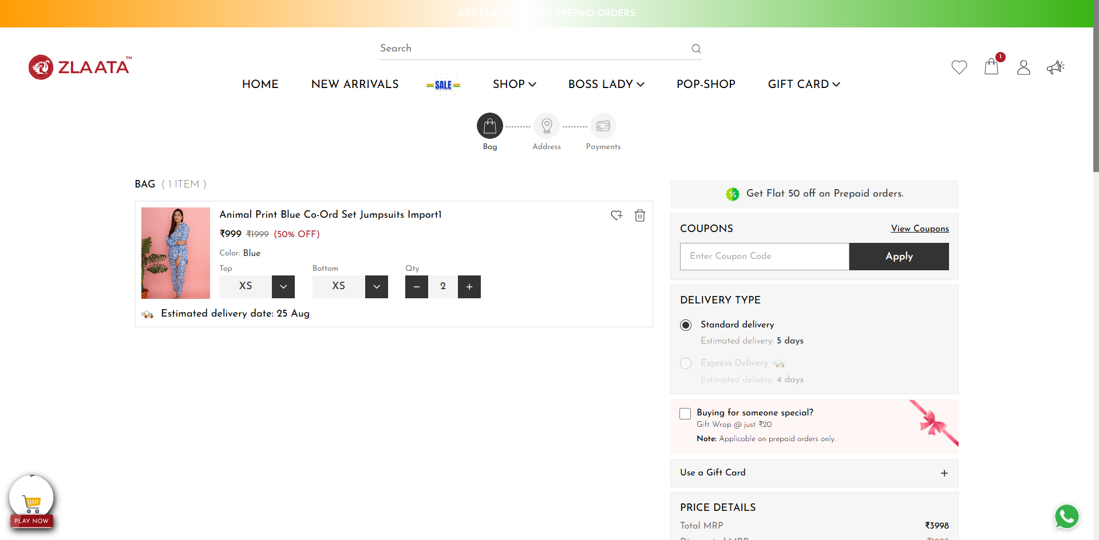
TC_UI_Zlaata_CP_16 | TC_UI_Zlaata_CP_16 | Verify Apply and Remove button in coupon text box and in coupon pop up | "TD_UI_Zlaata_CP_16" | 115.266 | Ranjith | Fail | org.openqa.selenium.TimeoutException: Expected condition failed: waiting for element to be clickable: Proxy element for: DefaultElementLocator 'By.xpath: //div[@class='coupon_popup popup_containers active']//button[@class='coupon_input_apply_btn ']' (tried for 5 second(s) with 500 milliseconds interval) at org.openqa.selenium.support.ui.WebDriverWait.timeoutException(WebDriverWait.java:84) at org.openqa.selenium.support.ui.FluentWait.until(FluentWait.java:228) at pages.CouponPage.clickApplyButtonPop(CouponPage.java:69) at stepDef.CouponFunctionality.user_clicks_on_the_apply_button_in_the_coupon_popup(CouponFunctionality.java:80) at ✽.User clicks on the Apply button in the coupon popup(file:///C:/Users/Ranjith/Downloads/ZlaataProductionPGR%20(3)/ZlaataProductionPGR/src/test/resources/features/CouponModule/Coupon.feature:175) Caused by: org.openqa.selenium.NoSuchElementException: no such element: Unable to locate element: {"method":"xpath","selector":"//div[@class='coupon_popup popup_containers active']//button[@class='coupon_input_apply_btn ']"} (Session info: chrome=139.0.7258.128) For documentation on this error, please visit: https://www.selenium.dev/documentation/webdriver/troubleshooting/errors#no-such-element-exception Build info: version: '4.34.0', revision: '707dcb4246*' System info: os.name: 'Windows 11', os.arch: 'amd64', os.version: '10.0', java.version: '22.0.1' Driver info: org.openqa.selenium.chrome.ChromeDriver Command: [10fc331f4d5ad860ad7e2ec0c5e51332, findElement {value=//div[@class='coupon_popup popup_containers active']//button[@class='coupon_input_apply_btn '], using=xpath}] Capabilities {acceptInsecureCerts: true, browserName: chrome, browserVersion: 139.0.7258.128, chrome: {chromedriverVersion: 139.0.7258.68 (40ff94600b6e..., userDataDir: C:\Users\Ranjith\AppData\Lo...}, fedcm:accounts: true, goog:chromeOptions: {debuggerAddress: localhost:53687}, networkConnectionEnabled: false, pageLoadStrategy: normal, platformName: windows, pro |  |  | 0 | 0 | 0 | 0 | 0 | 0
TC_UI_Zlaata_CP_16 | TC_UI_Zlaata_CP_16 | Verify Apply and Remove button in coupon text box and in coupon pop up | "TD_UI_Zlaata_CP_16" | 56.452 | Ranjith | Pass | N/A |  |  | 0 | 0 | 0 | 0 | 0 | 0
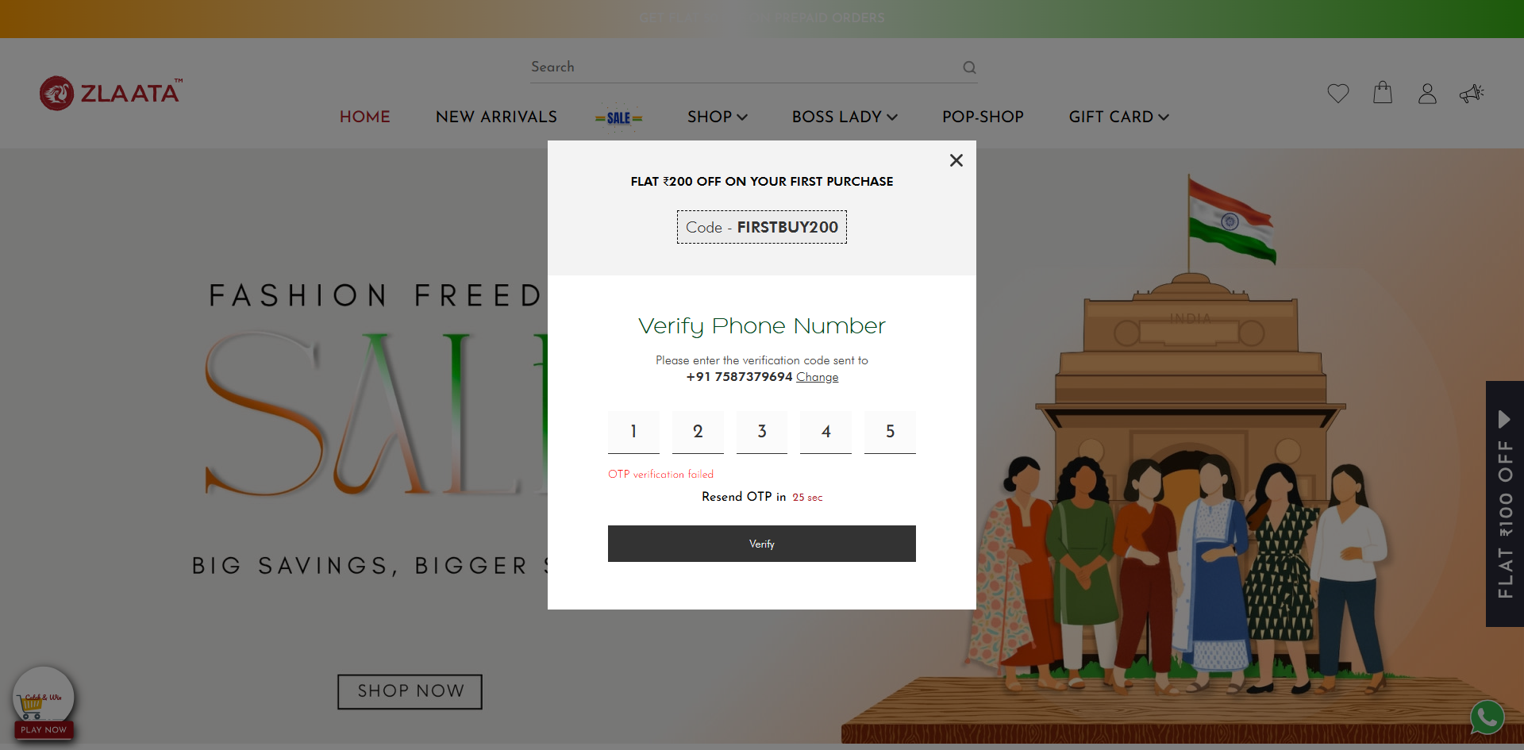
TC_UI_Zlaata_CP_16 | TC_UI_Zlaata_CP_16 | Verify Apply and Remove button in coupon text box and in coupon pop up | "TD_UI_Zlaata_CP_16" | 48.49 | Ranjith | Fail | org.openqa.selenium.ElementNotInteractableException: element not interactable: https://qa.zlta.testingserver8.com/all has no size and location (Session info: chrome=139.0.7258.128) Build info: version: '4.34.0', revision: '707dcb4246*' System info: os.name: 'Windows 11', os.arch: 'amd64', os.version: '10.0', java.version: '22.0.1' Driver info: org.openqa.selenium.chrome.ChromeDriver Command: [a82b04bef736abe502581f3ff80f7d6f, actions {actions=[org.openqa.selenium.interactions.Sequence@7cca31fc]}] Capabilities {acceptInsecureCerts: true, browserName: chrome, browserVersion: 139.0.7258.128, chrome: {chromedriverVersion: 139.0.7258.68 (40ff94600b6e..., userDataDir: C:\Users\Ranjith\AppData\Lo...}, fedcm:accounts: true, goog:chromeOptions: {debuggerAddress: localhost:62542}, networkConnectionEnabled: false, pageLoadStrategy: normal, platformName: windows, proxy: Proxy(), se:cdp: ws://localhost:62542/devtoo..., se:cdpVersion: 139.0.7258.128, setWindowRect: true, strictFileInteractability: false, timeouts: {implicit: 0, pageLoad: 300000, script: 30000}, unhandledPromptBehavior: dismiss and notify, webauthn:extension:credBlob: true, webauthn:extension:largeBlob: true, webauthn:extension:minPinLength: true, webauthn:extension:prf: true, webauthn:virtualAuthenticators: true} Session ID: a82b04bef736abe502581f3ff80f7d6f at java.base/jdk.internal.reflect.DirectConstructorHandleAccessor.newInstance(DirectConstructorHandleAccessor.java:62) at java.base/java.lang.reflect.Constructor.newInstanceWithCaller(Constructor.java:502) at java.base/java.lang.reflect.Constructor.newInstance(Constructor.java:486) at org.openqa.selenium.remote.ErrorCodec.decode(ErrorCodec.java:167) at org.openqa.selenium.remote.codec.w3c.W3CHttpResponseCodec.decode(W3CHttpResponseCodec.java:138) at org.openqa.selenium.remote.codec.w3c.W3CHttpResponseCodec.decode(W3CHttpResponseCodec.java:50) at org.openqa.selenium.remote.HttpCommandExecutor.execute(HttpCommandExecutor.java:215) at org.openqa |  |  | 0 | 0 | 0 | 0 | 0 | 0
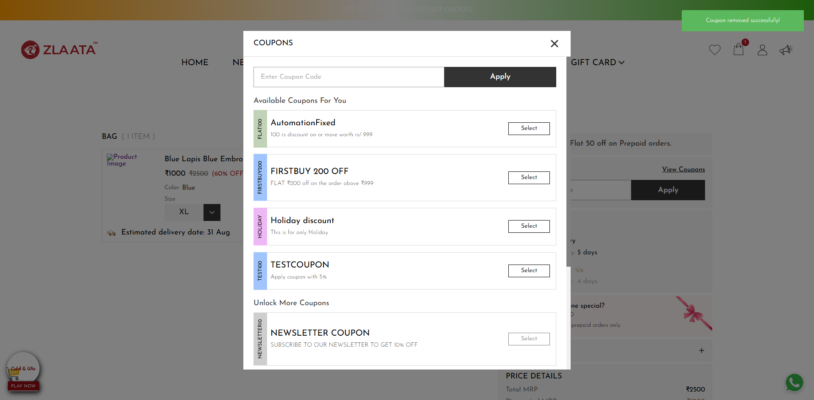
TC_UI_Zlaata_CP_16 | TC_UI_Zlaata_CP_16 | Verify Apply and Remove button in coupon text box and in coupon pop up | "TD_UI_Zlaata_CP_16" | 62.956 | Ranjith | Fail | N/A |  |  | 0 | 0 | 0 | 0 | 0 | 0
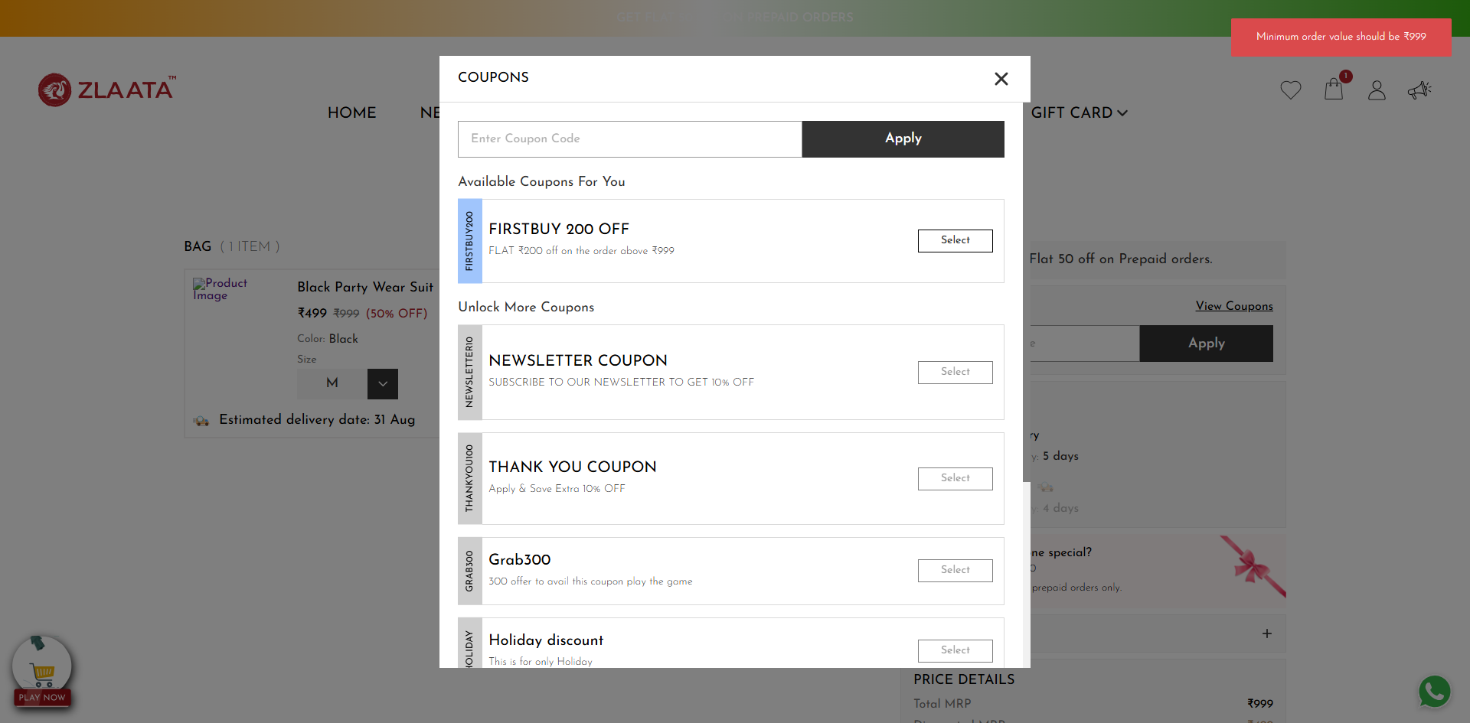
TC_UI_Zlaata_CP_16 | TC_UI_Zlaata_CP_16 | Verify Apply and Remove button in coupon text box and in coupon pop up | "TD_UI_Zlaata_CP_16" | 62.142 | Ranjith | Fail | N/A |  |  | 0 | 0 | 0 | 0 | 0 | 0

2025-08-20
SERVER: QA
FEATURES RUNNED: 1
FEATURE FILES: Coupon
TOTAL TEST CASE EXECUTED : 1
TOTAL PASSED : 1
TOTAL FAILED : 0
TOTAL TIME EXECUTED : 61 sec | TestCase Name | Duration (s) | Executed By | Status | Error Message | Product Details | Screenshot
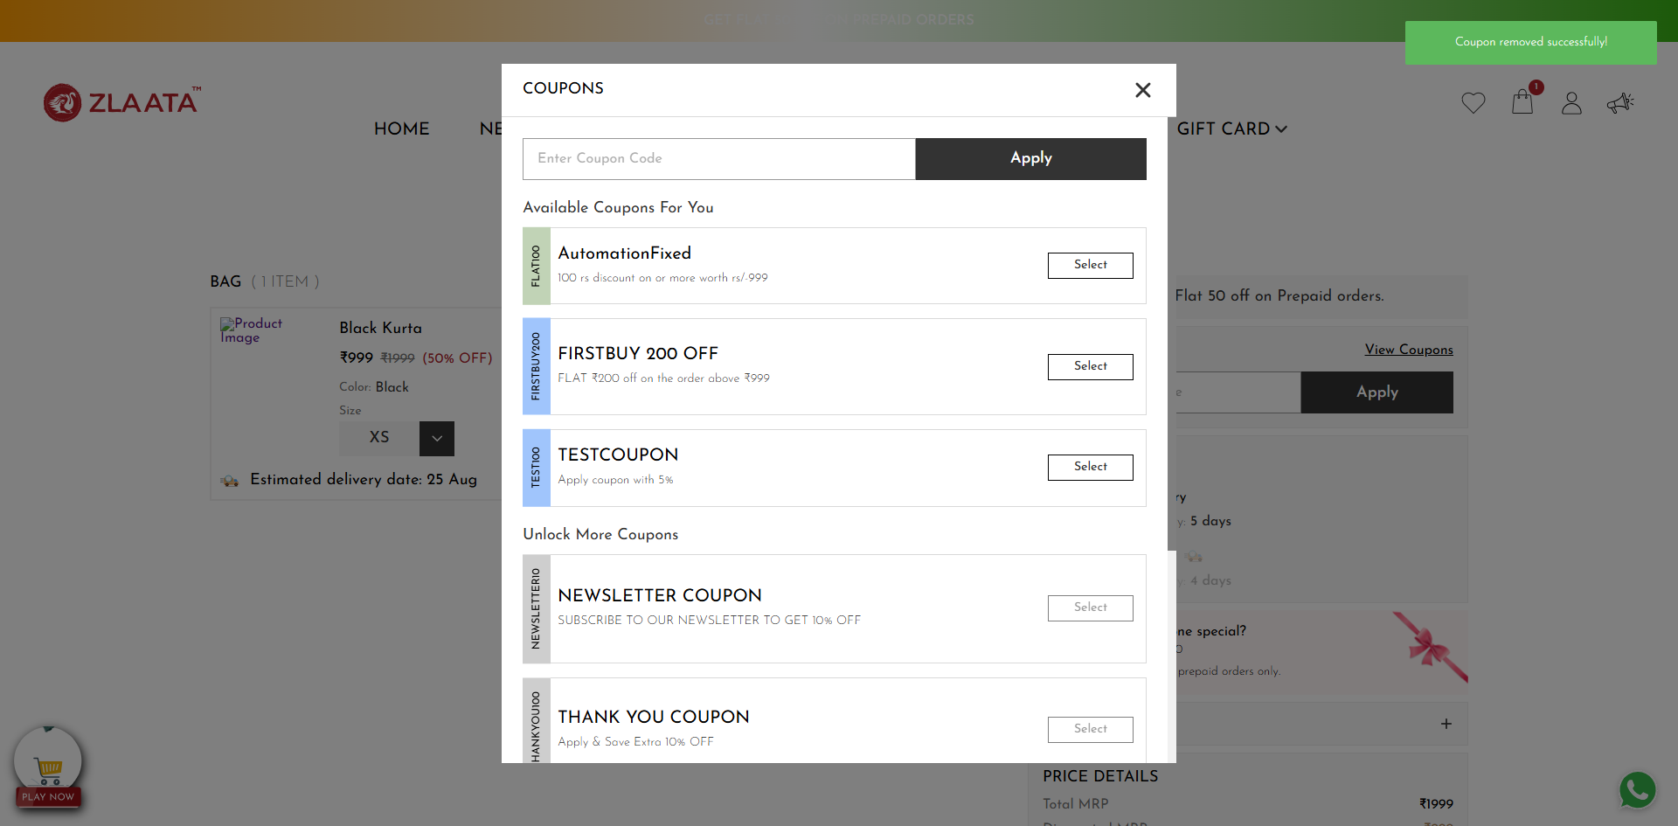
TC_UI_Zlaata_CP_16 | TC_UI_Zlaata_CP_16 | Verify Apply and Remove button in coupon text box and in coupon pop up | "TD_UI_Zlaata_CP_16" | 61.249 | Ranjith | Fail | N/A |  |  | 0 | 0 | 0 | 0 | 0 | 0
TC_UI_Zlaata_CP_16 | TC_UI_Zlaata_CP_16 | Verify Apply and Remove button in coupon text box and in coupon pop up | "TD_UI_Zlaata_CP_16" | 61.372 | Ranjith | Pass | N/A |  |  | 0 | 0 | 0 | 0 | 0 | 0

