Test plan - validate
ID | Description | Test Case ID | Test priority (1-3) | Test description | Result | Result Description
TR2.1.1 | SQL injection attacts modify the result
 |  | TC2.1.1-1 | 2 | Check if OR 1=1 possible to register | N | Not able to execute
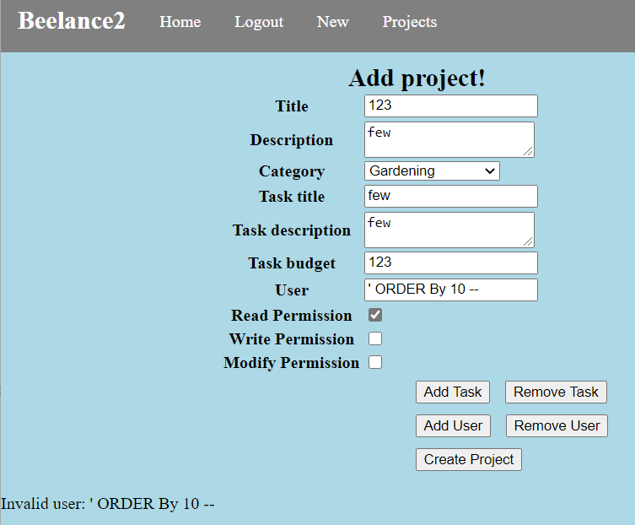
 |  | TC2.1.1-2 | 3 | Check if ' Order by 10 -- able to register | N | Not able to execute
 |  | TC2.1.1-3 | 1 | Use sqlmap test -fuzzing | Y | Only mysql MySQL >= 5.0.12
TR2.1.2 | XSS attacks to modify the submission results
 |  | TC2.1.2-1 | 1 | Basic XSS Test Without Filter Evasion | N
 |  | TC2.1.2-2 | 2 | XSS Locator (Polygot) | N
 |  | TC2.1.2-3 | 1 | Image XSS using the JavaScript directive | N
 |  | TC2.1.2-4 | 2 | No quotes and no semicolon | N
 |  | TC2.1.2-5 | 3 | HTML entities | N
 |  | TC2.1.2-6 | 1 | OWASP ZAP test | N
 |  | TC2.1.2-7 | 2 | Escaping JavaScript escapes | N
TR2.2.1 | XSS to send data to malicious website
 |  | TC2.1.2-1 | 1 | Basic XSS Test Without Filter Evasion | N
 |  | TC2.1.2-2 | 2 | XSS Locator (Polygot) | N
 |  | TC2.1.2-3 | 1 | Image XSS using the JavaScript directive | N
 |  | TC2.1.2-4 | 2 | No quotes and no semicolon | N
 |  | TC2.1.2-5 | 3 | HTML entities | N
 |  | TC2.1.2-6 | 1 | OWASP ZAP test | N
TR2.2.2 | XSRF to lead user visit malicious website
 |  | TC2.2.2-1 | 1 | OWASP ZAP test | N

TR2.3.1 | Unicode collision
 |  | TC2.3.1-1 | 2 | Path Travasl | N
 |  | TC2.3.1-2 | 1 | Email compair | N
TR2.3.2 | XSS attacks
 |  | TC2.3.2-1 | 1 | Basic XSS Test Without Filter Evasion | N
 |  | TC2.3.2-2 | 2 | XSS Locator (Polygot) | N
 |  | TC2.3.2-3 | 1 | Image XSS using the JavaScript directive | N
 |  | TC2.3.2-4 | 2 | No quotes and no semicolon | N
 |  | TC2.3.2-5 | 3 | HTML entities | N
 |  | TC2.3.2-6 | 1 | OWASP ZAP test | N
 |  | TC2.3.2-7 | 2 | Escaping JavaScript escapes | N
TR2.3.3 | XML External Entites attack
 |  | TC2.3.3-1 | 1 | Examing the response with Burp Suite | N

TR3.1.1 | SQL injection attack to retirve user data
 |  | TC3.1.1-1 | 2 | Check if OR 1=1 possible to register | N | Not able to execute
 |  | TC3.1.1-2 | 3 | Check if ' Order by 10 -- able to register | N | Not able to execute
 |  | TC3.1.1-3 | 1 | Use sqlmap test -fuzzing | Y | mysql version

TR3.1.2 | XSS to send data to malicious website
 |  | TC3.1.2-1 | 1 | Basic XSS Test Without Filter Evasion | N
 |  | TC3.1.2-2 | 2 | XSS Locator (Polygot) | N
 |  | TC3.1.2-3 | 1 | Image XSS using the JavaScript directive | N
 |  | TC3.1.2-4 | 2 | No quotes and no semicolon | N
 |  | TC3.1.2-5 | 3 | HTML entities | N
 |  | TC3.1.2-6 | 1 | OWASP ZAP test | N
 |  | TC3.1.2-7 | 2 | Escaping JavaScript escapes | N

TR3.1.3 | XSRF to lead user visit malicious website
 |  | TC2.2.2-1 | 1 | OWASP ZAP test | N

TR3.2.1 | Session Hijacking
 |  | TC3.2.1-1 | 1 | Cross-site script attack | N
 |  | TC3.2.1-2 | 2 | Usin Burpsuite as a man-in-middel attack | Y
 |  | TC3.2.1-3 | 3 | Prictable session | N

TR3.2.2 | Inscure password | TC3.2.2-1 | 1 | Check if password policy exists
 |  | TC3.2.2-2 | 2 | Attempt to set weak password
 |  | TC3.2.2-3 | 3 | Brute force
 |  | TC3.2.2-4 | 1 | Test that policy is correctly implemented
TR3.3.1 | Misconfigure the user access
 |  | TC3.3.1-1 | 3 | Using sql injection | N
TR3.3.2 | SQL injection to retrive advanced privilege
 |  | TC3.3.2-1 | 2 | Check if OR 1=1 possible to register | N | Not able to execute
 |  | TC3.3.2-2 | 3 | Check if ' Order by 10 -- able to register | N | Not able to execute
 |  | TC3.3.2-3 | 1 | Use sqlmap test -fuzzing | Y | mysql version
TR4.1.1 | Session hijacking
 |  | TC4.1.1-1 | 1 | Cross-site script attack | N
 |  | TC4.1.1-2 | 2 | Usin Burpsuite as a man-in-middel attack | Y
 |  | TC4.1.1-3 | 3 | Prictable session | N

TR4.1.2 | XSS attack
 |  | TC4.1.2-1 | 1 | Basic XSS Test Without Filter Evasion | N
 |  | TC4.1.2-2 | 2 | XSS Locator (Polygot) | N
 |  | TC4.1.2-3 | 1 | Image XSS using the JavaScript directive | N
 |  | TC4.1.2-4 | 2 | No quotes and no semicolon | N
 |  | TC4.1.2-5 | 3 | HTML entities | N
 |  | TC4.1.2-6 | 1 | OWASP ZAP test | N
 |  | TC4.1.2-7 | 2 | Escaping JavaScript escapes | N

TR5.1.1 | Botnet attack
 |  | TC5.1.1-1 | 3 | Setup a set of large scale request | Y | Website down

TR5.1.2 | Dos attack
 |  | TC5.1.2-2 | 3 | Setup a set of large scale request without third time request | Y | Faster than TC5.1.1-1

TR5.2.1 | Some unknow vunlerables are know to attackers
 |  | TC5.2.1-1 | 2 | Using some know vunerablity to perform | N

TR5.2.2 | Buffer overflow
 |  | TC5.2.2-1 | 2 | Using some charaters to inesert into databse | N
 |  | TC5.2.2-2 | 2 | Using some charaters to inesert into textbox | N

TR5.3.1 | falsfy the input
 |  | TC5.3.1-1 | 1 | Using emoji to try | y | 502 bad request
 |  | TC5.3.1-2 | 2 | Using hex to try | Y | 502 bad request
TR7.1.1 | File hosting
 |  | TC7.1.1-1 | 1 | upload filename ../..//test | N | unable to upload
 |  | TC7.1.1-2 | 2 | upload file escaping word filename | N | File name turned into a random srting
TR7.1.2 | Malicious file executing
 |  | TC7.1.2-1 | 1 | Upload exe file | N | unable to upload
 |  | TC7.1.2-2 | 2 | upload .js file | N | unable to upload
 |  | TC7.1.2-3 | 1

TR7.2.1 | XSS attack | TC7.2.1-1 | 1 | Basic XSS Test Without Filter Evasion | N
 |  | TC7.2.1-2 | 2 | XSS Locator (Polygot) | N
 |  | TC7.2.1-3 | 1 | Image XSS using the JavaScript directive | N
 |  | TC7.2.1-4 | 2 | No quotes and no semicolon | N
 |  | TC7.2.1-5 | 3 | HTML entities | N
 |  | TC7.2.1-6 | 1 | OWASP ZAP test | N
 |  | TC7.2.1-7 | 2 | Escaping JavaScript escapes | N

