screenshot
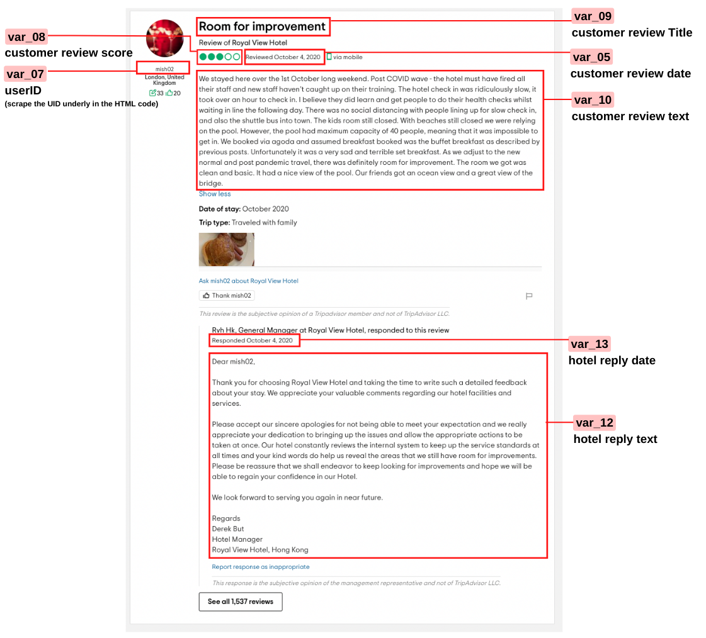
Screenshot illustrates the fields for scraping
Example | https://www.tripadvisor.com/ShowUserReviews-g294217-d652907-r773035817-Royal_View_Hotel-Hong_Kong.html

