screenshot
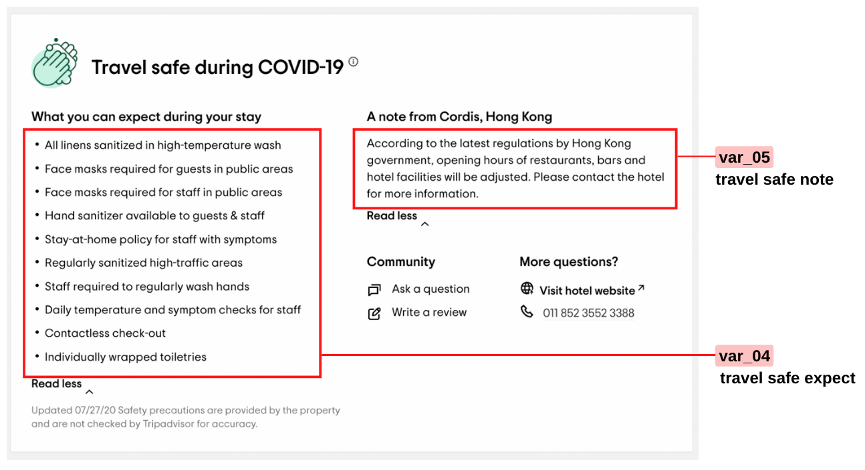
Screenshot illustrates the fields for scraping
Example | https://www.tripadvisor.com/Hotel_Review-g294217-d305813-Reviews-Cordis_Hong_Kong-Hong_Kong.html

