Ancestor analysis
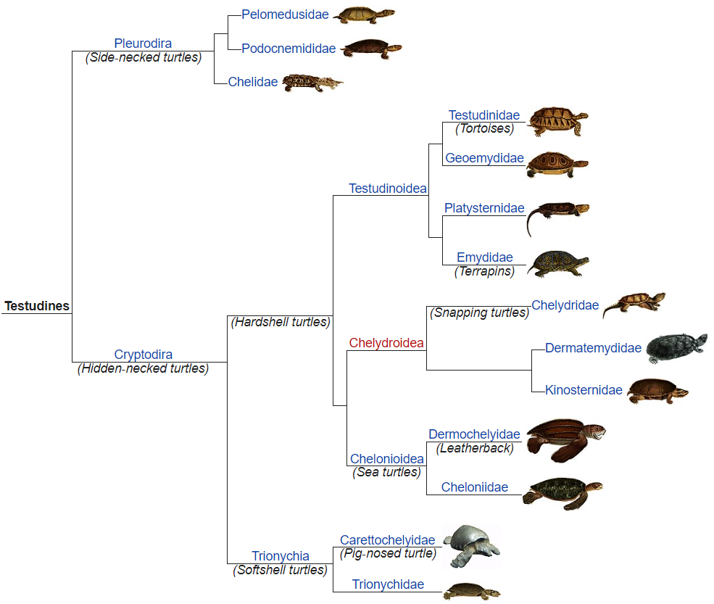
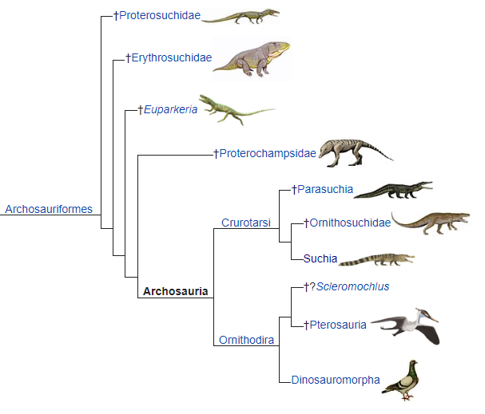
Sample number | Species | Reptile | Last Ancestor | Additional ancestor | Additional comments
1 | Sphenodon punctatus | snakes & lizards | Lepidosauria
2 | Anolis carolinensis | snakes & lizards | Episquamata
3 | Pogona vitticeps | snakes & lizards | Episquamata
4 | Laticauda laticaudata | snakes & lizards | Episquamata
5 | Naja naja | snakes & lizards | Episquamata
6 | Notechis scutatus | snakes & lizards | Episquamata
7 | Pseudonaja textilis | snakes & lizards | Episquamata
8 | Varanus komodoensis | snakes & lizards | Episquamata
9 | Podarcis muralis | snakes & lizards | Episquamata
10 | Salvator merianae | snakes & lizards | Episquamata
11 | Pelodiscus sinensis | turtles | Testudines
12 | Chelydra serpentina | turtles | Testudines
13 | Chrysemys picta bellii | turtles | Testudines
14 | Terrapene carolina triunguis | turtles | Testudines
15 | Gopherus agassizii | turtles | Testudines | Gopherus
16 | Gopherus evgoodei | turtles | Testudines | Gopherus
17 | Chelonoidis abingdonii | turtles | Testudines
18 | Pelusios castaneus | turtles | Testudines
19 | Crocodylus porosus | crocodiles | Archosaur
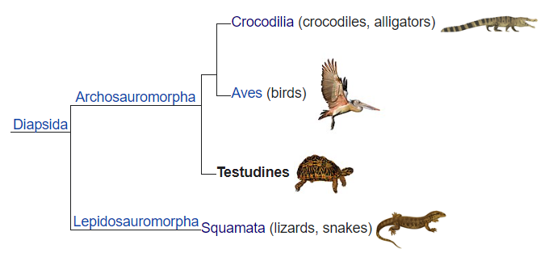
20 | Aquila chrysaetos chrysaetos | Golden eagle | Neognathae
21 | Struthio camelus australis | Ostrich | Palaeognathae
22 | Taeniopygia guttata | Zebrafinch | Estrildidae
23 | Anas platyrhynchos platyrhynchos | Mallard duck | Anas
24 | Gallus gallus | chicken | Phasianinae

