Hárok1
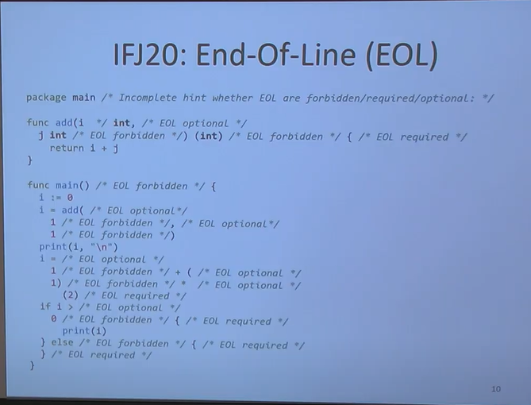
<prog> | <opt_eol> | <prolog> | <fun_def_list> | EOF
<prolog> | package | main | EOL
<fun_def_list> | <opt_eol> | <fun_def> | <fun_def_list>
<fun_def_list> | e
<fun_def> | func | main | ( | ) | { | <stat_list> | }
<fun_def> | func | ID | ( | <fun_params> | ) | ( | <fun_returns> | ) | { | <stat_list> | }
<fun_params> | <par> | <par_next>
<fun_params> | e
<par_next> | , | <par> | <par_next>
<par_next> | e
<par> | ID | <type>
<type> | FLOAT64
<type> | INT
<type> | STRING
<fun_returns> | <ret> | <ret_next>
<fun_returns> | e
<ret_next> | , | <ret> | <ret_next>
<ret_next> | e |  |  |  |  |  |  |  |  |  |  | asdasdsadsadasdasdasdsad + 5
<ret> | <type>
<stat_list> | <opt_eol> | <stat> | EOL | <stat_list> |  |  |  |  |  |  |  |  | id + 5
<stat_list> | e
<stat> | if | <exp> | { | <stat_list> | } | else | { | <stat_list> | }
<stat> | for | <var_def> | ; | <exp> | ; | <opt_exp> | <opt_eol> | { | EOL | <stat_list> | }
<stat> | <var_def>
<stat> | return | <ass_exps>
<stat> | <ass_stat>
<stat> | print | ( | <print_params> | )
<stat> | <fun>
<var_def> | ID | := | <exp>
<var_def> | e
<ass_stat> | <ass_ids> | = | <ass_exps>
<ass_ids> | ID | <ass_ids>
<ass_ids> | , | ID | <ass_ids>
<ass_ids> | e
<ass_exps> | <exp> | <ass_exps>
<ass_exps> | , | <exp> | <ass_exps>
<ass_exps> | <ass_ids>
<ass_exps> | <fun>
<opt_exp> | <exp>
<opt_exp> | e
<opt_eol> | EOL | <opt_eol>
<opt_eol> | e
<fun> | ID | ( | <fun_call_param> | )
<fun_call_param> | ID | <fun_call_param>
<fun_call_param> | , | ID | <fun_call_param>
<fun_call_param> | e
<print_params> | ID | <print_params>
<print_params> | , | ID | <print_params>
<print_params> | e

Ako s MAIN?
<exp> spracuje precedencnka
Ako s EOL?

