Error_List
OS : Windows 7 |  |  |  | Error Category
 |  |  |  | Critical
 |  |  |  | High
 |  | Fixed | Error | Medium
 |  |  |  | Low

Error ID: #1 | Error Category: Medium

HP
Char hp - values are always set to certain value ﻿ thus possible to start game with hp on red

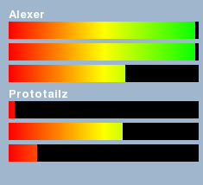

Error ID: #2 | Error Category: Medium

Dead Char Bar Icon
Dead chars hp bar is visible ﻿

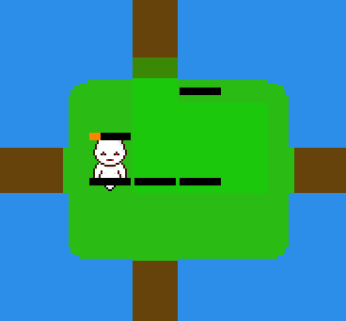

Error ID: #3 | Error Category: High

Dead char attacking
Dead char can attack / kill a enemy unit that is next to it


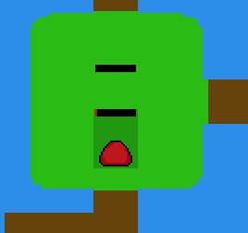

Error ID: #4 | Error Category: Medium

Dead char moving
You can move your dead chars ﻿


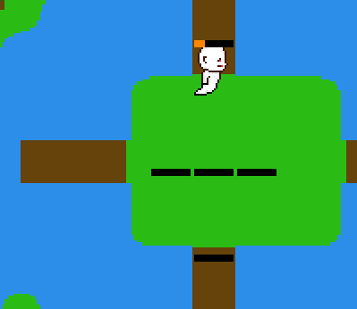

Error ID: #5 | Error Category: High

Attack a dead enemy
You can attack already dead enemy thus loose your turn ﻿

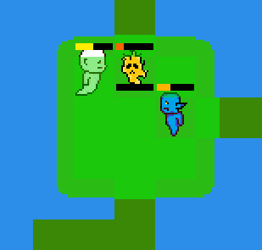
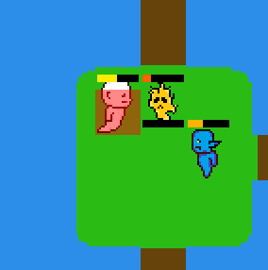

Error ID: #5 | Error Category: High

Attack a dead enemy
You can attack already dead enemy thus loose your turn ﻿

Error ID: #6 | Error Category: Critical

No winner
The "winner" gets stuck in eternal limbo where he is forced to only move ﻿

Error ID: #7 | Error Category: Medium

No skip
You cant skip your turn

Error ID: #8 | Error Category: High

Move you must
You cant move only one square with a char - you need to use all movement points or attack with all chars to advance to next player ﻿

Error ID: #9 | Error Category: High

Passing trough
You can ﻿move trough enemy chars with your unit

Error ID: #10 | Error Category: Medium

FPS MIA
FPS meter aswell as the sidebar are mia in Map Alexer_1 ﻿

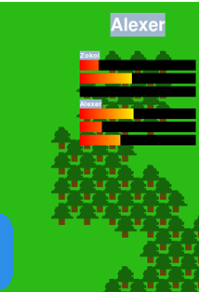

Error ID: #11 | Error Category: High

Map 1
Map 1 Doesnt work , instead gives an error

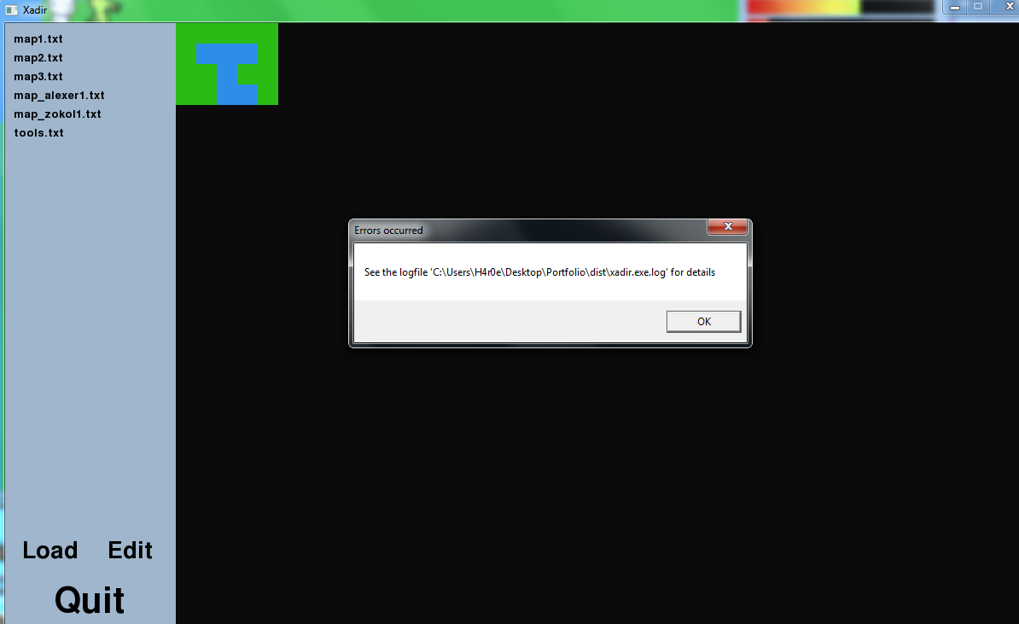

LOG
Traceback (most recent call last): File "runme.py", line 4, in <module> File "src\menu.pyc", line 143, in loop File "src\menu.pyc", line 80, in load_map File "src\game.pyc", line 677, in start_game File "src\game.pyc", line 127, in main_loop File "src\game.pyc", line 175, in load_sprites File "random.pyc", line 320, in sample ValueError: sample larger than population

Error ID: #12 | Error Category: High

Map Zokol_1
Map Zokol_1 Doesnt work , instead gives an error

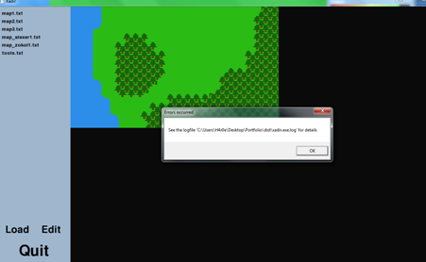

LOG
Traceback (most recent call last): File "runme.py", line 4, in <module> File "src\menu.pyc", line 143, in loop File "src\menu.pyc", line 80, in load_map File "src\game.pyc", line 677, in start_game File "src\game.pyc", line 127, in main_loop File "src\game.pyc", line 175, in load_sprites File "random.pyc", line 320, in sample ValueError: sample larger than population

Error ID: #13 | Error Category: Critical

Crash
An error pops to screen and game goes fully unresponsive so far happened only in Map Alexer_1

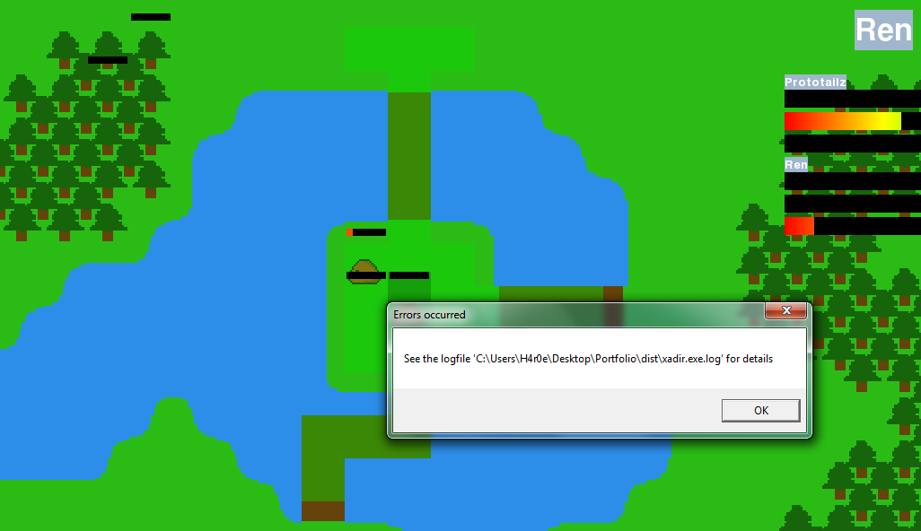

LOG
Traceback (most recent call last): File "runme.py", line 4, in <module> File "src\menu.pyc", line 143, in loop File "src\menu.pyc", line 80, in load_map File "src\game.pyc", line 677, in start_game File "src\game.pyc", line 137, in main_loop File "src\game.pyc", line 234, in click IndexError: list index out of range

Error ID: #14 | Error Category: High

Edit
Edit Button in Main Menu doesnt work

