Instructions
How to remove HTML and special characters from the tables.
Data from SharePoint will contain html and special characters every time the data is refreshed.
Replace HTML
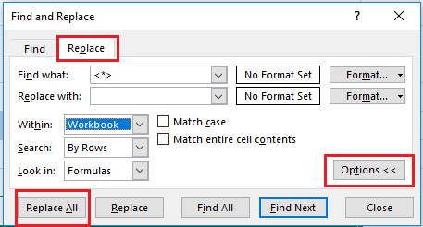
1) Click Ctrl + F
2) Click Replace
3) Type <*> on the "Find What" input box
4) Replaced with - Leave it blank
5) Click Options
6) Within : Workbook
7) Click "Replace All"

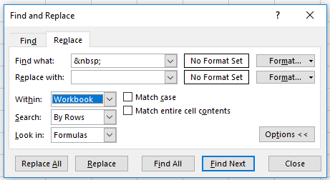
Replace special characters
1) Click Ctrl + F
2) Click Replace
3) Type &nbsp; on the "Find What" input box
4) Replaced with - Leave it blank
5) Click Options
6) Within : Workbook
7) Click "Replace All"

