Fixed Point
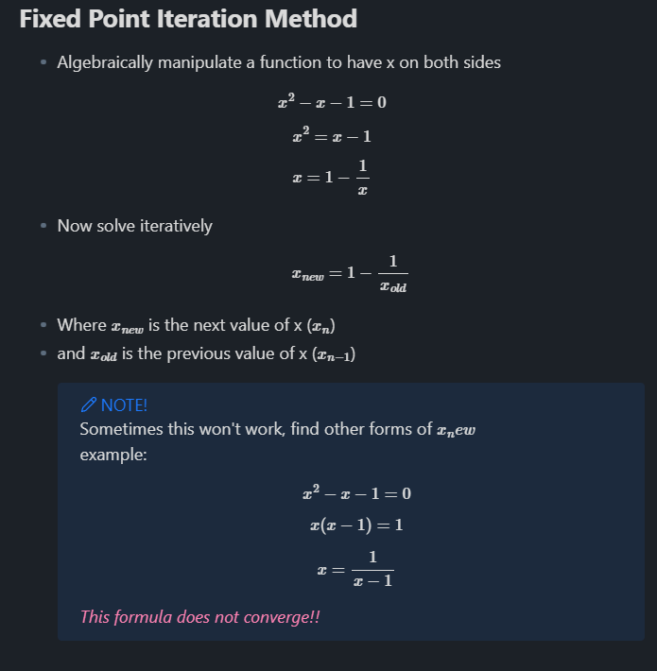
n | x_n
1 | 2.5
2 |  | <- Formula starts here
3
4
5
6
7
8
9
10
11
12
13
14
15
16
17
18
19
20
21
22
23
24
25
26
27
28
29
30

Bisection
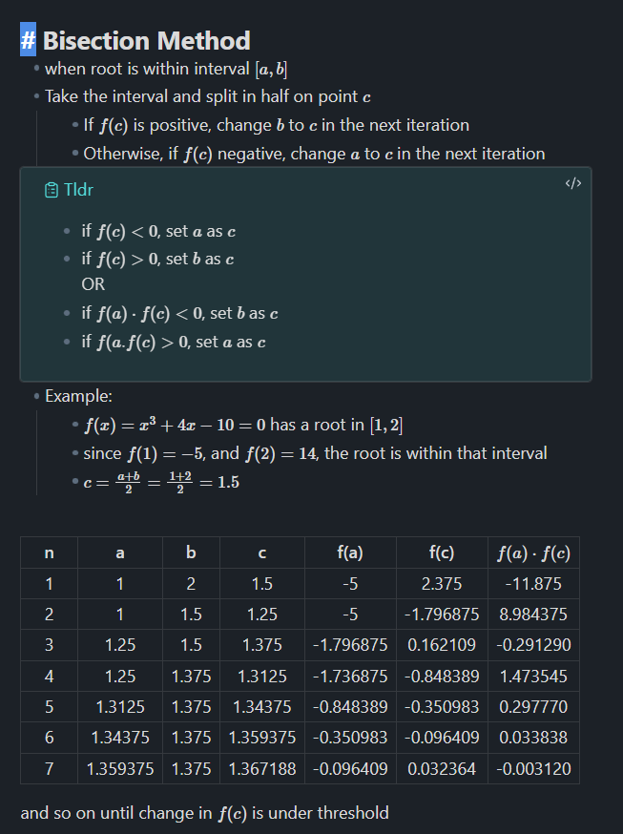
n | a | b | c | f(c ) | change formula for f(c )
1 | 1 | 2 | 1.5 | 2.375 | change interval [a, b]
2 | 1 | 1.5 | 1.25 | -1.796875
3 | 1.25 | 1.5 | 1.375 | 0.162109375
4 | 1.25 | 1.375 | 1.3125 | -0.8483886719
5 | 1.3125 | 1.375 | 1.34375 | -0.350982666
6 | 1.34375 | 1.375 | 1.359375 | -0.096408844
7 | 1.359375 | 1.375 | 1.3671875 | 0.0323557854
8 | 1.359375 | 1.3671875 | 1.36328125 | -0.0321499705
9 | 1.36328125 | 1.3671875 | 1.365234375 | 0.0000720248
10 | 1.36328125 | 1.365234375 | 1.3642578125 | -0.0160466908
11 | 1.3642578125 | 1.365234375 | 1.3647460938 | -0.0079892628
12 | 1.3647460938 | 1.365234375 | 1.3649902344 | -0.0039591015
13 | 1.3649902344 | 1.365234375 | 1.3651123047 | -0.001943659
14 | 1.3651123047 | 1.365234375 | 1.3651733398 | -0.0009358473
15 | 1.3651733398 | 1.365234375 | 1.3652038574 | -0.0004319188
16 | 1.3652038574 | 1.365234375 | 1.3652191162 | -0.0001799489
17 | 1.3652191162 | 1.365234375 | 1.3652267456 | -0.0000539625
18 | 1.3652267456 | 1.365234375 | 1.3652305603 | 0.000009031
19 | 1.3652267456 | 1.3652305603 | 1.365228653 | -0.0000224658
20 | 1.365228653 | 1.3652305603 | 1.3652296066 | -0.0000067174
21 | 1.3652296066 | 1.3652305603 | 1.3652300835 | 0.0000011568
22 | 1.3652296066 | 1.3652300835 | 1.365229845 | -0.0000027803
23 | 1.365229845 | 1.3652300835 | 1.3652299643 | -0.0000008118
24 | 1.3652299643 | 1.3652300835 | 1.3652300239 | 0.0000001725
25 | 1.3652299643 | 1.3652300239 | 1.3652299941 | -0.0000003196
26 | 1.3652299941 | 1.3652300239 | 1.365230009 | -0.0000000736
27 | 1.365230009 | 1.3652300239 | 1.3652300164 | 0.0000000495
28 | 1.365230009 | 1.3652300164 | 1.3652300127 | -0.000000012
29 | 1.3652300127 | 1.3652300164 | 1.3652300145 | 0.0000000187
30 | 1.3652300127 | 1.3652300145 | 1.3652300136 | 0.0000000033

Secant
n | x_n | f(x)
1 | 1 | -6 | change formula for f(x)
2 | 4 | 27
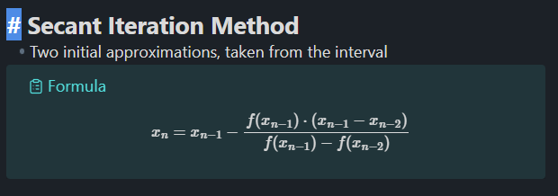
3 | 1.5454545455 | -6.0856498873
4 | 1.9969343961 | -5.0122248528
5 | 4.1050634736 | 30.4735742169
6 | 2.2946990578 | -3.4482197436
7 | 2.4787263038 | -2.0586653339
8 | 2.7513680292 | 0.6878755409
9 | 2.6830844744 | -0.0825142849
10 | 2.6903981337 | -0.0027311508
11 | 2.6906484962 | 0.0000114839
12 | 2.6906474479 | -0.0000000016
13 | 2.690647448 | 0
14 | 2.690647448 | 0
15 | #DIV/0! | #DIV/0!
16 | #DIV/0! | #DIV/0!
17 | #DIV/0! | #DIV/0!
18 | #DIV/0! | #DIV/0!
19 | #DIV/0! | #DIV/0!
20 | #DIV/0! | #DIV/0!
21 | #DIV/0! | #DIV/0!
22 | #DIV/0! | #DIV/0!
23 | #DIV/0! | #DIV/0!
24 | #DIV/0! | #DIV/0!
25 | #DIV/0! | #DIV/0!
26 | #DIV/0! | #DIV/0!
27 | #DIV/0! | #DIV/0!
28 | #DIV/0! | #DIV/0!
29 | #DIV/0! | #DIV/0!
30 | #DIV/0! | #DIV/0!

