TODOs
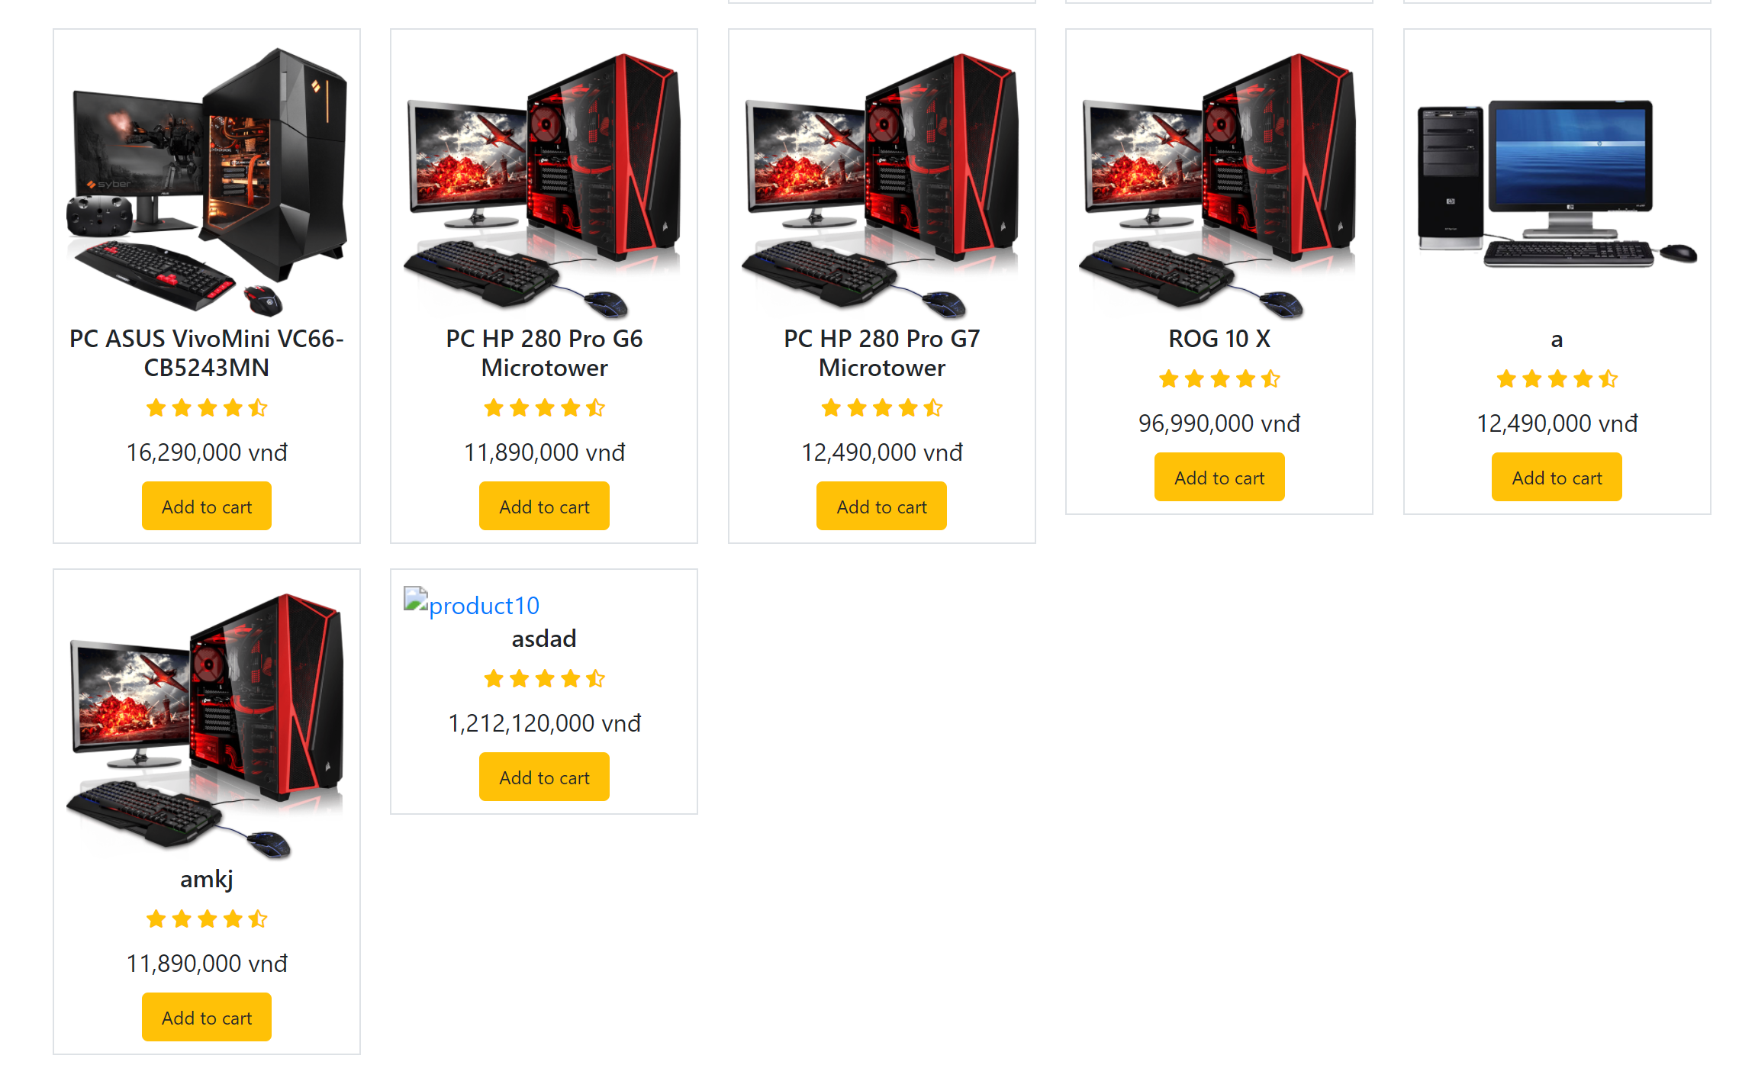
Page | Problem | Action | Note
Header | SEARCH FUNCTION NOT AVAILABLE
Cart | DISABLE CLICK ON 10 Days Replacement |  | Done
 | DISABLE CLICK ON Free Shipping |  | Done
 | DISABLE CLICK ON 1 Year Warranty |  | Done
 | After clicking "Proceed to buy" | Redirect user away from cart page. | Done
 |  | Success alert popup | Done
Homepage | Category doesn't do anything |  | Done
Register | Name requires at least 2 characters |  | Done
Setting | Name has no requirement |  | Done
Setting | Only email has live check (others have to wait for Save button) |  | DOne
Setting | Avatar only changes on reload. |  | Done
Anywhere | Add to cart needs a message popup |  | Done
Product page | Home/Setting/Cart (maybe more) has extra "/frontend" in the link |  | Done
Category | Can't click Add to Cart
Category | Can't open product page
Manage product | Product image doesn't update
Manage product | Add button in "Add new product" modal doesn't work
Manage product | Deactivate product toggle doesn't enable Update button
Manage product | How to reproduce: Change Deactivate product to YES > Go to homepage (Or reload) > Change product. Bug: The Deactivate status displays NO. If continue changing, the status NO is applied. |  | Is ok to ignore this.
Cart | Discount doesn’t apply
Cart | Quantity doesn't save (resets to 1) when leaving the page |  | Có thực sự cần sửa????
Setting/Password | Correct inputs but clicking update button doesn’t show any success message. Forms should reset value afterwards.
Category | Items with random naming scheme and/or without image can mess up filters (name, price, original)

