Base Info
D.0.L.L |  |  |  |  |  |  |  |  | SKILLS |  |  |  |  | SPECIAL SKILLS
FIXER 5 |  |  |  |  | INT | 5 |  |  | Name | Stat | Lvl | Base |  | NAME | Requirements | Notes
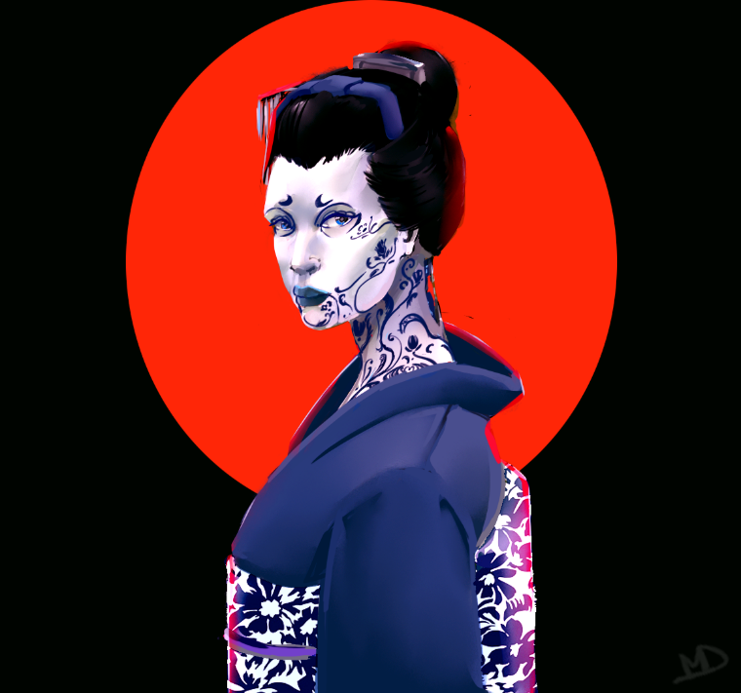 Picture |  |  |  |  |  |  |  |  | Athlectics | DEX | 5 | 13 |  | Recovery | - | Whenever you use the Get Up Action, you can attempt to beat a DV13 with the Martial Arts Special Move Resolution. If you succeed, that Get Up Action didn't cost an Action.
 |  |  |  |  | REF | 8 |  |  | Brawling | DEX | 6 | 14
 |  |  |  |  |  |  |  |  | Bribery | COOL | 4 | 11
 |  |  |  |  | DEX | 8 |  |  | Concentration | WILL | 6 | 13
 |  |  |  |  |  |  |  |  | Contortionist | DEX | 4 | 12
 |  |  |  |  | TECH | 3 |  |  | Conversation | EMP | 5 | 12
 |  |  |  |  |  |  |  |  | Education | INT | 2 | 7 |  | Disarming Combination | You hit the target with a Brawling and Matial Attack this turn. | Once per Trun when you fulfill this requirement, yu can use the Martial arts Special Move Resolution to attemptto beat a DV15. If you succeed, any one object held is the hands of the target you hit twice this Trun is either held by you or is on the floor.
 |  |  |  |  | COOL | 7 |  |  | Endurance | WILL | 6 | 13
 |  |  |  |  |  |  |  |  | Evasion | DEX | 6 | 14
 |  |  |  |  | WILL | 7 |  |  | First Aid | TECH | 2 | 5
 |  |  |  |  |  |  |  |  | Human Perserption | EMP | 6 | 13
 |  |  |  |  | MOVE | 5 |  |  | Language - Streetslang | INT | 4 | 9
 |  |  |  |  |  |  |  |  | Local Expert - Black Moonlight | INT | 4 | 9 |  | Iron Grip | You have a traget successfully Grabbed that isn't already affected by Iron Grip. | Once per Turn when you fulfill this requirement, as an Action you can use the Matial Art Special Move Resolution to attempt to beat a DV15. If you succeed, the target you are grappeling makes all future attempts to escape this Grapple at an additional -2. Additionally, until the Grapple is broken, your target cannot make any Ranged Attacks
 |  |  |  |  | BODY | 7 |  |  | Martial Arts (*2) | DEX | 6 | 14
 |  |  |  |  |  |  |  |  | Perception | INT | 4 | 9
 |  |  |  |  | EMP | 4 | 7 |  | Persuasion | COOL | 6 | 13
HP | 22 | 45 | DEATH SAVE |  |  |  |  |  | Stealth | DEX | 3 | 11
 |  |  |  |  | LUCK | 4 | 4 |  | Streetwise | COOL | 6 | 13
HUM | 49 | 70 | REP
 |  |  |  |  |  |  |  |  | ATTACKS
 |  |  |  |  |  |  |  |  | Weapon | Base |  | DMG | ROF | SKILL | AMMO | NOTES
IP | 249 |  | Cash | 100 |  |  |  |  | These hands | 14 |  | 3d6 | 2 | Brawling | - | U gonna catch them
 |  |  |  |  |  |  |  |  | Aikido | 14 |  | 3d6 | 2 | Martial Arts | - | Heja!
ARMOUR
HEAD |  | SP | PENALTY | NOTES
Light Armourjack |  | 11 | -
BODY |  | SP | PENALTY | NOTES
Light Armourjack |  | 7 | -
SHIELD |  | SP | PENALTY | NOTES
 |  |  | -

LIFEPATH |  |  |  |  |  |  |  |  |  |  |  |  |  |  |  | GEAR
Cultrural Background |  |  | Personality |  |  |  |  | Tragic Love Affairs |  | Enemies |  |  | Friends |  |  | NAME | Notes
Black Moonlight |  |  | Stable and Serious |  |  |  |  |  |  | Unknown |  |  | Meiko Fumi
Hair Style |  |  | Clothing Style |  |  |  |  |  |  |  |  |  | Svide
Styled into a Ofuku |  |  | Neo-Kitch
Feeling about people? |  |  | What do you vanue the most
Neutral towards to people |  |  | Security |  |  |  |  | Role Specific Lifepath
Most Valued Person |  |  | Most valued possesion |  |  |  |  | Work alone Fixer that is constantly on the Move. Works primarily as a broker agent for Media, Rockerboys or Nomad Packs
Meiko Fumi |  |  | Hair Jewelry
Family Background |  |  | Childhood Environment
InterContinental |  |  | Enterainment Girl
Familiy Crisis |  |  | Life Goals
Was given a chance to explore the world |  |  | Get as mutch to know of the world as possible |  |  |  |  | Additional Notes
 |  |  |  |  |  |  |  | Geisha Ayako can be counted as a 'Friend'.

CYBERWARE |  |  |  |  |  |  |  |  |  |  |  |  |  |  | CHEATSHEET
Name |  |  | Category |  | HL |  | Discription |  |  | Slots |  |  |  |  | NOTES
EMP Threading |  |  | Fasionware |  | 0 |  | Thin silver lines that run in a circuit-like pattern across the body |  |  | - |  |  |  |  | INITIATIVE: REF + 1D10
 |  |  |  |  |  |  |  |  |  |  |  |  |  |  | RANGED: REF + Relevant Weapon Skill + 1D10 vs Range DV
 |  |  |  |  |  |  |  |  |  |  |  |  |  |  | MELEE: DEX + Relevant Melee Skill + 1D10 vs Def DEX + Evadion + 1D10
Memory Chip |  |  | Neuralware |  | 0 |  | Data storage, User's cyberware can store or access data on it |  |  | -
 |  |  |  |  |  |  |  |  |  |  |  |  |  |  | Aimed Shots: -8 to attack check,

Cyberuadio Suit |  |  | Cyberaudio |  | 7 |  | 3 Option Slots. Cannot install more than 1 |  |  | 3/3

Audio Recorder |  |  | Cyberaudio |  | 2 |  | Records audio to Memory Chip or Linked Agent. Requires a Cyberaudio suit. |  |  | -

Voice Stress Analyzer |  |  | Cyberaudio |  | 3 |  | +2 to Human Perseption and Interrogation Checks. Requirea a Cyberaudio suit. |  |  | -

Internal Agent |  |  | Cyberaudio |  | 3 |  | Fully functional Agent installed internally. Can be linked to a Cybereye with Chyron display. Requires a Cyberaudio suit. |  |  | -

 | Cybermatix gang jazler

