Figure 1 data
Data plotted in Figure 1 (panel a: Midpoint, EP; panel b: Midpoint, EI)

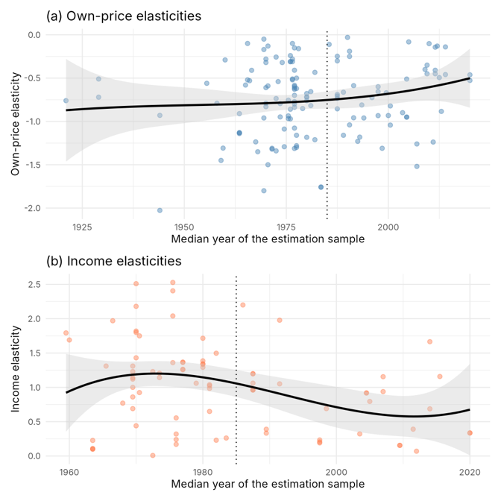
Midpoint | EP | Midpoint | EI
1921 | -0.76 | 1959.5 | 1.793
1929 | -0.72 | 1960 | 1.69
1929 | -0.51 | 1963.5 | 0.11
1944 | -2.027 | 1963.5 | 0.227
1944 | -0.93 | 1963.5 | 0.1
1955.5 | -0.56 | 1963.5 | 0.1
1958 | -0.79 | 1965.5 | 1.31
1959 | -1.45 | 1966.5 | 1.97
1959.5 | -1.308 | 1968 | 0.77
1960 | -0.29 | 1969.5 | 1.31
1963.5 | -1.13 | 1969.5 | 1.14
1963.5 | -1.13 | 1969.5 | 1.12
1963.5 | -0.91 | 1969.5 | 0.69
1963.5 | -1.14 | 1969.5 | 1
1965 | -0.58 | 1969.5 | 0.86
1965.5 | -0.52 | 1969.5 | 1.23
1965.5 | -0.1 | 1970 | 1.82
1966 | -0.53 | 1970 | 0.44
1966.5 | -0.41 | 1970 | 1.8
1967.5 | -1.236 | 1970 | 2.18
1968 | -1.35 | 1970 | 1.43
1969.5 | -1.8 | 1970 | 2.51
1969.5 | -0.17 | 1970.5 | 0.924
1969.5 | -0.96 | 1970.5 | 1.75
1969.5 | -0.05 | 1972.5 | 1.23
1970 | -0.79 | 1972.5 | 0.008
1970 | -0.61 | 1973.5 | 1.206
1970 | -0.28 | 1973.5 | 1.143
1970 | -0.32 | 1975.5 | 1.36
1970 | -0.83 | 1975.5 | 2.406
1970.5 | -1.5 | 1975.5 | 2.528
1970.5 | -0.13 | 1975.5 | 2.04
1970.5 | -0.59 | 1976 | 0.555
1971.5 | -1.32 | 1976 | 0.32
1971.5 | -1.31 | 1976 | 0.17
1972.5 | -1.34 | 1976 | 0.24
1972.5 | -0.736 | 1977 | 1.257
1972.5 | -0.257 | 1977 | 1.363
1973 | -0.54 | 1977 | 1.368
1973.5 | -0.794 | 1977 | 1.263
1973.5 | -0.948 | 1979 | 1.06
1974 | -0.32 | 1980 | 1.343
1974.5 | -1.088 | 1980 | 1.335
1974.5 | -1.292 | 1980 | 1.386
1975.5 | -0.967 | 1980 | 1.715
1975.5 | -0.936 | 1980 | 1.292
1975.5 | -0.755 | 1981 | 0.9846
1976 | -0.859 | 1981 | 1.0226
1976 | -0.24 | 1981 | 0.649
1976 | -0.31 | 1981 | 1.039
1976 | -0.31 | 1982 | 1.497
1976 | -0.97 | 1982 | 0.23
1976.5 | -0.51 | 1983.5 | 0.262
1976.5 | -0.28 | 1986 | 2.2
1976.5 | -0.31 | 1987.5 | 1.1956
1976.5 | -0.52 | 1987.5 | 1.2
1976.5 | -0.1 | 1987.5 | 0.9644
1977 | -0.772 | 1987.5 | 1.0612
1977 | -0.837 | 1987.5 | 0.9612
1977 | -0.799 | 1987.5 | 0.9612
1977 | -0.409 | 1989.5 | 0.333
1977 | -1.077 | 1989.5 | 0.39
1977 | -0.151 | 1991.5 | 1.051
1977 | -1.312 | 1991.5 | 1.978
1977 | -0.629 | 1997.5 | 0.234
1977 | -0.597 | 1997.5 | 0.205
1977 | -0.615 | 1997.5 | 0.191
1977 | -0.583 | 1998.5 | 0.69
1977 | -0.699 | 2003.5 | 0.322
1977.5 | -1.3 | 2004.5 | 0.918
1977.5 | -1.16 | 2004.5 | 0.918
1977.5 | -1.28 | 2005 | 0.795
1977.5 | -0.5 | 2007 | 1.155
1977.5 | -0.62 | 2007 | 0.938
1978 | -0.16 | 2009.5 | 0.155
1979 | -0.851 | 2009.5 | 0.155
1980 | -0.716 | 2011.5 | 0.391
1980 | -0.678 | 2012 | 0.07
1980 | -0.723 | 2014 | 1.665
1980 | -1.183 | 2014 | 0.687
1980 | -0.761 | 2015.5 | 1.158
1981 | -0.656 | 2020 | 0.336
1981 | -0.817 | 2020 | 0.336
1982 | -1.211
1982 | -0.4334
1983.5 | -1.7603
1983.5 | -1.7562
1985.5 | -0.111
1987.5 | -0.6882
1987.5 | -0.8545
1987.5 | -0.301
1987.5 | -0.734
1987.5 | -0.7072
1987.5 | -0.248
1989 | -1.16
1989 | -0.663
1990 | -0.03
1990.5 | -1.04
1990.5 | -0.19
1990.5 | -0.25
1991.5 | -0.587
1991.5 | -0.958
1992.5 | -1.23
1993 | -1.181
1993.5 | -0.81
1994 | -0.96
1996 | -0.725
1997.5 | -0.933
1997.5 | -0.599
1997.5 | -0.656
1998.5 | -1.31
1999.5 | -0.669
2000 | -0.932
2000.5 | -1.042
2000.5 | -0.8211
2003.5 | -0.899
2004.5 | -0.95
2004.5 | -0.95
2004.5 | -0.511
2005 | -0.082
2007 | -1.26
2007 | -1.519
2009 | -0.4
2009.5 | -0.45
2009.5 | -0.35
2010 | -0.102
2011 | -1.238
2011.5 | -0.143
2011.5 | -0.45
2011.5 | -0.409
2012 | -0.13
2012.5 | -0.494
2013 | -0.884
2014 | -0.459
2014 | -0.14
2020 | -0.462
2020 | -0.527

S2 Publication bias
Table S2. Model selection, Egger tests and PET-PEESE

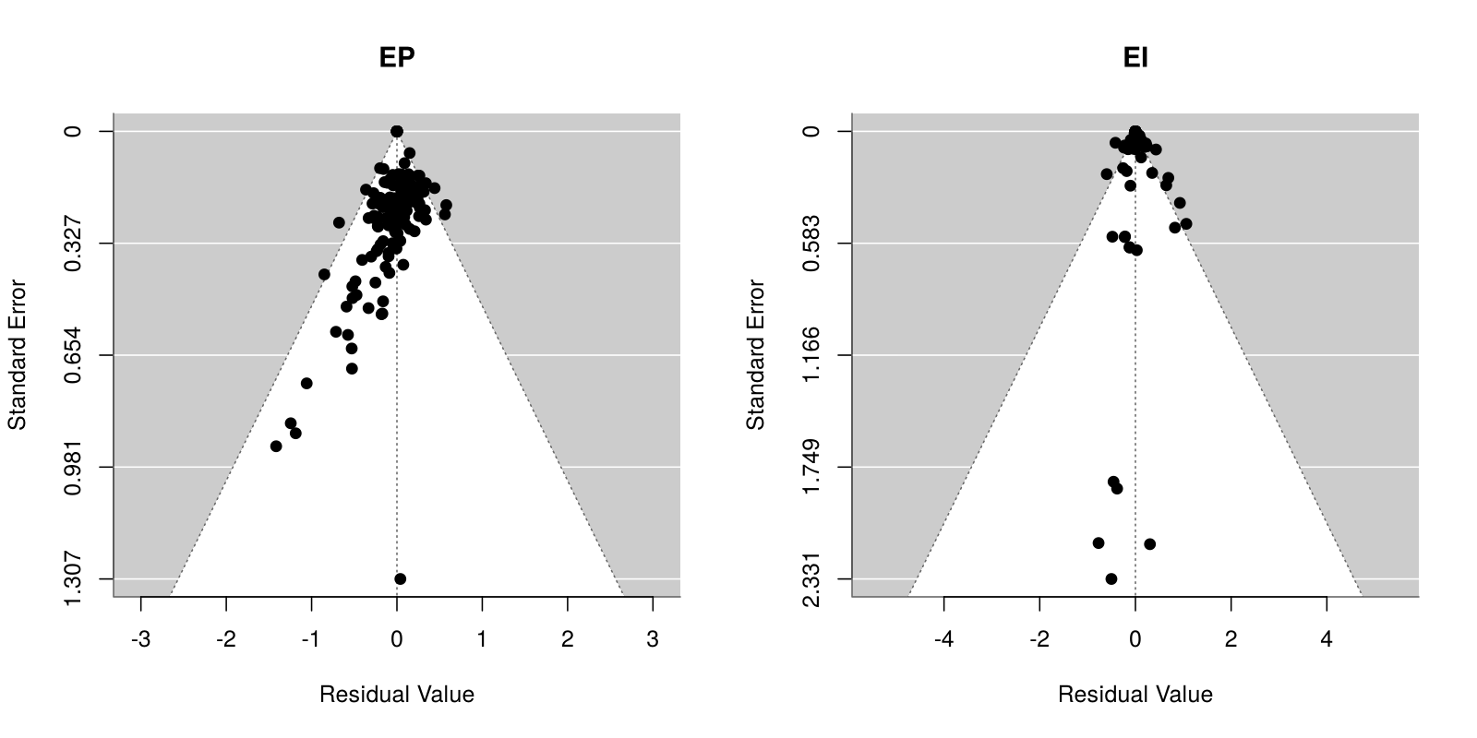
Model selection (full meta-regressions)
Model | AIC_EP | logLik_EP | AIC_EI | logLik_EI
Fixed effects | 252.587 | -66.293 | 45.875 | 27.063
Random effects (REML) | 170.813 | -24.407 | 125.263 | -11.632
Multilevel (study) | 233.291 | -55.646 | 161.219 | -29.609

Egger regression tests for funnel asymmetry
Series | Model | z | p
EP | Random effects (REML) | -5.2812 | 0
EI | Fixed effects | 3.2903 | 0.001

PET-PEESE intercepts (retained: EP random effects, EI fixed effects; PEESE retained when the PET intercept is significant)
Series | Weights | Model | Estimate | SE_CR2 | CI_low | CI_high | p_CR2
EP | FE | PET | -0.7694 | 0.2225 | -1.2055 | -0.3334 | 0.054
EP | FE | PEESE | -0.7164 | 0.177 | -1.0633 | -0.3696 | 0.0222
EP | REML | PET | -0.3899 | 0.0662 | -0.5196 | -0.2602 | 0
EP | REML | PEESE | -0.5492 | 0.0453 | -0.638 | -0.4603 | 0
EP | Multi | PET | -0.3415 | 0.084 | -0.5062 | -0.1769 | 0.0002
EP | Multi | PEESE | -0.5087 | 0.0488 | -0.6042 | -0.4131 | 0
EI | FE | PET | 0.9051 | 0.3086 | 0.3001 | 1.51 | 0.0344
EI | FE | PEESE | 0.8819 | 0.2476 | 0.3966 | 1.3672 | 0.0188
EI | REML | PET | 0.8924 | 0.1153 | 0.6664 | 1.1185 | 0
EI | REML | PEESE | 1.0085 | 0.0957 | 0.8209 | 1.196 | 0
EI | Multi | PET | 0.8027 | 0.1235 | 0.5606 | 1.0448 | 0
EI | Multi | PEESE | 0.9905 | 0.1008 | 0.7928 | 1.1881 | 0

S5 Cutoff grid
Table S5. Net post-cutoff effect for every cutoff year 1970-2000
Reference models as in Table 3 (main control set). RE: random effects (retained for both series by ML AIC); FE: fixed effects. CR2 cluster-robust inference. Figure S1 plots the retained (RE) estimates with 95% intervals.
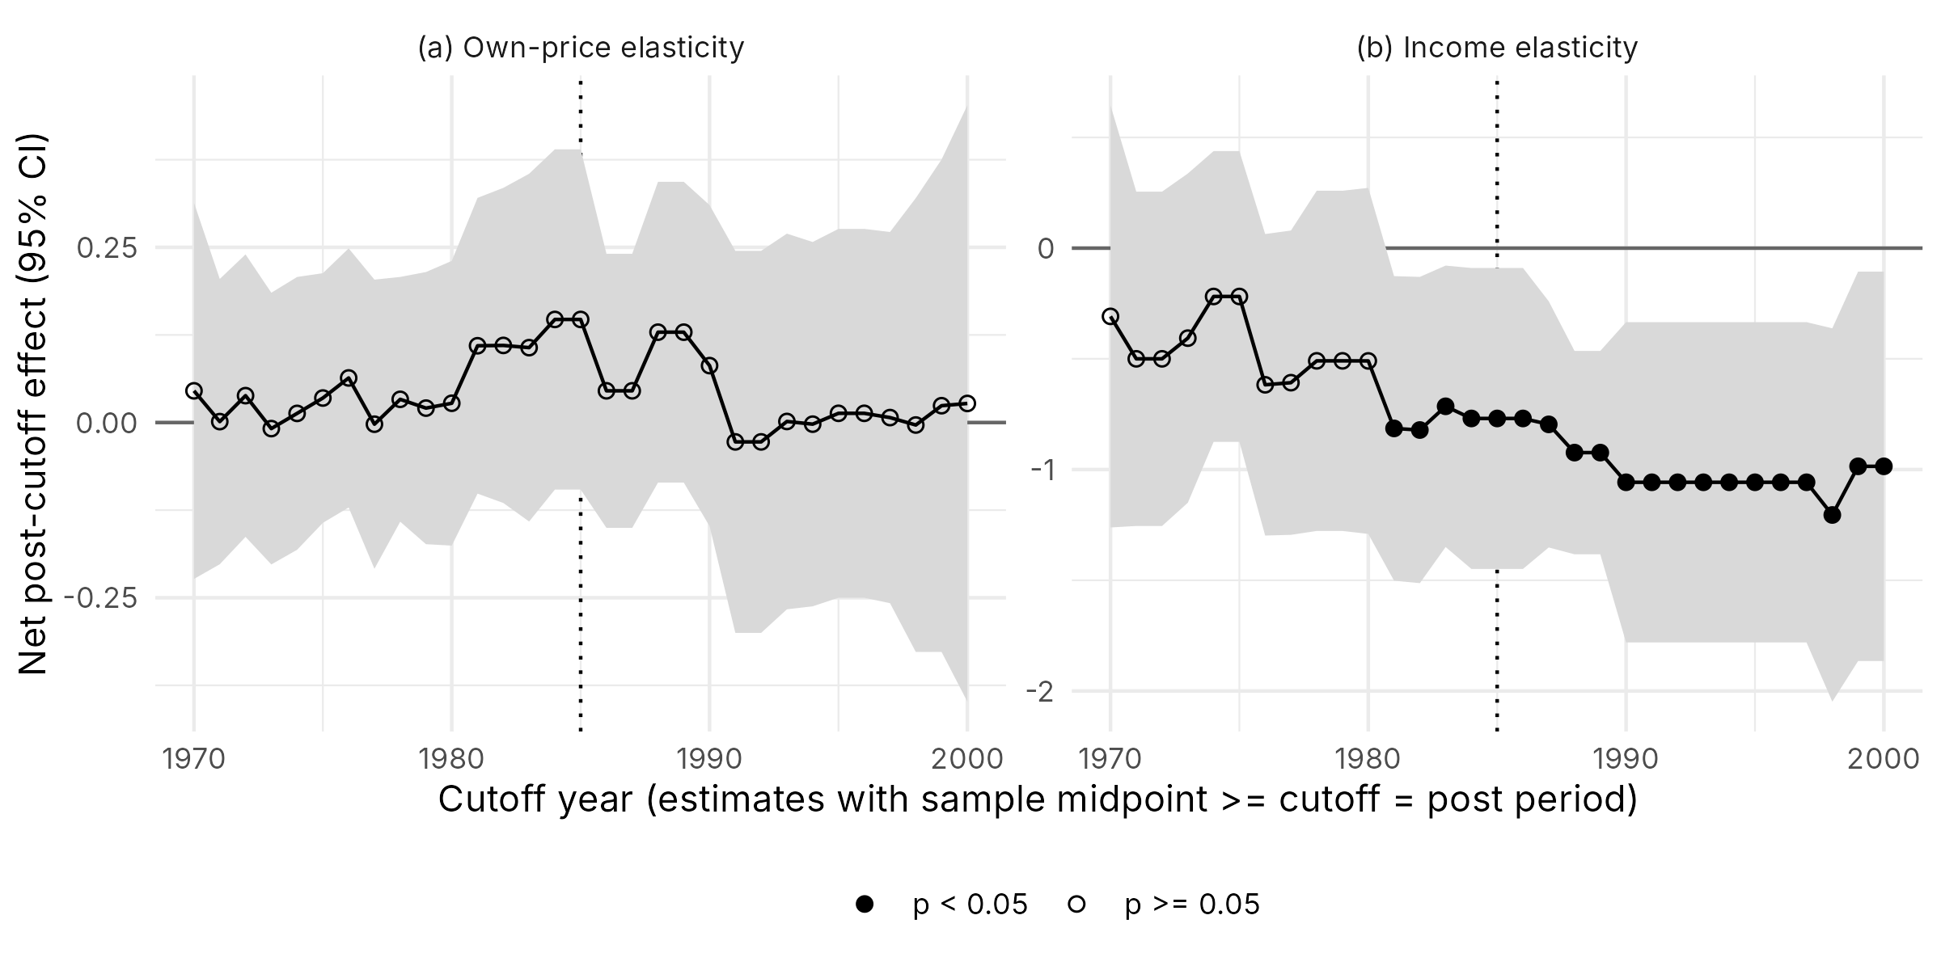
Series | Weights | Cutoff | Coef | SE | df_Satt | p_Satt
EP | RE | 1970 | 0.0452 | 0.1288 | 20.3652 | 0.7291
EP | RE | 1971 | 0.0013 | 0.0975 | 19.9179 | 0.9894
EP | RE | 1972 | 0.0383 | 0.0964 | 19.4788 | 0.6952
EP | RE | 1973 | -0.0087 | 0.0924 | 18.5118 | 0.9264
EP | RE | 1974 | 0.013 | 0.0925 | 17.7359 | 0.8896
EP | RE | 1975 | 0.035 | 0.0852 | 19.3008 | 0.6859
EP | RE | 1976 | 0.0636 | 0.0883 | 18.905 | 0.4799
EP | RE | 1977 | -0.0024 | 0.0984 | 18.6917 | 0.9809
EP | RE | 1978 | 0.0331 | 0.0819 | 15.0749 | 0.6918
EP | RE | 1979 | 0.0206 | 0.0906 | 14.1022 | 0.8236
EP | RE | 1980 | 0.0275 | 0.0942 | 13.3213 | 0.7749
EP | RE | 1981 | 0.1095 | 0.0984 | 14.0629 | 0.2843
EP | RE | 1982 | 0.11 | 0.1041 | 13.0425 | 0.3097
EP | RE | 1983 | 0.1068 | 0.1136 | 11.7199 | 0.3658
EP | RE | 1984 | 0.1471 | 0.1108 | 11.4427 | 0.2103
EP | RE | 1985 | 0.1471 | 0.1108 | 11.4427 | 0.2103
EP | RE | 1986 | 0.0453 | 0.0866 | 9.1512 | 0.6139
EP | RE | 1987 | 0.0453 | 0.0866 | 9.1512 | 0.6139
EP | RE | 1988 | 0.1289 | 0.0986 | 12.187 | 0.2154
EP | RE | 1989 | 0.1289 | 0.0986 | 12.187 | 0.2154
EP | RE | 1990 | 0.0812 | 0.1055 | 12.4397 | 0.456
EP | RE | 1991 | -0.0276 | 0.1253 | 12.1937 | 0.8292
EP | RE | 1992 | -0.0276 | 0.1253 | 12.1937 | 0.8292
EP | RE | 1993 | 0.0015 | 0.1237 | 12.6267 | 0.9904
EP | RE | 1994 | -0.0023 | 0.12 | 12.6711 | 0.9848
EP | RE | 1995 | 0.0131 | 0.1204 | 11.6934 | 0.9149
EP | RE | 1996 | 0.0131 | 0.1204 | 11.6934 | 0.9149
EP | RE | 1997 | 0.0071 | 0.1207 | 11.3081 | 0.9544
EP | RE | 1998 | -0.0035 | 0.146 | 10.3581 | 0.9811
EP | RE | 1999 | 0.024 | 0.1562 | 9.3365 | 0.8811
EP | RE | 2000 | 0.0272 | 0.1826 | 7.5513 | 0.8854
EP | FE | 1970 | 0.0748 | 0.1884 | 17.0981 | 0.6961
EP | FE | 1971 | 0.0207 | 0.0981 | 6.7739 | 0.8389
EP | FE | 1972 | 0.0312 | 0.1019 | 6.7061 | 0.7687
EP | FE | 1973 | 0.0083 | 0.0943 | 6.476 | 0.9322
EP | FE | 1974 | 0.0402 | 0.1037 | 7.0838 | 0.7095
EP | FE | 1975 | 0.0497 | 0.1016 | 7.6421 | 0.6385
EP | FE | 1976 | 0.075 | 0.1141 | 7.5811 | 0.5301
EP | FE | 1977 | 0.0737 | 0.1492 | 14.5317 | 0.6288
EP | FE | 1978 | 0.0577 | 0.1263 | 12.7949 | 0.6557
EP | FE | 1979 | 0.1141 | 0.146 | 13.8798 | 0.4475
EP | FE | 1980 | 0.1167 | 0.1479 | 13.212 | 0.4441
EP | FE | 1981 | 0.2232 | 0.1555 | 13.9965 | 0.1731
EP | FE | 1982 | 0.2219 | 0.1599 | 13.3818 | 0.1877
EP | FE | 1983 | 0.2278 | 0.1615 | 12.2269 | 0.1834
EP | FE | 1984 | 0.2428 | 0.1603 | 11.9144 | 0.1561
EP | FE | 1985 | 0.2428 | 0.1603 | 11.9144 | 0.1561
EP | FE | 1986 | -0.0437 | 0.15 | 8.9247 | 0.7772
EP | FE | 1987 | -0.0437 | 0.15 | 8.9247 | 0.7772
EP | FE | 1988 | 0.3143 | 0.1313 | 13.9961 | 0.0312
EP | FE | 1989 | 0.3143 | 0.1313 | 13.9961 | 0.0312
EP | FE | 1990 | 0.2506 | 0.1441 | 14.9245 | 0.1026
EP | FE | 1991 | -0.0163 | 0.2582 | 8.6744 | 0.9511
EP | FE | 1992 | -0.0163 | 0.2582 | 8.6744 | 0.9511
EP | FE | 1993 | -0.011 | 0.2582 | 8.7041 | 0.9669
EP | FE | 1994 | -0.0052 | 0.2559 | 8.8254 | 0.9841
EP | FE | 1995 | 0.0012 | 0.2509 | 9.011 | 0.9961
EP | FE | 1996 | 0.0012 | 0.2509 | 9.011 | 0.9961
EP | FE | 1997 | -0.0073 | 0.2491 | 8.9194 | 0.9772
EP | FE | 1998 | -0.0166 | 0.2859 | 7.3408 | 0.9552
EP | FE | 1999 | -0.0097 | 0.2939 | 7.0238 | 0.9746
EP | FE | 2000 | -0.0017 | 0.3502 | 5.2796 | 0.9964
EI | RE | 1970 | -0.3082 | 0.3423 | 3.9693 | 0.4193
EI | RE | 1971 | -0.4999 | 0.315 | 6.5719 | 0.1594
EI | RE | 1972 | -0.4999 | 0.315 | 6.5719 | 0.1594
EI | RE | 1973 | -0.4065 | 0.3023 | 5.884 | 0.2283
EI | RE | 1974 | -0.2183 | 0.2657 | 5.7626 | 0.4439
EI | RE | 1975 | -0.2183 | 0.2657 | 5.7626 | 0.4439
EI | RE | 1976 | -0.6172 | 0.2953 | 8.0138 | 0.07
EI | RE | 1977 | -0.6076 | 0.2975 | 7.9303 | 0.0757
EI | RE | 1978 | -0.509 | 0.3256 | 7.0821 | 0.1615
EI | RE | 1979 | -0.509 | 0.3256 | 7.0821 | 0.1615
EI | RE | 1980 | -0.5093 | 0.3293 | 6.8857 | 0.1667
EI | RE | 1981 | -0.8142 | 0.2974 | 7.8699 | 0.0259
EI | RE | 1982 | -0.8214 | 0.2983 | 7.7677 | 0.0256
EI | RE | 1983 | -0.7143 | 0.2635 | 6.3807 | 0.033
EI | RE | 1984 | -0.7692 | 0.2667 | 5.1533 | 0.0333
EI | RE | 1985 | -0.7692 | 0.2667 | 5.1533 | 0.0333
EI | RE | 1986 | -0.7692 | 0.2667 | 5.1533 | 0.0333
EI | RE | 1987 | -0.7959 | 0.2279 | 6.0778 | 0.0127
EI | RE | 1988 | -0.9235 | 0.1926 | 6.7208 | 0.0022
EI | RE | 1989 | -0.9235 | 0.1926 | 6.7208 | 0.0022
EI | RE | 1990 | -1.0575 | 0.3086 | 7.3283 | 0.0103
EI | RE | 1991 | -1.0575 | 0.3086 | 7.3283 | 0.0103
EI | RE | 1992 | -1.0575 | 0.3086 | 7.3283 | 0.0103
EI | RE | 1993 | -1.0575 | 0.3086 | 7.3283 | 0.0103
EI | RE | 1994 | -1.0575 | 0.3086 | 7.3283 | 0.0103
EI | RE | 1995 | -1.0575 | 0.3086 | 7.3283 | 0.0103
EI | RE | 1996 | -1.0575 | 0.3086 | 7.3283 | 0.0103
EI | RE | 1997 | -1.0575 | 0.3086 | 7.3283 | 0.0103
EI | RE | 1998 | -1.2051 | 0.3465 | 6.149 | 0.0127
EI | RE | 1999 | -0.9854 | 0.3593 | 5.9988 | 0.0336
EI | RE | 2000 | -0.9854 | 0.3593 | 5.9988 | 0.0336
EI | FE | 1970 | -0.3994 | 0.4491 | 1.8504 | 0.4741
EI | FE | 1971 | -0.7566 | 0.401 | 3.4634 | 0.1432
EI | FE | 1972 | -0.7566 | 0.401 | 3.4634 | 0.1432
EI | FE | 1973 | -0.1798 | 0.4756 | 2.2352 | 0.7384
EI | FE | 1974 | -0.1696 | 0.3815 | 3.2265 | 0.6848
EI | FE | 1975 | -0.1696 | 0.3815 | 3.2265 | 0.6848
EI | FE | 1976 | -0.4769 | 0.4149 | 4.8643 | 0.3038
EI | FE | 1977 | -0.4745 | 0.4146 | 4.8421 | 0.3058
EI | FE | 1978 | -0.4476 | 0.4215 | 4.4021 | 0.3431
EI | FE | 1979 | -0.4476 | 0.4215 | 4.4021 | 0.3431
EI | FE | 1980 | -0.4477 | 0.422 | 4.3763 | 0.3438
EI | FE | 1981 | -1.0391 | 0.369 | 5.7585 | 0.0319
EI | FE | 1982 | -1.0404 | 0.3691 | 5.7475 | 0.0319
EI | FE | 1983 | -0.8911 | 0.3976 | 5.0539 | 0.0746
EI | FE | 1984 | -0.9625 | 0.544 | 3.9516 | 0.1525
EI | FE | 1985 | -0.9625 | 0.544 | 3.9516 | 0.1525
EI | FE | 1986 | -0.9625 | 0.544 | 3.9516 | 0.1525
EI | FE | 1987 | -0.9643 | 0.5131 | 4.4246 | 0.1265
EI | FE | 1988 | -0.8717 | 0.1957 | 5.2064 | 0.0061
EI | FE | 1989 | -0.8717 | 0.1957 | 5.2064 | 0.0061
EI | FE | 1990 | -0.999 | 0.352 | 6.077 | 0.0292
EI | FE | 1991 | -0.999 | 0.352 | 6.077 | 0.0292
EI | FE | 1992 | -0.999 | 0.352 | 6.077 | 0.0292
EI | FE | 1993 | -0.999 | 0.352 | 6.077 | 0.0292
EI | FE | 1994 | -0.999 | 0.352 | 6.077 | 0.0292
EI | FE | 1995 | -0.999 | 0.352 | 6.077 | 0.0292
EI | FE | 1996 | -0.999 | 0.352 | 6.077 | 0.0292
EI | FE | 1997 | -0.999 | 0.352 | 6.077 | 0.0292
EI | FE | 1998 | -1.2181 | 0.2589 | 5.3992 | 0.0044
EI | FE | 1999 | -1.1397 | 0.2688 | 4.223 | 0.0118
EI | FE | 2000 | -1.1397 | 0.2688 | 4.223 | 0.0118

