Optimal Price
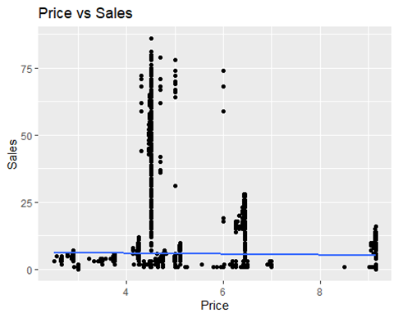
Sub-Category | optimal_price
Sugar Cookie | $2.51
Oatmeal Raisin | $2.90
Chocolate Cup Cake | $2.93
Anisette Biscotti | $3.22
Popcorn | $3.32
Danish | $4.13
Black & White | $4.20
Brownies | $4.24
French Roll | $4.26
Eclair | $4.30
Chocolate Chip Scone | $4.35
Baguette | $4.46
Carrot Cake | $4.51
Napolean | $4.62
Peppermint Chocolate | $4.99
White | $5.41
Sourdough | $5.56
Rye | $6.02
Local Honey | $6.14
Cannoli | $6.25
Whole Wheat | $6.39
Banana Nut Pound | $8.51
Muffin | $9.05

Step | Description
Data Collection | Gather historical sales data, including prices, units sold, costs, and any other relevant variables.
Data Cleaning and Preparation | Clean the data by handling missing values and removing outliers.
Exploratory Data Analysis (EDA) | Perform EDA to understand data distribution and relationships using visualizations and summary statistics.
Model Selection | Select appropriate models for pricing optimization such as linear regression or machine learning models.
Model Training | Split the data into training and testing sets and train the selected model on the training data.
Model Evaluation | Evaluate the model's performance using metrics such as RMSE, MAE, and MSE.
Optimization | Optimize pricing using the trained model and optimization algorithms.
Implementation | Implement the optimal prices and monitor sales performance.
Evaluation and Feedback | Evaluate the impact of the new pricing strategy and gather feedback for continuous improvement.

