AMBASSADOR
 | http://lifesaverambassador.com/

 | Send a QR Code |  | Links to | http://lifesaverambassador.com/
 | Send a WhatsApp Message shown below with a link to Ambassador web page to register
 | All messages are sent via Zapier

#1 | MARKETING MESSAGE SENT THROUGH ZAPIER WHATSAPP
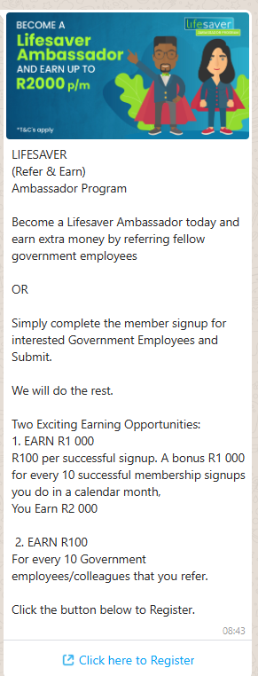

 | MEMBERS REGISTER AND CAN START SUBMITTING REFERRALS AND MEMBER SIGN-UP
 | MEMBER ENGAGE AND SEND 10 NON DUPLICATE REFERRALS
 | THEY RECEIVE THE FOLLOWING MESSAGE
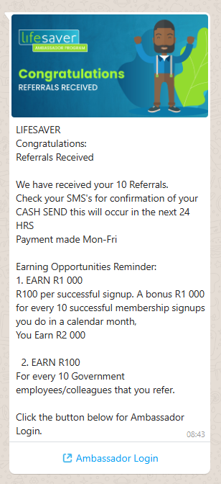
#2

 | MEMBER ENGAGE AND SEND MEMBER SIGNUPS
 | THEY RECEIVE THE FOLLOWING MESSAGE

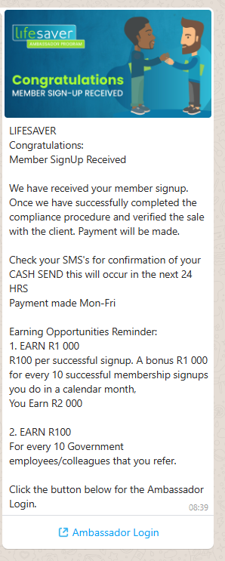
#3

 | BACKEND TABLE DATA BASE

 | The table needs to save the Ambassador Name and Cell phone as unique identifier
 | The table must allocate records
 | The system must reference the sales made table to allocate correct payment to Ambassador for payment when submitting "Member signups"
 | The Ambassador App must ensure when the Ambassador is submitting their 10 referral leads there are not duplicates and check all mobile number have 10 digits - perhaps we can add a preview dialler to confirm an actual number

 | PAYMENT METRICS
 |  |  | Received | Sales | Batched | Paid |  | Code | Premium Collected | Zubeid
 | Referral Leads |  | 50 | 15 | 50 | 500 |  | Ambassador | 15 | 75
 | Member Sign up |  | 12 | 6 | 6 | 600 |  | Ambassador | 5 | 25

 | Ambassador have access to their production dashboard vis the Ambassador App
 | Ambassador Activity & Earnings Dashboard

 | Month | Referral Leads Summitted | Payment Made | Successful Member sign-up | Payment made | Member sign-up Bonus Paid | Total Payment
 | Jan-26 | 20 | R200 | 0 | R0 | R0 | R200
 | Feb-26 | 10 | R100 | 3 | R300 | R0 | R400
 | Mar-26 | 0 | R0 | 5 | R500 | R0 | R500
 | Apr-26 | 0 | R0 | 10 | R1,000 | R1,000 | R2,000
 | May-26
 | Jun-26
 | Jul-26
 | Aug-26
 | Sep-26
 | Oct-26
 | Nov-26
 | Dec-26
 |  |  |  |  |  |  | R3,100

